paired_t-test

Basketball
Group 1 | Group 2 | Differences | paired t-test
22 | 24 | -2 |  | Variable 1 | Variable 2
20 | 22 | -2 | Mittelwert | 23.1500 | 24.1
19 | 19 | 0 | Varianz | 14.0289 | 16.0947
24 | 22 | 2 | Beobachtungen | 20 | 20
25 | 28 | -3 | Freiheitsgrade (df) | 19
25 | 26 | -1 | t-Statistik | -3.2262
28 | 28 | 0 | P(T<=t) zweiseitig | 0.0044
22 | 24 | -2
30 | 30 | 0
27 | 29 | -2
24 | 25 | -1
18 | 20 | -2
16 | 17 | -1
19 | 18 | 1
19 | 18 | 1
28 | 28 | 0 | Values calculated by hand (see cells for formulas)
24 | 26 | -2 | mean of difference |  | -0.95 | =MITTELWERT(C4:C23)
25 | 27 | -2 | std. dev. of difference |  | 1.317 | =STABW(C4:C23)
25 | 27 | -2 | t-value |  | -3.2262 | =G20/(G21/SQRT(ANZAHL(A4:A23)))
23 | 24 | -1 | degrees of freedom |  | 19 | =ANZAHL(A4:A23)-1

one-way-ANOVA

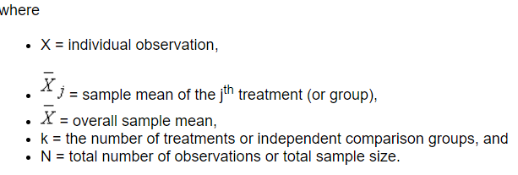
 | Prices of used cars |  |  | one-way ANOVA
Id | VW | BMW | Fiat
1 | 29,000 | 37,000 | 16,000 | Summary
2 | 38,000 | 47,000 | 30,000 | Groups | Number of Observations | Sum | Mean | Variance
3 | 33,000 | 55,000 | 32,000 | VW | 20 | 839000 | 41950 | 207418421
4 | 64,000 | 43,000 | 56,000 | BMW | 20 | 1080000 | 54000 | 192105263
5 | 52,000 | 55,000 | 46,000 | Fiat | 20 | 680000 | 34000 | 221894737
6 | 62,000 | 47,000 | 48,000
7 | 24,000 | 71,000 | 10,000
8 | 51,000 | 51,000 | 49,000 | ANOVA
9 | 39,000 | 48,000 | 28,000 | Source of Variation | Sum of squares (SS) | Degrees of freedom (df) | Mean squares (MS) | F | P-Value
10 | 43,000 | 75,000 | 28,000 | Differences between groups | 4056033333.3 | 2 | 2028016666.7 | 9.791 | 0.0002
11 | 64,000 | 33,000 | 50,000 | Within groups | 11806950000 | 57 | 207139473.68
12 | 53,000 | 74,000 | 48,000
13 | 43,000 | 78,000 | 35,000 | Total | 15862983333 | 59
14 | 20,000 | 36,000 | 17,000
15 | 27,000 | 68,000 | 14,000
16 | 64,000 | 42,000 | 60,000
17 | 26,000 | 53,000 | 17,000
18 | 37,000 | 51,000 | 36,000
19 | 42,000 | 69,000 | 34,000
20 | 28,000 | 47,000 | 26,000

