chi_squared_test
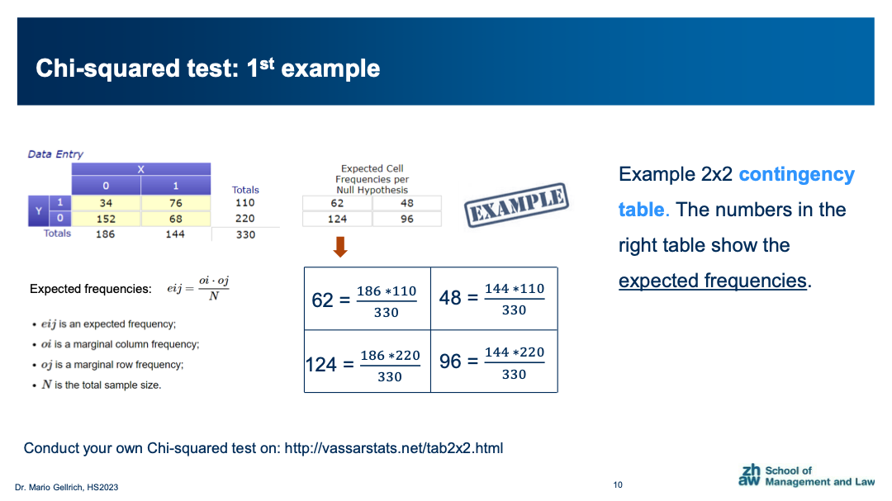
Example from the lesson (see slides)


 | Observed frequencies |  |  |  | Expected frequencies

 |  | 0 | 1 | Sum |  | 0 | 1 | Sum
 | 1 | 34 | 76 | 110 | 1 | 62 | 48 | 110
 | 0 | 152 | 68 | 220 | 0 | 124 | 96 | 220
 | Sum | 186 | 144 | 330 | Sum | 186 | 144 | 330

 | Chi-squared test statistics
 | 43.4677
 | =((C17-H17)^2/H17) + ... + ((D18-I18)^2/I18)

 | Degrees of freedom
 | 1
 | =(number of rows in the contingency table - 1) * (number of columns in the contingency table - 1)

 | p-value (derive from the webpage below)
 | https://www.socscistatistics.com/pvalues/chidistribution.aspx

 | Chi-square score: chi-squared test statistics
 | DF: degrees of freedom
 | Significance level: your value for alpha, e.g. 0.05

chi_squared_solution
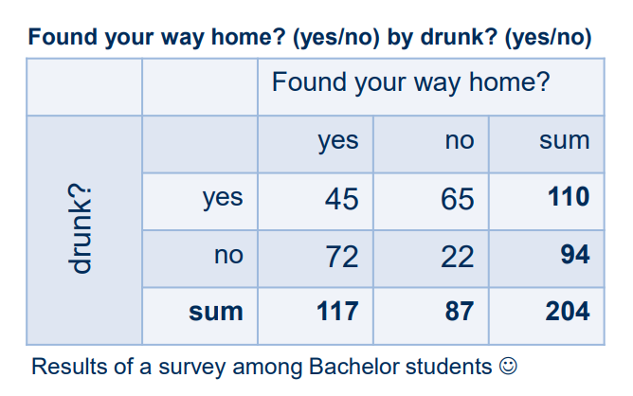
Task from lesson
 | Observed frequencies |  |  |  | Expected frequencies

 |  | 0 | 1 | Sum |  | 0 | 1 | Sum
 | 1 | 45 | 65 | 110 | 1 | 63.1 | 46.9 | 110
 | 0 | 72 | 22 | 94 | 0 | 53.9 | 40.1 | 94
 | Sum | 117 | 87 | 204 | Sum | 117 | 87 | 204

 | Chi-squared test statistics
 | 26.3911
 | =((C17-H17)^2/H17) + ... + ((D18-I18)^2/I18)

 | Degrees of freedom
 | 1
 | =(number of rows in the contingency table - 1) * (number of columns in the contingency table - 1)

 | p-value (derive from the webpage below)
 | https://www.socscistatistics.com/pvalues/chidistribution.aspx

 | Chi-square score: chi-squared test statistics
 | DF: degrees of freedom
 | Significance level: your value for alpha, e.g. 0.05

pearson_correlation
Example from the lesson (see slides)

 |  | Calculate Pearson Correlation Coefficient in Excel

Person | Age (Years) | BMI (kg/m2) | Xi - Xbar | Yi - Ybar | (Xi - Xbar)*(Yi - Ybar) | (Xi - Xbar)^2 | (Yi - Ybar)^2
1 | 19 | 18.5 | -6.3 | -2.5 | 15.8 | 40.11 | 6.25
2 | 22 | 19.6 | -3.3 | -1.4 | 4.7 | 11.11 | 1.96
3 | 23 | 20.4 | -2.3 | -0.6 | 1.4 | 5.44 | 0.36
4 | 25 | 22.4 | -0.3 | 1.4 | -0.5 | 0.11 | 1.96
5 | 28 | 20.5 | 2.7 | -0.5 | -1.3 | 7.11 | 0.25
6 | 35 | 24.6 | 9.7 | 3.6 | 34.8 | 93.44 | 12.96

Average | 25.3 | 21.0 | Sum |  | 54.90 | 157.33 | 23.74

 |  |  |  |  |  | Pearson coefficient (r) | 0.8983

 |  |  |  |  |  | Check (r)* | 0.8983
 |  |  |  |  |  | *using Excel's = Pearson() function

 |  | Calculate Pearson Correlation Coefficient (with test-statistic and p-value)

Person | Age (Years) | BMI (kg/m2) | Xi - Xbar | Yi - Ybar | (Xi - Xbar)*(Yi - Ybar) | (Xi - Xbar)^2 | (Yi - Ybar)^2
1 | 19 | 18.5 | -6.3 | -2.5 | 15.8 | 40.11 | 6.25
2 | 22 | 19.6 | -3.3 | -1.4 | 4.7 | 11.11 | 1.96
3 | 23 | 20.4 | -2.3 | -0.6 | 1.4 | 5.44 | 0.36
4 | 25 | 22.4 | -0.3 | 1.4 | -0.5 | 0.11 | 1.96
5 | 28 | 20.5 | 2.7 | -0.5 | -1.3 | 7.11 | 0.25
6 | 35 | 24.6 | 9.7 | 3.6 | 34.8 | 93.44 | 12.96

Average | 25.3 | 21.0 | Sum |  | 54.90 | 157.33 | 23.74

 |  |  |  |  |  | Pearson coefficient (r) | 0.898300
 |  |  |  |  |  | N | 6
 |  |  |  |  |  | t-statistic | 4.0889
 |  |  |  |  |  | p-value (two-tailed) | 0.01499

 |  |  |  |  |  | Check (r)* | 0.8983
 |  |  |  |  |  | *using Excel's = Pearson() function

pearson_corr_solution
 |  | Calculate Pearson Correlation Coefficient (with test-statistic and p-value)

Person | HP | Price | Xi - Xbar | Yi - Ybar | (Xi - Xbar)*(Yi - Ybar) | (Xi - Xbar)^2 | (Yi - Ybar)^2
1 | 120 | 25000 | -90.0 | -32000.0 | 2880000.0 | 8100.00 | 1024000000.00
2 | 180 | 45000 | -30.0 | -12000.0 | 360000.0 | 900.00 | 144000000.00
3 | 240 | 85000 | 30.0 | 28000.0 | 840000.0 | 900.00 | 784000000.00
4 | 160 | 35000 | -50.0 | -22000.0 | 1100000.0 | 2500.00 | 484000000.00
5 | 350 | 95000 | 140.0 | 38000.0 | 5320000.0 | 19600.00 | 1444000000.00

Average | 210.0 | 57000.0 | Sum |  | 10500000.00 | 32000.00 | 3880000000.00

Price versus HP
 |  |  |  |  |  | Pearson coefficient (r) | 0.9423
 |  |  |  |  |  | N | 5
 |  |  |  |  |  | t-statistic | 4.8763
 |  |  |  |  |  | p-value (two-tailed) | 0.01649

 |  |  |  |  |  | Check (r)* | 0.9423
 |  |  |  |  |  | *using Excel's = Pearson() function

