Tiers
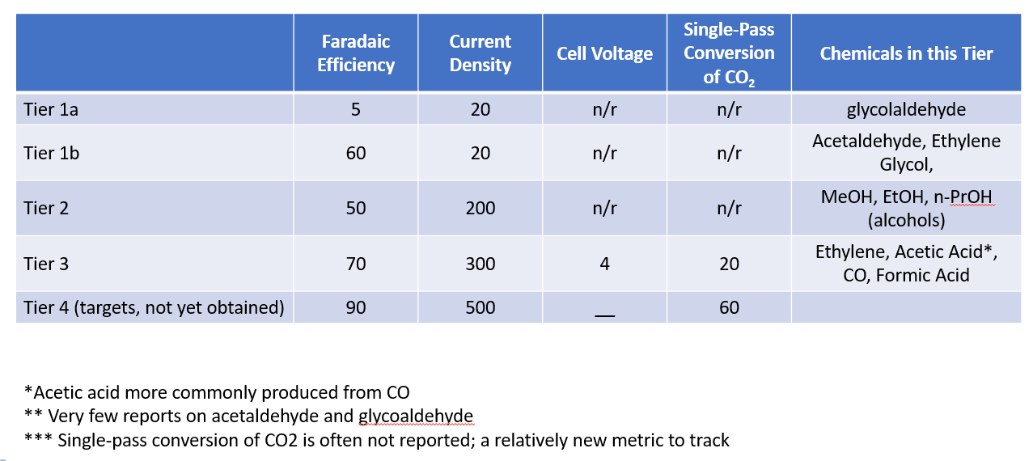
Tier | CellVoltage | CurrentDensity | FaradaicEfficiency | Conversion | Description
1 | 4 | 20 | 5 | 50 | Glycolaldehyde
2 | 2 | 20 | 60 | 50 | Acetaldehyde, Ethylene glycol
3 | 2.5 | 200 | 50 | 50 | Alcohols: Methanol, Ethanol, Propanol
4 | 4 | 300 | 70 | 20 | Ethylene, Acetic Acid, CO, Formic Acid
5 | 2 | 500 | 90 | 60 | Best case (for any products other than CO2 mixtures)
6 | 3 | 300 | 100 | N/A | CO2:H2 mixtures, worse case
7 | 2 | 500 | 100 | N/A | CO2:H2 mixtures, better case

