Flux48_diff
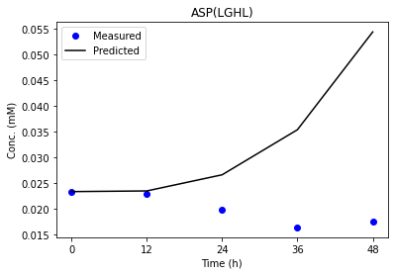
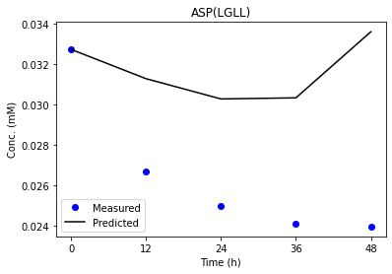
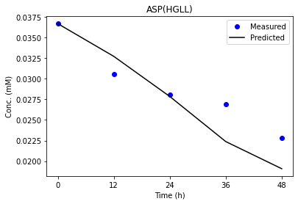
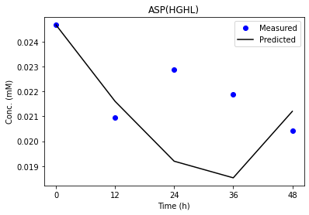
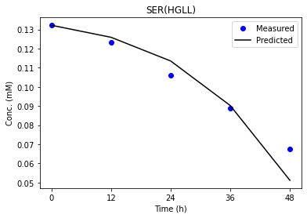
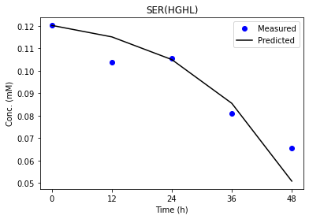
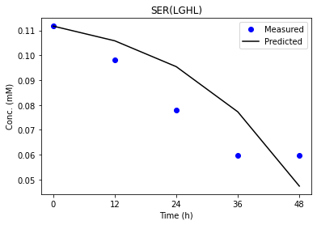
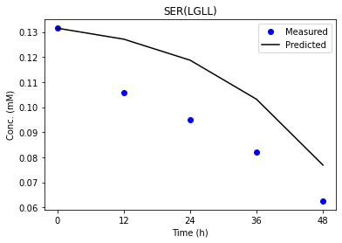
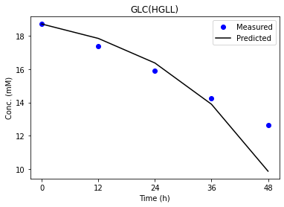
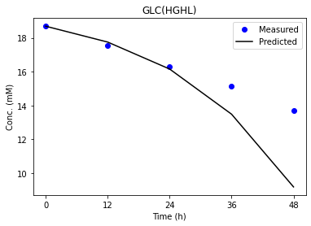
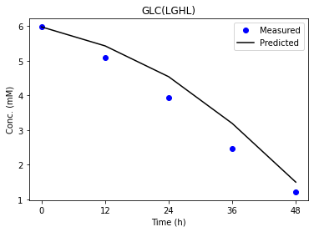
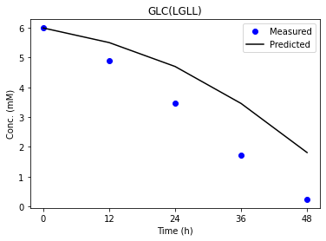
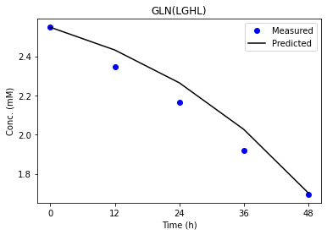
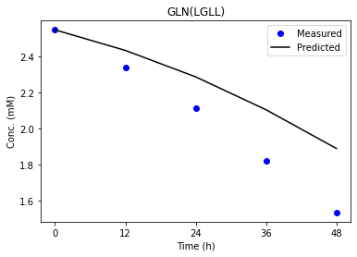
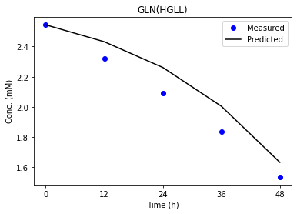
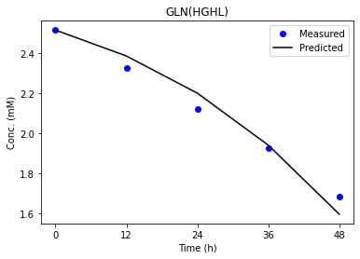
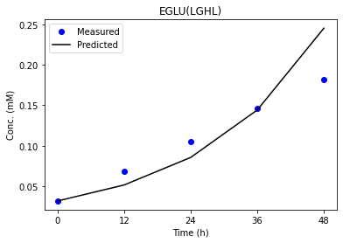
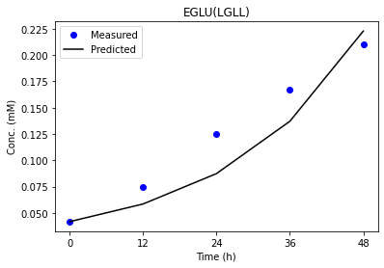
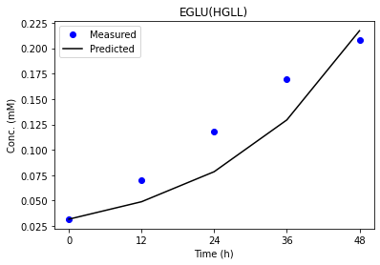
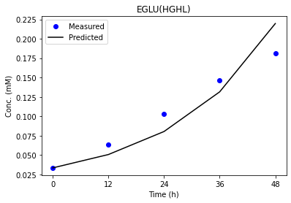
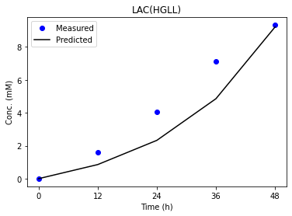
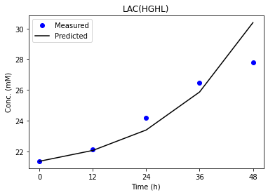
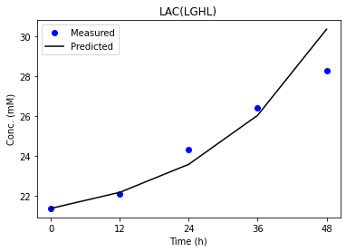
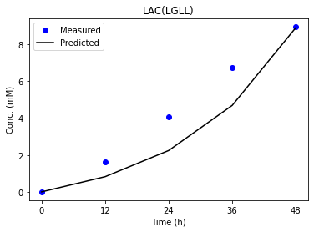
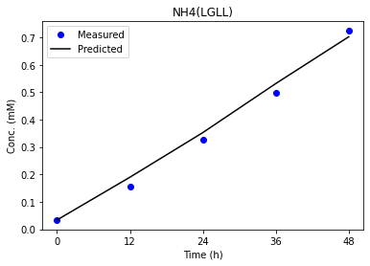
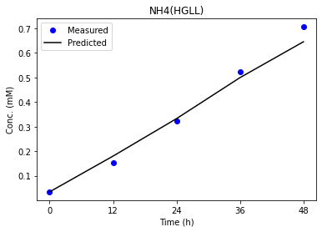
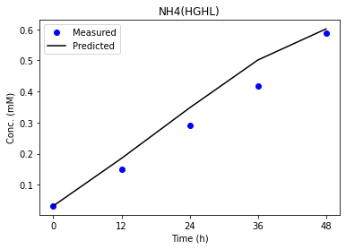
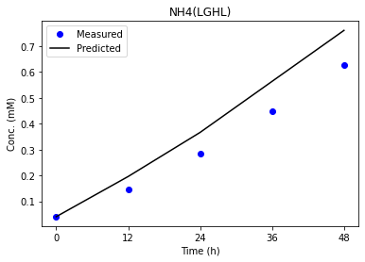
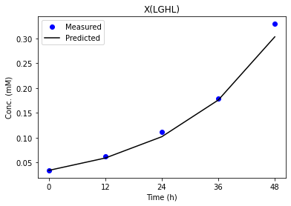
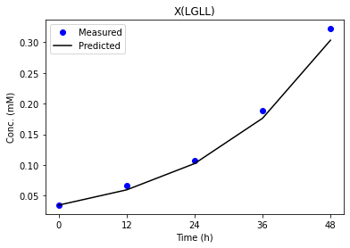
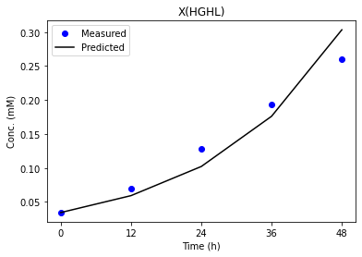
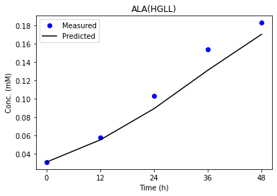
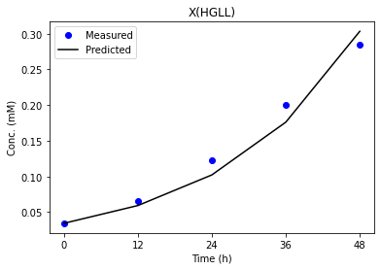
 | HGHL | HGLL | LGLL | LGHL | HGHL_std | HGLL | LGLL_std | LGHL_std | HGHL_pred | HGLL_pred | LGLL_pred | LGHL_pred
1 | 867.80 | 1050.00 | 987.51 | 853.80 | 34.87 | 47.50 | 31.31 | 29.17 | 939.90 | 851.17 | 964.86 | 955.73 | GLC
6 | 1690.00 | 2110.00 | 2000.00 | 1650.00 | 67.50 | 95.00 | 60.00 | 55.00 | 1629.99 | 1543.51 | 1502.20 | 1605.53 | LAC
10 | 132.10 | 115.07 | 124.04 | 172.07 | 24.45 | 25.06 | 31.09 | 33.96 | 115.97 | 139.16 | 130.88 | 123.78
11 | 132.10 | 115.07 | 124.04 | 172.07 | 24.45 | 25.06 | 31.09 | 33.96 | 142.90 | 137.90 | 150.17 | 143.18
12 | 25.52 | 23.96 | 24.47 | 42.64 | 5.12 | 11.18 | 18.03 | 8.23 | 28.30 | 29.10 | 31.11 | 27.33
13 | 96.27 | 111.73 | 130.38 | 124.63 | 12.07 | 20.68 | 18.29 | 14.43 | 169.88 | 112.45 | 126.06 | 161.70
14 | 96.27 | 111.73 | 130.38 | 124.63 | 12.07 | 20.68 | 18.29 | 14.43 | 124.56 | 113.02 | 108.44 | 107.60
15 | 117.70 | 78.68 | 76.75 | 149.84 | 23.45 | 20.67 | 25.68 | 29.86 | 110.92 | 112.83 | 105.69 | 90.68
16 | 84.39 | 120.44 | 149.28 | 101.23 | 11.77 | 21.10 | 15.13 | 11.87 | 119.70 | 109.26 | 96.85 | 110.72
17 | 14.40 | 36.39 | 47.29 | 22.23 | 4.74 | 6.44 | 8.52 | 4.00 | 31.08 | 25.03 | 22.55 | 26.33
18 | 103.35 | 128.45 | 143.09 | 115.88 | 9.42 | 15.16 | 8.53 | 9.25 | 112.58 | 90.71 | 72.31 | 94.64
19 | 70.75 | 87.78 | 105.91 | 81.98 | 9.64 | 15.28 | 8.72 | 9.51 | 104.08 | 69.42 | 42.95 | 76.68
20 | 35.62 | 40.44 | 39.79 | 34.98 | 3.74 | 2.54 | 2.09 | 3.38 | 27.79 | 13.97 | 13.55 | 15.76
21 | 28.30 | 36.19 | 32.43 | 29.42 | 1.37 | 1.67 | 1.18 | 1.57 | 31.41 | 31.28 | 30.53 | 31.49 | GLU
29 | 17.31 | 21.70 | 11.16 | 34.59 | 4.61 | 5.64 | 4.36 | 11.06 | 7.53 | 8.40 | 5.08 | 5.69
31 | 0.46 | 4.11 | 7.42 | 4.77 | 4.17 | 1.91 | 2.30 | 3.31 | 3.85 | 1.73 | 3.78 | 4.88
34 | 35.88 | 37.4 | 39.61 | 37.31 | 7.8325 | 7.8225 | 7.8075 | 7.82 | 29.62 | 27.14 | 23.46 | 19.45 | X

 | HGHL_pred | HGLL_pred | LGLL_pred | LGHL_pred |  |  |  |  |  |  |  |  |  | Low | Glucose |  |  |  |  | High | Lactate |  |  |  |  | Low | Glucose | High | Lactate |  |  | Control
1 | 0.93990198051 | 0.851168501 | 0.96485622539 | 0.95573348143 |  |  |  |  |  |  |  |  |  | Reaction |  |  |  |  |  | Reaction |  |  |  |  |  | Reaction |  |  |  |  |  | Reaction
2 | -1.17E-09 | -1.59E-08 | -4.89E-08 | -7.15E-08 |  |  |  |  |  |  |  |  |  | Glycolysis | nmol/106cells/h | Lower | Bound |  | No. | Glycolysis | nmol/106cells/h | Lower | Bound |  | No. | Glycolysis | nmol/106cells/h | Lower | Bound |  | No. | Glycolysis | nmol/106cells/h | Lower | Bound
3 | 1.58E-07 | 1.64E-08 | 2.56E-07 | 3.87E-07 |  |  |  |  |  |  |  |  |  | Glc->Pyr.c+Pyr.c | 987.51 | 925.16 | 1050.4 | 31.31 | 1 | Glc->Pyr.c+Pyr.c | 867.8 | 798.41 | 937.87 | 34.865 | 1 | Glc->Pyr.c+Pyr.c | 853.8 | 795.45 | 912.14 | 29.1725 | 1 | Glc->Pyr.c+Pyr.c | 1.05E+03 | 9.50E+02 | 1.14E+03 | 47.5
4 | 0.00012182592694 | 0.088841982723 | 4.8133083257 | 0.0017731217093 |  |  |  |  |  |  |  |  |  | Pyr.c<->Lac.c | 2.00E+03 | 1.88E+03 | 2.12E+03 | 60 | 6 | Pyr.c<->Lac.c | 1.69E+03 | 1.56E+03 | 1.83E+03 | 67.5 | 6 | Pyr.c<->Lac.c | 1.65E+03 | 1.54E+03 | 1.76E+03 | 55 | 6 | Pyr.c<->Lac.c | 2.11E+03 | 1.92E+03 | 2.30E+03 | 95
5 | 20.593098797 | 7.4094459452 | 16.447584905 | 7.1176286513 |  |  |  |  |  |  |  |  |  | Pyr.m->CO2+AcCoA.m | 124.04 | 59.25 | 183.61 | 31.09 | 10 | Pyr.m->CO2+AcCoA.m | 132.1 | 94.74 | 192.54 | 24.45 | 10 | Pyr.m->CO2+AcCoA.m | 172.07 | 115.11 | 250.93 | 33.955 | 10 | Pyr.m->CO2+AcCoA.m | 115.07 | 71.59 | 171.81 | 25.055
6 | 1.6299897338 | 1.543506117 | 1.5022019036 | 1.6055260469 |  |  |  |  |  |  |  |  |  | AcCoA.m+OAA.m->Cit.m | 124.04 | 59.25 | 183.61 | 31.09 | 11 | AcCoA.m+OAA.m->Cit.m | 132.1 | 94.74 | 192.54 | 24.45 | 11 | AcCoA.m+OAA.m->Cit.m | 172.07 | 115.11 | 250.93 | 33.955 | 11 | AcCoA.m+OAA.m->Cit.m | 115.07 | 71.59 | 171.81 | 25.055
7 | 0.078799999283 | 0.07879999922 | 0.078799998251 | 0.078799998366 |  |  |  |  |  |  |  |  |  | Cit.m<->AKG.m+CO2 | 24.47 | -2.81 | 69.3 | 18.0275 | 12 | Cit.m<->AKG.m+CO2 | 25.52 | 16.43 | 36.9 | 5.1175 | 12 | Cit.m<->AKG.m+CO2 | 42.64 | 30.78 | 63.71 | 8.2325 | 12 | Cit.m<->AKG.m+CO2 | 23.96 | 12.67 | 57.41 | 11.185
8 | 0.078800002191 | 0.078800002191 | 0.078800002191 | 0.078800002191 |  |  |  |  |  |  |  |  |  | AKG.m->CO2+Suc.m | 130.38 | 107.19 | 180.33 | 18.285 | 13 | AKG.m->CO2+Suc.m | 96.27 | 72.98 | 121.27 | 12.0725 | 13 | AKG.m->CO2+Suc.m | 124.63 | 98.64 | 156.35 | 14.4275 | 13 | AKG.m->CO2+Suc.m | 111.73 | 76.25 | 158.98 | 20.6825
9 | 0.07880000792 | 0.078800007921 | 0.07880000792 | 0.07880000792 |  |  |  |  |  |  |  |  |  | Suc.m<->Fum.m | 130.38 | 107.19 | 180.33 | 18.285 | 14 | Suc.m<->Fum.m | 96.27 | 72.98 | 121.27 | 12.0725 | 14 | Suc.m<->Fum.m | 124.63 | 98.64 | 156.35 | 14.4275 | 14 | Suc.m<->Fum.m | 111.73 | 76.25 | 158.98 | 20.6825
10 | 0.11597008778 | 0.13916432732 | 0.13087799804 | 0.1237820469 |  |  |  |  |  |  |  |  |  | Mal.m<->OAA.m | 76.75 | 31.78 | 134.49 | 25.6775 | 15 | Mal.m<->OAA.m | 117.7 | 80.9 | 174.7 | 23.45 | 15 | Mal.m<->OAA.m | 149.84 | 106.5 | 225.93 | 29.8575 | 15 | Mal.m<->OAA.m | 78.68 | 45.13 | 127.83 | 20.675
11 | 0.14289755416 | 0.13789922886 | 0.15017383355 | 0.14317907488 |  |  |  |  |  |  |  |  |  | Mal.m->Pyr.m+CO2 | 149.28 | 115.05 | 175.57 | 15.13 | 16 | Mal.m->Pyr.m+CO2 | 84.39 | 61.05 | 108.11 | 11.765 | 16 | Mal.m->Pyr.m+CO2 | 101.23 | 77.82 | 125.3 | 11.87 | 16 | Mal.m->Pyr.m+CO2 | 120.44 | 79.02 | 163.43 | 21.1025
12 | 0.028303640575 | 0.029098107933 | 0.031111812961 | 0.027333094813 |  |  |  |  |  |  |  |  |  | Pyr.m+CO2->OAA.m | 47.29 | 24.81 | 58.9 | 8.5225 | 17 | Pyr.m+CO2->OAA.m | 14.4 | 3.9 | 22.87 | 4.7425 | 17 | Pyr.m+CO2->OAA.m | 22.23 | 12.79 | 28.77 | 3.995 | 17 | Pyr.m+CO2->OAA.m | 36.39 | 24.62 | 50.4 | 6.445
13 | 0.16987787754 | 0.112454083 | 0.12606056421 | 0.16169537504 |  |  |  |  |  |  |  |  |  | Gln<->Glu | 143.09 | 126.08 | 160.18 | 8.525 | 18 | Gln<->Glu | 103.35 | 84.51 | 122.19 | 9.42 | 18 | Gln<->Glu | 115.88 | 97.58 | 134.59 | 9.2525 | 18 | Gln<->Glu | 128.45 | 98.09 | 158.74 | 15.1625
14 | 0.12455899951 | 0.11301609269 | 0.10844160381 | 0.10760442791 |  |  |  |  |  |  |  |  |  | Glu<->AKG.m | 105.91 | 88.51 | 123.37 | 8.715 | 19 | Glu<->AKG.m | 70.75 | 51.47 | 90.03 | 9.64 | 19 | Glu<->AKG.m | 81.98 | 63.18 | 101.2 | 9.505 | 19 | Glu<->AKG.m | 87.78 | 57.18 | 118.3 | 15.28
15 | 0.11091545969 | 0.11282839631 | 0.10568719637 | 0.090675356197 |  |  |  |  |  |  |  |  |  | Pyr.m<->Ala | 39.79 | 35.61 | 43.96 | 2.0875 | 20 | Pyr.m<->Ala | 35.62 | 28.15 | 43.1 | 3.7375 | 20 | Pyr.m<->Ala | 34.98 | 28.21 | 41.73 | 3.38 | 20 | Pyr.m<->Ala | 40.44 | 35.36 | 45.52 | 2.54
16 | 0.11969641697 | 0.10926482847 | 0.096847193823 | 0.11072362701 |  |  |  |  |  |  |  |  |  | Glu->Glu.x | 32.43 | 30.08 | 34.78 | 1.175 | 21 | Glu->Glu.x | 28.3 | 25.55 | 31.04 | 1.3725 | 21 | Glu->Glu.x | 29.42 | 26.28 | 32.55 | 1.5675 | 21 | Glu->Glu.x | 36.19 | 32.86 | 39.52 | 1.665
17 | 0.031078268586 | 0.025028587962 | 0.022552005625 | 0.026334403691 |  |  |  |  |  |  |  |  |  | Ser->Pyr.c | 11.16 | 2.45 | 19.87 | 4.355 | 29 | Ser->Pyr.c | 17.31 | 8.1 | 26.53 | 4.6075 | 29 | Ser->Pyr.c | 34.59 | 12.49 | 56.71 | 11.055 | 29 | Ser->Pyr.c | 21.7 | 10.43 | 32.98 | 5.6375
18 | 0.11258466587 | 0.090714479451 | 0.072307868474 | 0.094639633446 |  |  |  |  |  |  |  |  |  | OAA.c<->Asp | 7.42 | 0.03 | 9.22 | 2.2975 | 31 | OAA.c<->Asp | 0.46 | -12.35 | 4.32 | 4.1675 | 31 | OAA.c<->Asp | 4.77 | -6.31 | 6.93 | 3.31 | 31 | OAA.c<->Asp | 4.11 | -1.67 | 5.97 | 1.91
19 | 0.10407600527 | 0.069415230904 | 0.042948518488 | 0.076684936668 |  |  |  |  |  |  |  |  |  | 0.19*Ala+0.11*Asp+0.1*Gln + 0.12*Glu+0.17*Gly+0.14*Ser + 0.16*Glc->Biomass | 39.61 | 23.99 | 55.22 | 7.8075 | 34 | 0.19*Ala+0.11*Asp+0.1*Gln + 0.12*Glu+0.17*Gly+0.14*Ser + 0.16*Glc->Biomass | 35.88 | 20.21 | 51.54 | 7.8325 | 34 | 0.19*Ala+0.11*Asp+0.1*Gln + 0.12*Glu+0.17*Gly+0.14*Ser + 0.16*Glc->Biomass | 37.31 | 21.63 | 52.91 | 7.82 | 34 | 0.19*Ala+0.11*Asp+0.1*Gln + 0.12*Glu+0.17*Gly+0.14*Ser + 0.16*Glc->Biomass | 37.4 | 21.76 | 53.05 | 7.8225
20 | 0.027788966366 | 0.013969298026 | 0.013552341275 | 0.015756685972
21 | 0.031411239635 | 0.031278306115 | 0.030526531105 | 0.0314862881
22 | 7.0000006065 | 7.0000006067 | 7.0000006094 | 7.0000006066
23 | 0.87000000087 | 0.87000000088 | 0.87000000122 | 0.87000000087
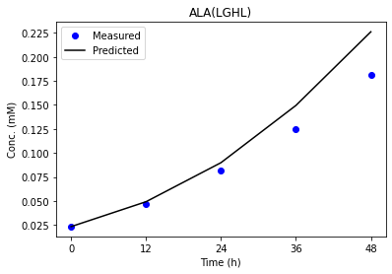
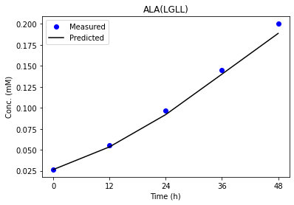
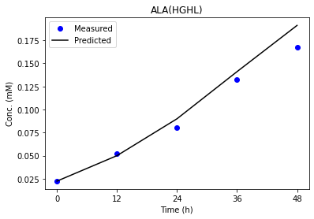
24 | 3.5999999551 | 3.5999999417 | 3.5999999563 | 3.5999999422
25 | 1.3999999773 | 1.3999999684 | 1.3999999781 | 1.3999999688
26 | 0.70000190193 | 0.70000190341 | 0.70000190181 | 0.70000190333
27 | 1.30E-06 | 1.43E-06 | 1.72E-06 | 1.58E-06
28 | 40 | 40 | 40 | 40
29 | 0.0075277446571 | 0.0084001730902 | 0.0050793120312 | 0.0056897742109
30 | 1.19E-09 | 2.21E-05 | 7.51E-07 | 1.78E-06
31 | 0.0038517757883 | 0.0017288940448 | 0.0037769238471 | 0.0048810253381
32 | 0.0012628480427 | 2.02E-05 | 1.49E-05 | 7.33E-06
33 | 0.0013358681215 | 0.0018512007614 | 0.0026384858518 | 0.0017551996954
34 | 0.029618972977 | 0.027137984281 | 0.023456459472 | 0.019449844252
35 | 0.045318717892 | 0.045318717892 | 0.045318717892 | 0.045318717892

Flux48
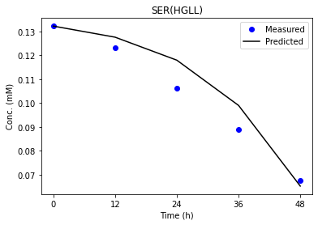
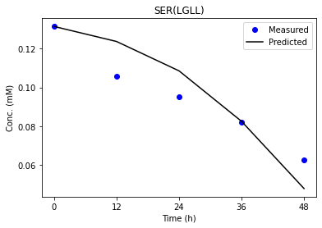
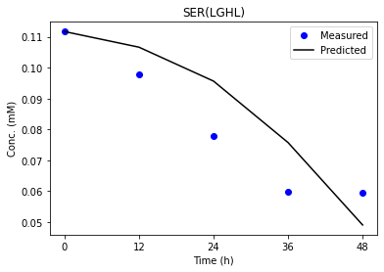
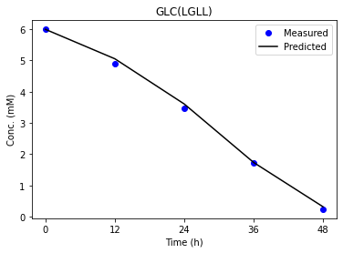
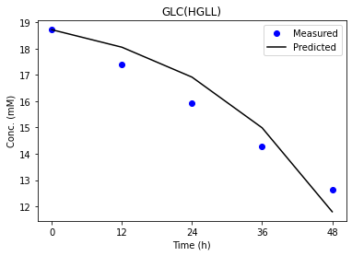
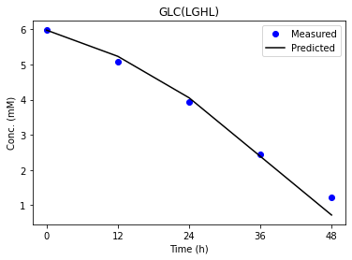
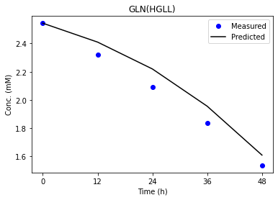
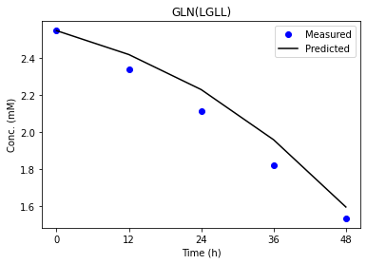
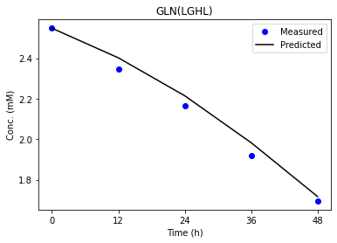
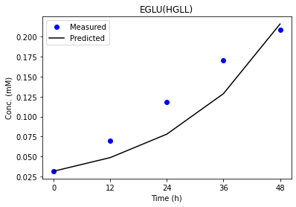
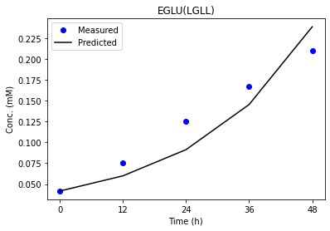
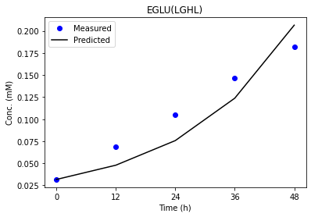
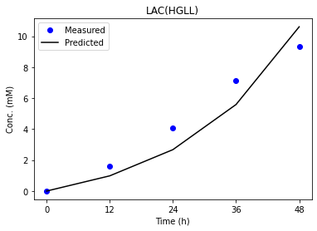
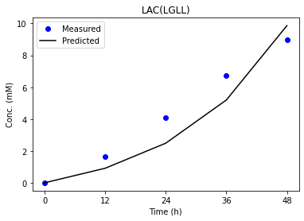




 | HGHL | HGLL | LGLL | LGHL | HGHL_pred | HGLL_pred | LGLL_pred | LGHL_pred
1 | 867.80 | 1050.00 | 987.51 | 853.80 | 938.91 | 1157.72 | 914.59 | 843.91 | GLC
6 | 1690.00 | 2110.00 | 2000.00 | 1650.00 | 1359.48 | 1787.43 | 1662.09 | 1453.20 | LAC
10 | 132.10 | 115.07 | 124.04 | 172.07 | 132.10 | 119.83 | 123.93 | 172.06
11 | 132.10 | 115.07 | 124.04 | 172.07 | 132.59 | 125.23 | 123.84 | 175.01
12 | 25.52 | 23.96 | 24.47 | 42.64 | 25.35 | 23.93 | 31.57 | 42.59
13 | 96.27 | 111.73 | 130.38 | 124.63 | 96.27 | 129.28 | 130.44 | 124.62
14 | 96.27 | 111.73 | 130.38 | 124.63 | 96.27 | 111.74 | 136.51 | 119.36
15 | 117.70 | 78.68 | 76.75 | 149.84 | 103.15 | 73.36 | 76.86 | 154.15
16 | 84.39 | 120.44 | 149.28 | 101.23 | 84.39 | 122.61 | 146.32 | 103.79
17 | 14.40 | 36.39 | 47.29 | 22.23 | 13.34 | 36.13 | 47.33 | 21.91
18 | 103.35 | 128.45 | 143.09 | 115.88 | 100.42 | 138.35 | 147.61 | 112.68 | GLN
19 | 70.75 | 87.78 | 105.91 | 81.98 | 39.05 | 45.68 | 53.19 | 41.97
20 | 35.62 | 40.44 | 39.79 | 34.98 | 29.38 | 33.21 | 37.61 | 32.99
21 | 28.30 | 36.19 | 32.43 | 29.42 | 30.27 | 31.03 | 33.17 | 29.47 | GLU
29 | 17.31 | 21.70 | 11.16 | 34.59 | 4.43 | 5.21 | 9.28 | 4.18
31 | 0.46 | 4.11 | 7.42 | 4.77 | 4.74 | 4.20 | 4.00 | 4.44
34 | 35.88 | 37.4 | 39.61 | 37.31 | 48.71 | 48.81 | 41.92 | 52.05 | X

 | HGHL_pred | HGLL_pred | LGLL_pred | LGHL_pred |  |  |  |  |  | Low | Glucose |  |  |  |  | High | Lactate |  |  |  |  | Low | Glucose | High | Lactate |  |  | Control
1 | 0.93890590824 | 1.1577154056 | 0.91459465164 | 0.8439114948 |  |  |  |  |  | Reaction |  |  |  |  |  | Reaction |  |  |  |  |  | Reaction |  |  |  |  |  | Reaction
2 | 3.04E-11 | -4.75E-08 | -4.06E-08 | 1.66E-07 |  |  |  |  |  | Glycolysis | nmol/106cells/h | Lower | Bound |  | No. | Glycolysis | nmol/106cells/h | Lower | Bound |  | No. | Glycolysis | nmol/106cells/h | Lower | Bound |  | No. | Glycolysis | nmol/106cells/h | Lower | Bound
3 | 2.70E-13 | 2.03E-07 | 2.97E-07 | 4.54E-07 |  |  |  |  |  | Glc->Pyr.c+Pyr.c | 987.51 | 925.16 | 1050.4 | 31.31 | 1 | Glc->Pyr.c+Pyr.c | 867.8 | 798.41 | 937.87 | 34.865 | 1 | Glc->Pyr.c+Pyr.c | 853.8 | 795.45 | 912.14 | 29.1725 | 1 | Glc->Pyr.c+Pyr.c | 1.05E+03 | 9.50E+02 | 1.14E+03 | 47.5
4 | 29.594093479 | 0.0072682187148 | 15.314782684 | 16.412747167 |  |  |  |  |  | Pyr.c<->Lac.c | 2.00E+03 | 1.88E+03 | 2.12E+03 | 60 | 6 | Pyr.c<->Lac.c | 1.69E+03 | 1.56E+03 | 1.83E+03 | 67.5 | 6 | Pyr.c<->Lac.c | 1.65E+03 | 1.54E+03 | 1.76E+03 | 55 | 6 | Pyr.c<->Lac.c | 2.11E+03 | 1.92E+03 | 2.30E+03 | 95
5 | 3.0233784473 | 29.996998989 | 21.290711627 | 12.644922212 |  |  |  |  |  | Pyr.m->CO2+AcCoA.m | 124.04 | 59.25 | 183.61 | 31.09 | 10 | Pyr.m->CO2+AcCoA.m | 132.1 | 94.74 | 192.54 | 24.45 | 10 | Pyr.m->CO2+AcCoA.m | 172.07 | 115.11 | 250.93 | 33.955 | 10 | Pyr.m->CO2+AcCoA.m | 115.07 | 71.59 | 171.81 | 25.055
6 | 1.3594844681 | 1.7874260164 | 1.6620914025 | 1.4531968941 |  |  |  |  |  | AcCoA.m+OAA.m->Cit.m | 124.04 | 59.25 | 183.61 | 31.09 | 11 | AcCoA.m+OAA.m->Cit.m | 132.1 | 94.74 | 192.54 | 24.45 | 11 | AcCoA.m+OAA.m->Cit.m | 172.07 | 115.11 | 250.93 | 33.955 | 11 | AcCoA.m+OAA.m->Cit.m | 115.07 | 71.59 | 171.81 | 25.055
7 | 0.078799997693 | 0.078799998171 | 0.078799998345 | 0.07879999808 |  |  |  |  |  | Cit.m<->AKG.m+CO2 | 24.47 | -2.81 | 69.3 | 18.0275 | 12 | Cit.m<->AKG.m+CO2 | 25.52 | 16.43 | 36.9 | 5.1175 | 12 | Cit.m<->AKG.m+CO2 | 42.64 | 30.78 | 63.71 | 8.2325 | 12 | Cit.m<->AKG.m+CO2 | 23.96 | 12.67 | 57.41 | 11.185
8 | 0.078800004075 | 0.078800004075 | 0.078800004304 | 0.078800004075 |  |  |  |  |  | AKG.m->CO2+Suc.m | 130.38 | 107.19 | 180.33 | 18.285 | 13 | AKG.m->CO2+Suc.m | 96.27 | 72.98 | 121.27 | 12.0725 | 13 | AKG.m->CO2+Suc.m | 124.63 | 98.64 | 156.35 | 14.4275 | 13 | AKG.m->CO2+Suc.m | 111.73 | 76.25 | 158.98 | 20.6825
9 | 0.078800014732 | 0.078800014731 | 0.07880001556 | 0.078800014732 |  |  |  |  |  | Suc.m<->Fum.m | 130.38 | 107.19 | 180.33 | 18.285 | 14 | Suc.m<->Fum.m | 96.27 | 72.98 | 121.27 | 12.0725 | 14 | Suc.m<->Fum.m | 124.63 | 98.64 | 156.35 | 14.4275 | 14 | Suc.m<->Fum.m | 111.73 | 76.25 | 158.98 | 20.6825
10 | 0.13209922165 | 0.11982542463 | 0.12393452169 | 0.17206296801 |  |  |  |  |  | Mal.m<->OAA.m | 76.75 | 31.78 | 134.49 | 25.6775 | 15 | Mal.m<->OAA.m | 117.7 | 80.9 | 174.7 | 23.45 | 15 | Mal.m<->OAA.m | 149.84 | 106.5 | 225.93 | 29.8575 | 15 | Mal.m<->OAA.m | 78.68 | 45.13 | 127.83 | 20.675
11 | 0.13258765414 | 0.12522869212 | 0.12383895461 | 0.17500846063 |  |  |  |  |  | Mal.m->Pyr.m+CO2 | 149.28 | 115.05 | 175.57 | 15.13 | 16 | Mal.m->Pyr.m+CO2 | 84.39 | 61.05 | 108.11 | 11.765 | 16 | Mal.m->Pyr.m+CO2 | 101.23 | 77.82 | 125.3 | 11.87 | 16 | Mal.m->Pyr.m+CO2 | 120.44 | 79.02 | 163.43 | 21.1025
12 | 0.025350473027 | 0.02393284866 | 0.031566225948 | 0.042590842487 |  |  |  |  |  | Pyr.m+CO2->OAA.m | 47.29 | 24.81 | 58.9 | 8.5225 | 17 | Pyr.m+CO2->OAA.m | 14.4 | 3.9 | 22.87 | 4.7425 | 17 | Pyr.m+CO2->OAA.m | 22.23 | 12.79 | 28.77 | 3.995 | 17 | Pyr.m+CO2->OAA.m | 36.39 | 24.62 | 50.4 | 6.445
13 | 0.096269969065 | 0.12927709293 | 0.13044478691 | 0.1246220453 |  |  |  |  |  | Gln<->Glu | 143.09 | 126.08 | 160.18 | 8.525 | 18 | Gln<->Glu | 103.35 | 84.51 | 122.19 | 9.42 | 18 | Gln<->Glu | 115.88 | 97.58 | 134.59 | 9.2525 | 18 | Gln<->Glu | 128.45 | 98.09 | 158.74 | 15.1625
14 | 0.096267783822 | 0.11173947809 | 0.13650607391 | 0.11935597902 |  |  |  |  |  | Glu<->AKG.m | 105.91 | 88.51 | 123.37 | 8.715 | 19 | Glu<->AKG.m | 70.75 | 51.47 | 90.03 | 9.64 | 19 | Glu<->AKG.m | 81.98 | 63.18 | 101.2 | 9.505 | 19 | Glu<->AKG.m | 87.78 | 57.18 | 118.3 | 15.28
15 | 0.10315386432 | 0.073357568446 | 0.076856366752 | 0.15414899397 |  |  |  |  |  | Pyr.m<->Ala | 39.79 | 35.61 | 43.96 | 2.0875 | 20 | Pyr.m<->Ala | 35.62 | 28.15 | 43.1 | 3.7375 | 20 | Pyr.m<->Ala | 34.98 | 28.21 | 41.73 | 3.38 | 20 | Pyr.m<->Ala | 40.44 | 35.36 | 45.52 | 2.54
16 | 0.084393389948 | 0.12261054146 | 0.14631820483 | 0.10379124373 |  |  |  |  |  | Glu->Glu.x | 32.43 | 30.08 | 34.78 | 1.175 | 21 | Glu->Glu.x | 28.3 | 25.55 | 31.04 | 1.3725 | 21 | Glu->Glu.x | 29.42 | 26.28 | 32.55 | 1.5675 | 21 | Glu->Glu.x | 36.19 | 32.86 | 39.52 | 1.665
17 | 0.01334464774 | 0.03613371159 | 0.047330321668 | 0.021909281204 |  |  |  |  |  | Ser->Pyr.c | 11.16 | 2.45 | 19.87 | 4.355 | 29 | Ser->Pyr.c | 17.31 | 8.1 | 26.53 | 4.6075 | 29 | Ser->Pyr.c | 34.59 | 12.49 | 56.71 | 11.055 | 29 | Ser->Pyr.c | 21.7 | 10.43 | 32.98 | 5.6375
18 | 0.10042081454 | 0.13834578061 | 0.14760766804 | 0.11267727834 |  |  |  |  |  | OAA.c<->Asp | 7.42 | 0.03 | 9.22 | 2.2975 | 31 | OAA.c<->Asp | 0.46 | -12.35 | 4.32 | 4.1675 | 31 | OAA.c<->Asp | 4.77 | -6.31 | 6.93 | 3.31 | 31 | OAA.c<->Asp | 4.11 | -1.67 | 5.97 | 1.91

19 | 0.03905343188 | 0.045676631965 | 0.053192402778 | 0.041970288675 |  |  |  |  |  | 0.19*Ala+0.11*Asp+0.1*Gln + 0.12*Glu+0.17*Gly+0.14*Ser + 0.16*Glc->Biomass | 39.61 | 23.99 | 55.22 | 7.8075 | 34 | 0.19*Ala+0.11*Asp+0.1*Gln + 0.12*Glu+0.17*Gly+0.14*Ser + 0.16*Glc->Biomass | 35.88 | 20.21 | 51.54 | 7.8325 | 34 | 0.19*Ala+0.11*Asp+0.1*Gln + 0.12*Glu+0.17*Gly+0.14*Ser + 0.16*Glc->Biomass | 37.31 | 21.63 | 52.91 | 7.82 | 34 | 0.19*Ala+0.11*Asp+0.1*Gln + 0.12*Glu+0.17*Gly+0.14*Ser + 0.16*Glc->Biomass | 37.4 | 21.76 | 53.05 | 7.8225


20 | 0.029383184225 | 0.033205530932 | 0.037606422981 | 0.032988913141
21 | 0.030274283928 | 0.031034769223 | 0.033169015899 | 0.029472137579
22 | 7.0000010984 | 7.000001128 | 7.0000013501 | 6.9999959398
23 | 0.86999999792 | 0.87000000159 | 0.8700000214 | 0.86999935677
24 | 3.5999999316 | 3.5999999287 | 3.5999999313 | 3.5999999277
25 | 1.3999999678 | 1.3999999659 | 1.3999999683 | 1.3999999652
26 | 0.70000353589 | 0.70000353616 | 0.70000373434 | 0.70000353629
27 | 1.55E-06 | 1.67E-06 | 1.65E-06 | 1.39E-06
28 | 40 | 40 | 40 | 40
29 | 0.0044262231995 | 0.005213228846 | 0.009280646028 | 0.0041823788444
30 | 9.47E-05 | 4.17E-06 | 3.17E-10 | 6.22E-06
31 | 0.0047399108485 | 0.0042022893119 | 0.0039957311275 | 0.0044417545038
32 | 0.0001241196838 | 5.44E-07 | 7.71E-05 | 5.08E-09
33 | 0.0023244582433 | 0.002395866494 | 0.0053352050106 | 0.00038412853055



34 | 0.048706118987 | 0.048812436508 | 0.041920770936 | 0.052053415982
35 | 0.045318717892 | 0.045318717892 | 0.045318717892 | 0.045318717892

Flux48_diff_new




























 | HGHL | HGLL | LGLL | LGHL | HGHL_pred | HGLL_pred | LGLL_pred | LGHL_pred
1 | 867.80 | 1050.00 | 987.51 | 853.80 | 1180.77 | 1320.03 | 839.62 | 710.95 | 898% | 568% | 472% | 490% | GLC+ATP→G6P+ADP
6 | 1690.00 | 2110.00 | 2000.00 | 1650.00 | 1630.20 | 1761.14 | 1714.97 | 1605.36 | 89% | 367% | 475% | 81% | PYR+NADH↔LAC+NAD+
10 | 132.10 | 115.07 | 124.04 | 172.07 | 126.18 | 118.83 | 131.28 | 123.83 | 24% | 15% | 23% | 142%
11 | 132.10 | 115.07 | 124.04 | 172.07 | 130.03 | 130.09 | 130.35 | 130.15 | 8% | 60% | 20% | 123%
12 | 25.52 | 23.96 | 24.47 | 42.64 | 28.83 | 23.30 | 29.53 | 26.64 | 65% | 6% | 28% | 194%
13 | 96.27 | 111.73 | 130.38 | 124.63 | 131.18 | 134.30 | 130.57 | 109.97 | 289% | 109% | 1% | 102%
14 | 96.27 | 111.73 | 130.38 | 124.63 | 93.74 | 73.61 | 108.76 | 105.66 | 21% | 184% | 118% | 132%
15 | 117.70 | 78.68 | 76.75 | 149.84 | 100.68 | 100.62 | 100.66 | 100.52 | 73% | 106% | 93% | 165%
16 | 84.39 | 120.44 | 149.28 | 101.23 | 122.37 | 114.72 | 102.56 | 111.84 | 323% | 27% | 309% | 89%
17 | 14.40 | 36.39 | 47.29 | 22.23 | 27.75 | 26.91 | 26.34 | 26.90 | 282% | 147% | 246% | 117%
18 | 103.35 | 128.45 | 143.09 | 115.88 | 123.02 | 130.23 | 145.42 | 109.42 | 209% | 12% | 27% | 70% | GLN+ATP↔GLU+ADP+NH4
19 | 70.75 | 87.78 | 105.91 | 81.98 | 55.95 | 60.10 | 59.04 | 49.31 | 154% | 181% | 538% | 344%
20 | 35.62 | 40.44 | 39.79 | 34.98 | 32.16 | 26.96 | 28.22 | 29.66 | 93% | 531% | 554% | 157%
21 | 28.30 | 36.19 | 32.43 | 29.42 | 31.41 | 31.24 | 30.53 | 31.48 | 226% | 297% | 162% | 131% | GLU+ADP+Pi→EGLU+ATP
29 | 17.31 | 21.70 | 11.16 | 34.59 | 6.21 | 8.03 | 6.38 | 7.63 | 241% | 243% | 110% | 244%
31 | 0.46 | 4.11 | 7.42 | 4.77 | -2.58 | -1.44 | -2.38 | -1.06 | 73% | 291% | 427% | 176%
34 | 35.88 | 37.4 | 39.61 | 37.31 | 41.61 | 42.61 | 22.28 | 19.11 | 73% | 67% | 222% | 233% | X

 | HGHL_pred | HGLL_pred | LGLL_pred | LGHL_pred |  |  |  |  |  |  |  |  |  | Low | Glucose |  |  |  |  | High | Lactate |  |  |  |  | Low | Glucose | High | Lactate |  |  | Control
1 | 1.1807746202 | 1.3200262002 | 0.83961671456 | 0.71095180725 |  |  |  |  |  |  |  |  |  | Reaction |  |  |  |  |  | Reaction |  |  |  |  |  | Reaction |  |  |  |  |  | Reaction
2 | -8.26E-08 | -3.27E-08 | -4.20E-08 | -5.79E-08 |  |  |  |  |  |  |  |  |  | Glycolysis | nmol/106cells/h | Lower | Bound |  | No. | Glycolysis | nmol/106cells/h | Lower | Bound |  | No. | Glycolysis | nmol/106cells/h | Lower | Bound |  | No. | Glycolysis | nmol/106cells/h | Lower | Bound
3 | 1.58E-11 | 5.44E-09 | 5.55E-09 | 9.56E-07 |  |  |  |  |  |  |  |  |  | Glc->Pyr.c+Pyr.c | 987.51 | 925.16 | 1050.4 | 31.31 | 1 | Glc->Pyr.c+Pyr.c | 867.8 | 798.41 | 937.87 | 34.865 | 1 | Glc->Pyr.c+Pyr.c | 853.8 | 795.45 | 912.14 | 29.1725 | 1 | Glc->Pyr.c+Pyr.c | 1.05E+03 | 9.50E+02 | 1.14E+03 | 47.5
4 | 0.32872061773 | 0.088128607299 | 0.17718533007 | 0.17116205659 |  |  |  |  |  |  |  |  |  | Pyr.c<->Lac.c | 2.00E+03 | 1.88E+03 | 2.12E+03 | 60 | 6 | Pyr.c<->Lac.c | 1.69E+03 | 1.56E+03 | 1.83E+03 | 67.5 | 6 | Pyr.c<->Lac.c | 1.65E+03 | 1.54E+03 | 1.76E+03 | 55 | 6 | Pyr.c<->Lac.c | 2.11E+03 | 1.92E+03 | 2.30E+03 | 95
5 | 11.087390824 | 15.009879248 | 16.027264259 | 14.713945178 |  |  |  |  |  |  |  |  |  | Pyr.m->CO2+AcCoA.m | 124.04 | 59.25 | 183.61 | 31.09 | 10 | Pyr.m->CO2+AcCoA.m | 132.1 | 94.74 | 192.54 | 24.45 | 10 | Pyr.m->CO2+AcCoA.m | 172.07 | 115.11 | 250.93 | 33.955 | 10 | Pyr.m->CO2+AcCoA.m | 115.07 | 71.59 | 171.81 | 25.055
6 | 1.6302025519 | 1.761138448 | 1.7149661728 | 1.6053569558 |  |  |  |  |  |  |  |  |  | AcCoA.m+OAA.m->Cit.m | 124.04 | 59.25 | 183.61 | 31.09 | 11 | AcCoA.m+OAA.m->Cit.m | 132.1 | 94.74 | 192.54 | 24.45 | 11 | AcCoA.m+OAA.m->Cit.m | 172.07 | 115.11 | 250.93 | 33.955 | 11 | AcCoA.m+OAA.m->Cit.m | 115.07 | 71.59 | 171.81 | 25.055
7 | 0.078799998657 | 0.078799998789 | 0.078799997605 | 0.078799995875 |  |  |  |  |  |  |  |  |  | Cit.m<->AKG.m+CO2 | 24.47 | -2.81 | 69.3 | 18.0275 | 12 | Cit.m<->AKG.m+CO2 | 25.52 | 16.43 | 36.9 | 5.1175 | 12 | Cit.m<->AKG.m+CO2 | 42.64 | 30.78 | 63.71 | 8.2325 | 12 | Cit.m<->AKG.m+CO2 | 23.96 | 12.67 | 57.41 | 11.185
8 | 0.078800004075 | 0.078800004075 | 0.078800004677 | 0.078800004677 |  |  |  |  |  |  |  |  |  | AKG.m->CO2+Suc.m | 130.38 | 107.19 | 180.33 | 18.285 | 13 | AKG.m->CO2+Suc.m | 96.27 | 72.98 | 121.27 | 12.0725 | 13 | AKG.m->CO2+Suc.m | 124.63 | 98.64 | 156.35 | 14.4275 | 13 | AKG.m->CO2+Suc.m | 111.73 | 76.25 | 158.98 | 20.6825
9 | 0.078800014732 | 0.078800014732 | 0.07880001691 | 0.07880001691 |  |  |  |  |  |  |  |  |  | Suc.m<->Fum.m | 130.38 | 107.19 | 180.33 | 18.285 | 14 | Suc.m<->Fum.m | 96.27 | 72.98 | 121.27 | 12.0725 | 14 | Suc.m<->Fum.m | 124.63 | 98.64 | 156.35 | 14.4275 | 14 | Suc.m<->Fum.m | 111.73 | 76.25 | 158.98 | 20.6825
10 | 0.12617658053 | 0.11883485493 | 0.13128322897 | 0.12383287217 |  |  |  |  |  |  |  |  |  | Mal.m<->OAA.m | 76.75 | 31.78 | 134.49 | 25.6775 | 15 | Mal.m<->OAA.m | 117.7 | 80.9 | 174.7 | 23.45 | 15 | Mal.m<->OAA.m | 149.84 | 106.5 | 225.93 | 29.8575 | 15 | Mal.m<->OAA.m | 78.68 | 45.13 | 127.83 | 20.675
11 | 0.13002653536 | 0.1300926289 | 0.13035289227 | 0.130149587 |  |  |  |  |  |  |  |  |  | Mal.m->Pyr.m+CO2 | 149.28 | 115.05 | 175.57 | 15.13 | 16 | Mal.m->Pyr.m+CO2 | 84.39 | 61.05 | 108.11 | 11.765 | 16 | Mal.m->Pyr.m+CO2 | 101.23 | 77.82 | 125.3 | 11.87 | 16 | Mal.m->Pyr.m+CO2 | 120.44 | 79.02 | 163.43 | 21.1025
12 | 0.028834752782 | 0.023297161591 | 0.029533537609 | 0.026638063078 |  |  |  |  |  |  |  |  |  | Pyr.m+CO2->OAA.m | 47.29 | 24.81 | 58.9 | 8.5225 | 17 | Pyr.m+CO2->OAA.m | 14.4 | 3.9 | 22.87 | 4.7425 | 17 | Pyr.m+CO2->OAA.m | 22.23 | 12.79 | 28.77 | 3.995 | 17 | Pyr.m+CO2->OAA.m | 36.39 | 24.62 | 50.4 | 6.445
13 | 0.13118038497 | 0.13429586312 | 0.13056890529 | 0.10996943814 |  |  |  |  |  |  |  |  |  | Gln<->Glu | 143.09 | 126.08 | 160.18 | 8.525 | 18 | Gln<->Glu | 103.35 | 84.51 | 122.19 | 9.42 | 18 | Gln<->Glu | 115.88 | 97.58 | 134.59 | 9.2525 | 18 | Gln<->Glu | 128.45 | 98.09 | 158.74 | 15.1625
14 | 0.093736414519 | 0.073611121471 | 0.10876111798 | 0.10565781785 |  |  |  |  |  |  |  |  |  | Glu<->AKG.m | 105.91 | 88.51 | 123.37 | 8.715 | 19 | Glu<->AKG.m | 70.75 | 51.47 | 90.03 | 9.64 | 19 | Glu<->AKG.m | 81.98 | 63.18 | 101.2 | 9.505 | 19 | Glu<->AKG.m | 87.78 | 57.18 | 118.3 | 15.28
15 | 0.10067945108 | 0.10062394088 | 0.10066302388 | 0.10051855771 |  |  |  |  |  |  |  |  |  | Pyr.m<->Ala | 39.79 | 35.61 | 43.96 | 2.0875 | 20 | Pyr.m<->Ala | 35.62 | 28.15 | 43.1 | 3.7375 | 20 | Pyr.m<->Ala | 34.98 | 28.21 | 41.73 | 3.38 | 20 | Pyr.m<->Ala | 40.44 | 35.36 | 45.52 | 2.54
16 | 0.12237053295 | 0.1147188972 | 0.10256200203 | 0.11183835145 |  |  |  |  |  |  |  |  |  | Glu->Glu.x | 32.43 | 30.08 | 34.78 | 1.175 | 21 | Glu->Glu.x | 28.3 | 25.55 | 31.04 | 1.3725 | 21 | Glu->Glu.x | 29.42 | 26.28 | 32.55 | 1.5675 | 21 | Glu->Glu.x | 36.19 | 32.86 | 39.52 | 1.665
17 | 0.027752390663 | 0.026908202227 | 0.026339286981 | 0.026896780506 |  |  |  |  |  |  |  |  |  | Ser->Pyr.c | 11.16 | 2.45 | 19.87 | 4.355 | 29 | Ser->Pyr.c | 17.31 | 8.1 | 26.53 | 4.6075 | 29 | Ser->Pyr.c | 34.59 | 12.49 | 56.71 | 11.055 | 29 | Ser->Pyr.c | 21.7 | 10.43 | 32.98 | 5.6375
18 | 0.12302465411 | 0.13023297637 | 0.14541727856 | 0.10942428248 |  |  |  |  |  |  |  |  |  | OAA.c<->Asp | 7.42 | 0.03 | 9.22 | 2.2975 | 31 | OAA.c<->Asp | 0.46 | -12.35 | 4.32 | 4.1675 | 31 | OAA.c<->Asp | 4.77 | -6.31 | 6.93 | 3.31 | 31 | OAA.c<->Asp | 4.11 | -1.67 | 5.97 | 1.91
19 | 0.055946058727 | 0.060104294915 | 0.059036738212 | 0.049306679425 |  |  |  |  |  |  |  |  |  | 0.19*Ala+0.11*Asp+0.1*Gln + 0.12*Glu+0.17*Gly+0.14*Ser + 0.16*Glc->Biomass | 39.61 | 23.99 | 55.22 | 7.8075 | 34 | 0.19*Ala+0.11*Asp+0.1*Gln + 0.12*Glu+0.17*Gly+0.14*Ser + 0.16*Glc->Biomass | 35.88 | 20.21 | 51.54 | 7.8325 | 34 | 0.19*Ala+0.11*Asp+0.1*Gln + 0.12*Glu+0.17*Gly+0.14*Ser + 0.16*Glc->Biomass | 37.31 | 21.63 | 52.91 | 7.82 | 34 | 0.19*Ala+0.11*Asp+0.1*Gln + 0.12*Glu+0.17*Gly+0.14*Ser + 0.16*Glc->Biomass | 37.4 | 21.76 | 53.05 | 7.8225
20 | 0.032160125315 | 0.026955842288 | 0.02822289227 | 0.029659702344
21 | 0.03140574903 | 0.031243887625 | 0.030526523906 | 0.031480638677




22 | 7.0000011284 | 7.0000011282 | 7.0000012952 | 7.0000012951
23 | 0.87000000164 | 0.87000000162 | 0.87000000188 | 0.87000000187
24 | 3.5999999003 | 3.5999999071 | 3.599999897 | 3.5999998952
25 | 1.399999947 | 1.3999999516 | 1.3999999468 | 1.3999999456
26 | 0.70000353924 | 0.70000353853 | 0.70000406143 | 0.70000406163
27 | 1.28E-06 | 1.69E-06 | 1.79E-06 | 1.50E-06
28 | 40 | 40 | 40 | 40
29 | 0.0062122614538 | 0.0080280725407 | 0.0063757842577 | 0.0076327680803
30 | 4.17E-07 | 7.62E-05 | 1.62E-06 | 8.94E-05
31 | -0.0025801598737 | -0.0014448677318 | -0.0023803296869 | -0.0010600736786
32 | 0.0044045408755 | 0.0010978772861 | 0.011375186946 | 0.0082482204884
33 | 0.0013664057091 | 3.79E-06 | 0.0016561934118 | 0.0015042175974
34 | 0.041614673492 | 0.042609393511 | 0.022281095179 | 0.019108747654
35 | 0.045318717892 | 0.045318717892 | 0.045318717892 | 0.045318717892

Flux48_diff_new2



























 | HGHL | HGLL | LGLL | LGHL | HGHL_std | HGLL | LGLL_std | LGHL_std | HGHL_pred | HGLL_pred | LGLL_pred | LGHL_pred
1 | 867.80 | 1050.00 | 987.51 | 853.80 | 34.87 | 47.50 | 31.31 | 29.17 | 1136.82 | 886.85 | 576.99 | 586.69 | GLC+ATP→G6P+ADP
6 | 1690.00 | 2110.00 | 2000.00 | 1650.00 | 67.50 | 95.00 | 60.00 | 55.00 | 1629.38 | 1541.06 | 1502.80 | 1604.40 | PYR+NADH↔LAC+NAD+
10 | 132.10 | 115.07 | 124.04 | 172.07 | 24.45 | 25.06 | 31.09 | 33.96 | 131.71 | 130.24 | 125.07 | 120.60
11 | 132.10 | 115.07 | 124.04 | 172.07 | 24.45 | 25.06 | 31.09 | 33.96 | 142.07 | 129.47 | 130.21 | 130.10
12 | 25.52 | 23.96 | 24.47 | 42.64 | 5.12 | 11.18 | 18.03 | 8.23 | 30.07 | 29.81 | 20.45 | 29.75
13 | 96.27 | 111.73 | 130.38 | 124.63 | 12.07 | 20.68 | 18.29 | 14.43 | 135.83 | 130.64 | 118.02 | 130.66
14 | 96.27 | 111.73 | 130.38 | 124.63 | 12.07 | 20.68 | 18.29 | 14.43 | 119.08 | 111.57 | 108.33 | 108.56
15 | 117.70 | 78.68 | 76.75 | 149.84 | 23.45 | 20.67 | 25.68 | 29.86 | 96.60 | 101.10 | 100.58 | 100.56
16 | 84.39 | 120.44 | 149.28 | 101.23 | 11.77 | 21.10 | 15.13 | 11.87 | 121.22 | 107.33 | 108.35 | 109.88
17 | 14.40 | 36.39 | 47.29 | 22.23 | 4.74 | 6.44 | 8.52 | 4.00 | 26.79 | 27.07 | 26.82 | 26.89
18 | 103.35 | 128.45 | 143.09 | 115.88 | 9.42 | 15.16 | 8.53 | 9.25 | 121.92 | 143.35 | 129.81 | 111.15 | GLN+ATP↔GLU+ADP+NH4
19 | 70.75 | 87.78 | 105.91 | 81.98 | 9.64 | 15.28 | 8.72 | 9.51 | -53.20 | -57.61 | -54.30 | -50.77
20 | 35.62 | 40.44 | 39.79 | 34.98 | 3.74 | 2.54 | 2.09 | 3.38 | 32.59 | 26.95 | 25.38 | 27.85
21 | 28.30 | 36.19 | 32.43 | 29.42 | 1.37 | 1.67 | 1.18 | 1.57 | 31.41 | 31.29 | 30.53 | 31.48 | GLU+ADP+Pi→EGLU+ATP
29 | 17.31 | 21.70 | 11.16 | 34.59 | 4.61 | 5.64 | 4.36 | 11.06 | 7.24 | 8.07 | 7.37 | 7.14
31 | 0.46 | 4.11 | 7.42 | 4.77 | 4.17 | 1.91 | 2.30 | 3.31 | -3.94 | -1.75 | -1.15 | -1.35
34 | 35.88 | 37.4 | 39.61 | 37.31 | 7.8325 | 7.8225 | 7.8075 | 7.82 | 34.36 | 43.34 | 16.20 | 17.53 | X

 | HGHL_pred | HGLL_pred | LGLL_pred | LGHL_pred |  |  |  |  |  |  |  |  |  | Low | Glucose |  |  |  |  | High | Lactate |  |  |  |  | Low | Glucose | High | Lactate |  |  | Control
1 | 1.1368234553 | 0.88684537655 | 0.57699438257 | 0.58669266303 |  |  |  |  |  |  |  |  |  | Reaction |  |  |  |  |  | Reaction |  |  |  |  |  | Reaction |  |  |  |  |  | Reaction
2 | -3.87E-08 | -5.61E-08 | 4.86E-08 | -4.83E-08 |  |  |  |  |  |  |  |  |  | Glycolysis | nmol/106cells/h | Lower | Bound |  | No. | Glycolysis | nmol/106cells/h | Lower | Bound |  | No. | Glycolysis | nmol/106cells/h | Lower | Bound |  | No. | Glycolysis | nmol/106cells/h | Lower | Bound
3 | 0.11282118854 | 0.060134000828 | 0.088458826029 | 0.094951262748 |  |  |  |  |  |  |  |  |  | Glc->Pyr.c+Pyr.c | 987.51 | 925.16 | 1050.4 | 31.31 | 1 | Glc->Pyr.c+Pyr.c | 867.8 | 798.41 | 937.87 | 34.865 | 1 | Glc->Pyr.c+Pyr.c | 853.8 | 795.45 | 912.14 | 29.1725 | 1 | Glc->Pyr.c+Pyr.c | 1.05E+03 | 9.50E+02 | 1.14E+03 | 47.5
4 | 1.1604517775 | 5.2847114523 | 29.001714843 | 3.1368721056 |  |  |  |  |  |  |  |  |  | Pyr.c<->Lac.c | 2.00E+03 | 1.88E+03 | 2.12E+03 | 60 | 6 | Pyr.c<->Lac.c | 1.69E+03 | 1.56E+03 | 1.83E+03 | 67.5 | 6 | Pyr.c<->Lac.c | 1.65E+03 | 1.54E+03 | 1.76E+03 | 55 | 6 | Pyr.c<->Lac.c | 2.11E+03 | 1.92E+03 | 2.30E+03 | 95
5 | 16.992910209 | 16.224805613 | 16.339347212 | 15.920796009 |  |  |  |  |  |  |  |  |  | Pyr.m->CO2+AcCoA.m | 124.04 | 59.25 | 183.61 | 31.09 | 10 | Pyr.m->CO2+AcCoA.m | 132.1 | 94.74 | 192.54 | 24.45 | 10 | Pyr.m->CO2+AcCoA.m | 172.07 | 115.11 | 250.93 | 33.955 | 10 | Pyr.m->CO2+AcCoA.m | 115.07 | 71.59 | 171.81 | 25.055
6 | 1.6293801839 | 1.541061827 | 1.5028030742 | 1.6043957494 |  |  |  |  |  |  |  |  |  | AcCoA.m+OAA.m->Cit.m | 124.04 | 59.25 | 183.61 | 31.09 | 11 | AcCoA.m+OAA.m->Cit.m | 132.1 | 94.74 | 192.54 | 24.45 | 11 | AcCoA.m+OAA.m->Cit.m | 172.07 | 115.11 | 250.93 | 33.955 | 11 | AcCoA.m+OAA.m->Cit.m | 115.07 | 71.59 | 171.81 | 25.055
7 | 0.078799998676 | 0.078799998532 | 0.078799997924 | 0.078799997926 |  |  |  |  |  |  |  |  |  | Cit.m<->AKG.m+CO2 | 24.47 | -2.81 | 69.3 | 18.0275 | 12 | Cit.m<->AKG.m+CO2 | 25.52 | 16.43 | 36.9 | 5.1175 | 12 | Cit.m<->AKG.m+CO2 | 42.64 | 30.78 | 63.71 | 8.2325 | 12 | Cit.m<->AKG.m+CO2 | 23.96 | 12.67 | 57.41 | 11.185
8 | 0.078800004075 | 0.078800004075 | 0.078800004075 | 0.078800004075 |  |  |  |  |  |  |  |  |  | AKG.m->CO2+Suc.m | 130.38 | 107.19 | 180.33 | 18.285 | 13 | AKG.m->CO2+Suc.m | 96.27 | 72.98 | 121.27 | 12.0725 | 13 | AKG.m->CO2+Suc.m | 124.63 | 98.64 | 156.35 | 14.4275 | 13 | AKG.m->CO2+Suc.m | 111.73 | 76.25 | 158.98 | 20.6825
9 | 0.078800014732 | 0.078800014731 | 0.078800014731 | 0.078800014732 |  |  |  |  |  |  |  |  |  | Suc.m<->Fum.m | 130.38 | 107.19 | 180.33 | 18.285 | 14 | Suc.m<->Fum.m | 96.27 | 72.98 | 121.27 | 12.0725 | 14 | Suc.m<->Fum.m | 124.63 | 98.64 | 156.35 | 14.4275 | 14 | Suc.m<->Fum.m | 111.73 | 76.25 | 158.98 | 20.6825
10 | 0.13170758473 | 0.13023598694 | 0.12506915066 | 0.1205971824 |  |  |  |  |  |  |  |  |  | Mal.m<->OAA.m | 76.75 | 31.78 | 134.49 | 25.6775 | 15 | Mal.m<->OAA.m | 117.7 | 80.9 | 174.7 | 23.45 | 15 | Mal.m<->OAA.m | 149.84 | 106.5 | 225.93 | 29.8575 | 15 | Mal.m<->OAA.m | 78.68 | 45.13 | 127.83 | 20.675
11 | 0.14206676089 | 0.12947124806 | 0.13020993925 | 0.13009607772 |  |  |  |  |  |  |  |  |  | Mal.m->Pyr.m+CO2 | 149.28 | 115.05 | 175.57 | 15.13 | 16 | Mal.m->Pyr.m+CO2 | 84.39 | 61.05 | 108.11 | 11.765 | 16 | Mal.m->Pyr.m+CO2 | 101.23 | 77.82 | 125.3 | 11.87 | 16 | Mal.m->Pyr.m+CO2 | 120.44 | 79.02 | 163.43 | 21.1025
12 | 0.03006523491 | 0.029810287608 | 0.020453620866 | 0.029746449735 |  |  |  |  |  |  |  |  |  | Pyr.m+CO2->OAA.m | 47.29 | 24.81 | 58.9 | 8.5225 | 17 | Pyr.m+CO2->OAA.m | 14.4 | 3.9 | 22.87 | 4.7425 | 17 | Pyr.m+CO2->OAA.m | 22.23 | 12.79 | 28.77 | 3.995 | 17 | Pyr.m+CO2->OAA.m | 36.39 | 24.62 | 50.4 | 6.445
13 | 0.1358307516 | 0.1306424174 | 0.11802296399 | 0.1306623431 |  |  |  |  |  |  |  |  |  | Gln<->Glu | 143.09 | 126.08 | 160.18 | 8.525 | 18 | Gln<->Glu | 103.35 | 84.51 | 122.19 | 9.42 | 18 | Gln<->Glu | 115.88 | 97.58 | 134.59 | 9.2525 | 18 | Gln<->Glu | 128.45 | 98.09 | 158.74 | 15.1625
14 | 0.11907806384 | 0.11157366346 | 0.10833465765 | 0.10856266715 |  |  |  |  |  |  |  |  |  | Glu<->AKG.m | 105.91 | 88.51 | 123.37 | 8.715 | 19 | Glu<->AKG.m | 70.75 | 51.47 | 90.03 | 9.64 | 19 | Glu<->AKG.m | 81.98 | 63.18 | 101.2 | 9.505 | 19 | Glu<->AKG.m | 87.78 | 57.18 | 118.3 | 15.28
15 | 0.096599525956 | 0.10110235503 | 0.10057790264 | 0.10055631891 |  |  |  |  |  |  |  |  |  | Pyr.m<->Ala | 39.79 | 35.61 | 43.96 | 2.0875 | 20 | Pyr.m<->Ala | 35.62 | 28.15 | 43.1 | 3.7375 | 20 | Pyr.m<->Ala | 34.98 | 28.21 | 41.73 | 3.38 | 20 | Pyr.m<->Ala | 40.44 | 35.36 | 45.52 | 2.54
16 | 0.1212236588 | 0.10733258717 | 0.10834751652 | 0.10987585974 |  |  |  |  |  |  |  |  |  | Glu->Glu.x | 32.43 | 30.08 | 34.78 | 1.175 | 21 | Glu->Glu.x | 28.3 | 25.55 | 31.04 | 1.3725 | 21 | Glu->Glu.x | 29.42 | 26.28 | 32.55 | 1.5675 | 21 | Glu->Glu.x | 36.19 | 32.86 | 39.52 | 1.665
17 | 0.02678777292 | 0.027068808512 | 0.026821326298 | 0.026886444887 |  |  |  |  |  |  |  |  |  | Ser->Pyr.c | 11.16 | 2.45 | 19.87 | 4.355 | 29 | Ser->Pyr.c | 17.31 | 8.1 | 26.53 | 4.6075 | 29 | Ser->Pyr.c | 34.59 | 12.49 | 56.71 | 11.055 | 29 | Ser->Pyr.c | 21.7 | 10.43 | 32.98 | 5.6375
18 | 0.12191501471 | 0.14334779202 | 0.12981392514 | 0.11115354078 |  |  |  |  |  |  |  |  |  | OAA.c<->Asp | 7.42 | 0.03 | 9.22 | 2.2975 | 31 | OAA.c<->Asp | 0.46 | -12.35 | 4.32 | 4.1675 | 31 | OAA.c<->Asp | 4.77 | -6.31 | 6.93 | 3.31 | 31 | OAA.c<->Asp | 4.11 | -1.67 | 5.97 | 1.91
19 | -0.053202078306 | -0.057611700675 | -0.054295788763 | -0.050766204138 |  |  |  |  |  |  |  |  |  | 0.19*Ala+0.11*Asp+0.1*Gln + 0.12*Glu+0.17*Gly+0.14*Ser + 0.16*Glc->Biomass | 39.61 | 23.99 | 55.22 | 7.8075 | 34 | 0.19*Ala+0.11*Asp+0.1*Gln + 0.12*Glu+0.17*Gly+0.14*Ser + 0.16*Glc->Biomass | 35.88 | 20.21 | 51.54 | 7.8325 | 34 | 0.19*Ala+0.11*Asp+0.1*Gln + 0.12*Glu+0.17*Gly+0.14*Ser + 0.16*Glc->Biomass | 37.31 | 21.63 | 52.91 | 7.82 | 34 | 0.19*Ala+0.11*Asp+0.1*Gln + 0.12*Glu+0.17*Gly+0.14*Ser + 0.16*Glc->Biomass | 37.4 | 21.76 | 53.05 | 7.8225
20 | 0.032592116049 | 0.026945870703 | 0.025383819665 | 0.027851502689
21 | 0.031405624219 | 0.031285135856 | 0.030526613649 | 0.031481870664
22 | 7.0000011291 | 7.0000011342 | 7.0000010971 | 7.0000011311
23 | 0.87000000173 | 0.87000000236 | 0.86999999776 | 0.87000000198
24 | 3.5999999124 | 3.5999999177 | 3.5999999421 | 3.5999999147
25 | 1.399999955 | 1.3999999586 | 1.3999999747 | 1.3999999566




26 | 0.70000353793 | 0.70000353734 | 0.70000353473 | 0.70000353767
27 | 1.34E-06 | 1.65E-06 | 1.77E-06 | 1.46E-06
28 | 40 | 40 | 40 | 40
29 | 0.0072373617923 | 0.0080664421095 | 0.0073687108648 | 0.0071387769161
30 | 1.39E-05 | 2.39E-05 | 0.00041367011261 | 7.16E-07
31 | -0.0039427797645 | -0.0017471886436 | -0.0011475850439 | -0.0013507120193
32 | 0.00043634892781 | 0.00021358154373 | 0.00070714903025 | 2.33E-06
33 | 0.0015964826504 | 0.0023999001947 | 0.0025495676219 | 0.0019606904476
34 | 0.034364201157 | 0.043336234795 | 0.016200680855 | 0.01752551746
35 | 0.045318717892 | 0.045318717892 | 0.045318717892 | 0.045318717892

