浪莎股份
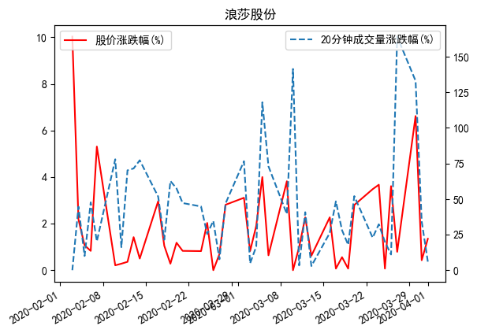
日期 | 名称 | 股价涨跌幅(%) | 20分钟成交量涨跌幅(%)
2020-04-01 | 浪莎股份 | -1.35 | -6.0122837663
2020-03-31 | 浪莎股份 | -0.43 | -34.20107462
2020-03-30 | 浪莎股份 | -6.62 | 133.06419286
2020-03-27 | 浪莎股份 | -0.79 | 164.14411152
2020-03-26 | 浪莎股份 | 3.61 | -11.012916383
2020-03-25 | 浪莎股份 | 0.07 | 19.945355191
2020-03-24 | 浪莎股份 | 3.67 | -32.28707459
2020-03-23 | 浪莎股份 | -3.48 | -22.857243592
2020-03-20 | 浪莎股份 | 2.8 | -52.066292817
2020-03-19 | 浪莎股份 | 0.07 | -17.840459295
2020-03-18 | 浪莎股份 | 0.56 | -28.114086147
2020-03-17 | 浪莎股份 | -0.07 | 48.408326247
2020-03-16 | 浪莎股份 | -2.27 | -26.177053177
2020-03-13 | 浪莎股份 | -0.62 | -2.9238497958
2020-03-12 | 浪莎股份 | -2.27 | -40.746296644
2020-03-11 | 浪莎股份 | -0.99 | 3.3566221142
2020-03-10 | 浪莎股份 | 0 | 141.40229795
2020-03-09 | 浪莎股份 | -3.82 | 39.482108846
2020-03-06 | 浪莎股份 | 0.64 | 72.981189436
2020-03-05 | 浪莎股份 | 4 | 118.01659423
2020-03-04 | 浪莎股份 | 1.9 | -16.591966534
2020-03-03 | 浪莎股份 | 0.82 | 4.8063809563
2020-03-02 | 浪莎股份 | 3.11 | 76.611531921
2020-02-28 | 浪莎股份 | -2.81 | -46.923419232
2020-02-27 | 浪莎股份 | 0.69 | -7.6964634501
2020-02-26 | 浪莎股份 | 0 | -34.664104132
2020-02-25 | 浪莎股份 | -2.03 | -25.413588361
2020-02-24 | 浪莎股份 | 0.82 | -44.783123963
2020-02-21 | 浪莎股份 | 0.83 | -47.193990278
2020-02-20 | 浪莎股份 | 1.18 | -57.465648855
2020-02-19 | 浪莎股份 | -0.28 | -62.677793523
2020-02-18 | 浪莎股份 | 1.05 | -21.409272668
2020-02-17 | 浪莎股份 | 2.96 | 51.76361744
2020-02-14 | 浪莎股份 | -0.5 | -77.260531258
2020-02-13 | 浪莎股份 | -1.42 | -71.521724209
2020-02-12 | 浪莎股份 | 0.36 | -70.172951517
2020-02-11 | 浪莎股份 | -0.28 | 16.168458254
2020-02-10 | 浪莎股份 | 0.21 | 77.913135593
2020-02-07 | 浪莎股份 | 5.31 | -20.253482244
2020-02-06 | 浪莎股份 | 0.83 | -47.685876381
2020-02-05 | 浪莎股份 | 1.07 | -9.9793885263
2020-02-04 | 浪莎股份 | 2.18 | 44.63803681
2020-02-03 | 浪莎股份 | -10.03 | 0

