#以#开头的表示不导出
服务端配置名 | LangConfig.lua |  | 客户端配置名 | LangConfig.json |  |  | 这两行的格式只能如此，不可随意插入列或行
key数量 | 1 |  | 特殊格式（1表示竖状） |  |  |  | 这两行的格式只能如此，不可随意插入列或行

id | 值 | 值1 | 值2 | val3 | val3 | 要多少列数据就配置多少列 | 这几行后面不能有非导出数据
id | value | value1 | value2 | value3 | value3 | 要多少列数据就配置多少列 | 这几行后面不能有非导出数据
number | string | array | object | number[] | number[][] | 要多少列数据就配置多少列 | 这几行后面不能有非导出数据
SC | C | C | SC | CS | CS | 要多少列数据就配置多少列 | 这几行后面不能有非导出数据
1 | 你好xxx | [1,2,3,4,5] | {"name":"jim","age":22,"work":[12,13,"ted","walk"]} | [1,2,3,4,5] | [[11],[1],[2]] |  | 下面这些行后面随意添加非导出数据的说明
2 | 你好xxx | ["a","b","c"] | {"name":"jim","age":22,"work":[12,14,"ted","walk"]} | [1,2,3,4,5] | [[11],[1],[2]]
3 | 你好xxx | [[1,2],[2,3],["aaa","bbb"]] | {"name":"jim","age":22,"work":[12,15,"ted","walk"]} | [1,2,3,4,5] | [[11],[1],[2]]
4 | 你好xxx | [1,2,[12,13,"aaa"],"abac","eds"] | {"name":"jim","age":22,"work":[12,16,"ted","walk"]} | [] | []

 |  |  |  |  | 同理string[],string[][]

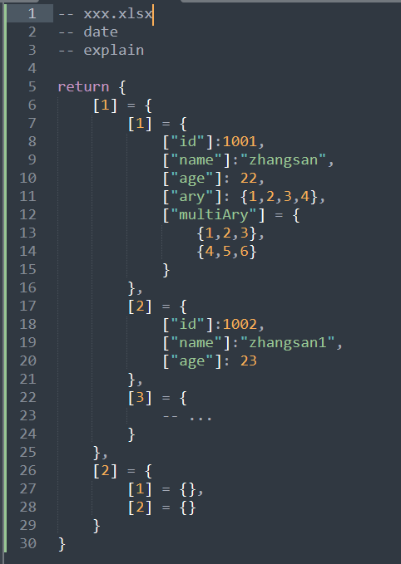
参数名 | 数据类型 | 导出格式 | 数据 | 竖状导出格式，固定4列
key | type | outputType | value
string | string | string | string
CS | CS | CS | CS

