关卡
服务端配置名 |  |  | 客户端配置名 | LevelConfig.json
key数量 | 1 |  | 特殊格式（1表示竖状）

关卡 | 闯关时间 | 牌类型 | 字牌（风牌和箭牌） | 布局[行,列]
level | time | cardType | fengType | layout
number | number | array | array | array
C | C | C | C | C
1 | 180 | [1,2] | [5,6] | [8,10]
2 | 180 | [1,2] | [5,6] | [8,10]
3 | 180 | [1,2] | [5,6] | [8,10]
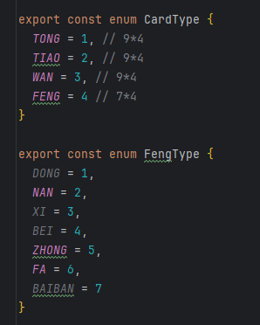
4 | 180 | [1,2] | [6,7] | [8,10]
5 | 180 | [1,2] | [6,7] | [8,10]
6 | 180 | [2,3] | [6,7] | [8,10]
7 | 180 | [2,3] | [5,6] | [8,10]
8 | 180 | [2,3] | [5,6] | [8,10]
9 | 180 | [2,3] | [5,6] | [8,10]
10 | 180 | [2,3] | [6,7] | [8,10]
11 | 150 | [1,3] | [6,7] | [8,10]
12 | 150 | [1,3] | [6,7] | [8,10]
13 | 150 | [1,3] | [1,3] | [8,10]
14 | 150 | [1,3] | [1,3] | [8,10]
15 | 150 | [1,3] | [1,3] | [8,10]
16 | 150 | [2,3] | [2,4] | [8,10]
17 | 150 | [2,3] | [2,4] | [8,10]
18 | 150 | [2,3] | [2,4] | [8,10]
19 | 150 | [2,3] | [1,3] | [8,10]
20 | 150 | [2,3] | [1,3] | [8,10]
21 | 120 | [1,2] | [1,3] | [8,10]
22 | 120 | [1,2] | [2,4] | [8,10]
23 | 120 | [2,3] | [2,4] | [8,10]
24 | 120 | [2,3] | [2,4] | [8,10]
25 | 120 | [1,3] | [5,6] | [8,10]
26 | 120 | [1,3] | [5,6] | [8,10]
27 | 120 | [2,3] | [5,6] | [8,10]
28 | 120 | [2,3] | [6,7] | [8,10]
29 | 120 | [1,2] | [6,7] | [8,10]
30 | 120 | [2,3] | [6,7] | [8,10]
31 | 120 | [1,3] | [5,7] | [8,10]
32 | 120 | [2,3] | [6,7] | [8,10]
33 | 120 | [1,2] | [5,7] | [8,10]

牌资源
服务端配置名 |  | 客户端配置名 | CardConfig.json
key数量 | 1 | 特殊格式（1表示竖状）

card | res
card | res
number | string
C | C
1 | tong
2 | tiao
3 | wan
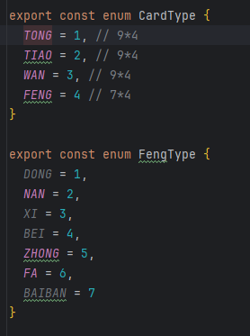
4 | feng

