电源上电时序
1.BOOST上电时序控制：
VCC0_28V比VCC2_34V上电，间隔100ms左右；
2.功放控制信号上电时序如下图所示：
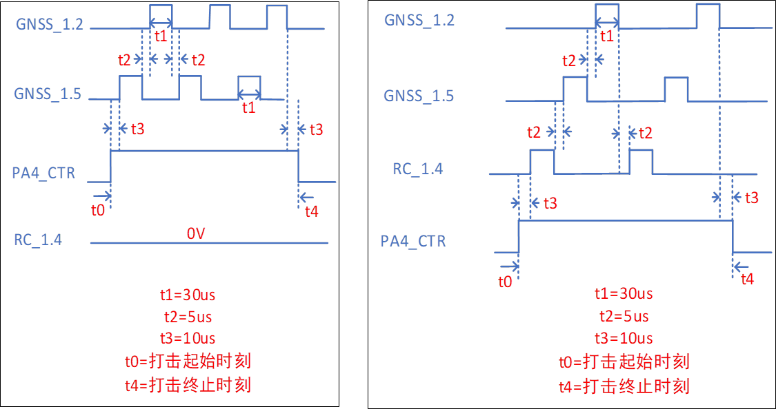
 | 控制信号类型 | 功放频段 | 控制信号类型 |  | 控制逻辑
 |  |  | VCO控制 | 功放电源控制
 |  | 4-6G | PA1_CTR |  | 3.3V-开 0V-关
 |  | 800/900M | PA2_CTR
 |  | 2.4G | PA3_CTR
 |  | 1.1~1.7G | GNSS_1.2 | PA4_CTR | 1、纯GNSS打击模式时，GNSS_1.2和GNSS_1.5按照图1时序切换，RC_1.4常关 2、单独选择1.4G打击时，RC_1.4常开，GNSS_1.2和GNSS_1.5常关 3、同时选择GNSS和1.4G打击时，三个控制信号按照图2时序切换 4、任意模式打击时PA4_CTR常开
 |  |  | GNSS_1.5

 |  |  | RC_1.4

 |  | 引脚定义 |  | 备注
 | 电源连接器1 | PA1_CTR | GND | 4-6G功放与800/900M功放在同一块PCB
 |  | PA2_CTR | GND
 |  | +28V | GND
 |  | +28V | GND
 |  | +34V | GND
 |  | +34V | GND
 | 电源连接器2 | PA1_CTR | +28V | 2.4G功放与1.1-1.7G功放在同一块PCB
 |  | PA2_CTR | +28V
 |  | GNSS_1.2 | GND
 |  | GNSS_1.5 | GND
 |  | RC_1.4 | GND
 |  | +28V | GND

