Sheet1
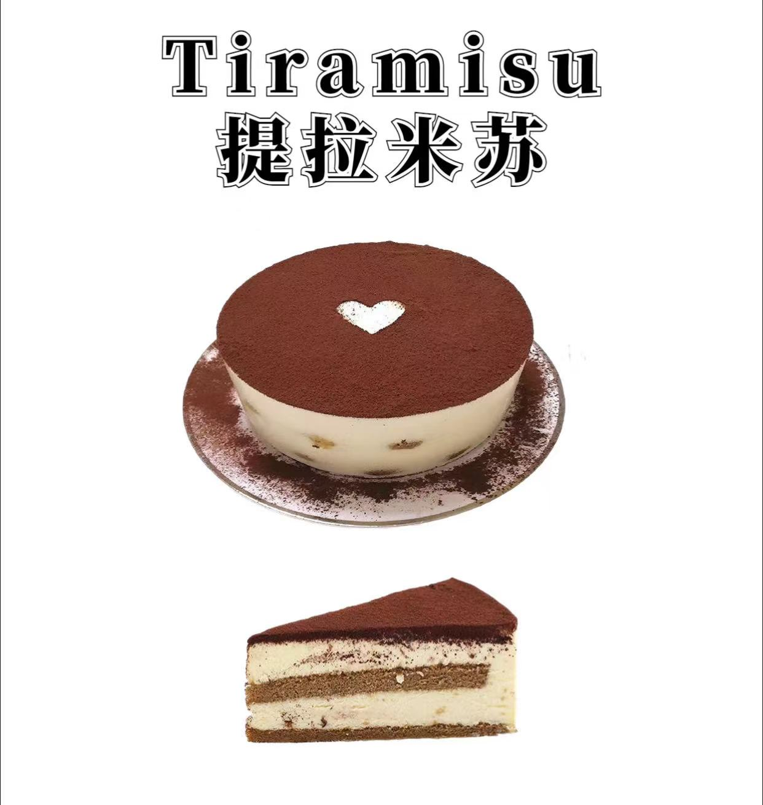
Simplified Chinese | Mandarin Pinyin | Traditional Chinese | Cantonese Pinyin | 又读(Synonym) | Term | IPA | Origin | English Definition | Chinese Definition | English Ingredients | Chinese Ingredients | Energy（卡/100克） | English Example | Chinese Example | Reference | Picture
提拉米苏 | tí lā mǐ sū | 提拉米蘇 | tai4 la1 mai5 sou1 | 公爵的甜羹 | Tiramisu | UK/ti'rɑ:misju:/ US/ˌtɪrəˈmisu/ | 意大利 | Tiramisu, meaning "pick me up", "cheer me up","wake me up" or "lift me up" is a popular coffee-flavored Italian dessert. The recipe has been adapted into many varieties of cakes and other desserts. | 提拉米苏是一种带咖啡酒味儿的意大利甜点。吃到嘴里香、滑、甜、腻、柔和中带有质感的变化，味道并不是一味的甜。 | Cheese, egg cream, water, caster sugar, egg yolks, coffee wine, Gelatine slices, finger biscuits | 奶酪，蛋奶油，水，细砂糖，蛋黄，咖啡酒，吉利丁片，手指饼干 | 244 | After the coffee, I'm going to add in some vanilla extract because I also think that’s an important flavor in tiramisu and cheesecake in general. | 你尝过季诺餐厅的提拉米苏吗？ | 欧路词典，中文译音转换系统，维基词典，维基百科，薄荷健康，reverso
巴斯克 | bā sī kè | 巴斯克 | baa1 si1 haak1 | 烤焦的起司蛋糕 | (Gâteau) Basque | UK/bæsk/ US/bæsk/ | 法国 | The origins of Gâteau Basque are tied strongly with the town of Cambo-les-Bains, Labourd. It may have originally been made with bread and called bistochak in the 18th century. | 巴斯克蛋糕的焦皮是这款蛋糕最大的亮点。在巴斯克的故乡，人们将其佐酒，无论是白葡萄酒，红葡萄酒，威士忌，都可以搭配，或者配上茶和咖啡都是下午茶很好的选择。 | Cream cheese, light cream, caster sugar, eggs, cornstarch, vanilla extract, water | 奶油奶酪，淡奶油，细砂糖，鸡蛋，玉米淀粉，香草精，水 | 370 | They are cooking traditional Basque food. | 您可以很轻松地在那里找到巴斯克奶酪、应季水果及蔬菜、刚刚捕捞的新鲜海鱼，当然，还有各种著名的巴斯克蛋糕等您品鉴。 | 欧路词典，中文译音转换系统，维基词典，维基百科，薄荷健康，reverso | 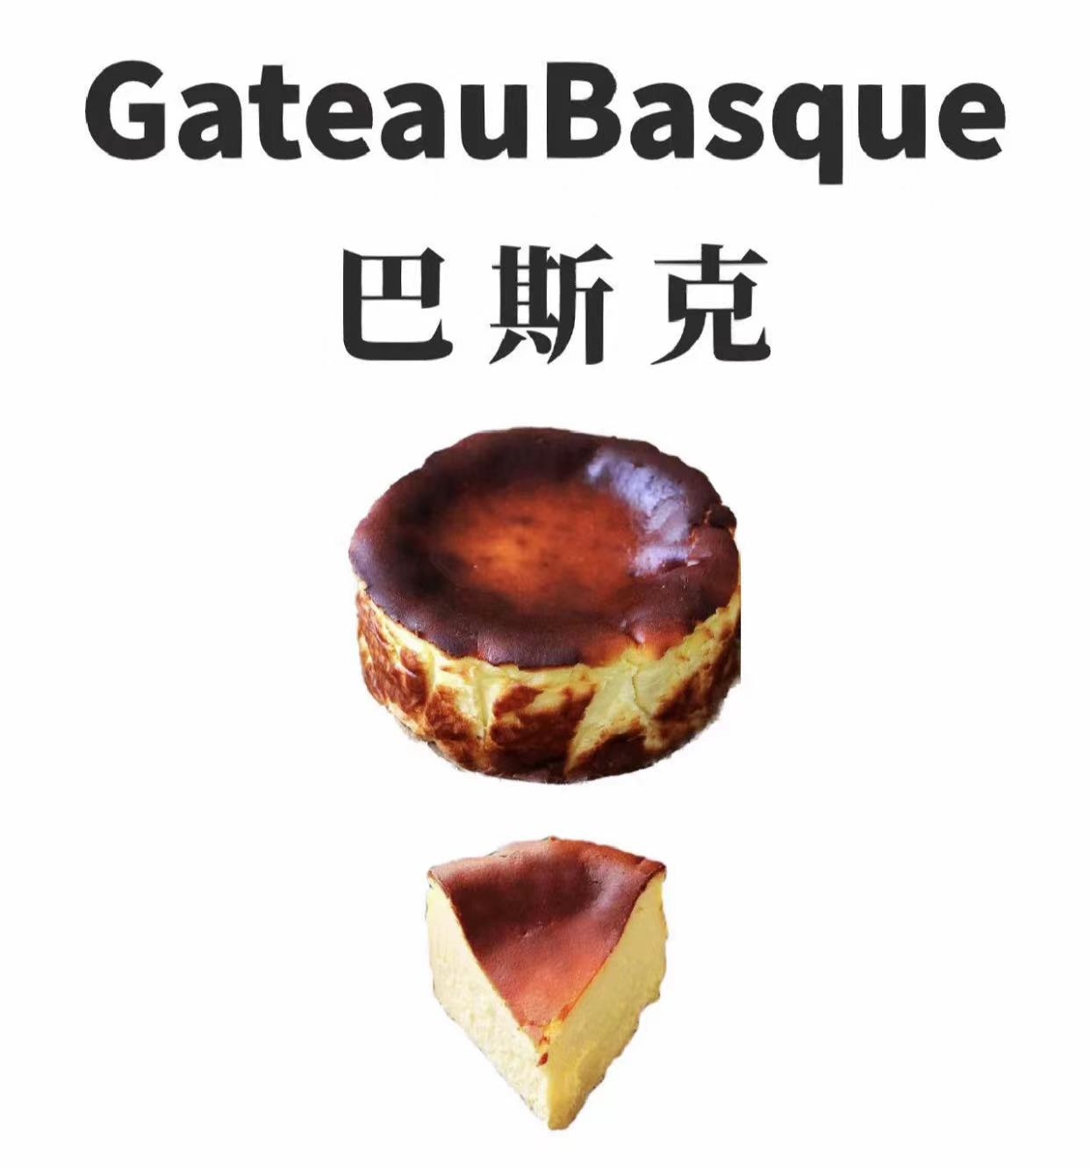
布朗尼 | bù lǎng ní | 布朗尼 | bou3 long5 nei4 | 软糖糕 | Brownie | UK/'braʊnɪ/ US/'braʊni/ | 美国 | A chocolate brownie, or simply a brownie, is a chocolate baked confection. Brownies come in a variety of forms and may be either fudgy or cakey, depending on their density. The brownie was developed in the United States at the end of the 19th century and popularized there during the first half of the 20th century. | 布朗尼蛋糕制作简单，口味浓郁。布朗尼通常配以咖啡牛奶，外层有饼干的松脆，里面又有蛋糕的松软，浓郁的巧克力味让人无比满足。美式经典布朗尼蛋糕是做法顶简单的蛋糕之一。 | Eggs, butter, dark chocolate, cocoa powder, gluten flour, water, animal cream, granulated sugar, baking soda | 鸡蛋，黄油，黑巧克力，可可粉，低筋面粉，水，动物奶油，白砂糖，小苏打 | 350 | It has the texture of the brownie. | 1893 在Bertha Palmer的指导下，第一块美式布朗尼在帕尔玛希尔顿酒店的厨房中诞生，并于哥伦比亚世界博览会上亮相。 | 欧路词典，中文译音转换系统，维基词典，维基百科，薄荷健康，reverso | 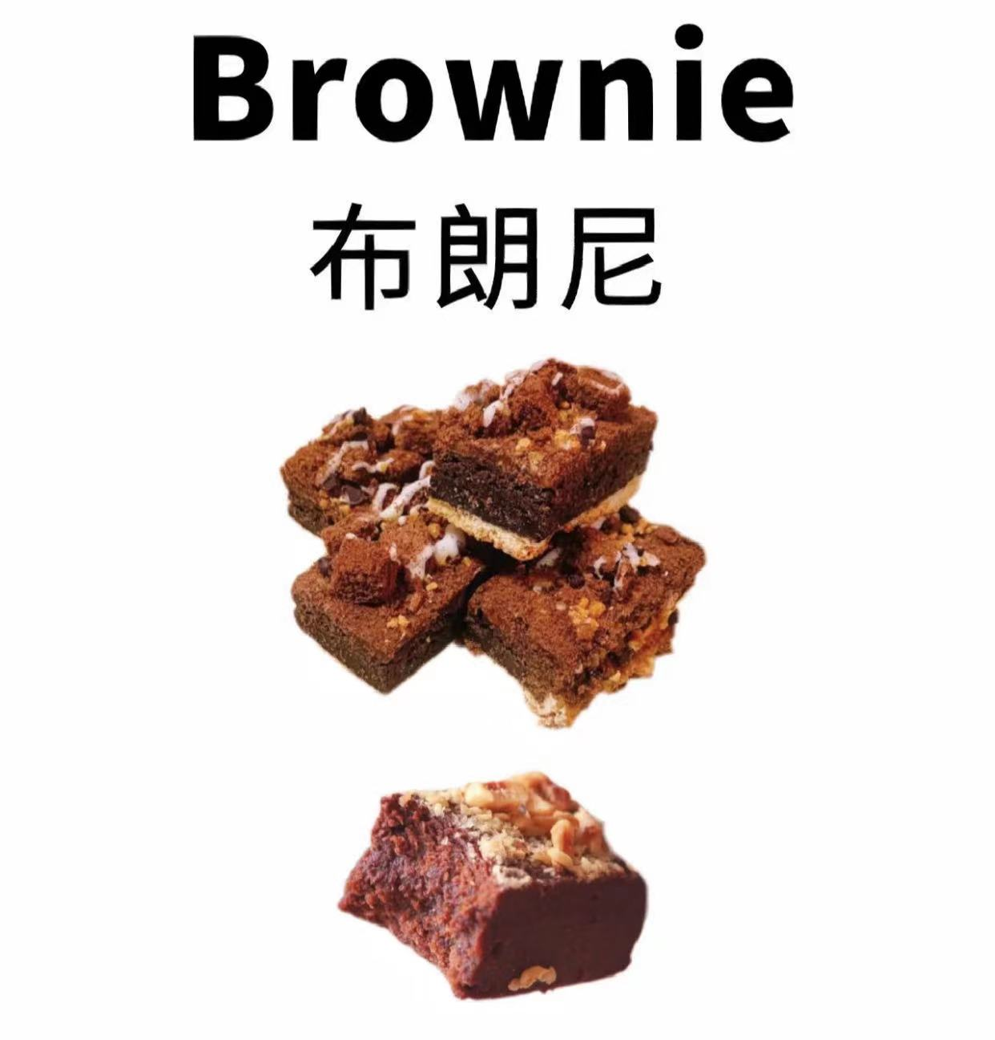
舒芙蕾 | shū fú lěi | 舒芙蕾 | syu1 fu4 leoi4 | 梳乎厘，蛋奶酥 | Soufflé | /'suːf(ə)l/ | 法国 | A soufflé is a baked egg-based dish which originated in early eighteenth century France. The word soufflé is the past participle of the French verb souffler which means "to breathe" or "to puff". | 舒芙蕾起源于中世纪的法国，是一款经典美味的法式甜点。刚出炉的舒芙蕾，拥有着云朵般蓬松的造型，轻盈绵密湿润的口感，但是遇到空气后，它蓬松的蛋糕体就会迅速塌陷，正如昙花一现，它的最佳赏味时限只有刚出炉的几分钟。 | Milk, butter, gluten flour, eggs, sugar | 牛奶，黄油，低筋面粉，鸡蛋，糖 | 250 | I'm anxious. If my French isn't good enough to convey a two-line address, it certainly won't sustain a soufflé lesson. | 提到法国甜品，自然会想到精致甜蜜的马卡龙，浪漫柔软的舒芙蕾，细腻酥脆的拿破仑酥。 | 欧路词典，中文译音转换系统，维基词典，维基百科，薄荷健康，reverso | 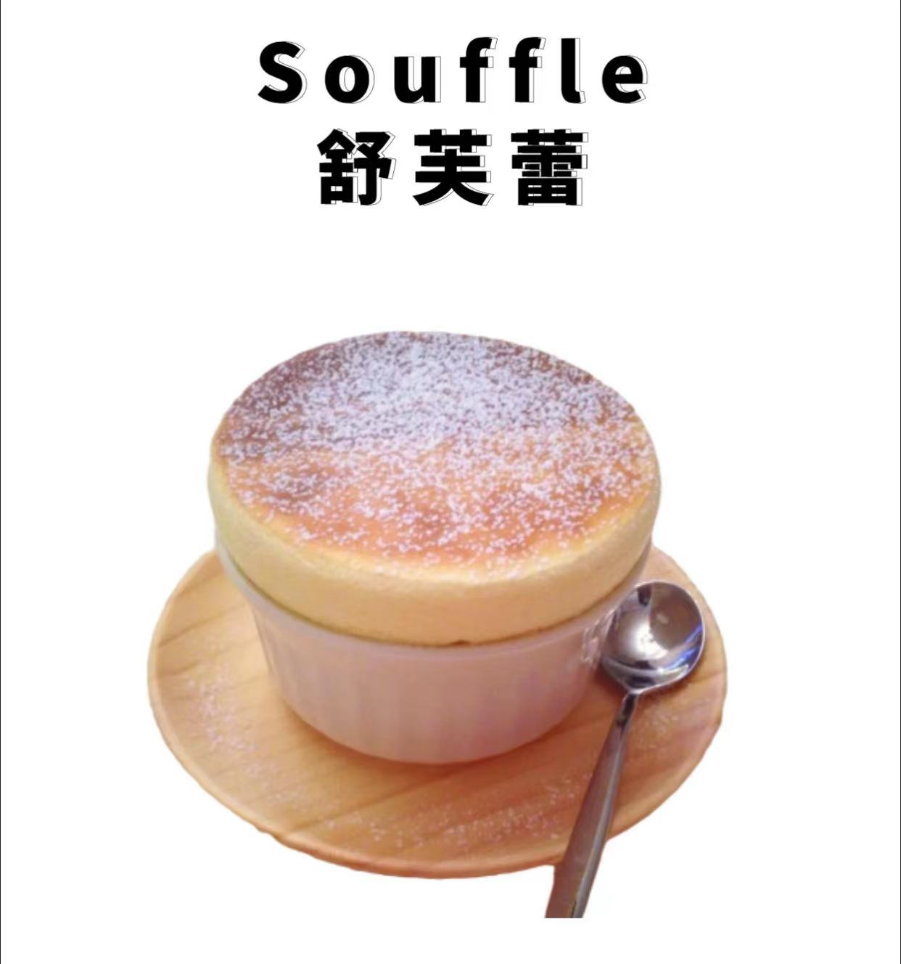
马卡龙 | mǎ kǎ lóng | 馬卡龍 | maa5 kaa1 lung4 | 玛卡龙,法式小圆饼,少女的酥胸 | Macaron | /makaʁɔ̃/ （法） | 法国 | It is a French sweet meringue-based confection, commonly filled with ganache, buttercream or jam filling sandwiched between two cookies. The name is derived from the Italian word macarone, maccarone or maccherone, the meringue. | 马卡龙源自法国，是夹有水果酱或奶油的法式浪漫甜点。马卡龙层次感分明，口感丰富，外脆内柔，外观五彩缤纷，精致小巧。马卡龙历史上曾是贵族食物，是奢华的象征。但随着历史的发展，马卡龙渐渐进入寻常百姓家。 | Almond flour, powdered sugar, egg whites, white sugar | 杏仁粉，糖粉，蛋白，白糖 | 364 | From the minute these four women walk into the garden at the Four Seasons Beverly Hills for tea and tiny macarons, it's obvious they really like one another. | 从法式千层酥到马卡龙，如果你对甜点和甜点充满热情，你可能非常想知道如何才能开一家属于自己的甜点铺或甜点店 。 | 欧路词典，中文译音转换系统，维基词典，维基百科，薄荷健康，reverso | 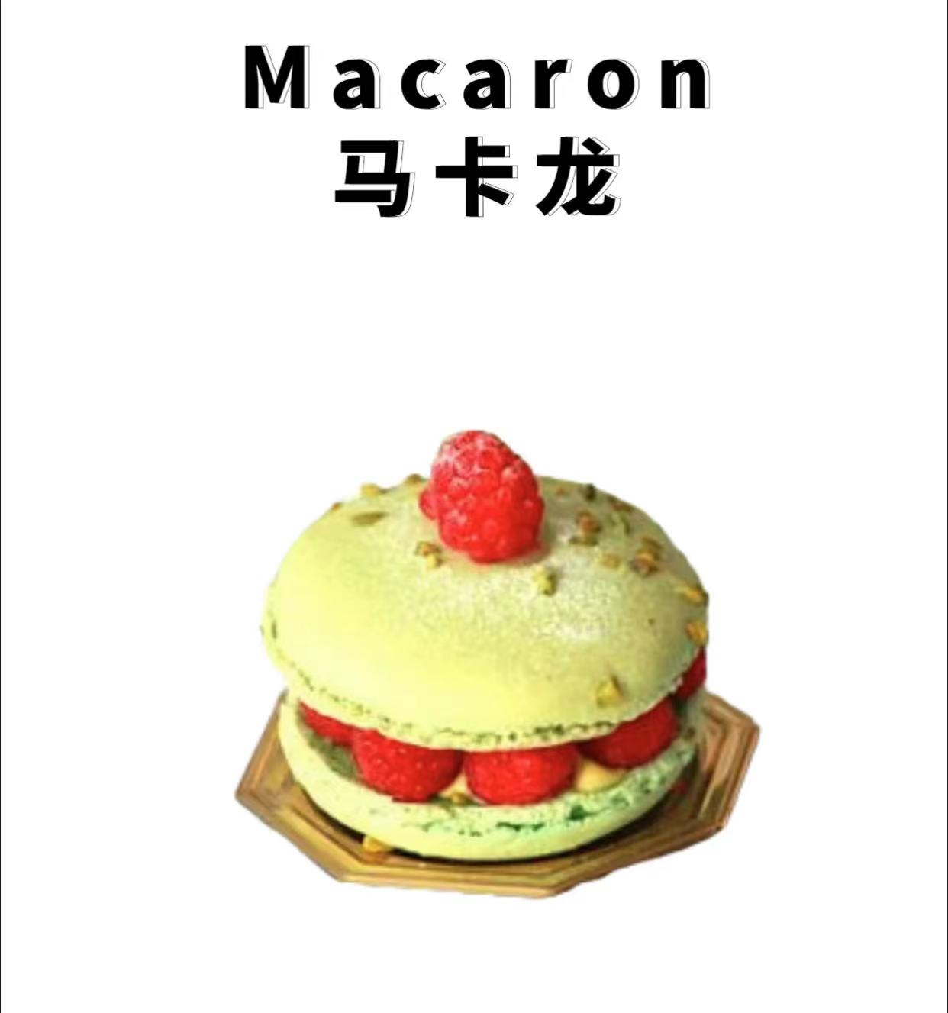
玛德琳 | mǎ dé lín | 瑪德琳 | maa5 dak1 lam4 | 马德莲，贝壳蛋糕 | Madeleine | UK/ˈmædəlin/ US/ˈmædəˌlɛn/ | 法国 | A madeleine is a traditional small cake with a distinctive shell-like shape from Commercy and Liverdun in northeastern France，baked in common pans with shell-shaped depressions. Madeleine-style cookies are popular in a number of culinary traditions. | 玛德琳是一种非常小的海绵蛋糕，起源于1730年的法国，是法国传统家庭风味小甜点，因在有贝壳状凹槽的平底锅中烘烤后，形成了独特的贝壳状形状，又称作贝壳蛋糕，常作为招待客人或家庭自享的小糕点，是法国文化的象征，常搭配咖啡或茶。 | Lemon zest, baking powder, butter, egg, caster sugar | 柠檬皮屑，泡打粉，黄油，鸡蛋，细砂糖 | 553 | He described how tasting a madeleine cake he had not eaten since childhood triggered a cascade of warm and powerful sensory associations. | 咬一口玛德琳蛋糕来冲淡那味道。 | 欧路词典，中文译音转换系统，维基词典，维基百科，薄荷健康，reverso | 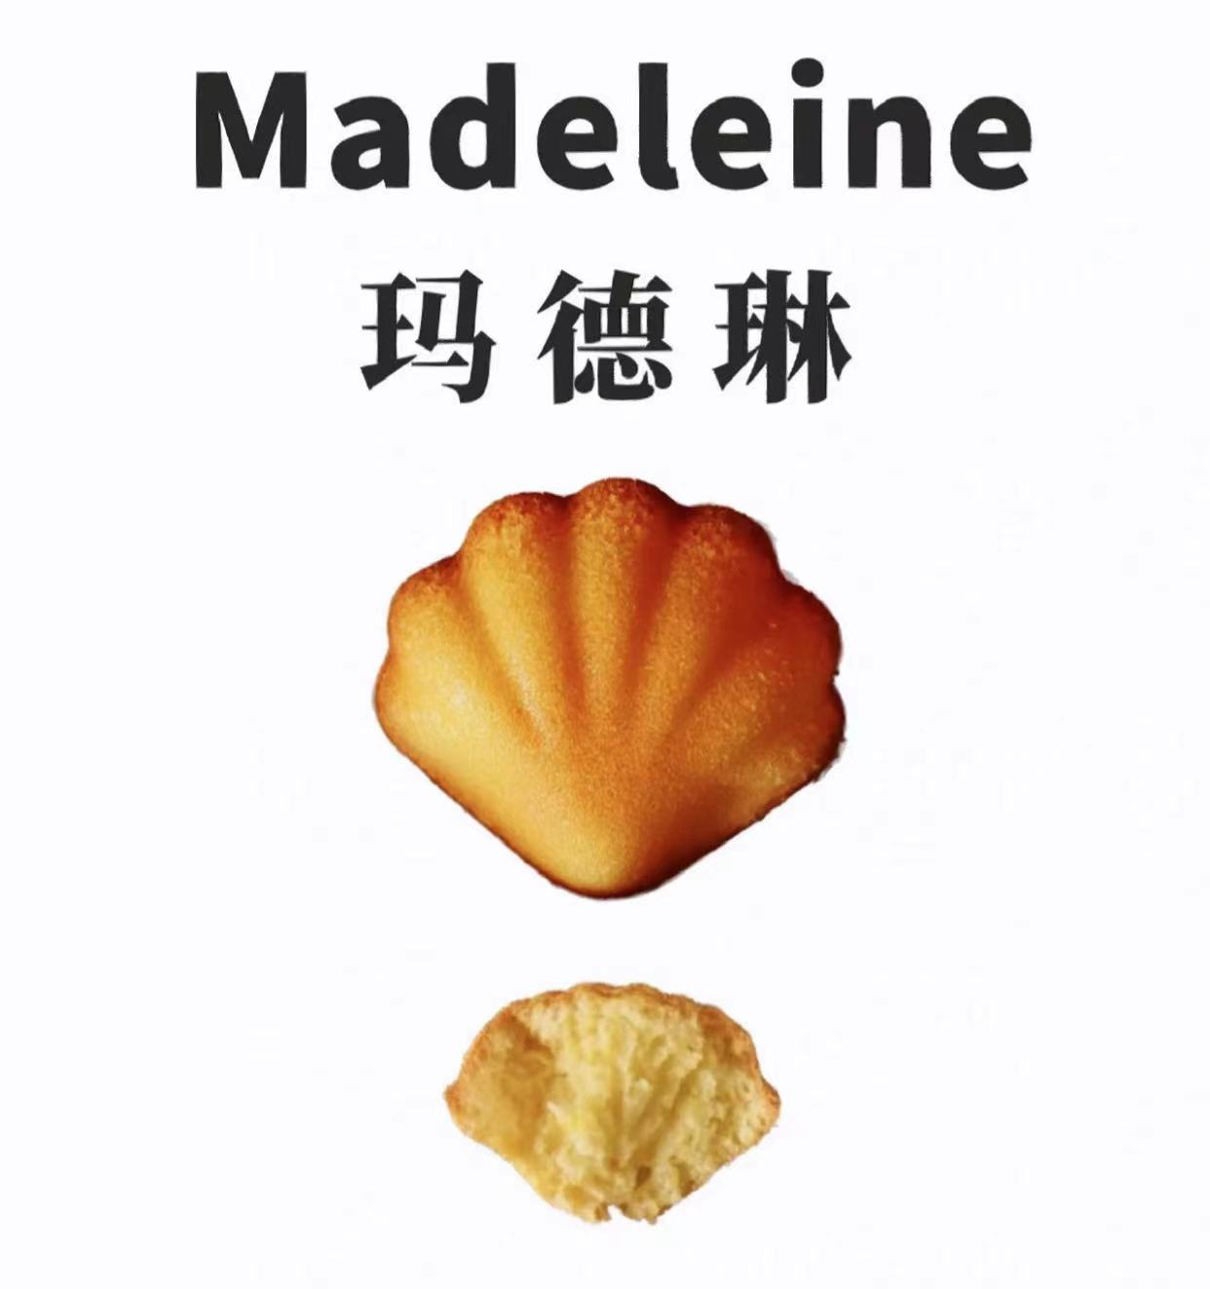
拿破仑 | ná pò lún | 拿破崙 | naa4 po3 leon4 | 千层酥 | Mille-feuille | /ˌmi:l'fə:j/ | 法国 | The mille-feuille, also known as the Napoleon, is a French pastry whose exact origin is unknown. Its modern form was influenced by improvements of Marie-Antoine Carême. | 法国经典甜品拿破仑蛋糕由多层酥皮夹以吉士组合而成，口感集松化及嫩滑于一身。拿破仑蛋糕的材料虽然简单，但是制法相当考验制作者的手艺。要将松化的酥皮夹上幼滑的吉士，同时又要保持酥皮千身，以免影响香脆的口感。 | Flour, salt, butter, water, cornstarch, vanilla sugar, egg yolks, powdered sugar, fruit | 面粉，盐，黄油，水，玉米淀粉，香草糖，蛋黄，糖粉，水果 | 556 | The banana and chocolate mille-feuille was gooey and moreish. | 在古典风格的艾克伯利咖啡馆，您能够品尝到最受顾客们喜爱的拿破仑蛋糕。不少当地人也会选择在那里碰面，享用一顿自助早餐。 | 欧路词典，中文译音转换系统，维基词典，维基百科，薄荷健康，reverso | 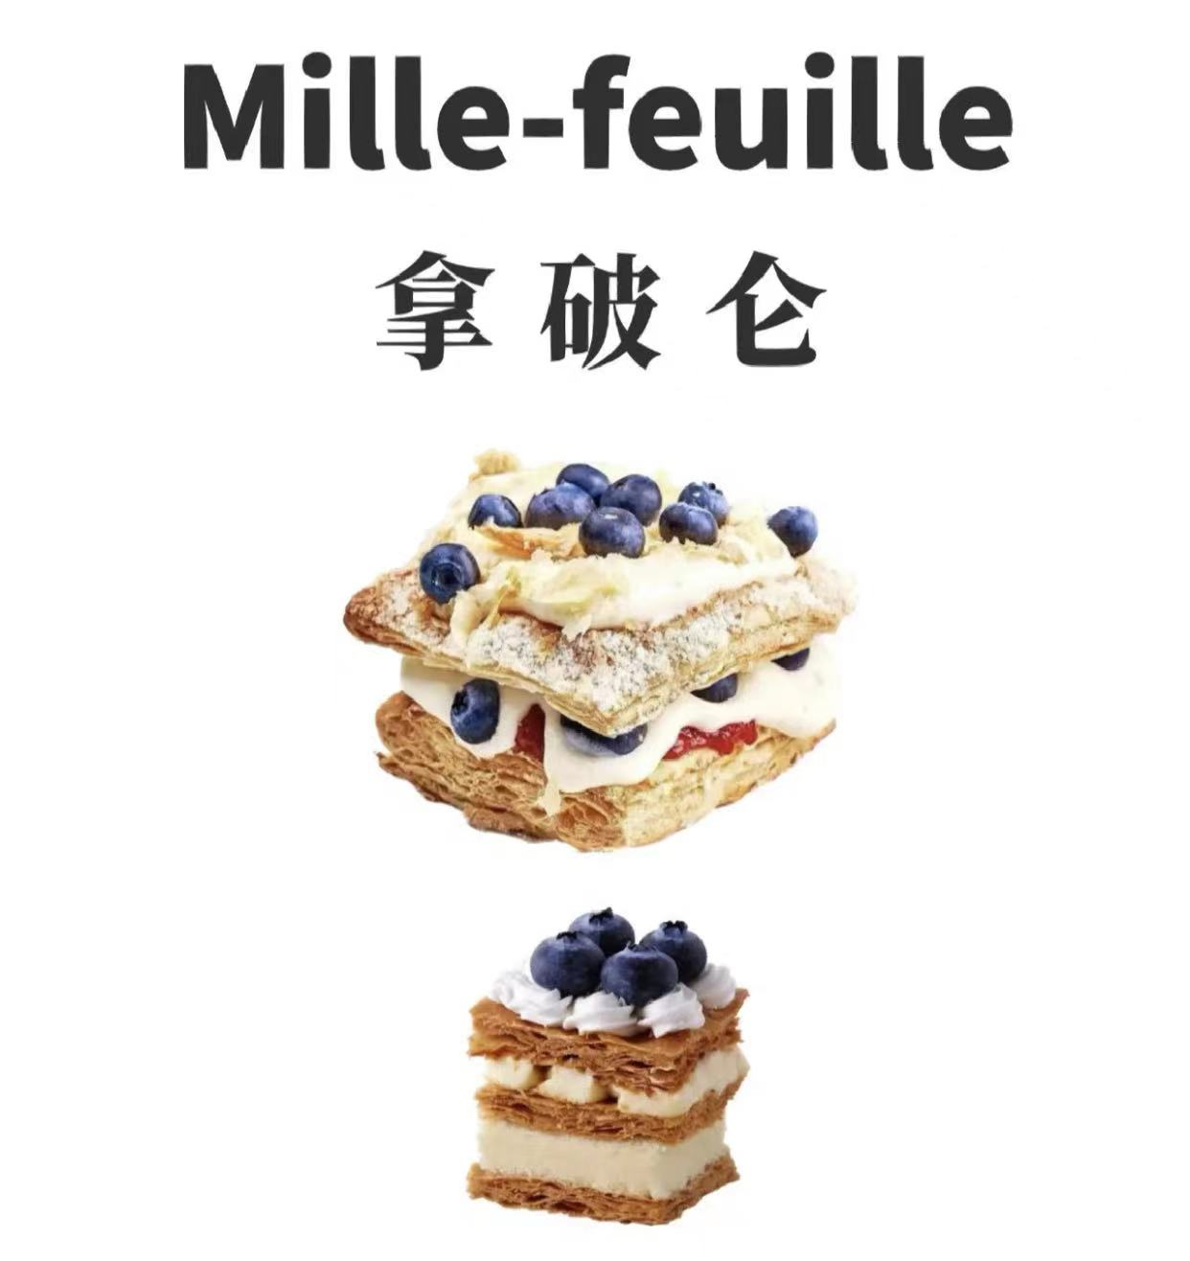
华夫饼 | huá fū bǐng | 華夫餅 | faa1 fu1 beng2 | 窝夫，格仔饼 | Waffle | UK/'wɒf(ə)l/ US/'wɑfl/ | 比利时 | A waffle is a leavened batter or dough cooked between two plates. Waffles are eaten throughout the world, particularly in Belgium, which has over a dozen regional varieties. | 华夫饼是一种源于比利时的烤饼，又叫格子饼、格仔饼，用配有专用烤盘的烤炉制成。因为烤盘中的格子一般都是菱形或方形的，烤出的华夫饼也就有着漂亮的方格。 | Egg whites, egg yolks, gluten flour, milk, sugar, butter | 蛋清，蛋黄，低筋面粉，牛奶，糖，黄油 | 308 | 1.The report is just full of waffle.(n.胡扯）2.The senator was accused of waffling on major issues.(v.拿不定主意） | 每天早上能让我离开被窝的唯一理由就是配着生奶油的比利时华夫饼。 | 欧路词典，中文译音转换系统，维基词典，维基百科，薄荷健康，reverso | 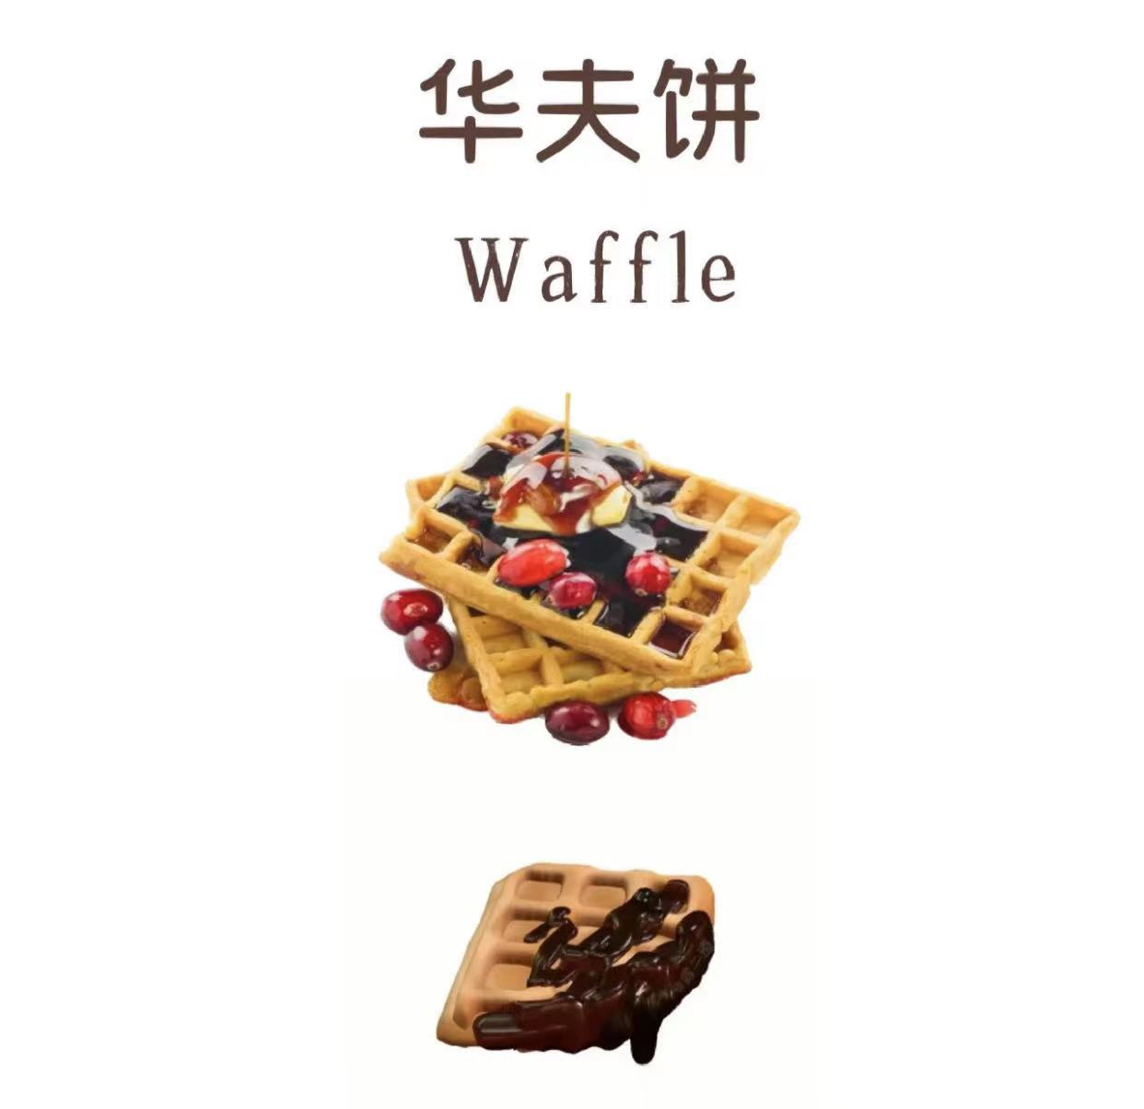
吉事果 | jí shì guǒ | 吉事果 | gat1 si6 gwo2 | 西班牙油条，吉拿棒，喜事果，拉丁果 | Churro | /ˈtʃuro/ （西） | 西班牙 | A churro is a fried-dough pastry, which is popular in Spain, France, the Philippines, Portugal, and the United States. In Spain, churros can have different shapes. They are normally eaten for breakfast dipped in hot chocolate or café con leche. | 吉事果一般指西班牙油条，是一种已有上百年历史的西班牙经典食物。吉事果表皮酥脆，里面软嫩，中间为网格状，不油腻，颜色金黄，冷热皆宜，营养丰富。常佐以冰淇淋或巧克力汁等丰富多样的特色辅料。 | Water, butter, sugar, salt, gluten flour, cornstarch, eggs | 水，黄油，白砂糖，盐，低筋面粉，玉米淀粉，鸡蛋 | 340 | This tastes so much better than any carnival churro that you'll try. | 当然，环顾整个餐厅，您会发现几乎没有人点了除著名的吉事果和巧克力之外的其它点心！ | 欧路词典，中文译音转换系统，维基词典，维基百科，薄荷健康，reverso | 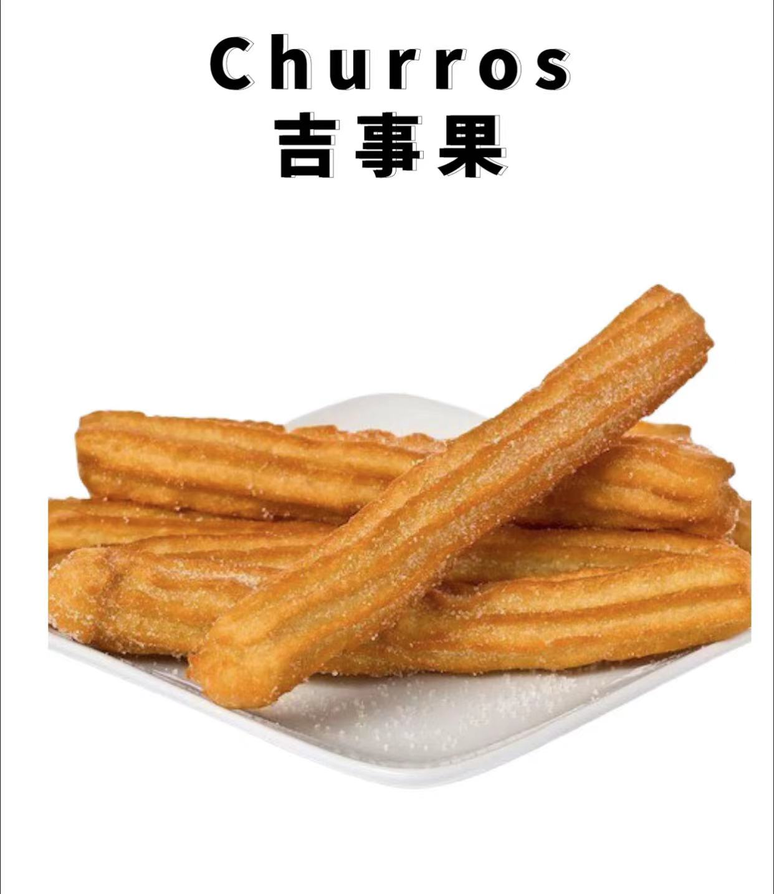
菠萝包 | bō luó bāo | 菠蘿包 | bo1 lo4 baau1 | 菠萝油 | Pineapple bun | UK/'paɪnæp(ə)l/ /bʌn/ US/'paɪn'æpl/ /bʌn/ | 中国香港 | A pineapple bun is a kind of sweet bun predominantly popular in Hong Kong and Macau. It is known in Cantonese as bo lo baau, in which bo lo means "pineapple", and baau refers to a kind of bun-like item in Chinese cuisine. | 菠萝包，是源自香港的一种甜味面包，据说是因为菠萝包经烘焙过后表面金黄色、凹凸的脆皮状似菠萝因而得名，中间夹着牛油的叫菠萝油。菠萝包由于热量、脂肪与胆固醇含量较高，曾被香港专家定为“十大不良零食”。 | Flour, butter, egg mixture, yeast, water, granulated sugar, powdered sugar, salt | 面粉，黄油，鸡蛋液，酵母，水，白砂糖，糖粉，盐 | 394 | Pineapple bun is sometimes criticised for containing too much fat and cholesterol. | 我经常都想知道为甚么菠萝包没有菠萝，但是又称为菠萝包呢？ | 欧路词典，中文译音转换系统，维基词典，维基百科，薄荷健康，reverso | 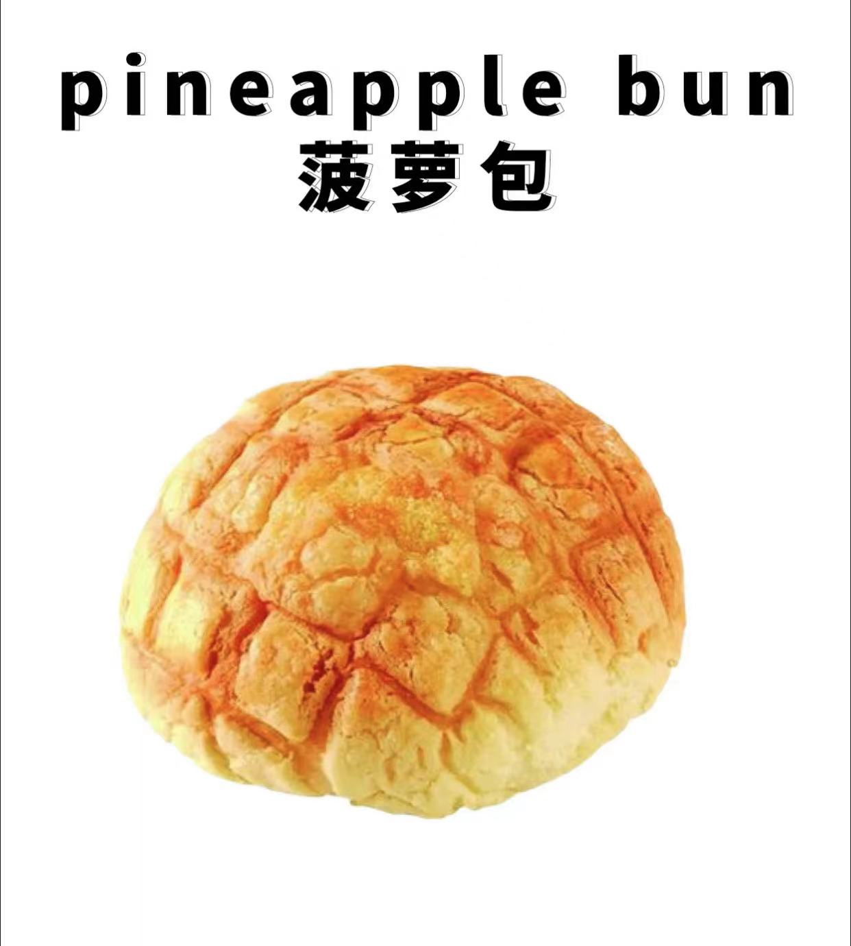
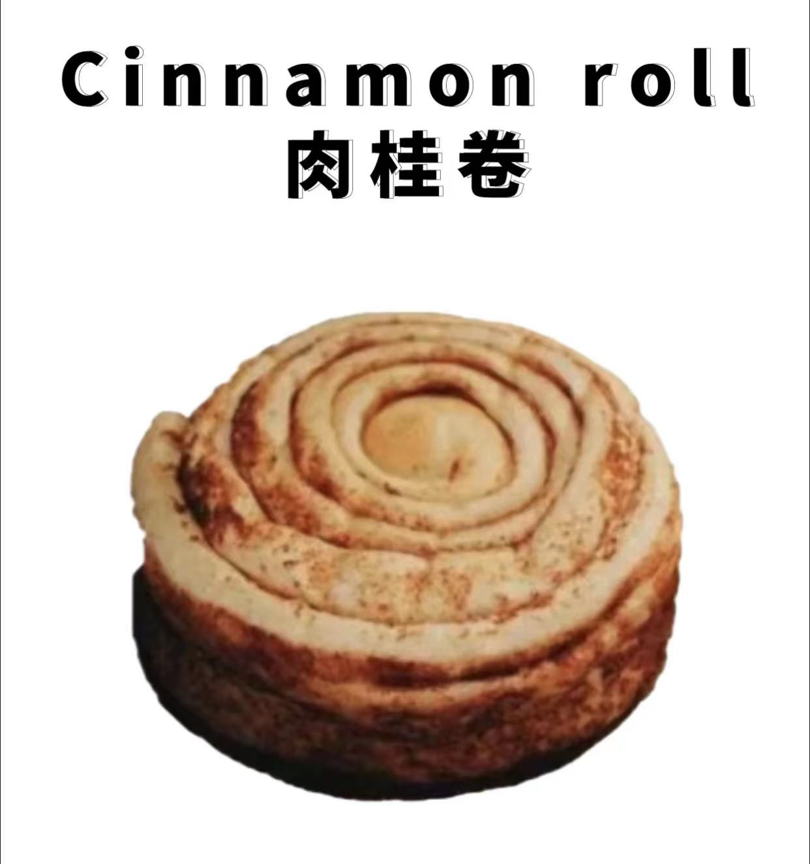
肉桂卷 | ròu guì juǎn | 肉桂捲 | juk6 gwai3 tung2 aa1 | 肉桂蜗牛 | Cinnamon roll | UK/'sɪnəmən/ /rəʊl/ US/'sɪnəmən/ /roʊl/ | 瑞典 | A cinnamon roll is a sweet roll served commonly in Northern Europe and North America. In some places it is eaten as a breakfast food and is often served with cream cheese or icing. | 肉桂卷是在北美和北欧常见的一道点心，常被用来当做早餐。它起源于瑞典，瑞典人还将每年的10月4日定为肉桂卷日，当天人们会放下工作，与家人一起亲手做肉桂卷。 | Strong flour, water, eggs, butter, sugar, yeast, cinnamon powder, salt, milk powder | 高筋面粉，水，鸡蛋，黄油，糖，酵母，肉桂粉，盐，奶粉 | 321 | My favorite breakfast is something sweet, like a cinnamon roll or coffee cake. | 据专业烘焙师介绍，做出完美芬兰肉桂卷的秘诀，在于用足糖和黄油。 | 欧路词典，中文译音转换系统，维基词典，维基百科，薄荷健康，reverso
恰巴塔 | qià bā tǎ | 恰巴塔 | hap1 baa1 taap3 | 拖鞋面包 | Ciabatta | /tʃə'bætə/ | 意大利 | Ciabatta is an Italian white bread made from wheat flour, water, salt, and yeast, created in 1976 by a baker in Verona, Veneto, Italy. Ciabatta is somewhat elongated and is baked in many variations. | 恰巴塔是意大利经典的面包之一，也有人称之为“拖鞋面包”。恰巴塔的面团含水量非常高，在制作中不需要揉，而是通过折叠来完成。出炉后的恰巴塔外皮酥脆内部湿润，成品有浓郁的麦香，和橄榄油香气。 | Flour, yeast, sea salt, water | 面粉，酵母，海盐，水 | 242 | The French have the baguette and Italians have ciabatta. | 相比于法式乡村面包，意大利恰巴塔的个性更鲜明些。 | 欧路词典，中文译音转换系统，维基词典，维基百科，薄荷健康，reverso | 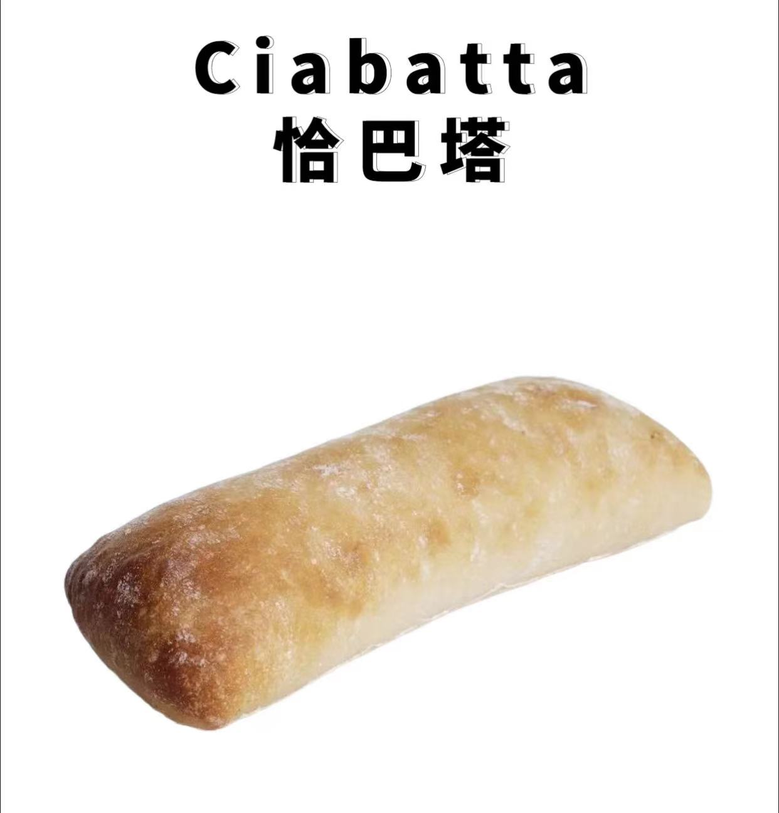
泡芙 | pào fú | 泡芙 | paau1 fu4 | 奶油空心饼 | Puff | UK/pʌf/ US/pʌf/ | 法国 | It is a filled French and Italian choux pastry ball with a typically sweet and moist filling of cream. It may be decorated with chocolate sauce, caramel, or a dusting of powdered sugar. | 泡芙是一种源自法国的球形糕点。常见的泡芙会从蓬松的面皮中包裹鲜奶油、巧克力或冰淇淋。里面包裹的材料是通过注射或者将顶部撕破后灌进面包内。在泡芙的表面还可以撒上糖粉、果冻、水果或者巧克力。 | Gluten flour, eggs, butter, salt, sugar, water | 低筋面粉，鸡蛋，黄油，盐，白糖，水 | 334 | A cream puff is a light and delicate pastry filled with sweet cream. | 法式甜品总是能唤醒人们最浪漫的记忆，但如果你没有尝试过"闪电泡芙"，这份浪漫一定会留下遗憾。 | 欧路词典，中文译音转换系统，维基词典，维基百科，薄荷健康，reverso | 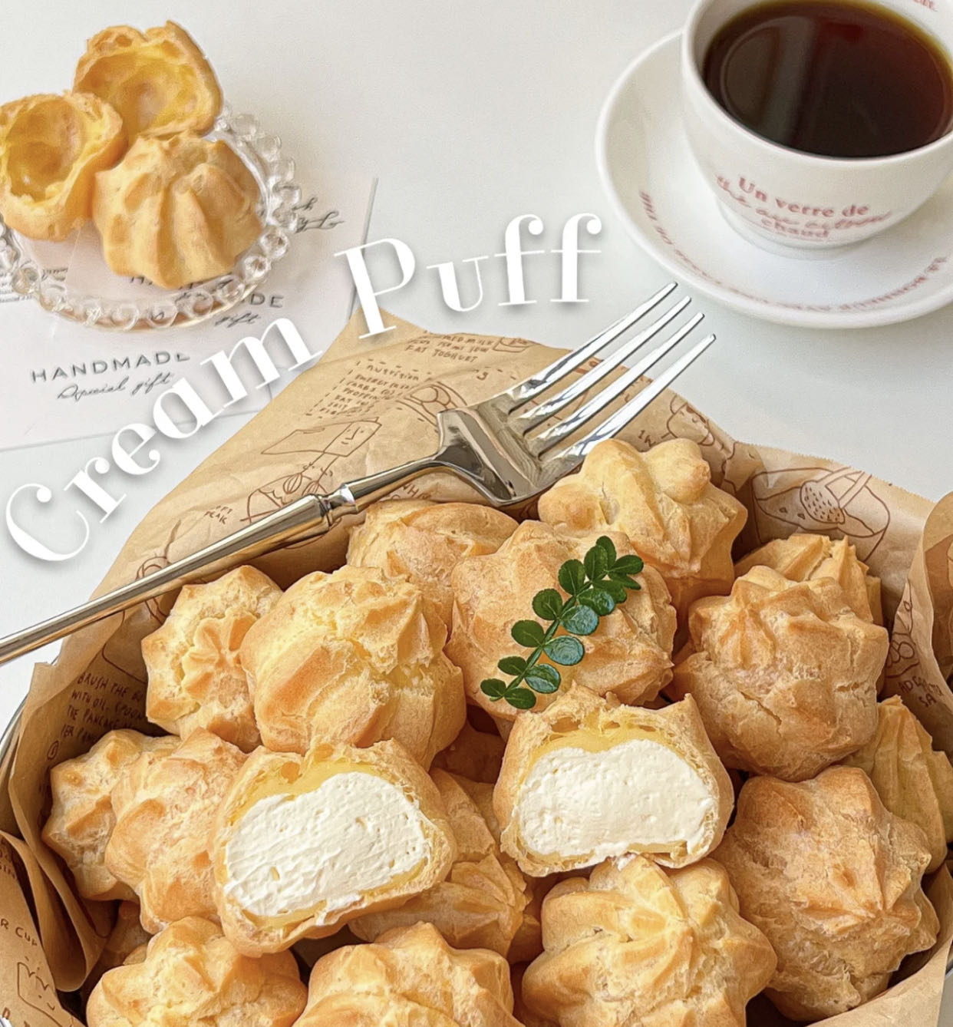
可颂 | kě sòng | 可頌 | hak1 jung4 | 羊角面包，新月面包 | Croissant | UK/krwɑːsɒŋ/ US/krwɑˈsɑŋ/ | 法国 | A croissant is a buttery, flaky, viennoiserie pastry inspired by the shape of the Austrian kipfer. It is rolled and folded several times in succession, then rolled into a thin sheet, in a technique called laminating. The process results in a layered, flaky texture, similar to a puff pastry. | 可颂在法国是非常经典的面包之一，不仅外皮酥脆，内里也十分松软，是法国的早餐标配。芝士、巧克力酱、蓝莓果酱、草莓果酱等各种果酱都可以涂抹在可颂上，吃起来也别有一番风味。 | Flour, milk powder, water, egg yolks, yeast, sugar, butter, salt | 面粉，奶粉，水，蛋黄，酵母，白糖，黄油，盐 | 402 | The store's croissants are imported directly from France. | 我们每天制作新鲜的可颂面包。 | 欧路词典，中文译音转换系统，维基词典，维基百科，薄荷健康，reverso | 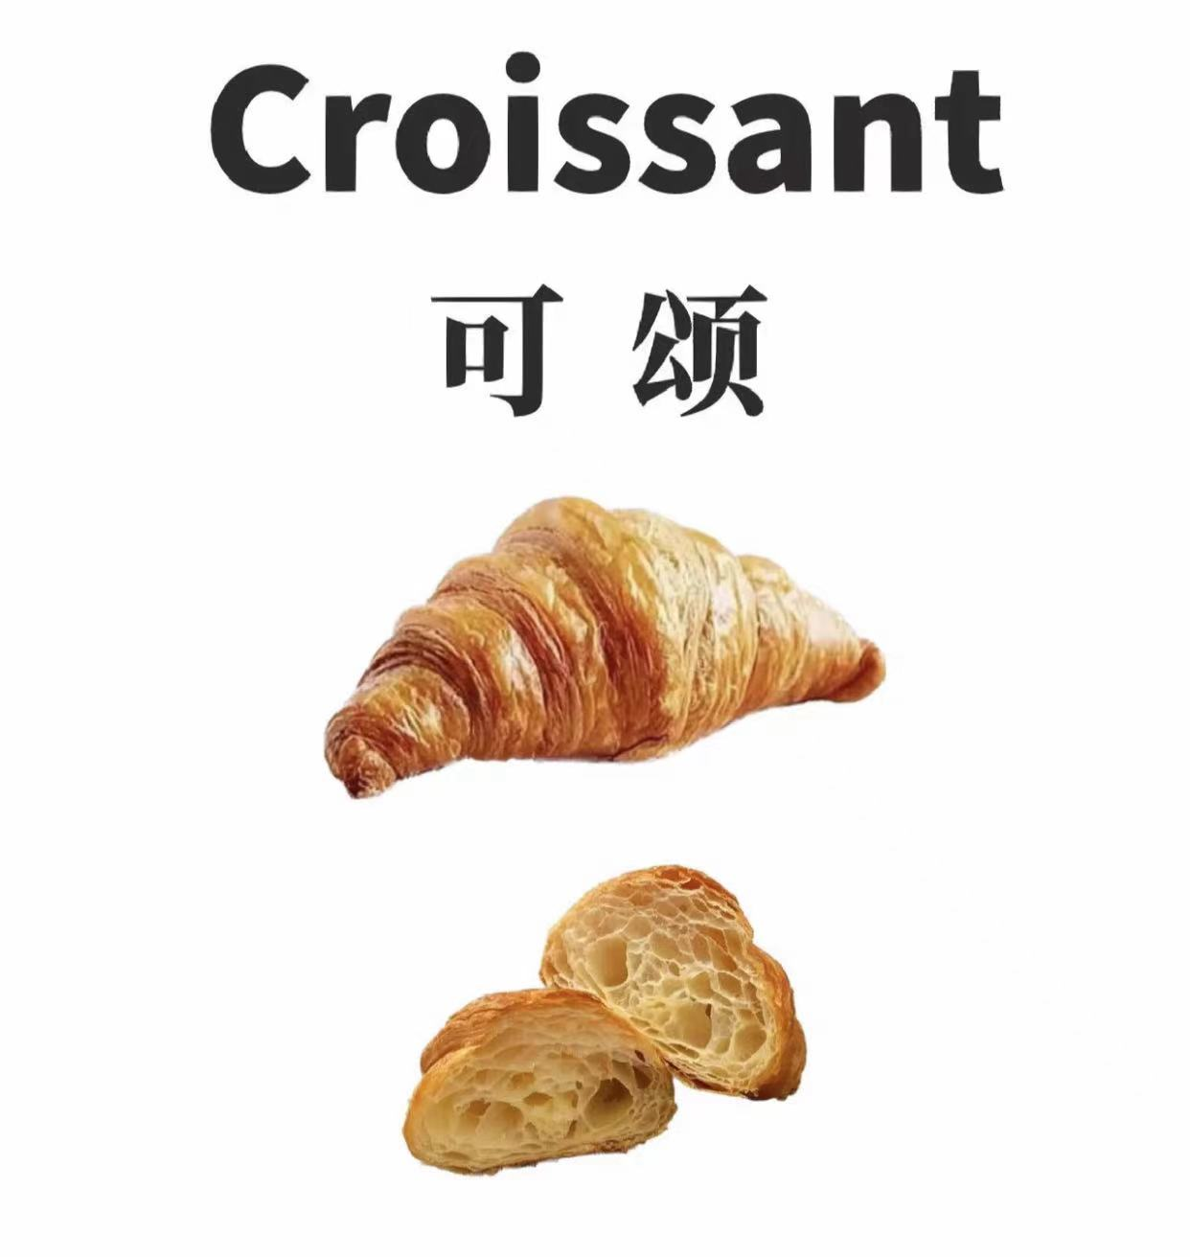
贝果 | bèi guǒ | 貝果 | bui3 gwo2 | 百吉饼，面包圈 | Bagel | UK/'beɪg(ə)l/ US/'beɡl/ | 波兰犹太 | A bagel is a bread roll originating in the Jewish communities of Poland. It is traditionally shaped by hand into a roughly hand-sized ring from yeasted wheat dough and then baked. The result is a dense, chewy, doughy interior with a browned and sometimes crisp exterior. | 奶黄色的贝果面包表面一般会撒上芝麻或者果仁，口感上比普通面包更硬、更韧。从外观看，贝果就像一个大一号的甜甜圈，但却完全不同于甜甜圈的油炸制作工艺，它更低脂、更低发酵、更低胆固醇，非常符合时下健康饮食的潮流。 | Cheese slices, flour, caster sugar, salt, water, yeast | 奶酪片，面粉，细砂糖，盐，水，酵母 | 264 | But there's a lull around lunchtime, and Mrs. Clayton asks me to check on some orders while I'm sitting behind the counter at the register discreetly eating my bagel. | 无论是由白面还是全麦制成，一个没有添加任何添料的纽约风格贝果的热量就可达到约500卡路里。 | 欧路词典，中文译音转换系统，维基词典，维基百科，薄荷健康，reverso | 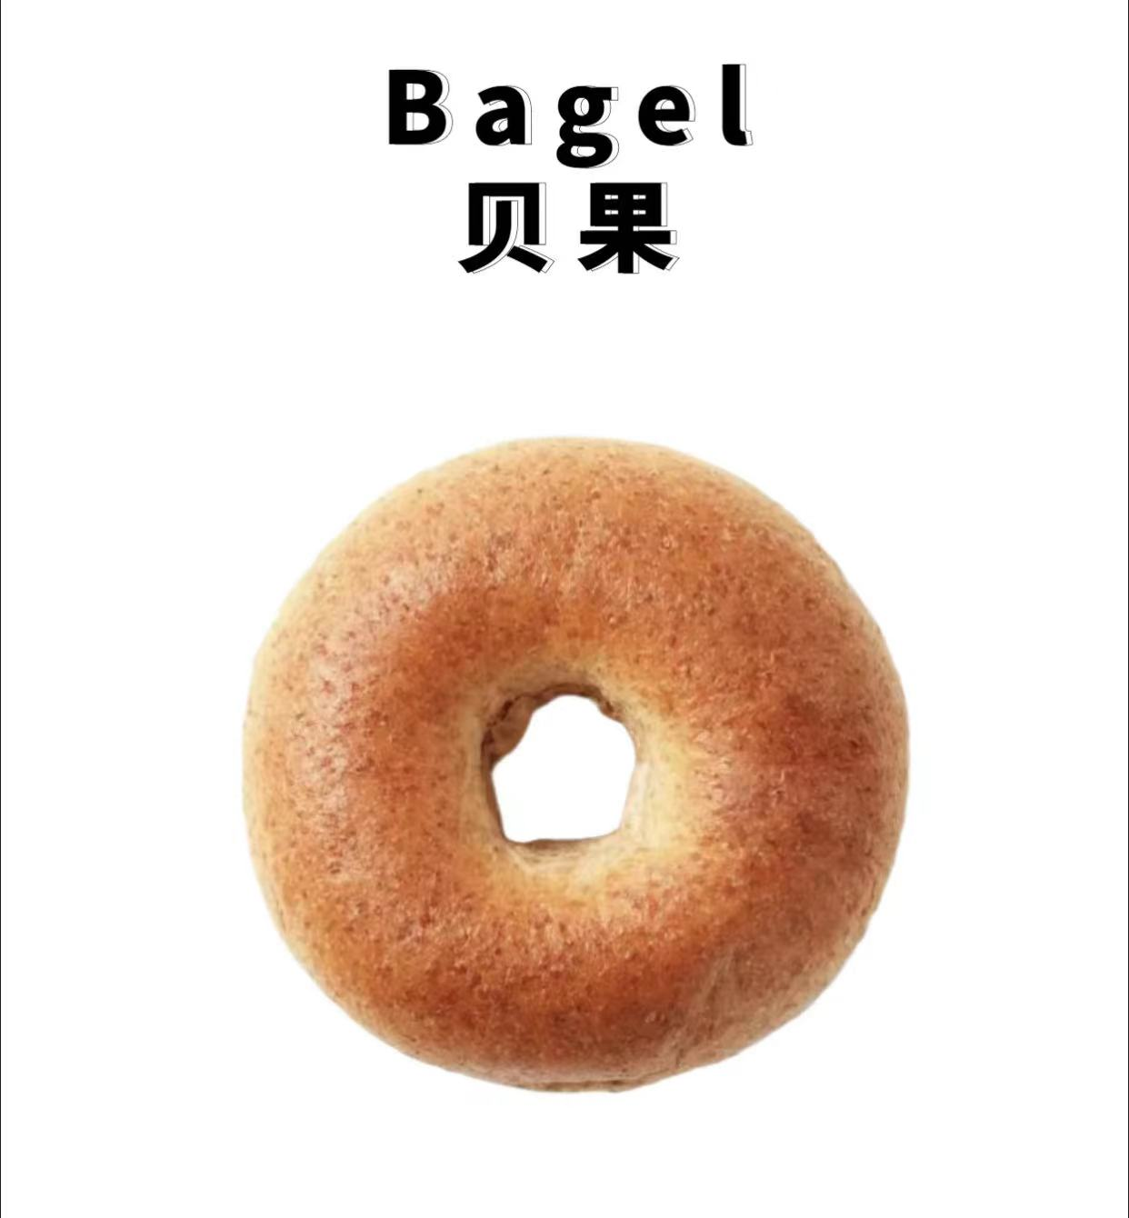
麦芬 | mài fēn | 麥芬 | maak6 fan1 | 马芬，松饼 | Muffin | UK/'mʌfɪn/ US/'mʌfɪn/ | 英国 | A muffin is an individually portioned baked product. Quickbread American muffins are often sweetened and there are savory varieties made with ingredients such as corn and cheese. Both types are common worldwide today. | 麦芬蛋糕是西式松饼面包的一种，可以放入烤面包机烤脆後涂点奶油吃，也可以随意夹起司、煎蛋或烤肉等等。 | Plain flour, caster sugar, milk, eggs, corn oil, baking powder | 低筋面粉，细砂糖，牛奶，鸡蛋，玉米油，泡打粉 | 265 | They had some hot drinks to wash down their dry muffins. | 国外的生活好健康，连在咖啡厅都有"无麸质"麦芬。 | 欧路词典，中文译音转换系统，维基词典，维基百科，薄荷健康，reverso
司康 | sī kāng | 司康 | si1 hong1 | 烤饼 | Scone | UK/skɒn/ US/skɑn/ | 苏格兰 | A scone is a baked good, usually made of either wheat or oatmeal and baked on sheet pans. A scone is often slightly sweetened and occasionally glazed with egg wash. Scones were chosen as the Republic of Ireland representative for Café Europe during the Austrian Presidency of the European Union in 2006. | 司康是英式快速面包的一种。传统的司康饼是塑成三角形，以燕麦为主要材料。而流传到现今面粉成了主要材料，像一般面食一样是以烤箱烘烤，形状也不再是一成不变的三角形，可以做成圆形、方形或是菱形等各式形状。 | Gluten flour, butter, caster sugar, eggs, milk, baking powder, salt | 低筋面粉，黄油，细砂糖，鸡蛋，牛奶，泡打粉，盐 | 374 | Do not overmix, or the scones will be tough. | 他们喝着最爱的英式红茶，吃着经典的司康和三明治，举手投足尽是优雅。 | 欧路词典，中文译音转换系统，维基词典，维基百科，薄荷健康，reverso | 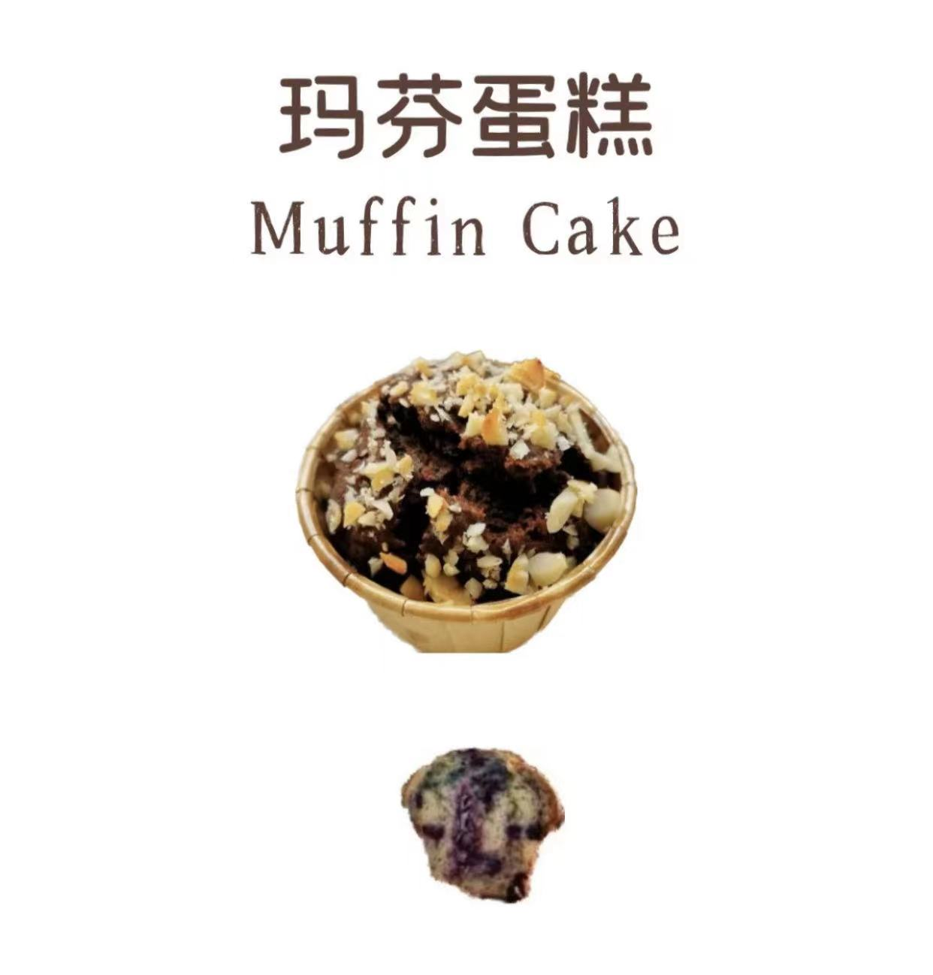 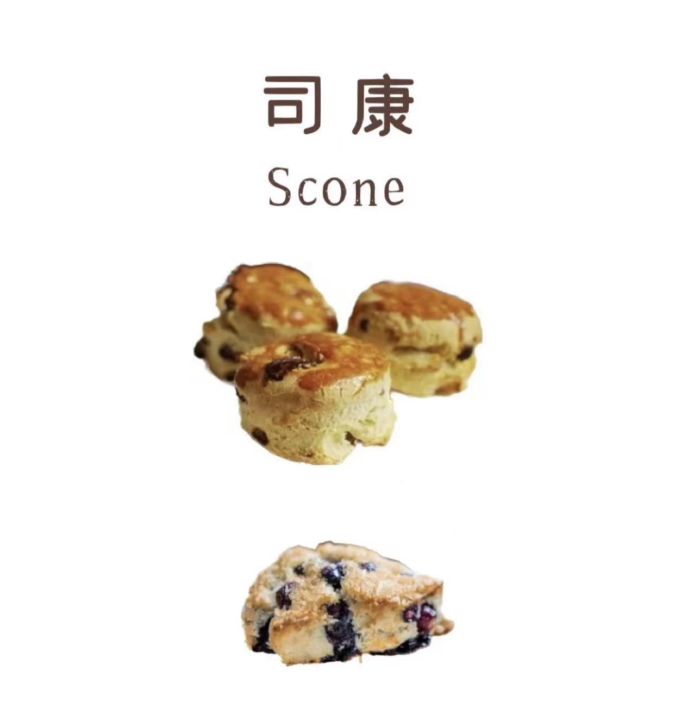
法棍 | fǎ gùn | 法棍 | faat3 gwan3 | 法式硬面包，长棍面包 | Baguette | UK/bæ'get/ U/bæˈɡɛt/ | 法国 | A baguette is a long, thin type of bread from French, commonly made from basic lean dough. It is distinguishable by its length and crisp crust. | 法棍是一种发源于法国的面包，因为它的形状像一根棍子，所以得名法棍。法式长棍面包的配方很简单，作为一种最传统的法式面包，法棍深受人们的喜爱，其表皮松脆，内里柔软而具韧性，嚼起来充满浓郁的麦香味。 | Flour, salt, yeast, water | 面粉，盐，酵母，水 | 263 | I lost a tooth while chomping on a French baguette. | 所以，法国的面包房每天早晨都在烘烤新鲜的法棍。 | 欧路词典，中文译音转换系统，维基词典，维基百科，薄荷健康，reverso
吐司 | tǔ sī | 吐司 | tou2 si1 | 多士，烤面包 | Toast | UK/təʊst/ US/toʊst/ | 法国 | Toast is a slice of bread that has been browned by exposure to radiant heat. This browning is the result of a Maillard reaction, altering the flavor of the bread as well as making it firmer so that it is easier to spread toppings on it. | 吐司，粤语叫多士，实际上就是用长方形带盖或不带盖的烤听制作的听型面包。用带盖烤听烤出的面包经切片后呈正方形，夹入火腿或蔬菜后即为三明治；用不带盖烤听烤出的面包为长方圆顶形，类似长方形大面包。 | Strong flour, butter, milk, salt, sugar, eggs, yeast, honey | 高筋面粉，黄油，牛奶，盐，白砂糖，鸡蛋，酵母，蜂蜜 | 262 | 1.When the glasses are full, instead of proposing a toast, I'm gonna propose.(n.敬酒）2.You know, toast on its own is not very nice, but with a bit of butter it becomes easier to eat. (n.吐司） | 不管事情变得多糟糕， 你都无法讨厌为你做吐司的人。 | 欧路词典，中文译音转换系统，维基词典，维基百科，薄荷健康，reverso | 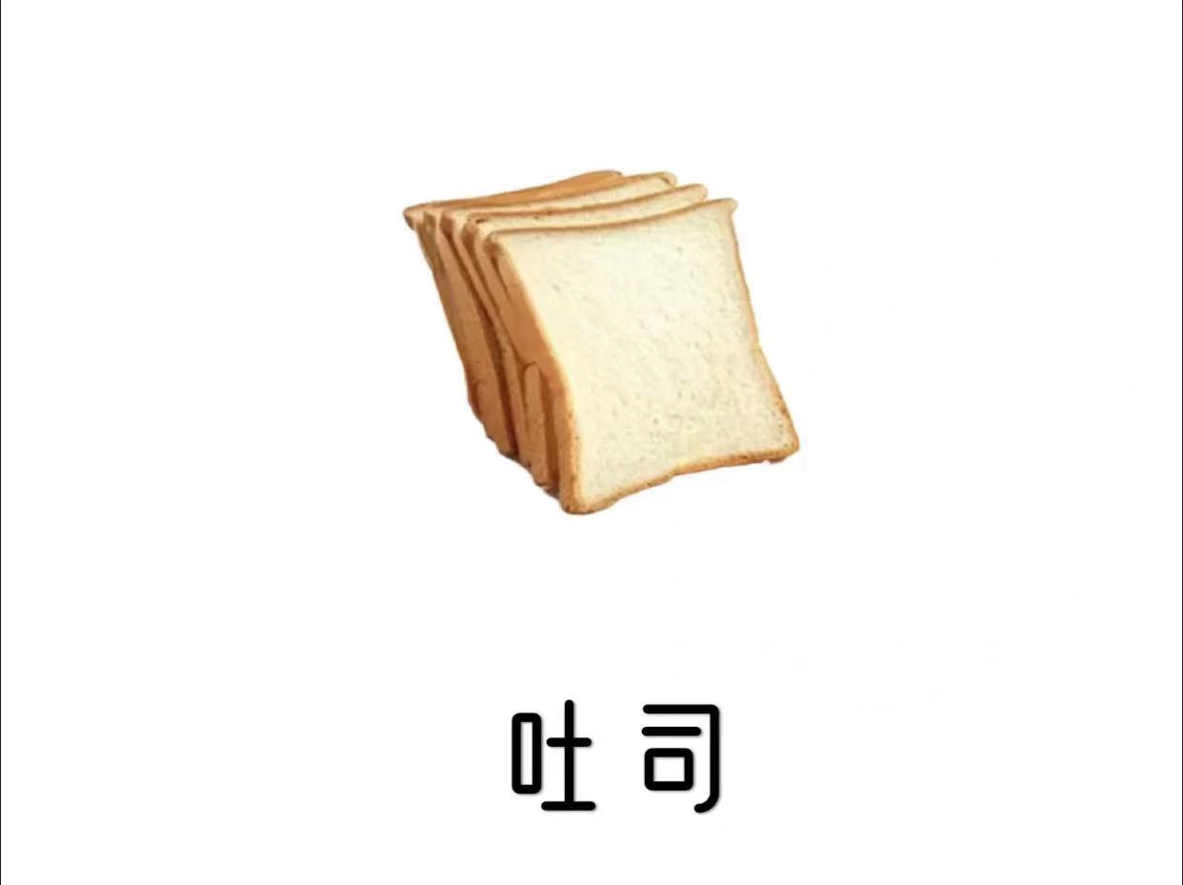
派 | pài | 派 | paai3 | 批 | Pie | UK/paɪ/ US/paɪ/ | 美国 | A pie is a baked dish which is usually made of a pastry dough casing. Sweet pies may be filled with fruit, nuts, brown sugar, sweetened vegetables, or with thicker fillings based on eggs and dairy. Savoury pies may be filled with meat, eggs and cheese. | 派是一种面点类食品，最早起源于欧洲，是美国人生活中比较常见的一种经典甜点，算得上美国食品的代表。派的形状、大小和口味各不相同，其中以苹果派最为出名，苹果派的流行使美国成了世界上最大的苹果生产国。 | Flour, salt, butter, water, sugar, rum, egg wash | 面粉，盐，黄油，水，白糖，朗姆酒，蛋液 | 214 | Mother cut the pie into eight sections. | 这家咖啡屋出售现磨咖啡和自制苹果派，店里还卖艺术装饰家具。 | 欧路词典，中文译音转换系统，维基词典，维基百科，薄荷健康，reverso | 