BEL-TR450C
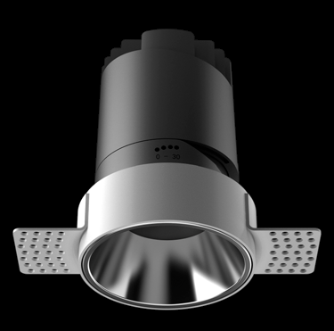
LIGHT&ESSENCE
LIGHTING SPECIFICATION
PRODUCT: | LED TRIMLESS SPOT LIGHT
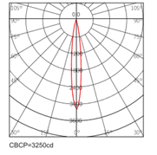
LOCATION: | INTERIOR
MODEL NO: | BEL-TR450C
LAMP TYPE: | LED 4W, 2700K/3000K/3500K/4000K
EA: | REMOTE LED DRIVER
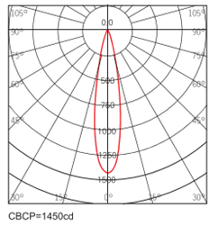
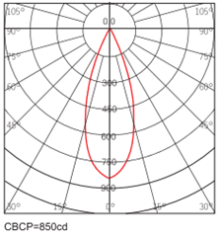
SIZE: | W51*H72 mm
FINISH: | SILVER ANODISED/POWDER COATING
BEAM ANGLE: | 15°/24°/38°
CRI: | 90
INPUT VOLTAGE: | AC 220-240V
IP RATING: | IP44
ORIGIN: | CHINA
REMARK:

BEL-TR750C
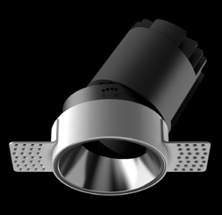
LIGHT&ESSENCE
LIGHTING SPECIFICATION
PRODUCT: | LED TRIMLESS SPOT LIGHT
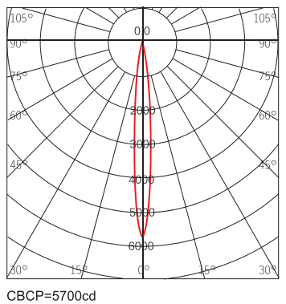
LOCATION: | INTERIOR
MODEL NO: | BEL-TR750C
LAMP TYPE: | LED 11W, 2700K/3000K/3500K/4000K
EA: | REMOTE LED DRIVER
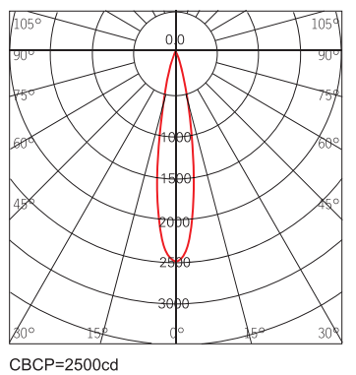
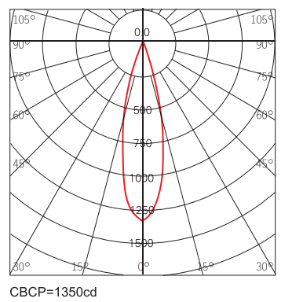
SIZE: | W75*H102 mm
FINISH: | SILVER ANODISED/POWDER COATING
BEAM ANGLE: | 15°/24°/36°
CRI: | 90
INPUT VOLTAGE: | AC 220-240V
IP RATING: | IP44
ORIGIN: | CHINA
REMARK:

BEL-TR950C
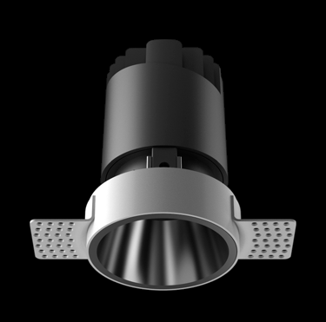
LIGHT&ESSENCE
LIGHTING SPECIFICATION
PRODUCT: | LED TRIMLESS SPOT LIGHT
LOCATION: | INTERIOR
MODEL NO: | BEL-TR950C
LAMP TYPE: | LED 13W, 2700K/3000K/3500K/4000K
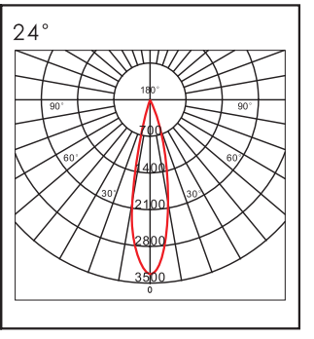
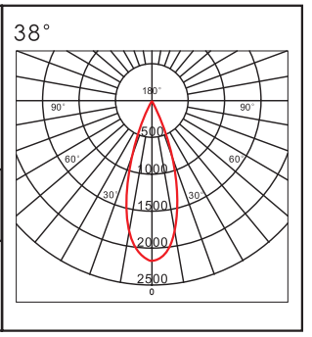
EA: | REMOTE LED DRIVER
SIZE: | W95*H120 mm
FINISH: | SILVER ANODISED/POWDER COATING
BEAM ANGLE: | 15°/24°/38°
CRI: | 90
INPUT VOLTAGE: | AC 220-240V
IP RATING: | IP44
ORIGIN: | CHINA
REMARK:

BEL-TR1250C
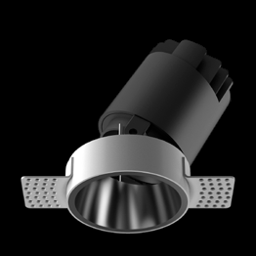
LIGHT&ESSENCE
LIGHTING SPECIFICATION
PRODUCT: | LED TRIMLESS SPOT LIGHT
LOCATION: | INTERIOR
MODEL NO: | BEL-TR1250C
LAMP TYPE: | LED 18W, 2700K/3000K/3500K/4000K
EA: | REMOTE LED DRIVER
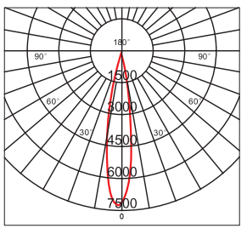
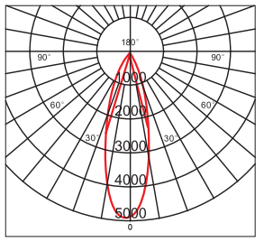
SIZE: | W120*H142 mm
FINISH: | SILVER ANODISED/POWDER COATING
BEAM ANGLE: | 15°/24°/38°
CRI: | 90
INPUT VOLTAGE: | AC 220-240V
IP RATING: | IP44
ORIGIN: | CHINA
REMARK:

