BLO-AD550C
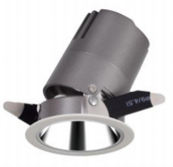
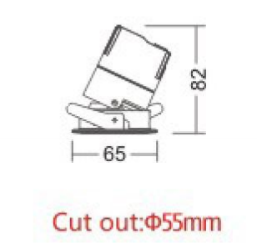
LIGHT&ESSENCE
LIGHTING SPECIFICATION
PRODUCT: | LED ADJUSTBAL SPOT LIGHT
LOCATION: | INTERIOR
MODEL NO: | BLO-AD550C
LAMP TYPE: | LED 6W, 2700K/3000K/3500K/4000K
EA: | REMOTE LED DRIVER
SIZE: | W65*H82 mm
FINISH: | SILVER ANODISED/POWDER COATING
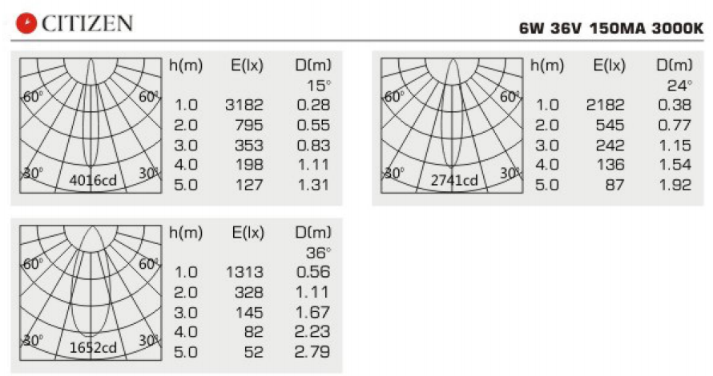
BEAM ANGLE: | 15°/24°/36°
CRI: | 90
INPUT VOLTAGE: | AC 220-240V
IP RATING: | IP44
ORIGIN: | CHINA
REMARK:

BLO-AD560C
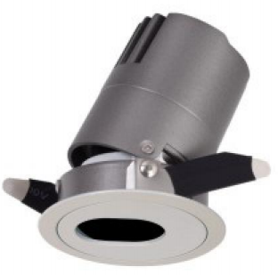
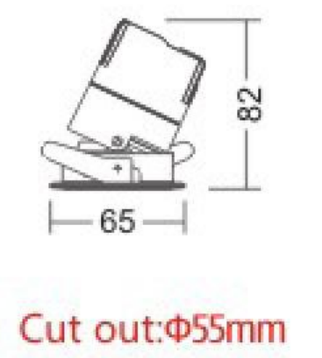
LIGHT&ESSENCE
LIGHTING SPECIFICATION
PRODUCT: | LED ADJUSTBAL SPOT LIGHT
LOCATION: | INTERIOR
MODEL NO: | BLO-AD560C
LAMP TYPE: | LED 6W, 2700K/3000K/3500K/4000K
EA: | REMOTE LED DRIVER
SIZE: | W65*H82 mm
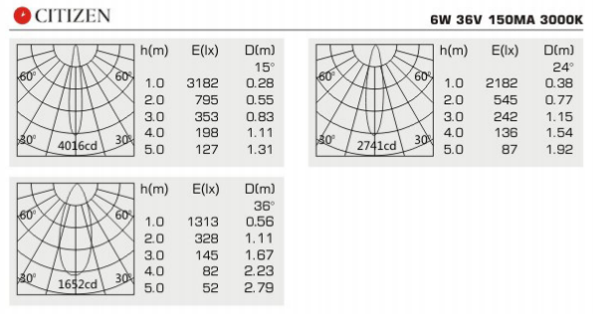
FINISH: | SILVER ANODISED/POWDER COATING
BEAM ANGLE: | 15°/24°/36°
CRI: | 90
INPUT VOLTAGE: | AC 220-240V
IP RATING: | IP44
ORIGIN: | CHINA
REMARK:

BLO-AD750C
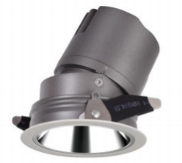
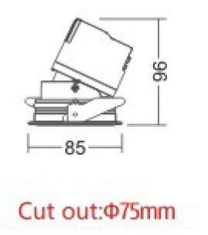
LIGHT&ESSENCE
LIGHTING SPECIFICATION
PRODUCT: | LED ADJUSTBAL SPOT LIGHT
LOCATION: | INTERIOR
MODEL NO: | BLO-AD750C
LAMP TYPE: | LED 10W, 2700K/3000K/3500K/4000K
EA: | REMOTE LED DRIVER
SIZE: | W85*H96 mm
FINISH: | SILVER ANODISED/POWDER COATING
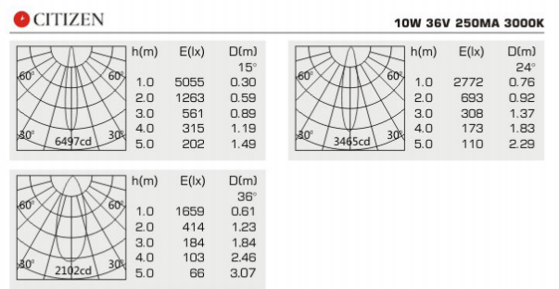
BEAM ANGLE: | 15°/24°/36°
CRI: | 90
INPUT VOLTAGE: | AC 220-240V
IP RATING: | IP44
ORIGIN: | CHINA 中国
REMARK:

BLO-AD760C
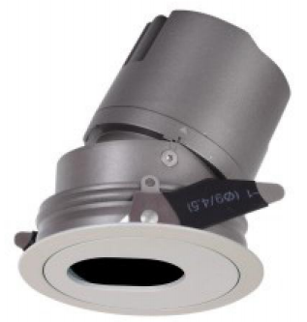
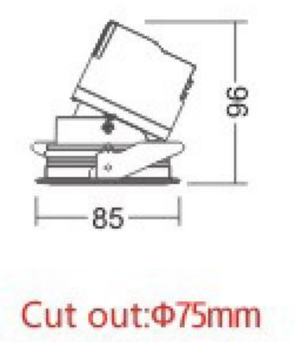
LIGHT&ESSENCE
LIGHTING SPECIFICATION
PRODUCT: | LED ADJUSTBAL SPOT LIGHT
LOCATION: | INTERIOR
MODEL NO: | BLO-AD760C
LAMP TYPE: | LED 10W, 2700K/3000K/3500K/4000K
EA: | REMOTE LED DRIVER
SIZE: | W85*H96 mm
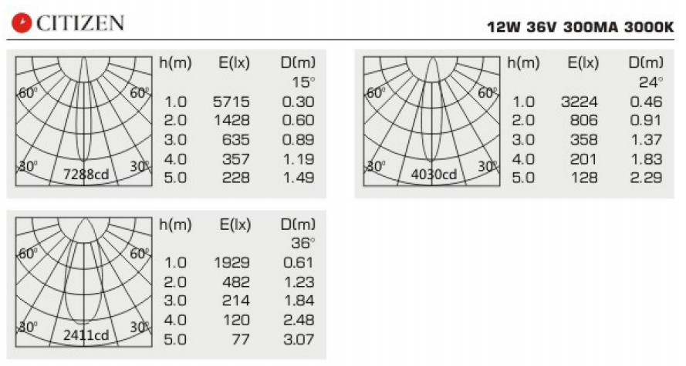
FINISH: | SILVER ANODISED/POWDER COATING
BEAM ANGLE: | 15°/24°/36°
CRI: | 90
INPUT VOLTAGE: | AC 220-240V
IP RATING: | IP44
ORIGIN: | CHINA
REMARK:

BLO-AD950C
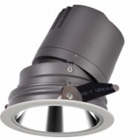
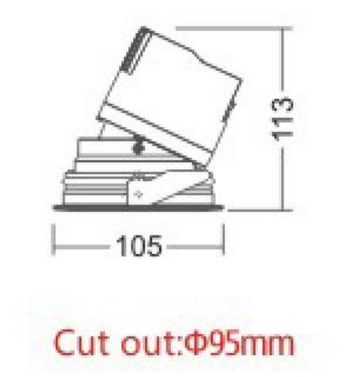
LIGHT&ESSENCE
LIGHTING SPECIFICATION
PRODUCT: | LED ADJUSTBAL SPOT LIGHT
LOCATION: | INTERIOR
MODEL NO: | BLO-AD950C
LAMP TYPE: | LED 15W, 2700K/3000K/3500K/4000K
EA: | REMOTE LED DRIVER
SIZE: | W105*H113 mm
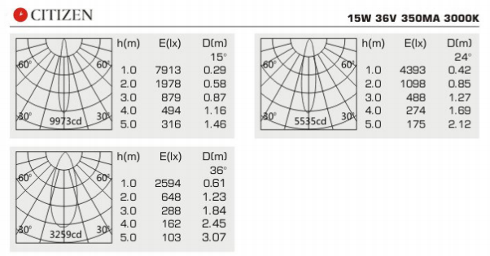
FINISH: | SILVER ANODISED/POWDER COATING
BEAM ANGLE: | 15°/24°/36°
CRI: | 90
INPUT VOLTAGE: | AC 220-240V
IP RATING: | IP44
ORIGIN: | CHINA
REMARK:

BLO-AD960C
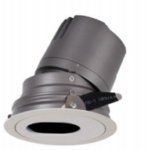
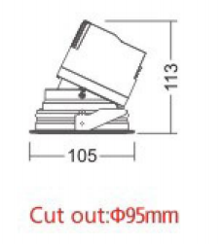
LIGHT&ESSENCE
LIGHTING SPECIFICATION
PRODUCT: | LED ADJUSTBAL SPOT LIGHT
LOCATION: | INTERIOR
MODEL NO: | BLO-AD960C
LAMP TYPE: | LED 15W, 2700K/3000K/3500K/4000K
EA: | REMOTE LED DRIVER
SIZE: | W105*H113 mm
FINISH: | SILVER ANODISED/POWDER COATING
BEAM ANGLE: | 15°/24°/36°
CRI: | 90
INPUT VOLTAGE: | AC 220-240V
IP RATING: | IP44
ORIGIN: | CHINA
REMARK:

BLO-AD1250C
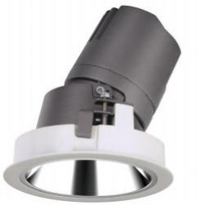
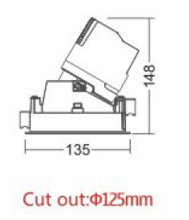
LIGHT&ESSENCE
LIGHTING SPECIFICATION
PRODUCT: | LED ADJUSTBAL SPOT LIGHT
LOCATION: | INTERIOR
MODEL NO: | BLO-AD1250C
LAMP TYPE: | LED 20W, 2700K/3000K/3500K/4000K
EA: | REMOTE LED DRIVER
SIZE: | W135*H148 mm
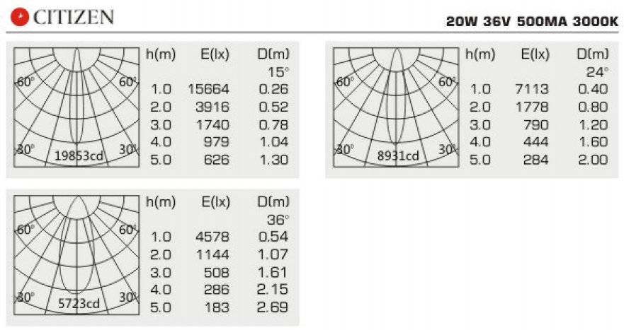
FINISH: | SILVER ANODISED/POWDER COATING
BEAM ANGLE: | 15°/24°/36°
CRI: | 90
INPUT VOLTAGE: | AC 220-240V
IP RATING: | IP44
ORIGIN: | CHINA
REMARK:

BLO-AD1550C
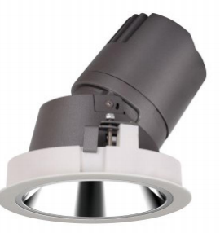
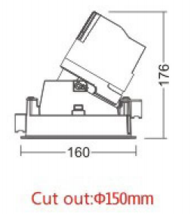
LIGHT&ESSENCE
LIGHTING SPECIFICATION
PRODUCT: | LED ADJUSTBAL SPOT LIGHT
LOCATION: | INTERIOR
MODEL NO: | BLO-AD1550C
LAMP TYPE: | LED 30W, 2700K/3000K/3500K/4000K
EA: | REMOTE LED DRIVER
SIZE: | W160*H176 mm
FINISH: | SILVER ANODISED/POWDER COATING
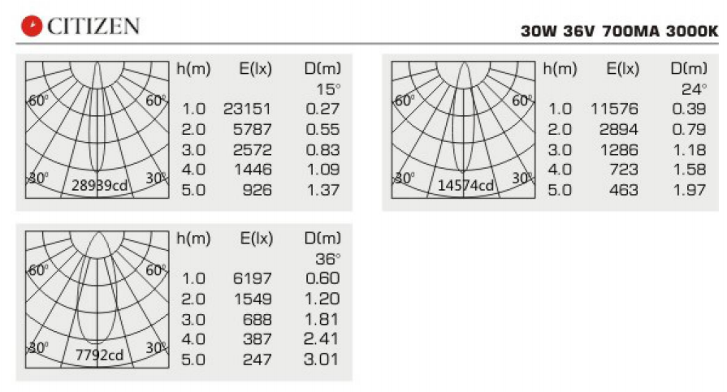
BEAM ANGLE: | 15°/24°/36°
CRI: | 90
INPUT VOLTAGE: | AC 220-240V
IP RATING: | IP44
ORIGIN: | CHINA
REMARK:

