BLO-FX500A
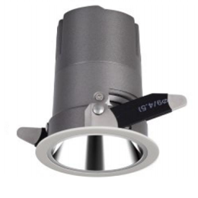
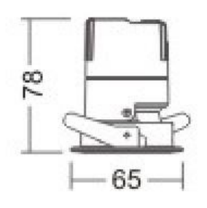
LIGHT&ESSENCE
LIGHTING SPECIFICATION
PRODUCT: | LED SPOT LIGHT
LOCATION: | INTERIOR
MODEL NO: | BLO-FX500A
LAMP TYPE: | LED 6W, 2700K/3000K/3500K/4000K
EA: | REMOTE LED DRIVER
SIZE: | W65*H78 mm
FINISH: | SILVER ANODISED/POWDER COATING
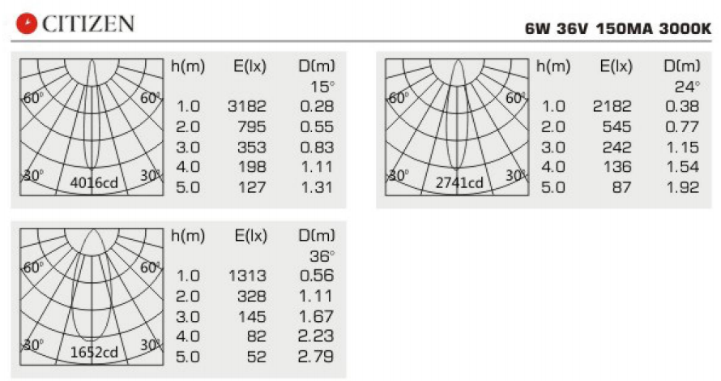
BEAM ANGLE: | 15°/24°/36°
CRI: | 90
INPUT VOLTAGE: | AC 220-240V
IP RATING: | IP44
ORIGIN: | CHINA
REMARK:

BLO-FX510A
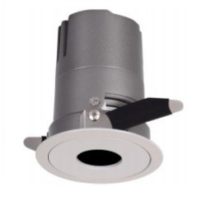
LIGHT&ESSENCE
LIGHTING SPECIFICATION
PRODUCT: | LED SPOT LIGHT
LOCATION: | INTERIOR
MODEL NO: | BLO-FX510A
LAMP TYPE: | LED 6W, 2700K/3000K/3500K/4000K
EA: | REMOTE LED DRIVER
SIZE: | W65*H78 mm
FINISH: | SILVER ANODISED/POWDER COATING
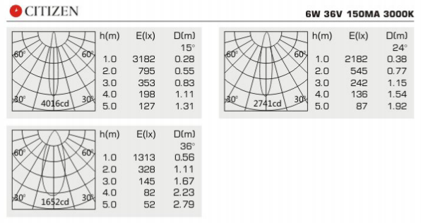
BEAM ANGLE: | 15°/24°/36°
CRI: | 90
INPUT VOLTAGE: | AC 220-240V
IP RATING: | IP44
ORIGIN: | CHINA
REMARK:

BLO-FX700A
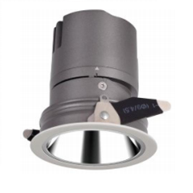
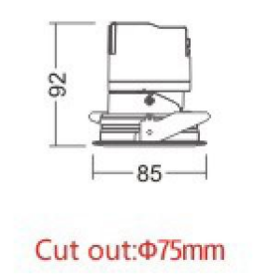
LIGHT&ESSENCE
LIGHTING SPECIFICATION
PRODUCT: | LED SPOT LIGHT
LOCATION: | INTERIOR
MODEL NO: | BLO-FX700A
LAMP TYPE: | LED 10W, 2700K/3000K/3500K/4000K
EA: | REMOTE LED DRIVER
SIZE: | W85*H92 mm
FINISH: | SILVER ANODISED/POWDER COATING
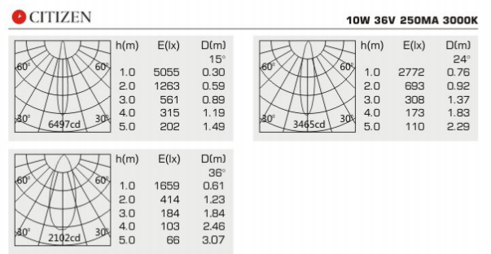
BEAM ANGLE: | 15°/24°/36°
CRI: | 90
INPUT VOLTAGE: | AC 220-240V
IP RATING: | IP44
ORIGIN: | CHINA
REMARK:

BLO-FX710A
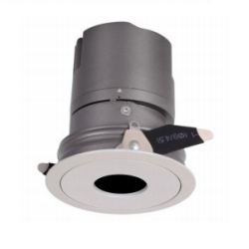
LIGHT&ESSENCE
LIGHTING SPECIFICATION
PRODUCT: | LED SPOT LIGHT
LOCATION: | INTERIOR
MODEL NO: | BLO-FX710A
LAMP TYPE: | LED 10W, 2700K/3000K/3500K/4000K
EA: | REMOTE LED DRIVER
SIZE: | W85*H92 mm
FINISH: | SILVER ANODISED/POWDER COATING
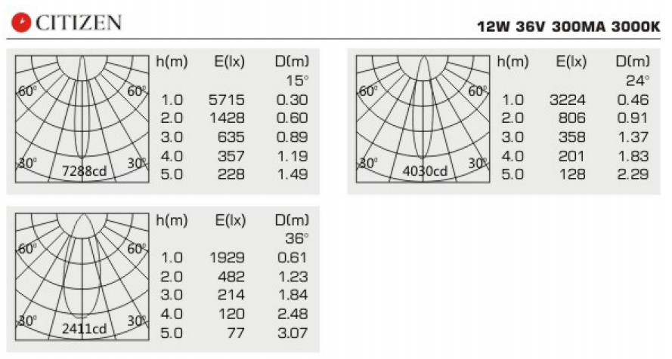
BEAM ANGLE: | 15°/24°/36°
CRI: | 90
INPUT VOLTAGE: | AC 220-240V
IP RATING: | IP44
ORIGIN: | CHINA
REMARK:

BLO-FX900A
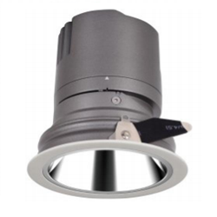
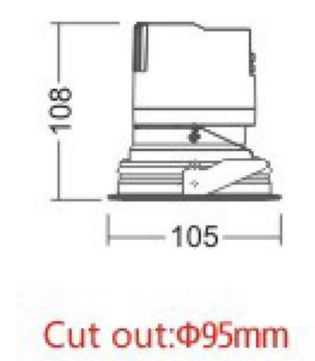
LIGHT&ESSENCE
LIGHTING SPECIFICATION
PRODUCT: | LED SPOT LIGHT
LOCATION: | INTERIOR
MODEL NO: | BLO-FX900A
LAMP TYPE: | LED 15W, 2700K/3000K/3500K/4000K
EA: | REMOTE LED DRIVER
SIZE: | W105*H108 mm
FINISH: | SILVER ANODISED/POWDER COATING
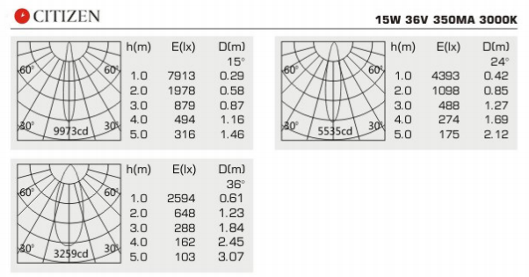
BEAM ANGLE: | 15°/24°/36°
CRI: | 90
INPUT VOLTAGE: | AC 220-240V
IP RATING: | IP44
ORIGIN: | CHINA
REMARK:

BLO-FX910A
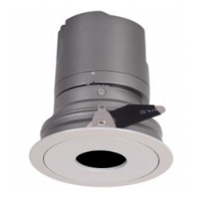
LIGHT&ESSENCE
LIGHTING SPECIFICATION
PRODUCT: | LED SPOT LIGHT
LOCATION: | INTERIOR
MODEL NO: | BLO-FX910A
LAMP TYPE: | LED 15W, 2700K/3000K/3500K/4000K
EA: | REMOTE LED DRIVER
SIZE: | W105*H108 mm
FINISH: | SILVER ANODISED/POWDER COATING
BEAM ANGLE: | 15°/24°/36°
CRI: | 90
INPUT VOLTAGE: | AC 220-240V
IP RATING: | IP44
ORIGIN: | CHINA
REMARK:

BLO-FX1200A
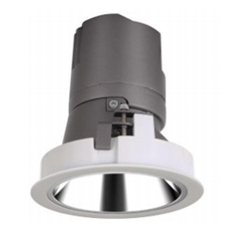
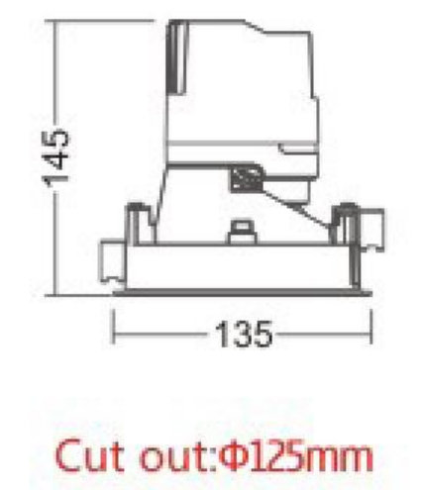
LIGHT&ESSENCE
LIGHTING SPECIFICATION
PRODUCT: | LED SPOT LIGHT
LOCATION: | INTERIOR
MODEL NO: | BLO-FX1200A
LAMP TYPE: | LED 20W, 2700K/3000K/3500K/4000K
EA: | REMOTE LED DRIVER
SIZE: | W135*H145 mm
FINISH: | SILVER ANODISED/POWDER COATING
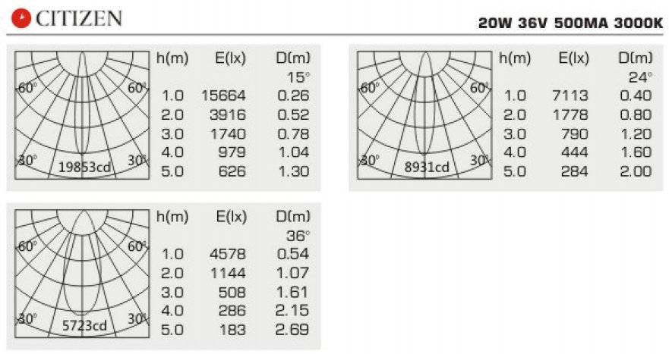
BEAM ANGLE: | 15°/24°/36°
CRI: | 90
INPUT VOLTAGE: | AC 220-240V
IP RATING: | IP44
ORIGIN: | CHINA
REMARK:

BLO-FX1500A
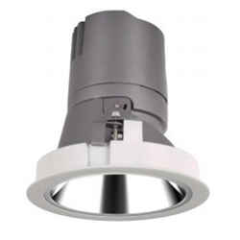
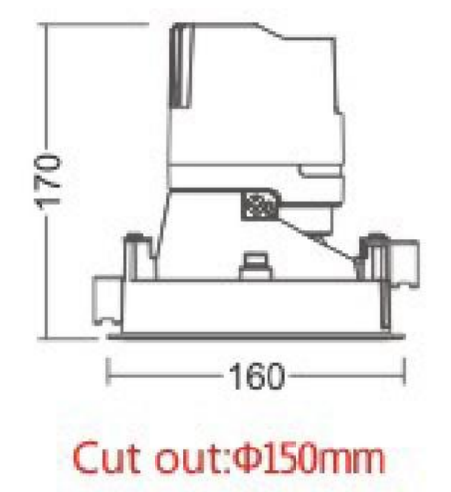
LIGHT&ESSENCE
LIGHTING SPECIFICATION
PRODUCT: | LED SPOT LIGHT
LOCATION: | INTERIOR
MODEL NO: | BLO-FX1500A
LAMP TYPE: | LED 30W, 2700K/3000K/3500K/4000K
EA: | REMOTE LED DRIVER
SIZE: | W160*H170 mm
FINISH: | SILVER ANODISED/POWDER COATING
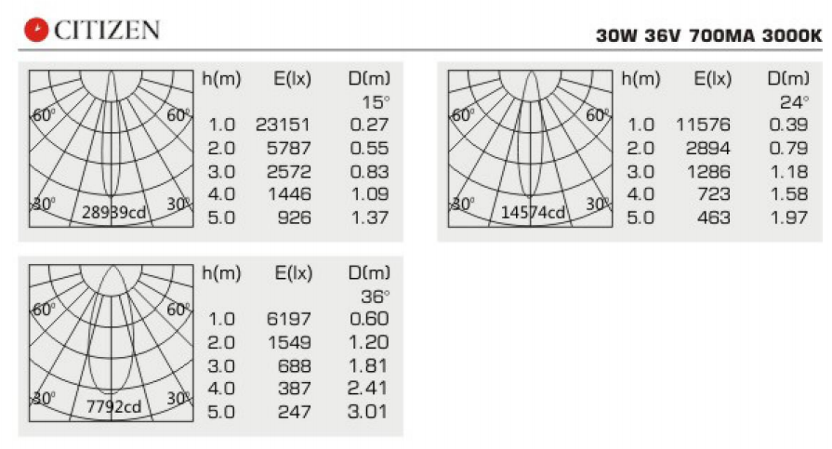
BEAM ANGLE: | 15°/24°/36°
CRI: | 90
INPUT VOLTAGE: | AC 220-240V
IP RATING: | IP44
ORIGIN: | CHINA
REMARK:

