图片要求
图片示例
Image Examples
图片标准 |  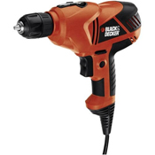  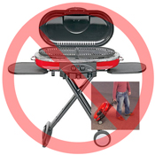 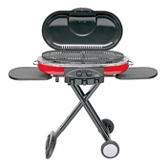 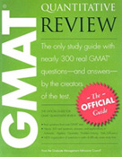 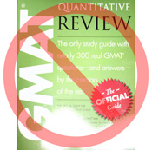 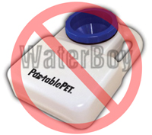 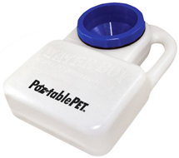 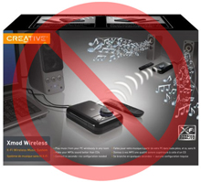 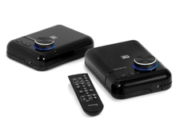 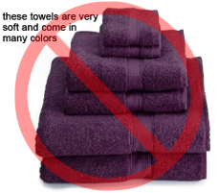 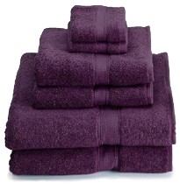 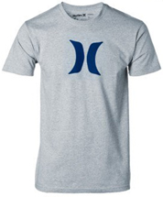 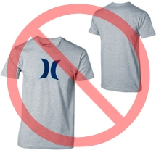 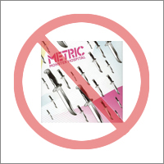 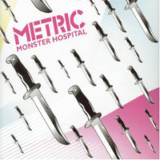 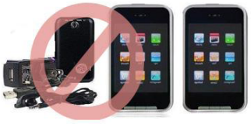  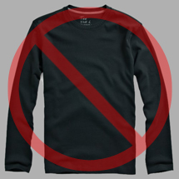 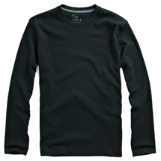 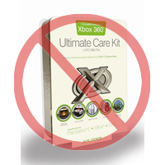 | Image Standards | 

纯白色背景
无附加文字
Pure white background
No additional text
亚马逊上的每件商品都需要配有一张或多张商品图片。您需要选择清楚、易于理解、信息丰富且富有吸引力的图片。图片应准确展示且仅展示所售商品，最小程度使用支撑物或完全不使用。请不要使用文字、徽标和插图。如有可能，请提供多张图片，以便从多个角度展示商品的细节。图片对于买家是非常重要的，因此请您格外重视图片的质量。 |  | Every product on Amazon needs one or more product images. Choose images that are clear, straightforward, and easy to understand. They must accurately represent the product and be information-rich and attractively presented. Show only the product that is being offered for sale, with minimal or no propping. Text, logos, and inset images are not allowed. Whenever possible, provide several images, with each one showing different angles and details of the product. This is your opportunity to show your product to your customer, so quality matters.
我们保留拒绝不符合我们标准的图片的权利。 |  | We reserve the right to reject images that do not meet our image standards.
您必须获得适当的权限才能使用他人的图片。 |  | It is your responsibility to ensure that you have all necessary rights to the images you submit.

主图片 |  | MAIN Images

不能使用图形或图解
不能使用插图
图片质量良好
No graphics/illustrations
No inset images
No poor quality images
*“主图片”的背景必须为纯白色（纯白色符合亚马逊搜索和商品详情页面标准 – RGB 值 255, 255, 255）。 |  | *The background for a MAIN image must be pure white (pure white blends in with the Amazon search and item detail pages, which have RGB values of 255,255,255).
*“主图片”不能为图形或图解，而且不得包含买家不会收到的配件、可能使买家误解的支撑物、不属于商品描述的文字，或者徽标、水印及插图。 |  | *A MAIN image must not be a graphic or illustration and must not contain accessories that are not being dispatched with the product, props that may confuse the customer, text that is not part of the product, or any logos, watermarks or inset images.
*商品必须占据图片区域 85% 以上的面积。 |  | *The product must fill 85% or more of the image.

附加图片 |  | Additional Images

没有水印/徽标
商品不在包装内
不能使用多个视图
No watermark/logo
Product not within packaging
No multiple views
*“主图片”应配有一些附加的图片，从不同的角度来展示商品，展示使用中的商品以及在“主图片”中没有显示的细节。对于媒介类商品，附加图片可能包含封面、样本页或者截图。您最多可以添加八张图片。 |  | *MAIN images should be supplemented with additional images showing different sides of a product, the product in use, or details that are not visible in the MAIN image. For media products, this could include the back cover, sample pages, or screenshots. You can add up to eight (8) images.
*推荐使用白色背景。“附加图片”不能包含徽标或水印，图片中的支撑物和附件不能引起买家误解。 |  | *A white background is recommended, but not required. Additional images may not include logos or watermarks, and all props or accessories must be presented in a way that will not cause customer confusion.

图片大小 |  | Image Size

图片应为 1000 x 1000 像素以上才能使用网站的缩放功能（缩放功能可以提高销量）。图片的最长边不能低于 500 像素。 |  | Images should be 1000 pixels or more in either height or width as this will enable the zoom function on the website (zoom has been proven to enhance sales). Files measuring less than 500 pixels on the longest side will be rejected by our system.
不能使用占位图片
不包含配件
图片中的商品不能过小
No placeholder images
No non-included items
Product not too small in frame
命名和格式 |  | Naming and formatting

*亚马逊接受 JPEG（.jpg）、TIFF（.tif）和 GIF（.gif）文件格式（JPEG 文件是首选，因为这种文件比较小，可以更快地处理和上传）。 |  | *Amazon accepts JPEG (.jpg), TIFF (.tif), or GIF (.gif) file formats (JPEG files are preferred as they are smaller in size and can therefore be processed and uploaded more quickly).
*在 Web 服务器上保存图片时，建议您使用商品的 SKU 加上图片类型（MAIN、PT01-PT08）或变体代码（SWCH，通常只有具有变体的商品才使用颜色样本）作为文件名。示例：8845013515.MAIN.jpg、8845013515.PT01.jpg、8845013515.SWCH.jpg |  | *A suggested way to name an image file is to save the image on your web server using the product SKU as the file name followed by the view type or variant code--MAIN, PT01-PT08 (additional images), SWCH (usually a color swatch only used on products with more than one variation). Examples: 8845013515.MAIN.jpg, 8845013515.PT01.jpg, 8845013515.SWCH.jpg

上传图片文件 |  | Uploading your Image files

您有两种上传图片的选择 (1) 命名文档并存到您的硬盘文件夹后，请将资料压缩为ZIP文档。接着，请上传未填写图片链接的文档以便在Amazon上建立报价。并使用处理报告确认产品已经正确建立，没有任何错误。继续至图片上传工具 (https://sellercentral.amazon.com/imaging/upload) 上传已创建产品的图片。若不提供图片，顾客便查找不到SKU。 (2) 将文件命名并上传到云端之后，请在商品模板的对应单元格中填入图片文件的URL。 |  | You have two options to upload your image files (1) Once you have named the file and saved it to your drive folder, please compress the folder into a zip file. Then, submit the template without image attributes filled to create offers on Amazon and confirm the products are created without errors, using ProcessingSummary. Proceed to image upload tool (https://sellercentral.amazon.com/imaging/upload) to upload images for the listed products. Without providing images, SKU will be not searchable from customer. (2) Once you have named the file and saved it to your web server, enter the URL of the image file in the appropriate cell of your product template.

