diagnose
index | AP | setting1 | setting2 | note | iou_thresh | all | del small | delta
1 | 0.538 | IoU=0.5 | all |  | 0.1 | 0.605 | 0.731 | 0.126
2 | 0.662 | IoU=0.5 | no small |  | 0.5 | 0.538 | 0.662 | 0.124
3 | 0.382 | IoU=0.5 | small |  | 0.75 | 0.325 | 0.473 | 0.148
4 | 0.648 | IoU=0.5 | medium |  | 0.8 | 0.241 | 0.386 | 0.145
5 | 0.711 | IoU=0.5 | large |  | 0.85 | 0.135 | 0.249 | 0.114
6 | 0.325 | IoU=0.75 | all |  | 0.9 | 0.054 | 0.117 | 0.063
7 | 0.473 | IoU=0.75 | no small |  | 0.95 | 0.007 | 0.015 | 0.008
8 | 0.314 | IoU=0.5:0.95 | all
9 | 0.428 | IoU=0.5:0.95 | no small
10 | 0.605 | IoU=0.1 | all
11 | 0.731 | IoU=0.1 | no small
12 | 0.241 | IoU=0.80 | all
13 | 0.386 | IoU=0.80 | no small
14 | 0.135 | IoU=0.85 | all
15 | 0.249 | IoU=0.85 | no small
16 | 0.054 | IoU=0.90 | all
17 | 0.117 | IoU=0.90 | no small
18 | 0.007 | IoU=0.95 | all
19 | 0.015 | IoU=0.95 | no small
20 | 0 | IoU=0.95 | small
21 | 0.003 | IoU=0.95 | medium
22 | 0.077 | IoU=0.95 | large

area
name | extra_small | small | medium | large | extra_large | all count
size % | 0-10% | 10-30% | 30-70% | 70-90% | 90-100% |  | 是原尺寸的%
gt count | 90664 | 1768 | 59 | 1 | 0 |  | 数量有多少
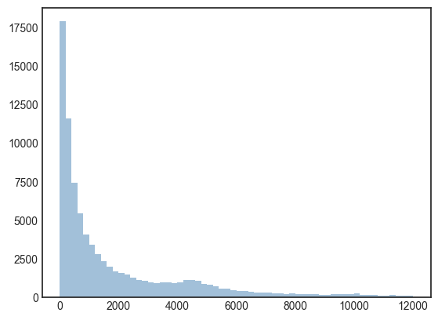
gt % | 0.980236 | 0.019115 | 0.000638 | 0.000011 | 0 |  | 比例有多少

size % | 0-1% | 1-3% | 3-7% | 7-9% | 9-10%
gt count | 73414 | 12397 | 3692 | 799 | 362 |  | 数量
gt % | 0.793734 | 0.134033 | 0.039917 | 0.008639 | 0.003914 |  | 占总instance的比例

 |  |  |  |  |  |  |  | 省略了大于12000的instance。bin size=200

