area
name | extra_small | small | medium | large | extra_large | all count
size % | 0-10% | 10-30% | 30-70% | 70-90% | 90-100% |  | 是原尺寸的%
gt count | 90664 | 1768 | 59 | 1 | 0 |  | 数量有多少
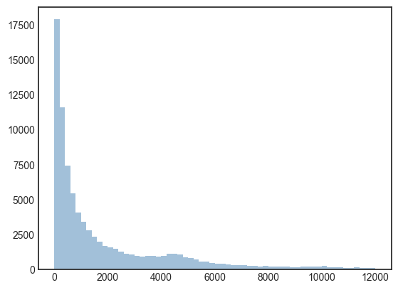
gt % | 0.980236 | 0.019115 | 0.000638 | 0.000011 | 0 |  | 比例有多少

size % | 0-1% | 1-3% | 3-7% | 7-9% | 9-10%
gt count | 73414 | 12397 | 3692 | 799 | 362 |  | 数量
gt % | 0.793734 | 0.134033 | 0.039917 | 0.008639 | 0.003914 |  | 占总instance的比例

 |  |  |  |  |  |  |  | 省略了大于12000的instance。bin size=200

