所有产品价格
RESTAR Solar Product Price List in Douala, Cameroon
Date : 2026-7-01
Product name | Size | Price/FCFA a piece | Price/FCFA a piece | Price/FCFA a piece | 提价20%后价格/FCFA a piece | 提价20%后价格/FCFA a piece | 提价20%后价格/FCFA a piece
Solar panel | Model | <20pcs | 20pcs <=-<50pcs | 50pcs=<- | <20pcs | 20pcs <=-<50pcs | 50pcs=<-
M610 610W | 2279*1134*30 | 63,000 | 61,000 | 59,000
M575 575W | 2279*1134*30 | 58,000 | 55,000 | 53,000
M560 560W | 2278*1134*30 | 57,000 | 54,000 | 52,000
M460 460W | 2094*1038*30 | 51,000 | 48,000 | 42,000
M450 450W | 2094*1038*35 | 50,000 | 47,000 | 45,000
M280 280W | 1640*992*35 | 40,000 | 38,000 | 36,000
M250 250W | 1640*992*35 | 38,000 | 36,000 | 35,000
M210 210W | 1560*700*35 | 26,000 | 24,000 | 23,000
M200 200W | 1480*680*30 | 22,500 | 21,000 | 19,500
M170 170W | 1487*666*35 | 17,800 | 17,000 | 16,200
M170 170W | 1570*580*30 | 17,800 | 17,000 | 16,200
M100 100W | 1200*540*30 | 11,000 | 10,500 | 9,500
M100 100W | 1200*580*30 | 11,000 | 10,500 | 9,500
M100 100W | 1020*580*25 | 11,000 | 10,500 | 9,500
M100 100W | 815*700*30 | 11,000 | 10,500 | 9,500
P200 200W | 1560*700*30 | 18,000 | 17,000 | 16,000
P170 170W | 1487*666*30 | 15,000 | 14,500 | 13,000
P100 100W | 815*700*30 | 10,000 | 9,000 | 7,000
P100 100W | 1200*540*30 | 10,000 | 9,000 | 7,000
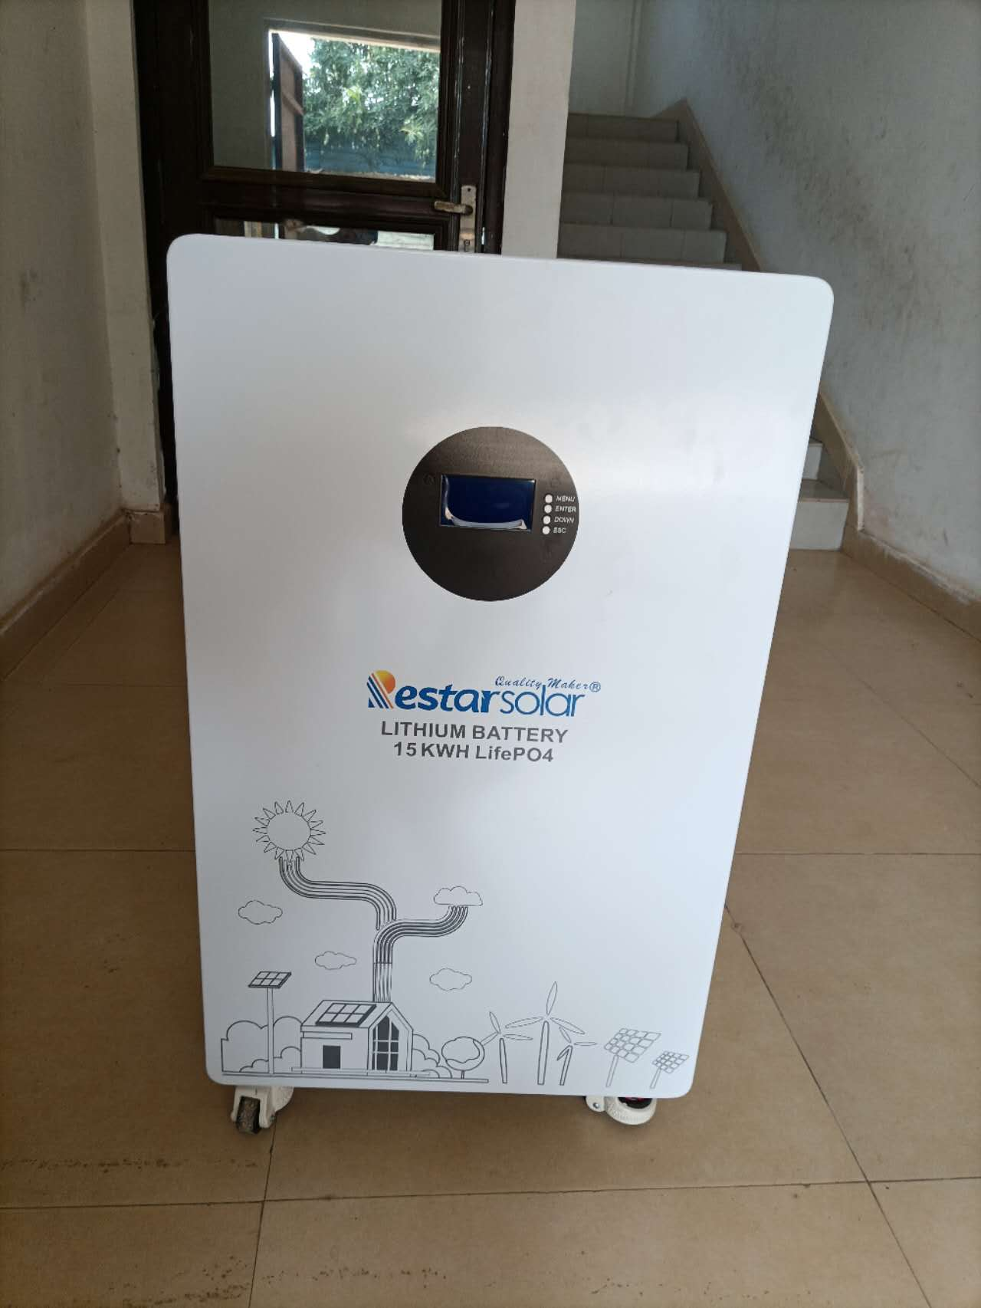
Lithium Battery | Model | 1pc | 2pcs | >=3pcs
Lithium Battery | 51.2V*100AH 5.12KW | 417,000 | 390,000 | 372,000
Lithium Battery | 51.2V*150AH 7.68KW | 669,000 | 642,000 | 615,000
Lithium Battery | 51.2V*200AH 10.24KW | 831,000 | 804,000 | 777,000
Lithium Battery | 51.2V*300AH 15.36KW 壁挂式 | 921,000 | 876,000 | 849,000
Lithium Battery | 51.2V*300AH 15.36KW 堆叠式 | 1,155,000 | 1,110,000 | 1,065,000
GEL battery | Model | <=3pcs | 3pcs <-<=10pcs | 10pcs<-
GEL battery | 12V*100AH 黑壳红盖黄纸箱 | 56,000 | 54,000 | 46,000
GEL battery | 12V*150AH 黑壳红盖黄纸箱 | 91,000 | 88,000 | 85,000
GEL battery | 12V*200AH 黑壳红盖黄纸箱 | 111,000 | 108,000 | 105,000
AGM battery | 12V*150AH 灰壳黑盖黄纸箱 | 94,000 | 92,000 | 90,000
AGM battery | 12V*200AH 灰壳黑盖黄纸箱 | 110,000 | 104,000 | 100,000
GEL battery | 12V*100AH 灰壳蓝盖蓝纸箱 | 48,000 | 45,000 | 40,000
GEL battery | 12V*150AH 灰壳蓝盖蓝纸箱 | 83,000 | 80,000 | 76,000
GEL battery | 12V*200AH 灰壳蓝盖蓝纸箱 | 106,000 | 101,000 | 96,000
GEL battery | 12V*200AH 灰壳黑盖黄纸箱 | 110,000 | 104,000 | 100,000
Inverter | Model | <3pcs | 3pcs <=-<10pcs | 10pcs<=
off-gird Inverter | 300w | 8,000 | 7,000 | 4500--5000
off-gird Inverter | 500w | 9,000 | 8,000 | 5000-5500
off-gird Inverter | 600w | 12,000 | 11,000 | 6500-7000
off-gird Inverter | 1000w | 18,000 | 17,000 | 11000-11500
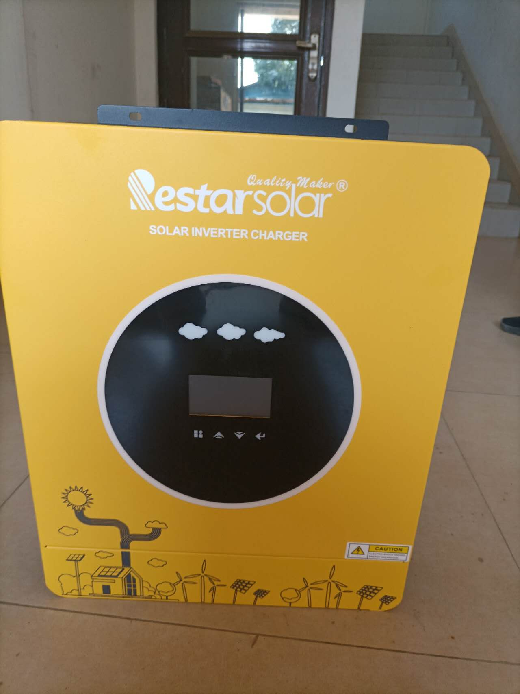
off-gird Inverter | 1500w | 29,000 | 27,000 | 16000-17000
off-gird Inverter | 2000w | 36,000 | 34,000 | 21000-22000
Inverter | 3.2KW | 120,000 | 110,000 | 90,000
Inverter | 4.2KW | 145,000 | 135,000 | 120,000
Inverter | 6.2KW | 170,000 | 164,000 | 158,000
Inverter | 6.2KW Parallelable | 190,000 | 180,000 | 170,000
Inverter | 8.2KW | 294,000 | 287,000 | 280,000
Inverter | 10.2KW | 320,000 | 313,000 | 306,000
Controller | Model | <30pcs | 30pcs <=
AT controller | 20A | 4,200 | 3,850
AT controller | 30A | 4,900 | 4,550
AT controller | 60A | 9,800 | 9,100
NT controller | 30A | 5,600 | 6,750
NT controller | 50A | 9,100 | 8,400
NT controller | 60A | 9,800 | 9,100
CT controller | 30A | 6,650 | 5,950
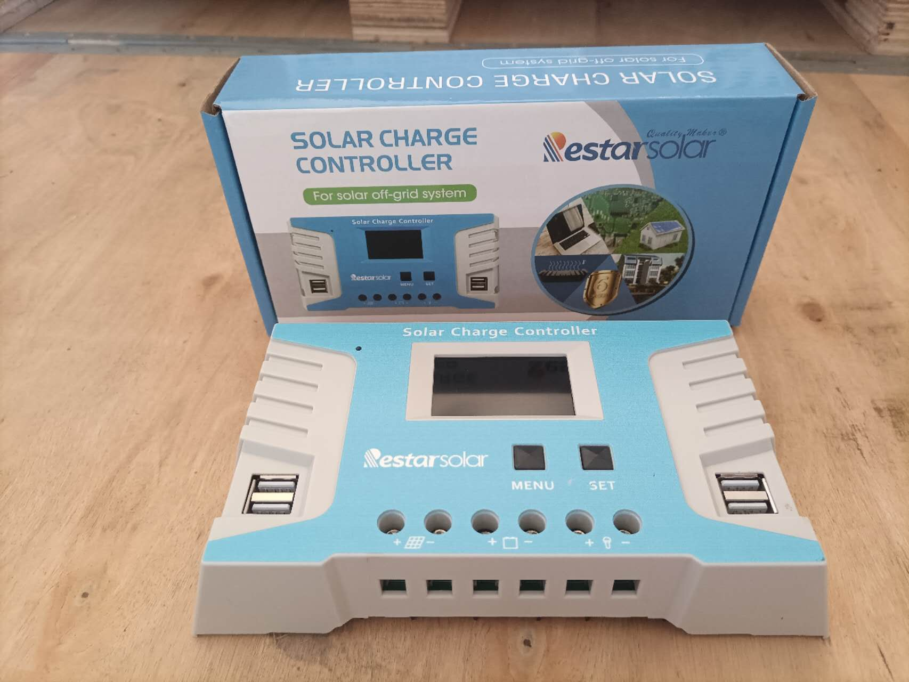
CT controller | 40A | 7,350 | 6,650
CT controller | 50A | 11,200 | 10,500
CT controller | 60A | 11,900 | 11,200
Controller | Model | <4pcs | 4pcs <=
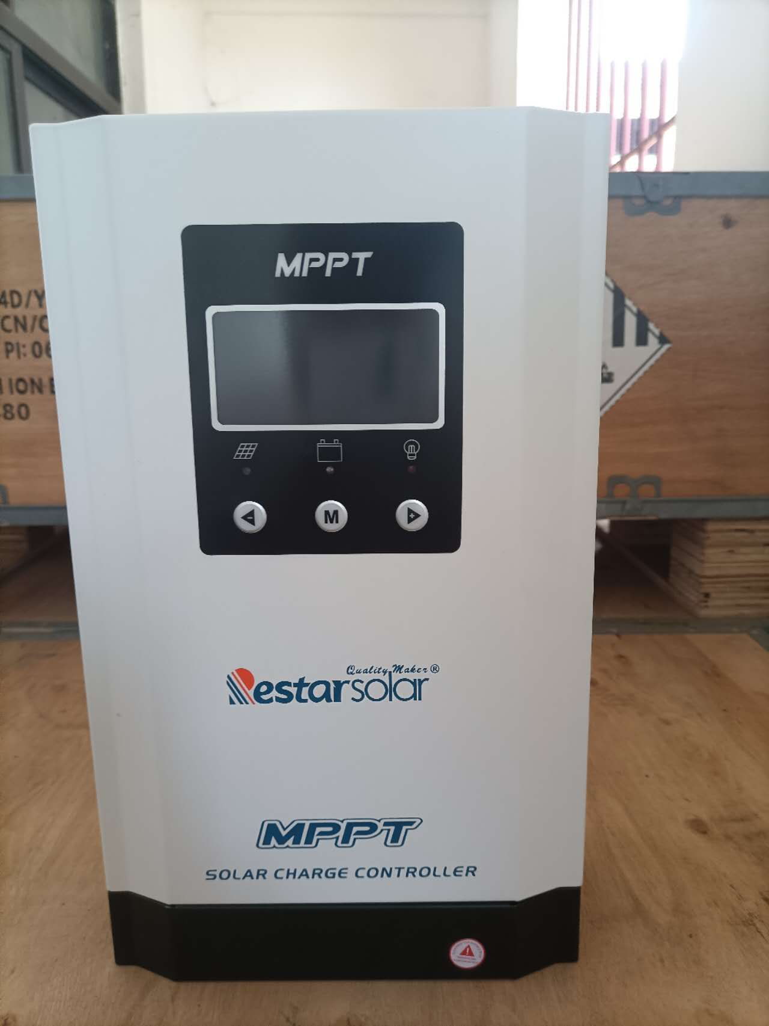
MPPT controller | 30A | 50,000 | 47,000
MPPT controller | 40A | 52,000 | 49,000
MPPT controller | 50A | 65,000 | 61,000
MPPT controller | 60A | 66,000 | 62,000
MPPT controller | 80A | 96,000 | 90,000
MPPT controller | 100A | 99,000 | 93,000
Others | Model | <3pcs | >=4pcs
Frzeer | BDBC-208L | 280,000 | 270,000
Frzeer | BDBC-268L | 300,000 | 290,000
Refrigerator | BCD-178L | 270,000 | 260,000
Road Light | 200W | 16,000
Road Light | 300W | 20,000
Road Light | 500W | 31,000
Flood Light RT-N100 | RT-N100 | 9,000
Flood Light RT-N200 | RT-N200 | 12,000
Flood Light RT-N300 | RT-N300 | 16,000
Flood Light RT-N500 | RT-N500 | 20,000
Flood Light | 300W/ 30W PANELS | 21,850
Flood Light | 500W/ 35W PANELS | 26,600
Flood Light | 800W/ 40W PANELS | 37,050
Pole for ST Light | Only buy pole 3000, 1500 with the Road light
Ceiling fan | C-24DC | 9,800
Solar fan | S-16DC | 9,100
Cable | Model | <=2roll | 3roll<=-<10roll | 10roll<=-<20roll | 20roll<=

Cable | 2x1.5(100meters/roll) | 50000
Cable | 2x2.5(100meters/roll) | 70000
Cable | 2x4.0(100meters/roll) | 100,000
Cable | 2x6.0(100meters/roll) | 140,000
Cable | 2x10.0(100meters/roll) | 220,000
Cable | 2x16.0(100meters/roll) | 340,000
Cable | 1X4.0(100meters/roll) | 40250 | 38500 | 36750
Cable | 1x6.0(100meters/roll) | 57500 | 55000 | 52500

