流程
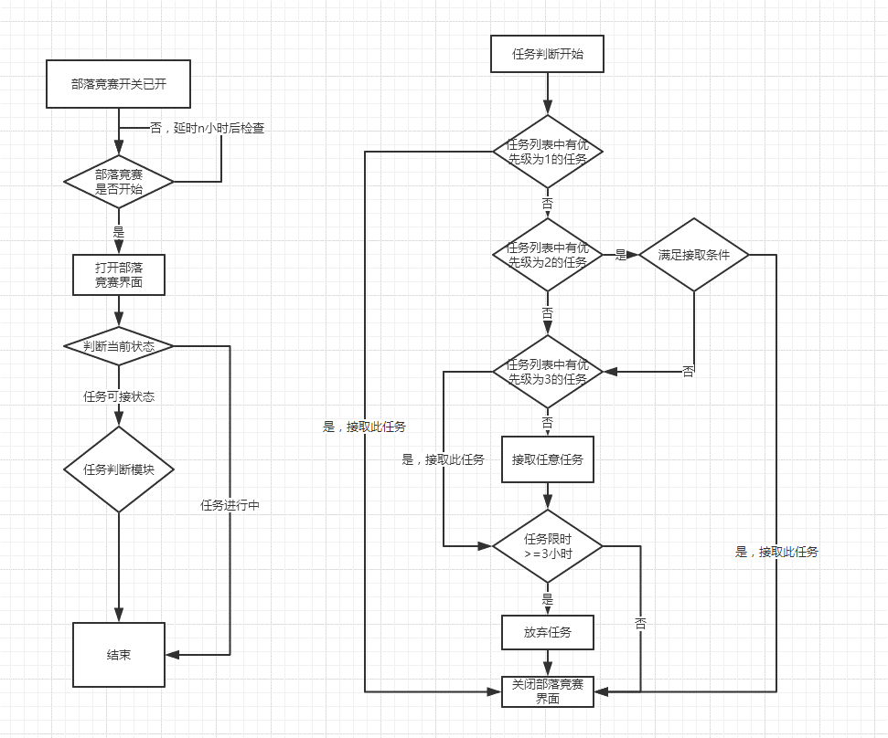
基本规则： 1. 部落竞赛任务列表中随机刷新12个任务； 2. 同一部落同一时间所有人可见任务相同； 3. 当任务列表中的任务被接取后，此任务消失并刷新一个新任务； 4. 任务列表中的任务无人接取则一直存在于列表中； 5. 任务在限定时间内完成可获得部落竞赛积分； 6. 主动放弃任务后，（放弃任务次数*10）分钟后才可接取下一个任务。
流程思路： 1. 优先级为1的任务容易完成，出现后优先接取； 2. 优先级为2的任务需要结合当前账号情况接取； 3. 优先级为3的任务无法完成，出现后应尽快刷新掉。 4. 尽可能少的放弃任务，放弃任务过多会严重增加接取任务间隔时间。

