Peak properties
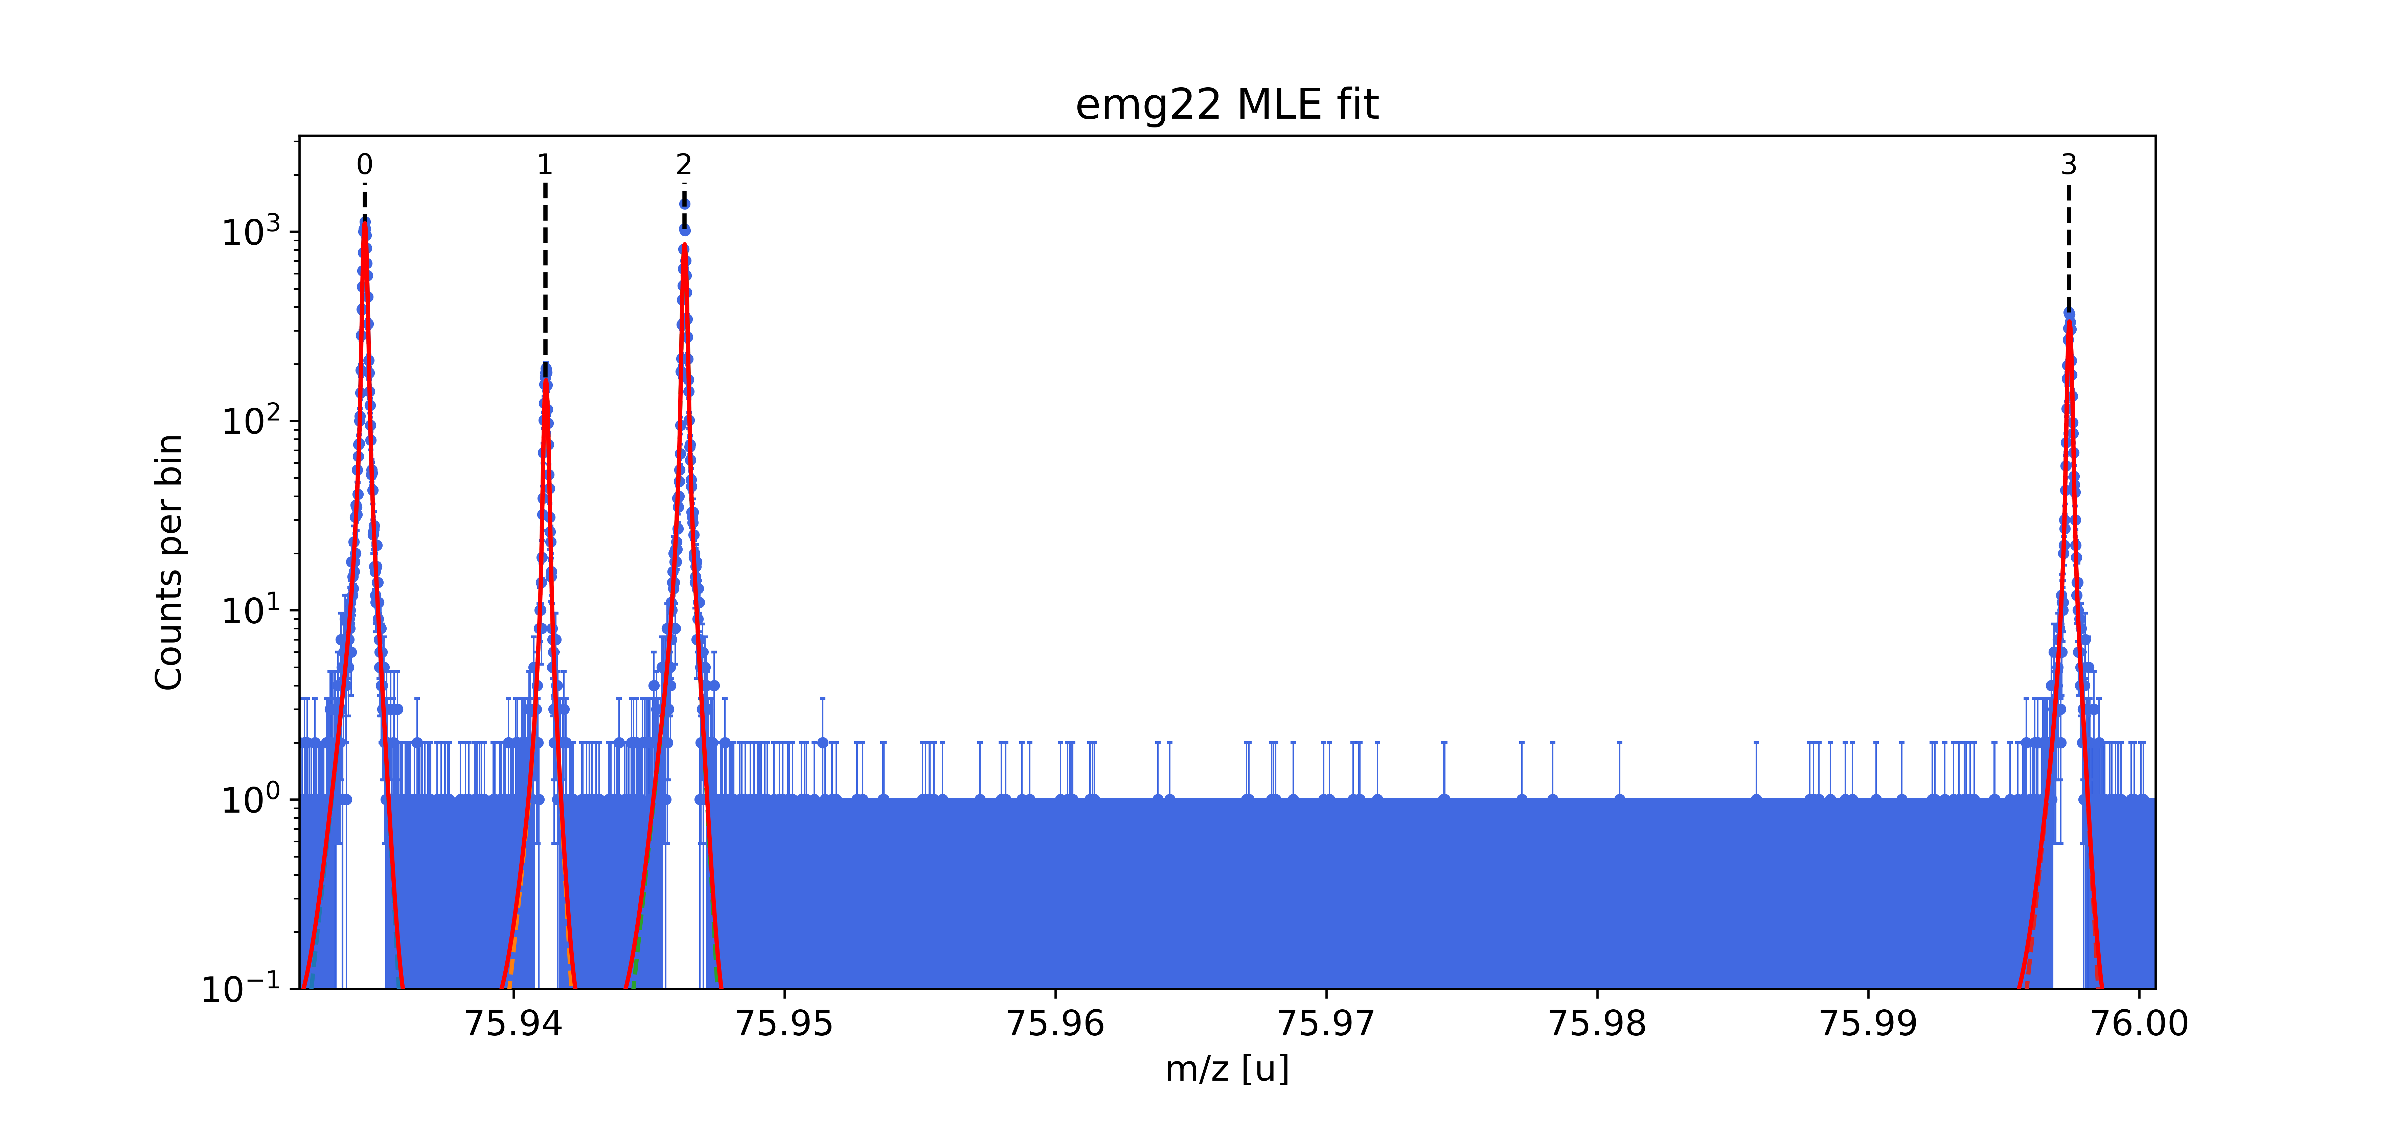
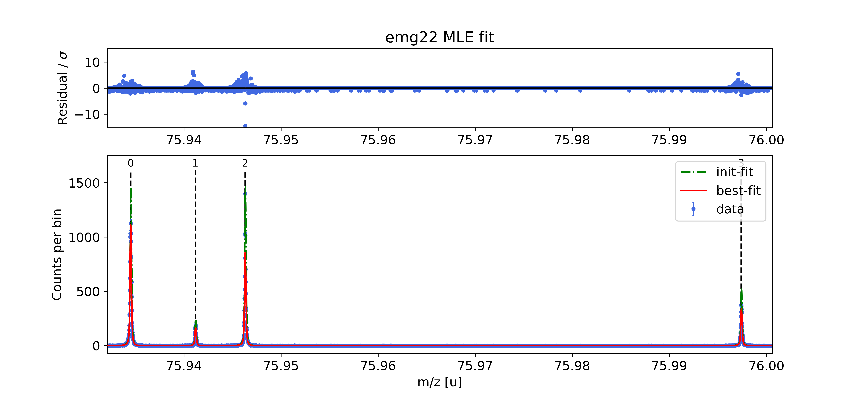
Peak index | x_pos | species | comment | A | z | m_AME | m_AME_error | extrapolated | fit_model | cost_func | red_chi | area | area_error | m_ion | rel_stat_error | rel_recal_error | rel_peakshape_error | rel_mass_error | atomic_ME_keV | mass_error_keV | m_dev_keV
0 | 75.934508685 | Rb76:-1e | shape & mass calibrant | 76 | 1 | 75.934524452 | 0.000001006 | FALSE | emg22 | MLE | 0.63 | 14298.14 | 119.76 | 75.934524452 | 1.0074360089E-08 | 1.6643579615E-08 |  |  | -60479.088 |  | 0
1 | 75.941174827 | Sr76:-1e | - | 76 | 1 | 75.941214181 | 0.000037 | FALSE | emg22 | MLE | 0.63 | 2117.04 | 46.81 | 75.94120896 | 2.6179073373E-08 | 1.6643579615E-08 | 7.4001553042E-09 | 3.1892239238E-08 | -54252.509 | 2.256 | -4.864
2 | 75.946304113 | Rb85:-1e | Used as TDC calibrant | 85 | 1 | 84.911241158 | 5.34E-09 | FALSE | emg22 | MLE | 0.63 | 11023.74 | 106.28 | 75.946324515 | 1.1471628319E-08 | 1.6643579615E-08 | 8.1693665533E-09 | 2.1802420705E-08 | -8432934.321 | 1.542 | -8350766.982
3 | 75.997405939 | Rb87:-1e | - | 87 | 1 | 86.908631951 | 0.000000006 | FALSE | emg22 | MLE | 0.63 | 4312.59 | 66.35 | 75.997433787 | 1.8328557886E-08 | 1.6643579615E-08 | 4.8744318683E-09 | 2.5233011367E-08 | -10248314.54 | 1.786 | -10163716.74

