Sheet1
Unnamed: 0 | 店名 | 地址 | 营业电话 | 店铺首页图片地址 | 主页地址
0
1
2 | APR POWER TOOLS INDONESIA | DM.8, Jl. Green Sedayu Biz Park No.27 | 0899-0905-002 | https://maps.gstatic.com/tactile/pane/result-no-thumbnail-1x.png | https://www.google.com/maps/place/APR+POWER+TOOLS+INDONESIA/data=!4m7!3m6!1s0x2e69f90065a78547:0x9c705a24298d3eb3!8m2!3d-6.1540441!4d106.6909891!16s%2Fg%2F11vm4xysd2!19sChIJR4WnZQD5aS4Rsz6NKSRacJw?authuser=0&hl=zh-CN&rclk=1 | 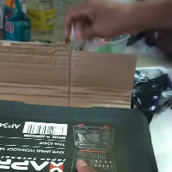
3 | Doliz Indonesia | Jl. Mangga Besar 1 No.50, RT.3/RW.6 | (021) 6256060 | https://lh5.googleusercontent.com/p/AF1QipMoHD-g2OsIzgRuDjhBaEtAP9GNsthzQZK1OpG5=w80-h106-k-no | https://www.google.com/maps/place/Doliz+Indonesia/data=!4m7!3m6!1s0x2e69f5e286bf4215:0x358d1ec3825bf284!8m2!3d-6.1471796!4d106.8185432!16s%2Fg%2F11fqkrnp_x!19sChIJFUK_huL1aS4RhPJbgsMejTU?authuser=0&hl=zh-CN&rclk=1 | 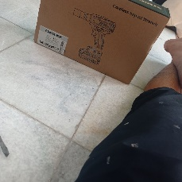
4 | SNAP-ON, BLUE-POINT, STANLEY, DEWALT, BRITOOL, KNIPEX, RENNSTEIG, KARCHER, SWIPE-ALL | Golden Road, Blok C28, No. 10, ITC BSD City | 0811-882-177 | https://lh5.googleusercontent.com/p/AF1QipP_2PJtYxXc6C6SFPt3s0DhaE8-ScuVYa-Q-Wah=w81-h92-k-no | https://www.google.com/maps/place/SNAP-ON,+BLUE-POINT,+STANLEY,+DEWALT,+BRITOOL,+KNIPEX,+RENNSTEIG,+KARCHER,+SWIPE-ALL/data=!4m7!3m6!1s0x2e69fbc7939770e7:0x7afe9f5d0a8308e!8m2!3d-6.2897099!4d106.6640588!16s%2Fg%2F11rhnny0tx!19sChIJ53CXk8f7aS4RjjCo0PXprwc?authuser=0&hl=zh-CN&rclk=1 | 
5 | gudangpowertools | Ps. Hwi-lindeteves Pusat Sarana Teknik | 0811-1001-4305 | https://lh5.googleusercontent.com/p/AF1QipMYCO_8_Jzc2FU14DwTnqp167xQoVHOJiPKIfGV=w80-h106-k-no | https://www.google.com/maps/place/gudangpowertools/data=!4m7!3m6!1s0x2e69f700357f2ac5:0xec1711281d7902c1!8m2!3d-6.144549!4d106.8159498!16s%2Fg%2F11vs3kj8j0!19sChIJxSp_NQD3aS4RwQJ5HSgRF-w?authuser=0&hl=zh-CN&rclk=1 | 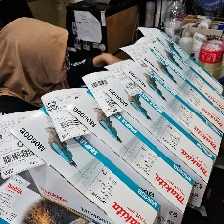
6 | The Power Tools | patokan belakang kantor rw 15 Rumah, Jl. Budi Mulia Blk. C No.41B | 0821-2722-1357 | https://lh5.googleusercontent.com/p/AF1QipO_M2JLtXm-EXV6AkEZ0QJhFM-kzUQKkw2FlQ9Q=w92-h92-k-no | https://www.google.com/maps/place/The+Power+Tools/data=!4m7!3m6!1s0x2e6a1f7e422c0f2b:0xc404151819307e97!8m2!3d-6.1347189!4d106.8385633!16s%2Fg%2F11vq4b63y1!19sChIJKw8sQn4fai4Rl34wGRgVBMQ?authuser=0&hl=zh-CN&rclk=1 | 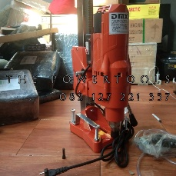
7 | Power Tools Makita | Industrial Estate Batam Centre | 0821-7136-3020 | https://lh5.googleusercontent.com/p/AF1QipP7dKRUI_MAHaai-JQ6_S8XnTDWGe5rivyLBsfS=w80-h106-k-no | https://www.google.com/maps/place/Power+Tools+Makita/data=!4m7!3m6!1s0x31d9898b2c040415:0x36da5348e9b0fedc!8m2!3d1.1162567!4d104.0479017!16s%2Fg%2F11stj7db98!19sChIJFQQELIuJ2TER3P6w6UhT2jY?authuser=0&hl=zh-CN&rclk=1 | 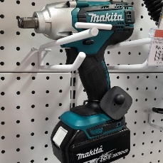
8 | SAHABAT TEKNIK INDONESIA | Jl. Hayam Wuruk No.2-5, RT.1/RW.6, Mangga Besar, Kec. Taman Sari Gedung Harco Glodok, Lantai 1 Blok.D56-58 | 0813-8788-7741 | https://lh5.googleusercontent.com/p/AF1QipN9b_N2SF2FIQrTBMrJbhXeL4Xm9wcQG0lOhxWA=w92-h92-k-no | https://www.google.com/maps/place/SAHABAT+TEKNIK+INDONESIA/data=!4m7!3m6!1s0x2e69f59127d3c19f:0x76bd33124b2890f2!8m2!3d-6.1439132!4d106.8155124!16s%2Fg%2F11fwk050b7!19sChIJn8HTJ5H1aS4R8pAoSxIzvXY?authuser=0&hl=zh-CN&rclk=1 | 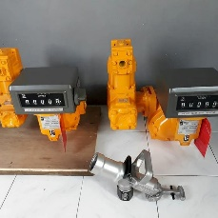
9 | Bosch Power Tool | Jl. Ikan Sura No.21 | (031) 60122222 | https://streetviewpixels-pa.googleapis.com/v1/thumbnail?panoid=s4rkmTUIs85TVp9RTk1ctQ&cb_client=search.gws-prod.gps&w=80&h=92&yaw=358.59848&pitch=0&thumbfov=100 | https://www.google.com/maps/place/Bosch+Power+Tool/data=!4m7!3m6!1s0x2dd7e52e4a8c8073:0xe9d537c63b8b23ae!8m2!3d-7.3532978!4d112.7733042!16s%2Fg%2F11bc7smf_p!19sChIJc4CMSi7l1y0RriOLO8Y31ek?authuser=0&hl=zh-CN&rclk=1
10 | Power Tools | Mega Glodok Kemayoran Lantai GF, Jl. Angkasa No.B6, RW.10 | (021) 26646340 | https://streetviewpixels-pa.googleapis.com/v1/thumbnail?panoid=luA66AGOQyA7ToR2YScGiQ&cb_client=search.gws-prod.gps&w=80&h=92&yaw=151.09232&pitch=0&thumbfov=100 | https://www.google.com/maps/place/Power+Tools/data=!4m7!3m6!1s0x2e69f596116d11fb:0xc47d0a9561977734!8m2!3d-6.1543835!4d106.8483609!16s%2Fg%2F1q5gkf7lm!19sChIJ-xFtEZb1aS4RNHeXYZUKfcQ?authuser=0&hl=zh-CN&rclk=1
11 | Indotool Store - Tangerang | Jl. Raya Perancis No.77 Ruko A12-18 Dadap, RT.004/RW.008 | (021) 55911890 | https://lh5.googleusercontent.com/p/AF1QipNI3p8Qf0h-6BZgHKW6llPBJSaFGKNxWSuXT0_N=w158-h92-k-no | https://www.google.com/maps/place/Indotool+Store+-+Tangerang/data=!4m7!3m6!1s0x2e6a02fc625eb487:0xe7f54dafd51e1e46!8m2!3d-6.1036476!4d106.6855356!16s%2Fg%2F11dz_px5qz!19sChIJh7ReYvwCai4RRh4e1a9N9ec?authuser=0&hl=zh-CN&rclk=1 | 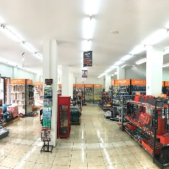
12 | Dca Professional Power Tools | Jl. Raden Saleh No.55 |  | https://streetviewpixels-pa.googleapis.com/v1/thumbnail?panoid=8HdzcE-Iv-0XA_H4cSxETQ&cb_client=search.gws-prod.gps&w=80&h=92&yaw=207.7738&pitch=0&thumbfov=100 | https://www.google.com/maps/place/Dca+Professional+Power+Tools/data=!4m7!3m6!1s0x2dd7f946c5d200fd:0xcb612fadc4c18e83!8m2!3d-7.250764!4d112.7321989!16s%2Fg%2F11fqhsf62q!19sChIJ_QDSxUb51y0Rg47BxK0vYcs?authuser=0&hl=zh-CN&rclk=1
13 | Tools Depot Indonesia | Jl. Jendral Sudirman Kav. 7-8 Karet Tengsin Tanah Abang Jakarta Pusat DKI Jakarta, RT.10/RW.11 | (021) 2510609 | https://streetviewpixels-pa.googleapis.com/v1/thumbnail?panoid=d5Pr94LTROTGSfexdNJq7A&cb_client=search.gws-prod.gps&w=80&h=92&yaw=281.28&pitch=0&thumbfov=100 | https://www.google.com/maps/place/Tools+Depot+Indonesia/data=!4m7!3m6!1s0x2e69f40322122acf:0x7fa65cddc38840c3!8m2!3d-6.2083949!4d106.8212259!16s%2Fg%2F1tg3f9qk!19sChIJzyoSIgP0aS4Rw0CIw91cpn8?authuser=0&hl=zh-CN&rclk=1
14 | BOSCH Power Tools Authorized Service Center Bandung | Bangunan Mart Building, Jl. Margacinta No.118 | 0813-2151-0108 | https://lh5.googleusercontent.com/p/AF1QipNIYT3M2P1k99wPGe5ePrsoRbRcl7GLx8pHSahe=w80-h102-k-no | https://www.google.com/maps/place/BOSCH+Power+Tools+Authorized+Service+Center+Bandung/data=!4m7!3m6!1s0x2e68e9682114bcc7:0x1cb0c94bd876c6eb!8m2!3d-6.9556178!4d107.6524319!16s%2Fg%2F11h5smx2gk!19sChIJx7wUIWjpaC4R68Z22EvJsBw?authuser=0&hl=zh-CN&rclk=1 | 
15 | Modern Power Tools | 2Q27+GR6 |  | https://streetviewpixels-pa.googleapis.com/v1/thumbnail?panoid=llTJKztxggQZ9O-QqAzwxw&cb_client=search.gws-prod.gps&w=80&h=92&yaw=255.6245&pitch=0&thumbfov=100 | https://www.google.com/maps/place/Modern+Power+Tools/data=!4m7!3m6!1s0x2e3b9df7656e6879:0xb7dbb158942837a7!8m2!3d-2.9987113!4d104.7645047!16s%2Fg%2F11f3hc2kp0!19sChIJeWhuZfedOy4RpzcolFix27c?authuser=0&hl=zh-CN&rclk=1
16 | Tora Tools | Jl.TAMAN MERUYA ILIR NO.8 K RT 18/004, RT.18/RW.4 | 0852-8246-6070 | https://lh5.googleusercontent.com/p/AF1QipOi2nNjuEBPyec4gE74ynEW7sUl3jyRitm5v7Iy=w92-h92-k-no | https://www.google.com/maps/place/Tora+Tools/data=!4m7!3m6!1s0x2e69f7282cfb0a4b:0xefb252085fd6b171!8m2!3d-6.2001595!4d106.7391433!16s%2Fg%2F11llxy715h!19sChIJSwr7LCj3aS4RcbHWXwhSsu8?authuser=0&hl=zh-CN&rclk=1 | 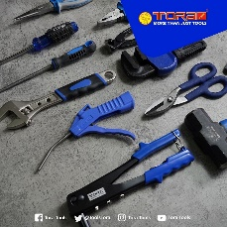
17 | UD. Sejahtera (Dealer Resmi MAKITA) | · | 0896-2863-3287 | https://lh5.googleusercontent.com/p/AF1QipPXPSMtm_gN-xRkbS_TQhlTEpN8rmIKm40vSNJ3=w138-h92-k-no | https://www.google.com/maps/place/UD.+Sejahtera+%28Dealer+Resmi+MAKITA%29/data=!4m7!3m6!1s0x2e69f70e5bfb8945:0xba08e23c4dafd425!8m2!3d-6.18699!4d106.7550016!16s%2Fg%2F11gfn4mzvs!19sChIJRYn7Ww73aS4RJdSvTTziCLo?authuser=0&hl=zh-CN&rclk=1 | 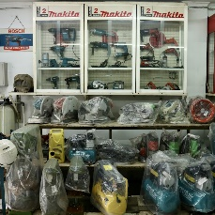
18 | Graha Teknik | · | 0896-1377-7324 | https://lh5.googleusercontent.com/p/AF1QipMR0FVk5fmnVvs5suep_BAhVtq3RrbMoU--FNgr=w80-h106-k-no | https://www.google.com/maps/place/Graha+Teknik/data=!4m7!3m6!1s0x2e69fc0d66d3aa31:0xb20d45ff204a5fa6!8m2!3d-6.2714398!4d106.6322524!16s%2Fg%2F1yfh_jtd7!19sChIJMarTZg38aS4Rpl9KIP9FDbI?authuser=0&hl=zh-CN&rclk=1 | 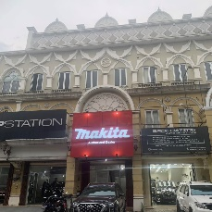
19 | Bosch power tools | Mitra 10 Daan Mogot, Jl. Raya Daan Mogot Jl. Tampak Siring No.2, RT.2/RW.12 | 0821-1404-6197 | https://lh5.googleusercontent.com/p/AF1QipMMvTt8YIs0kqGiBWw4xEIqf8o3xXJNYSH18LAe=w80-h150-k-no | https://www.google.com/maps/place/Bosch+power+tools/data=!4m7!3m6!1s0x2e69f998dfafe153:0xd8698e7ca898c031!8m2!3d-6.1542708!4d106.7143691!16s%2Fg%2F11rb_sf2_v!19sChIJU-Gv35j5aS4RMcCYqHyOadg?authuser=0&hl=zh-CN&rclk=1 | 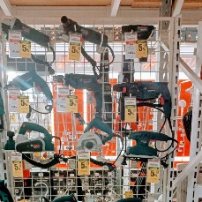
20 | RONIX TOOLS INDONESIA | Jl. Pangrango No.7B | 0813-8886-9998 | https://lh5.googleusercontent.com/p/AF1QipOaguN5stR6pOa908vSfp5ZYUtt0u0JfKl0T6ou=w163-h92-k-no | https://www.google.com/maps/place/RONIX+TOOLS+INDONESIA/data=!4m7!3m6!1s0x2e698dd91dd9895d:0xf2fb240136eb67fd!8m2!3d-6.2618506!4d106.9297764!16s%2Fg%2F11jt0ddzcr!19sChIJXYnZHdmNaS4R_WfrNgEk-_I?authuser=0&hl=zh-CN&rclk=1 | 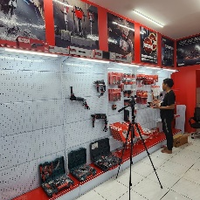
21 | Fajar Tools | Jl. Panglima Polim, RT.001/RW.005 | 0822-7878-9878 | https://lh5.googleusercontent.com/p/AF1QipOBbOYzRzPyu4irBpgrZ3UD5uP7lIeYlwtc-eDr=w122-h92-k-no | https://www.google.com/maps/place/Fajar+Tools/data=!4m7!3m6!1s0x2e69f902bbcfe94d:0xb88ffba6bc720a93!8m2!3d-6.1805334!4d106.6655374!16s%2Fg%2F11fxvwjw6c!19sChIJTenPuwL5aS4RkwpyvKb7j7g?authuser=0&hl=zh-CN&rclk=1 | 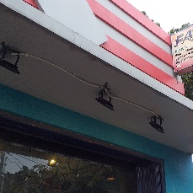
22 | Fajar Tools | Jl. Panglima Polim, RT.001/RW.005 | 0822-7878-9878 | https://lh5.googleusercontent.com/p/AF1QipOBbOYzRzPyu4irBpgrZ3UD5uP7lIeYlwtc-eDr=w122-h92-k-no | https://www.google.com/maps/place/Fajar+Tools/data=!4m7!3m6!1s0x2e69f902bbcfe94d:0xb88ffba6bc720a93!8m2!3d-6.1805334!4d106.6655374!16s%2Fg%2F11fxvwjw6c!19sChIJTenPuwL5aS4RkwpyvKb7j7g?authuser=0&hl=zh-CN&rclk=1
23 | Tools Toko | LTC Glodok, Lt. Dasar, No. 33, Jalan Hayam Wuruk Raya, RT.1/RW.6 | (021) 6280071 | https://maps.gstatic.com/tactile/pane/result-no-thumbnail-1x.png | https://www.google.com/maps/place/Tools+Toko/data=!4m7!3m6!1s0x2e69f60809811d1f:0xe5768f59674dd4c4!8m2!3d-6.1461404!4d106.8163718!16s%2Fg%2F1ptw31hf7!19sChIJHx2BCQj2aS4RxNRNZ1mPduU?authuser=0&hl=zh-CN&rclk=1
24 | BOSCH POWER TOOLS GADING SERPONG TANGERANG (MITRA10 GADING SERPONG) | Jl. BSD Boulevard Utara | 0895-1235-8383 | https://lh5.googleusercontent.com/p/AF1QipPFGBwEHzpuNfD3ekY-l0mXX3CoXtld_e56R1u_=w163-h92-k-no | https://www.google.com/maps/place/BOSCH+POWER+TOOLS+GADING+SERPONG+TANGERANG+%28MITRA10+GADING+SERPONG%29/data=!4m7!3m6!1s0x2e69fb1822408055:0x1eb4cf2739a6a40e!8m2!3d-6.2863367!4d106.6361094!16s%2Fg%2F11rgzy1n7d!19sChIJVYBAIhj7aS4RDqSmOSfPtB4?authuser=0&hl=zh-CN&rclk=1 | 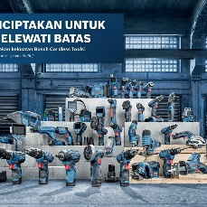
25 | Indotool Store - Cikarang | Jl Kenari Jaya Blok A-08, Delta Commercial Park, RW.1 | 0811-1998-193 | https://lh5.googleusercontent.com/p/AF1QipM-jKK8c1t_pXZc-Q62lc6XF2vekJiuxx8OIpLm=w163-h92-k-no | https://www.google.com/maps/place/Indotool+Store+-+Cikarang/data=!4m7!3m6!1s0x2e699b5f40504939:0xa88d81321dd4067f!8m2!3d-6.3530372!4d107.1702842!16s%2Fg%2F11hdq8xw5c!19sChIJOUlQQF-baS4RfwbUHTKBjag?authuser=0&hl=zh-CN&rclk=1 | 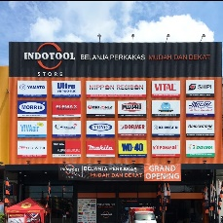
26 | BOSCH POWER TOOLS CIKARANG (PRATAMA HYUNDAI) | · | 0838-4347-7324 | https://lh5.googleusercontent.com/p/AF1QipN3-oG4PApiRT2RkxuAFOJcHhZYpTpYbLcW_Wa5=w80-h106-k-no | https://www.google.com/maps/place/BOSCH+POWER+TOOLS+CIKARANG+%28PRATAMA+HYUNDAI%29/data=!4m7!3m6!1s0x2e699b6b5b2cfa45:0x50ce3d3a7c1793a8!8m2!3d-6.3395111!4d107.1203912!16s%2Fg%2F11qp0fh2xh!19sChIJRfosW2ubaS4RqJMXfDo9zlA?authuser=0&hl=zh-CN&rclk=1 | 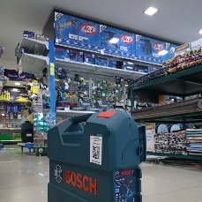
27 | Magic Saw Indonesia | RVWX+449, Jl. Raya Bukit Gading Villa, RT.12/RW.7 |  | https://lh5.googleusercontent.com/p/AF1QipPUutsSdDIn7bewXlv4o2qIFd_hwrWHi1Iq8yc4=w80-h110-k-no | https://www.google.com/maps/place/Magic+Saw+Indonesia/data=!4m7!3m6!1s0x2e69f5386132ad83:0x44a904c74178ab7a!8m2!3d-6.1547094!4d106.8978645!16s%2Fg%2F11bxf8vd41!19sChIJg60yYTj1aS4Reqt4QccEqUQ?authuser=0&hl=zh-CN&rclk=1 | 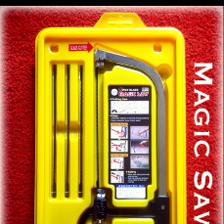
28 | Euro Tools Indonesia | Jl. Rawa Bali II No.1, RW.3 | (021) 46835150 | https://streetviewpixels-pa.googleapis.com/v1/thumbnail?panoid=f6tKxQimZeW2sNiu3k74Sg&cb_client=search.gws-prod.gps&w=80&h=92&yaw=120.885925&pitch=0&thumbfov=100 | https://www.google.com/maps/place/Euro+Tools+Indonesia/data=!4m7!3m6!1s0x2e698b32da2965d9:0x7a9763d1ca1f820a!8m2!3d-6.1859738!4d106.9131478!16s%2Fg%2F1tf90x30!19sChIJ2WUp2jKLaS4RCoIfytFjl3o?authuser=0&hl=zh-CN&rclk=1
29 | Delta Usaha Teknik, PT. | Jl. Pangeran Jayakarta No.68 C/21, RT.10/RW.10 | 0812-9074-5500 | https://maps.gstatic.com/tactile/pane/result-no-thumbnail-1x.png | https://www.google.com/maps/place/Delta+Usaha+Teknik,+PT./data=!4m7!3m6!1s0x2e69f706f5563baf:0x11f2643ed0a6540e!8m2!3d-6.1468817!4d106.8308582!16s%2Fg%2F11gw2p_npc!19sChIJrztW9Qb3aS4RDlSm0D5k8hE?authuser=0&hl=zh-CN&rclk=1
30 | Global Tools Indonesia. PT | Gedung Kawan Lama 6th Floor, JL. Puri Kencana, 1, Jakarta, 11180, RT.11/RW.7 | (021) 5825555 | https://streetviewpixels-pa.googleapis.com/v1/thumbnail?panoid=g11aTypzgoas0fC6G3JEPg&cb_client=search.gws-prod.gps&w=80&h=92&yaw=175.93835&pitch=0&thumbfov=100 | https://www.google.com/maps/place/Global+Tools+Indonesia.+PT/data=!4m7!3m6!1s0x2e69f712ea8e850f:0xaac30bad5059b9ee!8m2!3d-6.1904963!4d106.7485948!16s%2Fg%2F11r93vz6q!19sChIJD4WO6hL3aS4R7rlZUK0Lw6o?authuser=0&hl=zh-CN&rclk=1
31 | Meltri - Toko Alat Teknik Online | Komplek Taman Palem Galaxy, Jl. Kamal Raya Outer Ring Road Blok L-10 | (021) 55962870 | https://lh5.googleusercontent.com/p/AF1QipPPP1uMfgHaos1xnPzjA322iyBTHPu6PGH0iIEs=w137-h92-k-no | https://www.google.com/maps/place/Meltri+-+Toko+Alat+Teknik+Online/data=!4m7!3m6!1s0x2e6a1d55d5661973:0x1081027417abcb9e!8m2!3d-6.1363037!4d106.729435!16s%2Fg%2F11cjkj0k86!19sChIJcxlm1VUdai4RnsurF3QCgRA?authuser=0&hl=zh-CN&rclk=1 | 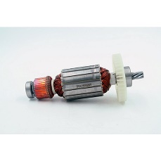
32 | YUNIKA TOOL STORE | Jl. Bubutan No.142 | (031) 5354698 | https://lh5.googleusercontent.com/p/AF1QipNlInK0VMDE7Cah4svFOZO9yDv9onHwyP4pLpnb=w92-h92-k-no | https://www.google.com/maps/place/YUNIKA+TOOL+STORE/data=!4m7!3m6!1s0x2dd7f94102376099:0xc7bba44ad6854e1f!8m2!3d-7.248909!4d112.736408!16s%2Fg%2F1pzxrk1y7!19sChIJmWA3AkH51y0RH06F1kqku8c?authuser=0&hl=zh-CN&rclk=1 | 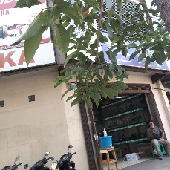
33 | Mesin HL Power Tools | · | 0813-5000-7220 | https://lh5.googleusercontent.com/p/AF1QipNeDYA8KA68LMHATDTucAQ2NvYcY-6N5m05Jd2P=w80-h142-k-no | https://www.google.com/maps/place/Mesin+HL+Power+Tools/data=!4m7!3m6!1s0x2e69f74654ab73ad:0xb8c2f7e9f0bc9d34!8m2!3d-6.1539883!4d106.7695081!16s%2Fg%2F11rgszg07x!19sChIJrXOrVEb3aS4RNJ288On3wrg?authuser=0&hl=zh-CN&rclk=1 | 
34 | KRISBOW KENARI | · | 0822-9898-4302 | https://lh5.googleusercontent.com/p/AF1QipM78f73JQjK7GIJLNnBbVxGGa3_F9V-cvTJhiqo=w163-h92-k-no | https://www.google.com/maps/place/KRISBOW+KENARI/data=!4m7!3m6!1s0x2e69f446235607a9:0x911de137561188aa!8m2!3d-6.1913106!4d106.8485233!16s%2Fg%2F1tdnt9m6!19sChIJqQdWI0b0aS4RqogRVjfhHZE?authuser=0&hl=zh-CN&rclk=1 | 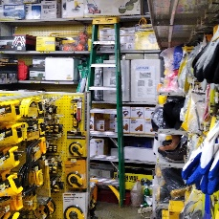
35 | Solusi Tools Shop | · | 0812-8794-2363 | https://lh5.googleusercontent.com/p/AF1QipOzTnOwIBHXVoNfnMgfPIy-IBUkVxBK4iuw_TjK=w80-h142-k-no | https://www.google.com/maps/place/Solusi+Tools+Shop/data=!4m7!3m6!1s0x2e69f53401e01c59:0xc3b729c9e351346!8m2!3d-6.1622901!4d106.9039684!16s%2Fg%2F1hf2h_s1t!19sChIJWRzgATT1aS4RRhM1npxyOww?authuser=0&hl=zh-CN&rclk=1 | 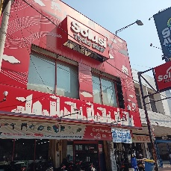
36 | Kawan Lama Solution / Krisbow Cimanggis | Jl. Raya Jakarta-Bogor | (021) 29384301 | https://lh5.googleusercontent.com/p/AF1QipN6fX5gm-8zh_2fZT6YurJ1Vn41-2Gtzy12YBcx=w122-h92-k-no | https://www.google.com/maps/place/Kawan+Lama+Solution+%2F+Krisbow+Cimanggis/data=!4m7!3m6!1s0x2e69ec612956e1ab:0xc8a7783961c194c3!8m2!3d-6.3625971!4d106.859277!16s%2Fg%2F1pzrk84n7!19sChIJq-FWKWHsaS4Rw5TBYTl4p8g?authuser=0&hl=zh-CN&rclk=1 | 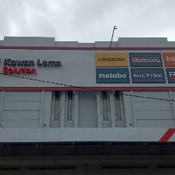
37 | Alat Teknik Kita by PT Centralindo Abadi Teknik | · | 0822-3271-8284 | https://lh5.googleusercontent.com/p/AF1QipNEnq3JslYTYR2hnh65qY2eDobLAL9Wf0ABUOnH=w163-h92-k-no | https://www.google.com/maps/place/Alat+Teknik+Kita+by+PT+Centralindo+Abadi+Teknik/data=!4m7!3m6!1s0x2dd7fbad95555553:0x5b9963da40778524!8m2!3d-7.2949957!4d112.7610702!16s%2Fg%2F11dymw6_f2!19sChIJU1VVla371y0RJIV3QNpjmVs?authuser=0&hl=zh-CN&rclk=1 | 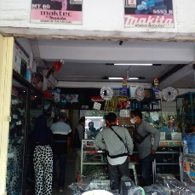
38 | Wira perkasa Genius tools indonesia | Jalan Hayam Wuruk.127 LTC GLODOK lantai sb blok a1 no 23, RT.9/RW.9 | (021) 6282859 | https://lh5.googleusercontent.com/p/AF1QipORkBwCJKlP5nVN2Dj3wQ5_4fVG5sEwwjesqhq6=w80-h106-k-no | https://www.google.com/maps/place/Wira+perkasa+Genius+tools+indonesia/data=!4m7!3m6!1s0x2e69f607e3da2057:0x8bdf8165df4a9246!8m2!3d-6.1511746!4d106.8173647!16s%2Fg%2F11ckvqhb9f!19sChIJVyDa4wf2aS4RRpJK32WB34s?authuser=0&hl=zh-CN&rclk=1 | 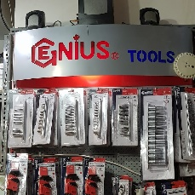
39 | Bosch Power Tools Center | Gg. Mitra I No.10, RT.03/RW.01 |  | https://streetviewpixels-pa.googleapis.com/v1/thumbnail?panoid=rDVRHnGX3h-yr5RyDYHPAA&cb_client=search.gws-prod.gps&w=80&h=92&yaw=356.76282&pitch=0&thumbfov=100 | https://www.google.com/maps/place/Bosch+Power+Tools+Center/data=!4m7!3m6!1s0x2e69c500499dc931:0x39ccc483bcf4e8d0!8m2!3d-6.5741997!4d106.7711181!16s%2Fg%2F11vsvkz_jz!19sChIJMcmdSQDFaS4R0Oj0vIPEzDk?authuser=0&hl=zh-CN&rclk=1
40 | Kenco Primadea | Kebayoran Arcade 1 Shopping complex, Jl. Boulevard Bintaro Jaya Blok C2 No.26 Sektor 7 | (021) 74866624 | https://lh5.googleusercontent.com/p/AF1QipPvtqmheG--DFwpech-9_ca_ALRnAba1It6_318=w122-h92-k-no | https://www.google.com/maps/place/Kenco+Primadea/data=!4m7!3m6!1s0x2e69f064fc572479:0xddeaba774cd9a463!8m2!3d-6.2730793!4d106.7152179!16s%2Fg%2F1pztlb3zp!19sChIJeSRX_GTwaS4RY6TZTHe66t0?authuser=0&hl=zh-CN&rclk=1 | 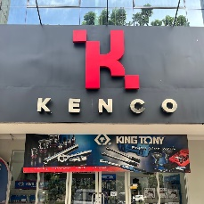
41 | Bintang Jaya Teknik | Samping PT BASF INDONESIA, Jl. Kp. Duri No.66, RT.5/RW.4 | 0812-8390-9889 | https://lh5.googleusercontent.com/p/AF1QipMujQKlsqKJnCc7OVJwYa4FuORLhPmjw5dG1noT=w80-h177-k-no | https://www.google.com/maps/place/Bintang+Jaya+Teknik/data=!4m7!3m6!1s0x2e69f94731468abb:0x304fe04674931d7e!8m2!3d-6.1565077!4d106.7220966!16s%2Fg%2F11q23flmyf!19sChIJu4pGMUf5aS4Rfh2TdEbgTzA?authuser=0&hl=zh-CN&rclk=1 | 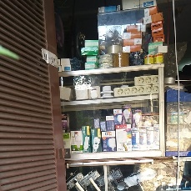
42 | Sunim Hardware Machinery | · | 0811-3699-969 | https://lh5.googleusercontent.com/p/AF1QipPkC5aa0UxuHr2KetisgTrd257yMSl3UeWFNt60=w122-h92-k-no | https://www.google.com/maps/place/Sunim+Hardware+Machinery/data=!4m7!3m6!1s0x2dd7f94495c9665f:0x56b0950edbe76bfd!8m2!3d-7.2507662!4d112.7334212!16s%2Fg%2F11m9q9pzp8!19sChIJX2bJlUT51y0R_Wvn2w6VsFY?authuser=0&hl=zh-CN&rclk=1 | 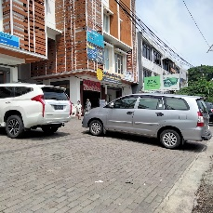
43 | Kawan Lama Solution / Krisbow Raden Saleh Surabaya | Jl. Raden Saleh No.19-19 A | (031) 5357715 | https://lh5.googleusercontent.com/p/AF1QipOxu0gBYNesC-I8bbIP4m44imNx8GjEVkLbu71R=w122-h92-k-no | https://www.google.com/maps/place/Kawan+Lama+Solution+%2F+Krisbow+Raden+Saleh+Surabaya/data=!4m7!3m6!1s0x2dd7f941463f5d83:0x78dfa8bc84c60d45!8m2!3d-7.2512818!4d112.7339274!16s%2Fg%2F11b6_v4_xx!19sChIJg10_RkH51y0RRQ3GhLyo33g?authuser=0&hl=zh-CN&rclk=1 | 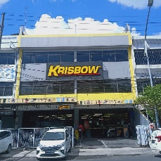
44 | Dewalt | Itc Glodok, Jl. Hayam Wuruk No.127, RT.1/RW.6 | 0813-3363-5151 | https://lh3.googleusercontent.com/gps-proxy/ALd4DhHrICfLVt9-oHC0i506SX8drNnEMdFsqjkIyGKHGe-MtEiKnxBsQX9P18HBPxJ24U5I_ys29o_wSewRztG6IZPrJzwEMraJtZcEBadZ_jPqqB8ClHXaiCbLqkNB0DB6BoH86yXs8WgkzEvJ0H4TWvHMTUL0kPUFWv1pmimCVEYRfhNkQhX-3eTdb_yfyYhROamS2A=w122-h92-k-no | https://www.google.com/maps/place/Dewalt/data=!4m7!3m6!1s0x2e69f607033444f5:0xd230d773812b9c28!8m2!3d-6.1415246!4d106.8169101!16s%2Fg%2F1tfwskxg!19sChIJ9UQ0Awf2aS4RKJwrgXPXMNI?authuser=0&hl=zh-CN&rclk=1
45 | Kawan Lama Solution / Krisbow Cibitung | Kawasan Industri Jababeka 1 Blok C16 AG&AH Jalan Jababeka IIG Kav. SIB | (021) 89832970 | https://lh5.googleusercontent.com/p/AF1QipMyYu1DGPj6nk-FhuIs54MBS4xs8Amvv6JrA88L=w163-h92-k-no | https://www.google.com/maps/place/Kawan+Lama+Solution+%2F+Krisbow+Cibitung/data=!4m7!3m6!1s0x2e699ad4e50d2b35:0xb9e69dcc02be79ce!8m2!3d-6.2871938!4d107.1489296!16s%2Fg%2F1hc2g12v3!19sChIJNSsN5dSaaS4Rznm-Asyd5rk?authuser=0&hl=zh-CN&rclk=1 | 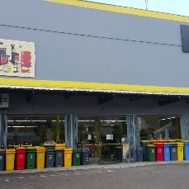
46 | Total Tools Indonesia | Jl. Pool PPD No.5 | (0621) 5452222 | https://lh5.googleusercontent.com/p/AF1QipMvRLDmtG1mIb7qeRnGREoj7p1TuimPuOOu3z4H=w138-h92-k-no | https://www.google.com/maps/place/Total+Tools+Indonesia/data=!4m7!3m6!1s0x2e69f7cbf7b34a79:0xd9a46d4bfb34afca!8m2!3d-6.1526881!4d106.7656627!16s%2Fg%2F11s7pvt21v!19sChIJeUqz98v3aS4Ryq80-0ttpNk?authuser=0&hl=zh-CN&rclk=1
47 | Perkakasku.com | · | 0812-2008-852 | https://lh5.googleusercontent.com/p/AF1QipPHPgVaQ2aRNZkdzxq4HNE67dnQKDVVNfNH9T72=w80-h106-k-no | https://www.google.com/maps/place/Perkakasku.com/data=!4m7!3m6!1s0x2e68e7c5cc8aca49:0xb9544f3fb5be99cc!8m2!3d-6.9127201!4d107.6361268!16s%2Fg%2F1tgv3ycy!19sChIJScqKzMXnaC4RzJm-tT9PVLk?authuser=0&hl=zh-CN&rclk=1 | 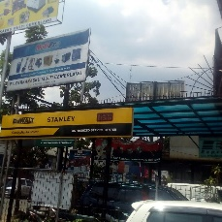
48 | INGCO Tools by GUNKA - HQ Surabaya | Jl. Raden Saleh No.8c | 0811-1883-315 | https://lh5.googleusercontent.com/p/AF1QipNexeqsybw1k3xCq5sNm76fN696xzdLyTfzWtho=w80-h106-k-no | https://www.google.com/maps/place/INGCO+Tools+by+GUNKA+-+HQ+Surabaya/data=!4m7!3m6!1s0x2dd7f977690f7e19:0x92831b2aacfcc4df!8m2!3d-7.2510708!4d112.7344696!16s%2Fg%2F11smv9pzzy!19sChIJGX4PaXf51y0R38T8rCobg5I?authuser=0&hl=zh-CN&rclk=1 | 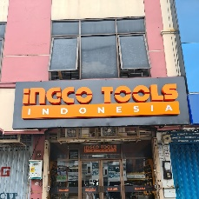
49 | Multitoolindo Sejahtera | Komplek Pertokoan Glodok Jaya, No. 63 - 64, Jl. Hayam Wuruk, RT.1/RW.6 | (021) 6267880 | https://lh5.googleusercontent.com/p/AF1QipMpuQ5AgHAQOJba-_S1KEkEQmYf6dAZHM_bT9Bp=w92-h92-k-no | https://www.google.com/maps/place/Multitoolindo+Sejahtera/data=!4m7!3m6!1s0x2e69f60792823eb5:0xa247f12fde79b5c4!8m2!3d-6.1445703!4d106.8177152!16s%2Fg%2F1yglqb76p!19sChIJtT6Ckgf2aS4RxLV53i_xR6I?authuser=0&hl=zh-CN&rclk=1 | 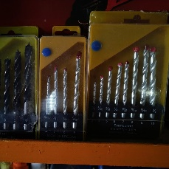
50 | Krisbow Bekasi | · | (021) 8229433 | https://lh5.googleusercontent.com/p/AF1QipNUxuHJLVkqw8_98m18yxYTBu6LOJnwhacA-RR1=w122-h92-k-no | https://www.google.com/maps/place/Krisbow+Bekasi/data=!4m7!3m6!1s0x2e698df2498460d5:0x671f6015afec7a97!8m2!3d-6.2855914!4d106.9873485!16s%2Fg%2F11b86mlpzs!19sChIJ1WCESfKNaS4Rl3rsrxVgH2c?authuser=0&hl=zh-CN&rclk=1 | 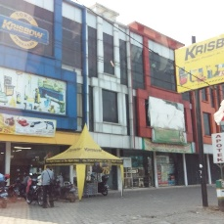
51 | SENTOSA TEKNIK | · | 0818-323-650 | https://lh5.googleusercontent.com/p/AF1QipNe3b0WFh4DEACQSvxd3a0iQmR2JwK0BIpagWBL=w80-h142-k-no | https://www.google.com/maps/place/SENTOSA+TEKNIK/data=!4m7!3m6!1s0x2dd7f94141876e4d:0x8e1323055f97f0d2!8m2!3d-7.2502449!4d112.7320791!16s%2Fg%2F1hm2r8z1b!19sChIJTW6HQUH51y0R0vCXXwUjE44?authuser=0&hl=zh-CN&rclk=1
52 | KRISBOW PADANG | · | (0751) 4488730 | https://lh5.googleusercontent.com/p/AF1QipOlip1RMULqRcenXyCwRKsfo8THeZemJQoHZHHs=w138-h92-k-no | https://www.google.com/maps/place/KRISBOW+PADANG/data=!4m7!3m6!1s0x2fd4b8ccb4a4e71b:0x3a9ebaa671819bdc!8m2!3d-0.927588!4d100.3519141!16s%2Fg%2F1pzt2dzc8!19sChIJG-ektMy41C8R3JuBcaa6njo?authuser=0&hl=zh-CN&rclk=1 | 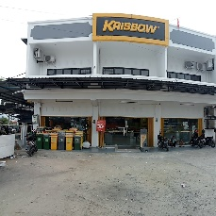
53 | Saerah Teknik Toko | · | (0361) 422443 | https://lh5.googleusercontent.com/p/AF1QipO1xEyuZ6qiBIUmYc016YpYFMDENJLMlu-5OQZQ=w196-h92-k-no | https://www.google.com/maps/place/Saerah+Teknik+Toko/data=!4m7!3m6!1s0x2dd23f4ce11c22fd:0xaa847e59bccdc5be!8m2!3d-8.6387545!4d115.2029342!16s%2Fg%2F1pzy4g0fq!19sChIJ_SIc4Uw_0i0RvsXNvFl-hKo?authuser=0&hl=zh-CN&rclk=1 | 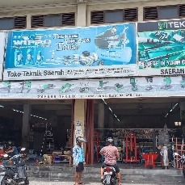
54 | PT. Indokita Powertools Balikpapan | Jl. Ahmad Yani No.8A | (0542) 420568 | https://lh5.googleusercontent.com/p/AF1QipM7E0hNFUtd4MzPN2F46ZmN53aAoXofWbwOXyhl=w122-h92-k-no | https://www.google.com/maps/place/PT.+Indokita+Powertools+Balikpapan/data=!4m7!3m6!1s0x2df147030ed42fc1:0xf41bb6e4f7f0998e!8m2!3d-1.2604758!4d116.8394418!16s%2Fg%2F1hm654l5q!19sChIJwS_UDgNH8S0Rjpnw9-S2G_Q?authuser=0&hl=zh-CN&rclk=1 | 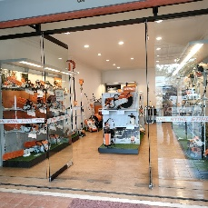
55 | Kawan Lama Solution / Krisbow Tangerang | Jl. Imam Bonjol No.17, RT.001/RW.004 | 0822-9898-4305 | https://lh5.googleusercontent.com/p/AF1QipPjCztGKQP06YrXXhjq3Qy0zex-rvFTChtTdg__=w122-h92-k-no | https://www.google.com/maps/place/Kawan+Lama+Solution+%2F+Krisbow+Tangerang/data=!4m7!3m6!1s0x2e69ff283269bbef:0x231fd35d56f5ce7e!8m2!3d-6.1878063!4d106.6254076!16s%2Fg%2F1pzr10hff!19sChIJ77tpMij_aS4Rfs71Vl3THyM?authuser=0&hl=zh-CN&rclk=1 | 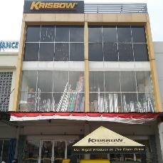
56 | Service Center Makita | No.2Q/79, Jl. Pandu | (061) 4577435 | https://lh3.googleusercontent.com/gps-proxy/ALd4DhGsO71xLxE_ff_4cf9SEEIQEMUqYPYkW0E9_2mfC1hFr5fpAVUJqhGidGA-8diJUxOZA-nFE75JtnjQ1kxmfzxZ7Chk6thyO8e7-Y5SoxT1Emjl4hSNl8A_D2YEYnFZ-6UIpKrrJ9cd5hg327WuNPsU8OuF5i926TSqM7WCYcazyLtrpOaXlGLn2aASEGokcairdHY=w122-h92-k-no | https://www.google.com/maps/place/Service+Center+Makita/data=!4m7!3m6!1s0x303131b51be55265:0x516baa10fe006a36!8m2!3d3.581967!4d98.684427!16s%2Fg%2F11b7qd_c3y!19sChIJZVLlG7UxMTARNmoA_hCqa1E?authuser=0&hl=zh-CN&rclk=1
57 | PT Krisbow Indonesia Semarang Branch | Jl. Jenderal Sudirman Kelurahan No.316-316 A | (024) 7602329 | https://lh5.googleusercontent.com/p/AF1QipNCkP_RONVhlJxJgMxla7LMeGzrNxa9_deSbHUC=w153-h92-k-no | https://www.google.com/maps/place/PT+Krisbow+Indonesia+Semarang+Branch/data=!4m7!3m6!1s0x2e70f355ee71de3d:0x30bdb8e127578cb6!8m2!3d-6.9830447!4d110.3915179!16s%2Fg%2F1hc30nhnn!19sChIJPd5x7lXzcC4RtoxXJ-G4vTA?authuser=0&hl=zh-CN&rclk=1 | 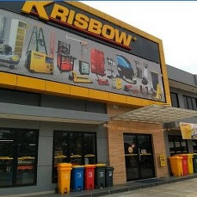
58 | PT. Jatmiko Cipta Karya | Jl. Kedungsari No.26-28 | (031) 99244313 | https://lh5.googleusercontent.com/p/AF1QipOTvCZVB0JFmWZ_bsypN5VDrXepx7zh_vnEjXCg=w122-h92-k-no | https://www.google.com/maps/place/PT.+Jatmiko+Cipta+Karya/data=!4m7!3m6!1s0x2dd7fbe1e1581c17:0x5094d1c95f000e11!8m2!3d-7.2673342!4d112.7341098!16s%2Fg%2F11c37hfqql!19sChIJFxxY4eH71y0REQ4AX8nRlFA?authuser=0&hl=zh-CN&rclk=1 | 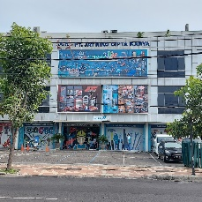
59 | Kern | · | (021) 8900140 | https://lh5.googleusercontent.com/p/AF1QipOwE_4TJLmUxzQIkyBU3-Zas0sqwCnWgXJcxD0p=w163-h92-k-no | https://www.google.com/maps/place/Kern/data=!4m7!3m6!1s0x2e6985048466c60d:0x6d448e228d1091ba!8m2!3d-6.2556414!4d107.1420833!16s%2Fg%2F1q6j4tnj5!19sChIJDcZmhASFaS4RupEQjSKORG0?authuser=0&hl=zh-CN&rclk=1 | 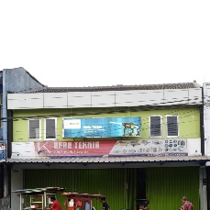
60 | Indah Jaya Teknik | · | 0819-2938-4384 | https://lh5.googleusercontent.com/p/AF1QipPQwvy_DC3mcay5Q6GC6rMbOSR3qRFAXNI2-s9b=w80-h142-k-no | https://www.google.com/maps/place/Indah+Jaya+Teknik/data=!4m7!3m6!1s0x2e68ef5397d86dbf:0xc992c9a0c3943f13!8m2!3d-6.9361512!4d107.5704145!16s%2Fg%2F11b6gf5ps_!19sChIJv23Yl1PvaC4REz-Uw6DJksk?authuser=0&hl=zh-CN&rclk=1 | 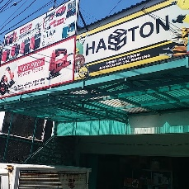
61 | Kawan Lama Solution / Krisbow Makassar Pettarani | · | (0411) 4669345 | https://lh5.googleusercontent.com/p/AF1QipOm6K4igPRY9TNeu-cheDd11dkNiib_cb5rC2Rd=w163-h92-k-no | https://www.google.com/maps/place/Kawan+Lama+Solution+%2F+Krisbow+Makassar+Pettarani/data=!4m7!3m6!1s0x2dbee326f4a98431:0x569eb7758f89f122!8m2!3d-5.1632353!4d119.4359706!16s%2Fg%2F11g2qldmgl!19sChIJMYSp9Cbjvi0RIvGJj3W3nlY?authuser=0&hl=zh-CN&rclk=1 | 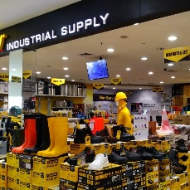
62 | Pusaka Hardware & Machineries | · | (022) 4238942 | https://lh5.googleusercontent.com/p/AF1QipN22l3G4J-nHUgq2smq6qHqt1Z10ECF4G-aP77J=w80-h142-k-no | https://www.google.com/maps/place/Pusaka+Hardware+%26+Machineries/data=!4m7!3m6!1s0x2e68e62dabded1cd:0xa48766449a2a1d8c!8m2!3d-6.9206769!4d107.6177024!16s%2Fg%2F11bbx01128!19sChIJzdHeqy3maC4RjB0qmkRmh6Q?authuser=0&hl=zh-CN&rclk=1 | 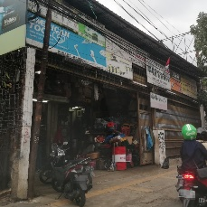
63 | Krisbow | Jl. Raya Mayor Oking Jaya Atmaja No.9A | 0822-9898-4304 | https://lh5.googleusercontent.com/p/AF1QipMUJ8eVTXY0Gs9XTo41-1ifn_FYyHzh6-46ZlS2=w80-h107-k-no | https://www.google.com/maps/place/Krisbow/data=!4m7!3m6!1s0x2e69c1d3d032834d:0xc1e3ccfa753999c8!8m2!3d-6.4797276!4d106.8653125!16s%2Fg%2F1hc4ks4m3!19sChIJTYMy0NPBaS4RyJk5dfrM48E?authuser=0&hl=zh-CN&rclk=1 | 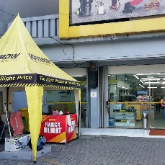
64 | Kawan Lama Solution / Krisbow Bandung | · | (022) 7337037 | https://lh5.googleusercontent.com/p/AF1QipN9LjFaXkftJiowZny6S1AkXW6En6uQASgsAU_S=w80-h142-k-no | https://www.google.com/maps/place/Kawan+Lama+Solution+%2F+Krisbow+Bandung/data=!4m7!3m6!1s0x2e68e86da22ca3e3:0xb34f8048df62f9ff!8m2!3d-6.9405131!4d107.6419156!16s%2Fg%2F1hc7s4jbw!19sChIJ46Msom3oaC4R__li30iAT7M?authuser=0&hl=zh-CN&rclk=1 | 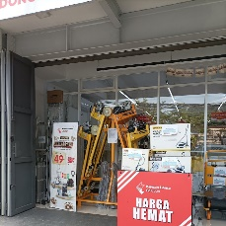
65 | Dewalt Indonesia | Jl. Merbabu No.187 | (061) 4523690 | https://streetviewpixels-pa.googleapis.com/v1/thumbnail?panoid=isa9RyxkFLaqRJFcGucWwQ&cb_client=search.gws-prod.gps&w=80&h=92&yaw=339.73425&pitch=0&thumbfov=100 | https://www.google.com/maps/place/Dewalt+Indonesia/data=!4m7!3m6!1s0x303131b145e484d7:0xd1cd7017c356b8f2!8m2!3d3.5862513!4d98.6882843!16s%2Fg%2F1pzyp63r3!19sChIJ14TkRbExMTAR8rhWwxdwzdE?authuser=0&hl=zh-CN&rclk=1
66 | Jaya Pratama Teknik Retailindo | · | 0881-5033-830 | https://lh5.googleusercontent.com/p/AF1QipPip-dA3Rpw9fzmYNYBBeqLJoQG0j_qXzVFtSed=w84-h92-k-no | https://www.google.com/maps/place/Jaya+Pratama+Teknik+Retailindo/data=!4m7!3m6!1s0x2dd240e86418bff7:0xaff8dc22e29639df!8m2!3d-8.6794548!4d115.2153397!16s%2Fg%2F11cn5ppzr6!19sChIJ978YZOhA0i0R3zmW4iLc-K8?authuser=0&hl=zh-CN&rclk=1 | 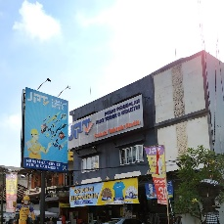
67 | Coofixtools | Jl. Laksana No.91 | 0812-6434-6667 | https://lh5.googleusercontent.com/p/AF1QipOiVCIeN_rjD_-m1jtWRPv9aufw6GTqPEXigCM=w122-h92-k-no | https://www.google.com/maps/place/Coofixtools/data=!4m7!3m6!1s0x3031319acf5c2773:0xadcbf6ec3dad75bf!8m2!3d3.5728587!4d98.6907788!16s%2Fg%2F11hf9fgsd5!19sChIJcydcz5oxMTARv3WtPez2y60?authuser=0&hl=zh-CN&rclk=1 | 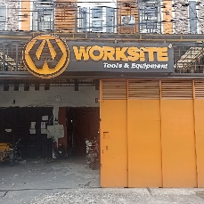
68 | Kawan Lama Solution / Krisbow Malang | Jl. Raden Panji Suroso No.13 | (0341) 4381907 | https://lh5.googleusercontent.com/p/AF1QipOyp9k-kcrJM3UZBOFNdA5VVzPHyAScXXuh_WZm=w80-h106-k-no | https://www.google.com/maps/place/Kawan+Lama+Solution+%2F+Krisbow+Malang/data=!4m7!3m6!1s0x2dd62819b9fc5c5d:0xcbaaa837c7e15100!8m2!3d-7.934659!4d112.649558!16s%2Fg%2F11c6vvdf7w!19sChIJXVz8uRko1i0RAFHhxzeoqss?authuser=0&hl=zh-CN&rclk=1 | 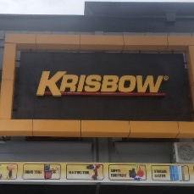
69 | Toko Perkakas Krisbow | · | (0967) 551887 | https://lh5.googleusercontent.com/p/AF1QipOHEFdf0IPVPP5S_zuCGAotNGNBC0dooD5LRslg=w162-h92-k-no | https://www.google.com/maps/place/Toko+Perkakas+Krisbow/data=!4m7!3m6!1s0x686c584e8bcfe787:0x6937d40a9bfee6f7!8m2!3d-2.5692954!4d140.6955186!16s%2Fg%2F1pzw23zwl!19sChIJh-fPi05YbGgR9-b-mwrUN2k?authuser=0&hl=zh-CN&rclk=1 | 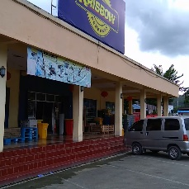
70 | Kawan Lama Solution / Krisbow Solo | · | (0271) 636738 | https://lh5.googleusercontent.com/p/AF1QipPX_NskuZXdgqogpktKxRW1ElSkRQ3bo_ANInQ8=w80-h106-k-no | https://www.google.com/maps/place/Kawan+Lama+Solution+%2F+Krisbow+Solo/data=!4m7!3m6!1s0x2e7a168b55f02709:0x9915b3412bddbb96!8m2!3d-7.5684195!4d110.8304003!16s%2Fg%2F11bxdwjlmf!19sChIJCSfwVYsWei4RlrvdK0GzFZk?authuser=0&hl=zh-CN&rclk=1 | 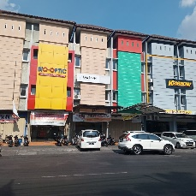
71 | PT. Krisbow Indonesia - Krisbow Pandaan | · | 0822-1181-8337 | https://lh5.googleusercontent.com/p/AF1QipPKhSCgJFyGJtqAjuFyE55vvgmBy-ceLxKTNFoy=w122-h92-k-no | https://www.google.com/maps/place/PT.+Krisbow+Indonesia+-+Krisbow+Pandaan/data=!4m7!3m6!1s0x2dd7d9e442aff40f:0x4fb6a1da6a70a3a7!8m2!3d-7.6528801!4d112.6861672!16s%2Fg%2F11bzq3bm6r!19sChIJD_SvQuTZ1y0Rp6Nwatqhtk8?authuser=0&hl=zh-CN&rclk=1 | 
72 | Dharma Precision Tools | Jl. Raya Inti No.12 Blok C | (021) 8973646 | https://lh5.googleusercontent.com/p/AF1QipPyfOTiyqMS50S95slL3dUolLA5Yyol877tQhon=w80-h142-k-no | https://www.google.com/maps/place/Dharma+Precision+Tools/data=!4m7!3m6!1s0x2e699b528b359197:0x319b037039f71de8!8m2!3d-6.3369293!4d107.1336212!16s%2Fg%2F1v387n10!19sChIJl5E1i1KbaS4R6B33OXADmzE?authuser=0&hl=zh-CN&rclk=1 | 
73 | Bumi Raya Toko | · | (021) 6010754 | https://streetviewpixels-pa.googleapis.com/v1/thumbnail?panoid=5gH-n2CvxmFhza32ZPRpWg&cb_client=search.gws-prod.gps&w=80&h=92&yaw=145.82828&pitch=0&thumbfov=100 | https://www.google.com/maps/place/Bumi+Raya+Toko/data=!4m7!3m6!1s0x2e69f5fd63eb78ed:0xf3066a5a8786c8d!8m2!3d-6.144311!4d106.818729!16s%2Fg%2F1thkntl9!19sChIJ7XjrY_31aS4RjWx4qKVmMA8?authuser=0&hl=zh-CN&rclk=1 | 
74 | Toko Perkakas Krisbow | · | (0911) 352656 | https://lh5.googleusercontent.com/p/AF1QipNRuSspk3xQ3Y9QS6_0ejYbrMVTX4QfOtOwEwZ2=w92-h92-k-no | https://www.google.com/maps/place/Toko+Perkakas+Krisbow/data=!4m7!3m6!1s0x2d6ce813972cfb27:0xd13eef8836872a02!8m2!3d-3.6993109!4d128.1812407!16s%2Fg%2F1pzrjf214!19sChIJJ_sslxPobC0RAiqHNojvPtE?authuser=0&hl=zh-CN&rclk=1 | 
75 | Warehouse INGCO Indonesia - Alat Teknik Profesional Berstandar Jerman | · | 0811-6201-188 | https://lh5.googleusercontent.com/p/AF1QipNLKfxKkSG1pW5T7pbmZ1Ex5NFiYbvguFJgd_8m=w122-h92-k-no | https://www.google.com/maps/place/Warehouse+INGCO+Indonesia+-+Alat+Teknik+Profesional+Berstandar+Jerman/data=!4m7!3m6!1s0x30313a77df04526f:0x6fca1b6be1090525!8m2!3d3.5401011!4d98.7150787!16s%2Fg%2F11b7vq_ldk!19sChIJb1IE33c6MTARJQUJ4Wsbym8?authuser=0&hl=zh-CN&rclk=1 | 
76 | Kawan Lama Solution / Krisbow Banyuwangi | Ruko Dhofin, Jl. Dr. Sutomo No.28, RT.03/RW.03 | (0333) 3384328 | https://lh5.googleusercontent.com/p/AF1QipOD5wAx5rtyCNA5H9NGGQM5kFkICpKbjv1cHKgJ=w199-h92-k-no | https://www.google.com/maps/place/Kawan+Lama+Solution+%2F+Krisbow+Banyuwangi/data=!4m7!3m6!1s0x2dd1452efa5f57cd:0xe1ec04e6e1874120!8m2!3d-8.2150284!4d114.3713964!16s%2Fg%2F11gfmc505n!19sChIJzVdf-i5F0S0RIEGH4eYE7OE?authuser=0&hl=zh-CN&rclk=1 | 
77 | Kawan Lama Solution / Krisbow Kudus | · | (0291) 431447 | https://lh5.googleusercontent.com/p/AF1QipM0lI-ucGURvshnV9NdKse1LyRPYT-UXGzxKVFZ=w122-h92-k-no | https://www.google.com/maps/place/Kawan+Lama+Solution+%2F+Krisbow+Kudus/data=!4m7!3m6!1s0x2e70c4eda5f707b1:0xf370b973ef1b5883!8m2!3d-6.8239699!4d110.8342986!16s%2Fg%2F11b6d0kb5d!19sChIJsQf3pe3EcC4Rg1gb73O5cPM?authuser=0&hl=zh-CN&rclk=1 | 
78 | Cahaya Nusantara Teknik LONTAR | · | 0811-3537-787 | https://lh5.googleusercontent.com/p/AF1QipNVX6vgV4OQKyDf74meHdx5uz5Pvo3sauB3Kkmm=w80-h142-k-no | https://www.google.com/maps/place/Cahaya+Nusantara+Teknik+LONTAR/data=!4m7!3m6!1s0x2dd7fdce081b7e61:0x49863423fed14418!8m2!3d-7.2839993!4d112.6684917!16s%2Fg%2F1pzv281w5!19sChIJYX4bCM791y0RGETR_iM0hkk?authuser=0&hl=zh-CN&rclk=1 | 
79 | ACE HARDWARE | 工具和用品连锁店 | 0895-7040-60100 | https://lh5.googleusercontent.com/p/AF1QipOF5mxTOyCiyBOvbCmme2qJ7cymXiDK2EYhxQeL=w122-h92-k-no | https://www.google.com/maps/place/ACE+HARDWARE/data=!4m7!3m6!1s0x2e69f3fc6c1d5803:0x88251ab6a219a0ea!8m2!3d-6.2242423!4d106.8226777!16s%2Fg%2F11g68_dj_2!19sChIJA1gdbPzzaS4R6qAZorYaJYg?authuser=0&hl=zh-CN&rclk=1 | 
80 | INGCO Tools by GUNKA - HQ Semarang | Jl. Sidorejo No.73 | 0851-7954-5902 | https://lh5.googleusercontent.com/p/AF1QipM8rLf9w3D-lK7Hsq1l9HgmLrjZqKDaSLj6onB6=w199-h92-k-no | https://www.google.com/maps/place/INGCO+Tools+by+GUNKA+-+HQ+Semarang/data=!4m7!3m6!1s0x2e708d988d56a84b:0x2e8329aa762ec1fa!8m2!3d-6.977473!4d110.4333008!16s%2Fg%2F11kpvtt73b!19sChIJS6hWjZiNcC4R-sEudqopgy4?authuser=0&hl=zh-CN&rclk=1 | 
81 | PT Krisbow Indonesia Branch Banjarmasin | · | 0823-7222-2340 | https://lh3.googleusercontent.com/gps-proxy/ALd4DhGQiBDUZz-rsrMWz8GxZxBPBYS4Fd3saDMLg-jVmRzIawTzwnEEGYrtVqJR10JeqHfh6EcNyOwVeZHGaO3wqyddzPIufqVMT-71CSgdyS1LGD4xqmPlnyQRSXm6bSrNFAHy5k6HJQk-4DRCz2GORh_T4L-z6vh_-X1q_srvGafULBfdw6G2BUYdekTaNrLUFIPQfKo=w122-h92-k-no | https://www.google.com/maps/place/PT+Krisbow+Indonesia+Branch+Banjarmasin/data=!4m7!3m6!1s0x2de426db028623bd:0x3a431acf44542b3d!8m2!3d-3.3595776!4d114.6342781!16s%2Fg%2F1hc9q7j9b!19sChIJvSOGAtsm5C0RPStURM8aQzo?authuser=0&hl=zh-CN&rclk=1 | 
82 | Duta Diesel / Bosch Power Tools Service Center | · | (061) 4538210 | https://lh5.googleusercontent.com/p/AF1QipMekmKglRLimEXNyu62Nvkx2tmUnOREtj6chvoN=w92-h92-k-no | https://www.google.com/maps/place/Duta+Diesel+%2F+Bosch+Power+Tools+Service+Center/data=!4m7!3m6!1s0x303131c82637b97b:0x93992f5b284072e!8m2!3d3.5885877!4d98.6818272!16s%2Fg%2F11g6rcq1x4!19sChIJe7k3JsgxMTARLgeEsvWSOQk?authuser=0&hl=zh-CN&rclk=1 | 
83 | Podomoro Palur | · | (0271) 821550 | https://lh5.googleusercontent.com/p/AF1QipN82VmuoIxoOmWqaScUUH41y-it9l5Q00nXqtWW=w205-h92-k-no | https://www.google.com/maps/place/Podomoro+Palur/data=!4m7!3m6!1s0x2e7a17a6dede0cb7:0x68312d40be6ff62c!8m2!3d-7.568252!4d110.8714405!16s%2Fg%2F11btx0cwnh!19sChIJtwze3qYXei4RLPZvvkAtMWg?authuser=0&hl=zh-CN&rclk=1 | 
84 | Kawan Lama Solution / Krisbow Tanjung Pinang | Jalan D I Panjaitan KM 8 NO 6 - 7 | (0771) 7335215 | https://lh5.googleusercontent.com/p/AF1QipMCps7cRY-cdFxqbw4_XVJQ6RulHubmpne-SADJ=w124-h92-k-no | https://www.google.com/maps/place/Kawan+Lama+Solution+%2F+Krisbow+Tanjung+Pinang/data=!4m7!3m6!1s0x31d96da021e03f97:0xae94061ce29f56a2!8m2!3d0.9149854!4d104.4958104!16s%2Fg%2F11g7zd6p1s!19sChIJlz_gIaBt2TERolaf4hwGlK4?authuser=0&hl=zh-CN&rclk=1 | 
85 | Kawan Lama Solution / Krisbow Purwakarta | Jl. Taman Pahlawan No.73 B, RT.016/RW.010 |  | https://lh5.googleusercontent.com/p/AF1QipO0bud7jIhT3Q-K_ygowwH2YLskRISOABMXLDcg=w122-h92-k-no | https://www.google.com/maps/place/Kawan+Lama+Solution+%2F+Krisbow+Purwakarta/data=!4m7!3m6!1s0x2e690f65a6de2af9:0x1a48c0702ef77c20!8m2!3d-6.5386077!4d107.4412574!16s%2Fg%2F11gmgd2mw6!19sChIJ-SrepmUPaS4RIHz3LnDASBo?authuser=0&hl=zh-CN&rclk=1 | 
86 | KRISBOW CIKAMPEK | Jl. By Pass Jomin Rawasari No.RT. 11/02 | 0812-1001-8313 | https://lh5.googleusercontent.com/p/AF1QipNLwM31C1JanQIh6iHTnZFnKRmRNwWU2dlKVFop=w80-h142-k-no | https://www.google.com/maps/place/KRISBOW+CIKAMPEK/data=!4m7!3m6!1s0x2e696db680460881:0xc480ffdfcf26f8c!8m2!3d-6.4187269!4d107.4828414!16s%2Fg%2F11h5w3n8l6!19sChIJgQhGgLZtaS4RjG_y_P0PSAw?authuser=0&hl=zh-CN&rclk=1 | 
87 | Solomon | · | (031) 5047939 | https://lh5.googleusercontent.com/p/AF1QipMG0lL5MX7aCrtHVIK3lpxFUzSVM2rT1vtG6TRI=w80-h142-k-no | https://www.google.com/maps/place/Solomon/data=!4m7!3m6!1s0x2dd7fbadd57ae3ab:0x7d613aa587f2dbc1!8m2!3d-7.29884!4d112.7570579!16s%2Fg%2F1hm44yjdl!19sChIJq-N61a371y0Rwdvyh6U6YX0?authuser=0&hl=zh-CN&rclk=1
88 | KRISBOW BALIKPAPAN | Lantai UG Living Plaza, Jl. MT Haryono No.86, RT.54 | 0821-2254-4359 | https://lh5.googleusercontent.com/p/AF1QipMQbNwaPY0IaTlvk-gwAfLObWO-r6XOfE4vyV2r=w122-h92-k-no | https://www.google.com/maps/place/KRISBOW+BALIKPAPAN/data=!4m7!3m6!1s0x2df147947403b9e3:0x4a067b115e888007!8m2!3d-1.2414047!4d116.8734277!16s%2Fg%2F11hyly0v44!19sChIJ47kDdJRH8S0RB4CIXhF7Bko?authuser=0&hl=zh-CN&rclk=1 | 
89 | Kawan Lama Solution / Krisbow Pontianak | · | 0821-1441-1357 | https://lh5.googleusercontent.com/p/AF1QipPvYdDahmnUSVAbUJ0kVZiSzEOgDXJtd50cKGg6=w159-h92-k-no | https://www.google.com/maps/place/Kawan+Lama+Solution+%2F+Krisbow+Pontianak/data=!4m7!3m6!1s0x2e1d5bcfdf0f6a6f:0x31e9b6e681312f77!8m2!3d-0.0257664!4d109.3324222!16s%2Fg%2F11g192n11n!19sChIJb2oP389bHS4Rdy8xgea26TE?authuser=0&hl=zh-CN&rclk=1 | 
90 | Untung Teknik | · | 0817-9340-947 | https://lh5.googleusercontent.com/p/AF1QipMhAHXZ08_jVg7r0_cxjgUOJ_XSbhXa-knGRPq_=w122-h92-k-no | https://www.google.com/maps/place/Untung+Teknik/data=!4m7!3m6!1s0x2dd7fbb2248a3279:0x8967d08da908c47d!8m2!3d-7.2926216!4d112.7619499!16s%2Fg%2F11cnlcbbl1!19sChIJeTKKJLL71y0RfcQIqY3QZ4k?authuser=0&hl=zh-CN&rclk=1 | 
91 | Sinar Laut FASTINDO TOOLS | Jl. Pertokoan Jl. Ruko Glodok Jaya No.20 Blok C, RT.1/RW.6 | (021) 6249686 | https://lh5.googleusercontent.com/p/AF1QipNp9qKE_2VvOb4pOJ52M_kb6EIMDaPs8rI0gDBT=w104-h92-k-no | https://www.google.com/maps/place/Sinar+Laut+FASTINDO+TOOLS/data=!4m7!3m6!1s0x2e69f607910b3bd5:0xb4d035aa66b18170!8m2!3d-6.144535!4d106.8166143!16s%2Fg%2F1vl5d5yb!19sChIJ1TsLkQf2aS4RcIGxZqo10LQ?authuser=0&hl=zh-CN&rclk=1 | 
92 | PT. YUPITER BARUJAYA | · | (0778) 456593 | https://lh5.googleusercontent.com/p/AF1QipOZxOIxafnKakmpkK6ueNuD0QdRQCD4GkgDcwma=w163-h92-k-no | https://www.google.com/maps/place/PT.+YUPITER+BARUJAYA/data=!4m7!3m6!1s0x31d9898132b2ed1d:0xdb5ecd8b9f490e93!8m2!3d1.1436152!4d104.0108295!16s%2Fg%2F11c3k2vjbl!19sChIJHe2yMoGJ2TERkw5Jn4vNXts?authuser=0&hl=zh-CN&rclk=1
93 | Hanna Teknik | · | (021) 77846746 | https://lh5.googleusercontent.com/p/AF1QipPDrXhEBR8Hg1eJDKGy1a8CdBBmDewmM9Rv1nHa=w122-h92-k-no | https://www.google.com/maps/place/Hanna+Teknik/data=!4m7!3m6!1s0x2e69ec5cb97255e3:0xcfabaea744c219cb!8m2!3d-6.4087239!4d106.858965!16s%2Fg%2F11b6xhgd23!19sChIJ41VyuVzsaS4RyxnCRKeuq88?authuser=0&hl=zh-CN&rclk=1 | 
94 | Kawan Lama Solution / Krisbow Gresik | · | 0821-1000-2331 | https://lh5.googleusercontent.com/p/AF1QipOZKViocoV51o1TEPYp4oiUD0Pp0Vu9fX23doHP=w122-h92-k-no | https://www.google.com/maps/place/Kawan+Lama+Solution+%2F+Krisbow+Gresik/data=!4m7!3m6!1s0x2dd8009cf1d9ec09:0x500e532f2c1a01ea!8m2!3d-7.140418!4d112.623827!16s%2Fg%2F11b6srj5zl!19sChIJCezZ8ZwA2C0R6gEaLC9TDlA?authuser=0&hl=zh-CN&rclk=1 | 
95 | KEN KEN Semarang | · | (024) 3545700 | https://lh5.googleusercontent.com/p/AF1QipMSV5oZlDWzKAIhXKmJOGprqJXzw62IjBF7Vs6-=w122-h92-k-no | https://www.google.com/maps/place/KEN+KEN+Semarang/data=!4m7!3m6!1s0x2e70f336545b7e77:0x5863357ee21dc7a3!8m2!3d-6.9707123!4d110.4287481!16s%2Fg%2F11fmvz_0y3!19sChIJd35bVDbzcC4Ro8cd4n41Y1g?authuser=0&hl=zh-CN&rclk=1 | 
96 | Jaya Bali Mesin & Alat Teknik | · | 0812-3631-2290 | https://lh5.googleusercontent.com/p/AF1QipMmfizpyBzSUwD8-W0WIcUQikQT4-ZEDtqpUrg=w153-h92-k-no | https://www.google.com/maps/place/Jaya+Bali+Mesin+%26+Alat+Teknik/data=!4m7!3m6!1s0x2dd240ad137df6e3:0x5a8863f2fbf69a12!8m2!3d-8.6603944!4d115.1907968!16s%2Fg%2F11c6dfz79s!19sChIJ4_Z9E61A0i0REpr2-_JjiFo?authuser=0&hl=zh-CN&rclk=1 | 
97 | Krisbow Jogja | · | (0274) 5012770 | https://lh5.googleusercontent.com/p/AF1QipO85ATKGEwZF6dp3YltyyODh58YV1HBb7piEJVQ=w122-h92-k-no | https://www.google.com/maps/place/Krisbow+Jogja/data=!4m7!3m6!1s0x2e7a584463a9c0e3:0x7354f2a014e4d62c!8m2!3d-7.768362!4d110.3616874!16s%2Fg%2F11dfhqy8l1!19sChIJ48CpY0RYei4RLNbkFKDyVHM?authuser=0&hl=zh-CN&rclk=1 | 
98 | PT. Citra Bintang Makmur | 4, Jl. Pinangsia Tim. Raya No.51, RT.4/RW.5 | (021) 6244903 |  | https://www.google.com/maps/place/PT.+Citra+Bintang+Makmur/data=!4m7!3m6!1s0x2e69f60093f5d345:0xebc15eb9cb40b9c6!8m2!3d-6.1388204!4d106.8165075!16s%2Fg%2F11hgj93_xy!19sChIJRdP1kwD2aS4RxrlAy7lewes?authuser=0&hl=zh-CN&rclk=1 | 
99 | PT. Aneka Perkakas Khatulistiwa | · | 0813-4767-8649 | https://lh5.googleusercontent.com/p/AF1QipPrfVA-njOXwIFgTkn1JzicIPp7N0V3vo5k-snO=w80-h106-k-no | https://www.google.com/maps/place/PT.+Aneka+Perkakas+Khatulistiwa/data=!4m7!3m6!1s0x2e1d59b327a56201:0x6fc7763f227a5d78!8m2!3d-0.0359178!4d109.3457038!16s%2Fg%2F11b6_dxsvm!19sChIJAWKlJ7NZHS4ReF16Ij92x28?authuser=0&hl=zh-CN&rclk=1
100 | Ponti Suri-4.. PT. Ponti Suri Group | · | 0811-5701-104 | https://lh5.googleusercontent.com/p/AF1QipPevzR_CC-tm5vSLWr-AzAD1Xw2zb2K-p7xxVzi=w167-h92-k-no | https://www.google.com/maps/place/Ponti+Suri-4..+PT.+Ponti+Suri+Group/data=!4m7!3m6!1s0x2e1d58ee18d93da7:0x2011db0dec435748!8m2!3d-0.0229787!4d109.3184473!16s%2Fg%2F11fylyq8p7!19sChIJpz3ZGO5YHS4RSFdD7A3bESA?authuser=0&hl=zh-CN&rclk=1 | 
101 | Krisbow Toko | · | 0852-7338-6044 | https://lh5.googleusercontent.com/p/AF1QipOh-bi7UX3yKKmwS0ZhqMnfEf9cBvRWTN2OIl3J=w80-h142-k-no | https://www.google.com/maps/place/Krisbow+Toko/data=!4m7!3m6!1s0x2e25889d6ff15fd9:0x84cb19b1445cc572!8m2!3d-1.6186024!4d103.6037441!16s%2Fg%2F1hc9zh5qv!19sChIJ2V_xb52IJS4RcsVcRLEZy4Q?authuser=0&hl=zh-CN&rclk=1 | 
102 | KEN KEN Indonesia | Jl. K.H. Agus Salim Ruko No.B3 | 0878-0255-6338 | https://lh5.googleusercontent.com/p/AF1QipNOWQbUOOyz24xBogWKPxf0ZwIdpSjgEtB99bdP=w84-h92-k-no | https://www.google.com/maps/place/KEN+KEN+Indonesia/data=!4m7!3m6!1s0x2e70f34f05d9d373:0x8886bb225fc2aea8!8m2!3d-6.970715!4d110.4287455!16s%2Fg%2F11jr9fn9d7!19sChIJc9PZBU_zcC4RqK7CXyK7hog?authuser=0&hl=zh-CN&rclk=1 | 
103 | Nata Teknik (Ex Nata Teknik Imam Bonjol) | · | 0822-4755-9999 | https://lh5.googleusercontent.com/p/AF1QipO5kh1UsEESk3DRwUPtNh-3lzogYPSF0ZR7rg0N=w163-h92-k-no | https://www.google.com/maps/place/Nata+Teknik+%28Ex+Nata+Teknik+Imam+Bonjol%29/data=!4m7!3m6!1s0x2dd24745795b1c77:0x44f4a28ce5541ba9!8m2!3d-8.6651951!4d115.1766137!16s%2Fg%2F11hd4xf1nl!19sChIJdxxbeUVH0i0RqRtU5Yyi9EQ?authuser=0&hl=zh-CN&rclk=1 | 
104 | Glodok Teknik | Jl. Keadilan No.19, RT.1/RW.7 | (021) 62201063 | https://lh3.googleusercontent.com/gps-proxy/ALd4DhEtl0UV_e4frFX2YYcfBTveXOGWlaN4dq89JnAfMigSnvKMTq8ZFkZmBbZTe1wEHH9Q-X0uAMA75-Rd2q5hy0_hE-b3nvfGAMsU7tgZW4-P0PgRNrwhStLWRrPX7_ZMsJ09bmcY5G-JlXT3lptDL7gCSCopiW-WYbp8euqS_HoWH_wSA1Eb8BfC_fg6uhH1A7x2Ktc=w122-h92-k-no | https://www.google.com/maps/place/Glodok+Teknik/data=!4m7!3m6!1s0x2e69f7d61a071059:0x32bdced404c5b567!8m2!3d-6.1483272!4d106.8146352!16s%2Fg%2F1v2sjdq5!19sChIJWRAHGtb3aS4RZ7XFBNTOvTI?authuser=0&hl=zh-CN&rclk=1
105 | Sama Teknik | TOKO SAMA TEKNIK, Jl. Syech Yusuf No.50 | 0895-0100-1588 | https://lh5.googleusercontent.com/p/AF1QipOmTSkOtycly1optlnf-bqrHRFE4nOwnT_GHHGC=w80-h106-k-no | https://www.google.com/maps/place/Sama+Teknik/data=!4m7!3m6!1s0x2dbf033f75adb3d1:0x60f83fd9dd8b9017!8m2!3d-5.1897986!4d119.4488294!16s%2Fg%2F11jlyky9wt!19sChIJ0bOtdT8Dvy0RF5CL3dk_-GA?authuser=0&hl=zh-CN&rclk=1 | 
106 | Vermont Hardware & Living Cimahi | · | 0812-9989-8598 | https://lh5.googleusercontent.com/p/AF1QipOrKvBF0aZO2HGC1x0f-5e-0ZkiCxqfJmM_EX9P=w122-h92-k-no | https://www.google.com/maps/place/Vermont+Hardware+%26+Living+Cimahi/data=!4m7!3m6!1s0x2e68e452c4095ae7:0x976dbeee2767d6dc!8m2!3d-6.8954797!4d107.5364562!16s%2Fg%2F1hc26_8bk!19sChIJ51oJxFLkaC4R3NZnJ-6-bZc?authuser=0&hl=zh-CN&rclk=1 | 
107 | Ace Hardware Palembang Trade Center (PTC MALL) | New Mall PTC, Jl. R. Sukamto No.8A lantai M1 | 0823-8058-5522 | https://lh5.googleusercontent.com/p/AF1QipMwgx3aBKfCgjWukMbYHCVpRnJEOFK0fsD4CdXA=w163-h92-k-no | https://www.google.com/maps/place/Ace+Hardware+Palembang+Trade+Center+%28PTC+MALL%29/data=!4m7!3m6!1s0x2e3b77ca93f321f5:0xf447f1ebf1713b44!8m2!3d-2.9504742!4d104.7608503!16s%2Fg%2F11fhr1p5h3!19sChIJ9SHzk8p3Oy4RRDtx8evxR_Q?authuser=0&hl=zh-CN&rclk=1 | 
108 | Kawan Lama Solution / Krisbow Purwokerto | Jl. S. Parman No.60 | (0281) 638832 | https://lh5.googleusercontent.com/p/AF1QipMGwW6yzg79l2f7_ubc8mrMhMbkHv_AdDXU3Cu3=w163-h92-k-no | https://www.google.com/maps/place/Kawan+Lama+Solution+%2F+Krisbow+Purwokerto/data=!4m7!3m6!1s0x2e655e9f2b1f4e6d:0x4da9d5236e0ec744!8m2!3d-7.4331316!4d109.2437038!16s%2Fg%2F11bc7q0_jf!19sChIJbU4fK59eZS4RRMcObiPVqU0?authuser=0&hl=zh-CN&rclk=1 | 
109 | PT. Citra Bintang Makmur | 4, Jl. Pinangsia Tim. Raya No.51, RT.4/RW.5 | (021) 6244903 | https://lh5.googleusercontent.com/p/AF1QipMj_qR-fO8eiGrCdoDTEXyZXptKeiGOB3JpcZ3I=w80-h142-k-no | https://www.google.com/maps/place/PT.+Citra+Bintang+Makmur/data=!4m7!3m6!1s0x2e69f60093f5d345:0xebc15eb9cb40b9c6!8m2!3d-6.1388204!4d106.8165075!16s%2Fg%2F11hgj93_xy!19sChIJRdP1kwD2aS4RxrlAy7lewes?authuser=0&hl=zh-CN&rclk=1
110 | Grand Prima | · | 0812-4415-8352 | https://lh5.googleusercontent.com/p/AF1QipM9eymMuUQBcsFO5XBoD6Qd1U63DeS0IrevRHr9=w92-h92-k-no | https://www.google.com/maps/place/Grand+Prima/data=!4m7!3m6!1s0x32877519f6692337:0x7138f00ecfef2196!8m2!3d1.487165!4d124.836687!16s%2Fg%2F11bc7pqnp4!19sChIJNyNp9hl1hzIRliHvzw7wOHE?authuser=0&hl=zh-CN&rclk=1 | 
111 | PT Ekatama Citrasukses | Jl. Pangeran Jayakarta 131A No. 44-45 | (021) 6265539 | https://lh5.googleusercontent.com/p/AF1QipM8eQshsIfFa2ZoZTHNlsQH0URbFT24C9itXmL6=w163-h92-k-no | https://www.google.com/maps/place/PT+Ekatama+Citrasukses/data=!4m7!3m6!1s0x2e69f652da604537:0x58836eb0fc135d0d!8m2!3d-6.1416595!4d106.8310961!16s%2Fg%2F1tkzjv7w!19sChIJN0Vg2lL2aS4RDV0T_LBug1g?authuser=0&hl=zh-CN&rclk=1 | 
112 | Makita Power Tools (Malaysia) Sdn Bhd | Lot 824, Jalan Subang 5 | +60 3-8023 0824 | https://lh5.googleusercontent.com/p/AF1QipP1jRhIrq_9eY46zW8MjnettavmxXl2KB5Xx3A8=w122-h92-k-no | https://www.google.com/maps/place/Makita+Power+Tools+%28Malaysia%29+Sdn+Bhd/data=!4m7!3m6!1s0x31cc4cb4287e45fd:0xb9071572fc433334!8m2!3d3.0392207!4d101.5966475!16s%2Fg%2F11clgq6y41!19sChIJ_UV-KLRMzDERNDND_HIVB7k?authuser=0&hl=zh-CN&rclk=1 | 
113 | Krisbow | Jl. Tuparev Cinangoh No.395 | (0267) 8454716 | https://lh5.googleusercontent.com/p/AF1QipP_LoGeaNXuPffkquLkKl7K7NNNNALUYu8nRTMe=w80-h106-k-no | https://www.google.com/maps/place/Krisbow/data=!4m7!3m6!1s0x2e6977e1b2431f07:0xcf7d6202d4d15961!8m2!3d-6.3085834!4d107.3095522!16s%2Fg%2F11clwnm0m_!19sChIJBx9DsuF3aS4RYVnR1AJifc8?authuser=0&hl=zh-CN&rclk=1 | 
114 | Authorized Bosch Service center | · | 0811-7226-338 | https://lh5.googleusercontent.com/p/AF1QipPgvyaBkCDvl0l14t0X7eLqzsS1gBvzpUGes_kS=w163-h92-k-no | https://www.google.com/maps/place/Authorized+Bosch+Service+center/data=!4m7!3m6!1s0x2e70f4c7ccaccf55:0x4a91e35b543771c2!8m2!3d-6.9663283!4d110.3993313!16s%2Fg%2F11f08b1v5h!19sChIJVc-szMf0cC4RwnE3VFvjkUo?authuser=0&hl=zh-CN&rclk=1 | 
115 | Wipro Shop | 002, Jl. Kedungsari No.28, RW.01 | (031) 99244313 | https://lh5.googleusercontent.com/p/AF1QipPRm0D4JjsebZVPesS-fFxnHW34Dhi1JbL5Rv79=w154-h92-k-no | https://www.google.com/maps/place/Wipro+Shop/data=!4m7!3m6!1s0x2dd7fbe1e275e003:0x4432bde5a977f63c!8m2!3d-7.2673595!4d112.7340972!16s%2Fg%2F11j2dnnpq9!19sChIJA-B14uH71y0RPPZ3qeW9MkQ?authuser=0&hl=zh-CN&rclk=1 | 
116 | PT. Fujiyama Marketing | · | (021) 6245858 | https://lh5.googleusercontent.com/p/AF1QipN1_tJTrB0GHKyGtkmH9wjDswRrw7Ci_4IJuHqX=w163-h92-k-no | https://www.google.com/maps/place/PT.+Fujiyama+Marketing/data=!4m7!3m6!1s0x2e69f600b1e19263:0xf7ab0d171b7f0a!8m2!3d-6.1405287!4d106.8171803!16s%2Fg%2F11tfg222vd!19sChIJY5LhsQD2aS4RCn8bFw2r9wA?authuser=0&hl=zh-CN&rclk=1 | 
117 | Semangat Teknik Medan | · | 0823-7026-6700 | https://lh5.googleusercontent.com/p/AF1QipMuVTSlkm8dYhgqxfi9HjU8CK00MBe9izIPH-1v=w92-h92-k-no | https://www.google.com/maps/place/Semangat+Teknik+Medan/data=!4m7!3m6!1s0x303131b5b9960c99:0x7e145d53d24c4da2!8m2!3d3.5838099!4d98.683997!16s%2Fg%2F11b7hy802d!19sChIJmQyWubUxMTARok1M0lNdFH4?authuser=0&hl=zh-CN&rclk=1
118 | Kawan Lama Solution / Krisbow Kediri | · | 0822-8985-4333 | https://lh5.googleusercontent.com/p/AF1QipP3PwSaQc7r4ijW4t7W02LU3aGZGKSZxeJoURL1=w122-h92-k-no | https://www.google.com/maps/place/Kawan+Lama+Solution+%2F+Krisbow+Kediri/data=!4m7!3m6!1s0x2e78576b5789047f:0xd299ebc3db619550!8m2!3d-7.8167934!4d112.0243486!16s%2Fg%2F11cmr13kd7!19sChIJfwSJV2tXeC4RUJVh28PrmdI?authuser=0&hl=zh-CN&rclk=1 | 
119 | ROYAL STAR INDONESIA | Komplek mulia indah no24/25 | (061) 6619933 | https://maps.gstatic.com/tactile/pane/result-no-thumbnail-1x.png | https://www.google.com/maps/place/ROYAL+STAR+INDONESIA/data=!4m7!3m6!1s0x303133f678de5985:0xae9d54abe210e63!8m2!3d3.6421606!4d98.6619607!16s%2Fg%2F11n964n_tj!19sChIJhVneePYzMTARYw4hvkrV6Qo?authuser=0&hl=zh-CN&rclk=1
120 | PT. INDOTEKNIK DOTCOM GEMILANG | · | 0812-8080-622 | https://lh5.googleusercontent.com/p/AF1QipNRIXIkvIjK7rApCqFX1V4wM8KruziytAK0MMoM=w80-h106-k-no | https://www.google.com/maps/place/PT.+INDOTEKNIK+DOTCOM+GEMILANG/data=!4m7!3m6!1s0x2e69f60810220ac3:0xf51b4dc3900205ce!8m2!3d-6.136572!4d106.7944133!16s%2Fg%2F11bx1gxrm2!19sChIJwwoiEAj2aS4RzgUCkMNNG_U?authuser=0&hl=zh-CN&rclk=1 | 
121 | TB. Pantes | · | (0271) 653694 | https://lh5.googleusercontent.com/p/AF1QipMf0VlrFQWqluLR__kPAII2chRj4qkIBapHI1u3=w80-h106-k-no | https://www.google.com/maps/place/TB.+Pantes/data=!4m7!3m6!1s0x2e7a16f552c6a4f7:0x347ceb648c8d2e33!8m2!3d-7.5670862!4d110.831181!16s%2Fg%2F1pzpyvljs!19sChIJ96TGUvUWei4RMy6NjGTrfDQ?authuser=0&hl=zh-CN&rclk=1 | 
122 | ACE HARDWARE – MARGONDA | · | 0896-3706-8550 | https://lh5.googleusercontent.com/p/AF1QipMJrzoRQatKPydWtmQdmMcEw9u7iJpJhs2h3Tef=w163-h92-k-no | https://www.google.com/maps/place/ACE+HARDWARE+%E2%80%93+MARGONDA/data=!4m7!3m6!1s0x2e69ebfaf9543ecd:0x23e0d19efebeb4d9!8m2!3d-6.3877667!4d106.8275003!16s%2Fg%2F1thqd51r!19sChIJzT5U-frraS4R2bS-_p7R4CM?authuser=0&hl=zh-CN&rclk=1 | 
123

