Charts
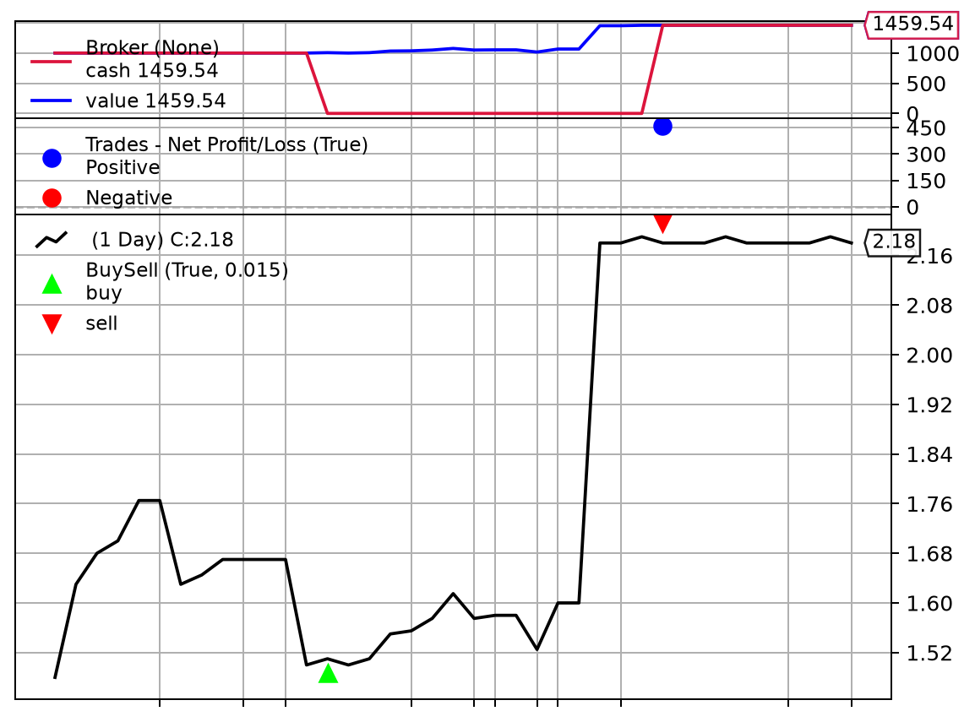
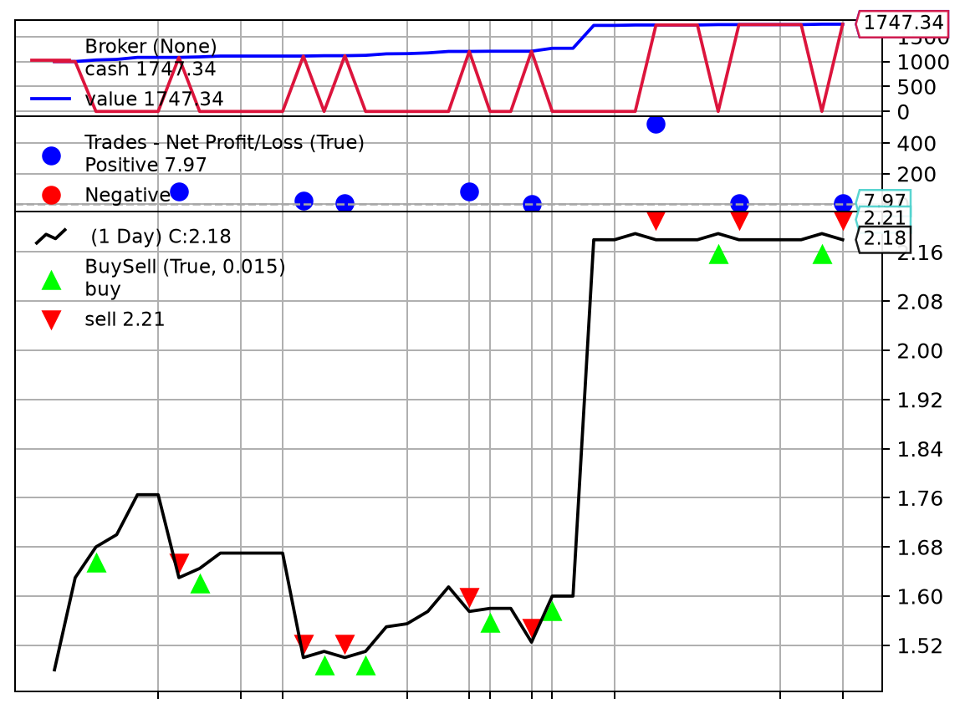
PSQ AT1 Visualisations
All eight required visualisations are embedded below. Source data and calculations are provided in the other worksheets.

Figure 1 - Close price versus volume | Figure 2 - OHLC stock movement
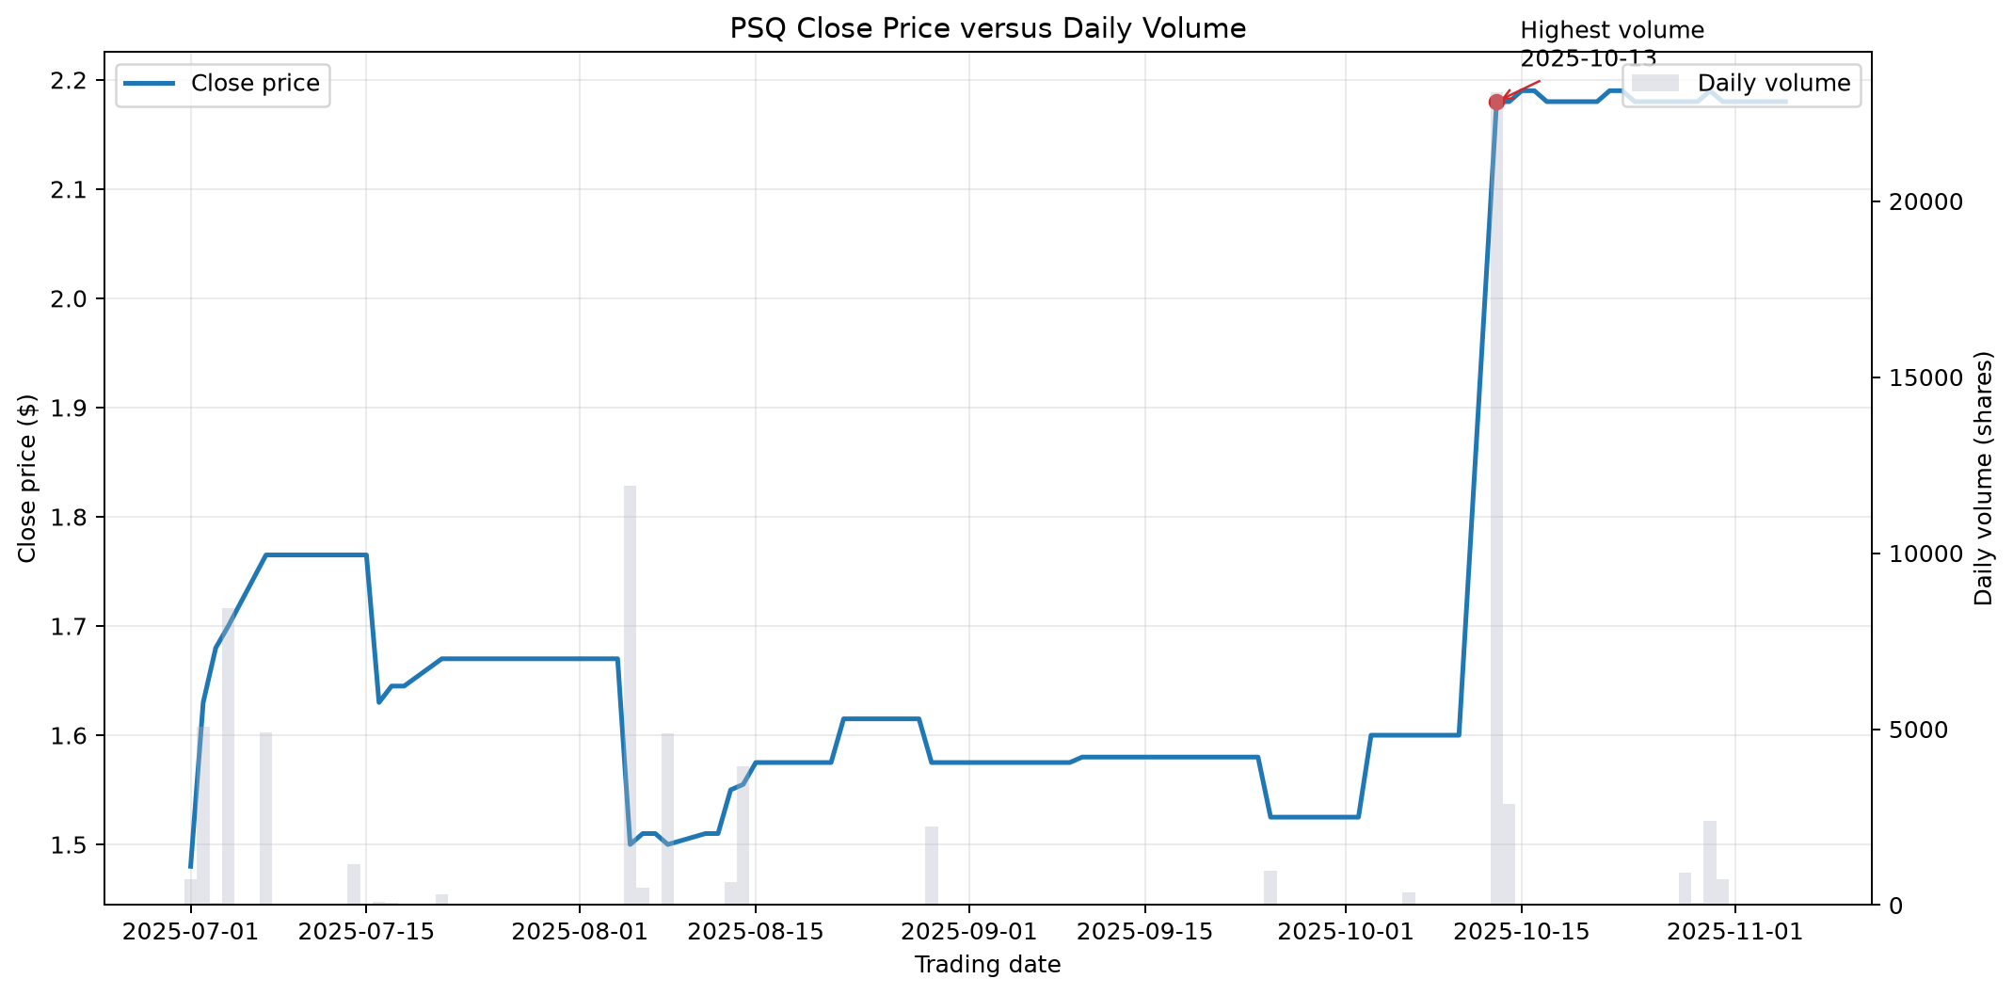
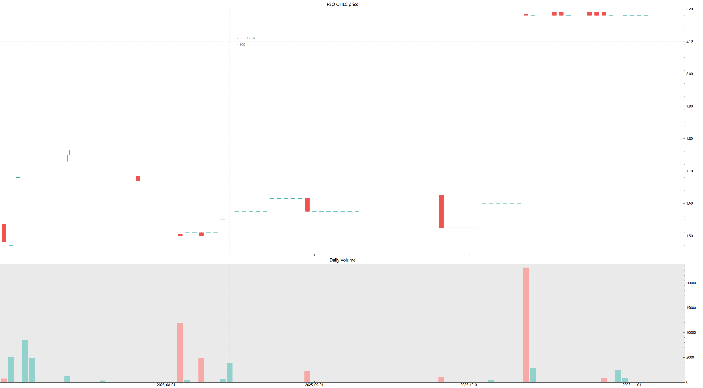

Figure 3 - Capitalisation versus issued shares | Figure 4 - Close price and dividend alternative
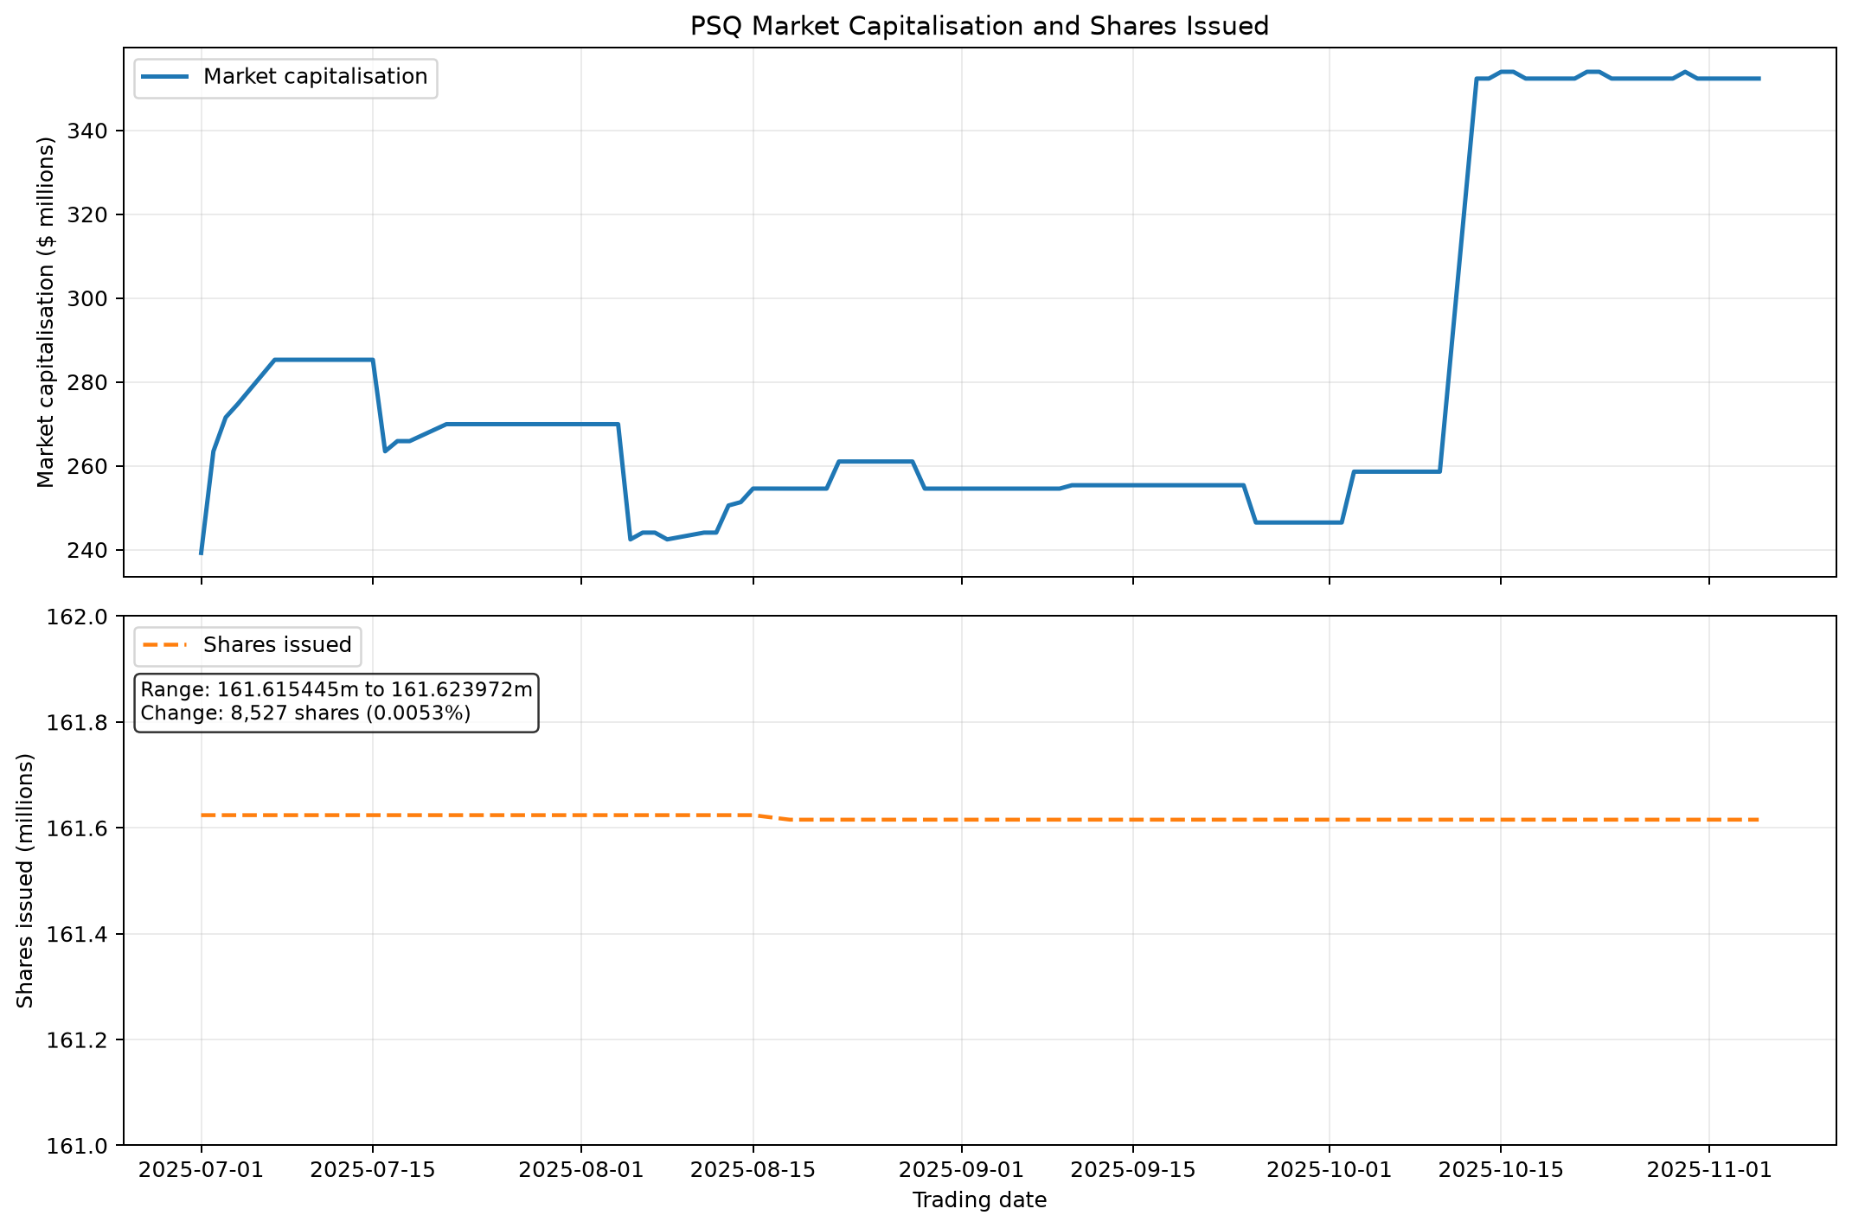
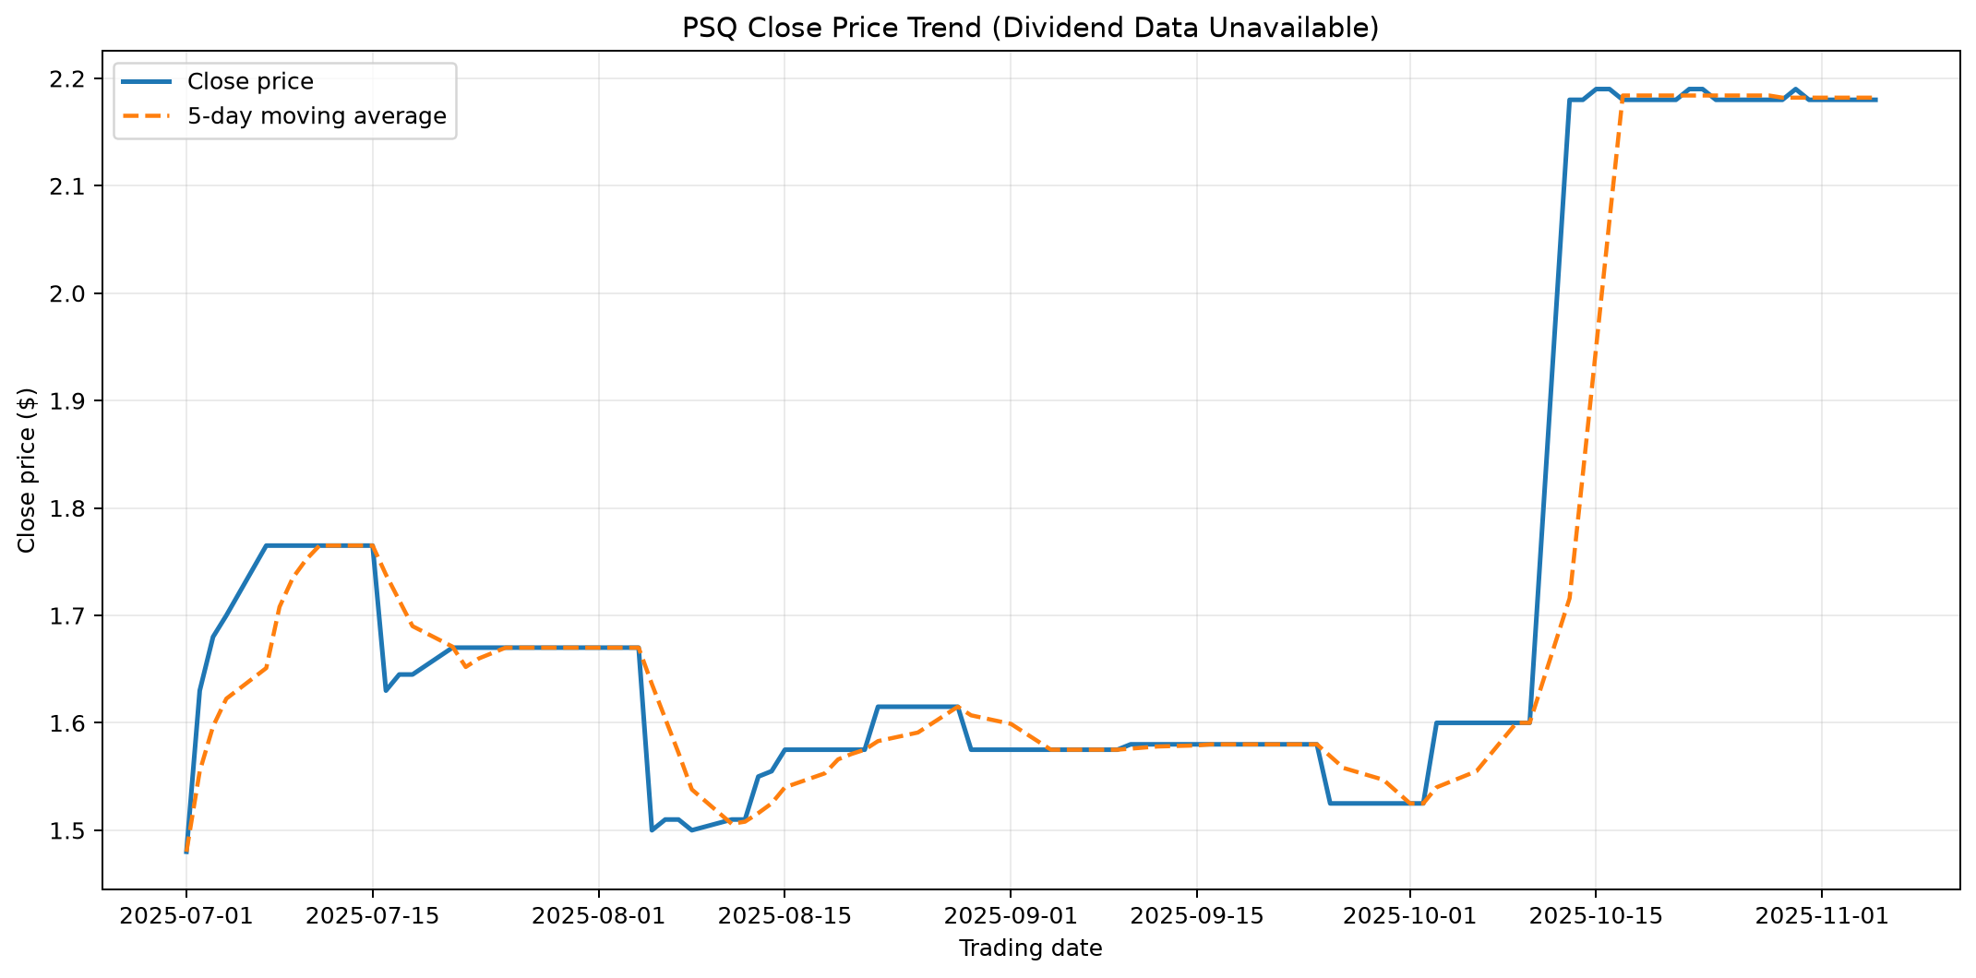

Figure 5 - Daily return volatility | Figure 6 - $1,000 buy-and-hold portfolio
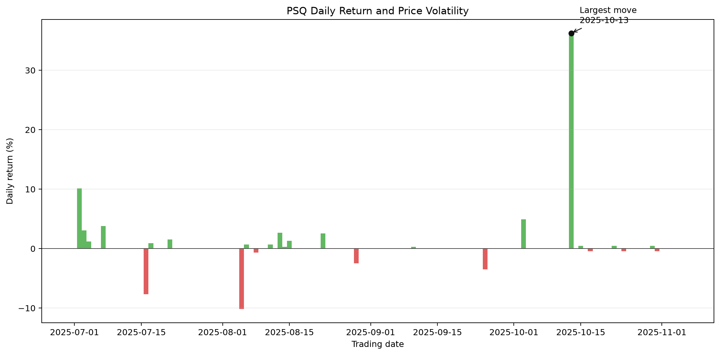
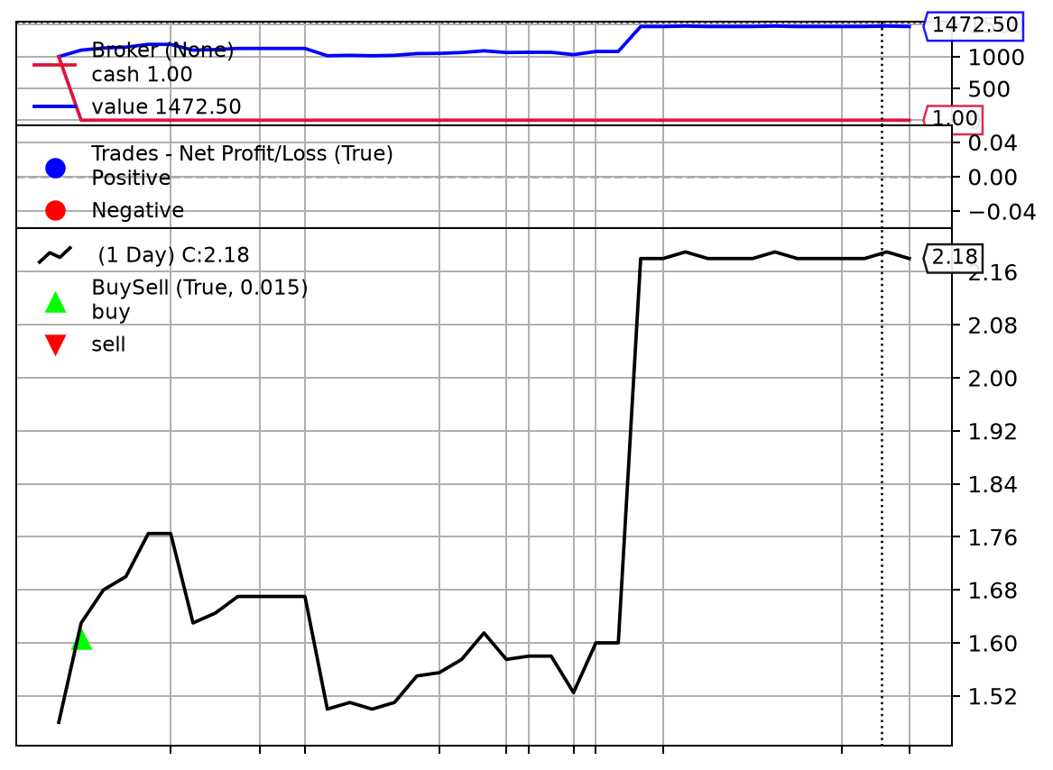

Figure 7 - Single-trade maximum profit | Figure 8 - Multiple-trade equity

