Sheet2
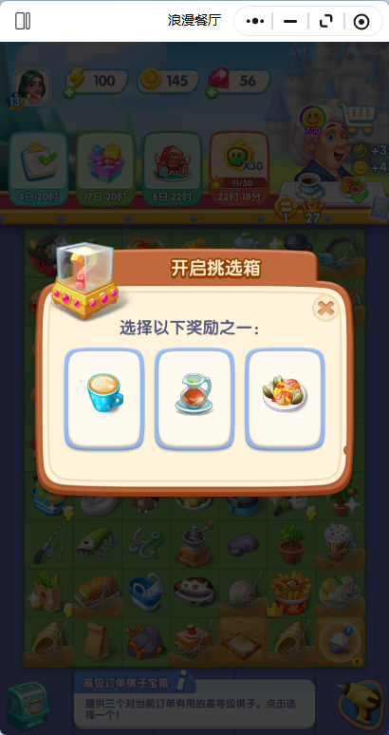

倒计时开启宝箱获取奖励i

