Environment
For Environmental Settings
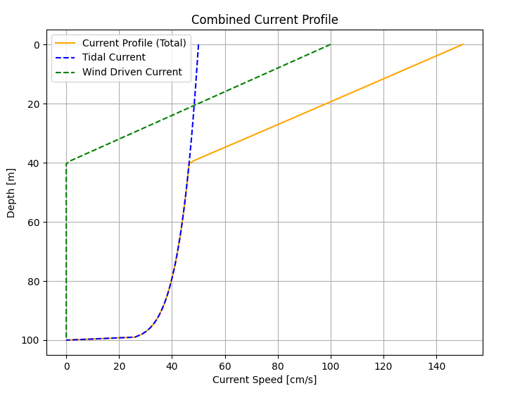
Environmental Settings

Environmental |  |  |  | Comments
Water Depth | (m) | WtrDpth | 100
Offset Used for Quasi-static Analysis | % | Offset | 15 | Ratio for platform offset compared with Waterdepth
Tidal Current Used for current profile | (m/s) | TidalCurrent | 0.4
Wind Driven Current Used for current profile | (m/s) | WindCurrent | 0.667
Water Depth of Wind Driven Current Inactivated | (m) | DevDepth | 40

CableX_DS
Design Space Parameters for CABLEX Workflows
 |  |  |  |  | DIAC Configuration == 1 | DIAC Configuration == 4
DIAC Design Space Parameters
 |  |  |  |  | Pinned Lazy Wave | Full Lazy Wave
1. Upper Line Layback Length (Layback) |  |  |  | CableLayout
SWL
Floater
Seabed
1. Upper Line layback Length = 3*WD
2. Upper Line Total Length
4. Buoy Center to Center Distance
5. 1st Buoy to Clamp Distance
3.Buoy No.
Layback Distance Lower Range | (m) | LayBackMin | 120 | 1-3
Layback Distance Upper Range | (m) | LayBackMax | 122 | 1-3
SWL
Floater
Seabed
1. Upper Line layback Length
2. Upper Line Total Length
4. Buoy Center to Center Distance
5. 1st Buoy to Clamp Distance
3.Buoy No.
Layback Increment/Mesh Size | (m) | LayBackDelta | 10 | 1-3
2. Upper Line Layback Length (Layback)
Total Length Distance Lower Range | (m) | TotalMin | 220 | not applicable
Total Length Distance Upper Range | (m) | TotalMax | 252 | not applicable
Total Length Increment/Mesh Size | (m) | TotalDelta | 10 | 1-4
3. Buoyancy Module Numbers
Buoy Total Number Lower Range |  | BuoyMin | 26 | 1-4
Buoy Total Number Upper Range |  | BuoyMax | 27 | 1-4
Buoy Total Number Increment/Mesh size |  | BuoyDelta | 2 | 1-4
Buoy Total Number Lower Range for 2nd Buoy |  | Buoy2Min | 14 | 1-3
Buoy Total Number Upper Range for 2nd Buoy |  | Buoy2Max | 21 | 1-3
Buoy Total Number Increment/Mesh size for 2nd Buoy |  | Buoy2Delta | 2 | 1-3
4. Buoy Center to Centre Distance
Buoy Center to Center Distance Lower Range | (m) | BuoyCCMin | 3 | 1-4
Buoy Center to Center Distance Upper Range | (m) | BuoyCCMax | 4 | 1-4
Buoy Center to Center Distance Increment/Mesh size | (m) | BuoyCCDelta | 1 | 1-4
5. 1st Buoyancy Module Distance to Clamp
1st Buoy Distance to Upper Clamp (Fixed) | (m) | Buoy1st | 3 | 1-3
Min 1st Buoy Distance to Clamp for Full Lazywave | (m) | Buoy1stMin | 30 | 4
Max 1st Buoy Distance to Clamp for Full Lazywave | (m) | Buoy1stMax | 201 | 4 | DIAC Configuration == 2 | DIAC Configuration == 3
Delta 1st Buoy Distance to Clamp for Full Lazywave | (m) | Buoy1stDelta | 10 | 4
6. PW/RPW Lower Catenary Anchor Position |  |  |  |  | Plaint Wave (RCDC) | Reverse Plaint Wave
RCDC Anchor Position (Fixed) | (m) | RcdcAn | 1.7 | 2
RPW Anchor Position (Fixed) | (m) | RpwAn | 1.7 | 3
7. PW/RPW Lower Catenary Length
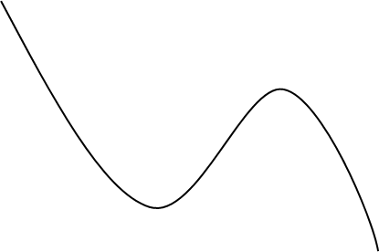
SWL
Floater
Seabed
1. Upper Line layback Length
2. Upper Line Total Length
4. Buoy Center to Center Distance
5. 1st Buoy to Clamp Distance
3.Buoy No./Uplift
6. Lower Line Anchor Position
8. Tether Anchor Position
7. Lower Line Length
9. Tether Length
SWL
Floater
Seabed
1. Upper Line layback Length
2. Upper Line Total Length
4. Buoy Center to Center Distance
5. 1st Buoy to Clamp Distance
3.Buoy No./Uplift
6. Lower Line Anchor Position
8. Tether Anchor Position
7. Lower Line Length
9. Tether Length
Min Length compared with Rcdc*An Layback | (m) | RcdcLMin | 5 | 2
Max Length compared with Rcdc*An Layback | (m) | RcdcLMax | 14 | 2
Delta Length compared with Rcdc*An Layback | (m) | RcdcLDelta | 4 | 2
Min Length compared with Rpw*An Layback | (m) | RpwLMin | 5 | 3
Max Length compared with Rpw*An Layback | (m) | RpwLMax | 14 | 3
Delta Length compared with Rpw*An Layback | (m) | RpwLDelta | 4 | 3
8. Tether Anchor Position (refer to the Upper Catenary Layback Distance)
Tether Anchor min distance to the Layback distance | (m) | TetherAMin | 3 | 2-3
Tether Anchor max distance to the Layback distance | (m) | TetherAMax | 4 | 2-3
Tether Anchor delta distance to the Layback distance | (m) | TetherADelta | 3 | 2-3
9. Tether Length
Min Tether Length | (m) | TetherLMin | 12 | 2-3
Max Tether Length | (m) | TetherLMax | 13 | 2-3
Delta/Mesh Size for Tether Length | (m) | TetherLDelta | 1 | 2-3

