Process&Guideline
★How to fill this SDB template★
1) | System Team defines SYSTEM signals in the "SYSTEM" column area below
2) | Each of Feature Owner defines their feature signals which is related to their feature/System Signal.
3) | SW Integrator/engineer defines ASP signals(especailly for Zenuity interface signals) in the "ASP" column area below.
4) | Review together with all stakeholders. (System/SW/FF)

SYSTEM |  |  |  |  |  |  |  |  |  |  |  |  |  |  |  | Feature Adaptor |  |  |  |  | ASP
Signal Type | Signal Group | Signal Name | Source Component/ECU | Protocol | Default Value | Min/Max Value | Data length(bit) | Data Type | Cycle Time (ms) | Unit | Factor | Offset | Signal/Bus Description | Value Table | Comments | Input Signals Group | Input Signal Name | SWC | Output Signal Group | Output Signal Name | Input Signals Group | Input Signal Name | SWC | Default Value | Min/Max | Data length(bit) | Data Type | Factor | Offset | HKMC Features
Input | FD_GenericHighBeamAssistOutput | highBeamStateRequest | VP | SPI | 0 | 0/2 | 3 | uint8 |  | - |  |  | High Beam Activation signal | 0: Off 1: On 2: Partial highbeam on | - | highBeamStateRequest | highBeamStateRequest | HBA_Adapt |  | hbeam_int_Zen | hbeam_int_Zen |  | HBA_Zen | 0 | 0/2 | 8 | uint8 |  |  | HBA

Case 1 (Input)
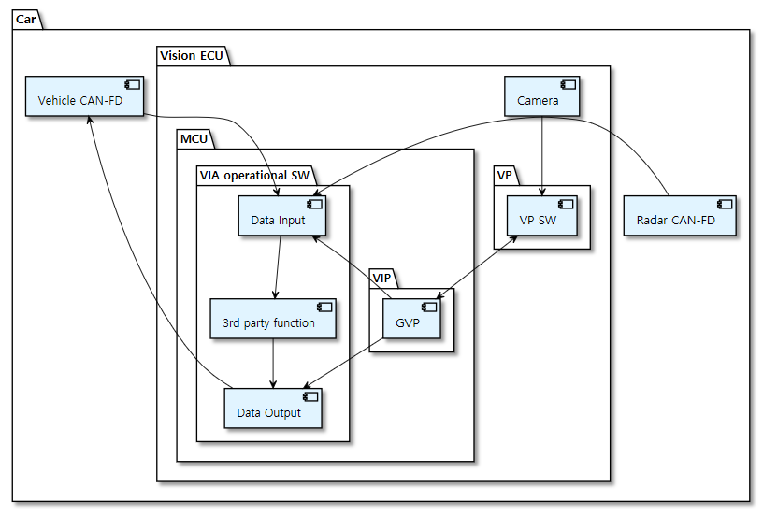
Inputs
Vehicle CAN
1. ASP Vehicle Input Adaptor
ASP

ZEN

2. HKMC Vehicle Input Adaptor
(Global ?/ Alone?)
IF
IF

IF
IF
IF

Case 3 (Output)

ASP
1. ASP Vehicle Output Adaptor
Vehicle CAN
Outputs

ZEN

HKMC Vehicle Feature Adaptor
(Global? / Alone?)
IF
IF
IF
IF

AEB_SDB_REF
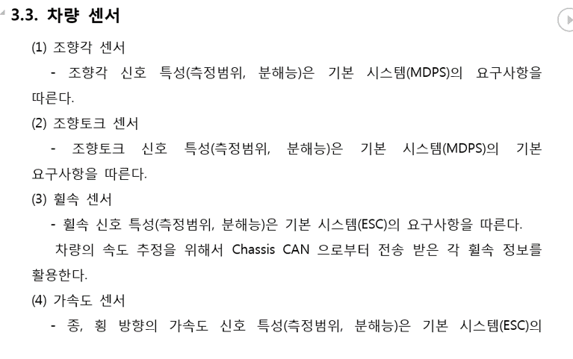
 |  |  | (REVIEW POINTS) Need to clarify ↓
 |  |  |  | 1) Acceleration pedal value is needed, but do MVS4 receive it directly from EMS? |  |  |  |  |  | TO
Needed sensor | HKMC ECU | Comment |  | Input | EMS | CANFD | EMS_03_10ms | 0x030 | DCT_AccelPdlVal | FR_CMR
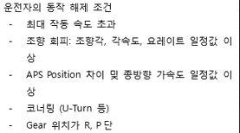
1) Steering Wheel Sensor | MDPS, SAS | SAS is needed?
2) Steering Torque Sensor | MDPS
3) Wheel speed sensor | ESC
4) Acceleration Sensor | ESC
5) Yaw Rate Sensor | ESC

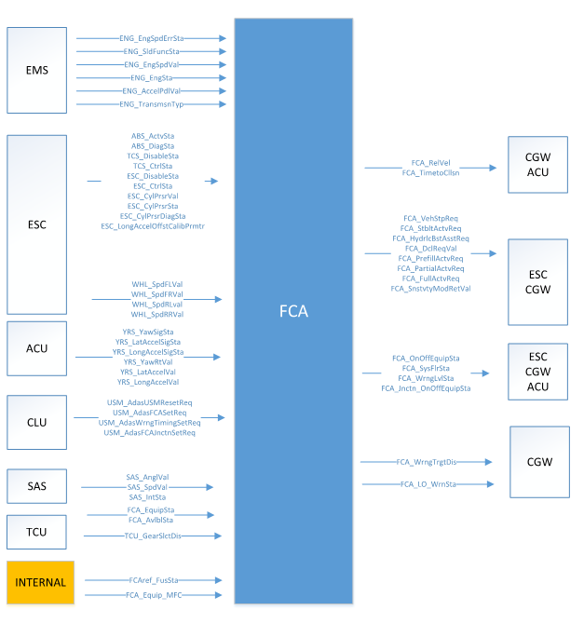
 |  |  |  | 2) SAS angle is needed or not? Radar will receive and send the SAS signals to MVS4?
 |  |  |  | Input | SAS | CANFD | SAS_01_10ms | 0x125 | SAS_AnglVal | FR_CMR
 |  |  |  | Input | SAS | CANFD | SAS_01_10ms | 0x125 | SAS_SpdVal | FR_CMR

 |  |  |  | 3) Camera output is needed to send CAN nodes in case of Camera-Radar fusion system?
 |  |  |  | Output | FR_CMR | CANFD | L_FR_CMR_Obj_01_30ms | 0x180 | FR_CMR_Obj_Wth01Val | ADAS_DRV
 |  |  |  | Output | FR_CMR | CANFD | L_FR_CMR_Obj_01_30ms | 0x180 | FR_CMR_Obj_Clfct01Sta | ADAS_DRV
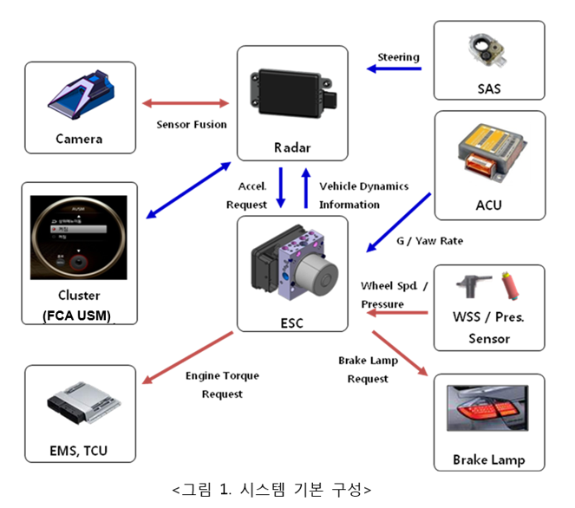
 |  |  |  | 4) Based on HKMC ES spec, FCA system shall identify driver's braking intension, do we need these signals?
 |  |  | △ | Input | ESC | CANFD | ESC_03_20ms | 0x175 | FCA_INPUTS | ESC_DrvBrkActvSta
 |  |  | △ | Input | ESC | CANFD | ESC_03_20ms | 0x175 | FCA_INPUTS | ESC_PrkBrkActvSta

