BO_36
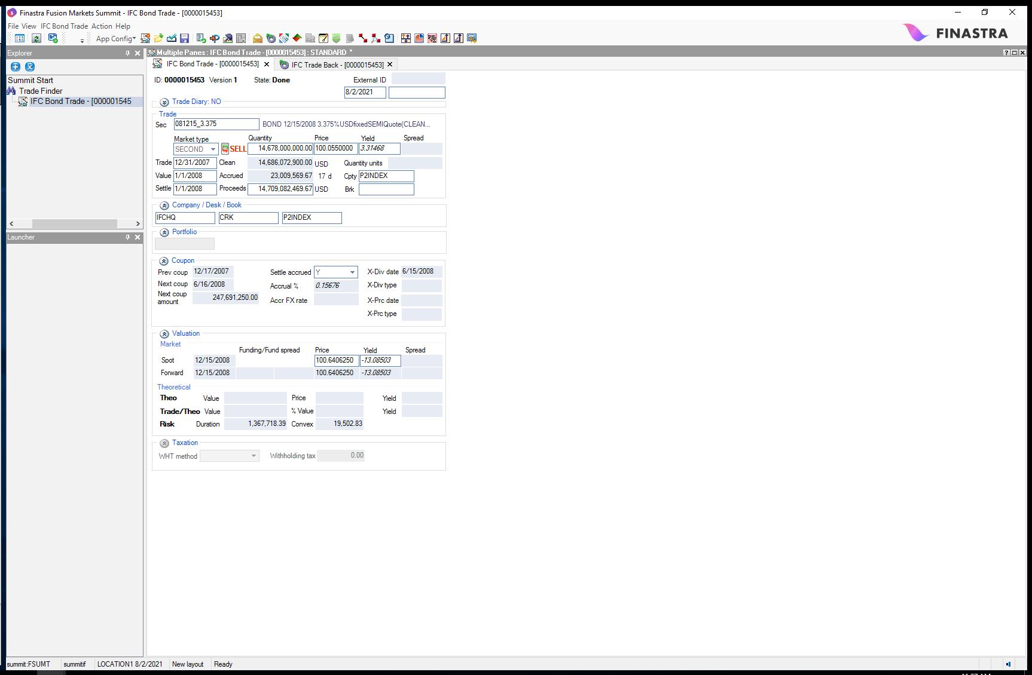
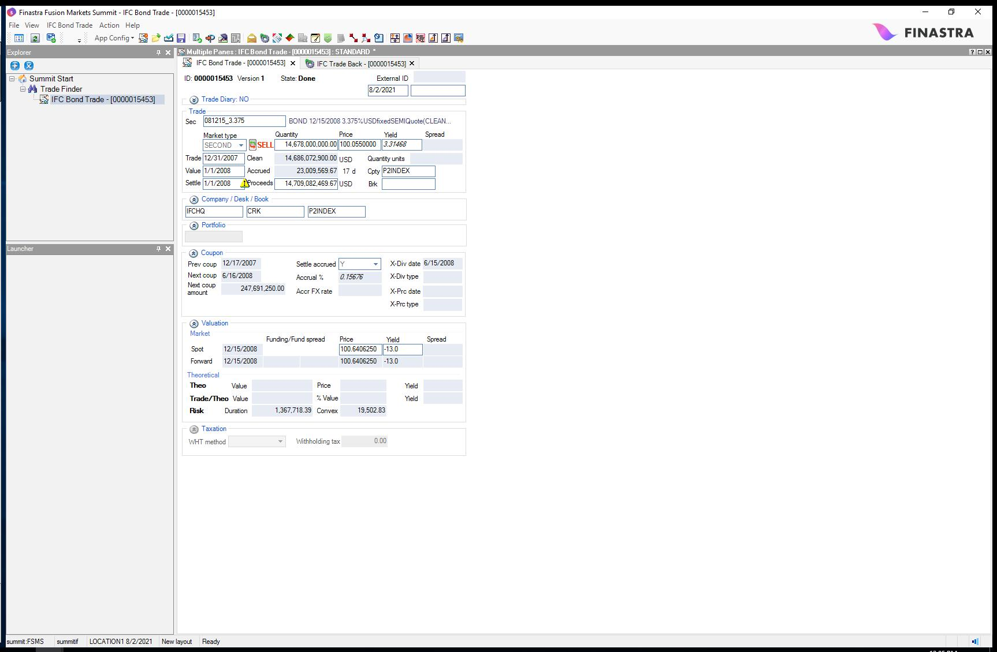
Project | IFC DAY 4 | Back to TOC
Storyboard | Day 1 Static4
Test Case | Verify Netting Controls
Test Case Descr | Verify Defining Netting Controls
Data Set | BO_36
Data Set Descr | Verify Netting Controls
Status | PASS

Info | Image TRADE_FINDER_PANEL

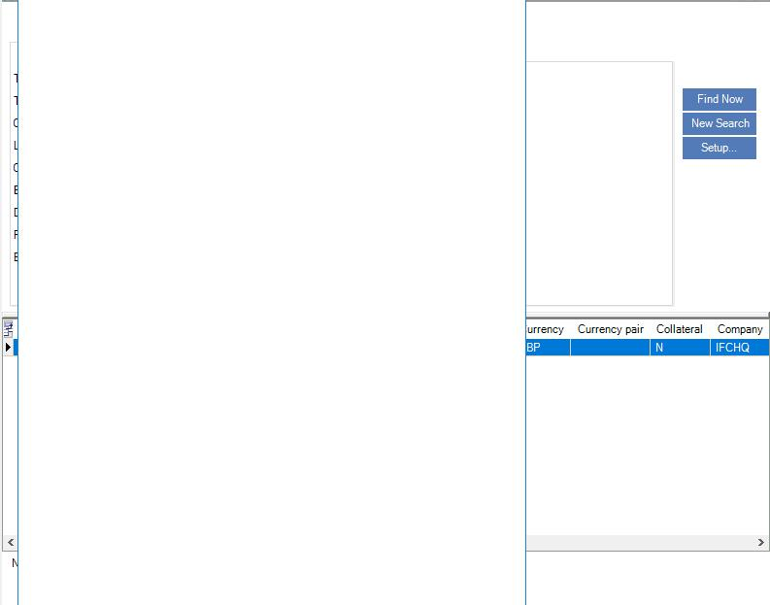
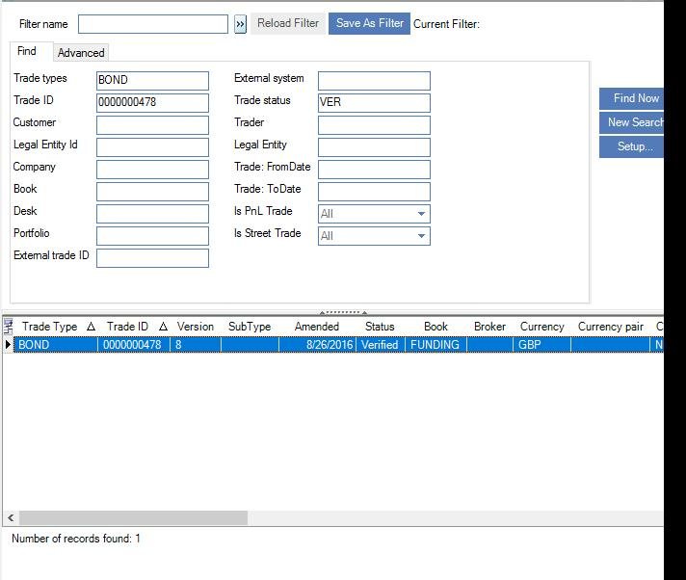

Info | Trade Finder

Info | Image BACK_OFFICE_PANEL

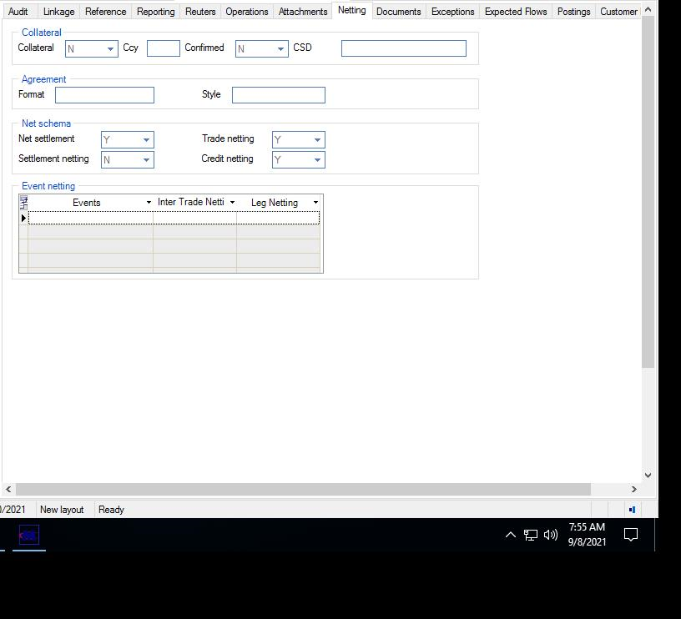
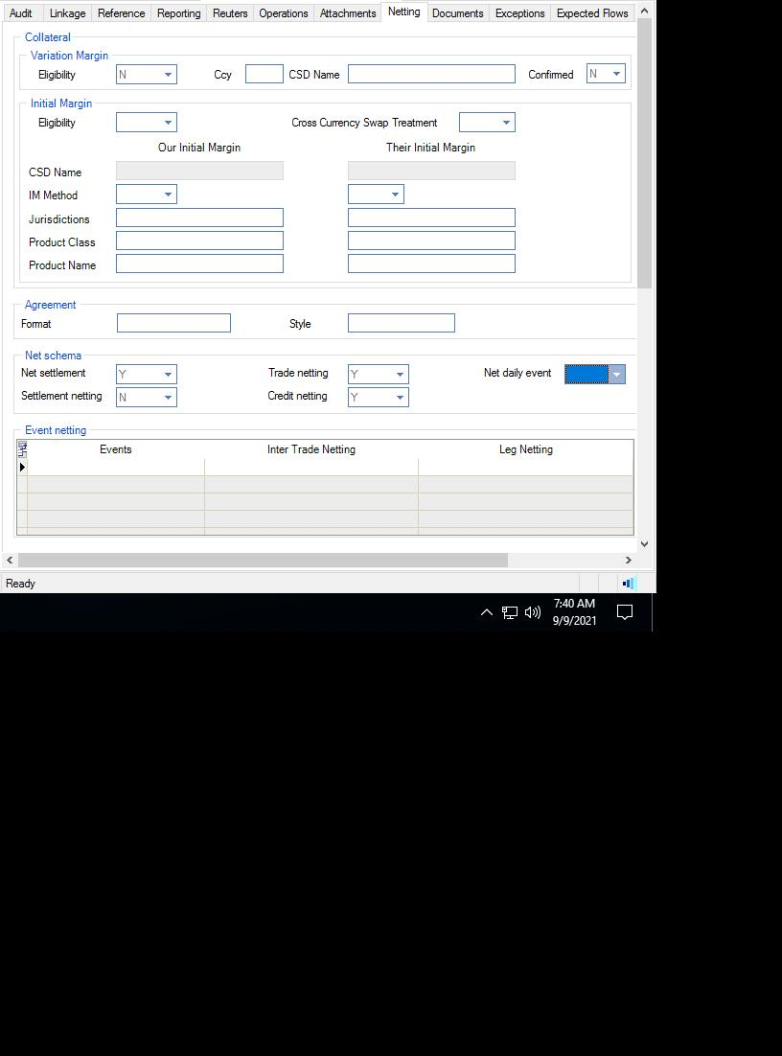

Info | Back Office

Info | Image BOND_TRADE_PANEL

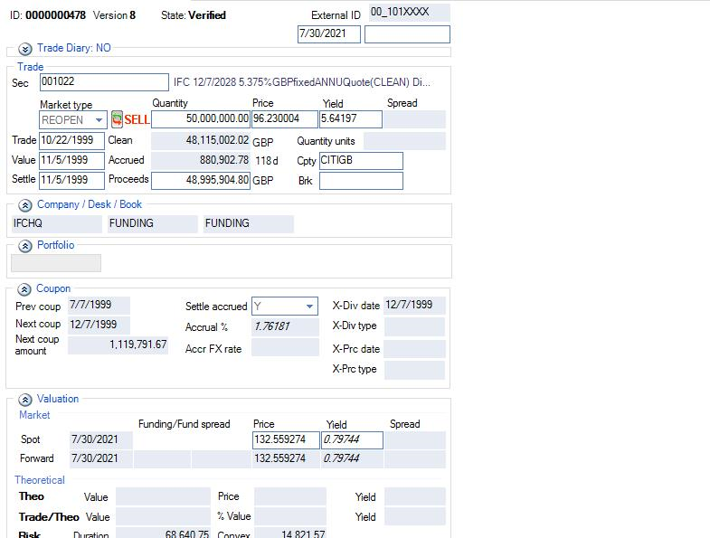
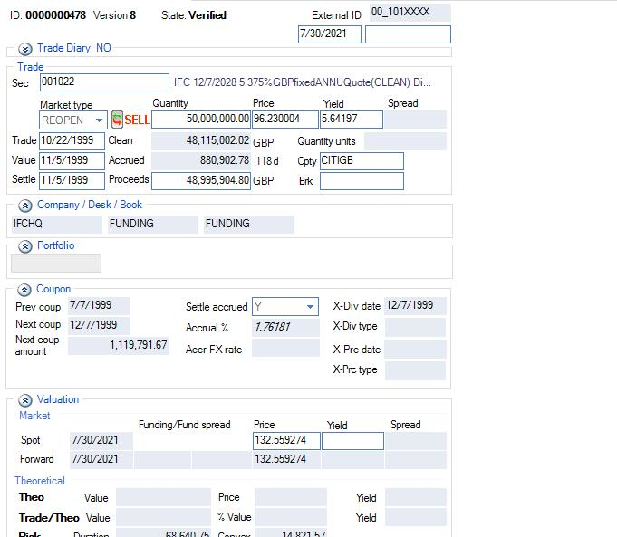

Info | Bond Trade

Project | IFC DAY 4
Storyboard | Day 2 Trade Entry OTC Derivatives4
Test Case | Swap_BO_Netting_Tab
Test Case Descr | Perform actions on the Back Office Netting Tab for existing Swap trade
Data Set | BO_36_001
Data Set Descr | Swap_BO_Netting_Tab
Status | PASS

Info | Image TRADE_FINDER_PANEL

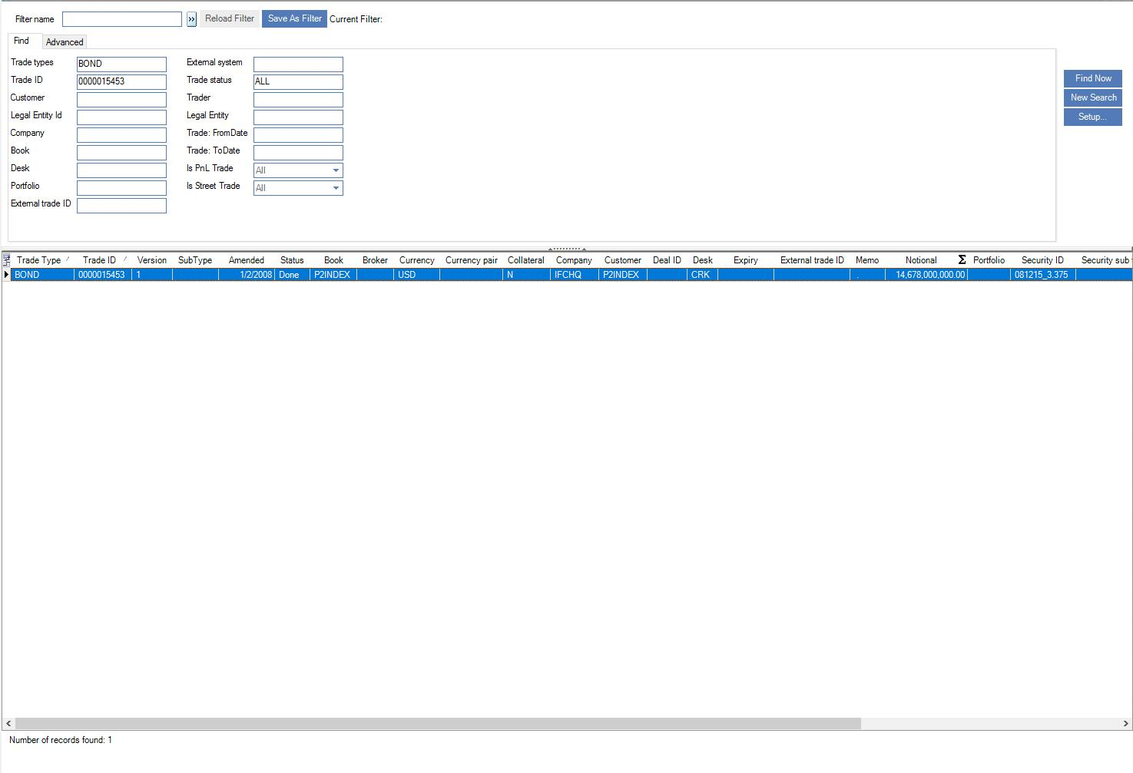
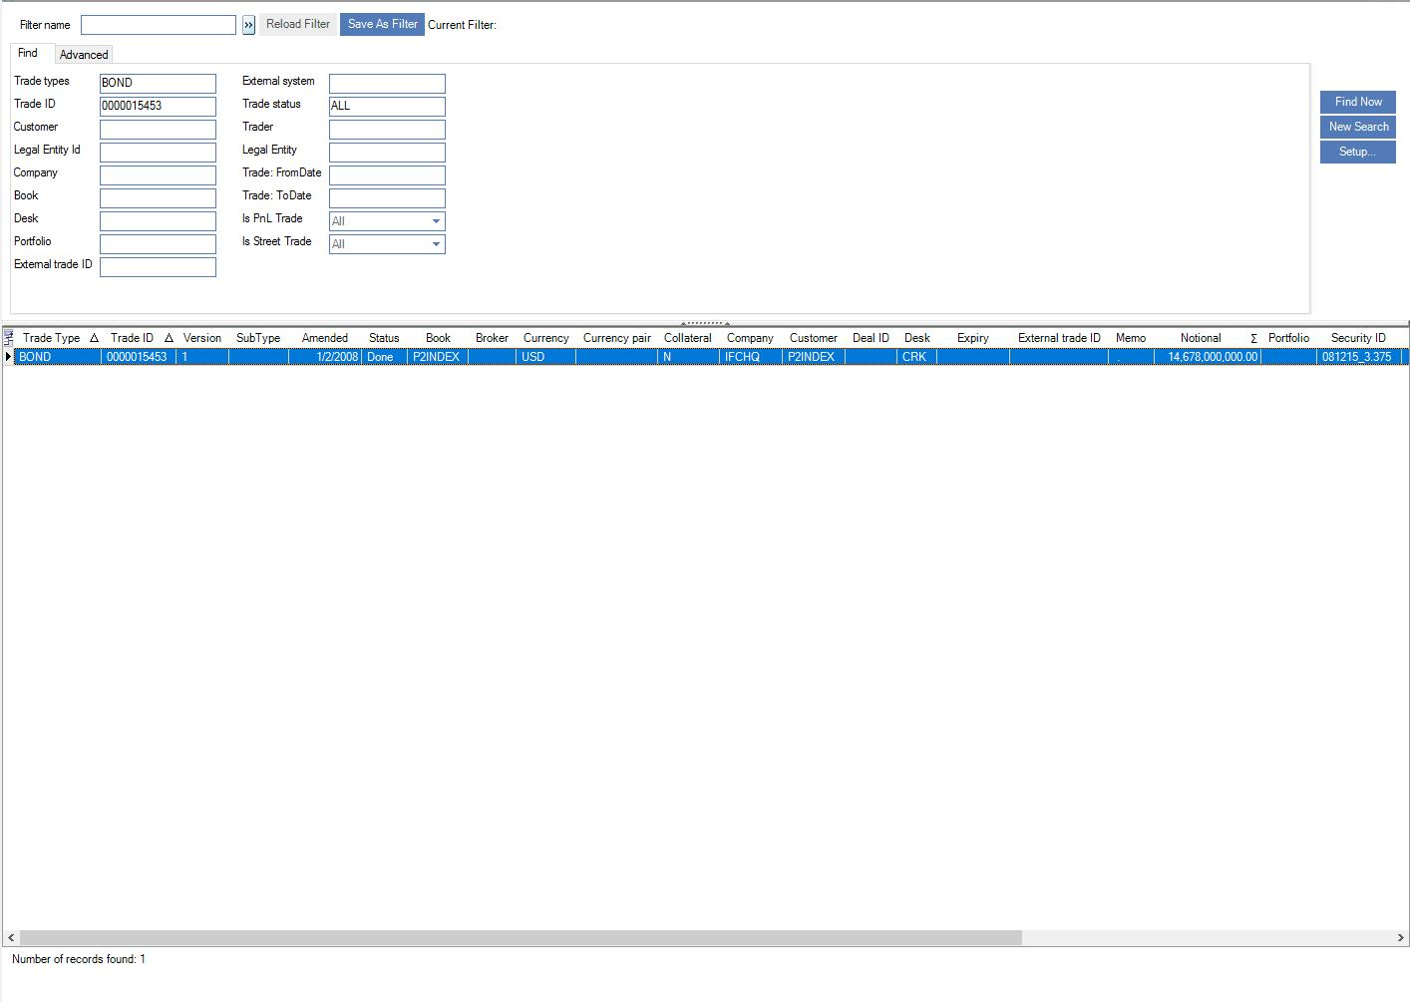

Info | Image BACK_OFFICE_PANEL

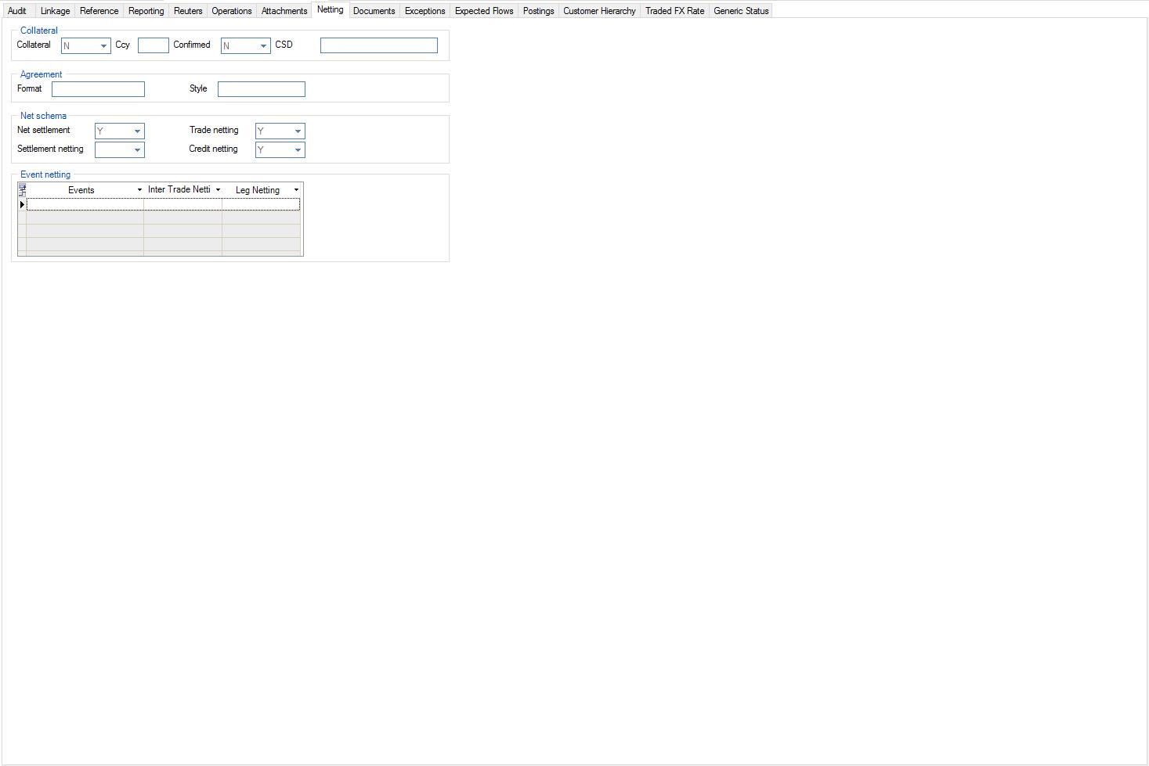
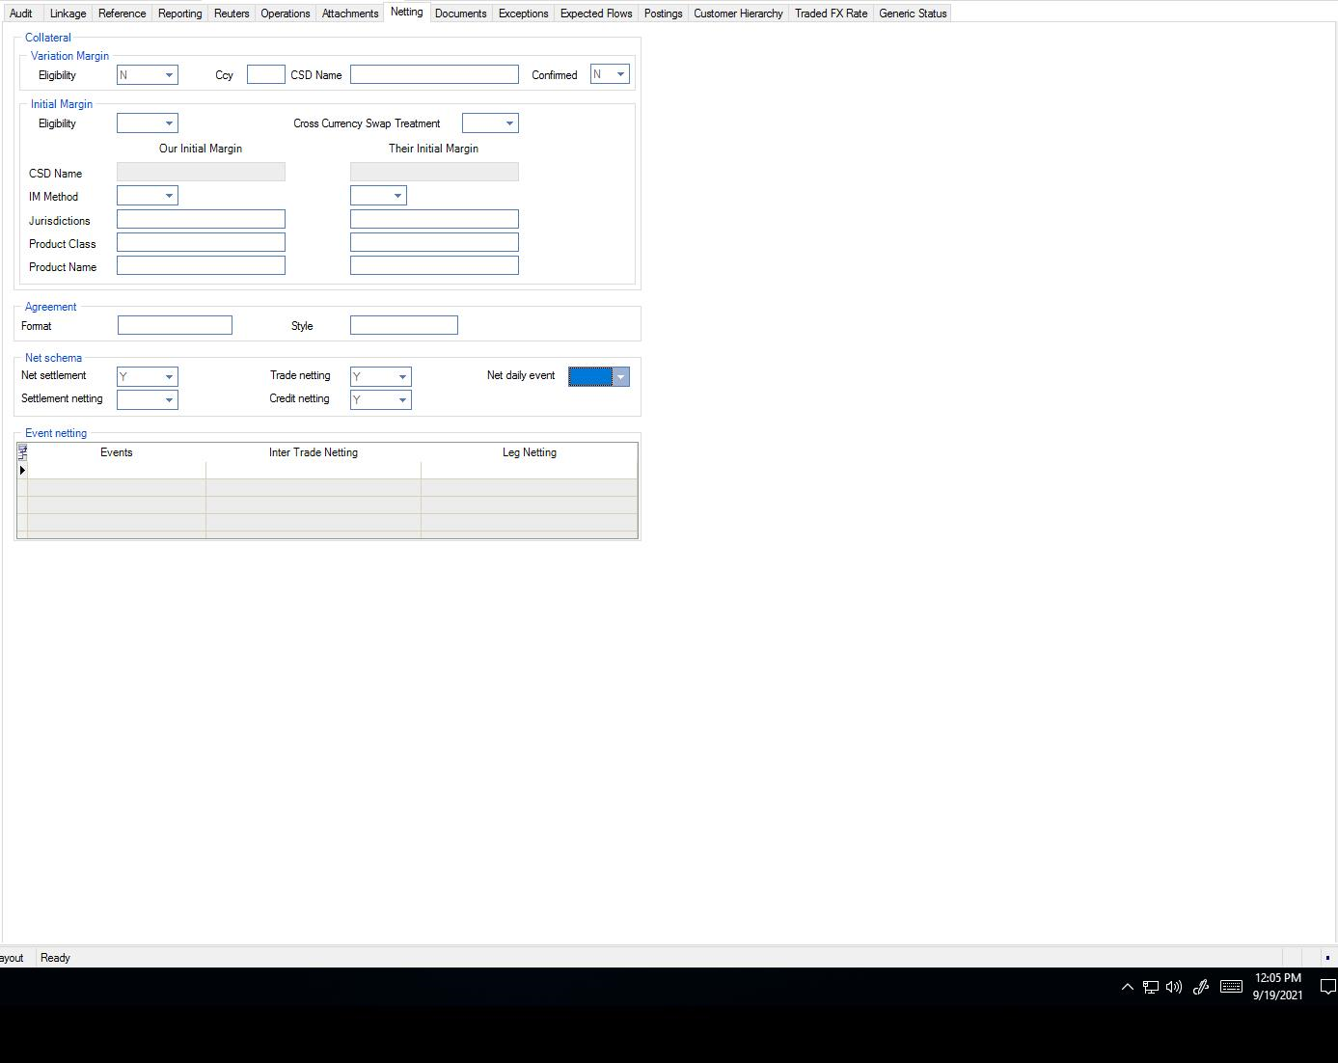

Info | Image BOND_TRADE

