Sheet4
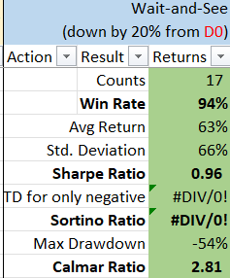
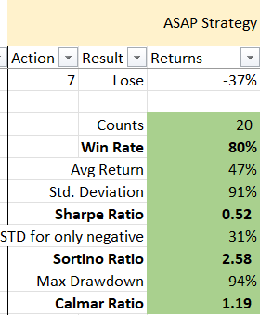
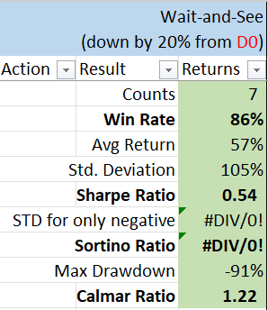
LONG |  |  |  | index | BQR6 | BQR7 | CPE887 | NAC | CPE888
 | BQR6 | BQR7 | CPE 887 | ADTN | 2025-07-01
 |  |  |  | AGL | 2024-12-01 | 2025-08-01 |  |  | 2023-05-01
 |  |  |  | AKA | 2024-05-01
 |  |  |  | APPS | 2024-09-01 | 2024-12-01 | 2024-09-01
 |  |  |  | BA | 2024-08-01
 |  |  |  | BALY |  | 2024-09-01
 |  |  |  | CATO | 2024-10-01 |  | 2024-11-01
 |  |  |  | CMP |  | 2024-12-01
 |  |  |  | CODI |  | 2025-05-01 |  |  | 2025-06-01
 |  |  |  | CRNC |  | 2024-11-01
 |  |  |  | CRWV |  |  |  |  | 2024-10-01
 |  |  |  | DTI |  |  | 2024-07-01
 |  |  |  | EBS |  |  |  | 2024-03-01
 |  |  |  | EDR | 2025-01-01
 |  |  |  | FLWS |  | 2025-05-01 | 2025-06-01
 |  |  |  | FLY |  | 2025-08-01 |  |  | 2025-08-01
 |  |  |  | FTRE | 2025-03-01 | 2025-04-01
 |  |  |  | GORV |  |  |  | 2025-05-01
 |  |  |  | GT |  | 2024-12-01 | 2025-05-01
 |  |  |  | GTN | 2024-08-01
SHORT |  |  |  | HAIN |  |  |  |  | 2025-06-01
 | NAC | CPE888 |  | HBIO |  | 2024-08-01
 |  |  |  | HE | 2024-05-01
 |  |  |  | IART | 2025-07-01
 |  |  |  | IRWD | 2025-03-01 | 2025-04-01
 |  |  |  | LTH | 2024-06-01
 |  |  |  | MATV | 2025-01-01 |  | 2025-04-01
 |  |  |  | MEI | 2024-07-01 | 2025-07-01 | 2024-07-01
 |  |  |  | MMI | 2025-03-01 | 2024-05-01
 |  |  |  | MODV | 2024-06-01 | 2024-09-01 | 2024-09-01 | 2025-01-01
 |  |  |  | MPW |  | 2024-05-01
 |  |  |  | MRCY | 2024-09-01
 |  |  |  | MXL | 2024-12-01
 |  |  |  | NFE |  | 2024-10-01 |  | 2025-07-01 | 2024-10-01
 |  |  |  | ONEW |  | 2024-12-01 | 2025-02-01
 |  |  |  | OSCR |  | 2025-08-01
 |  |  |  | PENN |  | 2024-09-01
 |  |  |  | RDUS |  | 2024-06-01
 |  |  |  | SBGI | 2025-02-01 |  | 2025-06-01
 |  |  |  | SLAB | 2025-03-01
 |  |  |  | SMTC | 2025-01-01 | 2024-04-01 | 2025-01-01
 |  |  |  | SNAP | 2024-12-01 |  | 2025-04-01
 |  |  |  | SPHR | 2024-05-01 | 2024-08-01 |  | 2024-09-01
 |  |  |  | SSP | 2025-03-01 |  | 2025-04-01
 |  |  |  | TBI | 2025-04-01
 |  |  |  | TTEC | 2024-08-01 | 2025-01-01 | 2024-08-01
 |  |  |  | VFC | 2024-08-01
 |  |  |  | WDC |  | 2024-09-01
 |  |  |  | ZIP | 2025-06-01

