2025.1.18
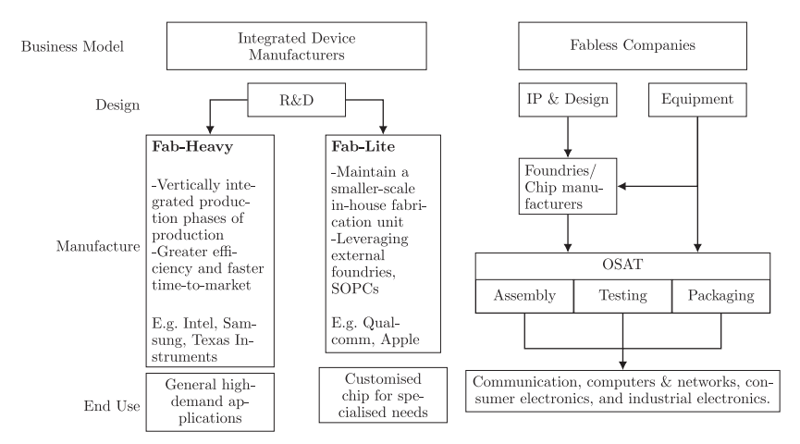
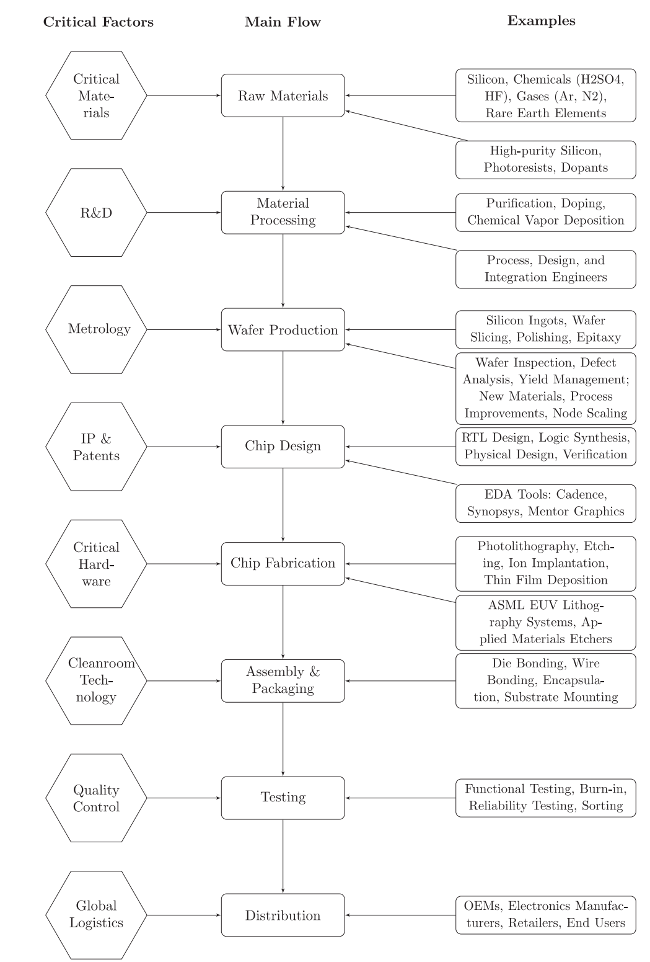
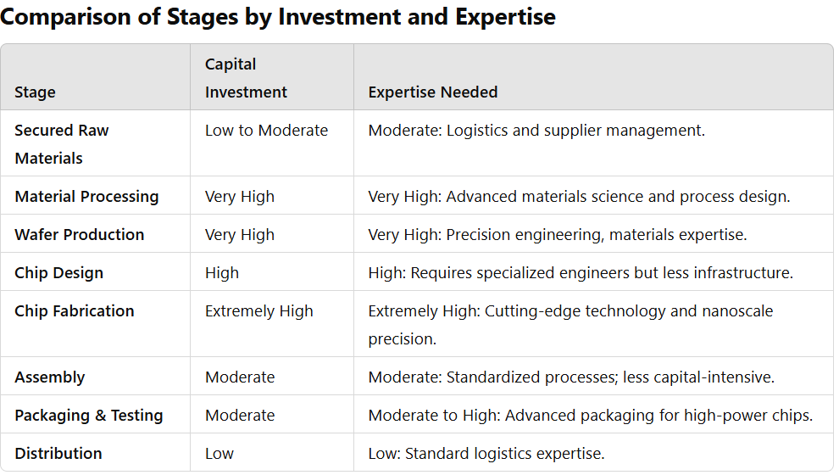
show me top fab-heavy companies by end application?

Section | Company | Focus | Key Products | Gross Margin (%) | Profitability Drivers
Consumer Electronics | TSMC | Advanced chip manufacturing | 3nm and 5nm logic chips for Apple, NVIDIA, etc. | 50 | Monopoly on advanced nodes, strong pricing power, and contracts with high-margin customers.
Consumer Electronics | Samsung Electronics (Semiconductor Division) | DRAM, NAND, and mobile processors | Exynos processors, memory chips | 40 | Leadership in memory and mobile SoCs, economies of scale in production.
Consumer Electronics | Intel | CPUs and GPUs for PCs and data centers | Core, Xeon processors, GPUs | 55 | High-margin data center products, though PC market declines have impacted profits.
Automotive | Infineon Technologies | Power devices, MCUs for automotive | SiC MOSFETs, IGBTs, MCUs | 40 | Broad portfolio catering to EVs, battery systems, and ADAS; strong customer relationships.
Automotive | STMicroelectronics | SiC power electronics, automotive MCUs | SiC devices, safety systems, motor drivers | 45 | Strong SiC manufacturing and long-term supply agreements with automotive OEMs.
Automotive | ON Semiconductor | SiC, imaging sensors for automotive | SiC devices, LiDAR/ADAS imaging | 40 | Focus on EV applications and SiC scaling; fast-growing automotive presence.
Industrial & Renewable Energy | Texas Instruments | Analog ICs, power management | Analog chips for industrial automation, BMS | 60 | Dominance in analog ICs with high margins due to long product lifecycles and low R&D costs.
Industrial & Renewable Energy | Wolfspeed | SiC materials and devices for renewables | SiC MOSFETs, Schottky diodes | -5 | Heavy investment in capacity expansion; expected profitability as SiC adoption grows.
Industrial & Renewable Energy | Renesas Electronics | Power management, mixed-signal ICs | Motor drivers, energy management ICs | 45 | Focus on energy efficiency solutions; strong foothold in industrial and IoT markets.
Telecommunications | Broadcom | Networking chips, ASICs for data centers | Custom ASICs, Ethernet switches, fiber-optics | 70 | High pricing power in custom ASICs; monopoly in certain networking markets.
Telecommunications | GlobalFoundries | Foundry services for mid-tier nodes | Custom semiconductors for IoT and telecom | 30 | Focus on mature nodes for IoT and telecom; avoids costly investment in cutting-edge tech.
Memory & Storage | Samsung Electronics (Memory Division) | DRAM and NAND for consumer and enterprise | DDR5, LPDDR5, 3D NAND | 45 | Leadership in memory markets with scale advantages; strong demand in data centers.
Memory & Storage | SK Hynix | DRAM and NAND for high-performance use | DDR5, HBM3 (High Bandwidth Memory) | 40 | Advanced memory for AI and data center applications; long-term contracts.
Memory & Storage | Micron Technology | DRAM, NAND for consumer and enterprise | DRAM for PCs, NAND for SSDs | 35 | Growth driven by demand for AI memory and automotive-grade memory chips.

https://www.powerelectronicsnews.com/the-number-of-silicon-carbide-sic-players-is-on-steep-rise/

