cover.page
define the industry and competitors

 | SP_ENTITY_NAME | SP_ENTITY_ID | SP_EXCHANGE | SP_MARKETCAP | IQ_SECTOR | IQ_INDUSTRY_GROUP | IQ_INDUSTRY | IQ_PRIMARY_INDUSTRY | NAICS_CODE
 |  |  |  |  |  |  |  |  | Primary

 | Amentum Holdings, Inc. (NYSE:AMTM) | 6924454 | NYSE | 4,664.10 | Industrials | Commercial and Professional Services | Professional Services | Research and Consulting Services | 551112 - Offices of Other Holding Companies
source: S&P

 | Index | Industry
 | S&P 500, S&P 500 Industrials, Russell 3000, Russell 1000 | Aerospace & defense
source: tradingview

 | naics | sector |  |  |  | industry
 | 336419 | Aerospace & Measuring Equipment |  |  |  | Aerospace & defense
source: moody's

 | by interest |  | by similarity
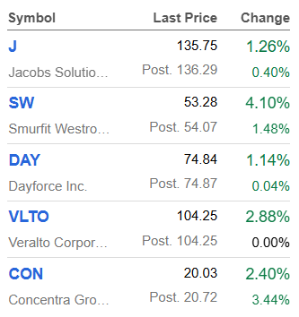
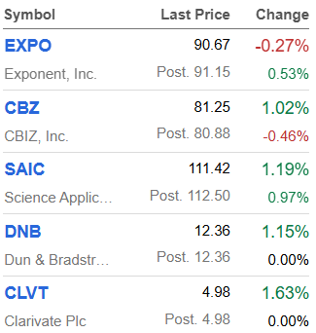

source: seeking alpha



source: chatgpt

 | NAICS
 | 551112
source: WFC

 |  | ChatGPT | S&P | trading.view | moodys | s.a
 | KBR, Inc. (NYSE:KBR) | Y | Y | N | N | N
 | Leidos Holdings, Inc. (NYSE:LDOS) | Y | Y | Y | Y | N
 | Science Applications International Corporation (NASDAQGS:SAIC) | Y | Y | N | N | Y
 | Amentum Holdings, Inc. (NYSE:AMTM) | Y | Y | N | N | N
 | CACI International Inc (NYSE:CACI) | Y | Y | N | N | N
 | Booz Allen Hamilton Holding Corporation (NYSE:BAH) | Y | Y | N | N | N
 | Parsons Corporation (NYSE:PSN) | Y | Y | N | N | N
 | J | N | N | N | N | Y

 | most related parties | Leidos Holdings, Inc. (NYSE:LDOS)
 |  | Science Applications International Corporation (NASDAQGS:SAIC)
 |  | J

s.a
