LTM_adj_EBITDA_PTVE
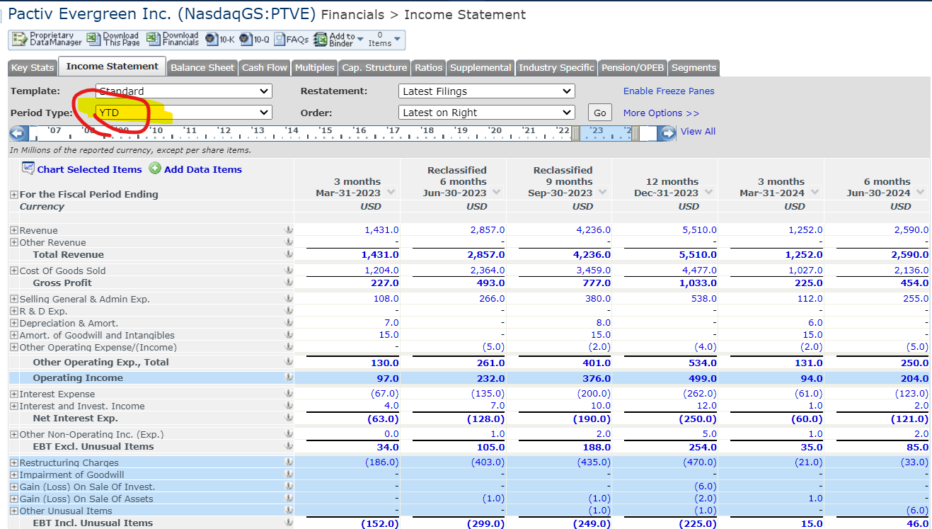
($ in Milion) | Historical Year |  |  |  |  |  | Adjusted LTM
 | 2018 | 2019 | 2020 | 2021 | 2022 | 2023 | (-) YTD Q2' 23 | (+) YTD Q2' 24 | LTM |  | LTM
Operating income | $516 | $402 | $287 | $275 | $473 | $499 | $232 | $204 | $471 | Interet Expense | $250
Depreciation & Amortization | $271 | $273 | $289 | $344 | $339 | $600 | $166 | $150 | $584
EBITDA | $787 | $675 | $576 | $619 | $812 | $1,099 | $398 | $354 | $1,055 |  |  | Net Income | EBT Incl Unusual Items | EBT excl Unusual Items | Operating income | Gross profit | Total Revenue
Restructuring Charges | $(21) | $(31) | $(27) | $(33) | $(58) | $(470) | $(403) | $(33) | $(100) |  |  |  |  |  |  |  | minus CoGS
Merger & Related Restruct. Charges |  |  |  | $(15) | $(6) |  |  |  | $- |  |  |  |  |  |  |  | minus SG&A
Impairment of Goodwill |  | $(16) | $(6) |  |  |  |  |  | $- |  |  |  |  |  |  |  | minus net Interest expense
Gain (Loss) On Sale Of Invest. |  |  |  |  | $27 | $(6) |  |  | $(6) |  |  |  |  |  |  |  | minus Unusual Items
Gain (Loss) On Sale Of Assets | $(18) | $(22) | $1 |  | $239 | $(2) | $(1) |  | $(1) |  |  |  |  |  |  |  | minus income Tax
Asset Writedown | $(11) | $(42) |  |  |  |  |  |  | $-
In Process R & D Exp. |  |  |  |  |  |  |  |  | $- |  |  |  |  |  | Adjusted EBITDA | EBITDA | Operating income
Insurance Settlements |  |  |  |  |  |  |  |  | $- |  |  |  |  |  |  |  | plus Depreciation and Amortization
Legal Settlements |  |  |  |  | $15 |  |  |  | $- |  |  |  |  |  |  |  | other adjustments for Unusual items + one-time charges
Other Unusual Items | $(13) | $(15) | $(54) | $(7) | $(4) | $(1) |  | $(6) | $(7)
Adj. EBITDA | $850 | $801 | $662 | $674 | $599 | $1,578 | $802 | $393 | $1,169

 |  |  |  |  |  |  |  |  |  |  |  |  |  |  |  | Adjusted EBITDA | EBT excl Unusual Items
 |  |  |  |  |  |  |  |  |  |  |  |  |  |  |  |  | plus net Interest expense
 |  |  |  |  |  |  |  |  |  |  |  |  |  |  |  |  | plus Depreciation and Amortization

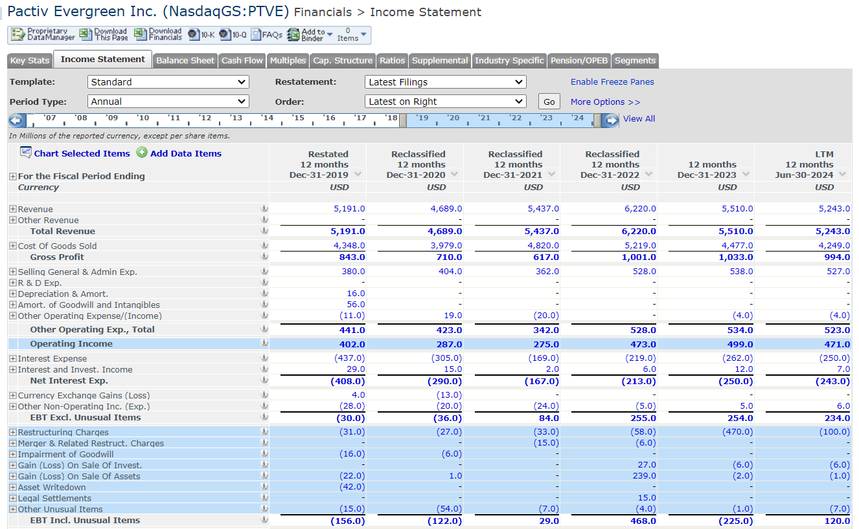
 |  |  |  |  |  |  |  |  |  |  |  | Net Income: Earnings from Cont. Ops.

Liquidity_FMC
($ in Milion) | Historical Year |  |  |  |  |  |  | Adjusted LTM
 | 2016 | 2017 | 2018 | 2019 | 2020 | 2021 |  | (-) YTD Q3' 21 | (+) YTD Q3' 22 | LTM | ($ in Milion) | Quarterly Q3' 21 | Quarterly Q3' 22 | ($ in Milion) | LTM Q3' 21 | LTM Q3' 22
Operating income | $385 | $382 | $959 | $1,070 | $1,082 | $1,076 |  | $815 | $849 | $1,110 | Cash and ST Investments | $345 | $392 | Adjusted EBITDA | $1,585 | $1,374 |  | Quarter Ending in
Depreciation & Amortization | $101 | $98 | $133 | $150 | $163 | $171 |  | $129 | $127 | $169 | Undrawn Credit | $994 | $1,180 | CapEx in CF | $(72) | $(174) | Days | Q3' 21 | Q3' 22 | Change
EBITDA | $486 | $480 | $1,091 | $1,221 | $1,245 | $1,247 | $- | $944 | $975 | $1,279 | Total Immediate Liquidity | $1,340 | $1,572 | Interest Expense in IS | $(160) | $(132) | Acc. Receivable, 4Q avg | $2,498 | $2,734 | $236
Restructuring Charges | $(1) | $(13) | $(16) | $(36) | $(2) | $(41) |  | $(13) | $(93) | $(121) | ST debt and current portion of LT debt | $762 | $826 | Cash Taxes in CF | $(85) | $(106) | Inventory, 4Q avg | $1,300 | $1,609 | $309
Merger & Related Restruct. Charges | $(66) | $(150) | $(265) | $(104) | $(94) | $(0) |  | $(6) | $- | $6 | LT debt, less current portion | $2,632 | $2,733 | Change in Acc. Receivable in CF | $(164) | $(321) | Acc. Payables, 4Q avg | $1,070 | $1,090 | $20
Impairment of Goodwill | - | - | - | - | - | - |  |  |  | $- | Total Debt | $3,394 | $3,559 | Change in Inventory | $17 | $(285) | Total Revenue | $4,784 | $5,411 | $627
Gain (Loss) On Sale Of Invest. | $(3) | - | - | - | - | - |  |  |  | $- |  |  |  | Change in Acc. Payable | $80 | $352 | COGS | $2,729 | $3,127 | $398
Gain (Loss) On Sale Of Assets | $2 | - | $87 | - | - | - |  |  |  | $- |  |  |  | Change in Unearned Rev. | $(14) | $(2) | Receivable Days | 190.6 | 184.5 | -6.2
Asset Writedown | - | $(42) | - | - | - | - |  |  |  | $- |  |  |  | Change in Inc. Taxes | $(55) | $(2) | Inventory Days | 173.8 | 187.7 | 13.9
Legal Settlements | - | - | - | $(73) | - | - |  |  |  | $- |  |  |  | Change in Other Net Operating Assets | $(185) | $(27) | Payable Days | 143.1 | 127.2 | -15.9
Other Unusual Items | $(74) | $(2) | $(24) | $(44) | $(104) | $(6) |  | $(37) | $(13) | $19 |  |  |  | Free Cash Flow (FCF) | $947 | $677 | Cash Cycle | 221.3 | 245.0 | 23.64
Adj. EBITDA | $627 | $687 | $1,309 | $1,477 | $1,445 | $1,294 | $- | $1,000 | $1,081 | $1,374 |  |  |  |  |  |  |  |  |  |  | Avg
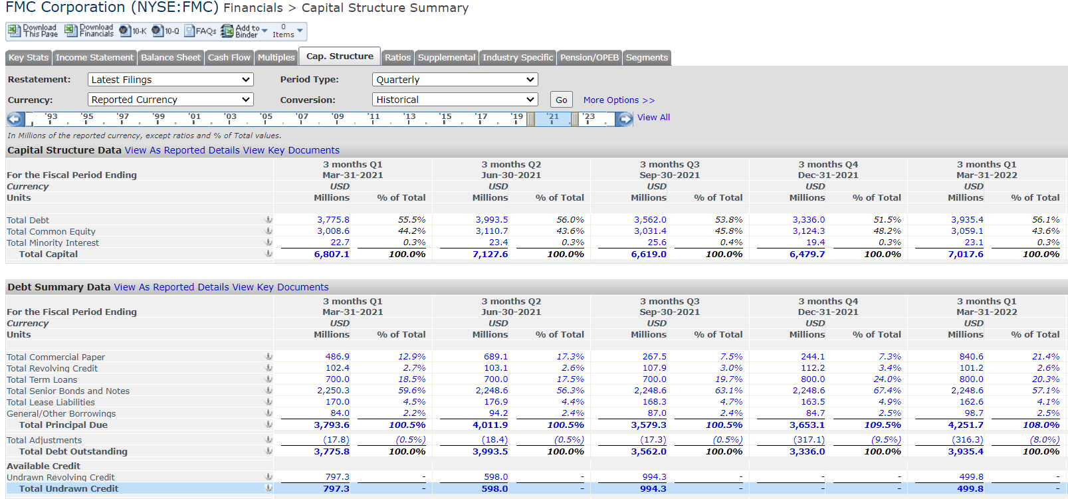
 |  |  |  |  |  |  |  |  |  |  |  |  |  |  |  |  | 1,135.00 | 1,057.40 | 1,122.20 | 1,045.70 | 1,090.08
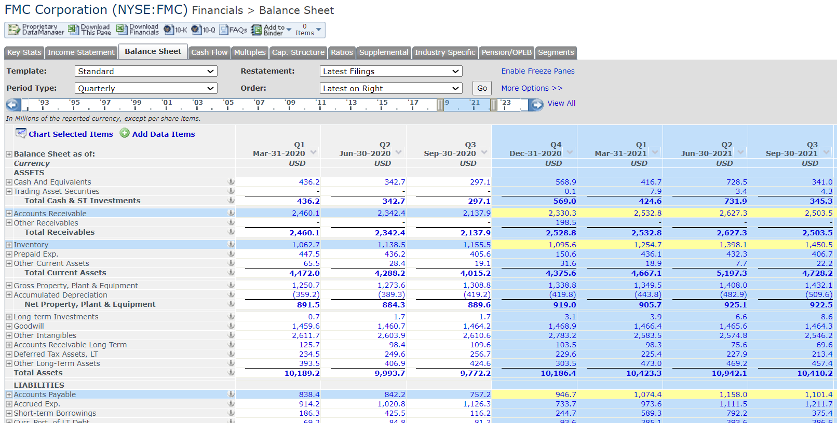

Bought FMC @ $130 per share

 | LTM
Interet Expense | $132

($ in Milion) | Historical Year |  |  |  |  |  |  | Adjusted LTM
 |  | 2016 | 2017 | 2018 | 2019 | 2020 |  | (-) YTD Q3' 20 | (+) YTD Q3' 21 | LTM Q3' 21
Operating income |  | $385 | $382 | $959 | $1,070 | $1,082 |  | $840 | $815 | $1,058
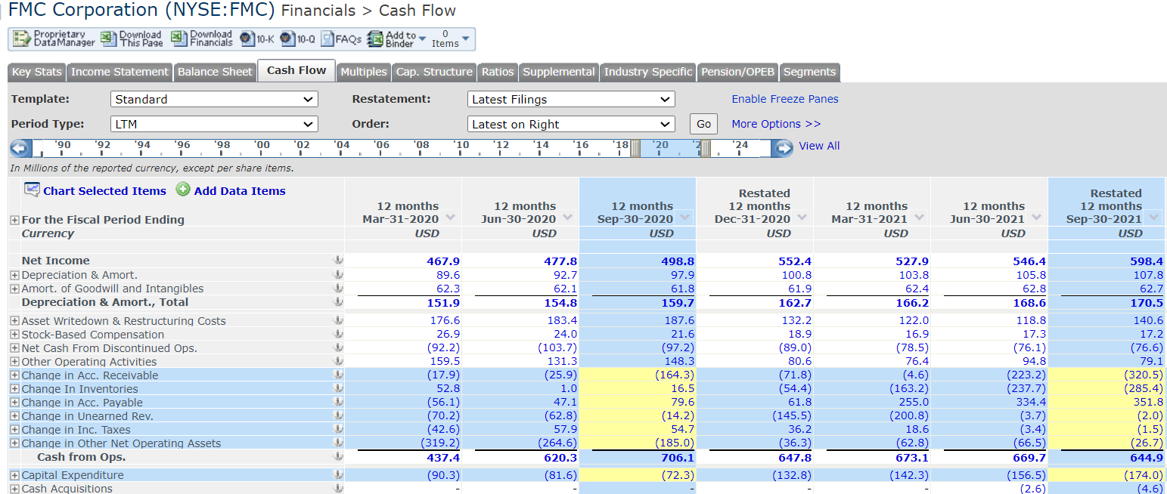
Depreciation & Amortization |  | $101 | $98 | $133 | $150 | $163 |  | $121 | $129 | $171
EBITDA |  | $486 | $480 | $1,091 | $1,221 | $1,245 | $- | $960 | $944 | $1,229
Restructuring Charges |  | $(1) | $(13) | $(16) | $(36) | $(2) |  | $(0) | $(13) | $(15)
Merger & Related Restruct. Charges |  | $(66) | $(150) | $(265) | $(104) | $(94) |  | $70 | $(6) | $(170)
Impairment of Goodwill |  | - | - | - | - | - |  |  |  | $-
Gain (Loss) On Sale Of Invest. |  | $(3) | - | - | - | - |  |  |  | $-
Gain (Loss) On Sale Of Assets |  | $2 | - | $87 | - | - |  |  |  | $-
Asset Writedown |  | - | $(42) | - | - | - |  |  |  | $-
Legal Settlements |  | - | - | - | $(73) | - |  |  |  | $-
Other Unusual Items |  | $(74) | $(2) | $(24) | $(44) | $(104) |  | $30 | $(37) | $(172)
Adj. EBITDA |  | $627 | $687 | $1,309 | $1,477 | $1,445 | $- | $860 | $1,000 | $1,585

