Sheet1
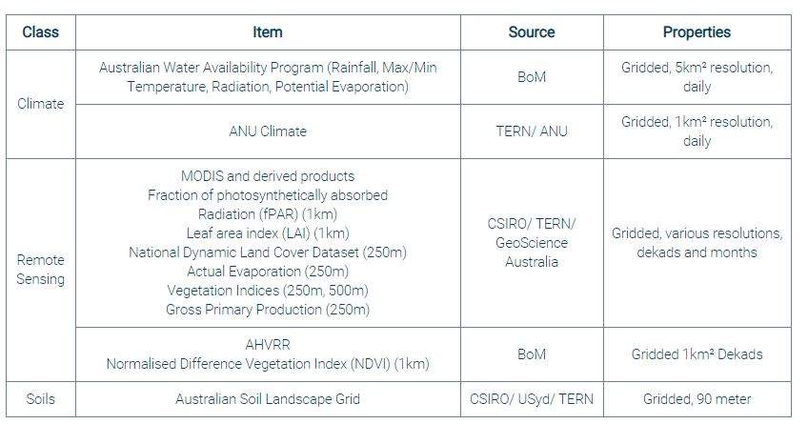
Station_ID | Provider | Type | Past |  |  |  |  |  |  | Present |  |  |  | Future |  |  |  | Temp | Rad (MJ/m^2) | Rain | VP | AP | WS | WD | RH | PET | AET | Pan_Eva | SM | ST
63254 | BoM-OAI | point | 1889 |  |  |  |  |  |  | 2013 |  |  | present |  |  |  |  | x | x | x |  | x |  | x |  |  |  | x
 | Atmos41-OAI-AWS | point |  |  |  |  |  |  |  |  |  | Apr-18 | present |  |  |  |  | x | x | x | x | x | x | x | x
421198 | OW-OAI-AWS | point |  |  |  |  |  |  |  |  | Jul-16 |  | present |  |  |  |  | x | x | x |  | x | x | x | x |  |  |  | x | x
63254 | SILO-OAI | point | 1889 |  |  |  |  |  |  |  |  |  | present |  |  |  |  | x | x | x | x (hPa) |  |  |  |  |  |  | x
 | NARCliM 1.0 | grid, 10k |  |  | 1990 |  | 2009 |  |  |  |  |  |  | 2020 | 2039 | 2060 | 2079 | x |  | x |  |  | x (10m, daily) |  |  | x |  |  | x
 | AWAP | grid, 5k |  | 1912 |  |  |  |  |  |  |  |  | present |  |  |  |  | x | x | x |  |  |  |  |  | x
 | ANUClimate | grid, 1k |  | 1912 |  |  |  |  |  |  |  |  | present |  |  |  |  | x | x | x | x
 |  |  |  |  |  |  |  |  |  |  |  |  |  |  |  |  |  |  |  |  |  |  | Wind field may from BARRA

 | Drought Duration |  |  |  |  | 2000 | Big Dry | 2010 |  | 2013/2014 |  | 2018 | present
 |  |  |  |  |  |  |  |  |  |  |  |  |  |  |  |  |  |  |  |  |  |  |  | Rad | Solar Radiation |  |  | PET | Potential evapotranspiration
BARRA wind field | http://www.bom.gov.au/research/projects/reanalysis/ |  |  |  |  |  |  |  |  |  |  |  |  |  |  |  |  |  |  |  |  |  |  | VP | Varpor pressure |  |  | AET | Actual evapotranspiration
Global wind speed | https://earth.nullschool.net/#current/wind/surface/level/orthographic=-224.09,-23.79,750 |  |  |  |  |  |  |  |  |  |  |  |  |  |  |  |  |  |  |  |  |  |  | AP | Amosphere pressure |  |  | Pan_Eva | Pan evaporation
SILO | https://www.longpaddock.qld.gov.au/silo/point-data/#responseTab1 |  |  |  |  |  |  |  |  |  |  |  |  |  |  |  |  |  |  |  |  |  |  | WS | Wind speed |  |  | SM | Soil moisture
OW-OAI-AWS | https://realtimedata.waternsw.com.au/ |  |  | Meteorology-real time data-AWS |  |  |  |  |  |  |  |  |  |  |  |  |  |  |  |  |  |  |  | WD | Wind direction |  |  | ST | Soil temperature
Atmos41-OAI | http://api.thingspeak.com/channels/462617/feed.json?start=2018-01-01%2000:00:00&end=2018-02-01%2000:00:00&timezone=Australia%2FSydney |  |  |  |  |  |  |  |  |  |  |  |  |  |  |  |  |  |  |  |  |  |  | RH | Relative humidity

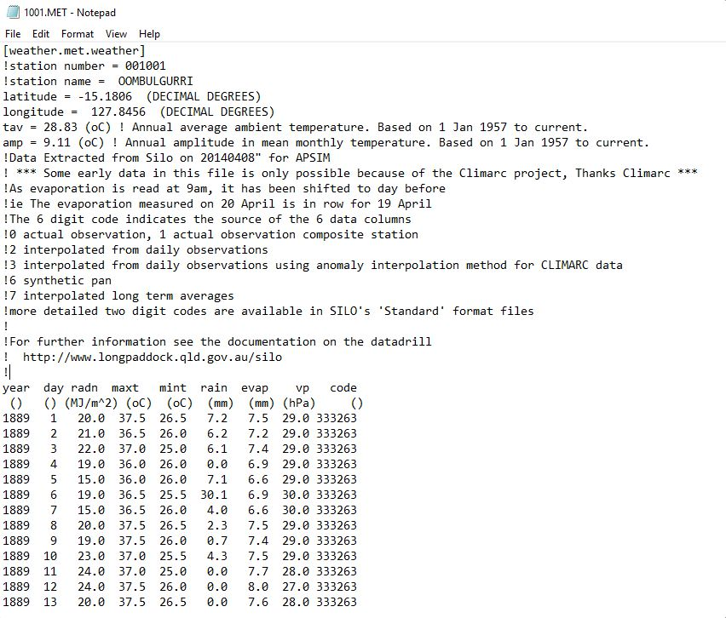
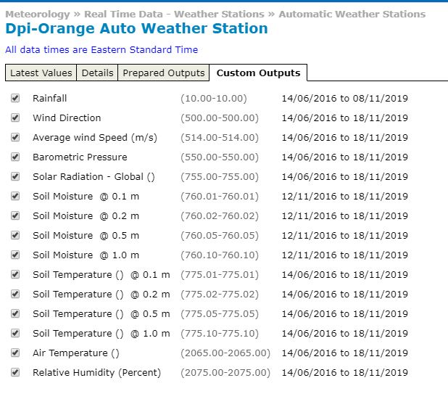
SILO |  |  |  |  |  |  |  |  | Atmos41 |  |  |  |  |  |  | OW-OAI
 |  |  |  |  |  |  |  |  | {"channel":{"id":462617 |  |  |  |  |  |  | HYSITREP − Site Summary Report
 |  |  |  |  |  |  |  |  | name:"Orange Agricultural Institute - AWS-01" |  |  |  |  |  |  | 421198 − DPI−ORANGE AUTO WEATHER STATION
 |  |  |  |  |  |  |  |  | description:"OAI BoM weather recording site." |  |  |  |  |  |  | SITE DESCRIPTION
 |  |  |  |  |  |  |  |  | latitude:"-33.321111" |  |  |  |  |  |  | Site: 421198 DPI−ORANGE AWS
 |  |  |  |  |  |  |  |  | longitude:"149.082778" |  |  |  |  |  |  | Site Name: DPI−ORANGE AUTO WEATHER STATION
 |  |  |  |  |  |  |  |  | field1:"Solar Radiation (W/m2)" |  |  |  |  |  |  | Grid Ref: Zone: 55
 |  |  |  |  |  |  |  |  | field2:"Precipitation (mm)" |  |  |  |  |  |  | Easting:693874.354846435
 |  |  |  |  |  |  |  |  | field3:"Wind Speed (m/s)" |  |  |  |  |  |  | Northing:6311188.93002781
 |  |  |  |  |  |  |  |  | field4:"Wind Direction (deg)" |  |  |  |  |  |  | Grid Datum:MGA94 Map Grid of Australia 1994
 |  |  |  |  |  |  |  |  | field5:"Gust Speed (m/s)" |  |  |  |  |  |  | Current Site Hydrometric: ACT Active
 |  |  |  |  |  |  |  |  | field6:"Air Temperature (degC)" |  |  |  |  |  |  | Latitude: −33.321008 33°19'15.6"S
 |  |  |  |  |  |  |  |  | field7:"Atmospheric Pressure (hPa)" |  |  |  |  |  |  | Longitude:149.082783 149°04'58.0"E
 |  |  |  |  |  |  |  |  | field8:"Relative Humidity (%)" |  |  |  |  |  |  | Lat/Long Datum: GDA94 Geocentric Datum of Australia 1994
 |  |  |  |  |  |  |  |  | created_at:"2018-03-29T12:26:16+11:00"
 |  |  |  |  |  |  |  |  | updated_at:"2019-07-26T11:54:19+10:00"
 |  |  |  |  |  |  |  |  | elevation:"928"

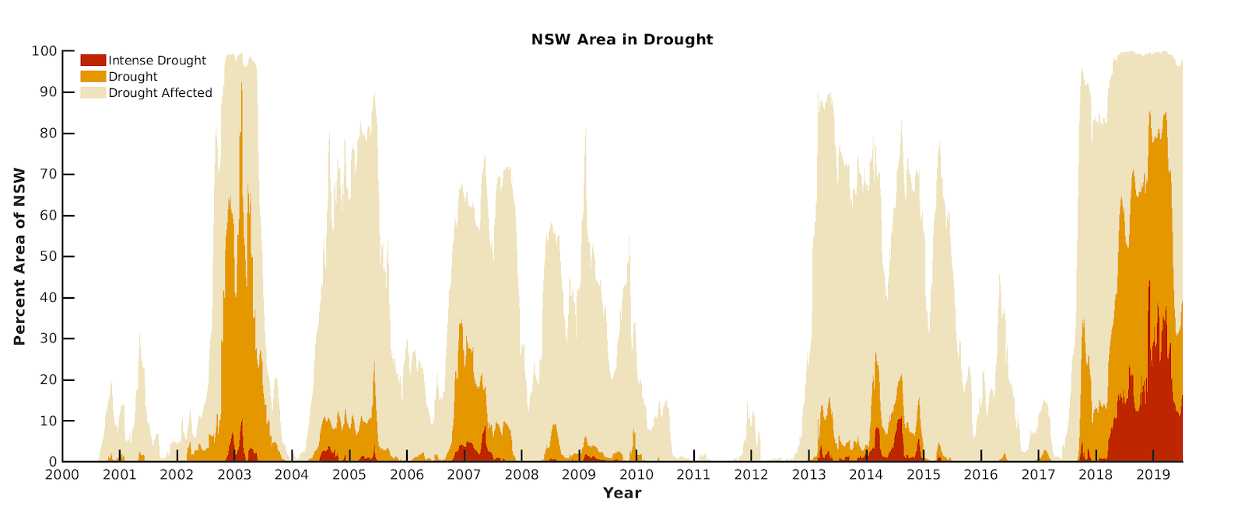
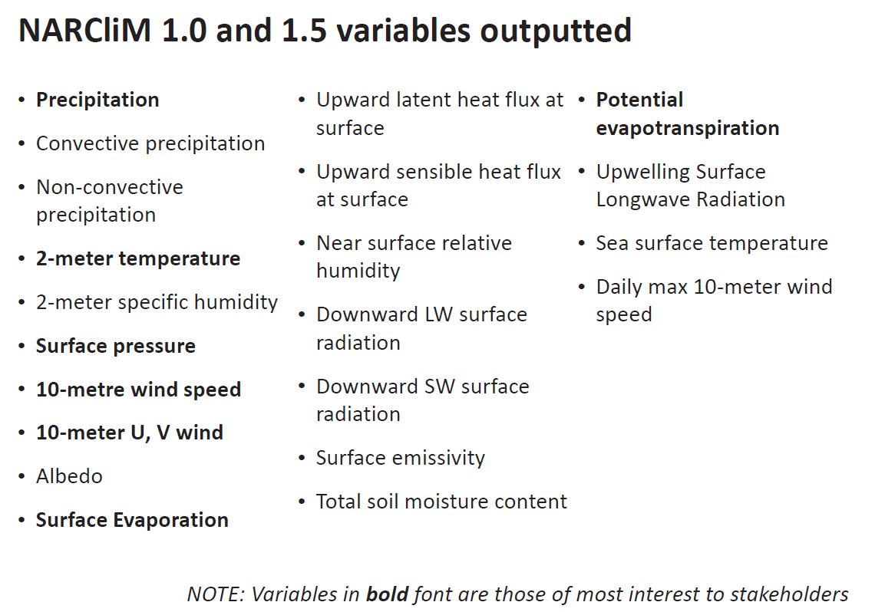
EDIS

