场地信息
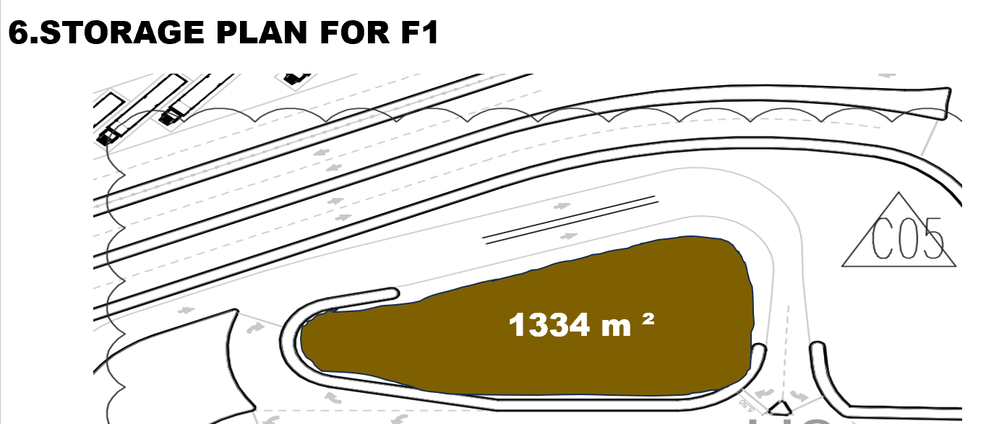
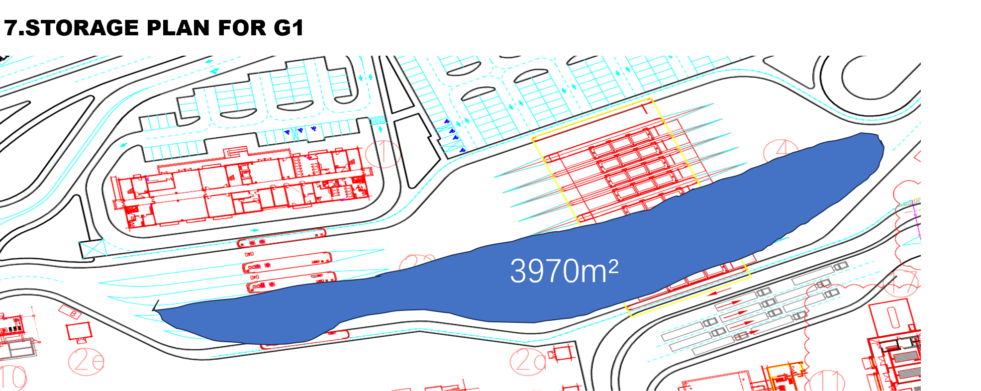
表格2
区域 |  | m/m² | 区域 |  | m/m²
C1 | Road 1 | 9.2×200 | C1 | Road 1 | 9.2×200
 | Road 2 | 18×100 |  | Road 2 | 18×100
 | Road 3 | 9.6×150 |  | Road 3 | 9.6×150
 | Yard 1 | 34×150 |  | Yard 1 | 34×150
 | Yard 2 | 52×135 |  | Yard 2 | 52×135
B8 |  | 34×35 | B8 |  | 34×35
R2 |  | 14.5×250 | R2 |  | 14.5×250
B3 |  | 34×225 | B3 |  | 34×225
Rail way area |  | 450×30 | Rail way area |  | 450×30
F1 |  | 1143 m² | G1 |  | 14×200
G1 |  | 3970 m²
G1 |  | 14×200

 |  |  | F1 |  | 1143 m²
1 | C1 C2 Area | C1 | G1 |  | 3970 m²
2 | Road V5-1 | R1
3 | Block A7 | A7
4 | Block A8 | A8
5 | Road V5-2 | R2
6 | Block B8 | B8
7 | Block B3 | B3
8 | Rail Way | R3
9 | Fuel station | F1
10 | OutGate | G1
11 | Quay 6 | Q1
12 | PARKING | P1

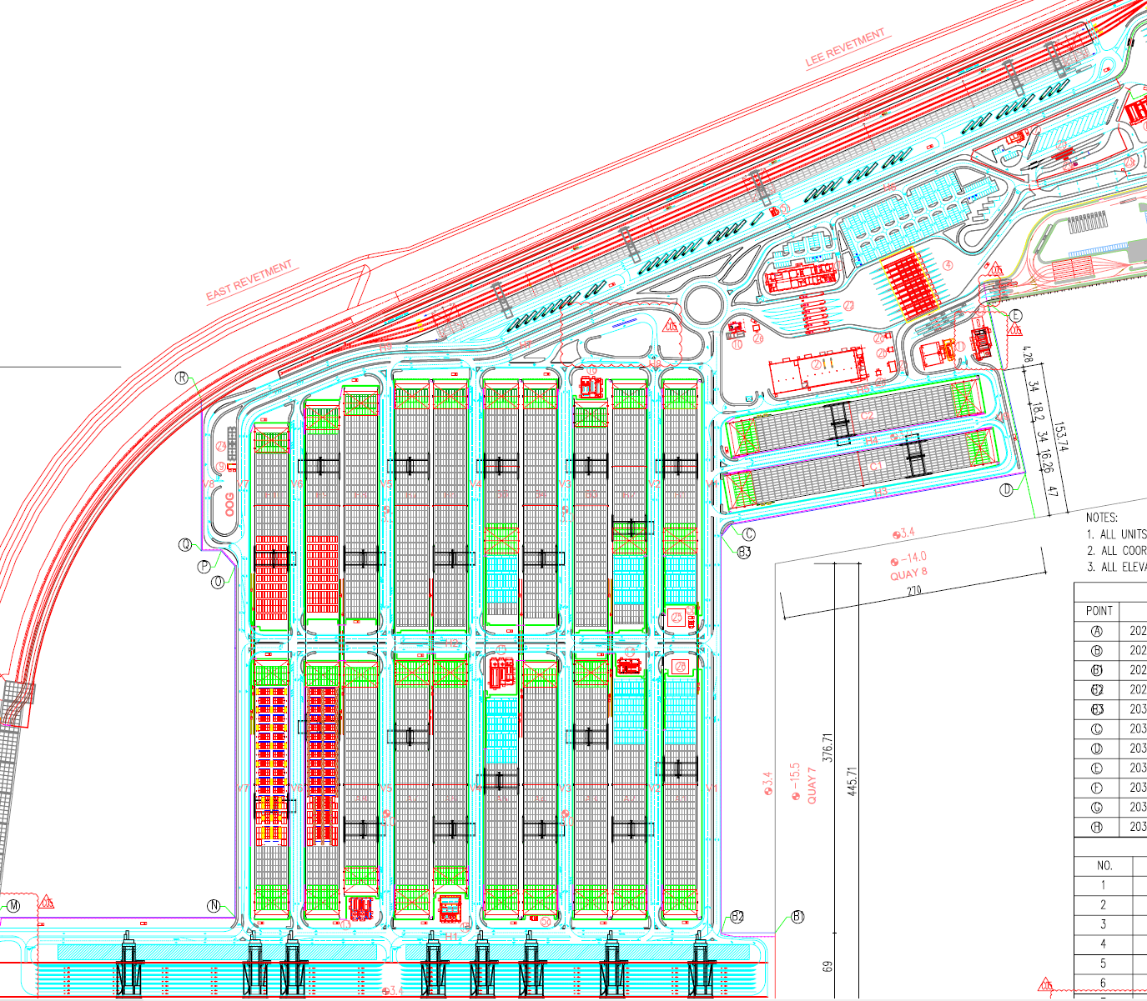
1
5
2
3
4
9
7
10
11
6
12
1
5
2
3
4
9
7
10
11
6
12

