Model - Feature Importance
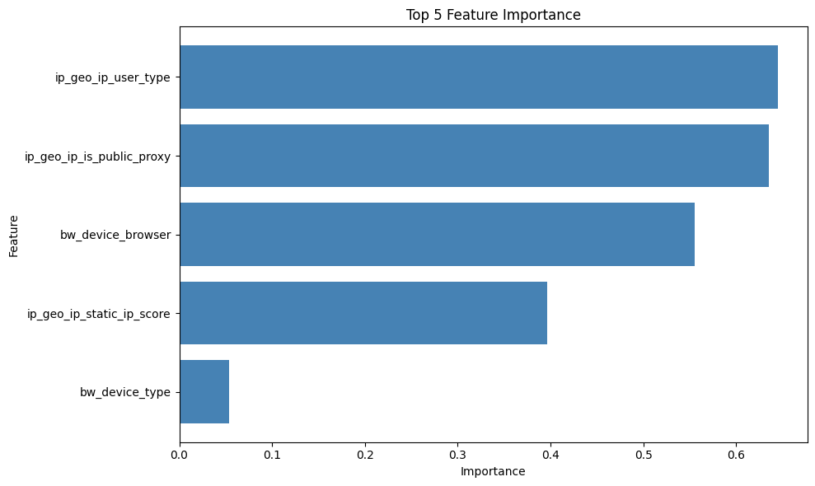
feature | importance
ip_geo_ip_user_type | 0.6448
ip_geo_ip_is_public_proxy | 0.6349
bw_device_browser | 0.5552
ip_geo_ip_static_ip_score | 0.3967
bw_device_type | 0.0539

Calibration - Plot
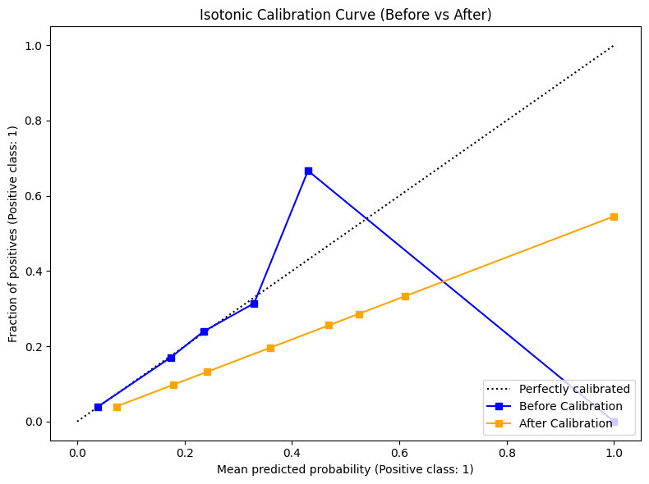
Calibration - Plot
Calibration Curve (Before vs After)

Calibration - Scaling Mapping
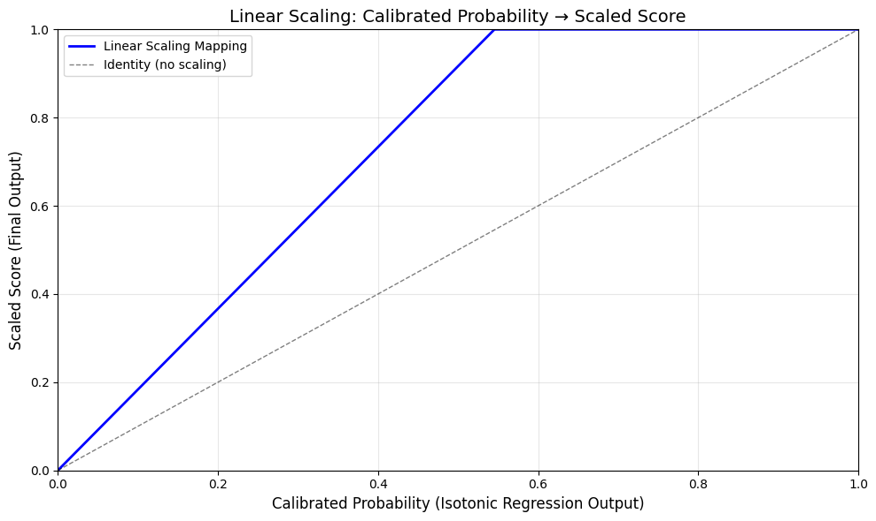
Calibration - Scaling Mapping
Linear Scaling: Calibrated Probability → Scaled Score

