dashboard
HR & Executive Workforce Analytics Dashboard
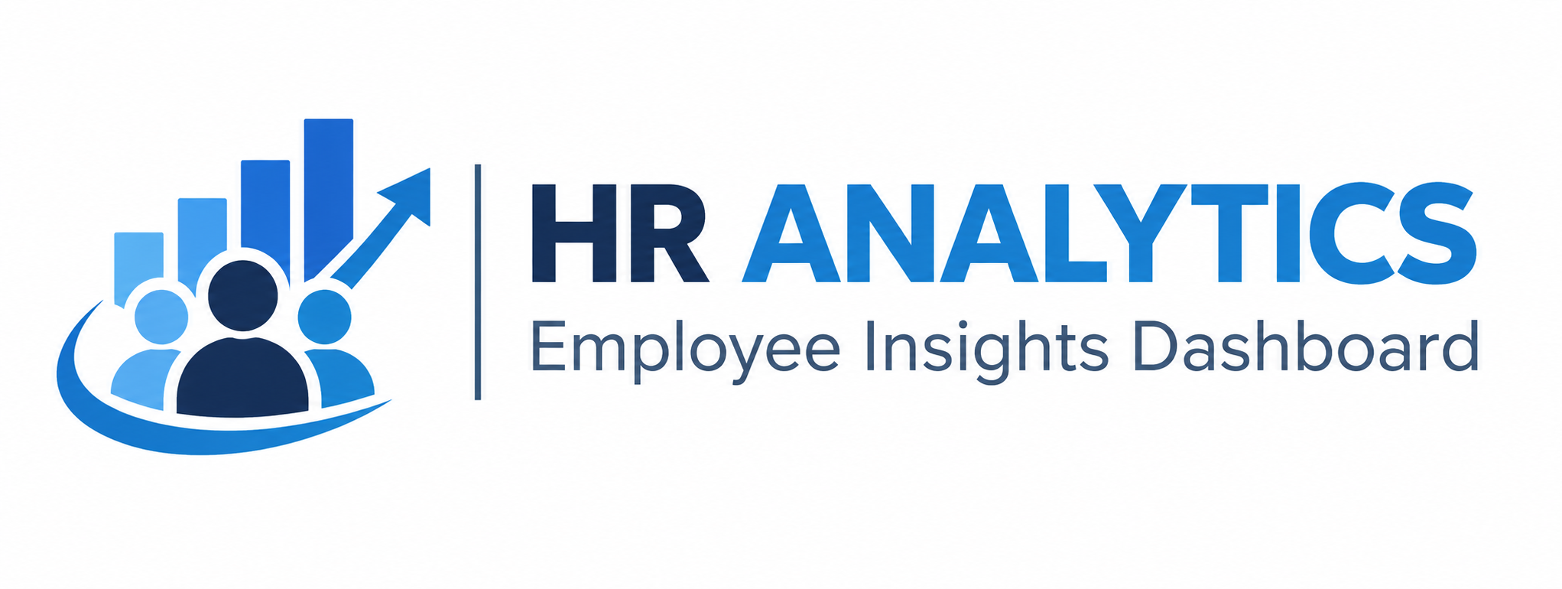

👥Number of employees
689
🏢 Departments
20
💰 Total salary
$1,424,991.00
📊 Average Salary
$2,068.20
⭐Average job rate
3.58

 | Total
Account Management | 84
Creative | 19
Environmental Compliance | 13
Environmental Health/Safety | 9
Facilities/Engineering | 58
Green Building | 8
Human Resources | 7
IT | 40
Major Mfg Projects | 8
Manufacturing | 140
Manufacturing Admin | 5
Marketing | 48
Product Development | 34
Professional Training Group | 14
Quality Assurance | 67
Quality Control | 89
Research Center | 5
Research/Development | 5
Sales | 20
Training | 16
 | Total
Ahmad Hamuwd | $53,280.00
Ahmad Laylana | $48,240.00
Muhamad Alkhatib | $69,756.00
Muhamad Almisri | $62,880.00
Muhamad Amir | $49,884.00
Muhamad Ayman | $55,140.00
Muhamad Hamzat | $72,192.00
Muhamad Husayn | $60,960.00
Muhamad Khalid | $54,852.00
Muhamad Khayr | $83,388.00
 | Total
Egypt | 379
Lebanon | 11
Saudi Arabia | 90
Syria | 53
United Arab Emirates | 156

