SR & LPC Details checklist
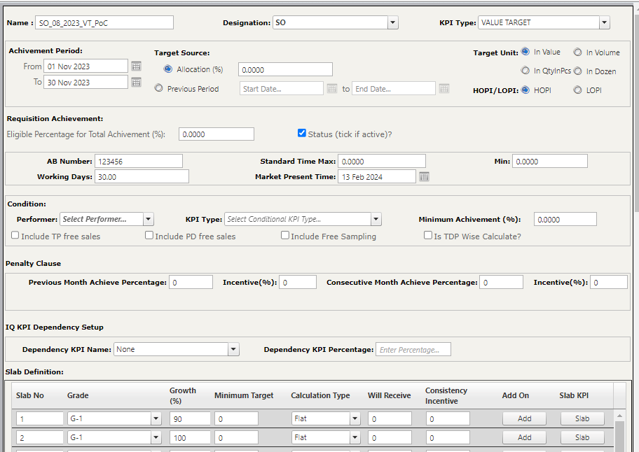
Value Target without condition
Designation | Scenario | Description | Test Data | Expected Result | Actual Result | Status
SO | DFF Incentive Setup> For specific Towns | Verify that the Incentive is achieved for the SO of the Specified Town/s when the value target(Slab 1,2,3..etc) is met |  | The Incentive should be achieved when the Value target is met by the SO |  | Passed
SO | DFF Incentive Setup> For specific Towns | Verify that the incentive isn't achieved after meeting the value target(Slab 1,2,3..) for Other Designations (not including SO) of the other towns that are not specified |  | The Incentive shouldn't be achieved when the Value target is met by the Other designations (except SO) |  | Passed
SO | DFF Incentive Setup> For specific Towns | Verify that the Incentive isn't achieved when the value target(Slab 1,2..) is met by the specified Designation(SO) of the other Towns that are not specified by the setup |  | The Incentive shouldn't be achieved when the Value target is met by the SO of other Towns |  | Passed
SO | TDP Wise | Verify that the incentive is given as TDP wise setup |  | The incentive should be given according to the TDP-wise setup. |  | Passed
SO | Update/Edit>DFF Incentive Setup | Verify that the incentive is given when the updated target is met |  | The Incentive should be achieved when the updated Value Target is met by the SO |  | Passed

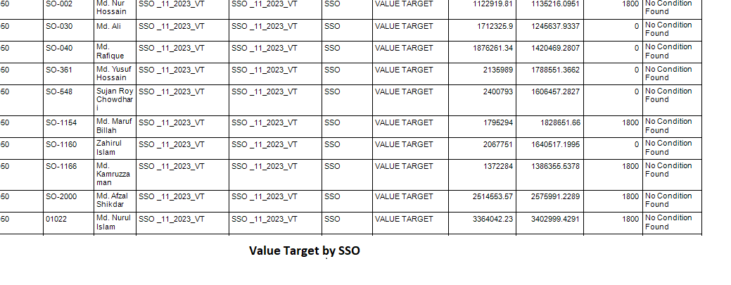
SSO | DFF Incentive Setup> For specific Towns | Verify that the Incentive is achieved for the SSO of the Specified Town/s when the value target(Slab 1,2..) is met |  | The Incentive should be achieved when the Value target is met by the SSO |  | Passed
SSO | DFF Incentive Setup> For specific Towns | Verify that the incentive isn't achieved after meeting the value target(Slab 1,2,3..) for Other Designations (not including SSO) of the other towns that are not specified |  | The Incentive shouldn't be achieved when the Value target is met by the Other designations (except SSO) |  | Passed
SSO | DFF Incentive Setup> For specific Towns | Verify that the Incentive isn't achieved when the value target(Slab 1,2..) is met by the specified Designation(SSO) of the other Towns that are not specified by the setup |  | The Incentive shouldn't be achieved when the Value target is met by the SSO of other Towns |  | Passed
SSO | TDP Wise | Verify that the incentive is given as TDP wise setup |  | The incentive should be given according to the TDP-wise setup. |  | Passed
SSO | Update/Edit>DFF Incentive Setup | Verify that the incentive is given when the updated target is met |  | The Incentive should be achieved when the updated Value Target is met by the SSO |  | Passed

WSSSO | DFF Incentive Setup> For specific Towns | Verify that the Incentive is achieved for the WSSSO of the Specified Town/s when the value target(Slab 1,2..) is met |  | The Incentive should be achieved when the Value target is met by the WSSSO |  | Passed
WSSSO | DFF Incentive Setup> For specific Towns | Verify that the incentive isn't achieved after meeting the value target(Slab 1,2,3..) for Other Designations (not including WSSSO) of the other towns that are not specified |  | The Incentive shouldn't be achieved when the Value target is met by the Other designations (except WSSSO) |  | Passed
WSSSO | DFF Incentive Setup> For specific Towns | Verify that the Incentive isn't achieved when the value target(Slab 1,2..) is met by the specified Designation(WSSSO) of the other Towns that are not specified by the setup |  | The Incentive shouldn't be achieved when the Value target is met by the WSSSO of other Towns |  | Passed
WSSSO | TDP Wise | Verify that the incentive is given to WSSSO as per TDP wise setup |  | The incentive should be given according to the TDP-wise setup. |  | Passed
WSSSO | Update/Edit>DFF Incentive Setup | Verify that the incentive is given when the updated target is met |  | The Incentive should be achieved when the updated Value Target is met by the WSSSO |  | Passed
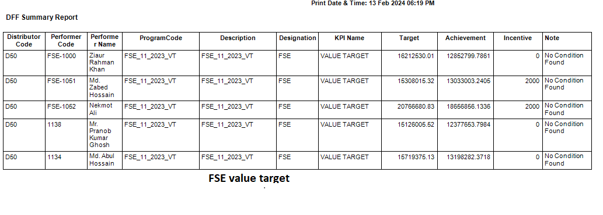
FSE | DFF Incentive Setup> For specific Towns | Verify that the Incentive is achieved for the FSE of the Specified Town/s when the value target(Slab 1,2..) is met |  | The Incentive should be achieved when the Value target is met by the FSE |  | Passed
FSE | DFF Incentive Setup> For specific Towns | Verify that the incentive isn't achieved after meeting the value target(Slab 1,2,3..) for Other Designations (not including FSE) of the other towns that are not specified |  | The Incentive shouldn't be achieved when the Value target is met by the Other designations (except FSE) |  | Passed
FSE | DFF Incentive Setup> For specific Towns | Verify that the Incentive isn't achieved when the value target(Slab 1,2..) is met by the specified Designation(SSO/SO) of the other Towns that are not specified by the setup |  | The Incentive shouldn't be achieved when the Value target is met by the FSE of other Towns |  | Passed
FSE | TDP Wise | Verify that the incentive is given to FSE as per TDP wise setup |  | The incentive should be given according to the TDP-wise setup. |  | Passed
FSE | Update/Edit>DFF Incentive Setup | Verify that the incentive is given when the updated target is met |  | The Incentive should be achieved when the updated Value Target is met by the FSE |  | Passed

Manager Ops | DFF Incentive Setup> For specific Towns | Verify that the Incentive is achieved for the Manager Ops of the Specified Town/s when the value target(Slab 1,2..) is met |  | The Incentive should be achieved when the Value target is met by the Manager Ops |  | Passed
Manager Ops | DFF Incentive Setup> For specific Towns | Verify that the incentive isn't achieved after meeting the value target(Slab 1,2,3..) by others Designations(except Manager Ops) of the specified towns |  | The Incentive shouldn't be achieved when the Value target is met by the Other designations (except Manager Ops) |  | Passed
Manager Ops | DFF Incentive Setup> For specific Towns | Verify that the Incentive isn't achieved when the value target(Slab 1,2..) is met by the specified Designation(Manager Ops) of the other Towns that are not specified by the setup |  | The Incentive shouldn't be achieved when the Value target is met by the Manager Ops of other Towns |  | Passed
Manager Ops | TDP Wise | Verify that the incentive is given to Manager Ops as per TDP wise setup |  | The incentive should be given according to the TDP-wise setup. |  | Passed
Manager Ops | Update/Edit>DFF Incentive Setup | Verify that the incentive is given when the updated target is met |  | The Incentive should be achieved when the updated Value Target is met by the Manager Ops |  | Passed

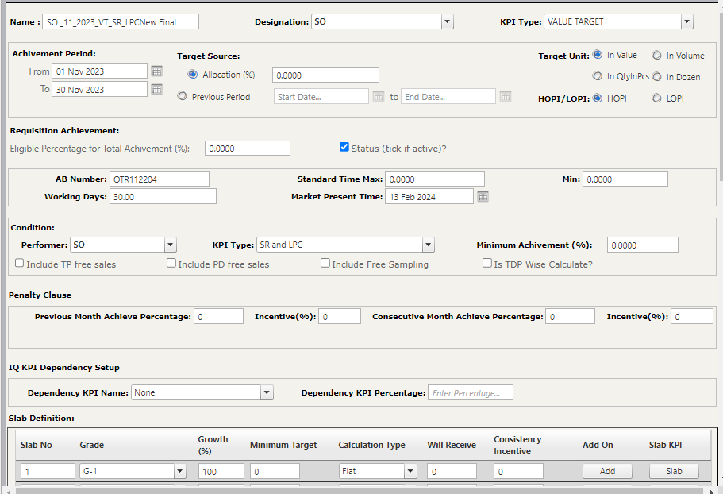
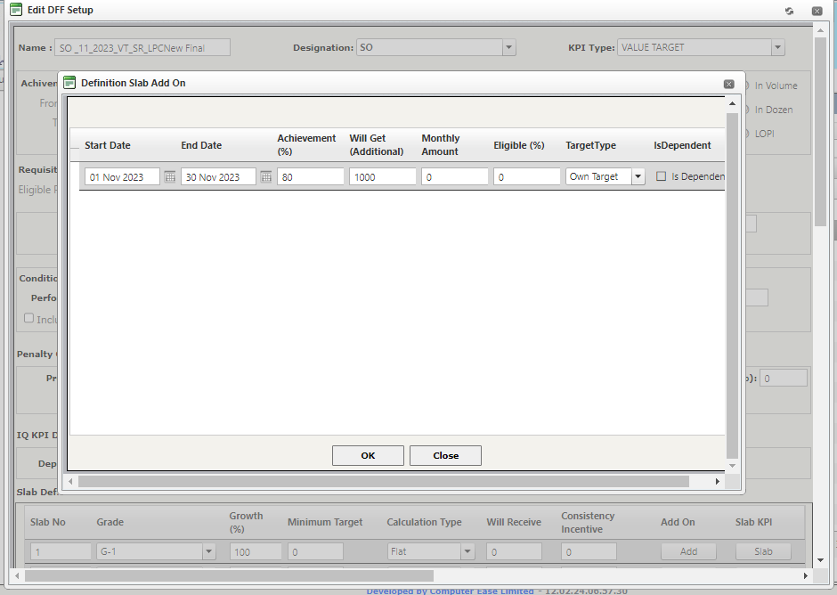
Value Target with condition
Value Target with condition-SR & LPC
SO | Value Target with condition SR & LPC | Verify that the Incentive is achieved by the SO when the value target, SR and LPC target are met |  | The Incentive should be achieved when all the targets ( Value target, SR and LPC Target) are met by the SO |  | Passed
SO | Value Target with condition SR & LPC | Verify that the Incentive isn't achieved by the SO when the value target is met but the SR and LPC target aren't met |  | The Incentive shouldn't be achieved when the Value target is met but the SR and LPC Target aren't met by the SO |  | Passed
SO | Value Target with condition SR & LPC | Verify that the Incentive isn't achieved by the SO when the value target and the SR Target are met but the LPC target isn't met |  | The Incentive shouldn't be achieved when the Value target and SR Target are met but the LPC Target isn't met by the SO |  | Passed
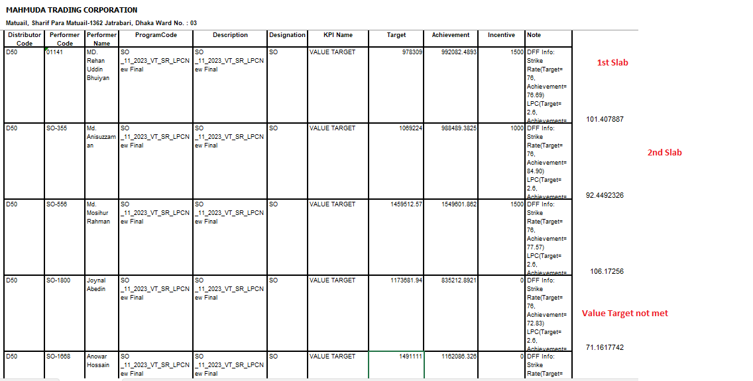
SO | Value Target with condition SR & LPC | Verify that the Incentive isn't achieved by the SO when the value target and the LPC Target are met but the SR target isn't met |  | The Incentive shouldn't be achieved when the Value target and LPC Target are met but the SR Target isn't met by the SO |  | Passed
SO | Value Target with condition SR & LPC | Verify that the Incentive is not achieved if the Value Target is not met despite meeting the SR and the LPC Target by the SO |  | The Incentive shouldn't be achieved when the SR and LPC Target are met but the Value Target isn't met by the SO |  | Passed
SO | Value Target with condition SR & LPC | Verify that the Incentive isn't achieved after the value target, SR, and LPC Target are met by other designations(Except SO) that were not specified |  | The Incentive shouldn't be achieved when all the targets (Value target, SR and LPC) are met by the Other designations (except SO) |  | Passed
SO | Value Target with condition SR & LPC | Verify that the Incentive isn't achieved when the Value target, SR and LPC targets are met by the SO of the Towns that are not specified in the setup |  | The Incentive shouldn't be achieved when all the targets (Value target, SR and LPC) are met by the SO of the other Towns |  | Passed
SO | Value Target with condition SR & LPC> TDP Wise Calculate (Yes) | Verify that the Incentive is calculated TDP-wise when the incentive is achieved after meeting all target by the SO |  | The incentive should be given according to the TDP-wise setup. |  | Passed
SO | Update/Edit>DFF Incentive Setup | Verify that the incentive is given when the updated target is met |  | The Incentive should be achieved when the updated Targets (Value Target, SR and LPC) are met by the SO |  | Passed

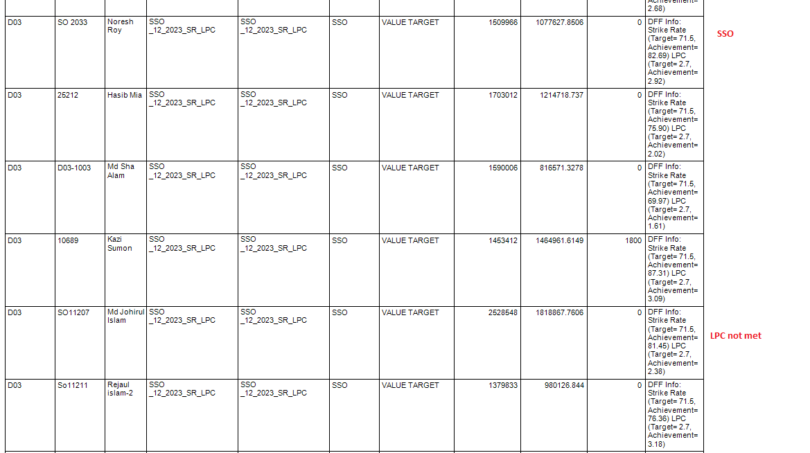
SSO | Value Target with condition SR & LPC | Verify that the Incentive is achieved by the SSO when the value target, SR and LPC target are met |  | The Incentive should be achieved when all the targets ( Value target, SR and LPC Target) are met by the SSO |  | Passed
SSO | Value Target with condition SR & LPC | Verify that the Incentive isn't achieved by the SSO when the value target is met but the SR and LPC target aren't met |  | The Incentive shouldn't be achieved when the Value target is met but the SR and LPC Target aren't met by the SSO |  | Passed
SSO | Value Target with condition SR & LPC | Verify that the Incentive isn't achieved by the SSO when the value target and the SR Target are met but the LPC target isn't met |  | The Incentive shouldn't be achieved when the Value target and SR Target are met but the LPC Target isn't met by the SSO |  | Passed
SSO | Value Target with condition SR & LPC | Verify that the Incentive isn't achieved by the SSO when the value target and the LPC Target are met but the SR target isn't met |  | The Incentive shouldn't be achieved when the Value target and LPC Target are met but the SR Target isn't met by the SSO |  | Passed
SSO | Value Target with condition SR & LPC | Verify that the Incentive is not achieved if the Value Target is not met despite meeting the SR and the LPC Target by the SSO |  | The Incentive shouldn't be achieved when the SR and LPC Target are met but the Value Target isn't met by the SSO |  | Passed
SSO | Value Target with condition SR & LPC | Verify that the Incentive isn't achieved after the value target, SR, and LPC Target are met by other designations(Except SSO) that were not specified |  | The Incentive shouldn't be achieved when all the targets (Value target, SR and LPC) are met by the Other designations (except SSO) |  | Passed
SSO | Value Target with condition SR & LPC | Verify that the Incentive isn't achieved when the Value target, SR and LPC targets are met by the SSO of the Towns that are not specified in the setup |  | The Incentive shouldn't be achieved when all the targets (Value target, SR and LPC) are met by the SSO of the other Towns |  | Passed
SSO | Value Target with condition SR & LPC> TDP Wise Calculate (Yes) | Verify that the Incentive is calculated TDP-wise when the incentive is achieved after meeting all target by the SO |  | The incentive should be given according to the TDP-wise setup. |  | Passed
SSO | Update/Edit>DFF Incentive Setup | Verify that the incentive is given when the updated target is met |  | The Incentive should be achieved when the updated Targets (Value Target, SR and LPC) are met by the SSO |  | Passed

WSSSO | Value Target with condition SR & LPC | Verify that the Incentive is achieved by the WSSSO when the value target, SR and LPC target are met |  | The Incentive should be achieved when all the targets ( Value target, SR and LPC Target) are met by the WSSSO |  | Passed
WSSSO | Value Target with condition SR & LPC | Verify that the Incentive isn't achieved by the WSSSO when the value target is met but the SR and LPC target aren't met |  | The Incentive shouldn't be achieved when the Value target is met but the SR and LPC Target aren't met by the WSSSO |  | Passed
WSSSO | Value Target with condition SR & LPC | Verify that the Incentive isn't achieved by the WSSSO when the value target and the SR Target are met but the LPC target isn't met |  | The Incentive shouldn't be achieved when the Value target and SR Target are met but the LPC Target isn't met by the WSSSO |  | Passed
WSSSO | Value Target with condition SR & LPC | Verify that the Incentive isn't achieved by the WSSSO when the value target and the LPC Target are met but the SR target isn't met |  | The Incentive shouldn't be achieved when the Value target and LPC Target are met but the SR Target isn't met by the WSSSO |  | Passed
WSSSO | Value Target with condition SR & LPC | Verify that the Incentive is not achieved if the Value Target is not met despite meeting the SR and the LPC Target by the WSSSO |  | The Incentive shouldn't be achieved when the SR and LPC Target are met but the Value Target isn't met by the WSSSO |  | Passed
WSSSO | Value Target with condition SR & LPC | Verify that the Incentive isn't achieved after the value target, SR, and LPC Target are met by other designations(Except WSSSO) that were not specified |  | The Incentive shouldn't be achieved when all the targets (Value target, SR and LPC) are met by the Other designations (except WSSSO) |  | Passed
WSSSO | Value Target with condition SR & LPC | Verify that the Incentive isn't achieved when the Value target, SR and LPC targets are met by the WSSO of the Towns that are not specified in the setup |  | The Incentive shouldn't be achieved when all the targets (Value target, SR and LPC) are met by the WSSSO of the other Towns |  | Passed
WSSSO | Value Target with condition SR & LPC> TDP Wise Calculate (Yes) | Verify that the Incentive is calculated TDP-wise when the incentive is achieved after meeting all target by the WSSSO |  | The incentive should be given according to the TDP-wise setup. |  | Passed
WSSSO | Update/Edit>DFF Incentive Setup | Verify that the incentive is given when the updated target is met |  | The Incentive should be achieved when the updated Targets (Value Target, SR and LPC) are met by the WSSSO |  | Passed

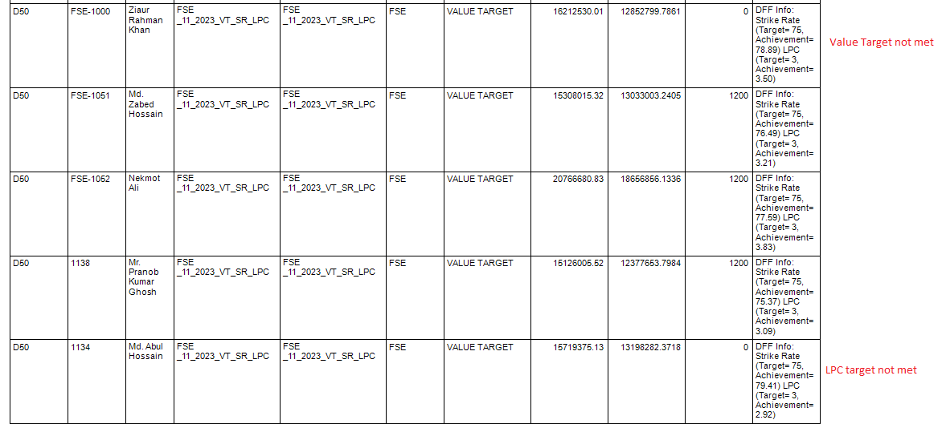
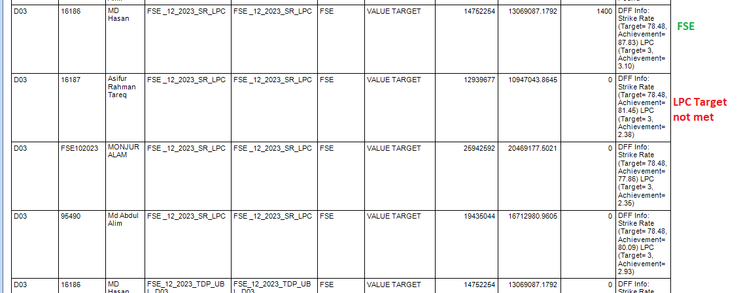
FSE | Value Target with condition SR & LPC | Verify that the Incentive is achieved by the FSE when the value target, SR and LPC target are met |  | The Incentive should be achieved when all the targets ( Value target, SR and LPC Target) are met by the FSE |  | Passed
FSE | Value Target with condition SR & LPC | Verify that the Incentive isn't achieved by the FSE when the value target is met but the SR and LPC target aren't met |  | The Incentive shouldn't be achieved when the Value target is met but the SR and LPC Target aren't met by the FSE |  | Passed
FSE | Value Target with condition SR & LPC | Verify that the Incentive isn't achieved by the FSE when the value target and the SR Target are met but the LPC target isn't met |  | The Incentive shouldn't be achieved when the Value target and SR Target are met but the LPC Target isn't met by the FSE |  | Passed
FSE | Value Target with condition SR & LPC | Verify that the Incentive isn't achieved by the FSE when the value target and the LPC Target are met but the SR target isn't met |  | The Incentive shouldn't be achieved when the Value target and LPC Target are met but the SR Target isn't met by the FSE |  | Passed
FSE | Value Target with condition SR & LPC | Verify that the Incentive is not achieved if the Value Target is not met despite meeting the SR and the LPC Target by the FSE |  | The Incentive shouldn't be achieved when the SR and LPC Target are met but the Value Target isn't met by the FSE |  | Passed
FSE | Value Target with condition SR & LPC | Verify that the Incentive isn't achieved after the value target, SR, and LPC Target are met by other designations(Except FSE) that were not specified |  | The Incentive shouldn't be achieved when all the targets (Value target, SR and LPC) are met by the Other designations (except FSE) |  | Passed
FSE | Value Target with condition SR & LPC | Verify that the Incentive isn't achieved when the Value target, SR and LPC targets are met by the FSE of the Towns that are not specified in the setup |  | The Incentive shouldn't be achieved when all the targets (Value target, SR and LPC) are met by the FSE of the other Towns |  | Passed
FSE | Value Target with condition SR & LPC> TDP Wise Calculate (Yes) | Verify that the Incentive is calculated TDP-wise when the incentive is achieved after meeting all target by the FSE |  | The incentive should be given according to the TDP-wise setup. |  | Passed
FSE | Update/Edit>DFF Incentive Setup | Verify that the incentive is given when the updated target is met |  | The Incentive should be achieved when the updated Targets (Value Target, SR and LPC) are met by the FSE |  | Passed

Manager Ops | Value Target with condition SR & LPC | Verify that the Incentive is achieved by the Manager Ops when the value target, SR and LPC target are met |  | The Incentive should be achieved when all the targets ( Value target, SR and LPC Target) are met by the Manager Ops |  | Passed
Manager Ops | Value Target with condition SR & LPC | Verify that the Incentive isn't achieved by the Manager Ops when the value target is met but the SR and LPC target aren't met |  | The Incentive shouldn't be achieved when the Value target is met but the SR and LPC Target aren't met by the Manager Ops |  | Passed
Manager Ops | Value Target with condition SR & LPC | Verify that the Incentive isn't achieved by the Manager Ops when the value target and the SR Target are met but the LPC target isn't met |  | The Incentive shouldn't be achieved when the Value target and SR Target are met but the LPC Target isn't met by the Manager Ops |  | Passed
Manager Ops | Value Target with condition SR & LPC | Verify that the Incentive isn't achieved by the Manager Ops when the value target and the LPC Target are met but the SR target isn't met |  | The Incentive shouldn't be achieved when the Value target and LPC Target are met but the SR Target isn't met by the Manager Ops |  | Passed
Manager Ops | Value Target with condition SR & LPC | Verify that the Incentive is not achieved if the Value Target is not met despite meeting the SR and the LPC Target by the Manager Ops |  | The Incentive shouldn't be achieved when the SR and LPC Target are met but the Value Target isn't met by the Manager Ops |  | Passed
Manager Ops | Value Target with condition SR & LPC | Verify that the Incentive isn't achieved after the value target, SR, and LPC Target are met by other designations(Except Manager Ops) that were not specified |  | The Incentive shouldn't be achieved when all the targets (Value target, SR and LPC) are met by the Other designations (except Manager Ops) |  | Passed
Manager Ops | Value Target with condition SR & LPC | Verify that the Incentive isn't achieved when the Value target, SR and LPC targets are met by the Manager Ops of the Towns that are not specified in the setup |  | The Incentive shouldn't be achieved when all the targets (Value target, SR and LPC) are met by the Manager Ops of the other Towns |  | Passed
Manager Ops | Value Target with condition SR & LPC> TDP Wise Calculate (Yes) | Verify that the Incentive is calculated TDP-wise when the incentive is achieved after meeting all target by the Manager Ops |  | The incentive should be given according to the TDP-wise setup. |  | Passed
Manager Ops | Update/Edit>DFF Incentive Setup | Verify that the incentive is given when the updated target is met |  | The Incentive should be achieved when the updated Targets (Value Target, SR and LPC) are met by the Manager Ops |  | Passed

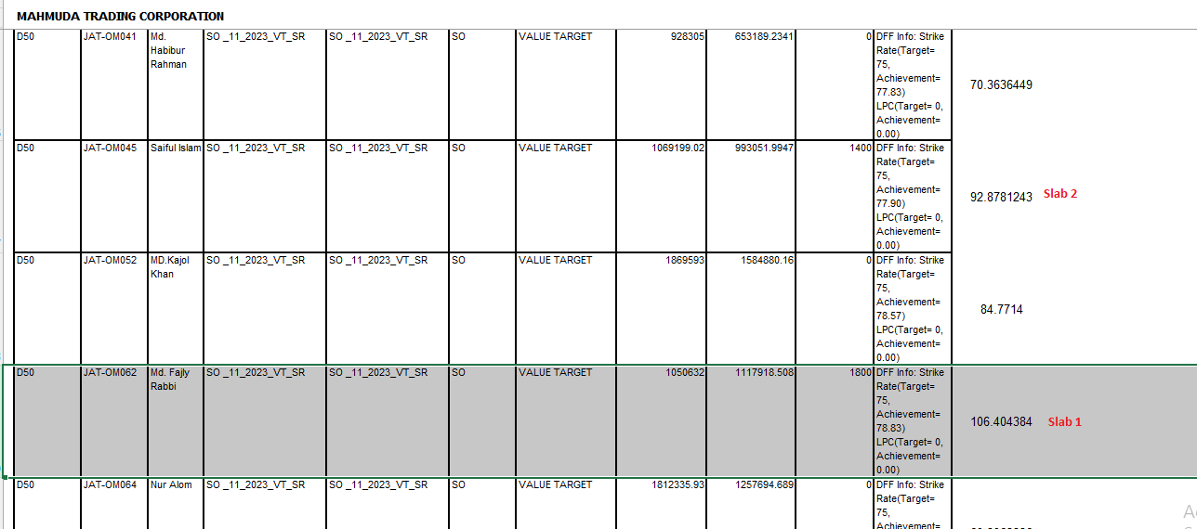
Value Target with condition-SR
SO | Value Target with condition SR | Verify that the Incentive is achieved by the SO when the value target and SR both targets are met |  | The Incentive should be achieved when both targets ( Value target and SR target) are met by the SO |  | Passed
SO | Value Target with condition SR | Verify that the Incentive isn't achieved by the SO when the value target is met but the SR target isn't met |  | The Incentive shouldn't be achieved when the Value target is met but the SR Target isn't met by the SO |  | Passed
SO | Value Target with condition SR | Verify that the Incentive isn't achieved after the value target and SR Target are met by those designations(Except SO) that were not specified |  | The Incentive shouldn't be achieved when both targets (Value target and SR Target) are met by the Other designations (except SO) |  | Passed
SO | Value Target with condition SR | Verify that the Incentive isn't achieved when the Value target and SR target are met by the SO of the Towns that are not specified by the setup |  | The Incentive shouldn't be achieved when both targets (Value target and SR target) are met by the SO of the other Towns |  | Passed
SO | TDP Wise Calculate (Yes) | Verify that the Incentive is calculated TDP-wise when the incentive is achieved after meeting all target |  | The incentive should be given according to the TDP-wise setup. |  | Passed
SO | Update/Edit>DFF Incentive Setup | Verify that the incentive is given when the updated target is met |  | The Incentive should be achieved when the updated Targets (Value Target, SR Target) are met by the SO |  | Passed
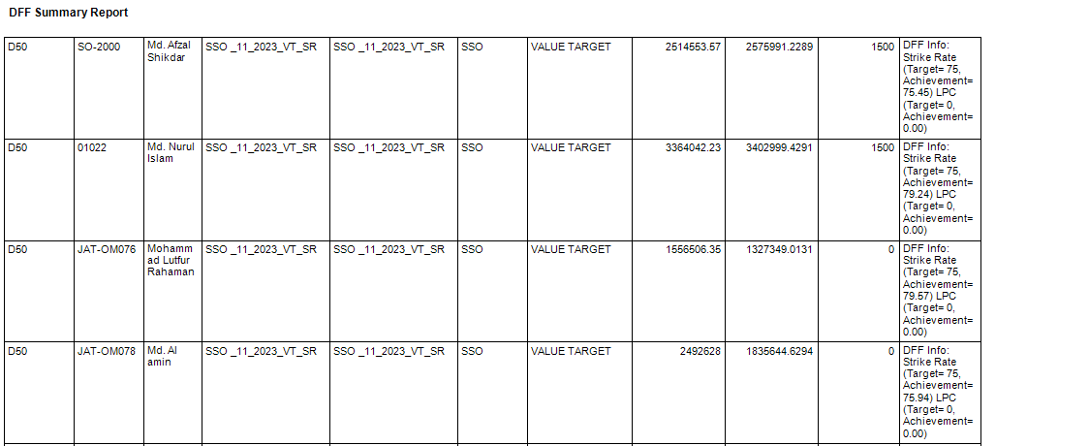
SSO | Value Target with condition SR | Verify that the Incentive is achieved by the SSO when the value target and SR both targets are met |  | The Incentive should be achieved when both targets ( Value target and SR target) are met by the SSO |  | Passed
SSO | Value Target with condition SR | Verify that the Incentive isn't achieved by the SSO when the value target is met but the SR target isn't met |  | The Incentive shouldn't be achieved when the Value target is met but the SR Target isn't met by the SSO |  | Passed
SSO | Value Target with condition SR | Verify that the Incentive isn't achieved after the value target and SR Target are met by those designations(Except SSO) that were not specified |  | The Incentive shouldn't be achieved when both targets (Value target and SR Target) are met by the Other designations (except SSO) |  | Passed
SSO | Value Target with condition SR | Verify that the Incentive isn't achieved when the Value target and SR target are met by the SSO of the Towns that are not specified by the setup |  | The Incentive shouldn't be achieved when both targets (Value target and SR target) are met by the SSO of the other Towns |  | Passed
SSO | TDP Wise Calculate (Yes) | Verify that the Incentive is calculated TDP-wise when the incentive is achieved after meeting all target |  | The incentive should be given according to the TDP-wise setup. |  | Passed
SSO | Update/Edit>DFF Incentive Setup | Verify that the incentive is given when the updated target is met |  | The Incentive should be achieved when the updated Targets (Value Target, SR Target) are met by the SSO |  | Passed

WSSSO | Value Target with condition SR | Verify that the Incentive is achieved by the WSSSO when the value target and SR both targets are met |  | The Incentive should be achieved when both targets ( Value target and SR target) are met by the WSSSO |  | Passed
WSSSO | Value Target with condition SR | Verify that the Incentive isn't achieved by the WSSSO when the value target is met but the SR target isn't met |  | The Incentive shouldn't be achieved when the Value target is met but the SR Target isn't met by the WSSSO |  | Passed
WSSSO | Value Target with condition SR | Verify that the Incentive isn't achieved after the value target and SR Target are met by those designations(Except WSSSO) that were not specified |  | The Incentive shouldn't be achieved when both targets (Value target and SR Target) are met by the Other designations (except WSSSO) |  | Passed
WSSSO | Value Target with condition SR | Verify that the Incentive isn't achieved when the Value target and SR target are met by the WSSSO of the Towns that are not specified by the setup |  | The Incentive shouldn't be achieved when both targets (Value target and SR target) are met by the WSSSO of the other Towns |  | Passed
WSSSO | TDP Wise Calculate (Yes) | Verify that the Incentive is calculated TDP-wise when the incentive is achieved after meeting all target |  | The incentive should be given according to the TDP-wise setup. |  | Passed
WSSSO | Update/Edit>DFF Incentive Setup | Verify that the incentive is given when the updated target is met |  | The Incentive should be achieved when the updated Targets (Value Target, SR Target) are met by the WSSSO |  | Passed

FSE | Value Target with condition SR | Verify that the Incentive is achieved by the FSE when the value target and SR both targets are met |  | The Incentive should be achieved when both targets ( Value target and SR target) are met by the FSE |  | Passed
FSE | Value Target with condition SR | Verify that the Incentive isn't achieved by the FSE when the value target is met but the SR target isn't met |  | The Incentive shouldn't be achieved when the Value target is met but the SR Target isn't met by the FSE |  | Passed
FSE | Value Target with condition SR | Verify that the Incentive isn't achieved after the value target and SR Target are met by those designations(Except FSE) that were not specified |  | The Incentive shouldn't be achieved when both targets (Value target and SR Target) are met by the Other designations (except FSE) |  | Passed
FSE | Value Target with condition SR | Verify that the Incentive isn't achieved when the Value target and SR target are met by the FSE of the Towns that are not specified by the setup |  | The Incentive shouldn't be achieved when both targets (Value target and SR target) are met by the FSE of the other Towns |  | Passed
FSE | TDP Wise Calculate (Yes) | Verify that the Incentive is calculated TDP-wise when the incentive is achieved after meeting all target |  | The incentive should be given according to the TDP-wise setup. |  | Passed
FSE | Update/Edit>DFF Incentive Setup | Verify that the incentive is given when the updated target is met |  | The Incentive should be achieved when the updated Targets (Value Target, SR Target) are met by the FSE |  | Passed

Manager Ops | Value Target with condition SR | Verify that the Incentive is achieved by the Manager Ops when the value target and SR both targets are met |  | The Incentive should be achieved when both targets ( Value target and SR target) are met by the Manager Ops |  | Passed
Manager Ops | Value Target with condition SR | Verify that the Incentive isn't achieved by the Manager Ops when the value target is met but the SR target isn't met |  | The Incentive shouldn't be achieved when the Value target is met but the SR Target isn't met by the Manager Ops |  | Passed
Manager Ops | Value Target with condition SR | Verify that the Incentive isn't achieved after the value target and SR Target are met by those designations(Except Manager Ops) that were not specified |  | The Incentive shouldn't be achieved when both targets (Value target and SR Target) are met by the Other designations (except Manager Ops) |  | Passed
Manager Ops | Value Target with condition SR | Verify that the Incentive isn't achieved when the Value target and SR target are met by the Manager Ops of the Towns that are not specified by the setup |  | The Incentive shouldn't be achieved when both targets (Value target and SR target) are met by the Manager Ops of the other Towns |  | Passed
Manager Ops | TDP Wise Calculate (Yes) | Verify that the Incentive is calculated TDP-wise when the incentive is achieved after meeting all target |  | The incentive should be given according to the TDP-wise setup. |  | Passed
Manager Ops | Update/Edit>DFF Incentive Setup | Verify that the incentive is given when the updated target is met |  | The Incentive should be achieved when the updated Targets (Value Target, SR Target) are met by the Manager Ops |  | Passed

Value Target with condition-LPC
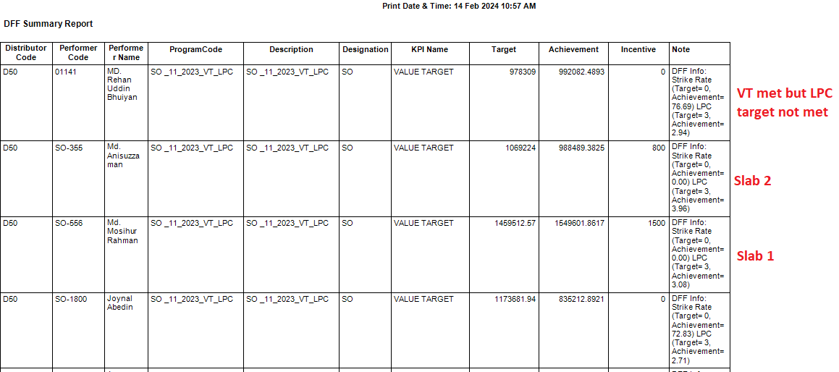
SO | Value Target with condition LPC | Verify that the Incentive is achieved by the SO when the value target and LPC both targets are met |  | The Incentive should be achieved when both targets ( Value target and LPC target) are met by the SO | LPC target is not displayed on DMS and also does not count it as condition | Passed
SO | Value Target with condition LPC | Verify that the Incentive isn't achieved by the SO when the value target is met but the LPC target isn't met |  | The Incentive shouldn't be achieved when the Value target is met but the LPC Target isn't met by the SO | LPC target is not displayed on DMS and also does not count it as condition | Passed
SO | Value Target with condition LPC | Verify that the Incentive isn't achieved after the value target and LPC Target are met by those designations(Except SO) that were not specified |  | The Incentive shouldn't be achieved when both targets (Value target and LPC Target) are met by the Other designations (except SO) | LPC target is not displayed on DMS and also does not count it as condition | Passed
SO | Value Target with condition LPC | Verify that the Incentive isn't achieved when the Value target and LPC target are met by the SO of the Towns that are not specified by the setup |  | The Incentive shouldn't be achieved when both targets (Value target and LPC target) are met by the SO of the other Towns | LPC target is not displayed on DMS and also does not count it as condition | Passed
SO | TDP Wise Calculate (Yes) | Verify that the Incentive is calculated TDP-wise when the incentive is achieved after meeting all target |  | The incentive should be given according to the TDP-wise setup. | LPC target is not displayed on DMS and also does not count it as condition | Passed
SO | Update/Edit>DFF Incentive Setup | Verify that the incentive is given when the updated target is met |  | The Incentive should be achieved when the updated Targets (Value Target, LPC Target) are met by the SO | LPC target is not displayed on DMS and also does not count it as condition | Passed

SSO | Value Target with condition LPC | Verify that the Incentive is achieved by the SSO when the value target and LPC both targets are met |  | The Incentive should be achieved when both targets ( Value target and LPC target) are met by the SSO | LPC target is not displayed on DMS and also does not count it as condition | Passed
SSO | Value Target with condition LPC | Verify that the Incentive isn't achieved by the LPC when the value target is met but the SR target isn't met |  | The Incentive shouldn't be achieved when the Value target is met but the LPC Target isn't met by the SSO | LPC target is not displayed on DMS and also does not count it as condition | Passed
SSO | Value Target with condition LPC | Verify that the Incentive isn't achieved after the value target and LPC Target are met by those designations(Except SSO) that were not specified |  | The Incentive shouldn't be achieved when both targets (Value target and LPC Target) are met by the Other designations (except SSO) | LPC target is not displayed on DMS and also does not count it as condition | Passed
SSO | Value Target with condition LPC | Verify that the Incentive isn't achieved when the Value target and LPC target are met by the SSO of the Towns that are not specified by the setup |  | The Incentive shouldn't be achieved when both targets (Value target and LPC target) are met by the SSO of the other Towns | LPC target is not displayed on DMS and also does not count it as condition | Passed
SSO | TDP Wise Calculate (Yes) | Verify that the Incentive is calculated TDP-wise when the incentive is achieved after meeting all target |  | The incentive should be given according to the TDP-wise setup. | LPC target is not displayed on DMS and also does not count it as condition | Passed
SSO | Update/Edit>DFF Incentive Setup | Verify that the incentive is given when the updated target is met |  | The Incentive should be achieved when the updated Targets (Value Target, LPC Target) are met by the SSO | LPC target is not displayed on DMS and also does not count it as condition | Passed

WSSSO | Value Target with condition LPC | Verify that the Incentive is achieved by the WSSSO when the value target and LPC both targets are met |  | The Incentive should be achieved when both targets ( Value target and LPC target) are met by the WSSSO | LPC target is not displayed on DMS and also does not count it as condition | Passed
WSSSO | Value Target with condition LPC | Verify that the Incentive isn't achieved by the WSSSO when the value target is met but the LPC target isn't met |  | The Incentive shouldn't be achieved when the Value target is met but the LPC Target isn't met by the WSSSO | LPC target is not displayed on DMS and also does not count it as condition | Passed
WSSSO | Value Target with condition LPC | Verify that the Incentive isn't achieved after the value target and LPC Target are met by those designations(Except WSSSO) that were not specified |  | The Incentive shouldn't be achieved when both targets (Value target and LPC Target) are met by the Other designations (except WSSSO) | LPC target is not displayed on DMS and also does not count it as condition | Passed
WSSSO | Value Target with condition LPC | Verify that the Incentive isn't achieved when the Value target and LPC target are met by the WSSSO of the Towns that are not specified by the setup |  | The Incentive shouldn't be achieved when both targets (Value target and LPC target) are met by the WSSSO of the other Towns | LPC target is not displayed on DMS and also does not count it as condition | Passed
WSSSO | TDP Wise Calculate (Yes) | Verify that the Incentive is calculated TDP-wise when the incentive is achieved after meeting all target |  | The incentive should be given according to the TDP-wise setup. | LPC target is not displayed on DMS and also does not count it as condition | Passed
WSSSO | Update/Edit>DFF Incentive Setup | Verify that the incentive is given when the updated target is met |  | The Incentive should be achieved when the updated Targets (Value Target, LPC Target) are met by the WSSSO | LPC target is not displayed on DMS and also does not count it as condition | Passed

FSE | Value Target with condition LPC | Verify that the Incentive is achieved by the FSE when the value target and LPC both targets are met |  | The Incentive should be achieved when both targets ( Value target and LPC target) are met by the FSE | LPC target is not displayed on DMS and also does not count it as condition | Passed
FSE | Value Target with condition LPC | Verify that the Incentive isn't achieved by the FSE when the value target is met but the LPC target isn't met |  | The Incentive shouldn't be achieved when the Value target is met but the LPC Target isn't met by the FSE | LPC target is not displayed on DMS and also does not count it as condition | Passed
FSE | Value Target with condition LPC | Verify that the Incentive isn't achieved after the value target and LPC Target are met by those designations(Except FSE) that were not specified |  | The Incentive shouldn't be achieved when both targets (Value target and LPC Target) are met by the Other designations (except FSE) | LPC target is not displayed on DMS and also does not count it as condition | Passed
FSE | Value Target with condition LPC | Verify that the Incentive isn't achieved when the Value target and LPC target are met by the FSE of the Towns that are not specified by the setup |  | The Incentive shouldn't be achieved when both targets (Value target and LPC target) are met by the FSE of the other Towns | LPC target is not displayed on DMS and also does not count it as condition | Passed
FSE | TDP Wise Calculate (Yes) | Verify that the Incentive is calculated TDP-wise when the incentive is achieved after meeting all target |  | The incentive should be given according to the TDP-wise setup. | LPC target is not displayed on DMS and also does not count it as condition | Passed
FSE | Update/Edit>DFF Incentive Setup | Verify that the incentive is given when the updated target is met |  | The Incentive should be achieved when the updated Targets (Value Target, LPC Target) are met by the FSE | LPC target is not displayed on DMS and also does not count it as condition | Passed

Manager Ops | Value Target with condition LPC | Verify that the Incentive is achieved by the Manager Ops when the value target and LPC both targets are met |  | The Incentive should be achieved when both targets ( Value target and LPC target) are met by the Manager Ops | LPC target is not displayed on DMS and also does not count it as condition | Passed
Manager Ops | Value Target with condition LPC | Verify that the Incentive isn't achieved by the Manager Ops when the value target is met but the LPC target isn't met |  | The Incentive shouldn't be achieved when the Value target is met but the LPC Target isn't met by the Manager Ops | LPC target is not displayed on DMS and also does not count it as condition | Passed
Manager Ops | Value Target with condition LPC | Verify that the Incentive isn't achieved after the value target and LPC Target are met by those designations(Except Manager Ops) that were not specified |  | The Incentive shouldn't be achieved when both targets (Value target and LPC Target) are met by the Other designations (except Manager Ops) | LPC target is not displayed on DMS and also does not count it as condition | Passed
Manager Ops | Value Target with condition LPC | Verify that the Incentive isn't achieved when the Value target and LPC target are met by the Manager Ops of the Towns that are not specified by the setup |  | The Incentive shouldn't be achieved when both targets (Value target and LPC target) are met by the Manager Ops of the other Towns | LPC target is not displayed on DMS and also does not count it as condition | Passed
Manager Ops | TDP Wise Calculate (Yes) | Verify that the Incentive is calculated TDP-wise when the incentive is achieved after meeting all target |  | The incentive should be given according to the TDP-wise setup. | LPC target is not displayed on DMS and also does not count it as condition | Passed
Manager Ops | Update/Edit>DFF Incentive Setup | Verify that the incentive is given when the updated target is met |  | The Incentive should be achieved when the updated Targets (Value Target, LPC Target) are met by the Manager Ops | LPC target is not displayed on DMS and also does not count it as condition | Passed

IQ Target without condition
SO | DFF Incentive Setup> For specific Towns | Verify that the Incentive is achieved for the SO of the Specified Town/s when the IQ Target(Slab 1,2,3..etc) is met |  | The Incentive should be achieved when the IQ Target is met by the SO |  | Passed
SO | DFF Incentive Setup> For specific Towns | Verify that the incentive isn't achieved after meeting the IQ Target(Slab 1,2,3..) for Other Designations (not including SO) of the other towns that are not specified |  | The Incentive shouldn't be achieved when the IQ Target is met by the Other designations (except SO) |  | Passed
SO | DFF Incentive Setup> For specific Towns | Verify that the Incentive isn't achieved when the IQ Target(Slab 1,2..) is met by the specified Designation(SSO/SO) of the other Towns that are not specified by the setup |  | The Incentive shouldn't be achieved when the IQ Target is met by the SO of other Towns |  | Passed
SO | Update/Edit>DFF Incentive Setup | Verify that the incentive is given when the updated target is met |  | The Incentive should be achieved when the updated IQ Target is met by the SO |  | Passed

SSO | DFF Incentive Setup> For specific Towns | Verify that the Incentive is achieved for the SSO of the Specified Town/s when the IQ Target(Slab 1,2..) is met |  | The Incentive should be achieved when the IQ Target is met by the SSO |  | Passed
SSO | DFF Incentive Setup> For specific Towns | Verify that the incentive isn't achieved after meeting the IQ Target(Slab 1,2,3..) for Other Designations (not including SSO) of the other towns that are not specified |  | The Incentive shouldn't be achieved when the IQ Target is met by the Other designations (except SSO) |  | Passed
SSO | DFF Incentive Setup> For specific Towns | Verify that the Incentive isn't achieved when the IQ Target(Slab 1,2..) is met by the specified Designation(SSO) of the other Towns that are not specified by the setup |  | The Incentive shouldn't be achieved when the IQ Target is met by the SSO of other Towns |  | Passed
SSO | Update/Edit>DFF Incentive Setup | Verify that the incentive is given when the updated target is met |  | The Incentive should be achieved when the updated IQ Target is met by the SSO |  | Passed

WSSSO | DFF Incentive Setup> For specific Towns | Verify that the Incentive is achieved for the WSSSO of the Specified Town/s when the IQ Target(Slab 1,2..) is met |  | The Incentive should be achieved when the IQ Target is met by the WSSSO |  | Passed
WSSSO | DFF Incentive Setup> For specific Towns | Verify that the incentive isn't achieved after meeting the IQ Target(Slab 1,2,3..) for Other Designations (not including WSSSO) of the other towns that are not specified |  | The Incentive shouldn't be achieved when the IQ Target is met by the Other designations (except WSSSO) |  | Passed
WSSSO | DFF Incentive Setup> For specific Towns | Verify that the Incentive isn't achieved when the IQ Target(Slab 1,2..) is met by the specified Designation(WSSSO) of the other Towns that are not specified by the setup |  | The Incentive shouldn't be achieved when the IQ Target is met by the WSSSO of other Towns |  | Passed
WSSSO | Update/Edit>DFF Incentive Setup | Verify that the incentive is given when the updated target is met |  | The Incentive should be achieved when the updated IQ Target is met by the WSSSO |  | Passed

FSE | DFF Incentive Setup> For specific Towns | Verify that the Incentive is achieved for the FSE of the Specified Town/s when the IQ Target(Slab 1,2..) is met |  | The Incentive should be achieved when the IQ Target is met by the FSE |  | Passed
FSE | DFF Incentive Setup> For specific Towns | Verify that the incentive isn't achieved after meeting the IQ Target(Slab 1,2,3..) for Other Designations (not including FSE) of the other towns that are not specified |  | The Incentive shouldn't be achieved when the IQ Target is met by the Other designations (except FSE) |  | Passed
FSE | DFF Incentive Setup> For specific Towns | Verify that the Incentive isn't achieved when the IQ Target(Slab 1,2..) is met by the specified Designation(SSO/SO) of the other Towns that are not specified by the setup |  | The Incentive shouldn't be achieved when the IQ Target is met by the FSE of other Towns |  | Passed
FSE | Update/Edit>DFF Incentive Setup | Verify that the incentive is given when the updated target is met |  | The Incentive should be achieved when the updated IQ Target is met by the FSE |  | Passed

Manager Ops | DFF Incentive Setup> For specific Towns | Verify that the Incentive is achieved for the Manager Ops of the Specified Town/s when the IQ Target(Slab 1,2..) is met |  | The Incentive should be achieved when the IQ Target is met by the Manager Ops |  | Passed
Manager Ops | DFF Incentive Setup> For specific Towns | Verify that the incentive isn't achieved after meeting the IQ Target(Slab 1,2,3..) by others Designations(except Manager Ops) of the specified towns |  | The Incentive shouldn't be achieved when the IQ Target is met by the Other designations (except Manager Ops) |  | Passed
Manager Ops | DFF Incentive Setup> For specific Towns | Verify that the Incentive isn't achieved when the IQ Target(Slab 1,2..) is met by the specified Designation(Manager Ops) of the other Towns that are not specified by the setup |  | The Incentive shouldn't be achieved when the IQ Target is met by the Manager Ops of other Towns |  | Passed
Manager Ops | Update/Edit>DFF Incentive Setup | Verify that the incentive is given when the updated target is met |  | The Incentive should be achieved when the updated IQ Target is met by the Manager Ops |  | Passed

IQ Target with condition
IQ Target with condition-SR & LPC
SO | IQ Target with condition SR & LPC | Verify that the Incentive is achieved by the SO when the IQ Target, SR and LPC target are met |  | The Incentive should be achieved when all the targets ( IQ target, SR and LPC Target) are met by the SO |  | Passed
SO | IQ Target with condition SR & LPC | Verify that the Incentive isn't achieved by the SO when the IQ Target is met but the SR and LPC target aren't met |  | The Incentive shouldn't be achieved when the IQ target is met but the SR and LPC Target aren't met by the SO |  | Passed
SO | IQ Target with condition SR & LPC | Verify that the Incentive isn't achieved by the SO when the IQ Target and the SR Target are met but the LPC target isn't met |  | The Incentive shouldn't be achieved when the IQ target and SR Target are met but the LPC Target isn't met by the SO |  | Passed
SO | IQ Target with condition SR & LPC | Verify that the Incentive isn't achieved by the SO when the IQ Target and the LPC Target are met but the SR target isn't met |  | The Incentive shouldn't be achieved when the IQ target and LPC Target are met but the SR Target isn't met by the SO |  | Passed
SO | IQ Target with condition SR & LPC | Verify that the Incentive is not achieved if the IQ Target is not met despite meeting the SR and the LPC Target by the SO |  | The Incentive shouldn't be achieved when the SR and LPC Target are met but the IQ Target isn't met by the SO |  | Passed
SO | IQ Target with condition SR & LPC | Verify that the Incentive isn't achieved after the IQ Target, SR, and LPC Target are met by other designations(Except SO) that were not specified |  | The Incentive shouldn't be achieved when all the targets (IQ target, SR and LPC) are met by the Other designations (except SO) |  | Passed
SO | IQ Target with condition SR & LPC | Verify that the Incentive isn't achieved when the IQ Target, SR and LPC targets are met by the SO of the Towns that are not specified in the setup |  | The Incentive shouldn't be achieved when all the targets (IQ target, SR and LPC) are met by the SO of the other Towns |  | Passed
SO | Update/Edit>DFF Incentive Setup | Verify that the incentive is given when the updated target is met |  | The Incentive should be achieved when the updated Targets (IQ Target, SR and LPC) are met by the SO |  | Passed
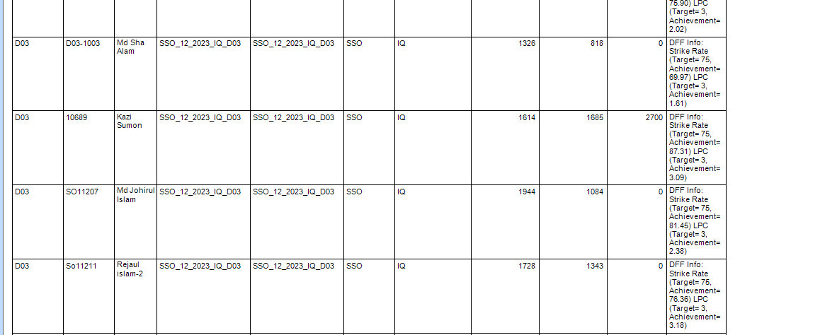
SSO | IQ Target with condition SR & LPC | Verify that the Incentive is achieved by the SSO when the IQ Target, SR and LPC target are met |  | The Incentive should be achieved when all the targets ( IQ target, SR and LPC Target) are met by the SSO |  | Passed
SSO | IQ Target with condition SR & LPC | Verify that the Incentive isn't achieved by the SSO when the IQ Target is met but the SR and LPC target aren't met |  | The Incentive shouldn't be achieved when the IQ target is met but the SR and LPC Target aren't met by the SSO |  | Passed
SSO | IQ Target with condition SR & LPC | Verify that the Incentive isn't achieved by the SSO when the IQ Target and the SR Target are met but the LPC target isn't met |  | The Incentive shouldn't be achieved when the IQ target and SR Target are met but the LPC Target isn't met by the SSO |  | Passed
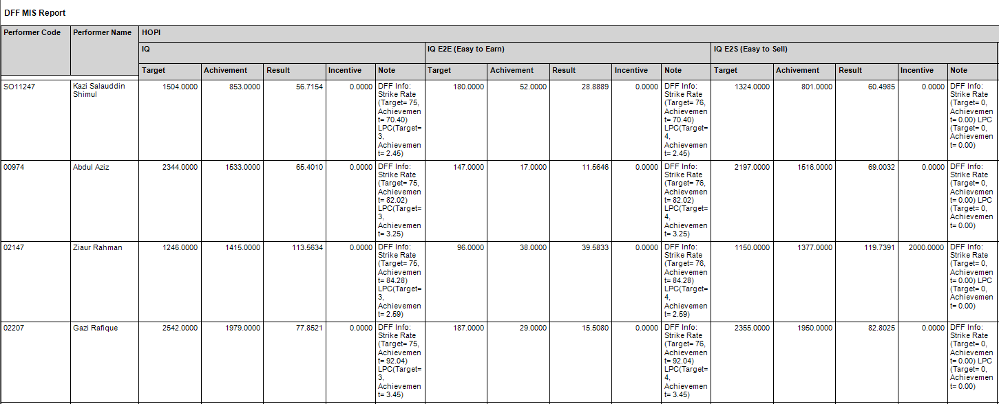
SSO | IQ Target with condition SR & LPC | Verify that the Incentive isn't achieved by the SSO when the IQ Target and the LPC Target are met but the SR target isn't met |  | The Incentive shouldn't be achieved when the IQ target and LPC Target are met but the SR Target isn't met by the SSO |  | Passed
SSO | IQ Target with condition SR & LPC | Verify that the Incentive is not achieved if the IQ Target is not met despite meeting the SR and the LPC Target by the SSO |  | The Incentive shouldn't be achieved when the SR and LPC Target are met but the IQ Target isn't met by the SSO |  | Passed
SSO | IQ Target with condition SR & LPC | Verify that the Incentive isn't achieved after the IQ Target, SR, and LPC Target are met by other designations(Except SSO) that were not specified |  | The Incentive shouldn't be achieved when all the targets (IQ target, SR and LPC) are met by the Other designations (except SSO) |  | Passed
SSO | IQ Target with condition SR & LPC | Verify that the Incentive isn't achieved when the IQ Target, SR and LPC targets are met by the SSO of the Towns that are not specified in the setup |  | The Incentive shouldn't be achieved when all the targets (IQ target, SR and LPC) are met by the SSO of the other Towns |  | Passed

SSO | Update/Edit>DFF Incentive Setup | Verify that the incentive is given when the updated target is met |  | The Incentive should be achieved when the updated Targets (IQ Target, SR and LPC) are met by the SSO |  | Passed

WSSSO | IQ Target with condition SR & LPC | Verify that the Incentive is achieved by the WSSSO when the IQ Target, SR and LPC target are met |  | The Incentive should be achieved when all the targets ( IQ target, SR and LPC Target) are met by the WSSSO |  | Passed
WSSSO | IQ Target with condition SR & LPC | Verify that the Incentive isn't achieved by the WSSSO when the IQ Target is met but the SR and LPC target aren't met |  | The Incentive shouldn't be achieved when the IQ target is met but the SR and LPC Target aren't met by the WSSSO |  | Passed
WSSSO | IQ Target with condition SR & LPC | Verify that the Incentive isn't achieved by the WSSSO when the IQ Target and the SR Target are met but the LPC target isn't met |  | The Incentive shouldn't be achieved when the IQ target and SR Target are met but the LPC Target isn't met by the WSSSO |  | Passed
WSSSO | IQ Target with condition SR & LPC | Verify that the Incentive isn't achieved by the WSSSO when the IQ Target and the LPC Target are met but the SR target isn't met |  | The Incentive shouldn't be achieved when the IQ target and LPC Target are met but the SR Target isn't met by the WSSSO |  | Passed
WSSSO | IQ Target with condition SR & LPC | Verify that the Incentive is not achieved if the IQ Target is not met despite meeting the SR and the LPC Target by the WSSSO |  | The Incentive shouldn't be achieved when the SR and LPC Target are met but the IQ Target isn't met by the WSSSO |  | Passed
WSSSO | IQ Target with condition SR & LPC | Verify that the Incentive isn't achieved after the IQ Target, SR, and LPC Target are met by other designations(Except WSSSO) that were not specified |  | The Incentive shouldn't be achieved when all the targets (IQ target, SR and LPC) are met by the Other designations (except WSSSO) |  | Passed
WSSSO | IQ Target with condition SR & LPC | Verify that the Incentive isn't achieved when the IQ Target, SR and LPC targets are met by the WSSO of the Towns that are not specified in the setup |  | The Incentive shouldn't be achieved when all the targets (IQ target, SR and LPC) are met by the WSSSO of the other Towns |  | Passed
WSSSO | Update/Edit>DFF Incentive Setup | Verify that the incentive is given when the updated target is met |  | The Incentive should be achieved when the updated Targets (IQ Target, SR and LPC) are met by the WSSSO |  | Passed

FSE | IQ Target with condition SR & LPC | Verify that the Incentive is achieved by the FSE when the IQ Target, SR and LPC target are met |  | The Incentive should be achieved when all the targets ( IQ target, SR and LPC Target) are met by the FSE |  | Passed
FSE | IQ Target with condition SR & LPC | Verify that the Incentive isn't achieved by the FSE when the IQ Target is met but the SR and LPC target aren't met |  | The Incentive shouldn't be achieved when the IQ target is met but the SR and LPC Target aren't met by the FSE |  | Passed
FSE | IQ Target with condition SR & LPC | Verify that the Incentive isn't achieved by the FSE when the IQ Target and the SR Target are met but the LPC target isn't met |  | The Incentive shouldn't be achieved when the IQ target and SR Target are met but the LPC Target isn't met by the FSE |  | Passed
FSE | IQ Target with condition SR & LPC | Verify that the Incentive isn't achieved by the FSE when the IQ Target and the LPC Target are met but the SR target isn't met |  | The Incentive shouldn't be achieved when the IQ target and LPC Target are met but the SR Target isn't met by the FSE |  | Passed
FSE | IQ Target with condition SR & LPC | Verify that the Incentive is not achieved if the IQ Target is not met despite meeting the SR and the LPC Target by the FSE |  | The Incentive shouldn't be achieved when the SR and LPC Target are met but the IQ Target isn't met by the FSE |  | Passed
FSE | IQ Target with condition SR & LPC | Verify that the Incentive isn't achieved after the IQ Target, SR, and LPC Target are met by other designations(Except FSE) that were not specified |  | The Incentive shouldn't be achieved when all the targets (IQ target, SR and LPC) are met by the Other designations (except FSE) |  | Passed
FSE | IQ Target with condition SR & LPC | Verify that the Incentive isn't achieved when the IQ Target, SR and LPC targets are met by the FSE of the Towns that are not specified in the setup |  | The Incentive shouldn't be achieved when all the targets (IQ target, SR and LPC) are met by the FSE of the other Towns |  | Passed
FSE | Update/Edit>DFF Incentive Setup | Verify that the incentive is given when the updated target is met |  | The Incentive should be achieved when the updated Targets (IQ Target, SR and LPC) are met by the FSE |  | Passed

Manager Ops | IQ Target with condition SR & LPC | Verify that the Incentive is achieved by the Manager Ops when the IQ Target, SR and LPC target are met |  | The Incentive should be achieved when all the targets ( IQ target, SR and LPC Target) are met by the Manager Ops |  | Passed
Manager Ops | IQ Target with condition SR & LPC | Verify that the Incentive isn't achieved by the Manager Ops when the IQ Target is met but the SR and LPC target aren't met |  | The Incentive shouldn't be achieved when the IQ target is met but the SR and LPC Target aren't met by the Manager Ops |  | Passed
Manager Ops | IQ Target with condition SR & LPC | Verify that the Incentive isn't achieved by the Manager Ops when the IQ Target and the SR Target are met but the LPC target isn't met |  | The Incentive shouldn't be achieved when the IQ target and SR Target are met but the LPC Target isn't met by the Manager Ops |  | Passed
Manager Ops | IQ Target with condition SR & LPC | Verify that the Incentive isn't achieved by the Manager Ops when the IQ Target and the LPC Target are met but the SR target isn't met |  | The Incentive shouldn't be achieved when the IQ target and LPC Target are met but the SR Target isn't met by the Manager Ops |  | Passed
Manager Ops | IQ Target with condition SR & LPC | Verify that the Incentive is not achieved if the IQ Target is not met despite meeting the SR and the LPC Target by the Manager Ops |  | The Incentive shouldn't be achieved when the SR and LPC Target are met but the IQ Target isn't met by the Manager Ops |  | Passed
Manager Ops | IQ Target with condition SR & LPC | Verify that the Incentive isn't achieved after the IQ Target, SR, and LPC Target are met by other designations(Except Manager Ops) that were not specified |  | The Incentive shouldn't be achieved when all the targets (IQ target, SR and LPC) are met by the Other designations (except Manager Ops) |  | Passed
Manager Ops | IQ Target with condition SR & LPC | Verify that the Incentive isn't achieved when the IQ Target, SR and LPC targets are met by the Manager Ops of the Towns that are not specified in the setup |  | The Incentive shouldn't be achieved when all the targets (IQ target, SR and LPC) are met by the Manager Ops of the other Towns |  | Passed
Manager Ops | Update/Edit>DFF Incentive Setup | Verify that the incentive is given when the updated target is met |  | The Incentive should be achieved when the updated Targets (IQ Target, SR and LPC) are met by the Manager Ops |  | Passed

IQ Target with condition-SR
SO | IQ Target with condition SR | Verify that the Incentive is achieved by the SO when the IQ Target and SR both targets are met |  | The Incentive should be achieved when both targets ( IQ target and SR target) are met by the SO |  | Passed
SO | IQ Target with condition SR | Verify that the Incentive isn't achieved by the SO when the IQ Target is met but the SR target isn't met |  | The Incentive shouldn't be achieved when the IQ target is met but the SR Target isn't met by the SO |  | Passed
SO | IQ Target with condition SR | Verify that the Incentive isn't achieved after the IQ Target and SR Target are met by those designations(Except SO) that were not specified |  | The Incentive shouldn't be achieved when both targets (IQ target and SR Target) are met by the Other designations (except SO) |  | Passed
SO | IQ Target with condition SR | Verify that the Incentive isn't achieved when the IQ Target and SR target are met by the SO of the Towns that are not specified by the setup |  | The Incentive shouldn't be achieved when both targets (IQ target and SR target) are met by the SO of the other Towns |  | Passed
SO | Update/Edit>DFF Incentive Setup | Verify that the incentive is given when the updated target is met |  | The Incentive should be achieved when the updated Targets (IQ Target, SR Target) are met by the SO |  | Passed

SSO | IQ Target with condition SR | Verify that the Incentive is achieved by the SSO when the IQ Target and SR both targets are met |  | The Incentive should be achieved when both targets ( IQ target and SR target) are met by the SSO |  | Passed
SSO | IQ Target with condition SR | Verify that the Incentive isn't achieved by the SSO when the IQ Target is met but the SR target isn't met |  | The Incentive shouldn't be achieved when the IQ target is met but the SR Target isn't met by the SSO |  | Passed
SSO | IQ Target with condition SR | Verify that the Incentive isn't achieved after the IQ Target and SR Target are met by those designations(Except SSO) that were not specified |  | The Incentive shouldn't be achieved when both targets (IQ target and SR Target) are met by the Other designations (except SSO) |  | Passed
SSO | IQ Target with condition SR | Verify that the Incentive isn't achieved when the IQ Target and SR target are met by the SSO of the Towns that are not specified by the setup |  | The Incentive shouldn't be achieved when both targets (IQ target and SR target) are met by the SSO of the other Towns |  | Passed
SSO | Update/Edit>DFF Incentive Setup | Verify that the incentive is given when the updated target is met |  | The Incentive should be achieved when the updated Targets (IQ Target, SR Target) are met by the SSO |  | Passed

WSSSO | IQ Target with condition SR | Verify that the Incentive is achieved by the WSSSO when the IQ Target and SR both targets are met |  | The Incentive should be achieved when both targets ( IQ target and SR target) are met by the WSSSO |  | Passed
WSSSO | IQ Target with condition SR | Verify that the Incentive isn't achieved by the WSSSO when the IQ Target is met but the SR target isn't met |  | The Incentive shouldn't be achieved when the IQ target is met but the SR Target isn't met by the WSSSO |  | Passed
WSSSO | IQ Target with condition SR | Verify that the Incentive isn't achieved after the IQ Target and SR Target are met by those designations(Except WSSSO) that were not specified |  | The Incentive shouldn't be achieved when both targets (IQ target and SR Target) are met by the Other designations (except WSSSO) |  | Passed
WSSSO | IQ Target with condition SR | Verify that the Incentive isn't achieved when the IQ Target and SR target are met by the WSSSO of the Towns that are not specified by the setup |  | The Incentive shouldn't be achieved when both targets (IQ target and SR target) are met by the WSSSO of the other Towns |  | Passed
WSSSO | Update/Edit>DFF Incentive Setup | Verify that the incentive is given when the updated target is met |  | The Incentive should be achieved when the updated Targets (IQ Target, SR Target) are met by the WSSSO |  | Passed

FSE | IQ Target with condition SR | Verify that the Incentive is achieved by the FSE when the IQ Target and SR both targets are met |  | The Incentive should be achieved when both targets ( IQ target and SR target) are met by the FSE |  | Passed
FSE | IQ Target with condition SR | Verify that the Incentive isn't achieved by the FSE when the IQ Target is met but the SR target isn't met |  | The Incentive shouldn't be achieved when the IQ target is met but the SR Target isn't met by the FSE |  | Passed
FSE | IQ Target with condition SR | Verify that the Incentive isn't achieved after the IQ Target and SR Target are met by those designations(Except FSE) that were not specified |  | The Incentive shouldn't be achieved when both targets (IQ target and SR Target) are met by the Other designations (except FSE) |  | Passed
FSE | IQ Target with condition SR | Verify that the Incentive isn't achieved when the IQ Target and SR target are met by the FSE of the Towns that are not specified by the setup |  | The Incentive shouldn't be achieved when both targets (IQ target and SR target) are met by the FSE of the other Towns |  | Passed
FSE | Update/Edit>DFF Incentive Setup | Verify that the incentive is given when the updated target is met |  | The Incentive should be achieved when the updated Targets (IQ Target, SR Target) are met by the FSE |  | Passed

Manager Ops | IQ Target with condition SR | Verify that the Incentive is achieved by the Manager Ops when the IQ Target and SR both targets are met |  | The Incentive should be achieved when both targets ( IQ target and SR target) are met by the Manager Ops |  | Passed
Manager Ops | IQ Target with condition SR | Verify that the Incentive isn't achieved by the Manager Ops when the IQ Target is met but the SR target isn't met |  | The Incentive shouldn't be achieved when the IQ target is met but the SR Target isn't met by the Manager Ops |  | Passed
Manager Ops | IQ Target with condition SR | Verify that the Incentive isn't achieved after the IQ Target and SR Target are met by those designations(Except Manager Ops) that were not specified |  | The Incentive shouldn't be achieved when both targets (IQ target and SR Target) are met by the Other designations (except Manager Ops) |  | Passed
Manager Ops | IQ Target with condition SR | Verify that the Incentive isn't achieved when the IQ Target and SR target are met by the Manager Ops of the Towns that are not specified by the setup |  | The Incentive shouldn't be achieved when both targets (IQ target and SR target) are met by the Manager Ops of the other Towns |  | Passed
Manager Ops | Update/Edit>DFF Incentive Setup | Verify that the incentive is given when the updated target is met |  | The Incentive should be achieved when the updated Targets (IQ Target, SR Target) are met by the Manager Ops |  | Passed

IQ Target with condition-LPC

SO | IQ Target with condition LPC | Verify that the Incentive is achieved by the SO when the IQ Target and LPC both targets are met |  | The Incentive should be achieved when both targets ( IQ target and LPC target) are met by the SO |  | Passed
SO | IQ Target with condition LPC | Verify that the Incentive isn't achieved by the SO when the IQ Target is met but the LPC target isn't met |  | The Incentive shouldn't be achieved when the IQ target is met but the LPC Target isn't met by the SO |  | Passed
SO | IQ Target with condition LPC | Verify that the Incentive isn't achieved after the IQ Target and LPC Target are met by those designations(Except SO) that were not specified |  | The Incentive shouldn't be achieved when both targets (IQ target and LPC Target) are met by the Other designations (except SO) |  | Passed
SO | IQ Target with condition LPC | Verify that the Incentive isn't achieved when the IQ Target and LPC target are met by the SO of the Towns that are not specified by the setup |  | The Incentive shouldn't be achieved when both targets (IQ target and LPC target) are met by the SO of the other Towns |  | Passed
SO | Update/Edit>DFF Incentive Setup | Verify that the incentive is given when the updated target is met |  | The Incentive should be achieved when the updated Targets (IQ Target, LPC Target) are met by the SO |  | Passed

SSO | IQ Target with condition LPC | Verify that the Incentive is achieved by the SSO when the IQ Target and LPC both targets are met |  | The Incentive should be achieved when both targets ( IQ target and LPC target) are met by the SSO |  | Passed
SSO | IQ Target with condition LPC | Verify that the Incentive isn't achieved by the LPC when the IQ Target is met but the SR target isn't met |  | The Incentive shouldn't be achieved when the IQ target is met but the LPC Target isn't met by the SSO |  | Passed
SSO | IQ Target with condition LPC | Verify that the Incentive isn't achieved after the IQ Target and LPC Target are met by those designations(Except SSO) that were not specified |  | The Incentive shouldn't be achieved when both targets (IQ target and LPC Target) are met by the Other designations (except SSO) |  | Passed
SSO | IQ Target with condition LPC | Verify that the Incentive isn't achieved when the IQ Target and LPC target are met by the SSO of the Towns that are not specified by the setup |  | The Incentive shouldn't be achieved when both targets (IQ target and LPC target) are met by the SSO of the other Towns |  | Passed
SSO | Update/Edit>DFF Incentive Setup | Verify that the incentive is given when the updated target is met |  | The Incentive should be achieved when the updated Targets (IQ Target, LPC Target) are met by the SSO |  | Passed

WSSSO | IQ Target with condition LPC | Verify that the Incentive is achieved by the WSSSO when the IQ Target and LPC both targets are met |  | The Incentive should be achieved when both targets ( IQ target and LPC target) are met by the WSSSO |  | Passed
WSSSO | IQ Target with condition LPC | Verify that the Incentive isn't achieved by the WSSSO when the IQ Target is met but the LPC target isn't met |  | The Incentive shouldn't be achieved when the IQ target is met but the LPC Target isn't met by the WSSSO |  | Passed
WSSSO | IQ Target with condition LPC | Verify that the Incentive isn't achieved after the IQ Target and LPC Target are met by those designations(Except WSSSO) that were not specified |  | The Incentive shouldn't be achieved when both targets (IQ target and LPC Target) are met by the Other designations (except WSSSO) |  | Passed
WSSSO | IQ Target with condition LPC | Verify that the Incentive isn't achieved when the IQ Target and LPC target are met by the WSSSO of the Towns that are not specified by the setup |  | The Incentive shouldn't be achieved when both targets (IQ target and LPC target) are met by the WSSSO of the other Towns |  | Passed
WSSSO | Update/Edit>DFF Incentive Setup | Verify that the incentive is given when the updated target is met |  | The Incentive should be achieved when the updated Targets (IQ Target, LPC Target) are met by the WSSSO |  | Passed

FSE | IQ Target with condition SR | Verify that the Incentive is achieved by the FSE when the IQ Target and LPC both targets are met |  | The Incentive should be achieved when both targets ( IQ target and LPC target) are met by the FSE |  | Passed
FSE | IQ Target with condition SR | Verify that the Incentive isn't achieved by the FSE when the IQ Target is met but the LPC target isn't met |  | The Incentive shouldn't be achieved when the IQ target is met but the LPC Target isn't met by the FSE |  | Passed
FSE | IQ Target with condition SR | Verify that the Incentive isn't achieved after the IQ Target and LPC Target are met by those designations(Except FSE) that were not specified |  | The Incentive shouldn't be achieved when both targets (IQ target and LPC Target) are met by the Other designations (except FSE) |  | Passed
FSE | IQ Target with condition SR | Verify that the Incentive isn't achieved when the IQ Target and LPC target are met by the FSE of the Towns that are not specified by the setup |  | The Incentive shouldn't be achieved when both targets (IQ target and LPC target) are met by the FSE of the other Towns |  | Passed
FSE | Update/Edit>DFF Incentive Setup | Verify that the incentive is given when the updated target is met |  | The Incentive should be achieved when the updated Targets (IQ Target, LPC Target) are met by the FSE |  | Passed

Manager Ops | IQ Target with condition LPC | Verify that the Incentive is achieved by the Manager Ops when the IQ Target and LPC both targets are met |  | The Incentive should be achieved when both targets ( IQ target and LPC target) are met by the Manager Ops |  | Passed
Manager Ops | IQ Target with condition LPC | Verify that the Incentive isn't achieved by the Manager Ops when the IQ Target is met but the LPC target isn't met |  | The Incentive shouldn't be achieved when the IQ target is met but the LPC Target isn't met by the Manager Ops |  | Passed
Manager Ops | IQ Target with condition LPC | Verify that the Incentive isn't achieved after the IQ Target and LPC Target are met by those designations(Except Manager Ops) that were not specified |  | The Incentive shouldn't be achieved when both targets (IQ target and LPC Target) are met by the Other designations (except Manager Ops) |  | Passed
Manager Ops | IQ Target with condition LPC | Verify that the Incentive isn't achieved when the IQ Target and LPC target are met by the Manager Ops of the Towns that are not specified by the setup |  | The Incentive shouldn't be achieved when both targets (IQ target and LPC target) are met by the Manager Ops of the other Towns |  | Passed
Manager Ops | Update/Edit>DFF Incentive Setup | Verify that the incentive is given when the updated target is met |  | The Incentive should be achieved when the updated Targets (IQ Target, LPC Target) are met by the Manager Ops |  | Passed

