2022-05-20-single-phase
Time from start [s] | Temperature 2 [°C] | Temperature 3 [°C] | pressure 1 [bar] | pressure 2 [bar] | dp [mbar] | Time from start [s] | Temperature 2 [°C] | Temperature 3 [°C] | pressure 1 [bar] | pressure 2 [bar] | dp [mbar]
AVERAGE | 21.603314302 | 21.564330552 | 1.2252691422 | 1.089662069 |  | AVERAGE | 23.493481011 | 23.490136297 | 1.2183800647 | 1.0833802522
STDDEV | 0.099603081188 | 0.10228338574 | 0.0047406546572 | 0.0030135906746 |  | STDDEV | 0.040126295852 | 0.04005917266 | 0.0034566497621 | 0.00076215784791

DPT measurements | AVERAGE | STDDEV |  |  |  | DPT measurements | AVERAGE | STDDEV
dp1 | 8.5701278 | 0.89402864222 |  |  |  | dp1 | 8.9615995478 | 0.43845425928
dp2 | 17.366115654 | 0.94124124404 |  |  |  | dp2 | 16.598503649 | 0.45938747331
dp3 | 26.275442848 | 1.3769529892 |  |  |  | dp3 | 24.46616623 | 0.48086055663
dp4 | 34.859780311 | 1.5863326293 |  |  |  | dp4 | 31.231041134 | 0.62743688378

FLOW RATE | 9.778 | l/min |  |  |  | FLOW RATE | 10.46 | l/min
1bar, 20c |  |  |  |  |  | 1bar, 20c
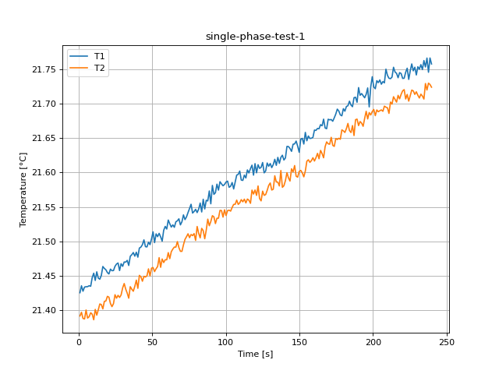
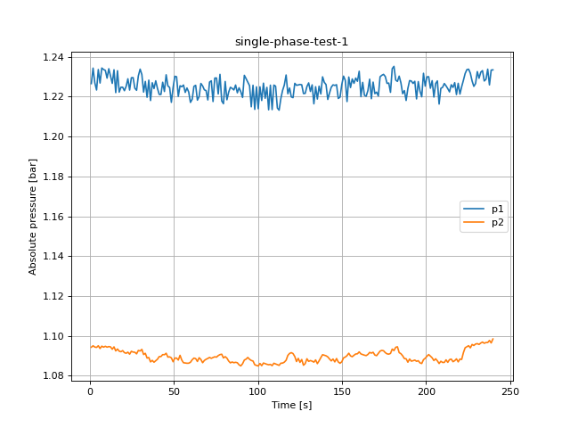
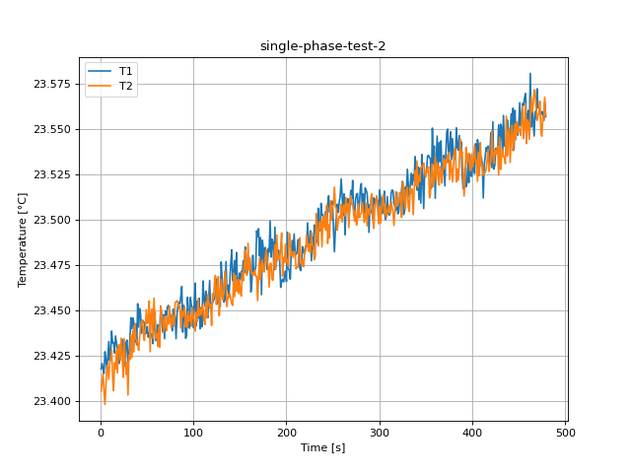
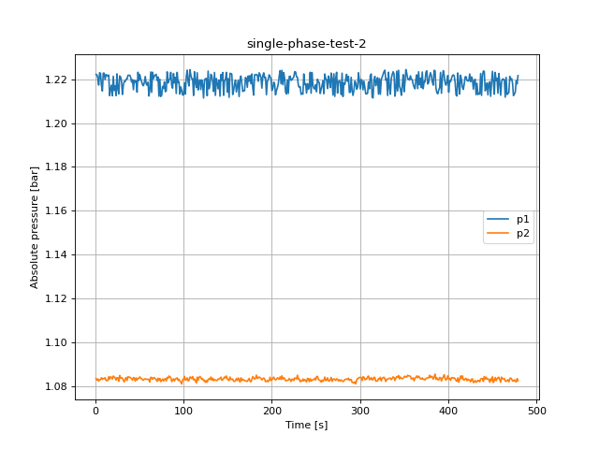

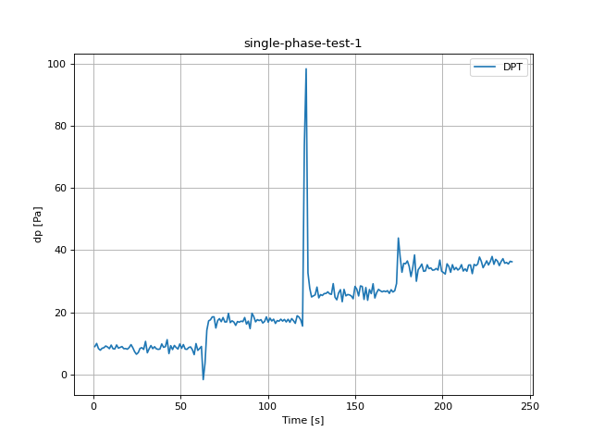
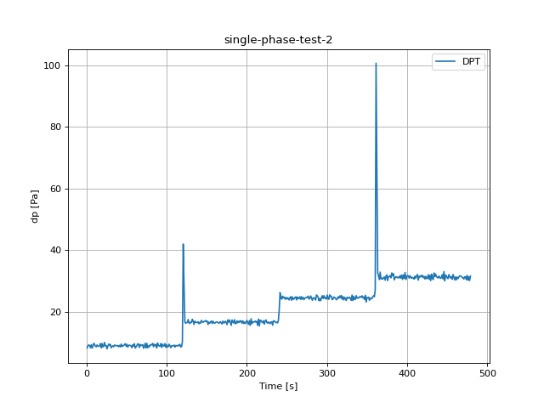

Time from start [s] | Temperature 2 [°C] | Temperature 3 [°C] | pressure 1 [bar] | pressure 2 [bar] | dp [mbar] | Time from start [s] | Temperature 2 [°C] | Temperature 3 [°C] | pressure 1 [bar] | pressure 2 [bar] | dp [mbar]
1.027 | 21.42516 | 21.391408 | 1.22658 | 1.094296 | 8.970684 | 1.031 | 23.417839 | 23.405574 | 1.22211 | 1.08364 | 8.188846
2.055 | 21.435296 | 21.396766 | 1.234355 | 1.095017 | 9.974985 | 2.06 | 23.420886 | 23.410058 | 1.221977 | 1.082919 | 8.980443
3.088 | 21.427393 | 21.387781 | 1.227013 | 1.094385 | 8.329466 | 3.091 | 23.41791 | 23.415067 | 1.220524 | 1.083496 | 9.176512
4.145 | 21.433461 | 21.387057 | 1.223364 | 1.094196 | 7.808241 | 4.123 | 23.415336 | 23.405971 | 1.217286 | 1.082476 | 9.023472
5.175 | 21.433884 | 21.400091 | 1.233634 | 1.095039 | 8.432824 | 5.157 | 23.427334 | 23.398258 | 1.222909 | 1.083074 | 8.318598
6.204 | 21.434026 | 21.388324 | 1.226857 | 1.093653 | 8.598729 | 6.193 | 23.423094 | 23.407638 | 1.222587 | 1.083152 | 9.284971
7.239 | 21.435335 | 21.390253 | 1.234399 | 1.094839 | 9.161873 | 7.232 | 23.417826 | 23.419621 | 1.217164 | 1.084006 | 8.167332
8.32 | 21.434605 | 21.396089 | 1.233634 | 1.094329 | 8.820748 | 8.268 | 23.424458 | 23.418699 | 1.214602 | 1.083218 | 8.995303
9.35 | 21.447231 | 21.393937 | 1.233224 | 1.094784 | 8.294422 | 9.299 | 23.432952 | 23.41214 | 1.222732 | 1.083706 | 9.724131
10.38 | 21.453588 | 21.38586 | 1.22932 | 1.094329 | 9.447771 | 10.332 | 23.422427 | 23.421186 | 1.222687 | 1.083584 | 9.326891
11.409 | 21.443041 | 21.400941 | 1.234044 | 1.094629 | 8.278231 | 11.362 | 23.426752 | 23.423483 | 1.219803 | 1.084017 | 8.744893
12.442 | 21.455606 | 21.392565 | 1.230251 | 1.094462 | 8.211691 | 12.396 | 23.4387 | 23.427946 | 1.222066 | 1.08272 | 8.610706
13.472 | 21.446447 | 21.400403 | 1.22668 | 1.093276 | 9.483037 | 13.426 | 23.432152 | 23.412956 | 1.221778 | 1.082797 | 9.20091
14.503 | 21.444836 | 21.408839 | 1.233523 | 1.094462 | 8.464541 | 14.458 | 23.43238 | 23.405778 | 1.22129 | 1.082653 | 8.744893
15.532 | 21.450317 | 21.407986 | 1.222044 | 1.092444 | 8.708962 | 15.49 | 23.426613 | 23.42122 | 1.221878 | 1.08446 | 8.809437
16.564 | 21.463346 | 21.401675 | 1.233057 | 1.093409 | 8.971793 | 16.521 | 23.436001 | 23.417834 | 1.212472 | 1.083396 | 8.858676
17.595 | 21.46052 | 21.412615 | 1.222299 | 1.092311 | 8.284219 | 17.55 | 23.432552 | 23.427964 | 1.215256 | 1.084449 | 9.644506
18.626 | 21.458592 | 21.413163 | 1.224761 | 1.092056 | 8.33124 | 18.582 | 23.428824 | 23.41561 | 1.217186 | 1.084161 | 8.248066
19.659 | 21.454507 | 21.419904 | 1.224761 | 1.092588 | 8.132731 | 19.613 | 23.428186 | 23.430859 | 1.212428 | 1.083451 | 9.679772
20.691 | 21.452465 | 21.418763 | 1.22302 | 1.091579 | 8.682568 | 20.644 | 23.420836 | 23.431139 | 1.22129 | 1.084782 | 8.512227
21.722 | 21.459513 | 21.409558 | 1.225216 | 1.091269 | 9.602808 | 21.676 | 23.427201 | 23.422738 | 1.214857 | 1.084305 | 9.004619
22.751 | 21.457217 | 21.404945 | 1.228998 | 1.091812 | 8.591409 | 22.707 | 23.433655 | 23.434841 | 1.216875 | 1.084017 | 10.014243
23.785 | 21.457422 | 21.409254 | 1.22333 | 1.090803 | 7.319842 | 23.739 | 23.434143 | 23.424975 | 1.212483 | 1.082897 | 8.811433
24.818 | 21.463579 | 21.422287 | 1.229519 | 1.092245 | 6.50052 | 24.771 | 23.422848 | 23.413154 | 1.222399 | 1.08405 | 8.979777
25.858 | 21.466906 | 21.417249 | 1.229575 | 1.091856 | 7.034831 | 25.8 | 23.419138 | 23.434593 | 1.215533 | 1.083961 | 7.938214
26.889 | 21.468423 | 21.421434 | 1.224262 | 1.091768 | 8.394896 | 26.835 | 23.421881 | 23.424565 | 1.213271 | 1.082409 | 8.783264
27.92 | 21.457408 | 21.418306 | 1.22322 | 1.090969 | 8.61492 | 27.864 | 23.432487 | 23.414756 | 1.221445 | 1.085004 | 9.476826
28.953 | 21.467405 | 21.421945 | 1.230384 | 1.092666 | 8.056655 | 28.898 | 23.433723 | 23.421453 | 1.221035 | 1.083751 | 9.093116
30.026 | 21.463558 | 21.432302 | 1.233834 | 1.092411 | 10.640157 | 29.932 | 23.419715 | 23.403434 | 1.218961 | 1.084028 | 9.38478
31.057 | 21.469921 | 21.438554 | 1.231116 | 1.09322 | 6.978495 | 30.962 | 23.424868 | 23.425542 | 1.213005 | 1.08374 | 8.263592
32.088 | 21.469658 | 21.430455 | 1.222321 | 1.090626 | 8.254942 | 31.994 | 23.434337 | 23.423091 | 1.217164 | 1.082886 | 8.708075
33.118 | 21.472206 | 21.424619 | 1.227667 | 1.091235 | 9.296283 | 33.1 | 23.446104 | 23.436628 | 1.219016 | 1.082099 | 8.923441
34.15 | 21.464812 | 21.417238 | 1.219715 | 1.088851 | 8.298192 | 34.15 | 23.439933 | 23.424173 | 1.218949 | 1.08344 | 8.594293
35.18 | 21.478177 | 21.434018 | 1.228321 | 1.089129 | 8.92211 | 35.181 | 23.445898 | 23.438927 | 1.219959 | 1.084083 | 9.152558
36.211 | 21.480462 | 21.430323 | 1.218084 | 1.086933 | 8.250062 | 36.214 | 23.443641 | 23.427157 | 1.220036 | 1.082731 | 9.120397
37.242 | 21.483642 | 21.427343 | 1.227002 | 1.087698 | 8.072402 | 37.244 | 23.432586 | 23.442582 | 1.221733 | 1.084483 | 8.923441
38.27 | 21.47835 | 21.434563 | 1.224096 | 1.086767 | 8.176204 | 38.276 | 23.442635 | 23.43431 | 1.221722 | 1.084228 | 8.91967
39.301 | 21.484104 | 21.443503 | 1.227978 | 1.087554 | 9.81773 | 39.308 | 23.431115 | 23.433571 | 1.221756 | 1.084305 | 9.015709
40.333 | 21.476878 | 21.431599 | 1.224162 | 1.088275 | 8.739792 | 40.339 | 23.453773 | 23.431494 | 1.220768 | 1.083862 | 8.622905
41.364 | 21.490148 | 21.45045 | 1.221168 | 1.089605 | 8.928098 | 41.37 | 23.440866 | 23.428068 | 1.218661 | 1.083695 | 9.05785
42.397 | 21.491549 | 21.44838 | 1.221123 | 1.089617 | 11.188885 | 42.402 | 23.451071 | 23.434446 | 1.219803 | 1.082853 | 8.589191
43.428 | 21.495078 | 21.4419 | 1.227257 | 1.090592 | 6.718769 | 43.435 | 23.44808 | 23.441459 | 1.215179 | 1.084061 | 9.475274
44.459 | 21.502072 | 21.449089 | 1.222598 | 1.090537 | 9.259687 | 44.465 | 23.437514 | 23.442441 | 1.219482 | 1.083917 | 8.689887
45.493 | 21.492171 | 21.448052 | 1.231005 | 1.091269 | 8.016731 | 45.495 | 23.444639 | 23.444688 | 1.218639 | 1.082487 | 8.997743
46.525 | 21.491801 | 21.449871 | 1.225404 | 1.089339 | 9.333989 | 46.527 | 23.443771 | 23.437205 | 1.21916 | 1.083939 | 8.963586
47.553 | 21.498703 | 21.459904 | 1.224672 | 1.089472 | 8.66305 | 47.559 | 23.443463 | 23.433542 | 1.214047 | 1.082952 | 9.35262
48.587 | 21.495122 | 21.449629 | 1.217175 | 1.088962 | 8.174651 | 48.589 | 23.437151 | 23.440059 | 1.223142 | 1.083673 | 9.584842
49.617 | 21.503512 | 21.460964 | 1.224606 | 1.087 | 9.802426 | 49.623 | 23.437529 | 23.450528 | 1.219271 | 1.083817 | 8.767739
50.649 | 21.513767 | 21.461827 | 1.23024 | 1.08884 | 8.411975 | 50.652 | 23.441239 | 23.442896 | 1.222088 | 1.084394 | 9.408735
51.679 | 21.49804 | 21.455902 | 1.230018 | 1.088863 | 9.612789 | 51.686 | 23.435358 | 23.443635 | 1.220003 | 1.083662 | 8.520434
52.712 | 21.510771 | 21.460108 | 1.220169 | 1.087865 | 8.162896 | 52.717 | 23.437953 | 23.45533 | 1.21885 | 1.083662 | 9.032122
53.74 | 21.506739 | 21.463272 | 1.225504 | 1.090238 | 8.08083 | 53.751 | 23.434452 | 23.427321 | 1.217463 | 1.082986 | 9.158546
54.772 | 21.511514 | 21.476209 | 1.225005 | 1.087853 | 8.674362 | 54.783 | 23.437148 | 23.448218 | 1.216997 | 1.08293 | 9.014156
55.8 | 21.50645 | 21.462142 | 1.225859 | 1.086501 | 8.861337 | 55.811 | 23.437177 | 23.450893 | 1.21855 | 1.083385 | 8.877307
56.832 | 21.500133 | 21.474244 | 1.222155 | 1.08639 | 7.955293 | 56.844 | 23.43175 | 23.434637 | 1.221201 | 1.083529 | 8.287546
57.866 | 21.515939 | 21.469081 | 1.224373 | 1.086257 | 6.378088 | 57.874 | 23.441616 | 23.456866 | 1.217896 | 1.083285 | 9.280535
58.901 | 21.521611 | 21.473124 | 1.222332 | 1.086279 | 9.92996 | 58.908 | 23.44896 | 23.44537 | 1.217241 | 1.083396 | 8.854461
59.936 | 21.517786 | 21.473077 | 1.217142 | 1.086745 | 7.747246 | 59.941 | 23.433433 | 23.434896 | 1.218628 | 1.083196 | 9.588391
60.967 | 21.530869 | 21.483511 | 1.218739 | 1.088009 | 8.349206 | 60.975 | 23.433869 | 23.43736 | 1.212317 | 1.08334 | 8.192173
62 | 21.525478 | 21.474745 | 1.225194 | 1.08884 | 9.006394 | 62.005 | 23.442096 | 23.430339 | 1.215167 | 1.082054 | 8.559248
63.033 | 21.52068 | 21.484859 | 1.225726 | 1.088596 | -1.658981 | 63.037 | 23.437691 | 23.440942 | 1.223264 | 1.084194 | 8.989536
64.063 | 21.523856 | 21.488663 | 1.218284 | 1.087155 | 3.625132 | 64.068 | 23.439382 | 23.429832 | 1.21397 | 1.084106 | 9.572865
65.096 | 21.520331 | 21.49161 | 1.220092 | 1.08904 | 14.211991 | 65.113 | 23.45173 | 23.452615 | 1.223164 | 1.083296 | 9.420268
66.129 | 21.528311 | 21.491494 | 1.226658 | 1.088142 | 17.234432 | 66.144 | 23.446658 | 23.447842 | 1.220258 | 1.083961 | 8.365175
67.161 | 21.52979 | 21.499585 | 1.225427 | 1.086523 | 17.583098 | 67.175 | 23.438271 | 23.444973 | 1.221534 | 1.084083 | 9.390104
68.193 | 21.532668 | 21.490741 | 1.223464 | 1.087654 | 18.516868 | 68.205 | 23.447716 | 23.437681 | 1.221878 | 1.083607 | 8.992198
69.223 | 21.523838 | 21.485392 | 1.223053 | 1.088253 | 18.527292 | 69.234 | 23.434433 | 23.446888 | 1.222177 | 1.083063 | 9.084466
70.256 | 21.528421 | 21.485376 | 1.218373 | 1.088674 | 14.930173 | 70.267 | 23.449705 | 23.441253 | 1.219382 | 1.082376 | 9.326669
71.288 | 21.538347 | 21.494794 | 1.227356 | 1.089184 | 17.316719 | 71.298 | 23.447406 | 23.438896 | 1.221001 | 1.083784 | 8.136502
72.319 | 21.531509 | 21.502707 | 1.227966 | 1.088718 | 17.961042 | 72.33 | 23.451925 | 23.44659 | 1.212206 | 1.08283 | 8.608709
73.349 | 21.535462 | 21.506655 | 1.217574 | 1.08914 | 16.981138 | 73.361 | 23.452843 | 23.442439 | 1.219981 | 1.083673 | 9.742984
74.381 | 21.541729 | 21.5109 | 1.229364 | 1.089484 | 18.311704 | 74.393 | 23.450295 | 23.452602 | 1.212084 | 1.082243 | 8.203928
75.413 | 21.547605 | 21.505257 | 1.229397 | 1.089317 | 16.86913 | 75.427 | 23.447432 | 23.444892 | 1.212639 | 1.082864 | 9.700399
76.443 | 21.553832 | 21.509884 | 1.221389 | 1.090104 | 16.910385 | 76.458 | 23.446792 | 23.440497 | 1.216676 | 1.08344 | 8.265588
77.474 | 21.541031 | 21.50825 | 1.231227 | 1.090592 | 19.66201 | 77.489 | 23.438878 | 23.447649 | 1.215789 | 1.082498 | 8.894607
78.508 | 21.543279 | 21.511154 | 1.217896 | 1.090781 | 16.679937 | 78.523 | 23.450815 | 23.444631 | 1.21875 | 1.083307 | 8.596289
79.54 | 21.546435 | 21.501232 | 1.216498 | 1.088918 | 17.25151 | 79.554 | 23.449321 | 23.44143 | 1.214269 | 1.083618 | 9.259908
80.571 | 21.541721 | 21.521509 | 1.227645 | 1.089572 | 16.856489 | 80.584 | 23.446235 | 23.454363 | 1.214602 | 1.082575 | 9.198914
81.604 | 21.546763 | 21.511744 | 1.218473 | 1.088818 | 15.789196 | 81.614 | 23.43454 | 23.454818 | 1.223319 | 1.08415 | 9.22442
82.634 | 21.555566 | 21.504994 | 1.222277 | 1.087366 | 17.026829 | 82.648 | 23.447941 | 23.455466 | 1.21824 | 1.083729 | 9.706831
83.666 | 21.542608 | 21.518801 | 1.224728 | 1.086445 | 16.810132 | 83.68 | 23.453624 | 23.454149 | 1.219471 | 1.084815 | 8.615807
84.699 | 21.561114 | 21.515454 | 1.224173 | 1.086889 | 17.154584 | 84.713 | 23.454457 | 23.45115 | 1.220258 | 1.084338 | 9.407182
85.729 | 21.547025 | 21.503698 | 1.223386 | 1.086523 | 16.985574 | 85.745 | 23.453634 | 23.452555 | 1.223086 | 1.084183 | 8.94806
86.762 | 21.559663 | 21.516317 | 1.22587 | 1.086722 | 18.30749 | 86.774 | 23.457982 | 23.440414 | 1.217175 | 1.082232 | 9.343082
87.792 | 21.558572 | 21.532212 | 1.221966 | 1.086512 | 16.185993 | 87.805 | 23.463288 | 23.449807 | 1.215877 | 1.082853 | 8.228991
88.826 | 21.573151 | 21.522582 | 1.224495 | 1.085458 | 17.151036 | 88.838 | 23.438096 | 23.446488 | 1.222521 | 1.083496 | 9.84368
89.856 | 21.554485 | 21.528788 | 1.222476 | 1.084926 | 14.740092 | 89.869 | 23.452853 | 23.448694 | 1.218295 | 1.082542 | 9.055189
90.919 | 21.581238 | 21.537193 | 1.219615 | 1.086035 | 19.690179 | 90.901 | 23.447643 | 23.451797 | 1.220779 | 1.083396 | 8.833169
91.95 | 21.568246 | 21.535554 | 1.230739 | 1.087865 | 18.596493 | 91.932 | 23.43471 | 23.440918 | 1.213448 | 1.08364 | 8.839157
92.984 | 21.570557 | 21.525732 | 1.229064 | 1.088308 | 16.925467 | 92.964 | 23.43632 | 23.44727 | 1.223086 | 1.083984 | 9.658035
94.015 | 21.583064 | 21.533434 | 1.227268 | 1.089173 | 17.629232 | 93.996 | 23.457394 | 23.440644 | 1.218362 | 1.082819 | 8.339225
95.049 | 21.574384 | 21.53362 | 1.225538 | 1.088242 | 17.326921 | 95.027 | 23.448179 | 23.449574 | 1.218839 | 1.083363 | 9.468398
96.081 | 21.586631 | 21.544929 | 1.214946 | 1.087654 | 17.630784 | 96.056 | 23.44027 | 23.444302 | 1.213171 | 1.082509 | 8.884626
97.113 | 21.583444 | 21.544664 | 1.22577 | 1.087366 | 16.544418 | 97.088 | 23.457274 | 23.446449 | 1.216454 | 1.081999 | 8.851135
98.143 | 21.580732 | 21.535147 | 1.213626 | 1.085514 | 17.060764 | 98.118 | 23.452618 | 23.44132 | 1.21479 | 1.0812 | 9.631198
99.175 | 21.58266 | 21.545737 | 1.224983 | 1.085159 | 18.523521 | 99.148 | 23.451957 | 23.451541 | 1.212805 | 1.083019 | 8.382254
100.206 | 21.586146 | 21.537471 | 1.213981 | 1.084904 | 16.809467 | 100.179 | 23.440464 | 23.447126 | 1.212761 | 1.083352 | 9.319128
101.238 | 21.587476 | 21.544575 | 1.224972 | 1.086135 | 18.106763 | 101.21 | 23.454418 | 23.443121 | 1.218373 | 1.084649 | 8.519768
102.268 | 21.578505 | 21.545218 | 1.218095 | 1.085026 | 17.192068 | 102.241 | 23.465093 | 23.438655 | 1.213238 | 1.082897 | 8.71118
103.302 | 21.580013 | 21.543843 | 1.226802 | 1.086368 | 17.775175 | 103.273 | 23.441516 | 23.449085 | 1.221035 | 1.083041 | 9.460857
104.334 | 21.585469 | 21.549187 | 1.219216 | 1.086046 | 16.407347 | 104.305 | 23.455103 | 23.443769 | 1.224096 | 1.083973 | 8.917674
105.366 | 21.576073 | 21.55362 | 1.224695 | 1.085724 | 17.331579 | 105.338 | 23.44582 | 23.456438 | 1.218972 | 1.082598 | 8.303294
106.397 | 21.585878 | 21.55379 | 1.213437 | 1.085503 | 17.127968 | 106.368 | 23.456796 | 23.44705 | 1.216875 | 1.082731 | 8.934309
107.431 | 21.596226 | 21.559871 | 1.225793 | 1.085669 | 17.773401 | 107.399 | 23.439941 | 23.450799 | 1.224295 | 1.084327 | 8.922332
108.464 | 21.597264 | 21.553625 | 1.213526 | 1.085048 | 17.152366 | 108.431 | 23.451607 | 23.44762 | 1.221878 | 1.08415 | 8.963586
109.493 | 21.602104 | 21.555834 | 1.225837 | 1.086257 | 17.695106 | 109.46 | 23.441015 | 23.453025 | 1.220203 | 1.08364 | 9.141246
110.524 | 21.589057 | 21.560524 | 1.225294 | 1.085913 | 16.883104 | 110.492 | 23.466319 | 23.45232 | 1.220125 | 1.084527 | 8.516885
111.582 | 21.588522 | 21.557397 | 1.214325 | 1.085547 | 17.750112 | 111.52 | 23.456853 | 23.444824 | 1.212539 | 1.083063 | 9.031456
112.616 | 21.596189 | 21.561219 | 1.213249 | 1.085203 | 16.785512 | 112.553 | 23.452715 | 23.442209 | 1.223364 | 1.083352 | 8.962699
113.651 | 21.592053 | 21.555747 | 1.219071 | 1.08629 | 17.96703 | 113.586 | 23.460712 | 23.454624 | 1.21865 | 1.082686 | 9.002844
114.682 | 21.603772 | 21.561431 | 1.223131 | 1.086323 | 17.286776 | 114.617 | 23.449349 | 23.446157 | 1.216132 | 1.081655 | 8.801895
115.713 | 21.599329 | 21.55976 | 1.225881 | 1.0868 | 16.438621 | 115.647 | 23.445982 | 23.458763 | 1.222931 | 1.084294 | 9.280757
116.777 | 21.605647 | 21.555186 | 1.230906 | 1.087765 | 18.887492 | 116.679 | 23.456796 | 23.453961 | 1.215068 | 1.082853 | 9.367702
117.807 | 21.610693 | 21.574392 | 1.2215 | 1.090204 | 18.465854 | 117.712 | 23.466541 | 23.451604 | 1.218683 | 1.08405 | 8.562575
118.842 | 21.596136 | 21.568655 | 1.224384 | 1.09118 | 17.531641 | 118.743 | 23.450818 | 23.453652 | 1.219681 | 1.084605 | 8.630889
119.871 | 21.612928 | 21.574573 | 1.219881 | 1.091579 | 15.552316 | 119.773 | 23.453799 | 23.441788 | 1.215245 | 1.084061 | 10.238702
120.901 | 21.599554 | 21.566741 | 1.219526 | 1.091102 | 73.740608 | 120.803 | 23.454165 | 23.459332 | 1.219648 | 1.083285 | 41.958487
121.932 | 21.611315 | 21.580438 | 1.226724 | 1.089628 | 98.290779 | 121.836 | 23.455926 | 23.457329 | 1.217541 | 1.083562 | 28.349174
122.962 | 21.605983 | 21.562134 | 1.225737 | 1.087111 | 32.655825 | 122.868 | 23.45632 | 23.464947 | 1.211396 | 1.082642 | 16.608739
123.995 | 21.607515 | 21.558751 | 1.225904 | 1.088707 | 27.67779 | 123.899 | 23.459923 | 23.469383 | 1.219537 | 1.082919 | 16.26096
125.026 | 21.614523 | 21.572913 | 1.226148 | 1.0867 | 24.923502 | 124.931 | 23.467382 | 23.453357 | 1.220181 | 1.081866 | 16.458804
126.059 | 21.599523 | 21.566775 | 1.225981 | 1.08812 | 25.290578 | 125.962 | 23.453598 | 23.461671 | 1.220314 | 1.082675 | 16.501389
127.09 | 21.602214 | 21.567934 | 1.221589 | 1.085248 | 25.621722 | 126.992 | 23.46194 | 23.46872 | 1.212439 | 1.081988 | 17.472864
128.12 | 21.613836 | 21.574025 | 1.221667 | 1.08609 | 28.110739 | 128.022 | 23.455575 | 23.447152 | 1.223674 | 1.08323 | 16.359882
129.152 | 21.609065 | 21.581241 | 1.225138 | 1.088508 | 24.642262 | 129.056 | 23.452315 | 23.459006 | 1.215578 | 1.08354 | 16.146956
130.185 | 21.613067 | 21.584784 | 1.226935 | 1.087199 | 25.685156 | 130.09 | 23.476766 | 23.467251 | 1.217219 | 1.083152 | 16.576357
131.214 | 21.607103 | 21.574521 | 1.222643 | 1.08761 | 25.405913 | 131.125 | 23.467607 | 23.457922 | 1.222188 | 1.084338 | 16.531775
132.244 | 21.611538 | 21.575638 | 1.225948 | 1.087299 | 26.011865 | 132.157 | 23.461046 | 23.455871 | 1.221556 | 1.082919 | 17.54384
133.276 | 21.619223 | 21.595281 | 1.216432 | 1.0868 | 26.039811 | 133.189 | 23.454572 | 23.462737 | 1.218739 | 1.083817 | 16.909054
134.311 | 21.610439 | 21.586219 | 1.225016 | 1.087942 | 26.569243 | 134.221 | 23.456033 | 23.471844 | 1.214358 | 1.082697 | 15.829563
135.344 | 21.621995 | 21.586083 | 1.218816 | 1.086068 | 25.939337 | 135.254 | 23.477038 | 23.466347 | 1.223031 | 1.083296 | 16.925467
136.38 | 21.613314 | 21.580456 | 1.225282 | 1.087488 | 25.769661 | 136.285 | 23.461208 | 23.45221 | 1.212583 | 1.082886 | 16.59033
137.41 | 21.621948 | 21.602911 | 1.221378 | 1.089084 | 29.217068 | 137.318 | 23.463991 | 23.456837 | 1.220303 | 1.082731 | 16.500946
138.441 | 21.625127 | 21.57845 | 1.229985 | 1.090548 | 24.826798 | 138.349 | 23.457357 | 23.458789 | 1.218151 | 1.082775 | 16.438399
139.472 | 21.618168 | 21.580758 | 1.227223 | 1.090293 | 24.007033 | 139.382 | 23.465786 | 23.459343 | 1.215622 | 1.083474 | 16.729841
140.504 | 21.621179 | 21.588239 | 1.226092 | 1.090005 | 26.223682 | 140.417 | 23.476009 | 23.456142 | 1.219571 | 1.08334 | 16.069327
141.535 | 21.637918 | 21.599811 | 1.218617 | 1.08945 | 27.268795 | 141.448 | 23.483483 | 23.453679 | 1.212228 | 1.08364 | 16.539095
142.568 | 21.637763 | 21.592181 | 1.221833 | 1.088408 | 23.387995 | 142.479 | 23.466441 | 23.452858 | 1.222088 | 1.084261 | 16.267392
143.604 | 21.634933 | 21.587583 | 1.224772 | 1.087443 | 27.35463 | 143.508 | 23.469237 | 23.470679 | 1.219471 | 1.082819 | 17.193399
144.656 | 21.630781 | 21.605408 | 1.225948 | 1.088375 | 25.27971 | 144.54 | 23.477576 | 23.457676 | 1.222998 | 1.083074 | 16.718308
145.705 | 21.641117 | 21.600811 | 1.225671 | 1.086944 | 25.706892 | 145.57 | 23.469527 | 23.469459 | 1.212594 | 1.083629 | 16.530223
146.745 | 21.641579 | 21.610124 | 1.226026 | 1.088608 | 25.586234 | 146.6 | 23.481999 | 23.460675 | 1.219304 | 1.084361 | 16.83453
147.777 | 21.64567 | 21.594597 | 1.219127 | 1.086911 | 25.23535 | 147.63 | 23.462055 | 23.46694 | 1.21997 | 1.083851 | 16.805252
148.822 | 21.638193 | 21.593217 | 1.21977 | 1.086246 | 24.344831 | 148.663 | 23.462969 | 23.459332 | 1.223098 | 1.084815 | 17.143716
149.86 | 21.629355 | 21.601666 | 1.226092 | 1.086977 | 28.316346 | 149.697 | 23.470669 | 23.467034 | 1.214103 | 1.083618 | 16.753352
150.907 | 21.648364 | 21.603074 | 1.230329 | 1.088973 | 27.431816 | 150.727 | 23.466948 | 23.459635 | 1.220269 | 1.082919 | 16.965391
151.952 | 21.649688 | 21.599468 | 1.22821 | 1.089362 | 25.253316 | 151.759 | 23.471572 | 23.457953 | 1.211707 | 1.082786 | 15.81936
152.985 | 21.64138 | 21.593689 | 1.217563 | 1.090093 | 28.475819 | 152.791 | 23.470535 | 23.471225 | 1.222621 | 1.084327 | 16.627592
154.015 | 21.658338 | 21.602156 | 1.229885 | 1.091291 | 28.293058 | 153.823 | 23.477558 | 23.466405 | 1.222554 | 1.08323 | 16.250758
155.048 | 21.646135 | 21.616395 | 1.224606 | 1.089938 | 24.138337 | 154.852 | 23.470789 | 23.475828 | 1.222277 | 1.083274 | 16.644892
156.08 | 21.653095 | 21.618494 | 1.22892 | 1.08955 | 27.955925 | 155.884 | 23.485014 | 23.483376 | 1.21296 | 1.083396 | 16.986683
157.111 | 21.649499 | 21.614719 | 1.226724 | 1.090271 | 23.858207 | 156.915 | 23.479784 | 23.470371 | 1.214824 | 1.082431 | 16.118566
158.141 | 21.649864 | 21.617248 | 1.229364 | 1.090903 | 27.3065 | 157.948 | 23.47052 | 23.469503 | 1.217896 | 1.082309 | 16.880442
159.174 | 21.651055 | 21.62151 | 1.227722 | 1.091003 | 26.003658 | 158.979 | 23.476769 | 23.48712 | 1.219493 | 1.082686 | 16.474108
160.208 | 21.661715 | 21.616663 | 1.23278 | 1.091956 | 29.172486 | 160.009 | 23.474883 | 23.472414 | 1.214169 | 1.083618 | 16.231017
161.24 | 21.661233 | 21.621607 | 1.220014 | 1.090925 | 24.59391 | 161.043 | 23.477265 | 23.478966 | 1.216875 | 1.08272 | 16.43485
162.284 | 21.66407 | 21.627844 | 1.227201 | 1.090626 | 26.309739 | 162.073 | 23.460247 | 23.472516 | 1.219371 | 1.083895 | 16.677275
163.319 | 21.663593 | 21.619986 | 1.220713 | 1.090304 | 27.357735 | 163.103 | 23.465702 | 23.470083 | 1.212062 | 1.083074 | 16.584342
164.353 | 21.669538 | 21.632145 | 1.220225 | 1.090093 | 26.922567 | 164.136 | 23.480463 | 23.470854 | 1.219992 | 1.082065 | 16.552181
165.383 | 21.667952 | 21.627563 | 1.223086 | 1.09067 | 26.560371 | 165.17 | 23.470457 | 23.469556 | 1.221434 | 1.083973 | 16.21771
166.417 | 21.677592 | 21.621392 | 1.228798 | 1.09169 | 26.852479 | 166.201 | 23.471687 | 23.472322 | 1.218062 | 1.082664 | 16.465236
167.448 | 21.664702 | 21.637616 | 1.218983 | 1.091346 | 26.604953 | 167.236 | 23.474044 | 23.468947 | 1.214369 | 1.083318 | 16.760449
168.48 | 21.663674 | 21.64454 | 1.227334 | 1.091768 | 26.950514 | 168.266 | 23.493938 | 23.468848 | 1.214679 | 1.082963 | 16.338811
169.514 | 21.67745 | 21.641713 | 1.221556 | 1.090371 | 26.086832 | 169.297 | 23.490709 | 23.455487 | 1.214746 | 1.082664 | 16.0019
170.55 | 21.676598 | 21.641149 | 1.222299 | 1.09006 | 27.257704 | 170.33 | 23.495174 | 23.469767 | 1.220768 | 1.082708 | 16.937888
171.583 | 21.677041 | 21.651167 | 1.220369 | 1.091202 | 26.507362 | 171.361 | 23.48005 | 23.478903 | 1.22028 | 1.082431 | 16.392265
172.616 | 21.674519 | 21.639494 | 1.230007 | 1.092355 | 26.935432 | 172.394 | 23.490255 | 23.467053 | 1.216277 | 1.082354 | 16.400028
173.649 | 21.679514 | 21.637957 | 1.23075 | 1.09271 | 29.25677 | 173.423 | 23.45876 | 23.474525 | 1.221456 | 1.083063 | 16.925689
174.681 | 21.68499 | 21.6494 | 1.231227 | 1.092522 | 43.885244 | 174.454 | 23.488752 | 23.477775 | 1.21906 | 1.083684 | 16.499171
175.712 | 21.692168 | 21.648033 | 1.23014 | 1.091579 | 37.823275 | 175.482 | 23.483841 | 23.471515 | 1.2216 | 1.082476 | 15.812263
176.746 | 21.68933 | 21.649798 | 1.226702 | 1.09098 | 32.867198 | 176.516 | 23.473195 | 23.471301 | 1.217874 | 1.082132 | 17.332023
177.776 | 21.683778 | 21.648385 | 1.226846 | 1.090814 | 35.737708 | 177.546 | 23.484797 | 23.479541 | 1.222366 | 1.083296 | 16.616724
178.806 | 21.682441 | 21.662017 | 1.222199 | 1.09118 | 35.602855 | 178.577 | 23.480249 | 23.483405 | 1.215966 | 1.084549 | 17.317384
179.837 | 21.692823 | 21.660493 | 1.234078 | 1.093364 | 36.500693 | 179.609 | 23.47262 | 23.476939 | 1.212694 | 1.083939 | 16.400915
180.87 | 21.689183 | 21.65822 | 1.235242 | 1.092599 | 34.770225 | 180.641 | 23.484079 | 23.474219 | 1.222011 | 1.083385 | 15.60466
181.904 | 21.696028 | 21.663889 | 1.228366 | 1.094252 | 31.479186 | 181.673 | 23.482318 | 23.462959 | 1.2219 | 1.083751 | 17.289659
182.933 | 21.697087 | 21.671366 | 1.227678 | 1.094518 | 34.386958 | 182.706 | 23.499453 | 23.475941 | 1.222144 | 1.085192 | 16.683264
183.962 | 21.703701 | 21.661047 | 1.230329 | 1.091579 | 38.443644 | 183.737 | 23.47947 | 23.476071 | 1.221767 | 1.083618 | 16.325725
184.995 | 21.698152 | 21.658112 | 1.22699 | 1.091047 | 29.972956 | 184.768 | 23.489346 | 23.467183 | 1.218994 | 1.084006 | 17.389468
186.029 | 21.695708 | 21.668253 | 1.221523 | 1.090005 | 33.700271 | 185.8 | 23.487467 | 23.46676 | 1.222876 | 1.084372 | 16.106367
187.063 | 21.708798 | 21.653738 | 1.223053 | 1.088585 | 34.488098 | 186.832 | 23.472348 | 23.476787 | 1.222055 | 1.08395 | 16.145182
188.095 | 21.709449 | 21.676787 | 1.218118 | 1.088508 | 35.497279 | 187.864 | 23.496046 | 23.486307 | 1.220813 | 1.083795 | 17.025498
189.126 | 21.702093 | 21.677642 | 1.22414 | 1.086778 | 33.181042 | 188.895 | 23.474399 | 23.472735 | 1.215888 | 1.082986 | 16.409343
190.155 | 21.72352 | 21.66824 | 1.228077 | 1.088386 | 33.293272 | 189.925 | 23.478381 | 23.491642 | 1.221423 | 1.083529 | 16.938109
191.187 | 21.712291 | 21.674151 | 1.227889 | 1.087299 | 35.271488 | 190.959 | 23.483381 | 23.477994 | 1.222865 | 1.083884 | 16.524678
192.219 | 21.714811 | 21.671815 | 1.226658 | 1.087532 | 34.026092 | 191.991 | 23.48307 | 23.479125 | 1.220524 | 1.083496 | 17.028159
193.249 | 21.711754 | 21.66721 | 1.227734 | 1.087842 | 34.273175 | 193.023 | 23.477056 | 23.478018 | 1.220857 | 1.082198 | 17.007754
194.28 | 21.70868 | 21.678686 | 1.218894 | 1.087233 | 33.535032 | 194.056 | 23.462776 | 23.485022 | 1.212883 | 1.08232 | 16.274046
195.312 | 21.713713 | 21.689013 | 1.227589 | 1.087521 | 33.634175 | 195.09 | 23.466217 | 23.492838 | 1.219027 | 1.082786 | 17.003096
196.343 | 21.723003 | 21.677886 | 1.222787 | 1.086434 | 34.08997 | 196.122 | 23.467272 | 23.46897 | 1.219959 | 1.082198 | 16.186658
197.373 | 21.695377 | 21.687169 | 1.219959 | 1.086124 | 33.580944 | 197.152 | 23.465786 | 23.479214 | 1.221966 | 1.082819 | 16.623156
198.405 | 21.724217 | 21.683697 | 1.23176 | 1.088042 | 36.779715 | 198.184 | 23.46914 | 23.476424 | 1.22099 | 1.08425 | 16.159155
199.437 | 21.7393 | 21.68863 | 1.225327 | 1.088752 | 33.191023 | 199.217 | 23.471834 | 23.486668 | 1.220303 | 1.082764 | 16.706109
200.468 | 21.724472 | 21.691698 | 1.229963 | 1.089761 | 32.775595 | 200.248 | 23.465995 | 23.476706 | 1.214801 | 1.083008 | 17.191403
201.501 | 21.7218 | 21.682646 | 1.230029 | 1.090615 | 32.295181 | 201.28 | 23.493215 | 23.477898 | 1.215755 | 1.083629 | 16.438399
202.533 | 21.733529 | 21.690946 | 1.224251 | 1.089838 | 35.588216 | 202.314 | 23.472902 | 23.474444 | 1.218639 | 1.084294 | 15.897433
203.563 | 21.730736 | 21.688386 | 1.228044 | 1.088973 | 34.748045 | 203.346 | 23.472186 | 23.492632 | 1.217752 | 1.083385 | 17.078508
204.594 | 21.734588 | 21.689852 | 1.219826 | 1.087598 | 32.858326 | 204.377 | 23.467337 | 23.488301 | 1.212849 | 1.082986 | 15.532132
205.624 | 21.72841 | 21.691019 | 1.226602 | 1.088497 | 35.299213 | 205.408 | 23.48248 | 23.480565 | 1.214824 | 1.083296 | 17.701538
206.659 | 21.732215 | 21.68901 | 1.227944 | 1.087476 | 33.681418 | 206.439 | 23.488593 | 23.482211 | 1.21601 | 1.084006 | 16.102375
207.692 | 21.730393 | 21.696521 | 1.21631 | 1.086124 | 34.405145 | 207.471 | 23.481997 | 23.4793 | 1.217918 | 1.08364 | 16.776419
208.722 | 21.750308 | 21.695002 | 1.224207 | 1.087255 | 33.588928 | 208.504 | 23.492198 | 23.482522 | 1.221356 | 1.083307 | 16.57547
209.755 | 21.741322 | 21.694119 | 1.224695 | 1.086656 | 34.054704 | 209.537 | 23.482263 | 23.481939 | 1.223874 | 1.084416 | 16.665076
210.787 | 21.737061 | 21.685958 | 1.226624 | 1.086667 | 35.308307 | 210.568 | 23.480878 | 23.4729 | 1.217907 | 1.08323 | 16.966943
211.818 | 21.736473 | 21.702452 | 1.22546 | 1.087964 | 33.257119 | 211.598 | 23.481947 | 23.474101 | 1.224007 | 1.084871 | 16.546414
212.848 | 21.738707 | 21.699421 | 1.22404 | 1.086711 | 33.963989 | 212.632 | 23.489118 | 23.473971 | 1.217452 | 1.083418 | 16.880885
213.88 | 21.753058 | 21.710186 | 1.222421 | 1.088064 | 33.189692 | 213.664 | 23.480369 | 23.484646 | 1.222953 | 1.083961 | 15.592018
214.912 | 21.746165 | 21.706378 | 1.226003 | 1.08833 | 35.181217 | 214.697 | 23.47297 | 23.490134 | 1.220258 | 1.083673 | 17.636329
215.945 | 21.744169 | 21.702321 | 1.224684 | 1.087033 | 35.221584 | 215.728 | 23.472027 | 23.478033 | 1.214036 | 1.082575 | 15.38508
216.976 | 21.737787 | 21.712228 | 1.227046 | 1.087554 | 32.422936 | 216.761 | 23.478229 | 23.474765 | 1.21326 | 1.08272 | 17.246409
218.008 | 21.745242 | 21.707118 | 1.221068 | 1.088463 | 35.400131 | 217.818 | 23.485254 | 23.478138 | 1.21977 | 1.082886 | 17.144825
219.04 | 21.743944 | 21.71365 | 1.226724 | 1.086944 | 35.006883 | 218.85 | 23.482104 | 23.474172 | 1.213459 | 1.082897 | 16.648885
220.073 | 21.736814 | 21.71875 | 1.221323 | 1.088375 | 35.495726 | 219.883 | 23.481498 | 23.482752 | 1.22119 | 1.083651 | 16.387385
221.102 | 21.737084 | 21.720499 | 1.225027 | 1.088175 | 37.755626 | 220.915 | 23.485623 | 23.48278 | 1.221356 | 1.08313 | 17.076068
222.134 | 21.7458 | 21.706921 | 1.228233 | 1.091568 | 36.38935 | 221.947 | 23.4852 | 23.491723 | 1.219426 | 1.082298 | 15.941571
223.162 | 21.751684 | 21.71355 | 1.231638 | 1.094019 | 34.329068 | 222.978 | 23.498385 | 23.487229 | 1.219748 | 1.083352 | 16.927241
224.197 | 21.735377 | 21.703774 | 1.23359 | 1.09454 | 35.379726 | 224.008 | 23.486051 | 23.482673 | 1.220425 | 1.08334 | 17.318271
225.228 | 21.748 | 21.711887 | 1.2338 | 1.095061 | 36.539951 | 225.039 | 23.484371 | 23.486629 | 1.221012 | 1.082731 | 16.530001
226.26 | 21.757898 | 21.719851 | 1.231793 | 1.093985 | 35.218922 | 226.069 | 23.494011 | 23.481615 | 1.223397 | 1.083917 | 16.229909
227.293 | 21.747851 | 21.718671 | 1.227911 | 1.095671 | 36.335232 | 227.102 | 23.477477 | 23.492878 | 1.223242 | 1.083695 | 16.695462
228.325 | 21.753095 | 21.713581 | 1.225194 | 1.095172 | 37.946816 | 228.131 | 23.490435 | 23.486514 | 1.221023 | 1.08344 | 16.428861
229.355 | 21.741841 | 21.717365 | 1.226624 | 1.095893 | 35.426747 | 229.161 | 23.484008 | 23.485145 | 1.220857 | 1.085148 | 16.068883
230.388 | 21.753756 | 21.712404 | 1.232603 | 1.096103 | 37.026354 | 230.195 | 23.497183 | 23.478122 | 1.217142 | 1.083385 | 16.621826
231.42 | 21.750263 | 21.70834 | 1.229264 | 1.095693 | 36.417741 | 231.227 | 23.49602 | 23.47946 | 1.216265 | 1.083396 | 16.751356
232.451 | 21.756884 | 21.713915 | 1.232314 | 1.096392 | 35.013093 | 232.257 | 23.490155 | 23.503442 | 1.216598 | 1.082187 | 15.586473
233.483 | 21.749623 | 21.7112 | 1.233079 | 1.09688 | 36.301297 | 233.288 | 23.48753 | 23.49362 | 1.213038 | 1.082653 | 17.033704
234.515 | 21.762812 | 21.706824 | 1.2279 | 1.096281 | 37.23551 | 234.32 | 23.506397 | 23.485678 | 1.213559 | 1.082509 | 16.979364
235.544 | 21.753457 | 21.72938 | 1.228743 | 1.096647 | 35.768759 | 235.349 | 23.495203 | 23.498779 | 1.213138 | 1.083485 | 16.733612
236.576 | 21.766433 | 21.719975 | 1.233834 | 1.096658 | 36.020057 | 236.379 | 23.494022 | 23.494837 | 1.222366 | 1.082542 | 16.457473
237.609 | 21.745771 | 21.729926 | 1.225915 | 1.097689 | 35.530327 | 237.411 | 23.509064 | 23.499403 | 1.217497 | 1.083152 | 16.596762
238.639 | 21.766546 | 21.727985 | 1.233368 | 1.096458 | 36.389794 | 238.444 | 23.502674 | 23.485119 | 1.217863 | 1.082819 | 16.341916
239.672 | 21.75783 | 21.724047 | 1.233468 | 1.098421 | 36.244073 | 239.476 | 23.502941 | 23.50199 | 1.213626 | 1.082132 | 17.180978
 |  |  |  |  |  | 240.507 | 23.498197 | 23.496023 | 1.217962 | 1.083729 | 20.662763
 |  |  |  |  |  | 241.536 | 23.498466 | 23.502434 | 1.215389 | 1.083507 | 26.195292
 |  |  |  |  |  | 242.569 | 23.504743 | 23.494354 | 1.216631 | 1.082232 | 24.63827
 |  |  |  |  |  | 243.598 | 23.494785 | 23.507983 | 1.22312 | 1.083595 | 24.027216
 |  |  |  |  |  | 244.632 | 23.508944 | 23.487013 | 1.21357 | 1.082442 | 25.043051
 |  |  |  |  |  | 245.663 | 23.513312 | 23.497251 | 1.222998 | 1.08303 | 24.47303
 |  |  |  |  |  | 246.695 | 23.5042 | 23.490182 | 1.217175 | 1.08303 | 24.746951
 |  |  |  |  |  | 247.726 | 23.506123 | 23.51049 | 1.215877 | 1.083119 | 24.082888
 |  |  |  |  |  | 248.759 | 23.499976 | 23.500169 | 1.215456 | 1.083773 | 24.628067
 |  |  |  |  |  | 249.79 | 23.510376 | 23.507836 | 1.217474 | 1.082963 | 24.050727
 |  |  |  |  |  | 250.827 | 23.494265 | 23.508288 | 1.214236 | 1.084505 | 24.519386
 |  |  |  |  |  | 251.859 | 23.48243 | 23.518032 | 1.21997 | 1.084649 | 24.307569
 |  |  |  |  |  | 252.889 | 23.49485 | 23.507324 | 1.218705 | 1.083296 | 23.806305
 |  |  |  |  |  | 253.921 | 23.501146 | 23.506209 | 1.218461 | 1.082919 | 24.620082
 |  |  |  |  |  | 254.954 | 23.508654 | 23.494278 | 1.213415 | 1.082697 | 24.879364
 |  |  |  |  |  | 255.985 | 23.50415 | 23.499607 | 1.215378 | 1.082021 | 23.707162
 |  |  |  |  |  | 257.015 | 23.509589 | 23.501943 | 1.217075 | 1.082941 | 24.790645
 |  |  |  |  |  | 258.048 | 23.513275 | 23.500937 | 1.219171 | 1.082298 | 24.023667
 |  |  |  |  |  | 259.079 | 23.522596 | 23.508659 | 1.213371 | 1.082941 | 24.168945
 |  |  |  |  |  | 260.11 | 23.513735 | 23.498842 | 1.222354 | 1.084327 | 24.620969
 |  |  |  |  |  | 261.144 | 23.502706 | 23.507275 | 1.220258 | 1.082697 | 24.80484
 |  |  |  |  |  | 262.174 | 23.514302 | 23.508249 | 1.219704 | 1.08293 | 23.812072
 |  |  |  |  |  | 263.203 | 23.491822 | 23.502175 | 1.215711 | 1.083984 | 24.762477
 |  |  |  |  |  | 264.234 | 23.506705 | 23.5124 | 1.221401 | 1.082697 | 24.26454
 |  |  |  |  |  | 265.265 | 23.507578 | 23.504503 | 1.219415 | 1.082453 | 24.244356
 |  |  |  |  |  | 266.295 | 23.511624 | 23.508902 | 1.216155 | 1.083152 | 24.842767
 |  |  |  |  |  | 267.329 | 23.499299 | 23.495725 | 1.222765 | 1.084139 | 24.010581
 |  |  |  |  |  | 268.36 | 23.506389 | 23.510911 | 1.220059 | 1.08232 | 24.868496
 |  |  |  |  |  | 269.389 | 23.516251 | 23.513254 | 1.212738 | 1.083196 | 24.065587
 |  |  |  |  |  | 270.422 | 23.51193 | 23.508555 | 1.222432 | 1.083529 | 24.599677
 |  |  |  |  |  | 271.454 | 23.521739 | 23.508037 | 1.212128 | 1.08313 | 23.949143
 |  |  |  |  |  | 272.486 | 23.503199 | 23.505334 | 1.220258 | 1.082775 | 24.343278
 |  |  |  |  |  | 273.519 | 23.501945 | 23.499145 | 1.22312 | 1.083474 | 24.551547
 |  |  |  |  |  | 274.549 | 23.511332 | 23.505234 | 1.213637 | 1.083363 | 24.675532
 |  |  |  |  |  | 275.58 | 23.51409 | 23.497188 | 1.218617 | 1.082509 | 24.567073
 |  |  |  |  |  | 276.611 | 23.514503 | 23.500407 | 1.219371 | 1.083074 | 25.056581
 |  |  |  |  |  | 277.643 | 23.503056 | 23.508792 | 1.218351 | 1.082575 | 24.130131
 |  |  |  |  |  | 278.673 | 23.508769 | 23.501219 | 1.212971 | 1.08303 | 24.249236
 |  |  |  |  |  | 279.706 | 23.517497 | 23.503275 | 1.222709 | 1.082586 | 25.105154
 |  |  |  |  |  | 280.736 | 23.520002 | 23.503589 | 1.212073 | 1.082243 | 24.511845
 |  |  |  |  |  | 281.77 | 23.50559 | 23.509537 | 1.218284 | 1.082542 | 23.68964
 |  |  |  |  |  | 282.803 | 23.514305 | 23.504871 | 1.217585 | 1.083207 | 24.396732
 |  |  |  |  |  | 283.835 | 23.50385 | 23.498662 | 1.220314 | 1.083296 | 24.572174
 |  |  |  |  |  | 284.866 | 23.517596 | 23.500731 | 1.222199 | 1.083407 | 24.298919
 |  |  |  |  |  | 285.895 | 23.516441 | 23.509195 | 1.218983 | 1.083196 | 23.781686
 |  |  |  |  |  | 286.926 | 23.514652 | 23.49671 | 1.221212 | 1.083806 | 25.410349
 |  |  |  |  |  | 287.955 | 23.506904 | 23.506193 | 1.213936 | 1.082797 | 25.161048
 |  |  |  |  |  | 288.985 | 23.493089 | 23.505566 | 1.214025 | 1.08323 | 24.669765
 |  |  |  |  |  | 290.018 | 23.50856 | 23.502664 | 1.220846 | 1.083207 | 23.565433
 |  |  |  |  |  | 291.05 | 23.504388 | 23.512481 | 1.214702 | 1.081855 | 24.285167
 |  |  |  |  |  | 292.079 | 23.504843 | 23.514365 | 1.212572 | 1.081877 | 23.542366
 |  |  |  |  |  | 293.111 | 23.500848 | 23.500268 | 1.214946 | 1.081555 | 24.49765
 |  |  |  |  |  | 294.144 | 23.512173 | 23.495341 | 1.219094 | 1.082187 | 25.180566
 |  |  |  |  |  | 295.173 | 23.508923 | 23.505355 | 1.218273 | 1.081223 | 24.246574
 |  |  |  |  |  | 296.204 | 23.511481 | 23.509122 | 1.215378 | 1.082864 | 25.208956
 |  |  |  |  |  | 297.235 | 23.511248 | 23.513307 | 1.216143 | 1.083684 | 24.3903
 |  |  |  |  |  | 298.268 | 23.510587 | 23.509354 | 1.222898 | 1.083706 | 24.544006
 |  |  |  |  |  | 299.3 | 23.49979 | 23.49782 | 1.219515 | 1.084205 | 24.08067
 |  |  |  |  |  | 300.334 | 23.516488 | 23.507267 | 1.215533 | 1.084172 | 25.391052
 |  |  |  |  |  | 301.367 | 23.512789 | 23.498199 | 1.219859 | 1.084094 | 24.308012
 |  |  |  |  |  | 302.399 | 23.506044 | 23.504884 | 1.219193 | 1.082742 | 24.033205
 |  |  |  |  |  | 303.43 | 23.503521 | 23.512118 | 1.215123 | 1.084449 | 25.467129
 |  |  |  |  |  | 304.462 | 23.506 | 23.513798 | 1.219049 | 1.084272 | 24.973185
 |  |  |  |  |  | 305.493 | 23.515861 | 23.503178 | 1.216088 | 1.08303 | 25.008451
 |  |  |  |  |  | 306.523 | 23.500156 | 23.508884 | 1.213271 | 1.083429 | 23.923193
 |  |  |  |  |  | 307.557 | 23.502792 | 23.501412 | 1.213293 | 1.083418 | 24.118375
 |  |  |  |  |  | 308.59 | 23.512829 | 23.504281 | 1.213548 | 1.084394 | 24.75183
 |  |  |  |  |  | 309.62 | 23.503962 | 23.506723 | 1.218661 | 1.084782 | 24.615424
 |  |  |  |  |  | 310.651 | 23.50258 | 23.507667 | 1.215578 | 1.083063 | 24.32864
 |  |  |  |  |  | 311.683 | 23.503531 | 23.503497 | 1.221711 | 1.083407 | 23.851552
 |  |  |  |  |  | 312.714 | 23.514362 | 23.510065 | 1.222332 | 1.084061 | 24.143438
 |  |  |  |  |  | 313.746 | 23.516462 | 23.506867 | 1.211851 | 1.083019 | 24.797077
 |  |  |  |  |  | 314.777 | 23.516112 | 23.504712 | 1.21143 | 1.083119 | 24.35703
 |  |  |  |  |  | 315.812 | 23.509278 | 23.496987 | 1.219415 | 1.084239 | 25.08608
 |  |  |  |  |  | 316.846 | 23.507131 | 23.504626 | 1.221267 | 1.084072 | 24.570621
 |  |  |  |  |  | 317.877 | 23.505146 | 23.515574 | 1.216964 | 1.082442 | 25.288803
 |  |  |  |  |  | 318.908 | 23.515135 | 23.507536 | 1.219216 | 1.082464 | 24.06714
 |  |  |  |  |  | 319.939 | 23.503314 | 23.509722 | 1.220669 | 1.082564 | 24.865834
 |  |  |  |  |  | 320.97 | 23.504315 | 23.509098 | 1.213149 | 1.083629 | 23.819392
 |  |  |  |  |  | 322.002 | 23.511178 | 23.514989 | 1.220247 | 1.083296 | 24.703478
 |  |  |  |  |  | 323.033 | 23.508429 | 23.513124 | 1.213104 | 1.084205 | 24.184693
 |  |  |  |  |  | 324.066 | 23.517027 | 23.501347 | 1.219815 | 1.082564 | 23.604691
 |  |  |  |  |  | 325.1 | 23.521217 | 23.52078 | 1.221046 | 1.083717 | 24.712794
 |  |  |  |  |  | 326.131 | 23.502904 | 23.51896 | 1.222421 | 1.084094 | 24.40272
 |  |  |  |  |  | 327.162 | 23.504213 | 23.510349 | 1.223408 | 1.084205 | 24.386751
 |  |  |  |  |  | 328.192 | 23.517985 | 23.505963 | 1.224085 | 1.083518 | 24.728541
 |  |  |  |  |  | 329.224 | 23.515477 | 23.516859 | 1.219559 | 1.082265 | 24.276961
 |  |  |  |  |  | 330.258 | 23.527909 | 23.517834 | 1.220214 | 1.083352 | 23.683429
 |  |  |  |  |  | 331.294 | 23.518772 | 23.507084 | 1.212539 | 1.083329 | 25.386394
 |  |  |  |  |  | 332.327 | 23.51262 | 23.50467 | 1.223153 | 1.083496 | 23.589831
 |  |  |  |  |  | 333.359 | 23.519516 | 23.517802 | 1.216243 | 1.083795 | 24.987823
 |  |  |  |  |  | 334.397 | 23.525652 | 23.514655 | 1.213127 | 1.083817 | 23.991507
 |  |  |  |  |  | 335.428 | 23.519161 | 23.517008 | 1.22028 | 1.083108 | 24.004593
 |  |  |  |  |  | 336.462 | 23.524924 | 23.502828 | 1.222088 | 1.083795 | 25.215832
 |  |  |  |  |  | 337.493 | 23.521614 | 23.515318 | 1.223386 | 1.084405 | 24.358804
 |  |  |  |  |  | 338.525 | 23.53491 | 23.527204 | 1.222399 | 1.084083 | 24.505413
 |  |  |  |  |  | 339.556 | 23.527241 | 23.518931 | 1.212206 | 1.082742 | 24.398506
 |  |  |  |  |  | 340.587 | 23.516337 | 23.532405 | 1.215378 | 1.083817 | 24.857406
 |  |  |  |  |  | 341.62 | 23.529234 | 23.51804 | 1.223652 | 1.08456 | 24.864282
 |  |  |  |  |  | 342.649 | 23.511078 | 23.524205 | 1.214557 | 1.084194 | 24.631616
 |  |  |  |  |  | 343.684 | 23.528583 | 23.521089 | 1.224029 | 1.085004 | 25.164818
 |  |  |  |  |  | 344.715 | 23.509231 | 23.528244 | 1.216776 | 1.083462 | 24.487225
 |  |  |  |  |  | 345.747 | 23.536031 | 23.529469 | 1.215411 | 1.084338 | 24.770461
 |  |  |  |  |  | 346.779 | 23.522714 | 23.529876 | 1.212628 | 1.083729 | 23.989732
 |  |  |  |  |  | 347.813 | 23.50624 | 23.531358 | 1.216964 | 1.083607 | 25.313645
 |  |  |  |  |  | 348.846 | 23.526948 | 23.526778 | 1.222033 | 1.083729 | 23.150005
 |  |  |  |  |  | 349.876 | 23.525441 | 23.523573 | 1.214247 | 1.084361 | 24.611432
 |  |  |  |  |  | 350.904 | 23.5274 | 23.528249 | 1.218306 | 1.084727 | 24.42978
 |  |  |  |  |  | 351.936 | 23.535158 | 23.526146 | 1.22434 | 1.08425 | 24.702591
 |  |  |  |  |  | 352.969 | 23.535602 | 23.529255 | 1.222687 | 1.084383 | 23.683873
 |  |  |  |  |  | 354 | 23.534369 | 23.512115 | 1.220059 | 1.08517 | 24.430001
 |  |  |  |  |  | 355.033 | 23.53362 | 23.514451 | 1.220081 | 1.084826 | 24.155859
 |  |  |  |  |  | 356.064 | 23.517447 | 23.524754 | 1.219571 | 1.084815 | 24.259882
 |  |  |  |  |  | 357.096 | 23.550586 | 23.530778 | 1.2215 | 1.084682 | 24.826576
 |  |  |  |  |  | 358.129 | 23.530686 | 23.518453 | 1.22007 | 1.083385 | 25.184558
 |  |  |  |  |  | 359.162 | 23.540675 | 23.523936 | 1.219681 | 1.083607 | 24.84188
 |  |  |  |  |  | 360.195 | 23.511906 | 23.53526 | 1.217707 | 1.083917 | 26.979792
 |  |  |  |  |  | 361.228 | 23.532632 | 23.521449 | 1.216365 | 1.082598 | 100.641618
 |  |  |  |  |  | 362.261 | 23.546224 | 23.53135 | 1.215611 | 1.083795 | 68.35512
 |  |  |  |  |  | 363.293 | 23.528513 | 23.526172 | 1.220092 | 1.084194 | 32.658486
 |  |  |  |  |  | 364.324 | 23.542504 | 23.519179 | 1.221933 | 1.084815 | 31.554819
 |  |  |  |  |  | 365.356 | 23.532178 | 23.529265 | 1.215678 | 1.083939 | 30.419657
 |  |  |  |  |  | 366.387 | 23.543549 | 23.525093 | 1.223353 | 1.084738 | 32.850119
 |  |  |  |  |  | 367.42 | 23.524286 | 23.520321 | 1.217452 | 1.084205 | 30.636797
 |  |  |  |  |  | 368.45 | 23.525898 | 23.529067 | 1.220402 | 1.08344 | 30.853272
 |  |  |  |  |  | 369.484 | 23.53554 | 23.533876 | 1.216121 | 1.083363 | 30.541202
 |  |  |  |  |  | 370.515 | 23.518759 | 23.528181 | 1.223231 | 1.083939 | 31.018289
 |  |  |  |  |  | 371.548 | 23.536303 | 23.533176 | 1.215622 | 1.083252 | 31.269365
 |  |  |  |  |  | 372.58 | 23.548494 | 23.531525 | 1.218861 | 1.083318 | 30.228688
 |  |  |  |  |  | 373.61 | 23.550074 | 23.535741 | 1.218705 | 1.082963 | 31.486949
 |  |  |  |  |  | 374.641 | 23.531585 | 23.537133 | 1.223153 | 1.083662 | 31.981336
 |  |  |  |  |  | 375.672 | 23.539489 | 23.522141 | 1.223785 | 1.083851 | 30.097827
 |  |  |  |  |  | 376.703 | 23.548554 | 23.532883 | 1.217785 | 1.08395 | 31.299086
 |  |  |  |  |  | 377.734 | 23.533343 | 23.52774 | 1.218417 | 1.08395 | 31.471423
 |  |  |  |  |  | 378.766 | 23.544816 | 23.52094 | 1.221356 | 1.085126 | 31.698987
 |  |  |  |  |  | 379.796 | 23.536062 | 23.530347 | 1.22292 | 1.084083 | 30.987903
 |  |  |  |  |  | 380.828 | 23.533588 | 23.539038 | 1.221489 | 1.084704 | 32.585514
 |  |  |  |  |  | 381.859 | 23.533834 | 23.538847 | 1.218761 | 1.084438 | 31.643094
 |  |  |  |  |  | 382.895 | 23.550704 | 23.520979 | 1.217253 | 1.083329 | 32.321574
 |  |  |  |  |  | 383.951 | 23.539999 | 23.528113 | 1.223996 | 1.08435 | 30.324062
 |  |  |  |  |  | 384.983 | 23.538416 | 23.521799 | 1.223807 | 1.085658 | 30.922473
 |  |  |  |  |  | 386.014 | 23.546563 | 23.530114 | 1.215833 | 1.083252 | 31.382482
 |  |  |  |  |  | 387.046 | 23.53637 | 23.544507 | 1.213848 | 1.083973 | 31.31572
 |  |  |  |  |  | 388.078 | 23.543094 | 23.53478 | 1.213315 | 1.08313 | 30.944431
 |  |  |  |  |  | 389.108 | 23.52495 | 23.537632 | 1.214979 | 1.082997 | 31.192179
 |  |  |  |  |  | 390.165 | 23.517337 | 23.524448 | 1.216077 | 1.084072 | 30.984798
 |  |  |  |  |  | 391.198 | 23.522034 | 23.513074 | 1.223075 | 1.084072 | 31.690337
 |  |  |  |  |  | 392.228 | 23.528562 | 23.522055 | 1.213559 | 1.08252 | 30.875008
 |  |  |  |  |  | 393.258 | 23.518223 | 23.540028 | 1.220569 | 1.08364 | 31.917902
 |  |  |  |  |  | 394.291 | 23.520127 | 23.531475 | 1.223852 | 1.084438 | 30.459136
 |  |  |  |  |  | 395.323 | 23.531478 | 23.536054 | 1.221678 | 1.08537 | 31.879975
 |  |  |  |  |  | 396.352 | 23.520569 | 23.53671 | 1.218328 | 1.08364 | 30.836193
 |  |  |  |  |  | 397.382 | 23.535939 | 23.527674 | 1.217241 | 1.082886 | 32.728796
 |  |  |  |  |  | 398.413 | 23.524257 | 23.526898 | 1.218872 | 1.083673 | 30.458471
 |  |  |  |  |  | 399.443 | 23.523981 | 23.536376 | 1.221667 | 1.084871 | 31.39712
 |  |  |  |  |  | 400.476 | 23.530859 | 23.5292 | 1.214025 | 1.083296 | 31.718727
 |  |  |  |  |  | 401.505 | 23.5334 | 23.533531 | 1.219271 | 1.083717 | 31.660395
 |  |  |  |  |  | 402.539 | 23.525616 | 23.541015 | 1.218772 | 1.082819 | 30.883214
 |  |  |  |  |  | 403.57 | 23.541984 | 23.53183 | 1.220336 | 1.084006 | 31.646421
 |  |  |  |  |  | 404.602 | 23.53159 | 23.532951 | 1.221567 | 1.084061 | 31.242749
 |  |  |  |  |  | 405.637 | 23.544236 | 23.521198 | 1.221944 | 1.083729 | 30.803589
 |  |  |  |  |  | 406.668 | 23.541198 | 23.537052 | 1.221534 | 1.083961 | 31.118098
 |  |  |  |  |  | 407.702 | 23.530759 | 23.524315 | 1.218539 | 1.08354 | 30.967498
 |  |  |  |  |  | 408.736 | 23.531459 | 23.542598 | 1.21286 | 1.082708 | 30.556284
 |  |  |  |  |  | 409.765 | 23.534513 | 23.52961 | 1.212317 | 1.082387 | 31.513564
 |  |  |  |  |  | 410.797 | 23.530961 | 23.530328 | 1.222798 | 1.083928 | 30.90495
 |  |  |  |  |  | 411.827 | 23.512047 | 23.524605 | 1.217674 | 1.082021 | 31.693442
 |  |  |  |  |  | 412.861 | 23.530106 | 23.526052 | 1.213193 | 1.083274 | 32.066063
 |  |  |  |  |  | 413.891 | 23.534722 | 23.526021 | 1.221778 | 1.084815 | 30.261736
 |  |  |  |  |  | 414.922 | 23.539842 | 23.52787 | 1.219726 | 1.083573 | 31.488945
 |  |  |  |  |  | 415.953 | 23.537995 | 23.533565 | 1.216321 | 1.084904 | 31.242084
 |  |  |  |  |  | 416.987 | 23.540707 | 23.538774 | 1.215345 | 1.083174 | 31.712517
 |  |  |  |  |  | 418.016 | 23.53071 | 23.526619 | 1.217663 | 1.082886 | 31.320822
 |  |  |  |  |  | 419.048 | 23.537744 | 23.530399 | 1.22099 | 1.083474 | 31.823638
 |  |  |  |  |  | 420.079 | 23.54801 | 23.532267 | 1.221134 | 1.08374 | 31.07019
 |  |  |  |  |  | 421.109 | 23.528727 | 23.549254 | 1.219393 | 1.082642 | 31.409319
 |  |  |  |  |  | 422.142 | 23.554071 | 23.536363 | 1.219138 | 1.083352 | 30.605301
 |  |  |  |  |  | 423.174 | 23.527928 | 23.531164 | 1.219271 | 1.082963 | 31.47608
 |  |  |  |  |  | 424.206 | 23.530012 | 23.538677 | 1.222366 | 1.082975 | 30.705776
 |  |  |  |  |  | 425.237 | 23.539482 | 23.536143 | 1.218827 | 1.082165 | 30.851719
 |  |  |  |  |  | 426.266 | 23.538633 | 23.537588 | 1.221012 | 1.083329 | 31.981336
 |  |  |  |  |  | 427.298 | 23.536807 | 23.540597 | 1.220036 | 1.083507 | 30.515695
 |  |  |  |  |  | 428.329 | 23.552347 | 23.524584 | 1.215423 | 1.081788 | 31.807225
 |  |  |  |  |  | 429.361 | 23.53414 | 23.545474 | 1.219171 | 1.082043 | 30.066776
 |  |  |  |  |  | 430.393 | 23.55278 | 23.527834 | 1.219937 | 1.082697 | 32.164763
 |  |  |  |  |  | 431.429 | 23.551059 | 23.534785 | 1.212905 | 1.081943 | 30.861922
 |  |  |  |  |  | 432.463 | 23.536065 | 23.539147 | 1.218062 | 1.082243 | 30.417438
 |  |  |  |  |  | 433.496 | 23.557555 | 23.534688 | 1.212938 | 1.082808 | 32.560229
 |  |  |  |  |  | 434.541 | 23.54095 | 23.534618 | 1.213592 | 1.082642 | 31.430168
 |  |  |  |  |  | 435.572 | 23.540427 | 23.530994 | 1.213171 | 1.082154 | 32.182507
 |  |  |  |  |  | 436.606 | 23.542347 | 23.557169 | 1.222565 | 1.083418 | 31.320156
 |  |  |  |  |  | 437.635 | 23.55511 | 23.535273 | 1.212572 | 1.083651 | 31.201938
 |  |  |  |  |  | 438.666 | 23.550581 | 23.547548 | 1.221634 | 1.083607 | 30.902067
 |  |  |  |  |  | 439.698 | 23.543771 | 23.549768 | 1.223696 | 1.08232 | 31.563691
 |  |  |  |  |  | 440.728 | 23.545132 | 23.531723 | 1.223519 | 1.084549 | 31.09237
 |  |  |  |  |  | 441.76 | 23.558451 | 23.544763 | 1.214657 | 1.083462 | 30.783184
 |  |  |  |  |  | 442.79 | 23.548588 | 23.552046 | 1.216021 | 1.084228 | 31.184638
 |  |  |  |  |  | 443.824 | 23.561559 | 23.538095 | 1.218284 | 1.083296 | 32.008396
 |  |  |  |  |  | 444.854 | 23.53857 | 23.544609 | 1.212849 | 1.083474 | 30.641676
 |  |  |  |  |  | 445.884 | 23.56035 | 23.552942 | 1.217962 | 1.083218 | 33.006265
 |  |  |  |  |  | 446.915 | 23.546636 | 23.544147 | 1.218739 | 1.081921 | 30.008887
 |  |  |  |  |  | 447.947 | 23.553164 | 23.554123 | 1.212173 | 1.083496 | 31.851806
 |  |  |  |  |  | 448.978 | 23.546702 | 23.547935 | 1.218628 | 1.082664 | 31.671928
 |  |  |  |  |  | 450.01 | 23.553906 | 23.551445 | 1.223563 | 1.084438 | 30.88388
 |  |  |  |  |  | 451.039 | 23.564616 | 23.54904 | 1.218861 | 1.081832 | 30.733501
 |  |  |  |  |  | 452.071 | 23.551798 | 23.546558 | 1.213127 | 1.082753 | 31.996419
 |  |  |  |  |  | 453.103 | 23.556803 | 23.554021 | 1.223053 | 1.084117 | 31.39335
 |  |  |  |  |  | 454.134 | 23.564083 | 23.562664 | 1.219304 | 1.082697 | 30.921585
 |  |  |  |  |  | 455.165 | 23.563121 | 23.544826 | 1.220402 | 1.083496 | 31.347659
 |  |  |  |  |  | 456.196 | 23.567322 | 23.551613 | 1.213559 | 1.084039 | 30.524567
 |  |  |  |  |  | 457.228 | 23.569704 | 23.56308 | 1.222565 | 1.08425 | 32.067394
 |  |  |  |  |  | 458.26 | 23.556199 | 23.541992 | 1.218339 | 1.083052 | 31.249625
 |  |  |  |  |  | 459.29 | 23.555361 | 23.554927 | 1.21265 | 1.081954 | 30.282807
 |  |  |  |  |  | 460.322 | 23.560298 | 23.553579 | 1.218628 | 1.084294 | 31.269365
 |  |  |  |  |  | 461.355 | 23.553193 | 23.544437 | 1.220092 | 1.083562 | 30.349125
 |  |  |  |  |  | 462.387 | 23.580792 | 23.557187 | 1.219914 | 1.083496 | 31.238756
 |  |  |  |  |  | 463.421 | 23.551176 | 23.567505 | 1.219826 | 1.083618 | 30.732392
 |  |  |  |  |  | 464.457 | 23.561933 | 23.559551 | 1.211785 | 1.082542 | 31.247628
 |  |  |  |  |  | 465.491 | 23.553734 | 23.563471 | 1.220813 | 1.082309 | 31.667936
 |  |  |  |  |  | 466.524 | 23.546208 | 23.571718 | 1.212994 | 1.082764 | 31.5648
 |  |  |  |  |  | 467.554 | 23.559728 | 23.570258 | 1.213404 | 1.083019 | 31.449021
 |  |  |  |  |  | 468.585 | 23.555842 | 23.562785 | 1.213959 | 1.082198 | 31.142053
 |  |  |  |  |  | 469.615 | 23.572285 | 23.554839 | 1.221245 | 1.083618 | 30.932897
 |  |  |  |  |  | 470.646 | 23.561985 | 23.557516 | 1.219571 | 1.083895 | 30.615504
 |  |  |  |  |  | 471.677 | 23.561353 | 23.559222 | 1.220247 | 1.083363 | 31.311063
 |  |  |  |  |  | 472.708 | 23.560368 | 23.565407 | 1.218284 | 1.082575 | 31.322374
 |  |  |  |  |  | 473.741 | 23.557701 | 23.5494 | 1.212472 | 1.082476 | 30.390379
 |  |  |  |  |  | 474.773 | 23.559702 | 23.546088 | 1.213304 | 1.083052 | 31.795026
 |  |  |  |  |  | 475.802 | 23.559347 | 23.556711 | 1.21397 | 1.082498 | 30.241996
 |  |  |  |  |  | 476.835 | 23.554758 | 23.55469 | 1.219271 | 1.082043 | 31.300416
 |  |  |  |  |  | 477.869 | 23.565086 | 23.567669 | 1.217818 | 1.083618 | 30.100267
 |  |  |  |  |  | 478.901 | 23.556818 | 23.557772 | 1.2216 | 1.082642 | 31.581656

2022-05-23-single-phase
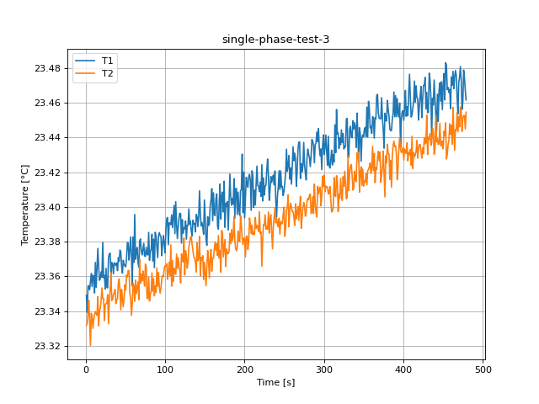
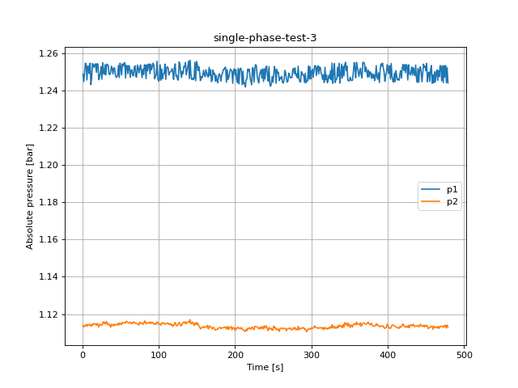
Time from start [s] | Temperature 2 [°C] | Temperature 3 [°C] | Viscosity [uPa-s] | pressure 1 [bar] | pressure 2 [bar] | dp [mbar]
AVERAGE | 23.417065998 | 23.393053657 | 924.0359053 | 1.2494544741 | 1.1135556724
STDDEV | 0.034775079526 | 0.032514101532 | 0.76355332471 | 0.0033484086479 | 0.0012370557285

DPT measurement | AVERAGE | STDDEV
dp1 | 7.8482698879 | 0.13315254363
dp2 | 14.888806982 | 0.17727459204
dp3 | 21.854699703 | 0.19529068067
dp4 | 27.987734655 | 0.22760768484

FLOW RATE | 5.91 | l/min

Time from start [s] | Temperature 2 [°C] | Temperature 3 [°C] | Viscosity [uPa-s] | pressure 1 [bar] | pressure 2 [bar] | dp [mbar]
1.031 | 23.349063 | 23.331761 | 925.530349 | 1.248795 | 1.114078 | 7.752758
2.058 | 23.339277 | 23.332746 | 925.7458 | 1.244803 | 1.11318 | 7.656609
3.089 | 23.354371 | 23.338378 | 925.413539 | 1.249672 | 1.113324 | 7.846468
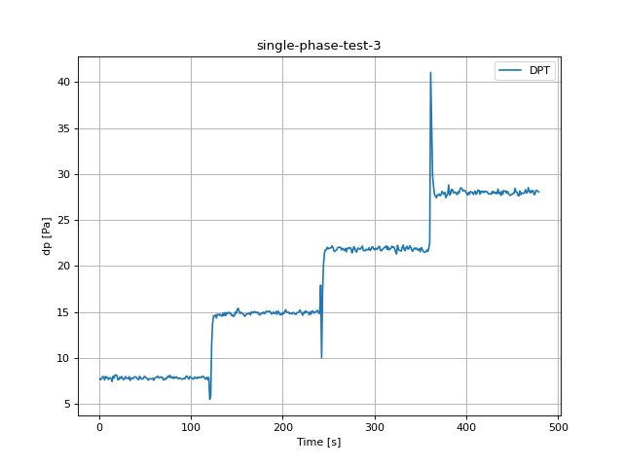
4.123 | 23.354632 | 23.346218 | 925.407789 | 1.254696 | 1.114211 | 7.994518
5.152 | 23.352343 | 23.334622 | 925.458167 | 1.254319 | 1.114344 | 7.944724
6.182 | 23.356785 | 23.320225 | 925.360405 | 1.24569 | 1.113401 | 7.625224
7.212 | 23.361714 | 23.338712 | 925.251966 | 1.253088 | 1.114366 | 8.013814
8.242 | 23.35411 | 23.337061 | 925.41929 | 1.253066 | 1.114011 | 7.887279
9.274 | 23.360784 | 23.330065 | 925.272433 | 1.24915 | 1.114222 | 7.909569
10.306 | 23.359704 | 23.335276 | 925.296178 | 1.254696 | 1.114643 | 7.678234
11.338 | 23.350443 | 23.337933 | 925.49998 | 1.243106 | 1.113523 | 7.828613
12.369 | 23.368056 | 23.339742 | 925.112451 | 1.246721 | 1.113645 | 7.881068
13.4 | 23.353642 | 23.33872 | 925.429584 | 1.254541 | 1.114654 | 7.769615
14.43 | 23.364813 | 23.337479 | 925.183785 | 1.253742 | 1.114189 | 7.461537
15.461 | 23.376073 | 23.348287 | 924.936138 | 1.252356 | 1.114954 | 8.035218
16.493 | 23.365736 | 23.331484 | 925.163493 | 1.254108 | 1.114965 | 7.824621
17.526 | 23.357742 | 23.339946 | 925.339359 | 1.254363 | 1.114455 | 8.161199
18.556 | 23.35869 | 23.341642 | 925.318487 | 1.249771 | 1.113956 | 8.177058
19.589 | 23.362529 | 23.345925 | 925.234029 | 1.254485 | 1.115043 | 8.133807
20.62 | 23.359493 | 23.353346 | 925.300835 | 1.254164 | 1.114322 | 7.6494
21.65 | 23.379648 | 23.347247 | 924.857539 | 1.245812 | 1.113091 | 7.673798
22.71 | 23.359244 | 23.347103 | 925.306298 | 1.247343 | 1.114455 | 7.930973
23.74 | 23.360517 | 23.334369 | 925.278297 | 1.249372 | 1.114322 | 7.796563
24.769 | 23.352748 | 23.343677 | 925.449253 | 1.252822 | 1.1143 | 8.003833
25.8 | 23.364675 | 23.344407 | 925.186832 | 1.246134 | 1.113889 | 7.816969
26.83 | 23.353765 | 23.344459 | 925.426881 | 1.254851 | 1.115209 | 7.65927
27.862 | 23.353365 | 23.349481 | 925.43568 | 1.249295 | 1.115874 | 7.729358
28.892 | 23.370821 | 23.332733 | 925.051643 | 1.248685 | 1.114909 | 8.006384
29.922 | 23.372917 | 23.346202 | 925.005553 | 1.253864 | 1.115597 | 7.814751
30.953 | 23.373384 | 23.352299 | 924.995267 | 1.248385 | 1.114843 | 7.823179
31.984 | 23.362129 | 23.362124 | 925.242825 | 1.254186 | 1.115963 | 7.783477
33.017 | 23.36803 | 23.346048 | 925.113026 | 1.253664 | 1.114488 | 7.989749
34.048 | 23.367136 | 23.346774 | 925.132684 | 1.253676 | 1.114277 | 7.579978
35.079 | 23.36144 | 23.349748 | 925.258002 | 1.249006 | 1.114688 | 7.785473
36.109 | 23.367797 | 23.350532 | 925.118141 | 1.24854 | 1.114167 | 7.830942
37.14 | 23.367403 | 23.352502 | 925.126821 | 1.249827 | 1.112902 | 7.758414
38.171 | 23.36618 | 23.344294 | 925.153721 | 1.253066 | 1.114521 | 7.931527
39.205 | 23.367748 | 23.346366 | 925.119234 | 1.251845 | 1.113978 | 7.964353
40.236 | 23.363287 | 23.347284 | 925.217357 | 1.248917 | 1.113734 | 7.964797
41.266 | 23.370792 | 23.356069 | 925.052276 | 1.252023 | 1.114632 | 7.831496
42.296 | 23.368607 | 23.35851 | 925.100324 | 1.252256 | 1.113834 | 7.746326
43.329 | 23.375143 | 23.351062 | 924.956594 | 1.248496 | 1.114266 | 7.647071
44.359 | 23.373818 | 23.340609 | 924.985728 | 1.247121 | 1.114521 | 8.01947
45.392 | 23.365655 | 23.352573 | 925.165275 | 1.247376 | 1.114555 | 7.889275
46.422 | 23.361873 | 23.347161 | 925.248459 | 1.248086 | 1.114022 | 7.71472
47.453 | 23.369276 | 23.342491 | 925.08561 | 1.253576 | 1.115109 | 7.752647
48.485 | 23.366891 | 23.347697 | 925.138087 | 1.246977 | 1.114266 | 7.785695
49.514 | 23.365984 | 23.355113 | 925.158033 | 1.25474 | 1.115275 | 8.022797
50.546 | 23.36554 | 23.352087 | 925.167805 | 1.252766 | 1.114743 | 7.951267
51.579 | 23.370387 | 23.360859 | 925.061184 | 1.248319 | 1.114322 | 7.834491
52.612 | 23.37952 | 23.359613 | 924.860354 | 1.254286 | 1.115553 | 7.797783
53.645 | 23.379274 | 23.363504 | 924.865755 | 1.253176 | 1.11522 | 7.598609
54.678 | 23.369342 | 23.363248 | 925.084173 | 1.254596 | 1.115176 | 7.749542
55.707 | 23.374876 | 23.350691 | 924.962455 | 1.255018 | 1.115475 | 7.753313
56.74 | 23.382721 | 23.346842 | 924.78998 | 1.24671 | 1.115198 | 7.75786
57.769 | 23.371999 | 23.337544 | 925.025725 | 1.253565 | 1.116118 | 7.731909
58.8 | 23.354468 | 23.344529 | 925.411412 | 1.253276 | 1.115797 | 7.819852
59.83 | 23.38264 | 23.356169 | 924.791761 | 1.249017 | 1.115431 | 7.592176
60.862 | 23.367996 | 23.354475 | 925.113773 | 1.253409 | 1.11512 | 7.823844
61.891 | 23.395616 | 23.345528 | 924.50656 | 1.253021 | 1.115431 | 7.907573
62.921 | 23.369802 | 23.357833 | 925.074058 | 1.247209 | 1.115686 | 7.918441
63.954 | 23.374364 | 23.350083 | 924.973718 | 1.250814 | 1.114954 | 8.053073
64.986 | 23.376692 | 23.353349 | 924.92252 | 1.251158 | 1.114887 | 7.876078
66.018 | 23.367918 | 23.356809 | 925.115498 | 1.248241 | 1.115652 | 7.848575
67.052 | 23.3652 | 23.346539 | 925.175277 | 1.247864 | 1.115364 | 7.96513
68.087 | 23.380562 | 23.369734 | 924.837431 | 1.252456 | 1.115808 | 7.911233
69.117 | 23.381519 | 23.355981 | 924.816405 | 1.253321 | 1.115153 | 7.924652
70.151 | 23.374659 | 23.361228 | 924.967225 | 1.24762 | 1.114954 | 7.633653
71.183 | 23.37236 | 23.357298 | 925.017794 | 1.247176 | 1.114965 | 7.661932
72.214 | 23.375574 | 23.363075 | 924.947113 | 1.253687 | 1.114788 | 7.784143
73.245 | 23.379044 | 23.359414 | 924.87081 | 1.252422 | 1.114388 | 7.722815
74.279 | 23.371772 | 23.354392 | 925.030724 | 1.249339 | 1.114133 | 7.900586
75.31 | 23.371529 | 23.367081 | 925.036069 | 1.251968 | 1.115697 | 8.055069
76.34 | 23.376779 | 23.365621 | 924.920624 | 1.253742 | 1.115043 | 7.923653
77.37 | 23.372561 | 23.347506 | 925.013369 | 1.250603 | 1.115176 | 8.142901
78.401 | 23.372323 | 23.34714 | 925.018598 | 1.246943 | 1.115275 | 7.849684
79.435 | 23.385378 | 23.359474 | 924.731561 | 1.251468 | 1.114455 | 7.901585
80.465 | 23.369258 | 23.345734 | 925.086012 | 1.248629 | 1.115009 | 7.977439
81.498 | 23.374573 | 23.350002 | 924.969121 | 1.253886 | 1.116162 | 7.782479
82.527 | 23.375417 | 23.350971 | 924.950561 | 1.253642 | 1.116273 | 7.959917
83.557 | 23.384278 | 23.361999 | 924.755744 | 1.246389 | 1.114721 | 7.854342
84.589 | 23.368811 | 23.351496 | 925.095841 | 1.253831 | 1.115198 | 7.962357
85.623 | 23.381443 | 23.358672 | 924.818071 | 1.250625 | 1.115253 | 7.852789
86.655 | 23.365051 | 23.348742 | 925.178554 | 1.254208 | 1.115408 | 7.743997
87.687 | 23.38541 | 23.354426 | 924.730872 | 1.254186 | 1.115619 | 7.84669
88.722 | 23.382841 | 23.35072 | 924.787337 | 1.249028 | 1.114921 | 7.814418
89.752 | 23.376922 | 23.364876 | 924.917464 | 1.254208 | 1.115752 | 7.760632
90.782 | 23.370805 | 23.354379 | 925.051988 | 1.25118 | 1.115031 | 7.707733
91.813 | 23.383612 | 23.362163 | 924.770391 | 1.252988 | 1.115453 | 7.776934
92.846 | 23.385256 | 23.353833 | 924.734261 | 1.254707 | 1.115453 | 7.784032
93.877 | 23.383301 | 23.350299 | 924.777227 | 1.25352 | 1.114577 | 7.777489
94.906 | 23.382995 | 23.353527 | 924.783948 | 1.246333 | 1.114854 | 8.028675
95.939 | 23.371874 | 23.358771 | 925.028483 | 1.24762 | 1.114399 | 8.034552
96.97 | 23.379125 | 23.360413 | 924.869029 | 1.248596 | 1.114721 | 7.875302
98.004 | 23.383643 | 23.359793 | 924.769702 | 1.25575 | 1.115841 | 7.715829
99.034 | 23.37825 | 23.364735 | 924.888276 | 1.2464 | 1.115298 | 8.006828
100.066 | 23.373494 | 23.366175 | 924.992853 | 1.245025 | 1.114566 | 7.932193
101.098 | 23.38662 | 23.3659 | 924.704279 | 1.24569 | 1.114499 | 7.844693
102.129 | 23.393126 | 23.367243 | 924.561281 | 1.253842 | 1.114677 | 7.719599
103.161 | 23.393892 | 23.358246 | 924.544456 | 1.245601 | 1.114045 | 7.74311
104.193 | 23.378213 | 23.362247 | 924.889081 | 1.251546 | 1.11512 | 7.953374
105.227 | 23.390837 | 23.368168 | 924.611584 | 1.2464 | 1.115497 | 7.862548
106.258 | 23.390531 | 23.36036 | 924.618303 | 1.248829 | 1.115031 | 7.793014
107.287 | 23.389784 | 23.378187 | 924.634728 | 1.249272 | 1.114632 | 7.936296
108.32 | 23.395486 | 23.354342 | 924.509431 | 1.25423 | 1.115043 | 7.823068
109.352 | 23.388101 | 23.369169 | 924.671713 | 1.245967 | 1.114688 | 7.923543
110.382 | 23.394315 | 23.357115 | 924.535154 | 1.252067 | 1.114932 | 7.914782
111.414 | 23.400832 | 23.364784 | 924.391969 | 1.252788 | 1.115031 | 7.885615
112.444 | 23.384618 | 23.362681 | 924.748276 | 1.252278 | 1.115209 | 8.024793
113.476 | 23.403034 | 23.361186 | 924.343579 | 1.248429 | 1.114466 | 7.996958
114.509 | 23.389891 | 23.372781 | 924.632373 | 1.249683 | 1.114477 | 7.95526
115.541 | 23.381751 | 23.364541 | 924.811292 | 1.250093 | 1.114898 | 7.756751
116.572 | 23.388713 | 23.370763 | 924.658274 | 1.250481 | 1.113945 | 7.726808
117.605 | 23.393918 | 23.365613 | 924.543882 | 1.251735 | 1.114399 | 7.931527
118.635 | 23.39639 | 23.363156 | 924.489565 | 1.249683 | 1.113401 | 7.636758
119.667 | 23.396008 | 23.356213 | 924.497948 | 1.245912 | 1.113978 | 7.900143
120.7 | 23.379175 | 23.37294 | 924.867938 | 1.252544 | 1.114943 | 5.531785
121.732 | 23.392692 | 23.372012 | 924.570813 | 1.254297 | 1.115464 | 5.888103
122.761 | 23.384832 | 23.368273 | 924.743566 | 1.247697 | 1.114111 | 11.466432
123.792 | 23.388109 | 23.382075 | 924.671541 | 1.24823 | 1.113623 | 13.743965
124.823 | 23.387317 | 23.360791 | 924.688943 | 1.24589 | 1.114244 | 14.570495
125.858 | 23.391945 | 23.374842 | 924.587236 | 1.245601 | 1.114643 | 14.589348
126.888 | 23.381433 | 23.371976 | 924.818301 | 1.255406 | 1.115508 | 14.68328
127.921 | 23.389463 | 23.36469 | 924.641792 | 1.254097 | 1.115009 | 14.355019
128.954 | 23.389303 | 23.368242 | 924.645295 | 1.249627 | 1.113679 | 14.770668
129.983 | 23.398885 | 23.376713 | 924.434737 | 1.246988 | 1.113823 | 14.738507
131.017 | 23.39005 | 23.379674 | 924.62887 | 1.250293 | 1.114721 | 14.646239
132.049 | 23.391778 | 23.382637 | 924.590911 | 1.249051 | 1.115408 | 14.775659
133.082 | 23.385783 | 23.382705 | 924.722659 | 1.253032 | 1.115819 | 14.636591
134.111 | 23.383249 | 23.378145 | 924.778376 | 1.252655 | 1.115131 | 14.540553
135.14 | 23.392371 | 23.37485 | 924.577876 | 1.255084 | 1.115819 | 14.884118
136.174 | 23.39015 | 23.371315 | 924.626688 | 1.248463 | 1.114843 | 14.621731
137.204 | 23.390398 | 23.370471 | 924.621232 | 1.250792 | 1.115497 | 14.952432
138.238 | 23.385624 | 23.368323 | 924.726162 | 1.252999 | 1.115486 | 14.628274
139.267 | 23.39571 | 23.362503 | 924.504493 | 1.255761 | 1.116063 | 14.945667
140.298 | 23.394579 | 23.379245 | 924.529355 | 1.246389 | 1.115453 | 14.858833
141.329 | 23.388647 | 23.368999 | 924.65971 | 1.256326 | 1.11705 | 14.982818
142.361 | 23.394545 | 23.37058 | 924.530101 | 1.24854 | 1.114898 | 14.860053
143.391 | 23.409321 | 23.383037 | 924.205492 | 1.245945 | 1.11481 | 14.910623
144.424 | 23.396481 | 23.360313 | 924.487556 | 1.246688 | 1.115675 | 14.614633
145.454 | 23.389094 | 23.370946 | 924.649889 | 1.245834 | 1.115131 | 14.716882
146.486 | 23.39103 | 23.36919 | 924.607335 | 1.246577 | 1.113889 | 14.518816
147.518 | 23.388287 | 23.3719 | 924.667636 | 1.255084 | 1.11502 | 14.617295
148.549 | 23.384276 | 23.358157 | 924.755801 | 1.245235 | 1.1143 | 15.008768
149.582 | 23.40404 | 23.368119 | 924.321481 | 1.255639 | 1.115564 | 14.876798
150.613 | 23.393095 | 23.361513 | 924.56197 | 1.254175 | 1.114444 | 15.297106
151.647 | 23.381163 | 23.354637 | 924.824218 | 1.250736 | 1.114943 | 15.423309
152.677 | 23.377855 | 23.366423 | 924.896952 | 1.252788 | 1.113557 | 15.057342
153.708 | 23.39437 | 23.374929 | 924.533949 | 1.24986 | 1.113279 | 14.840867
154.741 | 23.389327 | 23.368895 | 924.644778 | 1.245346 | 1.112038 | 14.982153
155.801 | 23.390192 | 23.359187 | 924.625769 | 1.247509 | 1.112304 | 14.882122
156.832 | 23.40085 | 23.370533 | 924.391567 | 1.246788 | 1.112847 | 14.821682
157.862 | 23.403902 | 23.375472 | 924.324523 | 1.247964 | 1.112947 | 14.673964
158.896 | 23.410567 | 23.362945 | 924.17812 | 1.250925 | 1.113335 | 14.539776
159.929 | 23.392005 | 23.370465 | 924.585915 | 1.248574 | 1.112647 | 14.70302
160.96 | 23.408174 | 23.370578 | 924.230685 | 1.247453 | 1.113157 | 14.819685
161.993 | 23.395546 | 23.375804 | 924.508111 | 1.25118 | 1.112947 | 14.786194
163.022 | 23.394945 | 23.379888 | 924.521316 | 1.249483 | 1.113124 | 14.84619
164.056 | 23.40484 | 23.374942 | 924.303917 | 1.247853 | 1.114033 | 14.923931
165.087 | 23.407505 | 23.378804 | 924.245377 | 1.247221 | 1.111982 | 14.689046
166.119 | 23.38876 | 23.371942 | 924.65724 | 1.252422 | 1.113279 | 15.014979
167.151 | 23.387213 | 23.383539 | 924.691241 | 1.248019 | 1.11369 | 15.005996
168.183 | 23.402462 | 23.370607 | 924.35615 | 1.251169 | 1.112958 | 14.920271
169.214 | 23.413191 | 23.374908 | 924.12051 | 1.244792 | 1.112858 | 15.070206
170.248 | 23.392974 | 23.362318 | 924.564611 | 1.24569 | 1.112004 | 14.969177
171.277 | 23.406288 | 23.386455 | 924.272121 | 1.251014 | 1.112703 | 15.001893
172.31 | 23.408556 | 23.385002 | 924.222306 | 1.248784 | 1.112891 | 14.907185
173.34 | 23.397059 | 23.371215 | 924.474867 | 1.24925 | 1.111971 | 14.98803
174.372 | 23.414813 | 23.376439 | 924.08488 | 1.24498 | 1.111339 | 14.7191
175.406 | 23.388219 | 23.381294 | 924.669129 | 1.248119 | 1.111616 | 14.699915
176.44 | 23.402183 | 23.365772 | 924.362292 | 1.245224 | 1.111871 | 14.845858
177.47 | 23.400272 | 23.375752 | 924.404254 | 1.244193 | 1.11196 | 14.930695
178.501 | 23.403191 | 23.373285 | 924.340135 | 1.24813 | 1.112415 | 14.847299
179.535 | 23.386669 | 23.373063 | 924.703187 | 1.249017 | 1.11278 | 15.019636
180.569 | 23.403304 | 23.374633 | 924.337667 | 1.247731 | 1.112814 | 14.826118
181.602 | 23.4189 | 23.384762 | 923.995154 | 1.245025 | 1.112104 | 14.989472
182.633 | 23.405909 | 23.378846 | 924.280443 | 1.248651 | 1.112647 | 15.106581
183.665 | 23.400962 | 23.386985 | 924.389099 | 1.249028 | 1.11267 | 15.055457
184.694 | 23.404939 | 23.380497 | 924.301736 | 1.251258 | 1.112559 | 15.069985
185.727 | 23.401514 | 23.383223 | 924.376987 | 1.251235 | 1.112825 | 15.112237
186.757 | 23.416237 | 23.394448 | 924.053612 | 1.252478 | 1.113124 | 15.016642
187.788 | 23.393413 | 23.380722 | 924.554964 | 1.252356 | 1.112437 | 14.790741
188.82 | 23.410518 | 23.376209 | 924.17921 | 1.24447 | 1.113069 | 14.873582
189.851 | 23.41075 | 23.374678 | 924.174103 | 1.251102 | 1.111816 | 15.012761
190.882 | 23.395634 | 23.376818 | 924.506158 | 1.245978 | 1.113368 | 14.833437
191.915 | 23.408537 | 23.386136 | 924.222708 | 1.247176 | 1.11186 | 14.852179
192.947 | 23.398571 | 23.380625 | 924.441626 | 1.249228 | 1.112636 | 15.077969
193.981 | 23.395122 | 23.380097 | 924.517412 | 1.251513 | 1.112936 | 14.771334
195.01 | 23.40946 | 23.395057 | 924.202451 | 1.250903 | 1.113313 | 15.109575
196.043 | 23.409878 | 23.389614 | 924.193269 | 1.250282 | 1.111472 | 14.96829
197.076 | 23.430391 | 23.382298 | 923.742921 | 1.24386 | 1.112758 | 14.7191
198.105 | 23.396682 | 23.378336 | 924.483135 | 1.250781 | 1.112492 | 14.793735
199.138 | 23.420034 | 23.382039 | 923.970259 | 1.251579 | 1.112559 | 14.687937
200.168 | 23.393693 | 23.381903 | 924.54882 | 1.248363 | 1.111062 | 14.961969
201.198 | 23.404877 | 23.371184 | 924.303114 | 1.251169 | 1.112359 | 14.828779
202.229 | 23.417063 | 23.383019 | 924.035483 | 1.245668 | 1.112026 | 15.022631
203.261 | 23.413614 | 23.383238 | 924.111215 | 1.244193 | 1.112769 | 15.270934
204.291 | 23.411344 | 23.375436 | 924.161077 | 1.25199 | 1.112936 | 15.014757
205.321 | 23.417434 | 23.379839 | 924.027337 | 1.243572 | 1.112304 | 14.956978
206.357 | 23.418733 | 23.39362 | 923.998826 | 1.25128 | 1.112326 | 15.00278
207.388 | 23.414981 | 23.390142 | 924.081208 | 1.252001 | 1.112093 | 14.82889
208.418 | 23.397999 | 23.384691 | 924.454199 | 1.250559 | 1.112792 | 14.840978
209.448 | 23.420792 | 23.389512 | 923.953624 | 1.243139 | 1.11196 | 14.909181
210.482 | 23.418132 | 23.38404 | 924.01202 | 1.250381 | 1.111738 | 14.791517
211.515 | 23.399669 | 23.385376 | 924.417515 | 1.243627 | 1.111139 | 14.975388
212.546 | 23.409669 | 23.384098 | 924.19786 | 1.244071 | 1.11084 | 14.887445
213.58 | 23.401132 | 23.393991 | 924.385368 | 1.241952 | 1.110707 | 14.794733
214.61 | 23.413084 | 23.387576 | 924.122862 | 1.245812 | 1.111838 | 14.746714
215.645 | 23.42352 | 23.389384 | 923.893743 | 1.246256 | 1.111095 | 14.949659
216.677 | 23.412308 | 23.388545 | 924.139904 | 1.251479 | 1.112326 | 14.967514
217.708 | 23.412036 | 23.38582 | 924.145871 | 1.250548 | 1.112093 | 15.011097
218.74 | 23.408783 | 23.397349 | 924.217314 | 1.251468 | 1.112714 | 15.224467
219.773 | 23.414312 | 23.384699 | 924.095896 | 1.246888 | 1.112237 | 15.061445
...

2022-05-23
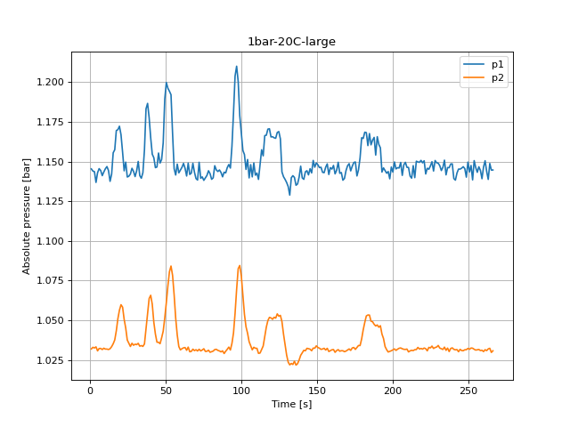
 |  |  |  | pressure 2 [bar] | Viscosity [uPa-s] | dp [mbar] | Time from start [s] | Temperature 2 [°C] | Temperature 3 [°C] | pressure 1 [bar] | pressure 2 [bar] | Viscosity [uPa-s] | dp [mbar]
 |  |  | 1.1724 | 1.048334 | 929.263269 | 27.795506 | 1.032 | 21.775744 | 21.800785 | 1.145383 | 1.031879 | 961.16948 | 104.522054
 |  |  | 1.171602 | 1.047602 | 929.189283 | 28.068317 | 2.058 | 21.785696 | 21.794755 | 1.144029 | 1.03291 | 960.937588 | 105.739725
 |  | 23.171371 | 1.176083 | 1.048179 | 929.342128 | 27.39627 | 3.087 | 21.791818 | 21.787983 | 1.143641 | 1.0325 | 960.794991 | 101.527782
 |  | 23.167698 | 1.175772 | 1.047125 | 929.259332 | 26.92384 | 4.118 | 21.789849 | 21.795127 | 1.136865 | 1.033198 | 960.84085 | 105.287257
 |  | 23.17348 | 1.166356 | 1.046205 | 929.16908 | 28.999868 | 5.15 | 21.784493 | 21.807124 | 1.142965 | 1.03067 | 960.965623 | 105.819572
6.25 | 23.186402 | 23.173742 | 1.175816 | 1.047713 | 929.121268 | 26.125368 | 6.18 | 21.814992 | 21.8018 | 1.145538 | 1.032156 | 960.255497 | 103.051534
7.28 | 23.188536 | 23.179025 | 1.167254 | 1.04656 | 929.074039 | 29.49226 | 7.212 | 21.795575 | 21.816379 | 1.144362 | 1.032211 | 960.707494 | 103.88993
8.312 | 23.175331 | 23.180437 | 1.174874 | 1.048012 | 929.366448 | 25.26701 | 8.245 | 21.801855 | 21.805056 | 1.141135 | 1.031502 | 960.561288 | 106.964049
9.346 | 23.182345 | 23.174707 | 1.174352 | 1.048101 | 929.211107 | 25.027468 | 9.276 | 21.801427 | 21.806175 | 1.143442 | 1.032344 | 960.571237 | 104.542016
10.422 | 23.193275 | 23.179872 | 1.16772 | 1.047148 | 928.969118 | 28.474207 | 10.308 | 21.809623 | 21.813888 | 1.145482 | 1.031801 | 960.380455 | 101.062007
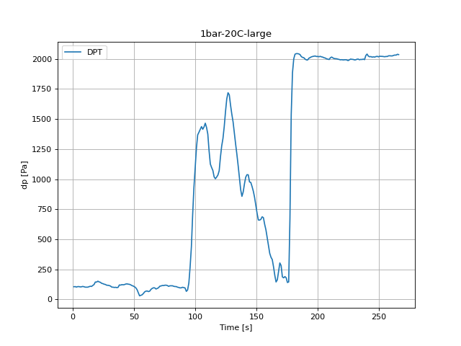
11.452 | 23.175977 | 23.17708 | 1.167409 | 1.047691 | 929.352145 | 26.624413 | 11.34 | 21.813091 | 21.806941 | 1.146858 | 1.031812 | 960.299729 | 100.742618
12.484 | 23.174704 | 23.176834 | 1.171735 | 1.048445 | 929.380346 | 24.109225 | 12.371 | 21.796084 | 21.801204 | 1.144318 | 1.031524 | 960.69565 | 101.10193
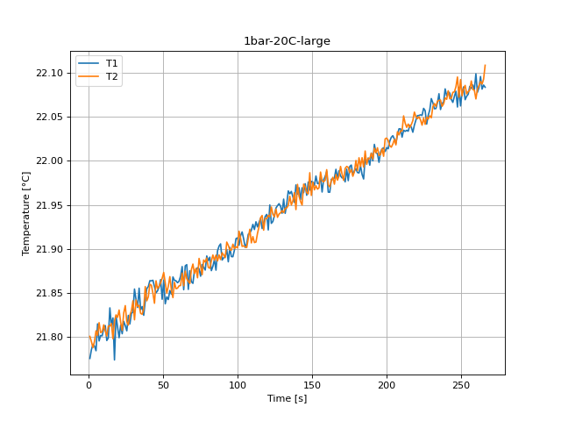
13.515 | 23.178813 | 23.177632 | 1.171502 | 1.048401 | 929.289322 | 25.054084 | 13.403 | 21.799086 | 21.81257 | 1.137552 | 1.032034 | 960.625748 | 104.914636
14.55 | 23.179383 | 23.179807 | 1.173787 | 1.047469 | 929.276701 | 24.708079 | 14.433 | 21.833137 | 21.812462 | 1.142077 | 1.033331 | 959.833402 | 108.454531
15.581 | 23.173598 | 23.178871 | 1.174896 | 1.048035 | 929.404841 | 25.113969 | 15.464 | 21.813314 | 21.81544 | 1.155531 | 1.03515 | 960.294543 | 107.05055
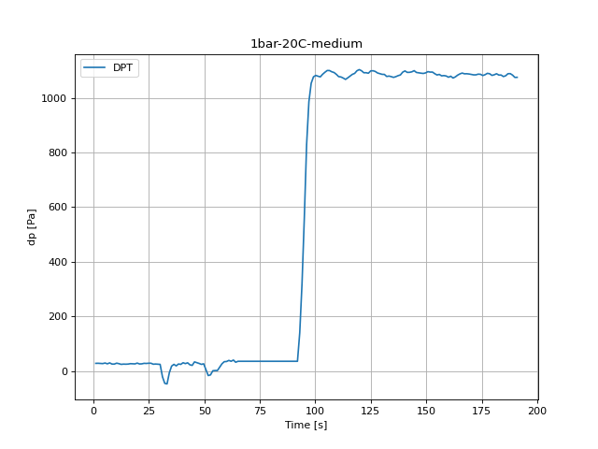
16.613 | 23.17044 | 23.182361 | 1.171624 | 1.048223 | 929.474801 | 26.637721 | 16.494 | 21.821725 | 21.798153 | 1.157483 | 1.037578 | 960.098847 | 114.809041
17.642 | 23.167923 | 23.175825 | 1.176859 | 1.049299 | 929.530577 | 26.058828 | 17.524 | 21.774039 | 21.818067 | 1.169561 | 1.043333 | 961.209197 | 123.086539
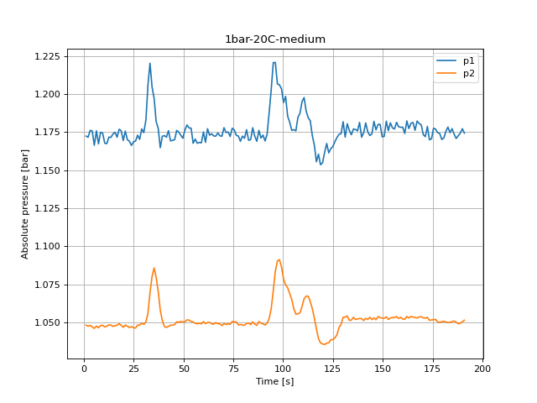
18.675 | 23.184515 | 23.176814 | 1.175861 | 1.048168 | 929.16306 | 25.819287 | 18.556 | 21.823861 | 21.825196 | 1.170105 | 1.050951 | 960.049139 | 143.707091
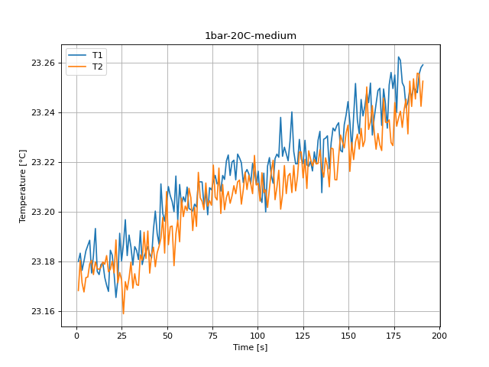
19.704 | 23.182531 | 23.180084 | 1.169439 | 1.046892 | 929.206997 | 28.700441 | 19.588 | 21.811854 | 21.82238 | 1.172301 | 1.056318 | 960.328528 | 143.174776
20.734 | 23.175007 | 23.175399 | 1.175694 | 1.048389 | 929.373628 | 25.553129 | 20.62 | 21.799241 | 21.830696 | 1.166966 | 1.059766 | 960.622147 | 150.673763
21.767 | 23.165481 | 23.188669 | 1.170038 | 1.047658 | 929.58468 | 25.992289 | 21.672 | 21.813561 | 21.816825 | 1.155841 | 1.058203 | 960.288808 | 144.412408
22.797 | 23.172547 | 23.171397 | 1.168995 | 1.046715 | 929.428121 | 27.875353 | 22.701 | 21.803797 | 21.807633 | 1.144174 | 1.05053 | 960.516059 | 141.23848
23.828 | 23.191367 | 23.17554 | 1.166234 | 1.047358 | 929.011362 | 27.429539 | 23.732 | 21.817774 | 21.82749 | 1.149664 | 1.045063 | 960.19077 | 132.654901
24.858 | 23.180186 | 23.17261 | 1.168607 | 1.046582 | 929.258926 | 28.261281 | 24.762 | 21.813 | 21.835708 | 1.14027 | 1.037501 | 960.301865 | 130.026596
25.892 | 23.186962 | 23.158914 | 1.169129 | 1.046405 | 929.108881 | 28.274589 | 25.791 | 21.807077 | 21.817278 | 1.140769 | 1.035516 | 960.43971 | 125.282338
26.925 | 23.196833 | 23.171883 | 1.172999 | 1.048312 | 928.890367 | 24.628232 | 26.824 | 21.824622 | 21.813555 | 1.142166 | 1.033442 | 960.031453 | 123.126463
27.955 | 23.182353 | 23.168526 | 1.170204 | 1.048401 | 929.210933 | 25.313587 | 27.854 | 21.814877 | 21.824747 | 1.145782 | 1.035482 | 960.258181 | 116.958263
28.99 | 23.190642 | 23.173263 | 1.177092 | 1.049543 | 929.027392 | 24.594962 | 28.887 | 21.826782 | 21.829936 | 1.14383 | 1.034218 | 959.981203 | 116.572334
30.023 | 23.185843 | 23.179707 | 1.174607 | 1.048844 | 929.133655 | 24.042686 | 29.918 | 21.828491 | 21.841156 | 1.140536 | 1.034884 | 959.941444 | 114.136993
31.09 | 23.178531 | 23.169222 | 1.182981 | 1.050385 | 929.295575 | -21.796285 | 30.946 | 21.854521 | 21.819609 | 1.144174 | 1.034606 | 959.336302 | 110.104707
32.118 | 23.185976 | 23.175057 | 1.206006 | 1.056174 | 929.130703 | -45.617378 | 31.981 | 21.842692 | 21.842147 | 1.150096 | 1.035416 | 959.61122 | 101.334818
33.148 | 23.18446 | 23.170647 | 1.220192 | 1.069768 | 929.164275 | -47.487135 | 33.011 | 21.833577 | 21.834872 | 1.141157 | 1.033631 | 959.82316 | 100.815811
34.179 | 23.180745 | 23.170364 | 1.20452 | 1.080302 | 929.246537 | -6.565424 | 34.04 | 21.855493 | 21.836041 | 1.139504 | 1.034008 | 959.313703 | 98.480279
35.209 | 23.192389 | 23.182635 | 1.197144 | 1.085869 | 928.988735 | 17.774677 | 35.069 | 21.831136 | 21.826834 | 1.14302 | 1.033486 | 959.879921 | 99.844336
36.244 | 23.178735 | 23.180487 | 1.181839 | 1.07957 | 929.291059 | 24.115879 | 36.099 | 21.834641 | 21.825964 | 1.157361 | 1.03505 | 959.798408 | 97.209377
37.273 | 23.182055 | 23.191772 | 1.177436 | 1.070522 | 929.217533 | 18.573149 | 37.129 | 21.824677 | 21.831991 | 1.183259 | 1.04452 | 960.030172 | 99.338637
38.301 | 23.184068 | 23.1812 | 1.164736 | 1.058081 | 929.172958 | 25.446666 | 38.161 | 21.840857 | 21.857239 | 1.186686 | 1.054499 | 959.653883 | 119.213948
39.334 | 23.185934 | 23.192295 | 1.172234 | 1.051217 | 929.131629 | 24.055993 | 39.191 | 21.855032 | 21.841138 | 1.177724 | 1.063681 | 959.324424 | 117.996277
40.366 | 23.182884 | 23.175289 | 1.172722 | 1.047369 | 929.199182 | 30.051191 | 40.223 | 21.857336 | 21.845741 | 1.164936 | 1.06571 | 959.270881 | 121.981985
41.397 | 23.181454 | 23.182716 | 1.171657 | 1.046804 | 929.230848 | 26.910532 | 41.251 | 21.863989 | 21.85996 | 1.154644 | 1.060032 | 959.116311 | 120.491504
42.429 | 23.192888 | 23.185751 | 1.175894 | 1.047569 | 928.977682 | 29.71184 | 42.285 | 21.863808 | 21.858741 | 1.152436 | 1.048667 | 959.120513 | 122.314682
43.46 | 23.200296 | 23.177875 | 1.169184 | 1.048234 | 928.813711 | 22.425779 | 43.319 | 21.864461 | 21.849571 | 1.14617 | 1.041271 | 959.10535 | 126.712935
44.49 | 23.191288 | 23.183522 | 1.169594 | 1.048323 | 929.013098 | 20.376366 | 44.35 | 21.857105 | 21.838346 | 1.146603 | 1.036148 | 959.276242 | 128.336496
...
k- | Temperature 2 [°C] | Temperature 3 [°C] | pressure 1 [bar] | pressure 2 [bar] | Viscosity [uPa-s] | dp [mbar] | Time from start [s] | Temperature 2 [°C] | Temperature 3 [°C] | pressure 1 [bar] | pressure 2 [bar] | Viscosity [uPa-s]
 |  |  |  |  |  |  | 196.975 | 22.013645 | 22.013642 | 1.143719 | 1.02996 | 955.649276
 |  |  |  |  |  |  | 198.007 | 22.014732 | 22.005128 | 1.139149 | 1.03036 | 955.624149
 |  |  |  |  |  |  | 199.039 | 22.010542 | 22.024911 | 1.146558 | 1.030759 | 955.720968
 |  |  |  |  |  |  | 200.07 | 22.014908 | 22.025791 | 1.143386 | 1.031302 | 955.620093
 |  |  |  |  |  |  | 201.104 | 22.013629 | 22.023045 | 1.149764 | 1.031923 | 955.649639
 |  |  |  |  |  |  | 202.135 | 22.022329 | 22.017127 | 1.145372 | 1.03098 | 955.448656
 |  |  |  |  |  |  | 203.166 | 22.026653 | 22.015424 | 1.146159 | 1.031734 | 955.348794
 |  |  |  |  |  |  | 204.198 | 22.02849 | 22.019009 | 1.145959 | 1.032322 | 955.306373
 |  |  |  |  |  |  | 205.229 | 22.024607 | 22.024237 | 1.149453 | 1.032511 | 955.39606
 |  |  |  |  |  |  | 206.263 | 22.019819 | 22.01805 | 1.14129 | 1.032001 | 955.506643
Temperature
 | temperature 1 | temperature 2
1.032 | 21.775744 | 21.800785
2.058 | 21.785696 | 21.794755
3.087 | 21.791818 | 21.787983
4.118 | 21.789849 | 21.795127
5.15 | 21.784493 | 21.807124
6.18 | 21.814992 | 21.8018
7.212 | 21.795575 | 21.816379
8.245 | 21.801855 | 21.805056
9.276 | 21.801427 | 21.806175
10.308 | 21.809623 | 21.813888
11.34 | 21.813091 | 21.806941
12.371 | 21.796084 | 21.801204
13.403 | 21.799086 | 21.81257
14.433 | 21.833137 | 21.812462
15.464 | 21.813314 | 21.81544
16.494 | 21.821725 | 21.798153
17.524 | 21.774039 | 21.818067
18.556 | 21.823861 | 21.825196
19.588 | 21.811854 | 21.82238
20.62 | 21.799241 | 21.830696
21.672 | 21.813561 | 21.816825
22.701 | 21.803797 | 21.807633
23.732 | 21.817774 | 21.82749
24.762 | 21.813 | 21.835708
25.791 | 21.807077 | 21.817278
26.824 | 21.824622 | 21.813555
27.854 | 21.814877 | 21.824747
28.887 | 21.826782 | 21.829936
29.918 | 21.828491 | 21.841156
30.946 | 21.854521 | 21.819609
31.981 | 21.842692 | 21.842147
33.011 | 21.833577 | 21.834872
34.04 | 21.855493 | 21.836041
35.069 | 21.831136 | 21.826834
36.099 | 21.834641 | 21.825964
37.129 | 21.824677 | 21.831991
38.161 | 21.840857 | 21.857239
39.191 | 21.855032 | 21.841138
40.223 | 21.857336 | 21.845741
41.251 | 21.863989 | 21.85996
42.285 | 21.863808 | 21.858741
43.319 | 21.864461 | 21.849571
44.35 | 21.857105 | 21.838346
45.381 | 21.850232 | 21.863887
46.409 | 21.852468 | 21.855087
47.441 | 21.856804 | 21.857787
48.473 | 21.865242 | 21.861764
49.503 | 21.842913 | 21.866729
50.535 | 21.864503 | 21.87329
51.565 | 21.837727 | 21.861874
...
 |  |  |  |  |  |  | 207.294 | 22.029667 | 22.032966 | 1.147989 | 1.031657 | 955.279203
 |  |  |  |  |  |  | 208.325 | 22.036281 | 22.029386 | 1.149531 | 1.031579 | 955.126495
 |  |  |  |  |  |  | 209.357 | 22.03625 | 22.033951 | 1.146392 | 1.031801 | 955.127221
 |  |  |  |  |  |  | 210.39 | 22.026837 | 22.033807 | 1.146281 | 1.030016 | 955.344558
 |  |  |  |  |  |  | 211.42 | 22.034677 | 22.050982 | 1.140835 | 1.030681 | 955.163519
 |  |  |  |  |  |  | 212.452 | 22.033393 | 22.042861 | 1.13956 | 1.031025 | 955.193164
 |  |  |  |  |  |  | 213.484 | 22.034583 | 22.03795 | 1.147434 | 1.030847 | 955.165697
 |  |  |  |  |  |  | 214.515 | 22.033595 | 22.041692 | 1.13987 | 1.031435 | 955.188505
 |  |  |  |  |  |  | 215.545 | 22.040275 | 22.037819 | 1.150252 | 1.031491 | 955.034308
 |  |  |  |  |  |  | 216.575 | 22.038113 | 22.041042 | 1.149775 | 1.032843 | 955.08421
 |  |  |  |  |  |  | 217.608 | 22.032397 | 22.045576 | 1.149531 | 1.031856 | 955.216155
 |  |  |  |  |  |  | 218.639 | 22.040413 | 22.05524 | 1.150751 | 1.032189 | 955.031102
 |  |  |  |  |  |  | 219.67 | 22.046197 | 22.050127 | 1.149198 | 1.031768 | 954.897626
 |  |  |  |  |  |  | 220.703 | 22.051238 | 22.047772 | 1.150507 | 1.032466 | 954.781289
 |  |  |  |  |  |  | 221.733 | 22.051396 | 22.049968 | 1.142177 | 1.032045 | 954.777661
 |  |  |  |  |  |  | 222.766 | 22.052156 | 22.046346 | 1.145804 | 1.030714 | 954.760128
Absolute pressure [bar]
 | pressure 1 | pressure 2
1.032 | 1.145383 | 1.031879
2.058 | 1.144029 | 1.03291
3.087 | 1.143641 | 1.0325
4.118 | 1.136865 | 1.033198
5.15 | 1.142965 | 1.03067
6.18 | 1.145538 | 1.032156
7.212 | 1.144362 | 1.032211
8.245 | 1.141135 | 1.031502
9.276 | 1.143442 | 1.032344
10.308 | 1.145482 | 1.031801
11.34 | 1.146858 | 1.031812
12.371 | 1.144318 | 1.031524
13.403 | 1.137552 | 1.032034
14.433 | 1.142077 | 1.033331
15.464 | 1.155531 | 1.03515
16.494 | 1.157483 | 1.037578
17.524 | 1.169561 | 1.043333
18.556 | 1.170105 | 1.050951
19.588 | 1.172301 | 1.056318
20.62 | 1.166966 | 1.059766
21.672 | 1.155841 | 1.058203
22.701 | 1.144174 | 1.05053
23.732 | 1.149664 | 1.045063
24.762 | 1.14027 | 1.037501
25.791 | 1.140769 | 1.035516
26.824 | 1.142166 | 1.033442
27.854 | 1.145782 | 1.035482
28.887 | 1.14383 | 1.034218
29.918 | 1.140536 | 1.034884
30.946 | 1.144174 | 1.034606
31.981 | 1.150096 | 1.035416
33.011 | 1.141157 | 1.033631
34.04 | 1.139504 | 1.034008
35.069 | 1.14302 | 1.033486
36.099 | 1.157361 | 1.03505
37.129 | 1.183259 | 1.04452
38.161 | 1.186686 | 1.054499
39.191 | 1.177724 | 1.063681
40.223 | 1.164936 | 1.06571
41.251 | 1.154644 | 1.060032
42.285 | 1.152436 | 1.048667
43.319 | 1.14617 | 1.041271
44.35 | 1.146603 | 1.036148
45.381 | 1.155398 | 1.03607
46.409 | 1.149087 | 1.035194
47.441 | 1.151372 | 1.038931
48.473 | 1.161875 | 1.043111
49.503 | 1.189392 | 1.051472
50.535 | 1.199862 | 1.061064
51.565 | 1.196224 | 1.071598
...
 |  |  |  |  |  |  | 223.802 | 22.051527 | 22.040429 | 1.145161 | 1.032866 | 954.774638
 |  |  |  |  |  |  | 224.836 | 22.059506 | 22.048495 | 1.147224 | 1.032544 | 954.590567
 |  |  |  |  |  |  | 225.87 | 22.056901 | 22.041375 | 1.14993 | 1.033686 | 954.650648
 |  |  |  |  |  |  | 226.902 | 22.041616 | 22.049708 | 1.144041 | 1.032167 | 955.00334
 |  |  |  |  |  |  | 227.933 | 22.051611 | 22.047337 | 1.150673 | 1.032788 | 954.772704
 |  |  |  |  |  |  | 228.963 | 22.05763 | 22.051087 | 1.149231 | 1.033076 | 954.633844
 |  |  |  |  |  |  | 229.994 | 22.070587 | 22.048775 | 1.148976 | 1.034085 | 954.335015
 |  |  |  |  |  |  | 231.024 | 22.065944 | 22.061371 | 1.147379 | 1.032411 | 954.442081
 |  |  |  |  |  |  | 232.054 | 22.059029 | 22.064967 | 1.144351 | 1.032023 | 954.601567
 |  |  |  |  |  |  | 233.085 | 22.059254 | 22.061694 | 1.146381 | 1.031557 | 954.596369
 |  |  |  |  |  |  | 234.117 | 22.065876 | 22.067569 | 1.150895 | 1.033021 | 954.443652
 |  |  |  |  |  |  | 235.146 | 22.076129 | 22.068554 | 1.141623 | 1.031025 | 954.20725
 |  |  |  |  |  |  | 236.178 | 22.058151 | 22.068949 | 1.146248 | 1.032411 | 954.621816
 |  |  |  |  |  |  | 237.21 | 22.064951 | 22.061788 | 1.146148 | 1.030238 | 954.464983
 |  |  |  |  |  |  | 238.243 | 22.066824 | 22.064519 | 1.148477 | 1.032189 | 954.421778
 |  |  |  |  |  |  | 239.274 | 22.081621 | 22.071397 | 1.148544 | 1.032555 | 954.080659
 |  |  |  |  |  |  | 240.304 | 22.073642 | 22.069777 | 1.139283 | 1.031635 | 954.264575
DPT
1.032 | 104.522054
2.058 | 105.739725
3.087 | 101.527782
4.118 | 105.287257
5.15 | 105.819572
6.18 | 103.051534
7.212 | 103.88993
8.245 | 106.964049
9.276 | 104.542016
10.308 | 101.062007
11.34 | 100.742618
12.371 | 101.10193
13.403 | 104.914636
14.433 | 108.454531
15.464 | 107.05055
16.494 | 114.809041
17.524 | 123.086539
18.556 | 143.707091
19.588 | 143.174776
20.62 | 150.673763
21.672 | 144.412408
22.701 | 141.23848
23.732 | 132.654901
24.762 | 130.026596
25.791 | 125.282338
26.824 | 123.126463
27.854 | 116.958263
28.887 | 116.572334
29.918 | 114.136993
30.946 | 110.104707
31.981 | 101.334818
33.011 | 100.815811
34.04 | 98.480279
35.069 | 99.844336
36.099 | 97.209377
37.129 | 99.338637
38.161 | 119.213948
39.191 | 117.996277
40.223 | 121.981985
41.251 | 120.491504
42.285 | 122.314682
43.319 | 126.712935
44.35 | 128.336496
45.381 | 125.834615
46.409 | 124.437288
47.441 | 120.271924
48.473 | 113.817604
49.503 | 109.951667
50.535 | 104.14278
51.565 | 95.559201
...
 |  |  |  |  |  |  | 241.339 | 22.078249 | 22.079467 | 1.138307 | 1.031324 | 954.158386
 |  |  |  |  |  |  | 242.373 | 22.076844 | 22.070378 | 1.142798 | 1.031491 | 954.19076
 |  |  |  |  |  |  | 243.405 | 22.069631 | 22.070957 | 1.145261 | 1.030138 | 954.357067
 |  |  |  |  |  |  | 244.435 | 22.066243 | 22.077691 | 1.14525 | 1.031635 | 954.435193
 |  |  |  |  |  |  | 245.468 | 22.073063 | 22.078141 | 1.14586 | 1.030858 | 954.277925
 |  |  |  |  |  |  | 246.5 | 22.078943 | 22.08388 | 1.146791 | 1.03077 | 954.142381
 |  |  |  |  |  |  | 247.531 | 22.060989 | 22.095068 | 1.14556 | 1.031369 | 954.556358
 |  |  |  |  |  |  | 248.561 | 22.083364 | 22.07206 | 1.140181 | 1.031413 | 954.040501
 |  |  |  |  |  |  | 249.592 | 22.062241 | 22.092154 | 1.149664 | 1.032211 | 954.52747
 |  |  |  |  |  |  | 250.622 | 22.077358 | 22.073695 | 1.143453 | 1.031668 | 954.178922
 |  |  |  |  |  |  | 251.654 | 22.083909 | 22.08132 | 1.147534 | 1.032466 | 954.027941
 |  |  |  |  |  |  | 252.684 | 22.069324 | 22.085549 | 1.138451 | 1.032355 | 954.364136
 |  |  |  |  |  |  | 253.716 | 22.073302 | 22.075898 | 1.150606 | 1.031679 | 954.272428
 |  |  |  |  |  |  | 254.747 | 22.075503 | 22.078624 | 1.146248 | 1.031158 | 954.221686
 |  |  |  |  |  |  | 255.779 | 22.084448 | 22.080054 | 1.143231 | 1.03138 | 954.015502
 |  |  |  |  |  |  | 256.809 | 22.082114 | 22.090598 | 1.146714 | 1.031557 | 954.069306
 |  |  |  |  |  |  | 257.84 | 22.086002 | 22.080814 | 1.144473 | 1.03087 | 953.979695
 |  |  |  |  |  |  | 258.871 | 22.080859 | 22.080086 | 1.139194 | 1.031058 | 954.098233
 |  |  |  |  |  |  | 259.902 | 22.098705 | 22.070171 | 1.146536 | 1.030238 | 953.687044
 |  |  |  |  |  |  | 260.933 | 22.077741 | 22.08128 | 1.150551 | 1.031402 | 954.170103
 |  |  |  |  |  |  | 261.966 | 22.082868 | 22.085428 | 1.143797 | 1.030836 | 954.051914
 |  |  |  |  |  |  | 263.001 | 22.095618 | 22.090014 | 1.13875 | 1.031912 | 953.758142
 |  |  |  |  |  |  | 264.031 | 22.081312 | 22.087019 | 1.148788 | 1.0323 | 954.087785
 |  |  |  |  |  |  | 265.064 | 22.085934 | 22.092579 | 1.144628 | 1.029683 | 953.981265
 |  |  |  |  |  |  | 266.095 | 22.083474 | 22.108397 | 1.144695 | 1.030737 | 954.037965

2022-05-24
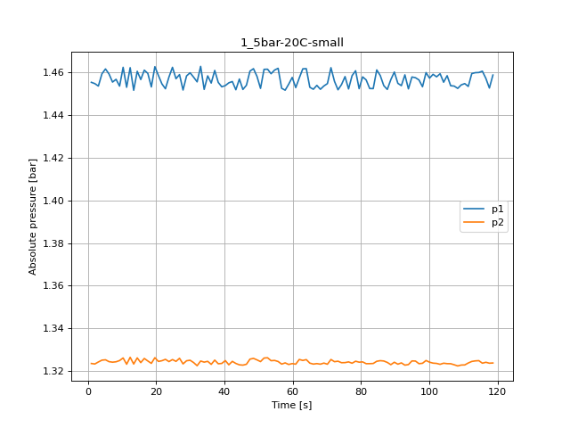
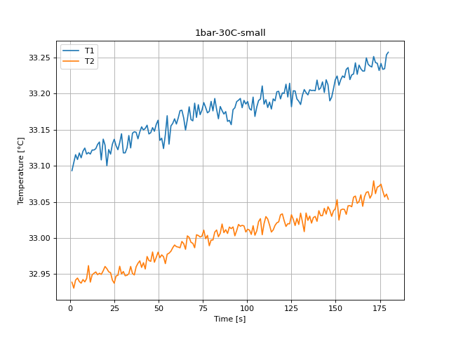
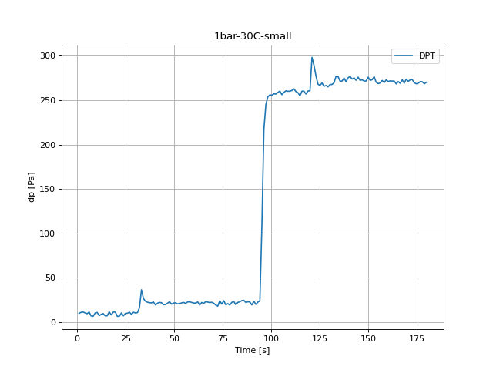
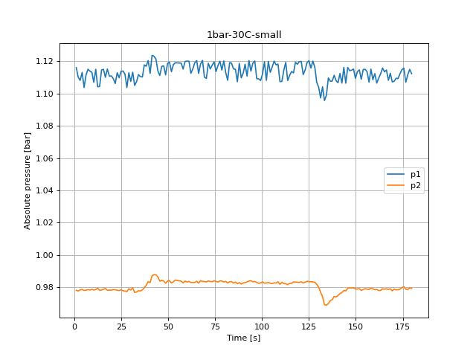
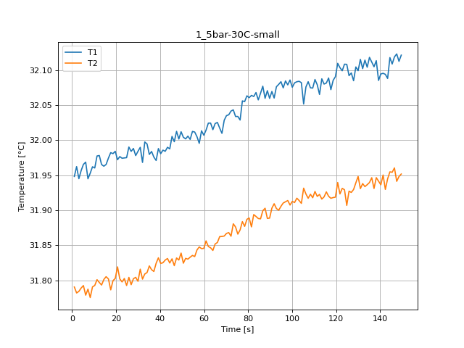
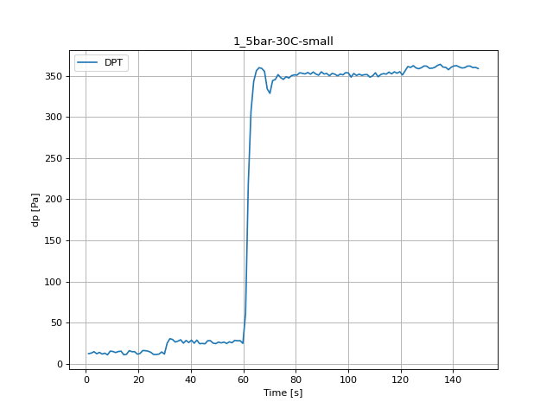
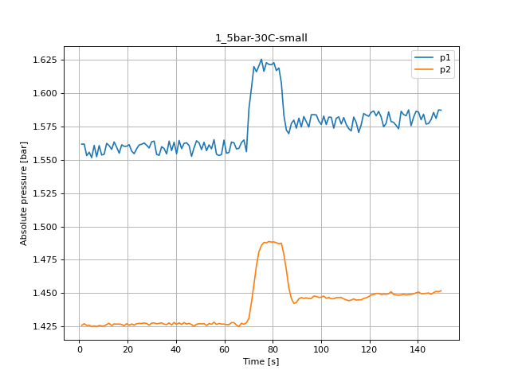
Time from start [s] | Temperature 2 [°C] | Temperature 3 [°C] | pressure 1 [bar] | pressure 2 [bar] | Viscosity [uPa-s] | dp [mbar] | Time from start [s] | Temperature 2 [°C] | Temperature 3 [°C] | pressure 1 [bar] | pressure 2 [bar] | Viscosity [uPa-s] | dp [mbar] | Time from start [s] | Temperature 2 [°C] | Temperature 3 [°C] | pressure 1 [bar] | pressure 2 [bar] | Viscosity [uPa-s] | dp [mbar] | Time from start [s] | Temperature 2 [°C] | Temperature 3 [°C] | pressure 1 [bar] | pressure 2 [bar] | Viscosity [uPa-s] | dp [mbar] | Time from start [s] | Temperature 2 [°C] | Temperature 3 [°C] | pressure 1 [bar] | pressure 2 [bar] | Viscosity [uPa-s] | dp [mbar] | Time from start [s] | Temperature 2 [°C] | Temperature 3 [°C] | pressure 1 [bar]
1.033 | 23.75219 | 23.711811 | 1.077306 | 0.947417 | 916.722241 | 3.521944 | 1.029 | 23.885037 | 23.833342 | 1.966563 | 1.830241 | 913.847936 | -3.065453 | 1.029 | 23.9599 | 23.904068 | 1.45541 | 1.323485 | 912.234329 | 2.909782 | 1.034 | 33.093253 | 32.938582 | 1.115925 | 0.978221 | 745.499875 | -0.257492 | 1.031 | 31.94831 | 31.790685 | 1.561618 | 1.425931 | 763.418003 | 2.237734 | 1.026 | 31.091674 | 30.922985 | 2.003641
2.093 | 23.731095 | 23.710921 | 1.079957 | 0.949214 | 917.179946 | 0.8271 | 2.056 | 23.898819 | 23.848084 | 1.961639 | 1.828689 | 913.550539 | 0.76056 | 2.057 | 23.94845 | 23.918489 | 1.4548 | 1.323252 | 912.480832 | 2.290966 | 2.062 | 33.10415 | 32.930396 | 1.110058 | 0.9777 | 745.332988 | 0.973486 | 2.058 | 31.962339 | 31.782195 | 1.561707 | 1.427129 | 763.193788 | 2.896474 | 2.052 | 31.085545 | 30.919207 | 1.997064
3.125 | 23.730978 | 23.707221 | 1.079125 | 0.947395 | 917.182496 | 1.379377 | 3.088 | 23.898626 | 23.845113 | 1.959299 | 1.829509 | 913.554706 | 1.319491 | 3.09 | 23.941646 | 23.901977 | 1.453658 | 1.324194 | 912.62737 | 0.880331 | 3.093 | 33.115459 | 32.941604 | 1.108039 | 0.978521 | 745.159863 | 1.306183 | 3.089 | 31.945107 | 31.784467 | 1.553034 | 1.425887 | 763.469213 | 4.573266 | 3.082 | 31.078716 | 30.92798 | 2.003508
4.172 | 23.7395 | 23.702863 | 1.078171 | 0.947351 | 916.997533 | 2.996283 | 4.119 | 23.902789 | 23.841239 | 1.967196 | 1.83074 | 913.464898 | -2.58637 | 4.136 | 23.946589 | 23.896566 | 1.459403 | 1.325048 | 912.520906 | -1.189043 | 4.176 | 33.108743 | 32.944371 | 1.113019 | 0.978598 | 745.262662 | 0.35467 | 4.123 | 31.956682 | 31.789204 | 1.555563 | 1.426042 | 763.284181 | 2.104656 | 4.152 | 31.092947 | 30.933847 | 2.000058
5.202 | 23.746305 | 23.704965 | 1.079724 | 0.947961 | 916.849901 | 0.647444 | 5.15 | 23.900124 | 23.839798 | 1.964146 | 1.830884 | 913.522385 | -2.812604 | 5.171 | 23.95101 | 23.90991 | 1.461688 | 1.325214 | 912.425701 | -1.282198 | 5.204 | 33.117787 | 32.939558 | 1.103647 | 0.978144 | 745.124244 | -0.570227 | 5.153 | 31.965488 | 31.792739 | 1.551525 | 1.424978 | 763.143473 | 3.721562 | 5.183 | 31.077908 | 30.944091 | 2.004805
6.233 | 23.739226 | 23.713887 | 1.078171 | 0.949336 | 917.003482 | 0.008666 | 6.182 | 23.907459 | 23.844108 | 1.964123 | 1.830241 | 913.364184 | -1.767935 | 6.205 | 23.95534 | 23.913935 | 1.459337 | 1.324349 | 912.332479 | -1.055964 | 6.233 | 33.111096 | 32.937296 | 1.111433 | 0.978266 | 745.226642 | 1.299529 | 6.183 | 31.968681 | 31.779085 | 1.560676 | 1.425521 | 763.092468 | 1.732035 | 6.215 | 31.088967 | 30.934498 | 1.998672
7.263 | 23.735466 | 23.731377 | 1.073701 | 0.947783 | 917.085077 | 3.342288 | 7.215 | 23.901591 | 23.851138 | 1.960574 | 1.829709 | 913.490741 | 1.459224 | 7.241 | 23.955679 | 23.908534 | 1.455521 | 1.324094 | 912.325175 | 1.765305 | 7.262 | 33.120278 | 32.942327 | 1.11496 | 0.97862 | 745.086121 | -3.078761 | 7.216 | 31.944974 | 31.787635 | 1.552235 | 1.425122 | 763.471347 | 2.790011 | 7.248 | 31.089353 | 30.940562 | 1.998639
8.292 | 23.73414 | 23.701022 | 1.081188 | 0.948948 | 917.113865 | -0.124413 | 8.248 | 23.899286 | 23.852122 | 1.967706 | 1.831006 | 913.54046 | -2.353482 | 8.275 | 23.951697 | 23.916419 | 1.456819 | 1.324283 | 912.410921 | 1.040026 | 8.299 | 33.124579 | 32.939069 | 1.113773 | 0.978354 | 745.020306 | -3.471343 | 8.247 | 31.952925 | 31.775673 | 1.560576 | 1.425787 | 763.344235 | 0.767214 | 8.277 | 31.094251 | 30.926836 | 2.00079
9.323 | 23.736012 | 23.707336 | 1.076252 | 0.948449 | 917.073234 | 3.608445 | 9.277 | 23.892985 | 23.867302 | 1.961151 | 1.829664 | 913.676407 | -0.011296 | 9.306 | 23.940448 | 23.915075 | 1.453636 | 1.32486 | 912.653174 | 0.886985 | 9.332 | 33.116289 | 32.943705 | 1.113097 | 0.978842 | 745.147167 | 0.155052 | 9.277 | 31.962118 | 31.79087 | 1.553489 | 1.425432 | 763.197314 | 5.265276 | 9.311 | 31.099994 | 30.946516 | 2.00343
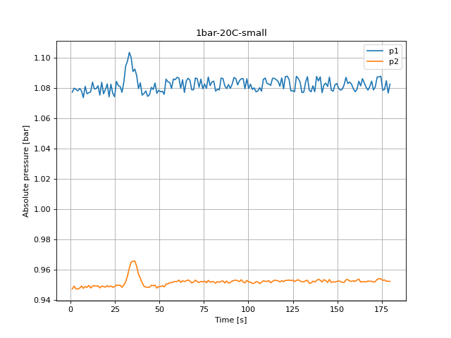
10.358 | 23.742234 | 23.716621 | 1.076984 | 0.949668 | 916.938215 | 1.133181 | 10.307 | 23.902651 | 23.861635 | 1.957679 | 1.828777 | 913.467882 | 1.532417 | 10.341 | 23.944086 | 23.90139 | 1.462453 | 1.326079 | 912.57481 | -0.823076 | 10.368 | 33.118404 | 32.9616 | 1.106841 | 0.978365 | 745.114801 | 0.873677 | 10.308 | 31.960365 | 31.792934 | 1.554043 | 1.425532 | 763.225325 | 4.806154 | 10.341 | 31.10181 | 30.943374 | 2.00353
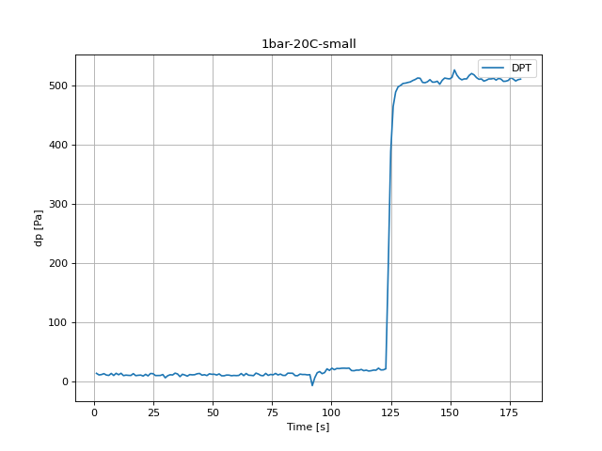
11.388 | 23.730615 | 23.714376 | 1.077594 | 0.947983 | 917.190374 | 3.615099 | 11.336 | 23.912214 | 23.865874 | 1.96002 | 1.828955 | 913.261631 | 1.026718 | 11.371 | 23.94874 | 23.911288 | 1.453081 | 1.323141 | 912.474594 | 2.663586 | 11.408 | 33.116304 | 32.938744 | 1.114927 | 0.978676 | 745.146932 | -2.746064 | 11.339 | 31.977491 | 31.801124 | 1.562239 | 1.426575 | 762.951745 | 3.54856 | 11.372 | 31.097215 | 30.939431 | 2.00089
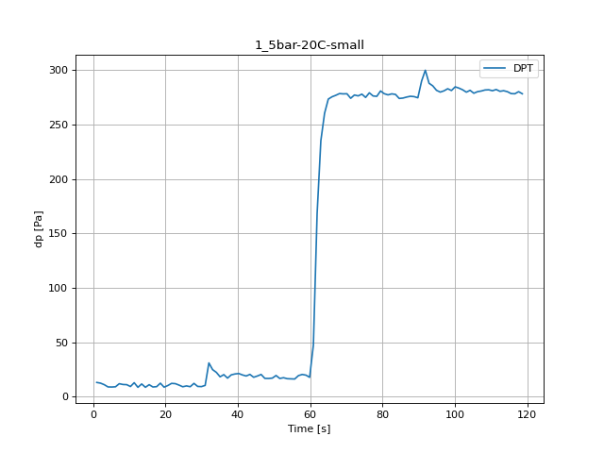
12.42 | 23.740263 | 23.72205 | 1.083983 | 0.949291 | 916.980989 | -0.357301 | 12.396 | 23.912376 | 23.870202 | 1.957114 | 1.83013 | 913.258142 | 0.554288 | 12.402 | 23.956794 | 23.90975 | 1.462276 | 1.326379 | 912.301184 | -1.55501 | 12.443 | 33.121909 | 32.948791 | 1.104102 | 0.979519 | 745.061165 | -1.209005 | 12.37 | 31.978156 | 31.797129 | 1.56052 | 1.427451 | 762.94113 | 4.779538 | 12.403 | 31.092196 | 30.947365 | 1.997108
13.452 | 23.742485 | 23.722478 | 1.079413 | 0.949602 | 916.932776 | 0.521019 | 13.426 | 23.911447 | 23.865276 | 1.968693 | 1.830973 | 913.278178 | -2.326866 | 13.439 | 23.954889 | 23.908401 | 1.451673 | 1.32323 | 912.342199 | 1.532417 | 13.473 | 33.121901 | 32.951022 | 1.104312 | 0.978121 | 745.061282 | -0.470418 | 13.405 | 31.965311 | 31.793519 | 1.557725 | 1.425765 | 763.146302 | 5.225352 | 13.434 | 31.088424 | 30.942535 | 2.004983
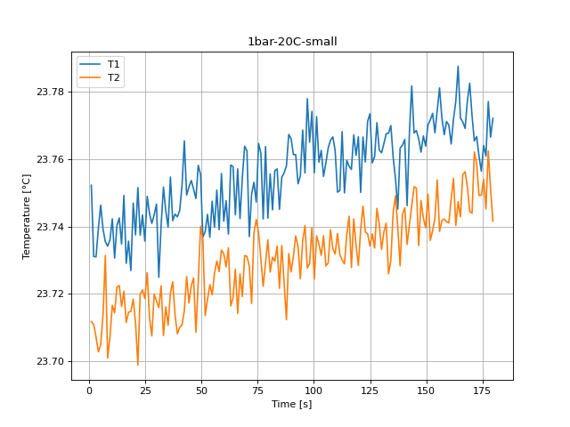
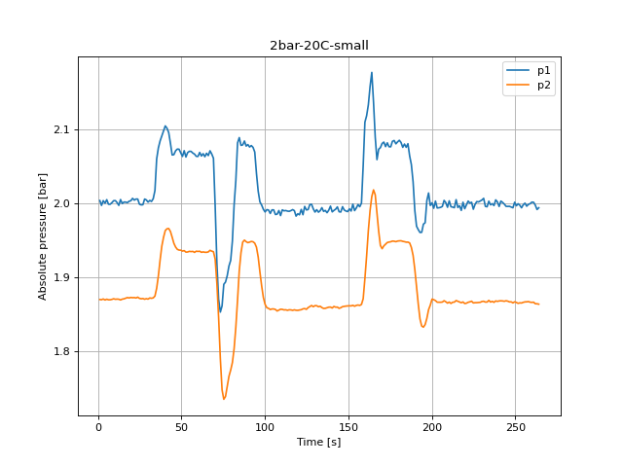
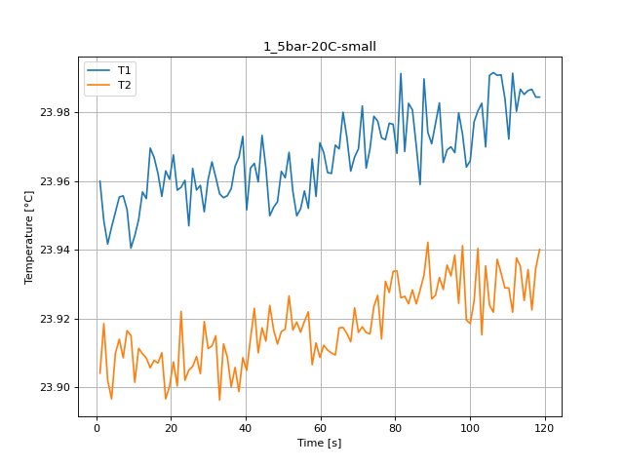
14.483 | 23.734779 | 23.716274 | 1.079701 | 0.949158 | 917.099981 | 0.095167 | 14.457 | 23.900978 | 23.873267 | 1.968227 | 1.831583 | 913.503973 | -2.752718 | 14.474 | 23.96959 | 23.905639 | 1.46059 | 1.326113 | 912.025783 | -1.52174 | 14.505 | 33.123765 | 32.952874 | 1.114483 | 0.978432 | 745.032763 | -3.012222 | 14.437 | 31.962921 | 31.801442 | 1.563315 | 1.427029 | 763.184479 | 0.853716 | 14.465 | 31.101283 | 30.949523 | 1.999537
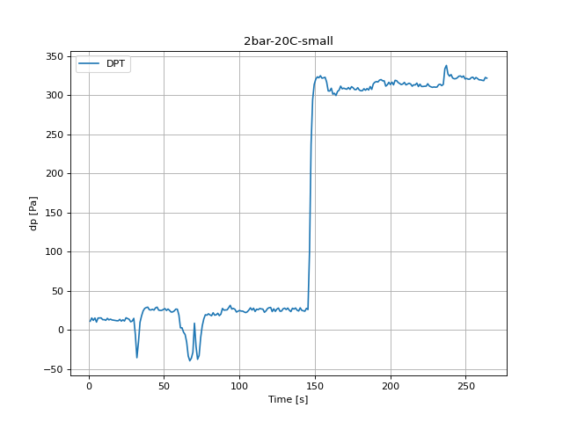
15.516 | 23.749182 | 23.720786 | 1.081554 | 0.949458 | 916.787483 | -0.08449 | 15.519 | 23.89913 | 23.879816 | 1.960874 | 1.828533 | 913.543839 | 0.181668 | 15.51 | 23.966858 | 23.907793 | 1.456719 | 1.323884 | 912.084581 | 0.867023 | 15.537 | 33.129697 | 32.949053 | 1.114916 | 0.97882 | 744.942008 | -2.885797 | 15.467 | 31.965396 | 31.805409 | 1.559389 | 1.426807 | 763.144949 | 1.346107 | 15.496 | 31.098855 | 30.947453 | 2.001611
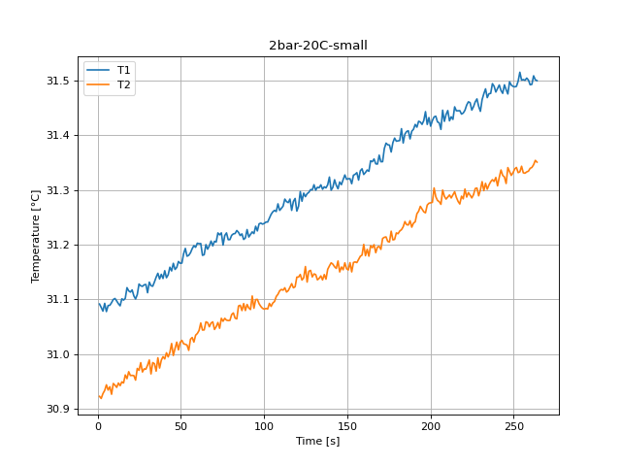
16.547 | 23.729043 | 23.711563 | 1.075376 | 0.948072 | 917.224495 | 3.002937 | 16.552 | 23.896558 | 23.86229 | 1.958156 | 1.830252 | 913.599306 | -0.716614 | 16.542 | 23.962191 | 23.906999 | 1.461122 | 1.325846 | 912.185008 | -1.242274 | 16.567 | 33.132992 | 32.951043 | 1.109947 | 0.979308 | 744.891607 | 1.545725 | 16.53 | 31.974581 | 31.802136 | 1.554864 | 1.426896 | 762.998224 | 5.850822 | 16.525 | 31.1021 | 30.962143 | 2.001533
17.579 | 23.735654 | 23.714556 | 1.083872 | 0.94928 | 917.080997 | -0.397225 | 17.581 | 23.893364 | 23.863044 | 1.96866 | 1.830995 | 913.66824 | -3.651 | 17.575 | 23.955518 | 23.910001 | 1.459603 | 1.32466 | 912.328658 | -0.942847 | 17.597 | 33.108116 | 32.949421 | 1.115104 | 0.978199 | 745.272266 | -1.89436 | 17.56 | 31.982244 | 31.786629 | 1.561141 | 1.426586 | 762.87585 | 4.57992 | 17.557 | 31.121578 | 30.955338 | 2.000813
18.612 | 23.72692 | 23.714861 | 1.076274 | 0.948925 | 917.270579 | 0.228246 | 18.613 | 23.903202 | 23.867782 | 1.969935 | 1.831638 | 913.456003 | -2.679525 | 18.607 | 23.962943 | 23.896574 | 1.453248 | 1.32354 | 912.168831 | 2.244388 | 18.7 | 33.137006 | 32.95451 | 1.110623 | 0.978332 | 744.83021 | 1.226336 | 18.59 | 31.98082 | 31.799715 | 1.559988 | 1.425732 | 762.898592 | 4.586574 | 18.588 | 31.115704 | 30.968043 | 2.002698
19.667 | 23.746916 | 23.718473 | 1.079069 | 0.948571 | 916.836647 | 0.567596 | 19.672 | 23.890816 | 23.874747 | 1.962948 | 1.831128 | 913.723213 | 1.126527 | 19.639 | 23.960487 | 23.900208 | 1.462764 | 1.326201 | 912.221689 | -1.428585 | 19.731 | 33.128683 | 32.960455 | 1.110823 | 0.978243 | 744.957518 | 1.226336 | 19.62 | 31.984153 | 31.802942 | 1.560066 | 1.427151 | 762.845364 | 1.585649 | 19.619 | 31.113495 | 30.960999 | 2.003408
20.696 | 23.737477 | 23.711357 | 1.082763 | 0.949591 | 917.041445 | -1.04931 | 20.702 | 23.896404 | 23.876175 | 1.966674 | 1.831117 | 913.602629 | -3.165262 | 20.67 | 23.967607 | 23.907357 | 1.458649 | 1.324449 | 912.068463 | 0.095167 | 20.762 | 33.100148 | 32.957382 | 1.109071 | 0.978665 | 745.394268 | -3.551191 | 20.654 | 31.972127 | 31.819437 | 1.561286 | 1.42602 | 763.037411 | 2.48393 | 20.65 | 31.117411 | 30.961336 | 2.006613
21.728 | 23.751514 | 23.698933 | 1.074256 | 0.948748 | 916.736909 | 1.818536 | 21.735 | 23.892322 | 23.861473 | 1.961484 | 1.831184 | 913.690713 | 0.973486 | 21.704 | 23.957342 | 23.900322 | 1.454678 | 1.324782 | 912.289385 | 2.064732 | 21.794 | 33.122538 | 32.953069 | 1.106109 | 0.978543 | 745.051528 | -3.418112 | 21.685 | 31.976642 | 31.802323 | 1.556417 | 1.426974 | 762.965311 | 5.983901 | 21.683 | 31.106584 | 30.960844 | 2.00424
22.758 | 23.737383 | 23.719893 | 1.082574 | 0.949369 | 917.043485 | -0.783153 | 22.766 | 23.899579 | 23.879816 | 1.960208 | 1.829299 | 913.534153 | 1.133181 | 22.734 | 23.958156 | 23.922055 | 1.452394 | 1.325425 | 912.271857 | 1.818536 | 22.852 | 33.116194 | 32.951806 | 1.112808 | 0.978288 | 745.148617 | 0.341362 | 22.718 | 31.974255 | 31.797958 | 1.554476 | 1.426164 | 763.003429 | 5.817552 | 22.714 | 31.10092 | 30.952656 | 2.005659
23.788 | 23.743373 | 23.721212 | 1.076574 | 0.948471 | 916.913515 | 3.215863 | 23.797 | 23.909508 | 23.874042 | 1.95819 | 1.82992 | 913.319998 | 0.800484 | 23.763 | 23.9602 | 23.901996 | 1.457873 | 1.324372 | 912.227869 | 0.487749 | 23.885 | 33.130043 | 32.941502 | 1.109703 | 0.978033 | 744.936721 | -2.965644 | 23.75 | 31.974709 | 31.802783 | 1.558224 | 1.42714 | 762.996174 | 5.152159 | 23.745 | 31.109093 | 30.973994 | 2.005648
24.819 | 23.735662 | 23.718648 | 1.0743 | 0.948903 | 917.080827 | 2.982975 | 24.827 | 23.912468 | 23.874841 | 1.961051 | 1.830485 | 913.256172 | -2.120594 | 24.796 | 23.946947 | 23.904919 | 1.462453 | 1.325325 | 912.513206 | -1.036002 | 24.918 | 33.136774 | 32.93725 | 1.113707 | 0.978532 | 744.833773 | -0.250838 | 24.779 | 31.975133 | 31.792849 | 1.56103 | 1.427428 | 762.989411 | 3.794756 | 24.776 | 31.128201 | 30.970579 | 1.998694
25.88 | 23.74889 | 23.726317 | 1.084493 | 0.949968 | 916.793827 | -0.217568 | 25.857 | 23.90003 | 23.888529 | 1.957901 | 1.828611 | 913.524412 | 1.033372 | 25.827 | 23.963655 | 23.90601 | 1.457107 | 1.324471 | 912.153496 | -0.257492 | 25.951 | 33.127984 | 32.947326 | 1.113817 | 0.977911 | 744.96821 | -0.01795 | 25.813 | 31.990246 | 31.804444 | 1.561563 | 1.427295 | 762.748105 | 1.193066 | 25.81 | 31.125075
26.911 | 23.74378 | 23.712877 | 1.081653 | 0.949702 | 916.904678 | -0.111105 | 26.924 | 23.909179 | 23.877198 | 1.965632 | 1.829299 | 913.32709 | -2.706141 | 26.859 | 23.957365 | 23.908887 | 1.459037 | 1.325924 | 912.28888 | -0.989425 | 26.983 | 33.122318 | 32.9481 | 1.111899 | 0.9777 | 745.054897 | 1.093257 | 26.847 | 31.984028 | 31.794018 | 1.562494 | 1.427717 | 762.847372 | 1.19972 | 26.839 | 31.123972
27.941 | 23.74091 | 23.707566 | 1.081088 | 0.949813 | 916.966938 | -0.077836 | 27.954 | 23.908894 | 23.871836 | 1.961428 | 1.829443 | 913.333225 | -0.836384 | 27.89 | 23.958723 | 23.903888 | 1.451795 | 1.323285 | 912.259666 | 2.071386 | 28.014 | 33.132127 | 32.960714
28.975 | 23.743443 | 23.719943 | 1.077195 | 0.948471 | 916.911986 | 1.499147 | 28.986 | 23.903697 | 23.871173 | 1.968094 | 1.831039 | 913.445306 | -2.413367 | 28.92 | 23.951049 | 23.919097 | 1.458416 | 1.32476 | 912.424858 | -0.729921 | 29.045 | 33.144436 | 32.949969
30.007 | 23.746592 | 23.717979 | 1.083883 | 0.950034 | 916.84367 | -4.02362 | 30.016 | 23.91424 | 23.890056 | 1.958988 | 1.829842 | 913.217959 | 1.678804 | 29.953 | 23.960414 | 23.91121 | 1.459891 | 1.325004 | 912.223262 | -0.882962 | 30.073 | 33.11792 | 32.953445
31.039 | 23.724935 | 23.715958 | 1.094608 | 0.951975 | 917.313662 | -0.503688 | 31.049 | 23.906172 | 23.876929 | 1.961062 | 1.829487 | 913.391937 | -31.703997 | 30.986 | 23.96556 | 23.91198 | 1.457828 | 1.323917 | 912.112495 | 0.208284 | 31.107 | 33.11795 | 32.947588
32.071 | 23.740438 | 23.722397 | 1.097791 | 0.955911 | 916.977193 | 1.139835 | 32.121 | 23.906503 | 23.872732 | 1.961706 | 1.829687 | 913.384787 | -38.457743 | 32.014 | 23.961048 | 23.91495 | 1.455632 | 1.322442 | 912.209612 | 20.875412 | 32.137 | 33.124745 | 32.948195
33.104 | 23.751647 | 23.707691 | 1.103592 | 0.961223 | 916.73402 | 0.740599 | 33.154 | 23.921376 | 23.884468 | 1.958345 | 1.83064 | 913.064121 | -16.326749 | 33.047 | 23.95623 | 23.896204 | 1.462908 | 1.324638 | 912.31332 | 14.680596 | 33.17 | 33.141989 | 32.95031
34.136 | 23.744634 | 23.716198 | 1.100109 | 0.96517 | 916.886154 | 3.861295 | 34.185 | 23.906744 | 23.868902 | 1.965066 | 1.830341 | 913.379608 | -9.207037 | 34.078 | 23.955142 | 23.912585 | 1.452083 | 1.324117 | 912.336749 | 12.205332 | 34.201 | 33.124802 | 32.960481
35.167 | 23.739767 | 23.71073 | 1.09097 | 0.96568 | 916.991754 | 2.48393 | 35.217 | 23.905535 | 23.885569 | 1.964789 | 1.830651 | 913.405673 | -3.537883 | 35.111 | 23.955739 | 23.908691 | 1.458438 | 1.324494 | 912.323882 | 8.099853 | 35.231 | 33.145214 | 32.950733
36.199 | 23.754624 | 23.720277 | 1.092545 | 0.965858 | 916.669464 | -2.060709 | 36.248 | 23.921929 | 23.860457 | 1.959055 | 1.829631 | 913.052193 | 3.628407 | 36.142 | 23.957744 | 23.900046 | 1.455056 | 1.323074 | 912.280733 | 10.109342 | 36.261 | 33.147234 | 32.948709
37.227 | 23.74172 | 23.723565 | 1.088364 | 0.962365 | 916.949376 | 1.938307 | 37.282 | 23.914658 | 23.883953 | 1.962471 | 1.830452 | 913.208955 | -0.430494 | 37.173 | 23.964274 | 23.905718 | 1.460989 | 1.32507 | 912.140184 | 6.888836 | 37.291 | 33.146454 | 32.959976
38.258 | 23.743629 | 23.713791 | 1.079713 | 0.957053 | 916.907963 | 0.600866 | 38.312 | 23.895209 | 23.882844 | 1.967628 | 1.832137 | 913.628422 | 0.041935 | 38.206 | 23.966868 | 23.898701 | 1.455355 | 1.323351 | 912.084357 | 9.909724 | 38.32 | 33.137449 | 32.964835
39.291 | 23.742835 | 23.70821 | 1.083495 | 0.954403 | 916.925185 | -1.169081 | 39.343 | 23.900876 | 23.869839 | 1.958256 | 1.829953 | 913.506169 | 3.195901 | 39.236 | 23.972998 | 23.908568 | 1.453314 | 1.323507 | 911.952448 | 10.721504 | 39.353 | 33.147007 | 32.968225
 | 23.744728 | 23.710109 | 1.075354 | 0.951465 | 916.884115 | 1.405992 | 40.372 | 23.899451 | 23.881779 | 1.962482 | 1.829498 | 913.536913 | 2.73678 | 40.272 | 23.951592 | 23.904872 | 1.45388
 | 23.75201 | 23.710814 | 1.076485 | 0.949081 | 916.726149 | 0.966833 | 41.425 | 23.907091 | 23.875339 | 1.969247 | 1.83145 | 913.372122 | 2.33089 | 41.302 | 23.96377 | 23.914102
 | 23.76535 | 23.715021 | 1.078071 | 0.94867 | 916.436896 | 1.193066 | 42.455 | 23.906203 | 23.883719 | 1.962449 | 1.83003 | 913.391261 | 7.421151 | 42.33 | 23.96513 | 23.922937
 |  |  | 1.074522 | 0.948426 | 916.785331 | 2.783357 | 43.485 | 23.889949 | 23.88175 | 1.968726 | 1.831649 | 913.741914 | 3.575176 | 43.359 | 23.959746 | 23.909988
...

2022-05-27
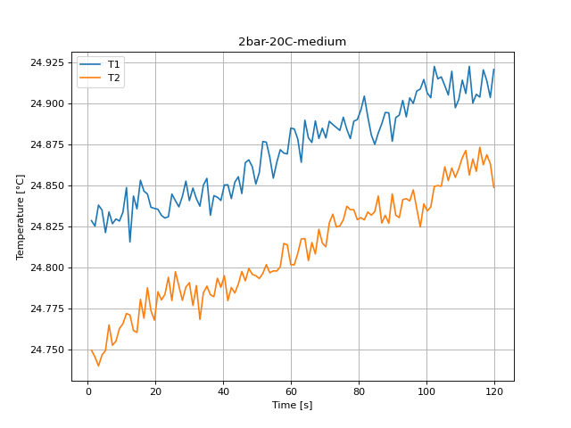
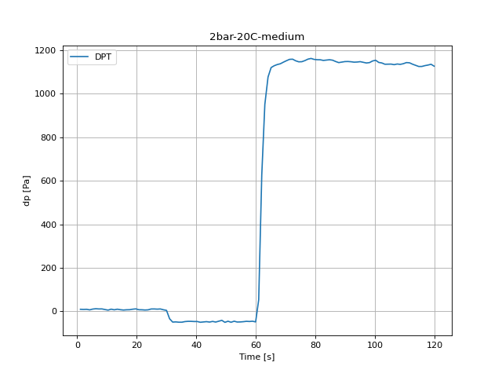
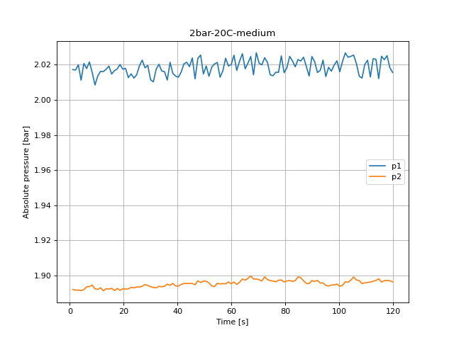
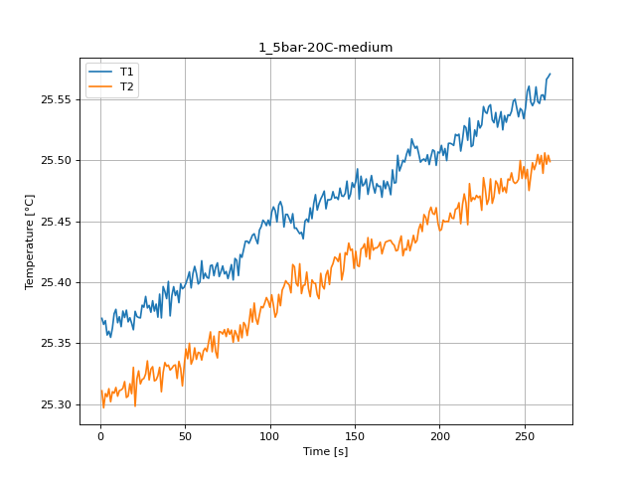
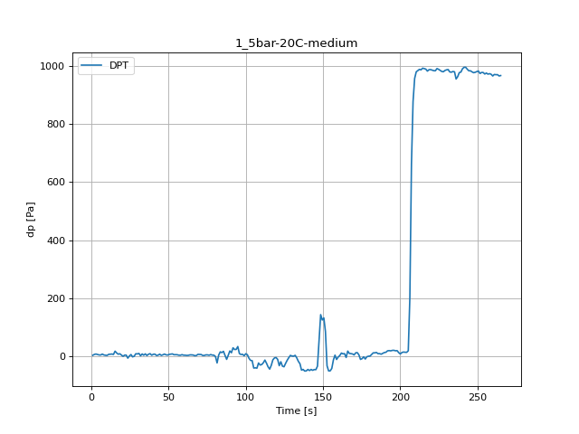
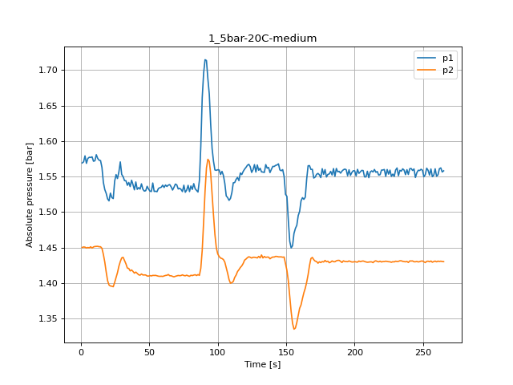
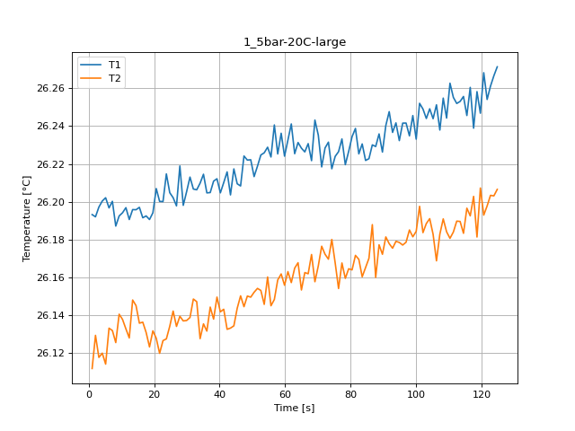
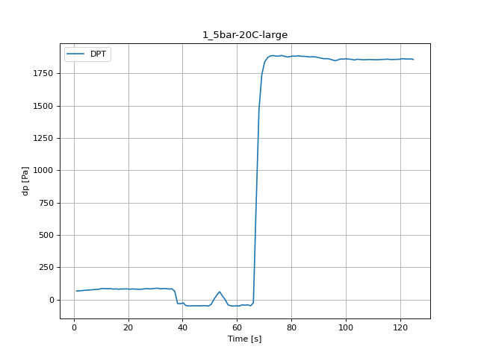
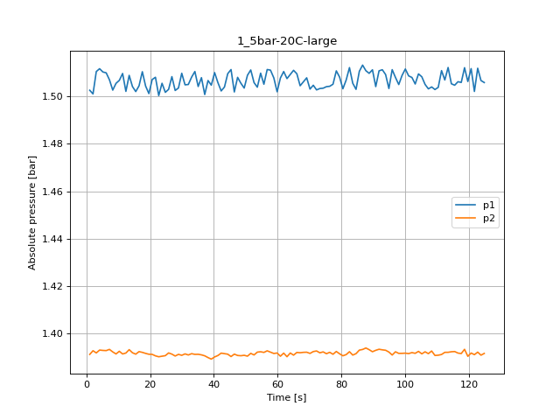
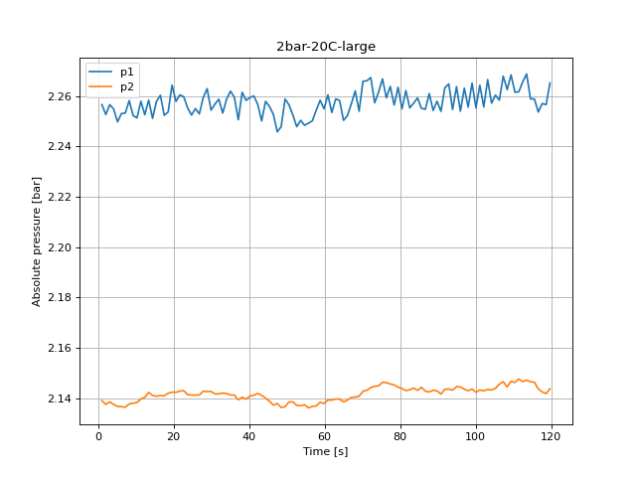
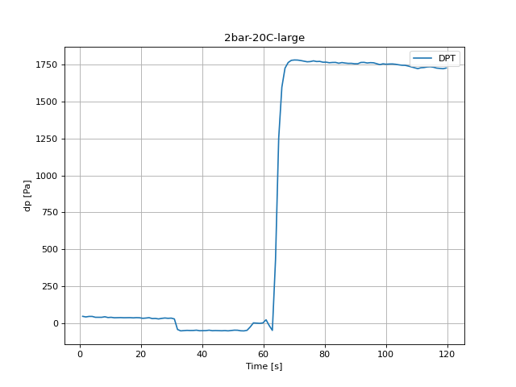
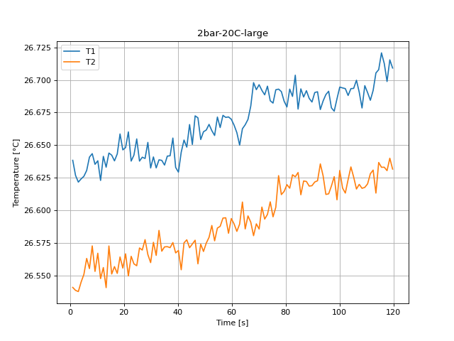
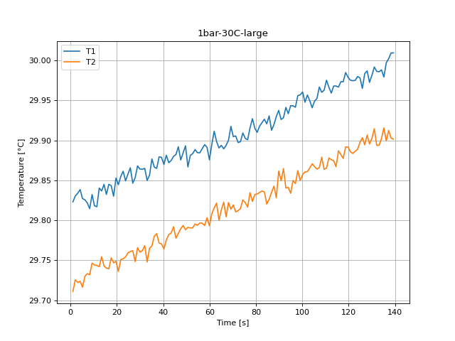
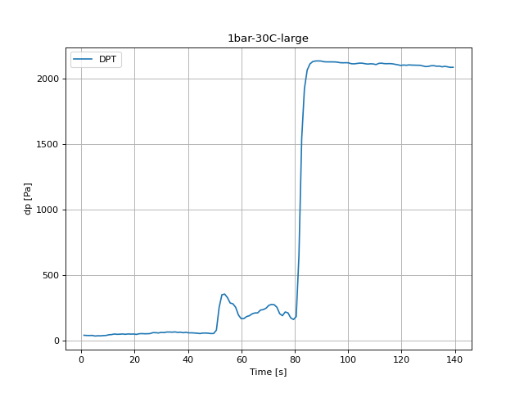
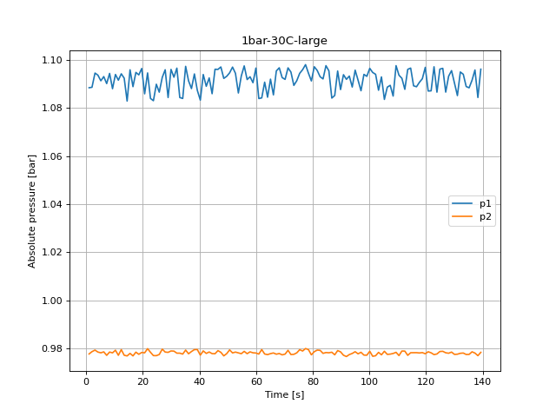
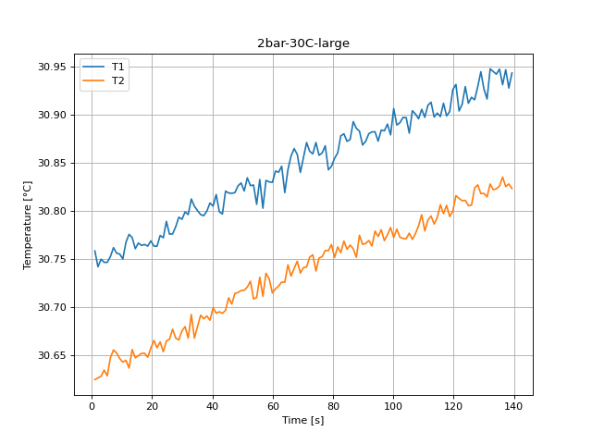
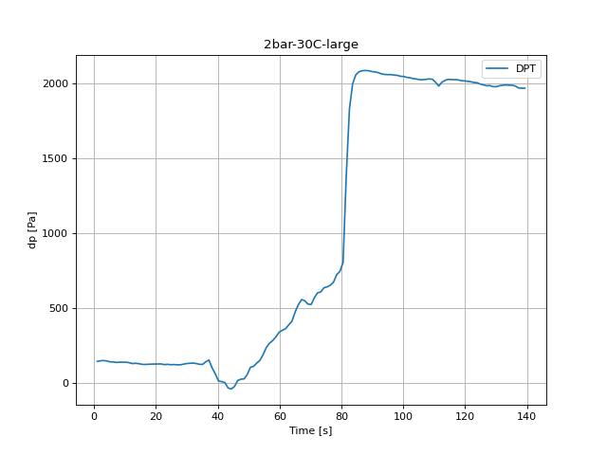
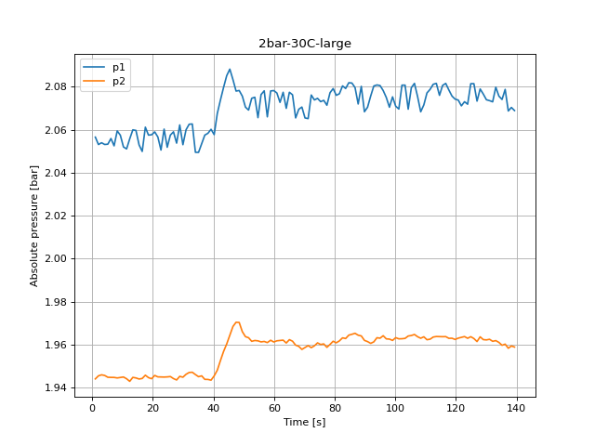
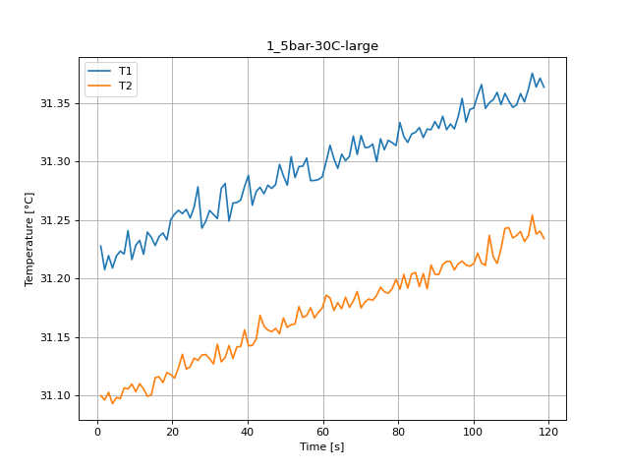
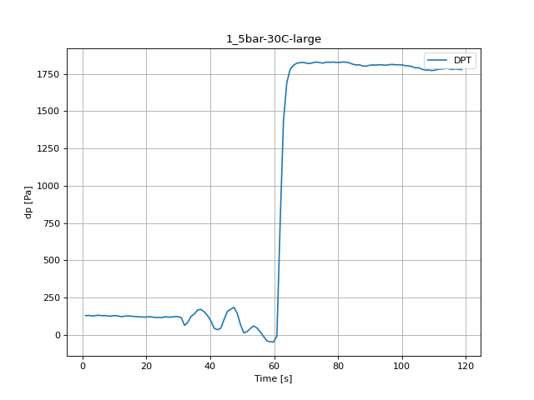

Time from start [s] | Temperature 2 [°C] | Temperature 3 [°C] | pressure 1 [bar] | pressure 2 [bar] | Viscosity [uPa-s] | dp [mbar] | Time from start [s] | Temperature 2 [°C] | Temperature 3 [°C] | pressure 1 [bar] | pressure 2 [bar] | Viscosity [uPa-s] | dp [mbar] | Time from start [s] | Temperature 2 [°C] | Temperature 3 [°C] | pressure 1 [bar] | pressure 2 [bar] | Viscosity [uPa-s] | dp [mbar] | Time from start [s] | Temperature 2 [°C] | Temperature 3 [°C] | pressure 1 [bar] | pressure 2 [bar] | Viscosity [uPa-s] | dp [mbar] | Time from start [s] | Temperature 2 [°C] | Temperature 3 [°C] | pressure 1 [bar] | pressure 2 [bar] | Viscosity [uPa-s] | dp [mbar] | Time from start [s] | Temperature 2 [°C] | Temperature 3 [°C] | pressure 1 [bar] | pressure 2 [bar] | Viscosity [uPa-s] | dp [mbar] | Time from start [s] | Temperature 2 [°C] | Temperature 3 [°C] | pressure 1 [bar] | pressure 2 [bar] | Viscosity [uPa-s] | dp [mbar]
1.085 | 24.828747 | 24.749865 | 2.017227 | 1.892093 | 893.827684 | 9.49718 | 1.03 | 25.370284 | 25.310842 | 1.569193 | 1.450127 | 882.649335 | 3.621753 | 1.03 | 26.193168 | 26.111691 | 1.502603 | 1.391313 | 866.085913 | 67.379777 | 1.036 | 26.638332 | 26.540726 | 2.256616 | 2.138934 | 857.333792 | 48.076706 | 1.035 | 29.823142 | 29.710992 | 1.088375 | 0.977645 | 798.781477 | 37.916144 | 1.026 | 30.758107 | 30.624195 | 2.056556 | 1.94402 | 782.87598 | 144.319253 | 1.04 | 31.227627 | 31.09973 | 1.605317 | 1.485854 | 775.096303 | 129.381164
2.119 | 24.825421 | 24.745655 | 2.016895 | 1.891627 | 893.897046 | 8.871709 | 2.057 | 25.365348 | 25.296879 | 1.570757 | 1.450825 | 882.750224 | 6.635987 | 2.058 | 26.191994 | 26.129243 | 1.501061 | 1.392865 | 866.109189 | 67.838899 | 2.07 | 26.626741 | 26.538465 | 2.25269 | 2.137449 | 857.559836 | 43.917995 | 2.06 | 29.83051 | 29.72568 | 1.088563 | 0.978609 | 798.653946 | 36.372431 | 2.053 | 30.741642 | 30.625945 | 2.053107 | 1.945451 | 783.151278 | 148.331577 | 2.073 | 31.20738 | 31.095983 | 1.602711 | 1.485421 | 775.428977 | 131.091226
3.15 | 24.838212 | 24.74024 | 2.019945 | 1.891738 | 893.6304 | 9.483872 | 3.087 | 25.368429 | 25.308557 | 1.579209 | 1.45057 | 882.687252 | 7.96012 | 3.091 | 26.197143 | 26.117563 | 1.510478 | 1.391945 | 866.007133 | 70.041352 | 3.109 | 26.621587 | 26.537546 | 2.256639 | 2.138491 | 857.660389 | 47.471197 | 3.121 | 29.834013 | 29.722346 | 1.094475 | 0.979241 | 798.593317 | 35.986502 | 3.085 | 30.74949 | 30.627711 | 2.053928 | 1.945917 | 783.020038 | 149.748866 | 3.105 | 31.219502 | 31.102532 | 1.596178 | 1.48317 | 775.229771 | 126.61978
4.182 | 24.835218 | 24.746833 | 2.01116 | 1.891394 | 893.692786 | 6.915452 | 4.118 | 25.356612 | 25.306053 | 1.568639 | 1.449361 | 882.92881 | 6.363175 | 4.126 | 26.200335 | 26.119813 | 1.511675 | 1.393143 | 865.94386 | 72.290383 | 4.141 | 26.624066 | 26.544848 | 2.254897 | 2.137437 | 857.612034 | 47.42462 | 4.153 | 29.838504 | 29.723803 | 1.093599 | 0.978432 | 798.515614 | 36.87813 | 4.116 | 30.74623 | 30.63415 | 2.053129 | 1.945617 | 783.074551 | 147.65953 | 4.148 | 31.208817 | 31.092929 | 1.605073 | 1.484623 | 775.40536 | 129.301316
5.211 | 24.821487 | 24.74966 | 2.020699 | 1.892015 | 893.979076 | 10.468654 | 5.152 | 25.359717 | 25.312593 | 1.575471 | 1.45006 | 882.865338 | 4.792846 | 5.16 | 26.202094 | 26.114014 | 1.5103 | 1.392998 | 865.909009 | 73.780864 | 5.174 | 26.626062 | 26.550737 | 2.249773 | 2.136672 | 857.5731 | 41.54254 | 5.184 | 29.827249 | 29.716454 | 1.091258 | 0.978121 | 798.710389 | 32.140527 | 5.147 | 30.746199 | 30.628061 | 2.053262 | 1.944786 | 783.075068 | 141.664332 | 5.178 | 31.219063 | 31.098035 | 1.599616 | 1.485177 | 775.236993 | 132.109278
6.246 | 24.834046 | 24.765235 | 2.01776 | 1.89359 | 893.717222 | 12.012368 | 6.186 | 25.354712 | 25.301889 | 1.577179 | 1.449561 | 882.967652 | 4.719653 | 6.191 | 26.196709 | 26.133037 | 1.509945 | 1.392921 | 866.015731 | 75.457657 | 6.204 | 26.630525 | 26.562992 | 2.253089 | 2.136562 | 857.486029 | 41.562501 | 6.218 | 29.825779 | 29.730066 | 1.093011 | 0.97851 | 798.735824 | 33.90382 | 6.18 | 30.752194 | 30.647018 | 2.055902 | 1.944719 | 782.974824 | 140.925745 | 6.212 | 31.223299 | 31.097223 | 1.593195 | 1.484945 | 775.167402 | 128.755694
7.275 | 24.826903 | 24.752831 | 2.021564 | 1.893712 | 893.866139 | 11.027585 | 7.219 | 25.362217 | 25.31009 | 1.576979 | 1.451102 | 882.814214 | 7.820387 | 7.221 | 26.200192 | 26.131782 | 1.506995 | 1.393431 | 865.946691 | 77.507069 | 7.233 | 26.640771 | 26.555189 | 2.2533 | 2.136351 | 857.286227 | 41.429423 | 7.247 | 29.82176 | 29.733384 | 1.090094 | 0.977068 | 798.805398 | 33.458006 | 7.212 | 30.761511 | 30.655119 | 2.052497 | 1.944708 | 782.819084 | 137.41912 | 7.242 | 31.220854 | 31.106376 | 1.598418 | 1.486242 | 775.207559 | 130.059865
8.306 | 24.829766 | 24.755337 | 2.015553 | 1.894499 | 893.806447 | 11.187279 | 8.249 | 25.374044 | 25.308903 | 1.577778 | 1.449284 | 882.572497 | 4.693037 | 8.252 | 26.18709 | 26.125411 | 1.502658 | 1.392366 | 866.206424 | 78.704778 | 8.265 | 26.643434 | 26.572608 | 2.258258 | 2.137648 | 857.234317 | 45.168935 | 8.277 | 29.814686 | 29.732126 | 1.094331 | 0.978432 | 798.927884 | 35.460841 | 8.242 | 30.755758 | 30.651905 | 2.05944 | 1.944464 | 782.915248 | 139.235645 | 8.271 | 31.240826 | 31.105401 | 1.599527 | 1.484778 | 774.879576 | 125.92777
9.338 | 24.828526 | 24.763068 | 2.008399 | 1.892426 | 893.8323 | 8.259547 | 9.282 | 25.377682 | 25.313611 | 1.571634 | 1.450881 | 882.498169 | 3.721562 | 9.285 | 26.192446 | 26.140433 | 1.50552 | 1.391513 | 866.100228 | 80.707613 | 9.295 | 26.635267 | 26.553011 | 2.25228 | 2.137903 | 857.393558 | 39.918979 | 9.309 | 29.832327 | 29.746516 | 1.087964 | 0.978099 | 798.622493 | 36.425662 | 9.274 | 30.754806 | 30.646094 | 2.057443 | 1.944664 | 782.931163 | 139.202375 | 9.304 | 31.21604 | 31.109708 | 1.595058 | 1.484379 | 775.286659 | 127.152095
10.37 | 24.83395 | 24.765999 | 2.013567 | 1.892104 | 893.719231 | 5.751013 | 10.313 | 25.36669 | 25.306449 | 1.572266 | 1.451502 | 882.722779 | 3.262441 | 10.317 | 26.194127 | 26.137692 | 1.506762 | 1.392633 | 866.066912 | 86.5165 | 10.327 | 26.637971 | 26.566989 | 2.251359 | 2.138225 | 857.340826 | 41.416115 | 10.339 | 29.81828 | 29.744188 | 1.093887 | 0.979197 | 798.865655 | 41.569155 | 10.305 | 30.749716 | 30.642447 | 2.051987 | 1.944907 | 783.016252 | 139.209029 | 10.336 | 31.228386 | 31.102987 | 1.604263 | 1.48531 | 775.083849 | 129.647321
11.403 | 24.848905 | 24.772176 | 2.01624 | 1.893002 | 893.407572 | 10.062764 | 11.342 | 25.371611 | 25.311045 | 1.58085 | 1.451612 | 882.622214 | 6.848913 | 11.348 | 26.196836 | 26.13267 | 1.509668 | 1.391502 | 866.013208 | 85.644834 | 11.356 | 26.622877 | 26.547498 | 2.257992 | 2.139611 | 857.635224 | 38.255495 | 11.369 | 29.817076 | 29.743688 | 1.091513 | 0.97709 | 798.886501 | 43.106215 | 11.337 | 30.767099 | 30.644256 | 2.051066 | 1.944087 | 782.725693 | 135.76229 | 11.365 | 31.232503 | 31.109908 | 1.605361 | 1.485421 | 775.016225 | 126.173966
12.432 | 24.815737 | 24.771306 | 2.016063 | 1.89135 | 894.098993 | 7.14834 | 12.373 | 25.363459 | 25.31155 | 1.575593 | 1.451757 | 882.788841 | 7.228187 | 12.378 | 26.19056 | 26.127882 | 1.502126 | 1.391901 | 866.137616 | 84.473741 | 12.386 | 26.641374 | 26.555983 | 2.252635 | 2.140254 | 857.274489 | 38.920888 | 12.4 | 29.840484 | 29.742076 | 1.094164 | 0.979441 | 798.481362 | 47.477851 | 12.368 | 30.775322 | 30.636175 | 2.055746 | 1.942889 | 782.588311 | 129.933441 | 12.394 | 31.220548 | 31.105458 | 1.605938 | 1.486342 | 775.212584 | 122.421145
13.467 | 24.843768 | 24.761786 | 2.017383 | 1.892492 | 893.514605 | 9.90307 | 13.405 | 25.376259 | 25.312919 | 1.573031 | 1.451136 | 882.527251 | 7.873619 | 13.409 | 26.19581 | 26.147946 | 1.508869 | 1.39332 | 866.033546 | 85.085904 | 13.42 | 26.63304 | 26.540544 | 2.258435 | 2.142239 | 857.436982 | 39.386664 | 13.43 | 29.836826 | 29.754439 | 1.092356 | 0.977101 | 798.544651 | 45.228821 | 13.399 | 30.772003 | 30.655472 | 2.059939 | 1.94473 | 782.643757 | 131.683426 | 13.427 | 31.239546 | 31.099187 | 1.608511 | 1.487251 | 774.90059 | 126.227197
14.5 | 24.83594 | 24.760629 | 2.019179 | 1.892237 | 893.677746 | 7.567538 | 14.436 | 25.370981 | 25.318418 | 1.572554 | 1.451136 | 882.635083 | 6.589409 | 14.439 | 26.195745 | 26.145013 | 1.504156 | 1.392012 | 866.034833 | 81.945245 | 14.451 | 26.643904 | 26.572564 | 2.251171 | 2.141019 | 857.225159 | 38.408535 | 14.46 | 29.844979 | 29.742922 | 1.082818 | 0.976824 | 798.403589 | 45.934138 | 14.428 | 30.760427 | 30.646964 | 2.059662 | 1.944464 | 782.837188 | 129.454357 | 14.46 | 31.235061 | 31.100331 | 1.597343 | 1.486408 | 774.97423 | 127.198672
15.53 | 24.853386 | 24.780805 | 2.014676 | 1.892714 | 893.314235 | 6.110326 | 15.468 | 25.377021 | 25.305369 | 1.562894 | 1.448896 | 882.511673 | 17.827908 | 15.469 | 26.19701 | 26.135686 | 1.502037 | 1.391424 | 866.009758 | 83.089722 | 15.481 | 26.642295 | 26.551012 | 2.257914 | 2.140698 | 857.256527 | 38.887619 | 15.494 | 29.832441 | 29.740312 | 1.095839 | 0.977878 | 798.62053 | 47.810548 | 15.462 | 30.766304 | 30.649012 | 2.052918 | 1.943965 | 782.738978 | 124.783293 | 15.492 | 31.228072 | 31.115066 | 1.600149 | 1.488127 | 775.088999 | 125.169221
16.562 | 24.846735 | 24.769321 | 2.016562 | 1.891494 | 893.452782 | 7.241495 | 16.503 | 25.367419 | 25.30648 | 1.54181 | 1.440402 | 882.707888 | 11.659709 | 16.504 | 26.191488 | 26.136222 | 1.504466 | 1.392488 | 866.119231 | 80.754191 | 16.515 | 26.637912 | 26.556713 | 2.260365 | 2.140975 | 857.34199 | 39.014044 | 16.525 | 29.845116 | 29.739454 | 1.088818 | 0.976835 | 798.401226 | 45.195551 | 16.491 | 30.763847 | 30.651467 | 2.04989 | 1.94422 | 782.780039 | 123.978167 | 16.523 | 31.235724 | 31.115858 | 1.605872 | 1.488304 | 774.963341 | 123.339389
17.591 | 24.845016 | 24.787871 | 2.017571 | 1.892625 | 893.488605 | 7.534268 | 17.534 | 25.370799 | 25.316656 | 1.531728 | 1.429546 | 882.638805 | 7.341304 | 17.535 | 26.192454 | 26.13074 | 1.510411 | 1.392178 | 866.100074 | 82.623947 | 17.546 | 26.643239 | 26.55149 | 2.252391 | 2.140853 | 857.238111 | 37.72318 | 17.555 | 29.843466 | 29.75306 | 1.094741 | 0.978388 | 798.429765 | 47.990205 | 17.523 | 30.764783 | 30.651596 | 2.061181 | 1.945739 | 782.764388 | 125.382147 | 17.555 | 31.238778 | 31.110896 | 1.609155 | 1.489413 | 774.913207 | 121.995293
18.624 | 24.836904 | 24.773943 | 2.020111 | 1.891572 | 893.657656 | 9.923031 | 18.565 | 25.366311 | 25.308492 | 1.526426 | 1.415608 | 882.730545 | 8.938249 | 18.564 | 26.19056 | 26.123112 | 1.504366 | 1.391745 | 866.137616 | 82.76368 | 18.577 | 26.658559 | 26.564118 | 2.253699 | 2.141895 | 856.939549 | 38.994082 | 18.587 | 29.83019 | 29.746918 | 1.093721 | 0.977501 | 798.659478 | 46.719303 | 18.555 | 30.763088 | 30.647468 | 2.057499 | 1.944619 | 782.792724 | 126.21389 | 18.584 | 31.232838 | 31.119354 | 1.608833 | 1.490189 | 775.010738 | 120.178768
19.658 | 24.836214 | 24.768127 | 2.017427 | 1.892459 | 893.672044 | 11.406859 | 19.597 | 25.360927 | 25.330108 | 1.518507 | 1.403322 | 882.8406 | 4.347032 | 19.594 | 26.194106 | 26.131639 | 1.501194 | 1.39138 | 866.067324 | 83.063107 | 19.61 | 26.646354 | 26.555573 | 2.264436 | 2.142339 | 857.177403 | 38.308726 | 19.617 | 29.852996 | 29.748803 | 1.096382 | 0.978266 | 798.264936 | 47.378042 | 19.587 | 30.768529 | 30.656879 | 2.057643 | 1.944109 | 782.70179 | 126.879283 | 19.615 | 31.250174 | 31.117776 | 1.60636 | 1.488859 | 774.726142 | 118.934482
20.69 | 24.835669 | 24.78537 | 2.017882 | 1.892304 | 893.683393 | 7.467729 | 20.628 | 25.376061 | 25.298155 | 1.515768 | 1.397245 | 882.531291 | 0.254861 | 20.625 | 26.206946 | 26.127687 | 1.507117 | 1.391335 | 865.812861 | 80.867308 | 20.639 | 26.648113 | 26.566529 | 2.257881 | 2.14225 | 857.143106 | 34.622445 | 20.652 | 29.844683 | 29.7362 | 1.085835 | 0.97811 | 798.408717 | 44.503542 | 20.62 | 30.763078 | 30.664888 | 2.058985 | 1.945639 | 782.792896 | 127.378329 | 20.647 | 31.255032 | 31.114616 | 1.605628 | 1.489568 | 774.646432 | 122.474377
21.719 | 24.831952 | 24.78048 | 2.012625 | 1.892337 | 893.760882 | 7.194917 | 21.657 | 25.371845 | 25.320624 | 1.526682 | 1.395837 | 882.617428 | 4.17403 | 21.653 | 26.200146 | 26.119722 | 1.508071 | 1.390703 | 865.947618 | 82.703794 | 21.67 | 26.660142 | 26.549546 | 2.26052 | 2.14276 | 856.908707 | 36.352469 | 21.684 | 29.854907 | 29.750951 | 1.094541 | 0.979851 | 798.231906 | 49.314338 | 21.649 | 30.763023 | 30.657291 | 2.056634 | 1.944963 | 782.793799 | 127.531369 | 21.677 | 31.258196 | 31.123723 | 1.607568 | 1.488681 | 774.594522 | 120.63789
22.75 | 24.830357 | 24.783804 | 2.014798 | 1.89329 | 893.794119 | 6.223443 | 22.687 | 25.370974 | 25.32718 | 1.520437 | 1.395582 | 882.635242 | 4.2073 | 22.684 | 26.200052 | 26.126469 | 1.500351 | 1.390326 | 865.949471 | 81.273198 | 22.703 | 26.637735 | 26.564603 | 2.259755 | 2.142926 | 857.345431 | 38.854349 | 22.713 | 29.861467 | 29.751969 | 1.083916 | 0.978332 | 798.118483 | 50.605202 | 22.682 | 30.77419 | 30.663434 | 2.050534 | 1.944941 | 782.607222 | 122.966768 | 22.708 | 31.255341 | 31.135004 | 1.600426 | 1.487384 | 774.641371 | 117.084688
23.78 | 24.831175 | 24.794262 | 2.012358 | 1.892958 | 893.777066 | 6.995299 | 23.719 | 25.370664 | 25.316505 | 1.519018 | 1.394773 | 882.641571 | -6.299266 | 23.715 | 26.214708 | 26.127373 | 1.505542 | 1.390548 | 865.659102 | 80.44811 | 23.733 | 26.64231 | 26.558805 | 2.255308 | 2.141318 | 857.256224 | 32.879114 | 23.744 | 29.849442 | 29.754349 | 1.082973 | 0.976957 | 798.32641 | 49.281068 | 23.713 | 30.771761 | 30.653238 | 2.060283 | 1.944874 | 782.647797 | 124.909718 | 23.745 | 31.258965 | 31.122432 | 1.607302 | 1.487972 | 774.581915 | 117.623657
24.811 | 24.844961 | 24.780068 | 2.014288 | 1.89349 | 893.489745 | 10.854583 | 24.753 | 25.381059 | 25.320133 | 1.543595 | 1.400916 | 882.429168 | 1.45257 | 24.749 | 26.204749 | 26.134052 | 1.501716 | 1.390792 | 865.856403 | 80.714267 | 24.767 | 26.654757 | 26.557369 | 2.252491 | 2.141197 | 857.013629 | 33.830627 | 24.776 | 29.857868 | 29.759307 | 1.089828 | 0.976935 | 798.180695 | 49.440763 | 24.743 | 30.788803 | 30.664365 | 2.051831 | 1.944952 | 782.363162 | 122.208219 | 24.775 | 31.25164 | 31.124244 | 1.598995 | 1.488748 | 774.702101 | 116.259599
25.844 | 24.840916 | 24.797683 | 2.019412 | 1.893412 | 893.574046 | 10.974353 | 25.783 | 25.379454 | 25.320965 | 1.552801 | 1.407879 | 882.461966 | 6.136941 | 25.779 | 26.202133 | 26.142093 | 1.50298 | 1.391934 | 865.908237 | 83.222801 | 25.797 | 26.63773 | 26.57103 | 2.255075 | 2.141152 | 857.345532 | 30.470389 | 25.806 | 29.865787 | 29.761042 | 1.086522 | 0.977412 | 798.043805 | 50.957861 | 25.774 | 30.775566 | 30.666229 | 2.057488 | 1.945118 | 782.584228 | 123.166386 | 25.807 | 31.260777 | 31.131811 | 1.609454 | 1.490256 | 774.55219 | 121.868868
 |  |  |  |  |  |  |  |  |  |  |  |  |  |  |  |  |  |  |  |  |  |  |  |  |  |  |  |  |  |  | 1.092689 | 0.979652 | 798.378174 | 57.904571 | 26.805 | 30.775775 | 30.676592 | 2.059018 | 1.944165 | 782.580746 | 121.902138 | 26.838 | 31.278259 | 31.129798
...

2022-05-30








Time from start [s] | Temperature 2 [°C] | Temperature 3 [°C] | pressure 1 [bar] | pressure 2 [bar] | Viscosity [uPa-s] | dp [mbar] | Time from start [s] | Temperature 2 [°C] | Temperature 3 [°C] | pressure 1 [bar] | pressure 2 [bar] | Viscosity [uPa-s] | dp [mbar] | Time from start [s] | Temperature 2 [°C] | Temperature 3 [°C] | pressure 1 [bar] | pressure 2 [bar] | Viscosity [uPa-s] | dp [mbar]
1.044 | 51.184829 | 50.914877 | 2.171493 | 2.050337 | 538.250773 | 23.330714 | 1.034 | 51.033085 | 50.693618 | 1.04868 | 0.940044 | 539.60193 | 52.361841 | 1.028 | 51.537146 | 51.219404 | 1.133526 | 1.011686 | 535.125916 | 24.588308
2.072 | 51.209474 | 50.928761 | 2.170506 | 2.05016 | 538.031628 | 26.843993 | 2.063 | 51.055197 | 50.676176 | 1.052595 | 0.939567 | 539.404832 | 51.882758 | 2.054 | 51.546082 | 51.225367 | 1.134025 | 1.011187 | 535.04687 | 24.881082
3.114 | 51.169562 | 50.922345 | 2.172191 | 2.04986 | 538.386566 | 23.823106 | 3.095 | 51.014594 | 50.697146 | 1.055368 | 0.940409 | 539.766803 | 51.896066 | 3.088 | 51.527306 | 51.231135 | 1.132406 | 1.012529 | 535.212961 | 28.048355
4.144 | 51.195699 | 50.909392 | 2.171304 | 2.051479 | 538.154105 | 27.036957 | 4.125 | 51.045603 | 50.6833 | 1.0437 | 0.940066 | 539.490343 | 50.385622 | 4.185 | 51.520708 | 51.229805 | 1.132728 | 1.011465 | 535.271341 | 24.82785
5.179 | 51.189151 | 50.907008 | 2.17319 | 2.050215 | 538.212336 | 25.699516 | 5.19 | 51.043509 | 50.704242 | 1.051186 | 0.940487 | 539.509005 | 47.61093 | 5.213 | 51.528404 | 51.235856 | 1.134247 | 1.012086 | 535.20325 | 25.965673
6.212 | 51.195223 | 50.895699 | 2.169408 | 2.050947 | 538.158341 | 24.401998 | 6.223 | 51.044756 | 50.701852 | 1.051253 | 0.939001 | 539.497891 | 48.821947 | 6.244 | 51.563074 | 51.233354 | 1.132173 | 1.011642 | 534.8966 | 28.094933
7.244 | 51.202842 | 50.906381 | 2.173378 | 2.050914 | 538.090591 | 27.722313 | 7.253 | 51.048193 | 50.688968 | 1.050676 | 0.938558 | 539.467259 | 49.427455 | 7.272 | 51.538862 | 51.229427 | 1.133127 | 1.011409 | 535.11073 | 27.868699
8.274 | 51.153848 | 50.910967 | 2.170849 | 2.050747 | 538.526371 | 25.466628 | 8.285 | 51.045702 | 50.693032 | 1.054103 | 0.93991 | 539.489463 | 52.248724 | 8.304 | 51.552547 | 51.212229 | 1.132539 | 1.010633 | 534.989693 | 23.803144
9.306 | 51.168643 | 50.918813 | 2.17401 | 2.051612 | 538.394734 | 29.319257 | 9.315 | 51.062073 | 50.6854 | 1.051441 | 0.939755 | 539.343558 | 53.825707 | 9.335 | 51.552276 | 51.232554 | 1.125297 | 1.011121 | 534.992093 | 25.646284
10.339 | 51.207018 | 50.920181 | 2.168365 | 2.050393 | 538.053461 | 26.038867 | 10.345 | 51.065051 | 50.686435 | 1.055312 | 0.939722 | 539.317026 | 53.007273 | 10.4 | 51.549321 | 51.231384 | 1.125474 | 1.012274 | 535.018226 | 26.132022
11.38 | 51.202284 | 50.918043 | 2.171482 | 2.051878 | 538.095551 | 25.805979 | 11.377 | 51.01846 | 50.700158 | 1.045164 | 0.939955 | 539.732322 | 49.281068 | 11.43 | 51.553914 | 51.236691 | 1.13143 | 1.011176 | 534.977608 | 23.217597
12.411 | 51.224022 | 50.914291 | 2.169718 | 2.052 | 537.902314 | 28.407668 | 12.41 | 51.081489 | 50.70122 | 1.054602 | 0.940188 | 539.170578 | 49.627073 | 12.461 | 51.556757 | 51.243749 | 1.130121 | 1.012152 | 534.952458 | 26.70426
13.462 | 51.191772 | 50.909085 | 2.171892 | 2.052455 | 538.189025 | 28.447592 | 13.441 | 51.048292 | 50.690648 | 1.044321 | 0.939334 | 539.466378 | 50.119464 | 13.493 | 51.544358 | 51.233388 | 1.131829 | 1.010966 | 535.06212 | 23.330714
14.494 | 51.19192 | 50.91133 | 2.17665 | 2.052366 | 538.187708 | 27.828776 | 14.471 | 51.056765 | 50.71304 | 1.054614 | 0.939944 | 539.390861 | 51.150825 | 14.522 | 51.513754 | 51.243493 | 1.13041 | 1.01091 | 535.332871 | 23.463793
15.523 | 51.187773 | 50.923431 | 2.174887 | 2.051768 | 538.224585 | 25.786017 | 15.502 | 51.058619 | 50.7056 | 1.044643 | 0.940077 | 539.374337 | 49.11472 | 15.554 | 51.547616 | 51.225248 | 1.127471 | 1.010999 | 535.033301 | 24.069301
16.553 | 51.190513 | 50.921098 | 2.176018 | 2.054118 | 538.20022 | 26.038867 | 16.535 | 51.056861 | 50.708988 | 1.049523 | 0.939489 | 539.390003 | 48.981641 | 16.583 | 51.549012 | 51.230118 | 1.132905 | 1.011165 | 535.020953 | 24.588308
17.585 | 51.194457 | 50.924029 | 2.170461 | 2.053475 | 538.165145 | 24.661502 | 17.571 | 51.074613 | 50.688619 | 1.046107 | 0.9396 | 539.231831 | 48.203131 | 17.615 | 51.555339 | 51.243273 | 1.125751 | 1.012607 | 534.965 | 26.291716
18.615 | 51.184132 | 50.930388 | 2.175474 | 2.054218 | 538.256964 | 25.593053 | 18.604 | 51.052664 | 50.700516 | 1.051719 | 0.938147 | 539.427408 | 48.875178 | 18.645 | 51.529859 | 51.220761 | 1.130709 | 1.009691 | 535.190375 | 24.009416
19.645 | 51.162532 | 50.929865 | 2.170705 | 2.054639 | 538.449106 | 24.342113 | 19.634 | 51.078667 | 50.700123 | 1.051796 | 0.938935 | 539.195717 | 47.790586 | 19.675 | 51.534094 | 51.214238 | 1.12706 | 1.009768 | 535.152908 | 23.816452
20.675 | 51.16929 | 50.932678 | 2.175208 | 2.054551 | 538.388981 | 24.23565 | 20.718 | 51.04143 | 50.717472 | 1.045829 | 0.939844 | 539.527536 | 45.321976 | 20.707 | 51.573996 | 51.233591 | 1.134369 | 1.011065 | 534.800034 | 25.972327
21.709 | 51.176199 | 50.922925 | 2.174454 | 2.055859 | 538.327524 | 23.856375 | 21.75 | 50.992571 | 50.70963 | 1.053715 | 0.939323 | 539.963229 | 45.368553 | 21.74 | 51.575093 | 51.239351 | 1.134857 | 1.011099 | 534.79033 | 26.138676
22.741 | 51.183933 | 50.931932 | 2.178047 | 2.05546 | 538.258742 | 26.085444 | 22.779 | 51.019603 | 50.718467 | 1.053893 | 0.939023 | 539.722128 | 45.282052 | 22.77 | 51.593268 | 51.218735 | 1.127105 | 1.011343 | 534.629669 | 23.9828
23.771 | 51.194805 | 50.925331 | 2.175009 | 2.054085 | 538.16205 | 23.956184 | 23.811 | 51.0711 | 50.70393 | 1.054436 | 0.939955 | 539.263132 | 47.198386 | 23.803 | 51.554562 | 51.203277 | 1.128003 | 1.011897 | 534.971872 | 27.815468
24.8 | 51.193009 | 50.91565 | 2.174809 | 2.054384 | 538.178029 | 23.596872 | 24.839 | 51.058651 | 50.711441 | 1.050099 | 0.939833 | 539.374051 | 48.342863 | 24.833 | 51.570429 | 51.225253 | 1.129766 | 1.011919 | 534.831566 | 24.415306
25.833 | 51.186739 | 50.906265 | 2.16953 | 2.055538 | 538.233782 | 21.594037 | 25.872 | 51.0434 | 50.70882 | 1.048536 | 0.940709 | 539.509973 | 48.775369 | 25.865 | 51.551435 | 51.222143
26.896 | 51.198831 | 50.925617 | 2.176428 | 2.054972 | 538.126254 | 23.224251 | 26.904 | 51.065964 | 50.698099 | 1.049645 | 0.939689 | 539.308887 | 45.175589 | 26.895 | 51.578892 | 51.240551
...

2022-05-31






Time from start [s] | Temperature 2 [°C] | Temperature 3 [°C] | pressure 1 [bar] | pressure 2 [bar] | Viscosity [uPa-s] | dp [mbar] | Time from start [s] | Temperature 2 [°C] | Temperature 3 [°C] | pressure 1 [bar] | pressure 2 [bar] | Viscosity [uPa-s] | dp [mbar] | Time from start [s] | Temperature 2 [°C] | Temperature 3 [°C] | pressure 1 [bar] | pressure 2 [bar] | Viscosity [uPa-s]
1.027 | 51.024161 | 50.540207 | 1.438086 | 1.316654 | 539.681486 | 14.055126 | 1.029 | 50.457063 | 50.008955 | 1.486499 | 1.383706 | 544.761643 | 96.883334 | 1.031 | 49.520332 | 49.325885 | 1.068877 | 0.935564 | 553.265553
2.06 | 51.029989 | 50.540239 | 1.438619 | 1.316133 | 539.629533 | 14.514248 | 2.058 | 50.456138 | 49.98801 | 1.491357 | 1.382886 | 544.769965 | 94.274991 | 2.067 | 49.537689 | 49.335807 | 1.067945 | 0.935852 | 553.106612
3.094 | 51.020115 | 50.528801 | 1.446959 | 1.317242 | 539.717571 | 14.261398 | 3.093 | 50.47002 | 49.995447 | 1.494018 | 1.383884 | 544.645023 | 91.759803 | 3.098 | 49.535493 | 49.330257 | 1.064939 | 0.936384 | 553.126723
4.128 | 51.019591 | 50.535106 | 1.440748 | 1.317785 | 539.722238 | 16.81651 | 4.148 | 50.473538 | 49.982547 | 1.484635 | 1.383196 | 544.61337 | 91.852958 | 4.129 | 49.529208 | 49.339064 | 1.067812 | 0.935952 | 553.184272
5.161 | 51.030063 | 50.528181 | 1.448101 | 1.317874 | 539.628873 | 14.986677 | 5.179 | 50.488657 | 49.988945 | 1.494651 | 1.382398 | 544.477329 | 92.757893 | 5.159 | 49.506917 | 49.329683 | 1.066681 | 0.936384 | 553.388434
6.192 | 51.009055 | 50.529039 | 1.44809 | 1.318384 | 539.816194 | 15.459107 | 6.208 | 50.503569 | 49.995882 | 1.49149 | 1.381666 | 544.343195 | 90.941368 | 6.191 | 49.561095 | 49.331674 | 1.05864 | 0.936018 | 552.892365
7.249 | 51.020826 | 50.540281 | 1.447547 | 1.318938 | 539.71123 | 17.40871 | 7.24 | 50.484799 | 49.981094 | 1.494129 | 1.380158 | 544.512042 | 89.158113 | 7.225 | 49.524443 | 49.350311 | 1.065882 | 0.936473 | 553.227904
8.279 | 51.027798 | 50.539411 | 1.446527 | 1.317796 | 539.649059 | 15.352644 | 8.27 | 50.487973 | 49.998549 | 1.49454 | 1.380069 | 544.483489 | 90.55544 | 8.257 | 49.534715 | 49.350279 | 1.061623 | 0.936972 | 553.133842
9.312 | 51.0219 | 50.539026 | 1.444619 | 1.31631 | 539.701653 | 14.693904 | 9.301 | 50.49913 | 49.992038 | 1.491456 | 1.379792 | 544.383122 | 86.98893 | 9.287 | 49.553261 | 49.325719 | 1.068877 | 0.936296 | 552.964071
10.343 | 51.032954 | 50.542367 | 1.446205 | 1.318218 | 539.603096 | 15.891613 | 10.331 | 50.491623 | 50.00019 | 1.496525 | 1.381101 | 544.450646 | 88.692338 | 10.318 | 49.51771 | 49.345728 | 1.068544 | 0.93614 | 553.289573
11.373 | 51.017253 | 50.540168 | 1.440005 | 1.315734 | 539.743089 | 13.629274 | 11.362 | 50.511367 | 50.002711 | 1.496813 | 1.381611 | 544.273064 | 88.199946 | 11.349 | 49.553407 | 49.357528 | 1.068156 | 0.935896 | 552.962734
12.406 | 51.001151 | 50.541643 | 1.447125 | 1.317752 | 539.886689 | 17.249016 | 12.394 | 50.522346 | 50.017125 | 1.502803 | 1.384627 | 544.174343 | 84.314047 | 12.379 | 49.573068 | 49.342183 | 1.06698 | 0.936528 | 552.782813
13.452 | 50.997272 | 50.518087 | 1.437776 | 1.318517 | 539.92129 | 15.026601 | 13.429 | 50.526782 | 50.032337 | 1.519694 | 1.390215 | 544.134456 | 88.133407 | 13.411 | 49.550948 | 49.345131 | 1.067612 | 0.936706 | 552.98524
14.482 | 51.019801 | 50.538262 | 1.437953 | 1.318539 | 539.720367 | 16.144462 | 14.458 | 50.511095 | 50.034425 | 1.520415 | 1.398931 | 544.275509 | 87.541206 | 14.444 | 49.544019 | 49.349717 | 1.068023 | 0.936063 | 553.048665
15.55 | 51.026223 | 50.539708 | 1.444075 | 1.319182 | 539.663104 | 17.681522 | 15.488 | 50.500546 | 50.043947 | 1.537506 | 1.407303 | 544.370384 | 91.280719 | 15.476 | 49.564258 | 49.344046 | 1.059372 | 0.93573 | 552.863428
16.583 | 50.995507 | 50.535638 | 1.445695 | 1.316587 | 539.937039 | 15.106448 | 16.518 | 50.517796 | 50.037745 | 1.531107 | 1.416883 | 544.215256 | 93.582981 | 16.508 | 49.576104 | 49.351993 | 1.059782 | 0.935386 | 552.755038
17.614 | 51.019208 | 50.545252 | 1.449 | 1.31896 | 539.725651 | 16.583622 | 17.554 | 50.497449 | 50.033972 | 1.540057 | 1.422272 | 544.39824 | 91.626724 | 17.542 | 49.58169 | 49.350765 | 1.059616 | 0.936728 | 552.703934
18.648 | 50.999339 | 50.541176 | 1.448556 | 1.318705 | 539.902855 | 17.076014 | 18.587 | 50.51959 | 50.040803 | 1.533137 | 1.426486 | 544.199122 | 91.753149 | 18.572 | 49.580405 | 49.362903 | 1.060081 | 0.935941 | 552.71569
19.677 | 50.972305 | 50.545276 | 1.455444 | 1.319781 | 540.144045 | 13.8422 | 19.616 | 50.538719 | 50.047242 | 1.543407 | 1.427495 | 544.027145 | 94.680881 | 19.606 | 49.55229 | 49.345084 | 1.058362 | 0.935896 | 552.972956
20.707 | 50.966122 | 50.5415 | 1.448146 | 1.322919 | 540.199226 | 16.736663 | 20.647 | 50.540736 | 50.049127 | 1.532105 | 1.428504 | 544.009018 | 95.03354 | 20.636 | 49.589881 | 49.361702 | 1.064019 | 0.936828 | 552.629011
21.74 | 51.010008 | 50.531033 | 1.441269 | 1.324427 | 539.807694 | 14.660635 | 21.677 | 50.528137 | 50.055208 | 1.535443 | 1.42969 | 544.12228 | 100.835773 | 21.666 | 49.589668 | 49.361461 | 1.062366 | 0.936018 | 552.630958
22.771 | 50.973401 | 50.538813 | 1.440426 | 1.323795 | 540.134261 | 13.769007 | 22.71 | 50.546386 | 50.077885 | 1.544316 | 1.429125 | 543.958239 | 100.889004 | 22.7 | 49.606597 | 49.357389 | 1.068866 | 0.936373 | 552.476147
23.802 | 50.967892 | 50.539765 | 1.439539 | 1.320646 | 540.183424 | 13.702468 | 23.741 | 50.547031 | 50.066659 | 1.536453 | 1.429613 | 543.952442 | 98.706513 | 23.731 | 49.592439 | 49.368576 | 1.058285 | 0.936296 | 552.605617
24.835 | 50.965746 | 50.546623 | 1.444863 | 1.318062 | 540.202575 | 15.998076 | 24.772 | 50.549895 | 50.080013 | 1.541854 | 1.428515 | 543.926699 | 94.853883 | 24.762 | 49.598171 | 49.362673 | 1.065682 | 0.935353 | 552.553195
25.867 | 50.979308 | 50.529681 | 1.444486 | 1.315279 | 540.081555 | 15.266143 | 25.804 | 50.542481 | 50.075795 | 1.541111 | 1.429125 | 543.993335 | 95.113387 | 25.792 | 49.59021 | 49.357047 | 1.062477
26.897 | 50.981716 | 50.532766 | 1.447081 | 1.314714 | 540.060073 | 16.543699 | 26.835 | 50.556336 | 50.074763 | 1.544372 | 1.430034 | 543.868823 | 97.794924 | 26.825 | 49.587207 | 49.367607 | 1.065272
27.928 | 50.969164 | 50.533507 | 1.445273 | 1.31621 | 540.172075 | 16.22431 | 27.892 | 50.543645 | 50.08592 | 1.53632 | 1.429114 | 543.982872 | 98.486933 | 27.859 | 49.568618 | 49.365779 | 1.068
...

