List1
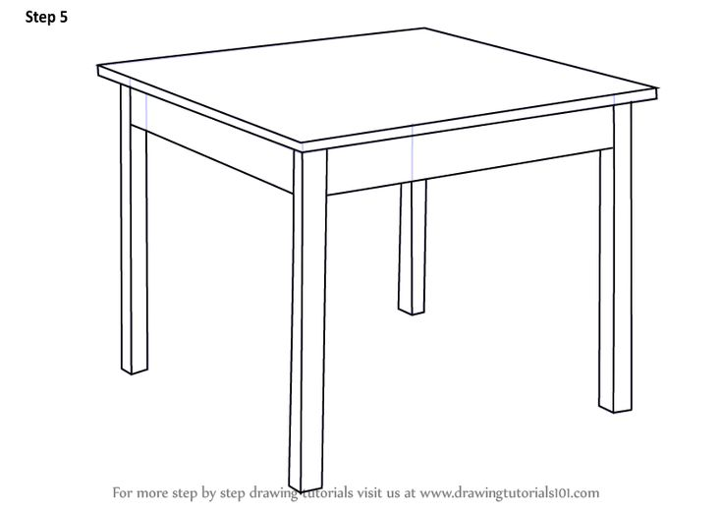
Hello!
Tables
Table 1
Dimensions
a |  | c
b |  | d

Test 1
 | 1 | 2 | 3
 |  |  |  | Loaded
 |  |  |  | Unloaded

Table 2
Dimensions
a2 | 90 | c2 | 90
b2 | 180 | d2 | 180

Test 2
 | 1 | 2 | 3
 |  |  |  | Stressed
 |  |  |  | Unstressed

