List1
 |  |  | Test operator:
 |  |  | Date of test:

 | Dimensional check
Test-1 | Stacking
Test-2 | Lifting from the 4 top corner fittings
Test-3 | Lifting from the 4 bottom corner fittings
Test-4 | Restrain test (longitudinal)
Test-5 | Strength of end walls including doors
Test-6 | Strength of end wall
Test-7 | Strength of side walls
Test-8 | Strength of roof
Test-9 | Strength of floor
Test-10 | Transverse rigidity
Test-11 | Longitudinal rigidity
Test-12 | Lifting from fork-lift pockets
Test-13 | Lifting at base of grappler arm contact area
Test-14 | Weather-proofness
 | Dimensional check

CSC No.:
Max gross |  | R
Tara |  | T
Payload |  | P
Model no.

Basic info and container drawings:

 | Dimensional check

Before the structual tests the empty container has to be measured.

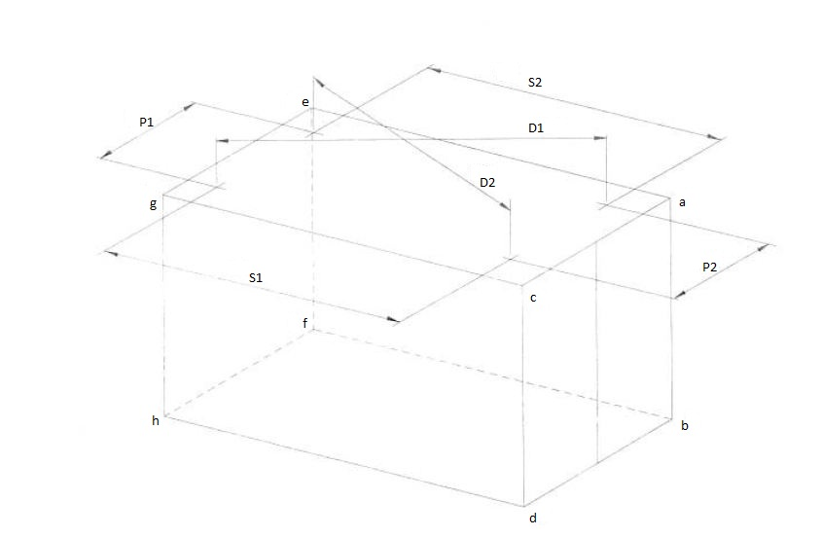

Zunanje dimenzije / Measurment
Višina/height |  |  | Širina/Width |  |  | Dolžina/lenght
 | Predpis/set | Izmerjeno/actual |  | Predpis/set | Izmerjeno/actual |  | Predpis/set | Izmerjeno/actual
a-b | 1917 (0/-4) |  | a-c | 2438 (0/-5) |  | a-e | 9125 (0/-10)
c-d | 1917 (0/-4) |  | b-d | 2550 (0/-5) |  | e-g | 9125 (0/-10)
g-h | 1917 (0/-4) |  | e-g | 2438 (0/-5) |  | b-f | 9125 (0/-10)
e-f | 1917 (0/-4) |  | f-h | 2550 (0/-5) |  | d-h | 9125 (0/-10)
Dovoljeno odstopanje po / tolerance to: ISO 668

Dimenzije diagonal / Diagonals
 | Izmerjeno / Actual |  |  |  | Izmerjeno / Actual |  |  | Difference
D1 |  |  |  | D2 |  |  |  | 0
c-b |  |  |  | a-d |  |  |  | 0
g-f |  |  |  | e-h |  |  |  | 0
g-d |  |  |  | c-h |  |  |  | 0
a-f |  |  |  | e-b |  |  |  | 0

Test 1: | Stacking

Container is resting on corners and is then loaded to total mass of 2xR. Stacking load of XXX kN is applied to each corner post (XXX high). Pads where load is applied are offset 25 mm laterally and 38 mm longitudinally with respect to corner outer edges, at first test toward forward and lest and at the second test toward back and right of container. After each load level there was a 5 min of delay before measuring the deflection. Deflection of each corner post is measured at the center and at half the height of corner post. Transversal beams in the container center are measured. Max. allowed deformation of corner posts is elastic/plastic.

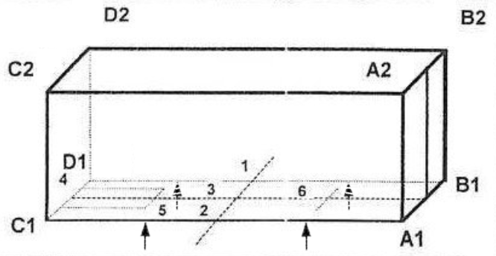

Vertical deflection of corner posts
load | A1A2 | B1B2 | C1C2 | D1D2
[kN] | [mm] | [mm] | [mm] | [mm]
0 | / | / | / | / | before loading
XXX | 0.0 | 0.0 | 0.0 | 0.0 | pads forward and left
0 | 0.0 | 0.0 | 0.0 | 0.0 | unloaded
XXX | 0.0 | 0.0 | 0.0 | 0.0 | pads back and right
0 | 0.0 | 0.0 | 0.0 | 0.0 | unloaded

Absolute measurements
load | A1A2 | B1B2 | C1C2 | D1D2
[kN] | [mm] | [mm] | [mm] | [mm]
0 |  |  |  |  | before loading
XXX |  |  |  |  | pads forward and left
0 |  |  |  |  | unloaded
XXX |  |  |  |  | pads back and right
0 |  |  |  |  | unloaded

Transversal and longitudinal deflection of corner posts
load | a | b | c | d | e | f | g | h
[kN] | [mm] | [mm] | [mm] | [mm] | [mm] | [mm] | [mm] | [mm]
0 | / | / | / | / | / | / | / | /
XXX | 0.0 | 0.0 | 0.0 | 0.0 | 0.0 | 0.0 | 0.0 | 0.0
0 | 0.0 | 0.0 | 0.0 | 0.0 | 0.0 | 0.0 | 0.0 | 0.0
XXX | 0.0 | 0.0 | 0.0 | 0.0 | 0.0 | 0.0 | 0.0 | 0.0
0 | 0.0 | 0.0 | 0.0 | 0.0 | 0.0 | 0.0 | 0.0 | 0.0

Absolute measurements
load | a | b | c | d | e | f | g | h
[kN] | [mm] | [mm] | [mm] | [mm] | [mm] | [mm] | [mm] | [mm]
0
XXX
0
XXX
0

Test 2: | Lifting from the 4 top corner fittings

Container is resting on corners loaded to total mass of 2xR-T and then lifted vertically by top corners. After each load level there was a 5 min of delay before measuring the deflection. The deflections in the middle of both bottom longitudinal beams and in the middle some transversal beams are measured. Max. allowed deformation is elastic/plastic = unrestricted / 3 mm.

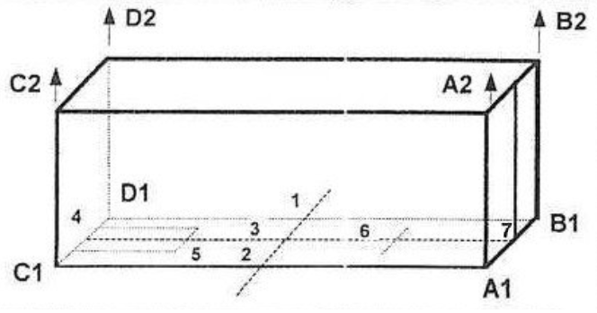

Vertical deflection of measurement points
1 | 2 | 3 | 4 | 5 | 6 | 7
[mm] | [mm] | [mm] | [mm] | [mm] | [mm] | [mm]
/ | / | / | / | / | / | / | unloaded
0.0 | 0.0 | 0.0 | 0.0 | 0.0 | 0.0 | 0.0 | on pads loaded 2,0R-T
0.0 | 0.0 | 0.0 | 0.0 | 0.0 | 0.0 | 0.0 | lifted by top corners
0.0 | 0.0 | 0.0 | 0.0 | 0.0 | 0.0 | 0.0 | on pads loaded 2,0R-T
0.0 | 0.0 | 0.0 | 0.0 | 0.0 | 0.0 | 0.0 | unloaded

Absolute measurements
1 | 2 | 3 | 4 | 5 | 6 | 7
[mm] | [mm] | [mm] | [mm] | [mm] | [mm] | [mm]
 |  |  |  |  |  |  | unloaded
 |  |  |  |  |  |  | on pads loaded 2,0R-T
 |  |  |  |  |  |  | lifted by top corners
 |  |  |  |  |  |  | on pads loaded 2,0R-T
 |  |  |  |  |  |  | unloaded

Test 3: | Lifting from the 4 bottom corner fittings

Container is resting on corners loaded to total mass of 2xR and then lifted by bottom corners (45° to horizontal). After each load level there was a 5 min of delay before measuring the deflection. The deflections in the middle of both bottom longitudinal beams and in the middle of some transversal beams are measured. Max. allowed deformation is elastic/plastic = unrestricted / 3 mm.

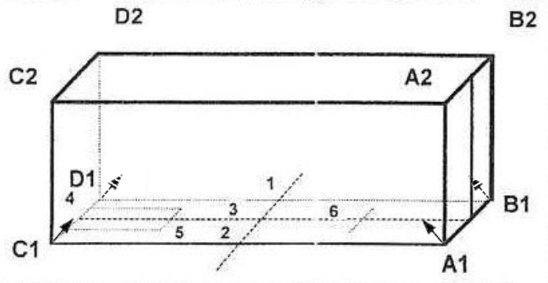

Vertical deflection of measurement points
1 | 2 | 3 | 4 | 5 | 6 | 7
[mm] | [mm] | [mm] | [mm] | [mm] | [mm] | [mm]
/ | / | / | / | / | / | / | unloaded
0.0 | 0.0 | 0.0 | 0.0 | 0.0 | 0.0 | 0.0 | on pads loaded 2,0R-T
0.0 | 0.0 | 0.0 | 0.0 | 0.0 | 0.0 | 0.0 | lifted by bottom corners
0.0 | 0.0 | 0.0 | 0.0 | 0.0 | 0.0 | 0.0 | on pads loaded 2,0R-T
0.0 | 0.0 | 0.0 | 0.0 | 0.0 | 0.0 | 0.0 | unloaded

Absolute measurements
1 | 2 | 3 | 4 | 5 | 6 | 7
[mm] | [mm] | [mm] | [mm] | [mm] | [mm] | [mm]
 |  |  |  |  |  |  | unloaded
 |  |  |  |  |  |  | on pads loaded 2,0R-T
 |  |  |  |  |  |  | lifted by bottom corners
 |  |  |  |  |  |  | on pads loaded 2,0R-T
 |  |  |  |  |  |  | unloaded

Test 4: | Restrain test (longitudinal)

Container was secured with rigid anchor points on front side of container. A load equal to 1xR was applied longitudinally to the container through bottom securing points of door frame corners. Load was first applied as tension (pull), then as compression (push). The length of each bottom longitudinal beam was measured. After each load level there was a 5 min of delay before measuring the deflection of container length. Max. allowed permanent deformation is such that container conforms to ISO 668: length is XXX (0,-XX), elastic deformation is unrestricted.

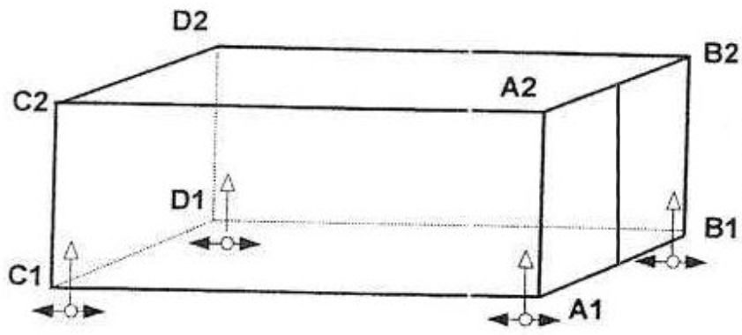

Deflection of bottom longitudinal beams. |  |  |  |  | Absolute measurements
load | A1C1 | B1D1 |  |  | load | A1C1 | B1D1
[kN] | [mm] | [mm] |  |  | [kN] | [mm] | [mm]
0 | / | / | before loading |  | 0 |  |  | before loading
1xR | 0.0 | 0.0 | pull |  | 1xR |  |  | pull
0 | 0.0 | 0.0 | unloaded |  | 0 |  |  | unloaded
1xR | 0.0 | 0.0 | push |  | 1xR |  |  | push
0 | 0.0 | 0.0 | unloaded |  | 0 |  |  | unloaded

Test 5: | Strength of end walls including doors

Container is resting on corners and is then loaded (evenly spread across end wall) with 0,4P = XXX kg. The testing balloon has dimensions 1,9 m x 1,9 m (area = 3,61 m2), therefore the testing pressure was XXX mbar. The deflection is measured on quarters and halves of end wall (1,2, 3, 4,5). After each load level there was a 5 min of delay before measuring the deflection. Max. allowed deformation is elastic/plastic = unrestricted / 9 mm (additionally external dimensions must not be exceeded).

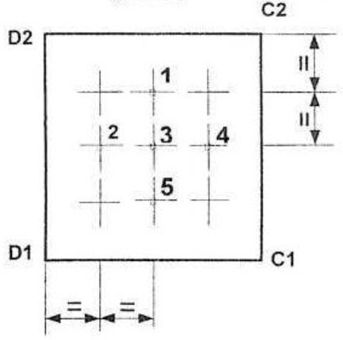

 | Deflection of end wall |  |  |  |  | Absolute measurements
 | before | loaded | unloaded |  |  | before | loaded | after
load | 0 | 0,4P | 0 |  | load | 0 | 0,4P | 0
point | [mm] | [mm] trans | [mm] perm |  | point | [mm] | [mm] | [mm]
1 | / | 0 | 0 |  | 1
2 | / | 0 | 0 |  | 2
3 | / | 0 | 0 |  | 3
4 | / | 0 | 0 |  | 4
5 | / | 0 | 0 |  | 5

END WALL
 | Max gross |  | kg
 | Tara |  | kg
 | Payload | 0 | kg
 | 0,4P | 0 | kg
 | Force | 0 | N |  |  | Wall | Pillow
wall | Area | 0.00 | m2 |  | A
pillow | Area | 0.00 | m2 |  | B
wall | Pressure | #DIV/0! | mbar
pillow | Pressure | #DIV/0! | mbar
median | Pressure | #DIV/0! | mbar
actual load |  | #DIV/0! | kg

Test 6: | Strength of end wall

Container is resting on corners and is then loaded (evenly spread across end wall) with 0,4P = XXX kg. The testing balloon has dimensions 1,9 m x 1,9 m (area = 3,61 m2), therefore the testing pressure was XXX mbar. The deflection is measured on quarters and halves of end wall (1,2, 3, 4,5). After each load level there was a 5 min of delay before measuring the deflection. Max. allowed deformation is elastic/plastic = unrestricted / 9 mm (additionally external dimensions must not be exceeded).

 | Deflection of end wall |  |  |  |  | Absolute measurements
 | before | loaded | unloaded |  |  | before | loaded | after
load | 0 | 0,4P | 0 |  | load | 0 | 0,4P | 0
point | [mm] | [mm] trans | [mm] perm |  | point | [mm] | [mm] | [mm]
1 | / | 0 | 0 |  | 1
2 | / | 0 | 0 |  | 2
3 | / | 0 | 0 |  | 3
4 | / | 0 | 0 |  | 4
5 | / | 0 | 0 |  | 5

END WALL
 | Max gross |  | kg
 | Tara |  | kg
 | Payload | 0 | kg
 | 0,4P | 0 | kg
 | Force | 0 | N |  |  | Wall | Pillow
wall | Area | 0.00 | m2 |  | A
pillow | Area | 0.00 | m2 |  | B
wall | Pressure | #DIV/0! | mbar
pillow | Pressure | #DIV/0! | mbar
median | Pressure | #DIV/0! | mbar
actual load |  | #DIV/0! | kg

Test 7: | Strength of side walls

Container is resting on corners turned on side and is then loaded (evenly spread across side wall) with 0,6P = XXX kg. The deflection is measured in the middle of top (1) and bottom (5) longitudinal beams, and on quarters and halves of side wall (2, 3, 4). After each load level there was a 5 min of delay before measuring the deflection. Max. allowed deformation is elastic/plastic = unrestricted / 7 mm (additionally external dimensions must not be exceeded).

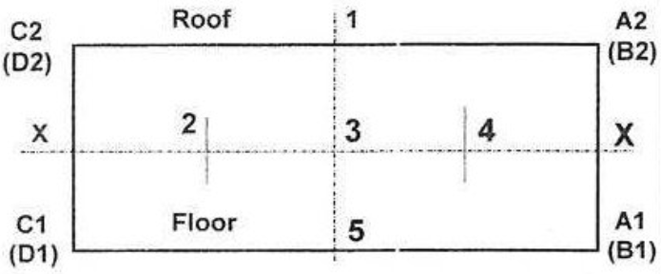

Deflection of side wall |  |  |  |  | Absolute measurements
 | before | loaded | unloaded |  |  | before | loaded | after
load | 0 | 0,6P | 0 |  | load | 0 | 0,6P | 0
point | [mm] | [mm] trans | [mm] perm |  | point | [mm] | [mm] | [mm]
1 | / | 0 | 0 |  | 1
2 | / | 0 | 0 |  | 2
3 | / | 0 | 0 |  | 3
4 | / | 0 | 0 |  | 4
5 | / | 0 | 0 |  | 5

SIDE WALL
 | Max gross |  | kg
 | Tara |  | kg
 | Payload | 0 | kg
 | 0,6P | 0 | kg
 | Force | 0 | N |  |  | Wall | Pillow
wall | Area | 0.00 | m2 |  | A | 0 | 0
pillow | Area | 0.00 | m2 |  | B | 0 | 0
wall | Pressure | #DIV/0! | mbar
pillow | Pressure | #DIV/0! | mbar
median | Pressure | #DIV/0! | mbar

actual load |  | #DIV/0! | kg

Test 8: | Strength of roof

A load of 300 kg (680 1b) shall be uniformly distributed over an area of 600 mm X 300 mm (24 in X 12 in ) located at the weakest part of the roof of the freight container.

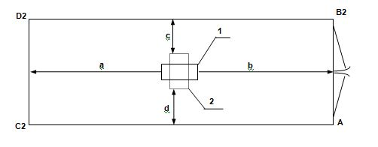

Load | Deflection
 | 1 | 2
0
300 kg
0
Permanent | 0 | 0

Test 9: | Strenght of floor

Container is resting on corners, then a single axis cart is driven three times along whole length of container. Once it was driven on the right side, once on the left side, and once along the middle. The cart has a mass of 7260 kg with wheel base of 760 mm. Rubber wheels have width of 180 mm resulting in a contact area less then of 142 cm2 per wheel. Transient displacement was measured when the cart was just above the measuring point. Max. allowed deformation is elastic/plastic = unrestricted / 4 mm.

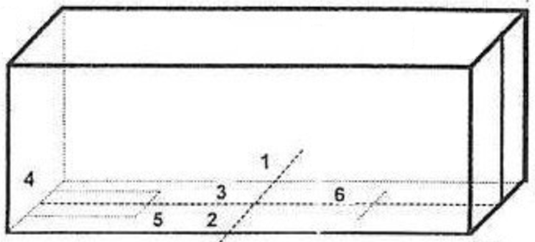

Vertical deflection of measurement points
1 | 2 | 3 | 4 | 5 | 6 | 7
[mm] | [mm] | [mm] | [mm] | [mm] | [mm] | [mm]
/ | / | / | / | / | / | / | unloaded
0.0 | 0.0 | 0.0 | 0.0 | 0.0 | 0.0 | 0.0 | transient
0.0 | 0.0 | 0.0 | 0.0 | 0.0 | 0.0 | 0.0 | permanent

Absolute measurements
1 | 2 | 3 | 4 | 5 | 6 | 7
[mm] | [mm] | [mm] | [mm] | [mm] | [mm] | [mm]
 |  |  |  |  |  |  | unloaded
 |  |  |  |  |  |  | transient
 |  |  |  |  |  |  | permanent

Test 10: | Transverse rigidity

Container was secured with rigid anchor points on the bottom securing points. A load of 150 kN was applied to the top corner of tested frame first from right and then from left side. Variation of of both diagonals of front frame and door frame is measured. After each load level there was a 5 min of delay before measuring the deflection. Max. allowed deformation is elastic/plastic = 60 / 10 mm.

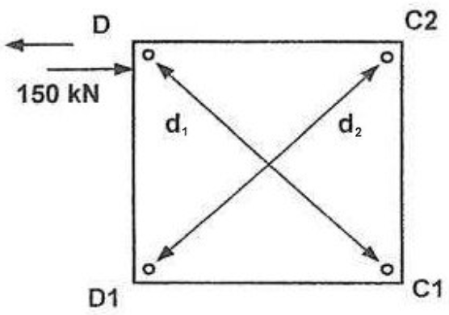
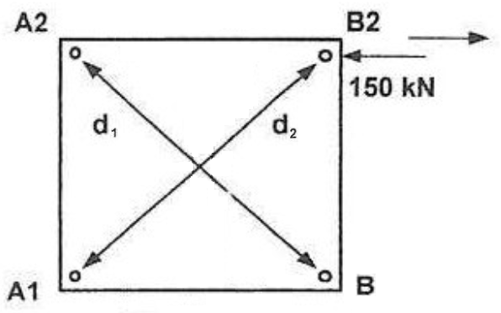

Door wall
 | distance |  | variation
load | d1 | d2 | vd1 | vd2 | vd1+vd1
[kN] | [mm] | [mm] | [mm] | [mm] | [mm]
0
150 |  |  | 0 | 0 | 0 | loaded from right side
0 |  |  | 0 | 0 | 0 | unloaded
-150 |  |  | 0 | 0 | 0 | loaded from left side
0 |  |  | 0 | 0 | 0 | unloaded

Side wall
 | distance |  | variation
load | d1 | d2 | vd1 | vd2 | vd1+vd1
[kN] | [mm] | [mm] | [mm] | [mm] | [mm]
0
150 |  |  | 0 | 0 | 0 | loaded from right side
0 |  |  | 0 | 0 | 0 | unloaded
-150 |  |  | 0 | 0 | 0 | loaded from left side
0 |  |  | 0 | 0 | 0 | unloaded

Test 11: | Longitudinal rigidity

Container was secured with rigid anchor points on the bottom securing points. A load of 75 kN was applied to the read top corner (B2) of right side wall in longitudinal direction. first from rear and then from front side. Load was first applied as compression (push) and then as tension (pull). The displacement of the opposite corner (D2) was measured. After each load level there was a 5 min of delay before measuring the deflection. Max. allowed deformation is elastic/plastic = 25 mm / 6 mm.



Deflection of top corner (D2) |  |  |  | Absolute measurements
load | D2 |  |  | load | D2
[kN] | [mm] |  |  | [kN] | [mm]
0 | / | before loading |  | 0 |  | before loading
75 | 0.0 | pull |  | 75 |  | pull
0 | 0.0 | unloaded |  | 0 |  | unloaded
-75 | 0.0 | push |  | -75 |  | push
0 | 0.0 | unloaded |  | 0 |  | unloaded

Test 12: | Lifting from fork-lift pockets

Container is resting on corners loaded to total mass of 1,6xR and then lifted by fork lift pockets. After each load level there was a 5 min of delay before measuring the deflection. The deflection of both bottom longitudinal beams and in some transversal beams in the container center are measured. Max. allowed deformation is elastic/plastic = unrestricted / 3 mm.

Vertical deflection of measurement points
1 | 2 | 3 | 4 | 5 | 6 | 7
[mm] | [mm] | [mm] | [mm] | [mm] | [mm] | [mm]
/ | / | / | / | / | / | / | unloaded
0.0 | 0.0 | 0.0 | 0.0 | 0.0 | 0.0 | 0.0 | on pads loaded 1,6R-T
0.0 | 0.0 | 0.0 | 0.0 | 0.0 | 0.0 | 0.0 | lifted by fork lift pockets
0.0 | 0.0 | 0.0 | 0.0 | 0.0 | 0.0 | 0.0 | on pads loaded 1,6R-T
0.0 | 0.0 | 0.0 | 0.0 | 0.0 | 0.0 | 0.0 | unloaded

Absolute measurements
1 | 2 | 3 | 4 | 5 | 6 | 7
[mm] | [mm] | [mm] | [mm] | [mm] | [mm] | [mm]
 |  |  |  |  |  |  | unloaded
 |  |  |  |  |  |  | on pads loaded 1,6R-T
 |  |  |  |  |  |  | lifted by fork lift pockets
 |  |  |  |  |  |  | on pads loaded 1,6R-T
 |  |  |  |  |  |  | unloaded

Test 13: | Lifting at base of grappler arm contact area

Container is resting on corners loaded to total mass of 1.25xR-T and then lifted by grappler arms. After each load level there was a 5 min of delay before measuring the deflection. The deflection of both bottom longitudinal beams and in some transversal beams in the container center are measured. Max. allowed deformation is elastic/plastic = unrestricted.

Vertical deflection of measurement points
1 | 2 | 3 | 4 | 5 | 6 | 7
[mm] | [mm] | [mm] | [mm] | [mm] | [mm] | [mm]
/ | / | / | / | / | / | / | unloaded
0.0 | 0.0 | 0.0 | 0.0 | 0.0 | 0.0 | 0.0 | on pads loaded 1,25 R-T
0.0 | 0.0 | 0.0 | 0.0 | 0.0 | 0.0 | 0.0 | lifted by grappler arm
0.0 | 0.0 | 0.0 | 0.0 | 0.0 | 0.0 | 0.0 | on pads loaded 1,25 R-T
0.0 | 0.0 | 0.0 | 0.0 | 0.0 | 0.0 | 0.0 | unloaded

Absolute measurements
1 | 2 | 3 | 4 | 5 | 6 | 7
[mm] | [mm] | [mm] | [mm] | [mm] | [mm] | [mm]
 |  |  |  |  |  |  | unloaded
 |  |  |  |  |  |  | on pads loaded 1,25 R-T
 |  |  |  |  |  |  | lifted by grappler arm
 |  |  |  |  |  |  | on pads loaded 1,25 R-T
 |  |  |  |  |  |  | unloaded

Test 14: | Weather-proofness

All the joint and seams of container were sprayed with water.

 | Dimensional check

After the structual tests the empty container has to be measured.

 | Predpis/set | Izmerjeno/actual |  | Predpis/set | Izmerjeno/actual |  | Predpis/set | Izmerjeno/actual
a-b | 1917 (0/-5) |  | a-c | 2550 (0/-5) |  | a-e | 9125 (0/-10)
c-d | 1917 (0/-5) |  | b-d | 2550 (0/-5) |  | e-g | 9125 (0/-10)
g-h | 1917 (0/-5) |  | e-g | 2550 (0/-5) |  | b-f | 9125 (0/-10)
e-f | 1917 (0/-5) |  | f-h | 2550 (0/-5) |  | d-h | 9125 (0/-10)
Dovoljeno odstopanje po / tolerance to: ISO 668

Dimenzije diagonal / Diagonals
 | Izmerjeno / Actual |  |  |  | Izmerjeno / Actual |  |  | Difference
D1 |  |  |  | D2 |  |  |  | 0
c-b |  |  |  | a-d |  |  |  | 0
g-f |  |  |  | e-h |  |  |  | 0
g-d |  |  |  | c-h |  |  |  | 0
a-f |  |  |  | e-b |  |  |  | 0

