FourthDrill
Hi Mark

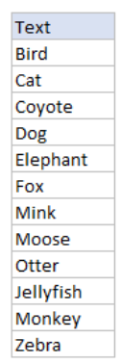
Text | LEN1 | LEN2
Bird | 4 | 4
Cat | 3 | 3
Coyote | 6 | 6
Dog | 3 | 3
Elephant | 8 | 8
FOX | 3 | 3
Mink | 4 | 4
Moose | 5 | 5
Otter | 5 | 5
Jellyfish | 9 | 9
Monkey | 6 | 6
Zebra |  | 5

