AnotherCustomExample
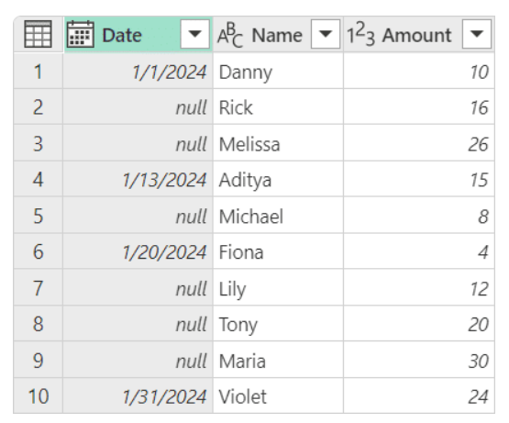
Date | Name | Amount
2024-01-01 | Danny | 10
 | Rick | 16
 | Melissa | 26
1/13/2024 | Aditya | 15
 | Michael | 8
1/20/2024 | Fiona | 4
 | Lily | 12
 | Tony | 20
 | Maria | 30
1/31/2024 | Violet | 24

 |  |  | https://powerquery.how/table-group/

Date | Names | Total Amount
2024-01-01 | Danny, Rick, Melissa | 52
2024-01-13 | Aditya, Michael | 23
2024-01-20 | Fiona, Lily, Tony, Maria | 66
2024-01-31 | Violet | 24

PQ_Drill
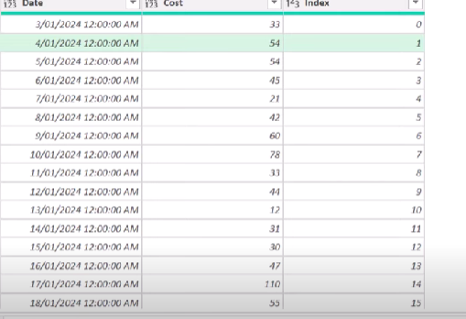
 | Date | Cost |  |  | Date | Cost | Group
 | 2024-01-03 | 33 |  |  | 2024-01-03 | 33 | 1
 | 2024-01-04 | 54 |  |  | 2024-01-04 | 54 | 1
 | 2024-01-05 | 54 |  |  | 2024-01-05 | 54 | 2
 | 2024-01-06 | 45 |  |  | 2024-01-06 | 45 | 2
 | 2024-01-07 | 21 |  |  | 2024-01-07 | 21 | 2
 | 2024-01-08 | 42 |  |  | 2024-01-08 | 42 | 3
 | 2024-01-09 | 60 |  |  | 2024-01-09 | 60 | 3
 | 2024-01-10 | 78 |  |  | 2024-01-10 | 78 | 4
 | 2024-01-11 | 33 |  |  | 2024-01-11 | 33 | 4
 | 2024-01-12 | 44 |  |  | 2024-01-12 | 44 | 5
 | 2024-01-13 | 12 |  |  | 2024-01-13 | 12 | 5
 | 2024-01-14 | 31 |  |  | 2024-01-14 | 31 | 5
 | 2024-01-15 | 30 |  |  | 2024-01-15 | 30 | 5
 | 2024-01-16 | 47 |  |  | 2024-01-16 | 47 | 6
 | 2024-01-17 | 110 |  |  | 2024-01-17 | 110 | 7
 | 2024-01-18 | 55 |  |  | 2024-01-18 | 55 | 8
 | 2024-01-19 | 47 |  |  | 2024-01-19 | 47 | 8

https://www.youtube.com/watch?v=7WOGk68VM_o

 | Date | LowestIndexInGroup | Cost | Index.1 | GroupIndex
 | 1/3/24 | 0 | 33 | 0 | 0
 | 1/3/24 | 0 | 54 | 1 | 0
 | 1/5/24 | 2 | 54 | 2 | 1
 | 1/5/24 | 2 | 45 | 3 | 1
 | 1/5/24 | 2 | 21 | 4 | 1
 | 1/8/24 | 5 | 42 | 5 | 2
 | 1/8/24 | 5 | 60 | 6 | 2
 | 1/10/24 | 7 | 78 | 7 | 3
 | 1/10/24 | 7 | 33 | 8 | 3
 | 1/12/24 | 9 | 44 | 9 | 4
 | 1/12/24 | 9 | 12 | 10 | 4
 | 1/12/24 | 9 | 31 | 11 | 4
 | 1/12/24 | 9 | 30 | 12 | 4
 | 1/16/24 | 13 | 47 | 13 | 5
 | 1/17/24 | 14 | 110 | 14 | 6
 | 1/18/24 | 15 | 55 | 15 | 7
 | 1/18/24 | 15 | 47 | 16 | 7

 | Key | Value
 | 1 | 2
 | 2 | 3
 | 1 | 4
 | 2 | 5
 | 2 | 6
 | 2 | 7

Group_Local
Link

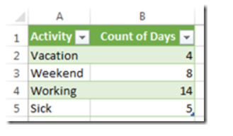
Date | Day of Week | Activity | Activity | Count
01/01/2014 | Wednesday | Vacation | Vacation | 4
02/01/2014 | Thursday | Vacation | Weekend | 8
03/01/2014 | Friday | Vacation | Working | 14
04/01/2014 | Saturday | Weekend | Sick | 5
05/01/2014 | Sunday | Weekend
06/01/2014 | Monday | Vacation
07/01/2024 | Tuesday | Working
08/01/2014 | Wednesday | Working
09/01/2014 | Thursday | Working
10/01/2014 | Friday | Working
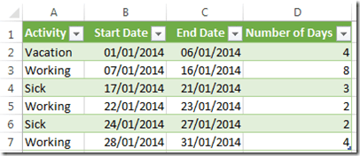
11/01/2014 | Saturday | Weekend
12/01/2014 | Sunday | Weekend
13/01/2014 | Monday | Working | Activity | Start Date | End Date | Number of Days
14/01/2014 | Tuesday | Working | Vacation | 2014-01-01 | 2014-01-06 | 4
15/01/2014 | Wednesday | Working | Working | 2014-01-08 | 2024-01-07 | 8
16/01/2014 | Thursday | Working | Sick | 2014-01-17 | 2014-01-21 | 3
17/01/2014 | Friday | Sick | Working | 2014-01-22 | 2014-01-23 | 2
18/01/2014 | Saturday | Weekend | Sick | 2014-01-24 | 2014-01-27 | 2
19/01/2014 | Sunday | Weekend | Working | 2014-01-28 | 2014-01-31 | 4
20/01/2014 | Monday | Sick
21/01/2014 | Tuesday | Sick
22/01/2014 | Wednesday | Working
23/01/2014 | Thursday | Working
24/01/2014 | Friday | Sick
25/01/2014 | Saturday | Weekend
26/01/2014 | Sunday | Weekend
27/01/2014 | Monday | Sick
28/01/2014 | Tuesday | Working
29/01/2014 | Wednesday | Working
30/01/2014 | Thursday | Working
31/01/2014 | Friday | Working

