Case
Monthly Challenge


Climatograms |  |  |  |  |  |  |  |  |  |  |  |  | Case Author
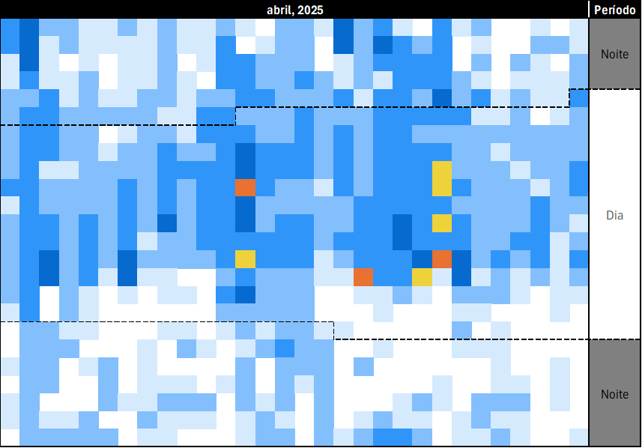 One day, I came across a visual way to represent temperatures and wind speeds for each hour of the day. These charts are called Climatograms. This challenge is based on fictional climatograms for the month of April/2025, available in the Climatogram tab. There is one for Temperatures, one for Wind Speed, and both indicate the Night and Day Periods of each day (dotted line).

 |  |  |  |  |  |  |  |  |  |  |  |  | Thomas Marcelo |  | 🔗
 |  |  |  |  |  |  |  |  |  |  |  |  | With special help from:
 |  |  |  |  |  |  |  |  |  |  |  |  | Laennder Alves |  | 🔗
 |  |  |  |  |  |  |  |  |  |  |  |  | Bruno Mérola |  | 🔗

Bonus Questions

Game # | Relates to | Answer |  | Bonus Question
Bonus 1 | Levels 1-7 |  | 0 | What is the date that occurs most frequently in questions 1 to 7? (disregard examples, Excel date value)
Bonus 2 | Levels 1, 2, 4-7 |  | 0 | What is the time that occurs most frequently in questions 1, 2, 4, 5,6 and 7? (disregard examples, answer with the hour only, e.g.: 14)
Bonus 3 | - |  | 0 | What is the next month/year that has the same number of days as April/2025 and starts on the same day of the week? (Excel date, with 01 as day)
Bonus 4 | Level 3 |  | 0 | With the rules of Level 3, what is the date with the WORST "thermal comfort"? (with the largest sum of absolute differences, Excel date)
Bonus 5 | Level 6 |  | 0 | With the rules of Level 6, what is the highest temperature ("thermal sensation") recorded?

Questions

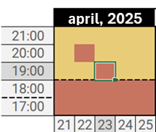
Level 1 | Easy |  |  |  |  |  |  |  |  |  |  | Completion
 |  |  |  |  |  |  |  |  |  |  |  | 140/145 (97%)
What is the average Temperature on the provided Date and Time?
Example: On day 23/04/2025 the temperature at 19:00 was Warm.
For this temperature range, the average is 27 °C.

Game # | Level | Answer |  | Date & Time
 |  |  |  |  | Column | Row
Example1 | 1 | 27 |  | 4/23/25 | 23 | 5.00 | 6321607 |  | 27 | Day

1 | 1 | 32 | 1 | 4/12/25 | 12 | 13.00 | 5921712 |  | 32 | Day
2 | 1 | 27 | 1 | 4/27/25 | 27 | 14.00 | 6321607 |  | 27 | Day
3 | 1 | 22 | 1 | 4/5/25 | 5 | 4.00 | 7851241 |  | 22 | Night
4 | 1 | 27 | 1 | 4/9/25 | 9 | 6.00 | 6321607 |  | 27 | Day
5 | 1 | 16 | 1 | 4/2/25 | 2 | 18.00 | 7454605 |  | 16 | Day
6 | 1 | 27 | 1 | 4/16/25 | 16 | 15.00 | 6321607 |  | 27 | Day
7 | 1 | 27 | 1 | 4/26/25 | 26 | 11.00 | 6321607 |  | 27 | Day
8 | 1 | 27 | 1 | 4/20/25 | 20 | 7.00 | 6321607 |  | 27 | Day
9 | 1 | 16 | 1 | 4/13/25 | 13 | 22.00 | 7454605 |  | 16 | Night
10 | 1 | 16 | 1 | 4/7/25 | 7 | 23.00 | 7454605 |  | 16 | Night
11 | 1 | 16 | 1 | 4/14/25 | 14 | 23.00 | 7454605 |  | 16 | Night
12 | 1 | 16 | 1 | 4/14/25 | 14 | 1.00 | 7454605 |  | 16 | Night
13 | 1 | 27 | 1 | 4/20/25 | 20 | 7.00 | 6321607 |  | 27 | Day
14 | 1 | 27 | 1 | 4/18/25 | 18 | 7.00 | 6321607 |  | 27 | Day
15 | 1 | 27 | 1 | 4/27/25 | 27 | 5.00 | 6321607 |  | 27 | Day
16 | 1 | 16 | 1 | 4/10/25 | 10 | 24.00 | 7454605 |  | 16 | Night
17 | 1 | 16 | 1 | 4/28/25 | 28 | 21.00 | 7454605 |  | 16 | Night
18 | 1 | 27 | 1 | 4/18/25 | 18 | 13.00 | 6321607 |  | 27 | Day
19 | 1 | 27 | 1 | 4/22/25 | 22 | 7.00 | 6321607 |  | 27 | Day
20 | 1 | 32 | 1 | 4/12/25 | 12 | 11.00 | 5921712 |  | 32 | Day

Level 2 | Easy

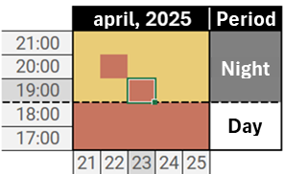
Again, we would like to know the Temperature on the given Date and Time, but this time we also need to know if we are in the Night or Day period.
Return the average temperature, a hyphen, and "N" for night or "D" for day.
Example: On day 23/04/2025 the temperature at 19:00 was Warm, and the period was Night.
For this temperature range, the average is 27 °C. Therefore, we return 27-N.

Game # | Level | Answer |  | Date & Time

Example2 | 2 | 27-N |  | 4/23/25 | 23 | 5.00 | 6321607 |  | 27 | N | 27-N

21 | 2 | 27-N | 1 | 4/10/25 | 10 | 6.00 | 6321607 |  | 27 | N | 27-N
22 | 2 | 27-D | 1 | 4/3/25 | 3 | 13.00 | 6321607 |  | 27 | D | 27-D
23 | 2 | 10-N | 1 | 4/14/25 | 14 | 20.00 | 7841908 |  | 10 | N | 10-N
24 | 2 | 16-D | 1 | 4/18/25 | 18 | 18.00 | 7454605 |  | 16 | D | 16-D
25 | 2 | 16-N | 1 | 4/6/25 | 6 | 23.00 | 7454605 |  | 16 | N | 16-N
26 | 2 | 16-N | 1 | 4/11/25 | 11 | 21.00 | 7454605 |  | 16 | N | 16-N
27 | 2 | 22-N | 1 | 4/30/25 | 30 | 3.00 | 7851241 |  | 22 | N | 22-N
28 | 2 | 27-D | 1 | 4/21/25 | 21 | 15.00 | 6321607 |  | 27 | D | 27-D
29 | 2 | 27-D | 1 | 4/21/25 | 21 | 12.00 | 6321607 |  | 27 | D | 27-D
30 | 2 | 22-D | 1 | 4/1/25 | 1 | 15.00 | 7851241 |  | 22 | D | 22-D
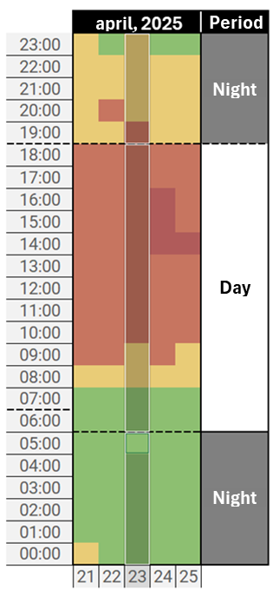
31 | 2 | 27-N | 1 | 4/12/25 | 12 | 6.00 | 6321607 |  | 27 | N | 27-N
32 | 2 | 27-D | 1 | 4/22/25 | 22 | 6.00 | 6321607 |  | 27 | D | 27-D
33 | 2 | 27-D | 1 | 4/25/25 | 25 | 11.00 | 6321607 |  | 27 | D | 27-D
34 | 2 | 22-D | 1 | 4/9/25 | 9 | 16.00 | 7851241 |  | 22 | D | 22-D
35 | 2 | 27-D | 1 | 4/16/25 | 16 | 7.00 | 6321607 |  | 27 | D | 27-D
36 | 2 | 27-D | 1 | 4/30/25 | 30 | 5.00 | 6321607 |  | 27 | D | 27-D
37 | 2 | 16-D | 1 | 4/24/25 | 24 | 17.00 | 7454605 |  | 16 | D | 16-D
38 | 2 | 16-N | 1 | 4/3/25 | 3 | 18.00 | 7454605 |  | 16 | N | 16-N
39 | 2 | 22-N | 1 | 4/30/25 | 30 | 23.00 | 7851241 |  | 22 | N | 22-N
40 | 2 | 16-D | 1 | 4/18/25 | 18 | 18.00 | 7454605 |  | 16 | D | 16-D

Level 3 | Medium

Let's consider that the ideal temperature for a good night's sleep is 16°C, and that a pleasant temperature for spending the day is 26°C.
We'll call this "thermal comfort." Consider that you sleep during the night and are awake during the day.
For the given Date, return the sum of the absolute differences between the average Temperature during the Night and Day and the ideal temperatures for these periods, respectively.
Use the average temperature rounded to the nearest integer.
Example: On day 23/04/2025 the average temperature during the Night period is 19°C. During the Day, it's 25°C. |  |  |  |  |  |  |  |  |  | Ideal D | 26
Therefore, the answer is (19°C - 16°C) + (25°C - 26°C) = 4 °C. |  |  |  |  |  |  |  |  |  | Ideal N | 16
 |  |  |  |  |  | 13
Game # | Level | Answer |  | Date
 |  |  |  |  | Date |  |  |  |  |  | Ave Night | Ave Day | Delta
Example3 | 3 | 4 |  | 2025-04-23 | 13 | 7454605 | 23 |  | N | 16 | 18 | 26 | 2
 |  |  |  |  |  | 7454605 | 22 |  | N | 16 |  |  |  |  | 2
41 | 3 | 4 | 1 | 2025-04-05 |  | 7851241 | 21 |  | N | 22 |  |  |  | 5.00 | 4
42 | 3 | 5 | 1 | 2025-04-06 |  | 7851241 | 20 |  | N | 22 |  |  |  | 6.00 | 5
43 | 3 | 4 | 1 | 2025-04-07 |  | 6321607 | 19 |  | N | 27 |  |  |  | 7.00 | 4
44 | 3 | 5 | 1 | 2025-04-08 |  | 6321607 | 18 |  | D | 27 |  |  |  | 8.00 | 5
45 | 3 | 6 | 1 | 2025-04-09 |  | 6321607 | 17 |  | D | 27 |  |  |  | 9.00 | 6
46 | 3 | 5 | 1 | 2025-04-10 |  | 6321607 | 16 |  | D | 27 |  |  |  | 10.00 | 5
47 | 3 | 7 | 1 | 2025-04-11 |  | 6321607 | 15 |  | D | 27 |  |  |  | 11.00 | 7
48 | 3 | 6 | 1 | 2025-04-12 |  | 6321607 | 14 |  | D | 27 |  |  |  | 12.00 | 6
49 | 3 | 2 | 1 | 2025-04-13 |  | 6321607 | 13 |  | D | 27 |  |  |  | 13.00 | 2
50 | 3 | 3 | 1 | 2025-04-14 |  | 6321607 | 12 |  | D | 27 |  |  |  | 14.00 | 3
51 | 3 | 2 | 1 | 2025-04-15 |  | 6321607 | 11 |  | D | 27 |  |  |  | 15.00 | 2
52 | 3 | 1 | 1 | 2025-04-16 |  | 6321607 | 10 |  | D | 27 |  |  |  | 16.00 | 1
53 | 3 | 3 | 1 | 2025-04-17 |  | 6321607 | 9 |  | D | 27 |  |  |  | 17.00 | 3
54 | 3 | 4 | 1 | 2025-04-18 |  | 7851241 | 8 |  | D | 22 |  |  |  | 18.00 | 4
55 | 3 | 3 | 1 | 2025-04-19 |  | 7851241 | 7 |  | D | 22 |  |  |  | 19.00 | 3
56 | 3 | 5 | 1 | 2025-04-20 |  | 7454605 | 6 |  | N | 16 |  |  |  | 20.00 | 5
57 | 3 | 4 | 1 | 2025-04-21 |  | 7454605 | 5 |  | N | 16 |  |  |  | 21.00 | 4
58 | 3 | 4 | 1 | 2025-04-22 |  | 7454605 | 4 |  | N | 16 |  |  |  | 22.00 | 4
59 | 3 | 2 | 1 | 2025-04-24 |  | 7454605 | 3 |  | N | 16 |  |  |  | 24.00 | 2
60 | 3 | 3 | 1 | 2025-04-25 |  | 7454605 | 2 |  | N | 16 |  |  |  | 25.00 | 3
 |  |  |  |  |  | 7454605 | 1 |  | N | 16
 |  |  |  |  |  | 7851241 | 0 |  | N | 22
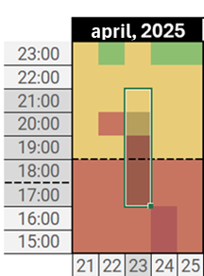
Level 4 | Hard

Determine the average Temperature Range of a specific time window.
The size of the window is determined by the Delta in hours before or after the specified time.
Remember to include the given time in the calculation of the average, and that it's possible that the window covers different days.
Periods outside the month of April/2025 should be disregarded.
Example: On day 23/04/2025, at 17:00, 18:00, 19:00, 20:00 and 21:00, the temperatures are, respectively:
Warm, Warm, Warm, Pleasant and Pleasant, which represents an average temperature of 25°C.
Therefore, we return Warm as the final answer.
 |  |  |  |  |  |  |  | =IF(I146#<0,24+I146#,IF(I146#>23,24-I146#,I146#))
Game # | Level | Answer |  | Date & Time | Delta h (+/-) | F149

Example4 | 4 | Warm |  | 4/23/25 | 2 | 18 | 19.00 |  |  | 10 | 7454605
 |  |  |  |  |  | Day | HourExt | HourNorm | Index | Color | Ave Temp By Hour | Mean | Perception |  |  | Pleasant
61 | 4 | Warm | 1 | 4/29/25 | 7 | 18 | 9 | 9 | 15 | 6321607 | 27 | 23.19047619 | Pleasant |  | F146 | Warm
62 | 4 | Pleasant | 1 | 4/26/25 | 5 | 18 | 10 | 10 | 14 | 6321607 | 27 |  |  |  | F147 | Pleasant
63 | 4 | Mild | 1 | 4/14/25 | 8 | 18 | 11 | 11 | 13 | 6321607 | 27 |  |  |  | F148 | Mild
64 | 4 | Pleasant | 1 | 4/18/25 | 10 | 18 | 12 | 12 | 12 | 6321607 | 27 |  |  |  | F149 | Pleasant
65 | 4 | Pleasant | 1 | 4/22/25 | 10 | 18 | 13 | 13 | 11 | 6321607 | 27 |  |  |  | F150 | Pleasant
66 | 4 | Warm | 1 | 4/2/25 | 8 | 18 | 14 | 14 | 10 | 6321607 | 27 |  |  |  | F151 | Warm
67 | 4 | Pleasant | 1 | 4/25/25 | 11 | 18 | 15 | 15 | 9 | 6321607 | 27 |  |  |  | F152 | Pleasant
68 | 4 | Pleasant | 1 | 4/14/25 | 9 | 18 | 16 | 16 | 8 | 6321607 | 27 |  |  |  | F153 | Pleasant
69 | 4 | Pleasant | 1 | 4/2/25 | 5 | 18 | 17 | 17 | 7 | 6321607 | 27 |  |  |  | F154 | Pleasant
70 | 4 | Warm | 1 | 4/20/25 | 3 | 18 | 18 | 18 | 6 | 6321607 | 27 |  |  |  | F155 | Warm
71 | 4 | Hot | 1 | 4/30/25 | 11 | 18 | 19 | 19 | 5 | 6321607 | 27 |  |  |  | F156 | Hot
72 | 4 | Mild | 1 | 4/11/25 | 1 | 18 | 20 | 20 | 4 | 7851241 | 22 |  |  |  | F157 | Mild
73 | 4 | Hot | 1 | 4/30/25 | 8 | 18 | 21 | 21 | 3 | 7851241 | 22 |  |  |  | F158 | Hot
74 | 4 | Pleasant | 1 | 4/4/25 | 10 | 18 | 22 | 22 | 2 | 7851241 | 22 |  |  |  | F159 | Pleasant
75 | 4 | Pleasant | 1 | 4/17/25 | 8 | 18 | 23 | 23 | 1 | 7851241 | 22 |  |  |  | F160 | Pleasant
76 | 4 | Mild | 1 | 4/14/25 | 7 | 19 | 24 | 0 | 24 | 7851241 | 22 |  |  |  | F161 | Mild
77 | 4 | Warm | 1 | 4/4/25 | 2 | 19 | 25 | 1 | 23 | 7454605 | 16 |  |  |  | F162 | Warm
78 | 4 | Pleasant | 1 | 4/8/25 | 12 | 19 | 26 | 2 | 22 | 7454605 | 16 |  |  |  | F163 | Pleasant
79 | 4 | Pleasant | 1 | 4/19/25 | 11 | 19 | 27 | 3 | 21 | 7454605 | 16 |  |  |  | F164 | Pleasant
80 | 4 | Pleasant | 1 | 4/30/25 | 6 | 19 | 28 | 4 | 20 | 7454605 | 16 |  |  |  | F165 | Pleasant
 |  |  |  |  |  | 19 | 29 | 5 | 19 | 7454605 | 16

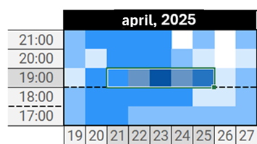
Level 5 | Hard

Determine the average Wind Speed Range of a specific window of days at the same time.
The size of the window is determined by the Delta in days before and after the specified day and time.
Remember to include the given time in the calculation of the average. Ignore cases where the window extends beyond the month of April/2025.
Example: On days 21, 22, 23, 24 and 25/04/2025, at 19:00, the wind speeds are, respectively:
Gentle Breeze, Light Air, Moderate Breeze, Light Air and Gentle Breeze, which represents an average wind speed of 15 km/h.
Therefore, we answer Gentle Breeze.

Game # | Level | Answer |  | Date & Time | Delta Days (+/-) | F183

Example5 | 5 | Gentle Breeze |  | 4/23/25 | 2 | 6 | 16.00 |  |  | 10 | 7851241
 |  |  |  |  |  | Day | HourExt | HourNorm | Index | Color | Ave Wind Speed By Hour | Mean | Perception |  |  | Gentle Breeze
81 | 5 | Calm | 1 | 4/22/25 | 1 | -4 | 16 | 16 | 8 | -1 | -1 | 12.75 | Gentle Breeze |  | F181 | Calm
82 | 5 | Light Air | 1 | 4/10/25 | 7 | -3 | 16 | 16 | 8 | -1 | -1 |  |  |  | F182 | Light Air
83 | 5 | Gentle Breeze | 1 | 4/6/25 | 10 | -2 | 16 | 16 | 8 | -1 | -1 |  |  |  | F183 | Gentle Breeze
84 | 5 | Light Air | 1 | 4/26/25 | 10 | -1 | 16 | 16 | 8 | -1 | -1 |  |  |  | F184 | Light Air
85 | 5 | Gentle Breeze | 1 | 4/18/25 | 8 | 0 | 16 | 16 | 8 | -1 | -1 |  |  |  | F185 | Gentle Breeze
86 | 5 | Light Breeze | 1 | 4/28/25 | 10 | 1 | 16 | 16 | 8 | 16564099 | 9 |  |  |  | F186 | Light Breeze
87 | 5 | Light Air | 1 | 4/20/25 | 7 | 2 | 16 | 16 | 8 | 16356656 | 16 |  |  |  | F187 | Light Air
88 | 5 | Gentle Breeze | 1 | 4/7/25 | 10 | 3 | 16 | 16 | 8 | 16356656 | 16 |  |  |  | F188 | Gentle Breeze
89 | 5 | Light Air | 1 | 4/18/25 | 3 | 4 | 16 | 16 | 8 | 16564099 | 9 |  |  |  | F189 | Light Air
90 | 5 | Light Breeze | 1 | 4/14/25 | 3 | 5 | 16 | 16 | 8 | 16564099 | 9 |  |  |  | F190 | Light Breeze
91 | 5 | Light Air | 1 | 4/12/25 | 10 | 6 | 16 | 16 | 8 | 16706262 | 4 |  |  |  | F191 | Light Air
92 | 5 | Light Air | 1 | 4/24/25 | 4 | 7 | 16 | 16 | 8 | 16564099 | 9 |  |  |  | F192 | Light Air
93 | 5 | Gentle Breeze | 1 | 4/21/25 | 1 | 8 | 16 | 16 | 8 | 16564099 | 9 |  |  |  | F193 | Gentle Breeze
94 | 5 | Light Air | 1 | 4/25/25 | 10 | 9 | 16 | 16 | 8 | 16356656 | 16 |  |  |  | F194 | Light Air
95 | 5 | Light Breeze | 1 | 4/4/25 | 6 | 10 | 16 | 16 | 8 | 16564099 | 9 |  |  |  | F195 | Light Breeze
96 | 5 | Light Breeze | 1 | 4/29/25 | 7 | 11 | 16 | 16 | 8 | 16564099 | 9 |  |  |  | F196 | Light Breeze
97 | 5 | Light Air | 1 | 4/15/25 | 9 | 12 | 16 | 16 | 8 | 16356656 | 16 |  |  |  | F197 | Light Air
98 | 5 | Gentle Breeze | 1 | 4/3/25 | 12 | 13 | 16 | 16 | 8 | 13593094 | 25 |  |  |  | F198 | Gentle Breeze
99 | 5 | Light Breeze | 1 | 4/3/25 | 12 | 14 | 16 | 16 | 8 | 16356656 | 16 |  |  |  | F199 | Light Breeze
100 | 5 | Light Air | 1 | 4/6/25 | 3 | 15 | 16 | 16 | 8 | 16356656 | 16 |  |  |  | F200 | Light Air
 |  |  |  |  |  | 16 | 16 | 16 | 8 | 16356656 | 16

Level 6 | Medium

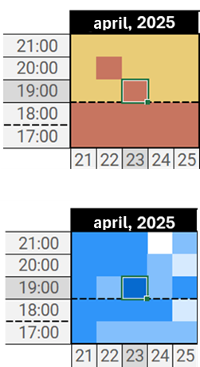
Wind Speed can affect the sensation of temperature either up or down. We'll call this "thermal sensation" (Thermal Sensation Δ).
But beware: the influence of wind is different in Night and Day periods. During the Night, the effect of wind should be considered 1.5x greater. During the Day, the standard value (1.0x) applies.
Return the average temperature, a hyphen, and the equivalent Temperature Range at the given Date and Time taking into account the Δ Thermal Sensation caused by the wind at the same Date and Time.
Example: On day 23/04/2025 the temperature at 19:00 was Warm, and the period was Night.
On day 23/04/2025 the wind speed at 19:00 was Moderate Breeze, which has a Δ Thermal Sensation of -4°C.
The final temperature, therefore, is 27-4*1.5=21. This way, we return 21-Pleasant.

Game # | Level | Answer |  | Date & Time | F216
 |  |  |  |  | 4/6/25 |  | Wind |  |  |  | Temp
Example6 | 6 | 21-Pleasant |  | 4/23/25 | 6 | 5.00 | 16706262 |  | 2 | N | 7851241 | 22 | 25 | Warm | 25-Warm
 |  |  |  |  |  | 25-Warm
101 | 6 | 25-Warm | 1 | 4/6/25 | F216 | 25-Warm
102 | 6 | 29-Hot | 1 | 4/17/25 | F217 | 29-Hot
103 | 6 | 25-Warm | 1 | 4/21/25 | F218 | 25-Warm
104 | 6 | 28-Warm | 1 | 4/29/25 | F219 | 28-Warm
105 | 6 | 25-Warm | 1 | 4/5/25 | F220 | 25-Warm
106 | 6 | 29-Hot | 1 | 4/8/25 | F221 | 29-Hot
107 | 6 | 25-Warm | 1 | 4/2/25 | F222 | 25-Warm
108 | 6 | 32-Hot | 1 | 4/1/25 | F223 | 32-Hot
109 | 6 | 25-Warm | 1 | 4/28/25 | F224 | 25-Warm
110 | 6 | 32-Hot | 1 | 4/29/25 | F225 | 32-Hot
111 | 6 | 25-Warm | 1 | 4/18/25 | F226 | 25-Warm
112 | 6 | 25-Warm | 1 | 4/15/25 | F227 | 25-Warm
113 | 6 | 18-Mild | 1 | 4/1/25 | F228 | 18-Mild
114 | 6 | 30-Hot | 1 | 4/1/25 | F229 | 30-Hot
115 | 6 | 27-Warm | 1 | 4/1/25 | F230 | 27-Warm
116 | 6 | 14-Mild | 1 | 4/2/25 | F231 | 14-Mild
117 | 6 | 24-Pleasant | 1 | 4/22/25 | F232 | 24-Pleasant
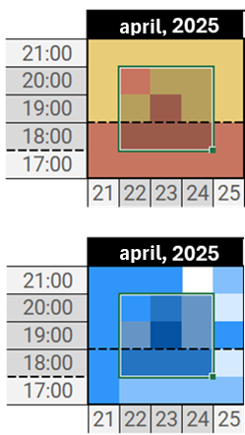
118 | 6 | 22-Pleasant | 1 | 4/14/25 | F233 | 22-Pleasant
119 | 6 | 22-Pleasant | 1 | 4/18/25 | F234 | 22-Pleasant
120 | 6 | 30-Hot | 1 | 4/12/25 | F235 | 30-Hot

Level 7 | Medium

We need to calculate the average thermal sensation of a window with a delta of 1 hour before and after, 1 day before and after the specified date and time.
The answer should be the Temperature Range equivalent to the average found.
Similar to Level 6, remember to consider the effects of the period (Night and Day) on the influence of wind speed (Δ Thermal Sensation).
Example: On days 22, 23 and 24/04/2025, at the times below, the temperature ranges and wind speed are:
20:00:00 | Warm Pleasant Pleasant |  |  | 20:00:00 | Gentle Breeze Gentle Breeze Light Breeze
19:00:00 | Pleasant Warm Pleasant |  |  | 19:00:00 | Light Breeze Moderate Breeze Light Breeze
18:00:00 | Warm Warm Warm |  |  | 18:00:00 | Gentle Breeze Gentle Breeze Gentle Breeze
After applying the effect of wind speed at each date and time, the average is 22,77... °C. Therefore, we return Pleasant.

Game # | Level | Answer |  | Date & Time | Pointer | F251
 |  |  |  |  |  | Day | Hour
Example7 | 7 | Pleasant |  | 4/23/25 |  | 23 | 5.00
 |  |  |  |  |  | Temperature |  |  |  | Wind Speed |  |  | Day/Night |  |  |  |  | Pleasant
121 | 7 | Warm | 1 | 4/16/25 |  | 22 | 23 |  | 24 | 22 | 23 | 24 | 22 | 23 | 24 |  | F253 | Warm
122 | 7 | Pleasant | 1 | 4/3/25 | 4.00 | Warm | Pleasant |  | Pleasant | Gentle Breeze | Gentle Breeze | Light Breeze | N | N | N |  | F254 | Pleasant
123 | 7 | Warm | 1 | 4/24/25 | 5.00 | Pleasant | Warm |  | Pleasant | Light Breeze | Moderate Breeze | Light Breeze | N | N | N |  | F255 | Warm
124 | 7 | Hot | 1 | 4/28/25 | 6.00 | Warm | Warm |  | Warm | Gentle Breeze | Gentle Breeze | Gentle Breeze | D | D | D |  | F256 | Hot
125 | 7 | Pleasant | 1 | 4/23/25 |  |  |  |  |  |  |  |  |  |  |  |  | F257 | Pleasant
126 | 7 | Warm | 1 | 4/11/25 |  | 27 | 22 | #N/A | 22 | -2 | -2 | 0 | 24 | 19 | 22 |  | F258 | Warm
127 | 7 | Pleasant | 1 | 4/17/25 |  | 22 | 27 | #N/A | 22 | 0 | -4 | 0 | 22 | 21 | 22 |  | F259 | Pleasant
128 | 7 | Hot | 1 | 4/11/25 |  | 27 | 27 | #N/A | 27 | -2 | -2 | -2 | 25 | 25 | 25 |  | F260 | Hot
129 | 7 | Pleasant | 1 | 4/19/25 |  |  |  |  |  |  |  |  |  |  | 22.777777778 |  | F261 | Pleasant
130 | 7 | Mild | 1 | 4/16/25 |  |  |  |  |  |  |  |  |  |  | Pleasant |  | F262 | Mild
131 | 7 | Pleasant | 1 | 4/23/25 |  |  |  |  |  |  |  |  |  |  |  |  | F263 | Pleasant
132 | 7 | Pleasant | 1 | 4/19/25 |  |  |  |  |  |  |  |  |  |  |  |  | F264 | Pleasant
133 | 7 | Pleasant | 1 | 4/26/25 |  |  |  |  |  |  |  |  |  |  |  |  | F265 | Pleasant
134 | 7 | Hot | 1 | 4/11/25 |  |  |  |  |  |  |  |  |  |  |  |  | F266 | Hot
135 | 7 | Warm | 1 | 4/21/25 |  |  |  |  |  |  |  |  |  |  |  |  | F267 | Warm
136 | 7 | Pleasant | 1 | 4/12/25 |  |  |  |  |  |  |  |  |  |  |  |  | F268 | Pleasant
137 | 7 | Pleasant | 1 | 4/15/25 |  |  |  |  |  |  |  |  |  |  |  |  | F269 | Pleasant
138 | 7 | Pleasant | 1 | 4/16/25 |  |  |  |  |  |  |  |  |  |  |  |  | F270 | Pleasant
139 | 7 | Warm | 1 | 4/7/25 |  |  |  |  |  |  |  |  |  |  |  |  | F271 | Warm
140 | 7 | Pleasant | 1 | 4/20/25 |  |  |  |  |  |  |  |  |  |  |  |  | F272 | Pleasant

