Sheet1
Link
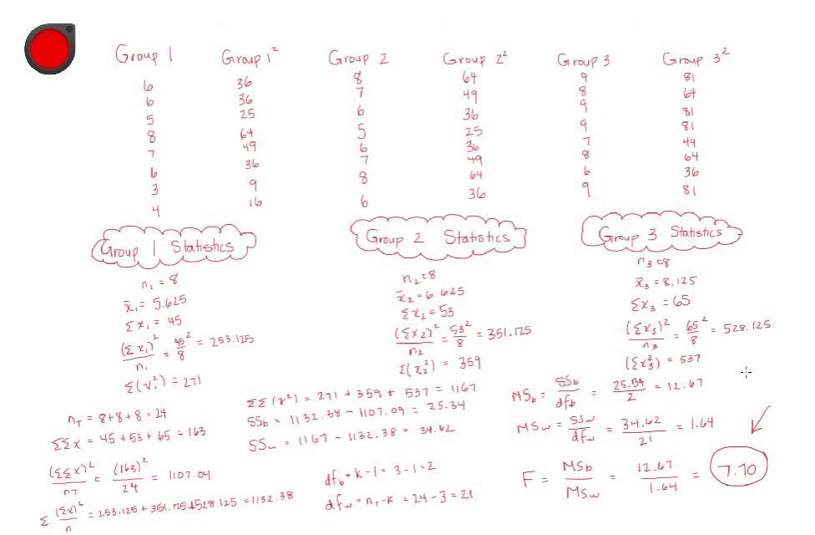
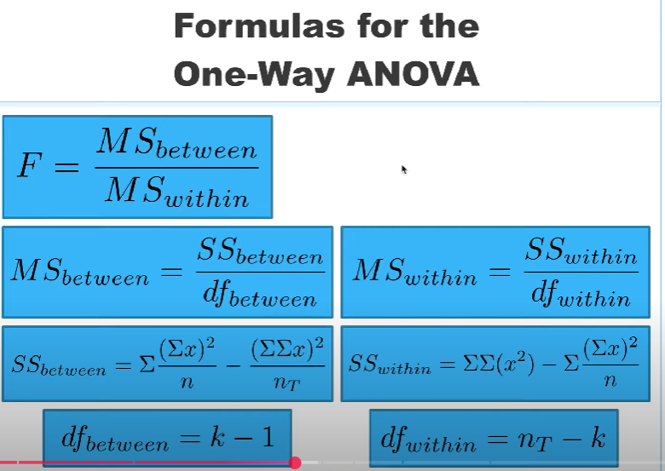

 | Group 1 |  | Group 2 |  |  | Group 3
 | 6 | 36 | 8 | 64 |  | 9 | 81
 | 6 | 36 | 7 | 49 |  | 8 | 64
 | 5 | 25 | 6 | 36 |  | 9 | 81
 | 8 | 64 | 5 | 25 |  | 9 | 81
 | 7 | 49 | 6 | 36 |  | 7 | 49
 | 6 | 36 | 7 | 49 |  | 8 | 64
 | 3 | 9 | 8 | 64 |  | 6 | 36
 | 4 | 16 | 6 | 36 |  | 9 | 81

 | n1 | 8 | n1 | 8 |  | n1 | 8
 | xbar | 5.625 | xbar | 6.625 |  | xbar | 8.125
 | xsum | 45 | xsum | 53 |  | xsum | 65
 | Inter | 253.125 | Inter | 351.125 |  | Inter | 528.125
 | SS2 | 271 | SS2 | 359 |  | SS2 | 537
 |  |  |  |  | df
 | nT | 24 | xxx | 1167
 | SSx | 163 |  | 25.333333333 | 2 | 12.666666667 | 7.6823104693
 | SS2M | 1107.0416667 |  | 34.625 | 21 | 1.6488095238
 | SS1M | 1132.375

