Raw_Airborn
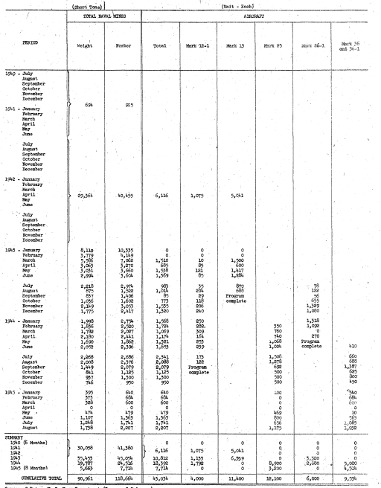
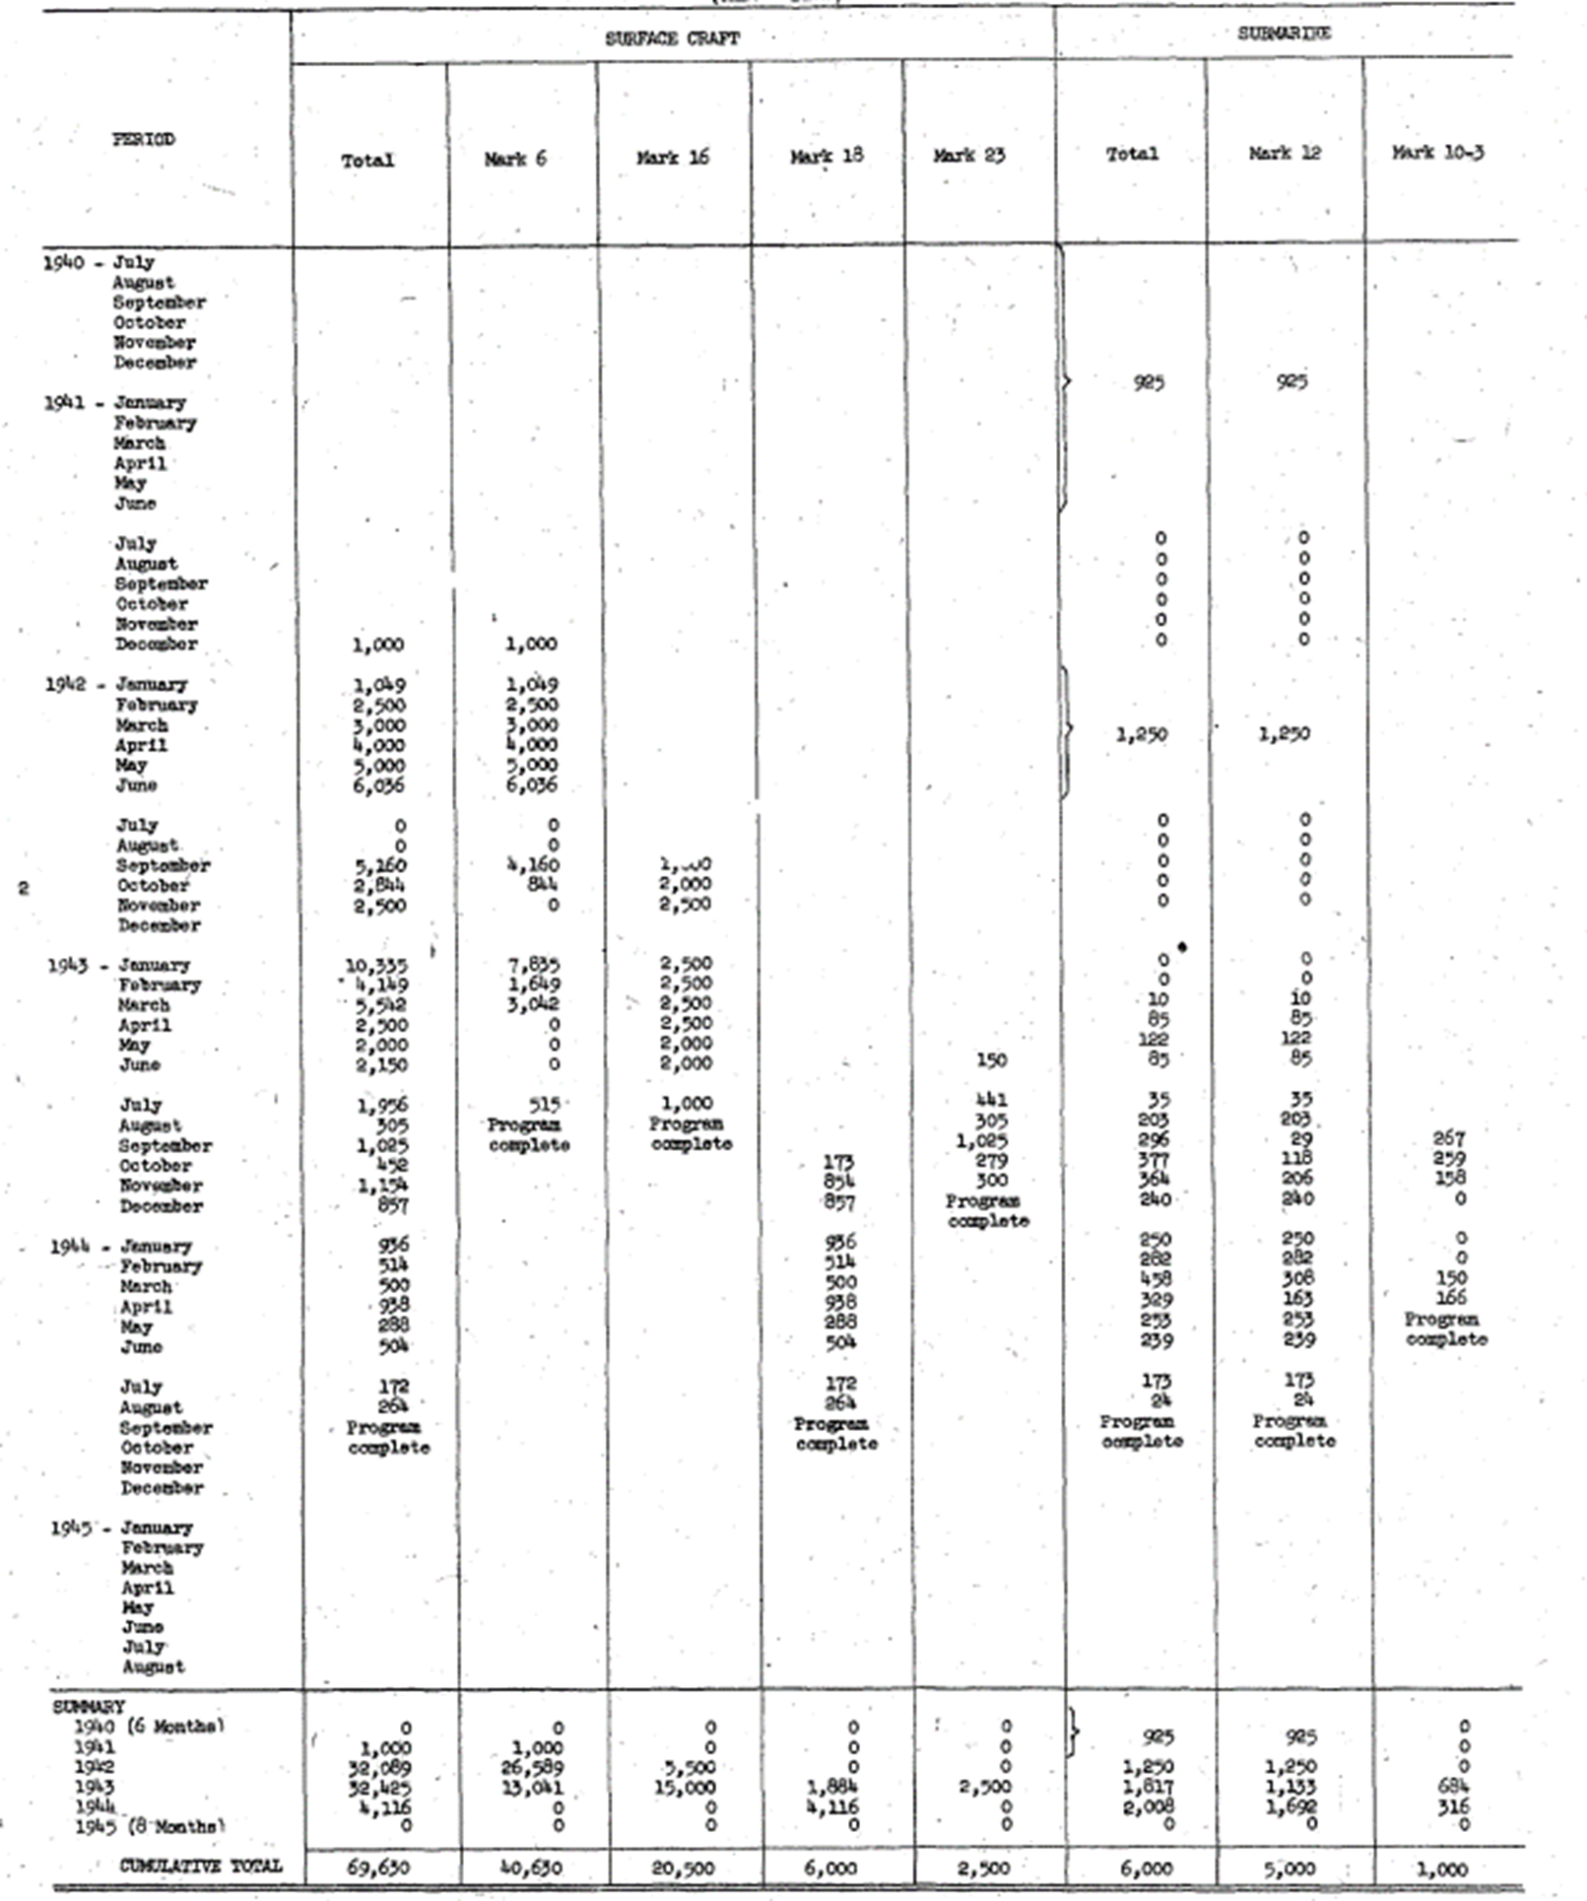
Year | Month | Weight | Number | Total | Mark 12-1 | Mark 13 | Mark 25 | Mark 26-1 | Mark 36 and 36-1
1940 | July
1940 | August | 0 | 0 | 0 | 0 | 0 | 0 | 0 | 0
1940 | September | 0 | 0 | 0 | 0 | 0 | 0 | 0 | 0
1940 | October | 0 | 0 | 0 | 0 | 0 | 0 | 0 | 0
1940 | November | 0 | 0 | 0 | 0 | 0 | 0 | 0 | 0
1940 | December | 0 | 0 | 0 | 0 | 0 | 0 | 0 | 0
1941 | January | 694 | 925 | 0 | 0 | 0 | 0 | 0 | 0
1941 | February | 0 | 0 | 0 | 0 | 0 | 0 | 0 | 0
1941 | March | 0 | 0 | 0 | 0 | 0 | 0 | 0 | 0
1941 | April | 0 | 0 | 0 | 0 | 0 | 0 | 0 | 0
1941 | May | 0 | 0 | 0 | 0 | 0 | 0 | 0 | 0
1941 | June | 0 | 0 | 0 | 0 | 0 | 0 | 0 | 0
1941 | July | 0 | 0 | 0 | 0 | 0 | 0 | 0 | 0
1941 | August | 0 | 0 | 0 | 0 | 0 | 0 | 0 | 0
1941 | September | 0 | 0 | 0 | 0 | 0 | 0 | 0 | 0
1941 | October | 0 | 0 | 0 | 0 | 0 | 0 | 0 | 0
1941 | November | 0 | 0 | 0 | 0 | 0 | 0 | 0 | 0
1941 | December | 0 | 0 | 0 | 0 | 0 | 0 | 0 | 0
1942 | January | 29364 | 40455 | 6116 | 1075 | 5041 | 0 | 0 | 0
1942 | February | 0 | 0 | 0 | 0 | 0 | 0 | 0 | 0
1942 | March | 0 | 0 | 0 | 0 | 0 | 0 | 0 | 0
1942 | April | 0 | 0 | 0 | 0 | 0 | 0 | 0 | 0
1942 | May | 0 | 0 | 0 | 0 | 0 | 0 | 0 | 0
1942 | June | 0 | 0 | 0 | 0 | 0 | 0 | 0 | 0
1942 | July | 0 | 0 | 0 | 0 | 0 | 0 | 0 | 0
1942 | August | 0 | 0 | 0 | 0 | 0 | 0 | 0 | 0
1942 | September | 0 | 0 | 0 | 0 | 0 | 0 | 0 | 0
1942 | October | 0 | 0 | 0 | 0 | 0 | 0 | 0 | 0
1942 | November | 0 | 0 | 0 | 0 | 0 | 0 | 0 | 0
1942 | December | 0 | 0 | 0 | 0 | 0 | 0 | 0 | 0
1943 | January | 8110 | 10335 | 0 | 0 | 0 | 0 | 0 | 0
1943 | February | 3779 | 4149 | 0 | 0 | 0 | 0 | 0 | 0
1943 | March | 5586 | 7062 | 1510 | 10 | 1500 | 0 | 0 | 0
1943 | April | 3063 | 3270 | 685 | 85 | 600 | 0 | 0 | 0
1943 | May | 3031 | 3660 | 1538 | 121 | 1417 | 0 | 0 | 0
1943 | June | 2994 | 3604 | 1369 | 85 | 1284 | 0 | 0 | 0
1943 | July | 2218 | 2974 | 963 | 35 | 870 | 0 | 78 | 0
1943 | August | 875 | 1522 | 1014 | 204 | 688 | 0 | 122 | 0
1943 | September | 837 | 1406 | 85 | 29 | 0 | 0 | 56 | 0
1943 | October | 1036 | 1602 | 773 | 118 | 0 | 0 | 655 | 0
1943 | November | 2149 | 3053 | 1555 | 206 | 0 | 0 | 1329 | 0
1943 | December | 1775 | 2417 | 1320 | 240 | 0 | 0 | 1080 | 0
1944 | January | 1998 | 2754 | 1568 | 250 | 0 | 0 | 1318 | 0 |  | Sum of Value | Type | Mark
1944 | February | 1836 | 2520 | 1724 | 282 | 0 | 350 | 1092 | 0 |  |  | Airborne |  |  |  |  | Airborne Total | Grand Total
1944 | March | 1782 | 2027 | 1069 | 309 | 0 | 760 | 0 | 0 |  | Date (Year) | Mark 12-1 | Mark 13 | Mark 25 | Mark 26-1 | Mark 36 and 36-1
1944 | April | 2180 | 2441 | 1174 | 164 | 0 | 740 | 270 | 0 |  | 1940 | 0 | 0 | 0 | 0 | 0 | 0 | 0
1944 | May | 1690 | 1862 | 1321 | 253 | 0 | 1068 | 0 | 0 |  | 1941 | 0 | 0 | 0 | 0 | 0 | 0 | 0
1944 | June | 2052 | 2396 | 1655 | 239 | 0 | 1004 | 0 | 410 |  | 1942 | 1075 | 5041 | 0 | 0 | 0 | 6116 | 6116
1944 | July | 2268 | 2686 | 2341 | 173 | 0 | 1508 | 0 | 660 |  | 1943 | 1133 | 6359 | 0 | 3320 | 0 | 10812 | 10812
1944 | August | 2008 | 2376 | 2088 | 122 | 0 | 1278 | 0 | 688 |  | 1944 | 1792 | 0 | 8900 | 2680 | 5020 | 18392 | 18392
1944 | September | 1449 | 2079 | 2079 | 0 | 0 | 692 | 0 | 1387 |  | 1945 | 0 | 0 | 3200 | 0 | 4514 | 7714 | 7714
1944 | October | 841 | 1125 | 1125 | 0 | 0 | 500 | 0 | 625 |  | Grand Total | 4000 | 11400 | 12100 | 6000 | 9534 | 43034 | 43034
1944 | November | 937 | 1300 | 1300 | 0 | 0 | 500 | 0 | 800
1944 | December | 746 | 950 | 950 | 0 | 0 | 500 | 0 | 450
1945 | January | 395 | 640 | 640 | 0 | 0 | 100 | 0 | 540
1945 | February | 373 | 684 | 684 | 0 | 0 | 0 | 0 | 684
1945 | March | 328 | 600 | 600 | 0 | 0 | 0 | 0 | 600
1945 | April | 0 | 0 | 0 | 0 | 0 | 0 | 0 | 0
1945 | May | 474 | 479 | 475 | 0 | 0 | 469 | 0 | 10
1945 | June | 1107 | 1363 | 1365 | 0 | 0 | 800 | 0 | 563
1945 | July | 1248 | 1741 | 1741 | 0 | 0 | 656 | 0 | 1085 | Sum of Value |  | Type
1945 | August | 1738 | 2207 | 2207 | 0 | 0 | 1175 | 0 | 1032 | Date (Year) | Date (Month) | Airborne | SUBMARINE | SURFACE CRAFT | Grand Total
 |  |  |  |  |  |  |  |  |  | 1940 |  | 0 | 0 | 0 | 0
 |  |  |  |  |  |  |  |  |  | 1941 |  | 0 | 925 | 1,000 | 1,925
 |  |  |  |  |  |  |  |  |  | 1942 |  | 6,116 | 1,250 | 32,089 | 39,455
 |  |  |  |  |  |  |  |  |  | 1943 |  | 10,812 | 1,817 | 32,425 | 45,054
 |  |  |  |  |  |  |  |  |  | 1944 |  | 18,392 | 2,008 | 4,116 | 24,516
 |  |  |  |  |  |  |  |  |  | 1945 |  | 7,714 | 0 | 0 | 7,714
 |  |  |  |  |  |  |  |  |  | Grand Total |  | 43,034 | 6,000 | 69,630 | 118,664

