Report
Question Tables |  |  |  |  |  | Link
1,2,4 |  |  | Result
1,3 |  |  | Groups iD | Values | 9,18 | 9,18,9,17,9,18 | 9,17,18 | The direction of search is important.
17,15 |  |  | 1 | 1,2,3,4,5,10,11,19
17,20 |  |  | 2 | 17,15,20,9,18 |  |  | 9,17,18 |  | 9,17,18 | Final
2,3,5 |  |  | 3 | 6,16,7,8 |  | 1,2,4 | 1,2,3,4,5,10,11,19 | 1,2,3,4,5,10,11,19 | 1,2,3,4,5,10,11,19 | 1,2,3,4,5,10,11,19
2,4 |  |  | 4 | 12,13,14 |  | 1,3 | 1,2,3,4,5,10,11,19 | 9,15,17,18,20 | 9,15,17,18,20 | 9,15,17,18,20
3,10,11 |  |  |  |  |  | 17,15 | 9,15,17,18,20 | 6,7,8,16 | 6,7,8,16 | 6,7,8,16
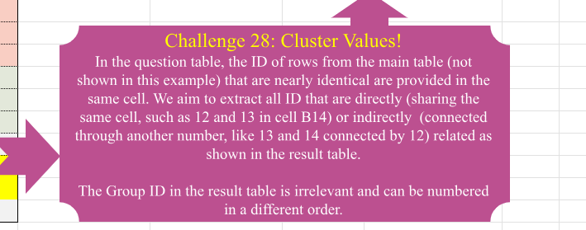
3,19 |  |  |  |  |  | 17,20 | 9,15,17,18,20 | 12,13,14 | 12,13,14 | 12,13,14
6,16 |  |  |  |  |  | 2,3,5 | 1,2,3,4,5,10,11,19 | 9,17,18 | 9,15,17,18,20
6,7,8 |  |  |  |  |  | 2,4 | 1,2,3,4,5,10,11,19
7,16 |  |  |  |  |  | 3,10,11 | 1,2,3,4,5,10,11,19
9,17 |  |  |  |  |  | 3,19 | 1,2,3,4,5,10,11,19
12,13 |  |  |  |  |  | 6,16 | 6,7,8,16
12,14 |  |  |  |  |  | 6,7,8 | 6,7,8,16
9,18 |  |  |  |  |  | 7,16 | 6,7,8,16
 |  |  |  |  |  | 9,17 | 9,15,17,18,20
 |  |  |  |  |  | 12,13 | 12,13,14
 |  |  |  |  |  | 12,14 | 12,13,14
 |  |  |  |  |  | 9,18 | 9,17,18

0 | 1 | 1,2,4,3,5,10,11,19 | =LET(d,DROP(REDUCE(0,B2:B16,LAMBDA(a,v,LET(m,MAP(a,LAMBDA(b,IF(COUNT(XMATCH(TEXTSPLIT(v,","),TEXTSPLIT(b,","))),b&","&v,b))), o,IF(AND(m=a),VSTACK(m,v),m),MAP(o,LAMBDA(p,TEXTJOIN(",",,UNIQUE(TEXTSPLIT(p,,",")))))))),1),HSTACK(SEQUENCE(ROWS(d)),d))
1,2,4,1,3,2,3,5,2,4,3,10,11,3,19 | 2 | 17,15,20,9,18
17,15,17,20,9,17,9,18 | 3 | 6,16,7,8
6,16,6,7,8,7,16 | 4 | 12,13,14
12,13,12,14

Formats

FROM: | Mark Biegert
SUBJECT: | Biegert Standardized Formating |  |  |  | Reference Info Card
DATE: | 29-Mar-2024
FROM:
SUBJECT:
DATE:
Mark Biegert
SDK Report
5-Mar-2024
Table Formats

 | Category A | Category B | Category C | Value
 | A | 1 | a | 1
 | A | 2 | b | 2
 | B | 1 | a | 3
 | B | 2 | b | 4
 | C | 1 | a | 5
 | C | 2 | b | 6

 | Sum of Value |  | Category C
 | Category A | Category B | a | b | Grand Total
 | A
 |  | 1 | 1 |  | 1
 |  | 2 |  | 2 | 2
 | B
 |  | 1 | 3 |  | 3
 |  | 2 |  | 4 | 4
 | C
 |  | 1 | 5 |  | 5
 |  | 2 |  | 6 | 6
 | Grand Total |  | 9 | 12 | 21

Tab Colors

 | Report Tabs
 | Data Tabs
 | Analysis Tabs
 | References
 | Metadata Tabs
 | Chart Tabs

