Report
FROM: | Mark Biegert |  |  |  |  | Notes on Peltier Presentation
SUBJECT: | Power Query Drills |  |  |  |  |  | Link
DATE: | 13-Dec-2023
 |  |  |  |  |  |  | Notes
Drills to Perform Today
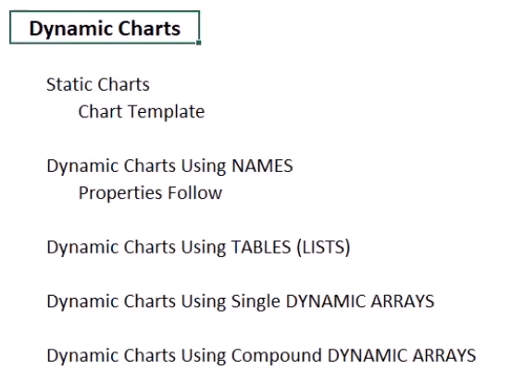
 | FALSE | Work through Cole's example |  | Link | How to perform sequential graphs.
 | TRUE | Put simple moving average formula in gist |  |  |  |  |  | Peltier Moving Average Function
 | TRUE | Function signature data typing
 | FALSE | Try Block Drill
 | FALSE | Geography Objects
 | TRUE | Dynamic Chart Drill |  |  | Try Dynamic Chart with Offset and Index

 |  |  |  |  |  |  |  | Use F3 to insert names
Sample Data from My Testing

Issue with Peltier using simple integer offsets. If someone inserts a columns between the data. This may be a good time to investigate using table addressing.
 | Unit | VBAT(V) | Unit
 | 1 | 3.584929466 | V
 | 2 | 3.585997581 | V
 | 3 | 3.572307110 | V
 | 4 | 3.562566519 | V

 | Mean | 3.576450169 | V
 | Std Dev | 0.011150070683 | V
 | Range | 3.5860 V -3.5626 V

Comparison with China
 |  | 3.597 | V

 |  |  |  |  |  |  | Always remember that dynamic arrays are incompatible with tables

 |  |  |  |  |  |  | Formula to dyamically build a charting table.

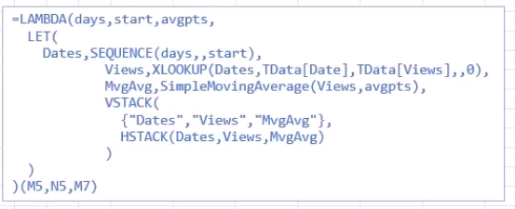
From Cole |  | Link



 |  |  |  |  |  |  | This converts a column to dates format in a formula. Usually, you have to do the
 |  |  |  |  |  |  | conversion after you enter the formula.

How to animate data
Hi Juan - We use basic tools like Microsoft Powerpoint to animate through data. Check out this tutorial for three ways to achieve this effect in Powerpoint: https://www.youtube.com/watch?v=-Ple4ZfrFlM

PQ_Exercise
FROM: | Mark Biegert
SUBJECT: | PQ Drill
DATE: | 13-Dec-2023

Objective

 | Function signature data typing
 | Try Block Drill
 | Dynamic Chart Drill
 | Moving average formula

Sample Data

Index | Item 1 | Item 2 | Item 3
1 | 2 | 3.3427598139 | 3.3427598139 | =LAMBDA(x,AVERAGE(OFFSET(x,0,0,-MIN(3,ROW()-1),1)))(C17)
2 | 4 | 3.2094483461 | 3.27610408
3 | 6 | 8.8718184985 | 5.1413422195
4 | 8 | 7.5845131324 | 6.5552599923
5 | 10 | 9.9714972145 | 8.8092762818
6 | 12 | 12.302745287 | 9.9529185448
7 | 14 | 12.636475061 | 11.636905854
8 | 16 | 18.954364192 | 14.631194847
9 | 18 | 15.960188993 | 15.850342749
10 | 20 | 21 | 18.638184395
11 | 22 | 24 | 20.320062998

Let's understand that Moving Average Formula.

 | =LAMBDA(x,AVERAGE(OFFSET(x,0,0,-MIN(3,ROW()-1),1)))(C17)

Formats

FROM: | Mark Biegert
SUBJECT: | Biegert Standardized Formating
DATE: | 14-Dec-2023

Table Formats

 | Category A | Category B | Category C | Value
 | A | 1 | a | 1
 | A | 2 | b | 2
 | B | 1 | a | 3
 | B | 2 | b | 4
 | C | 1 | a | 5
 | C | 2 | b | 6

 | Sum of Value |  | Category C
 | Category A | Category B | a | b | Grand Total
 | A
 |  | 1 | 1 |  | 1
 |  | 2 |  | 2 | 2
 | B
 |  | 1 | 3 |  | 3
 |  | 2 |  | 4 | 4
 | C
 |  | 1 | 5 |  | 5
 |  | 2 |  | 6 | 6
 | Grand Total |  | 9 | 12 | 21

Tab Colors

 | Report Tabs
 | Data Tabs
 | Analysis Tabs
 | References
 | Metadata Tabs
 | Chart Tabs

