Report
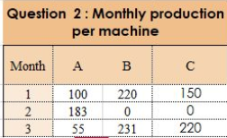
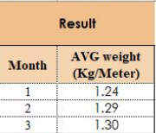
Q1: Monthly Samples |  |  |  |  |  | Q2:Monthly Production Per Machine |  |  |  |  | Result |  |  |  |  | https://www.linkedin.com/in/omid-motamedisedeh-74aba166/recent-activity/all/
Machine Code | Month | Sample | weight (KGMeter) |  |  | Month | A | B | C |  | Month | Avg Weight
A | 1 | 1 | 1.25 | 100 | 125 | 1 | 100 | 20 | 150 |  | 1 | 1.24
A | 1 | 2 | 1.2 | 100 | 120 | 2 | 183 | 0 | 0 |  | 2 | 1.29
B | 1 | 1 | 1.25 | 20 | 25 | 3 | 55 | 231 | 220 |  | 3 | 1.3
A | 1 | 3 | 1.22 | 100 | 122
A | 1 | 4 | 1.24 | 100 | 124
B | 1 | 2 | 1.25 | 20 | 25 | A | 1 | 100
C | 2 | 1 | 1.29 | 0 | 0 | A | 2 | 183
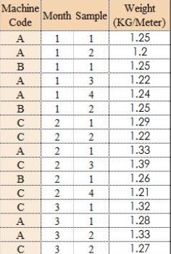
C | 2 | 2 | 1.22 | 0 | 0 | A | 3 | 55
A | 2 | 1 | 1.33 | 183 | 243.39 | B | 1 | 20
C | 2 | 3 | 1.39 | 0 | 0 | B | 2 | 0
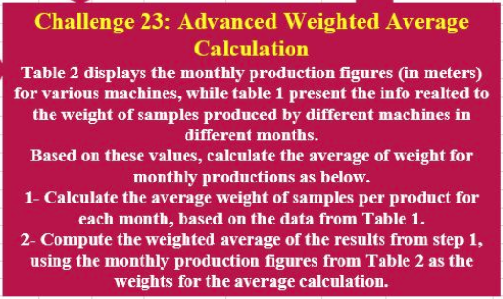
B | 2 | 1 | 1.26 | 0 | 0 | B | 3 | 231
C | 2 | 4 | 1.21 | 0 | 0 | C | 1 | 150
C | 3 | 1 | 1.32 | 220 | 290.4 | C | 2 | 0
A | 3 | 1 | 1.28 | 55 | 70.4 | C | 3 | 220
A | 3 | 2 | 1.33 | 55 | 73.15
C | 3 | 3 | 1.27 | 220 | 279.4

 |  |  | 1 | 1.23 |  |  | A | B | C |  | A | B | C
1 | 1.24 |  | 2 | 1.33 |  | 1 | 1.2275 | 1.25 | #DIV/0! | 1
2 | 1.28 |  | 3 | 1.30 |  | 2 | 1.33 | 1.26 | 1.2775 | 2
3 | 1.30 |  |  |  |  | 3 | 1.305 | #DIV/0! | 1.295 | 3
 |  |  |  |  |  |  |  |  |  |  |  |  |  | 1 | 1.23
 |  |  |  |  |  |  |  |  |  |  |  |  |  | 2 | 1.33
 |  |  |  |  |  |  |  |  |  |  |  |  |  | 3 | 1.3

Formats

FROM: | Mark Biegert
SUBJECT:
DATE: | 01-Apr-2024

Table Formats

 | Category A | Category B | Category C | Value
 | A | 1 | a | 1
 | A | 2 | b | 2
 | B | 1 | a | 3
 | B | 2 | b | 4
 | C | 1 | a | 5
 | C | 2 | b | 6

 | Sum of Value |  | Category C
 | Category A | Category B | a | b | Grand Total
 | A
 |  | 1 | 1 |  | 1
 |  | 2 |  | 2 | 2
 | B
 |  | 1 | 3 |  | 3
 |  | 2 |  | 4 | 4
 | C
 |  | 1 | 5 |  | 5
 |  | 2 |  | 6 | 6
 | Grand Total |  | 9 | 12 | 21

Tab Colors

 | Data Tabs
 | Report Tabs
 | Analysis Tabs
 | Metadata Tabs

