Report
FROM:
SUBJECT:
DATE:
Mark Biegert
Placeholder
1-Jan-2024

 | ab |  | los | auf |  | heim |  |  |  | aus |  | hin

 | an |  | zu |  | bei |  |  | nach |  |  | vor

 | zurück |  |  | weg |  |  | her |  | ein |  |  | mit

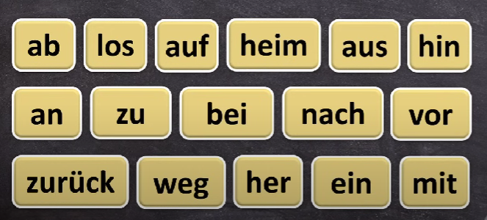
 | ab | ab:
 | los | los: |  |  |  |  |  | nach
 | auf | auf: |  |  |  |  |  | vor
 | heim | heim: |  |  |  |  |  | ein
 | aus | aus: |  |  |  |  |  | mit
 | hin | hin:
 | an | an:
 | zu | zu:
 | bei | bei:
 | nach | nach:
 | vor | vor:
 | zurück | zurück:
 | weg | weg:
 | her | her:
 | ein | ein:
 | mit | mit:

 | ab: away from, off, down los: start, begin, let go auf: up, open, on heim: homeward, home aus: out, outward, off hin: away, there (away from speaker) an: on, at, toward zu: closed, toward, additional bei: near, alongside, in addition nach: after, according to, following vor: before, forward, in front zurück: back, return, backward weg: away, gone, off her: here, toward speaker (opposite of hin-) ein: in, into, inward mit: with, along, together

 | ab: away from, off, down los: start, begin, let go auf: up, open, on heim: homeward, home aus: out, outward, off hin: away, there (away from speaker) an: on, at, toward zu: closed, toward, additional bei: near, alongside, in addition nach: after, according to, following vor: before, forward, in front zurück: back, return, backward weg: away, gone, off her: here, toward speaker (opposite of hin-) ein: in, into, inward mit: with, along, together

 | ab: away from, off, down los: start, begin, let go auf: up, open, on heim: homeward, home aus: out, outward, off hin: away, there (away from speaker) an: on, at, toward zu: closed, toward, additional bei: near, alongside, in addition nach: after, according to, following vor: before, forward, in front zurück: back, return, backward weg: away, gone, off her: here, toward speaker (opposite of hin-) ein: in, into, inward mit: with, along, together

ab: | away from, off, down |  |  |  |  |  |  | ab:away from, off, down
los: | start, begin, let go |  |  |  |  |  |  | los:start, begin, let go
auf: | up, open, on |  |  |  |  |  |  | auf:up, open, on |  |  |  |  | ab:away from, off, down
heim: | homeward, home |  |  |  |  |  |  | heim:homeward, home |  |  |  |  | los:start, begin, let go
aus: | out, outward, off |  |  |  |  |  |  | aus:out, outward, off |  |  |  |  | auf:up, open, on
hin: | away, there (away from speaker) |  |  |  |  |  |  | hin:away, there (away from speaker) |  |  |  |  | heim:homeward, home
an: | on, at, toward |  |  |  |  |  |  | an:on, at, toward |  |  |  |  | aus:out, outward, off
zu: | closed, toward, additional |  |  |  |  |  |  | zu:closed, toward, additional |  |  |  |  | hin:away, there (away from speaker)
bei: | near, alongside, in addition |  |  |  |  |  |  | bei:near, alongside, in addition |  |  |  |  | an:on, at, toward
nach: | after, according to, following |  |  |  |  |  |  | nach:after, according to, following |  |  |  |  | zu:closed, toward, additional
vor: | before, forward, in front |  |  |  |  |  |  | vor:before, forward, in front |  |  |  |  | bei:near, alongside, in addition
zurück: | back, return, backward |  |  |  |  |  |  | zurück:back, return, backward |  |  |  |  | nach:after, according to, following
weg: | away, gone, off |  |  |  |  |  |  | weg:away, gone, off |  |  |  |  | vor:before, forward, in front
her: | here, toward speaker (opposite of hin-) |  |  |  |  |  |  | her:here, toward speaker (opposite of hin-) |  |  |  |  | zurück:back, return, backward
ein: | in, into, inward |  |  |  |  |  |  | ein:in, into, inward |  |  |  |  | weg:away, gone, off
mit: | with, along, together |  |  |  |  |  |  | mit:with, along, together |  |  |  |  | her:here, toward speaker (opposite of hin-)
 |  |  |  |  |  |  |  |  |  |  |  |  | ein:in, into, inward
 |  |  |  |  |  |  |  |  |  |  |  |  | mit:with, along, together

Formats
FROM:
SUBJECT:
DATE:
Mark Biegert
Placeholder
1-Jan-2024

FROM: | Mark Biegert
SUBJECT:
DATE: | 08-Feb-2025

Table Formats

 | Category A | Category B | Category C | Value
 | A | 1 | a | 1
 | A | 2 | b | 2
 | B | 1 | a | 3
 | B | 2 | b | 4
 | C | 1 | a | 5
 | C | 2 | b | 6

 | Sum of Value |  | Category C
 | Category A | Category B | a | b | Grand Total
 | A
 |  | 1 | 1 |  | 1
 |  | 2 |  | 2 | 2
 | B
 |  | 1 | 3 |  | 3
 |  | 2 |  | 4 | 4
 | C
 |  | 1 | 5 |  | 5
 |  | 2 |  | 6 | 6
 | Grand Total |  | 9 | 12 | 21

Tab Colors

 | Data Tabs
 | Report Tabs
 | Analysis Tabs
 | Metadata Tabs

