InitialLook
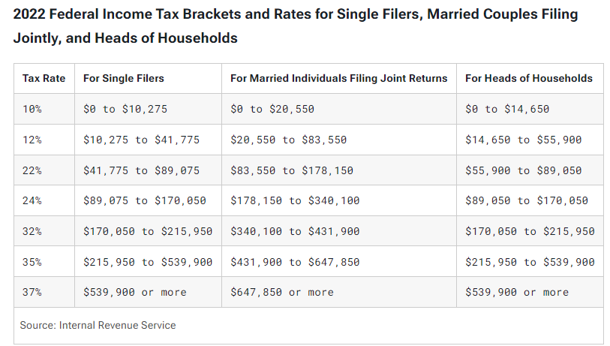
FROM:
SUBJECT:
DATE:
Mark Biegert
Progressive Tax Calculator
12-Jun-2024

US Federal Tax Rates 2022 Married Filing Jointly

Calculation Work |  |  |  | Alternative Calculation

 | Income | 140000
 | Lower bound | Rate |  | 20,550 | 2055
 | 0 | 10% |  | 63,000 | 7560
 | 20,550 | 12% |  | 56,450 | 12419
 | 83,550 | 22% |  | 140,000 | 22034
 | 178,150 | 24%
 | 340,100 | 32%
 | 431,900 | 35%
 | 647,850 | 37%

 | New lambda function for gist |  | 22034
 | My initial lambda capture |  | 22034
 | Effective Tax Rate |  | 15.7%

Reference |  | Link

Formats

FROM: | Mark Biegert
SUBJECT:
DATE: | 12-Jun-2024

Table Formats

 | Category A | Category B | Category C | Value
 | A | 1 | a | 1
 | A | 2 | b | 2
 | B | 1 | a | 3
 | B | 2 | b | 4
 | C | 1 | a | 5
 | C | 2 | b | 6

 | Sum of Value |  | Category C
 | Category A | Category B | a | b | Grand Total
 | A
 |  | 1 | 1 |  | 1
 |  | 2 |  | 2 | 2
 | B
 |  | 1 | 3 |  | 3
 |  | 2 |  | 4 | 4
 | C
 |  | 1 | 5 |  | 5
 |  | 2 |  | 6 | 6
 | Grand Total |  | 9 | 12 | 21

Tab Colors

 | Data Tabs
 | Report Tabs
 | Analysis Tabs
 | Metadata Tabs

