Report
FROM: | Mark Biegert
SUBJECT: | Excel BI EXCEL CHALLENGE 402 | Link
DATE: | 01-Mar-2024

Problem Setup

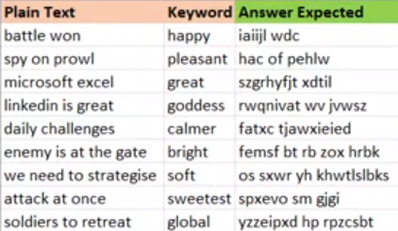
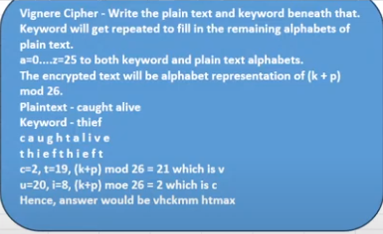

My Result

Analysis
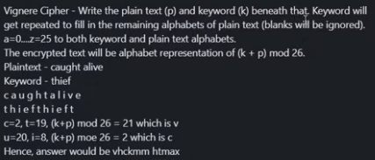
FROM: | Mark Biegert
SUBJECT: | BI EXCEL CHALLENGE 402
DATE: | 01-Mar-2024

 | Plain Text | Keyword | Answer Expected
 | battle won | happy | iaiijl wdc
 | spy on prowl | pleasant | hac of pehlw
 | microsoft excel | great | szgrhyfjt xdtil
 | linkedin is great | goddess | rwqnivat wv jvwsz
 | daily challenges | calmer | fatxc tjawxieied
 | enemy is at the gate | bright | femsf bt rb zox hrbk
 | we need to strategise soft | soft | os sxwr yh khwtlslbks xhxh
 | attack at once | sweetest | spxevo sm gjgi
 | soldiers to retreat | global | yzzeipxd hp rpzcsbt

Index | 2
ps | spy on prowl |  | a
p | spyonprowl |  | b
k | pleasant |  | c
 |  |  | d
kx | pleasantpl |  | e
 |  |  | f
encypher | hacofpehlw |  | g
 |  |  | h
 |  |  | i
 |  |  | j
 |  |  | k
 |  |  | l
 |  |  | m
 |  |  | n
 |  |  | o
 |  |  | p
 |  |  | q
 |  |  | r
 |  |  | s
 |  |  | t
 |  |  | u
 |  |  | v
 |  |  | w
 |  |  | x
 |  |  | y |  |  |  |  | String Pad
 |  |  | z |  |  | P | Index | 3
 |  |  |  |  |  | O |  | plaintex | enciphered
 |  |  |  |  |  |  |  | microsoft excel | szgrhyfjtxdtil
Enciphered
Enciphered Spaced
 |  |  | Plain Text | hacofpehlw | szgrhyfjt xdtil | Check |  | spaced | szgrhyfjt xdtil
 |  |  | battle won | iaiijlwdc | iaiijl wdc | P |  | 1 | 1 | s
 |  |  | spy on prowl | hacofpehlw | hac of pehlw | P |  | 2 | 2 | z
 |  |  | microsoft excel | szgrhyfjtxdtil | szgrhyfjt xdtil | P |  | 3 | 3 | g
 |  |  | linkedin is great | rwqnivatwvjvwsz | rwqnivat wv jvwsz | P |  | 4 | 4 | r
 |  |  | daily challenges | fatxctjawxieied | fatxc tjawxieied | P |  | 5 | 5 | h
 |  |  | enemy is at the gate | femsfbtrbzoxhrbk | femsf bt rb zox hrbk | P |  | 6 | 6 | y
 |  |  | we need to strategise soft | ossxwryhkhwtlslbksxhxh | os sxwr yh khwtlslbks xhxh | P |  | 7 | 7 | f
 |  |  | attack at once | spxevosmgjgi | spxevo sm gjgi | P |  | 8 | 8 | j
 |  |  | soldiers to retreat | yzzeipxdhprpzcsbt | yzzeipxd hp rpzcsbt | P |  | 9 | 9 | t
 |  |  |  |  |  |  |  | 10 | 9
 |  |  |  |  |  |  |  | 11 | 10 | x
 |  |  |  |  |  |  |  | 12 | 11 | d
 |  |  |  |  |  |  |  | 13 | 12 | t
 |  |  |  |  |  |  |  | 14 | 13 | i
 |  |  |  |  |  |  |  | 15 | 14 | l

