Report
FROM:
SUBJECT:
DATE:
Mark Biegert
Placeholder
1-Jan-2024

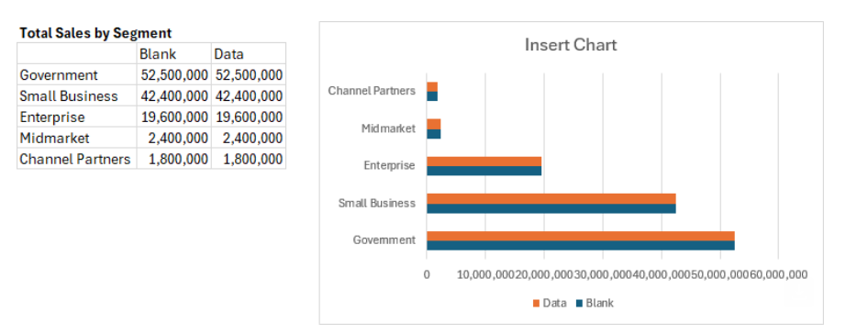

Total Sales by Segment Blank
 | Blank | Data
Government | 52,500,000 | 52,500,000
Small Business | 42,400,000 | 42,400,000
Enterprise | 19,600,000 | 19,600,000
Midmarket | 2,400,000 | 2,400,000
Channel Partners | 1,800,000 | 1,800,000

Formats
FROM:
SUBJECT:
DATE:
Mark Biegert
Placeholder
1-Jan-2024

FROM: | Mark Biegert
SUBJECT:
DATE: | 31-Jan-2025

Table Formats

 | Category A | Category B | Category C | Value
 | A | 1 | a | 1
 | A | 2 | b | 2
 | B | 1 | a | 3
 | B | 2 | b | 4
 | C | 1 | a | 5
 | C | 2 | b | 6

 | Sum of Value |  | Category C
 | Category A | Category B | a | b | Grand Total
 | A
 |  | 1 | 1 |  | 1
 |  | 2 |  | 2 | 2
 | B
 |  | 1 | 3 |  | 3
 |  | 2 |  | 4 | 4
 | C
 |  | 1 | 5 |  | 5
 |  | 2 |  | 6 | 6
 | Grand Total |  | 9 | 12 | 21

Tab Colors

 | Data Tabs
 | Report Tabs
 | Analysis Tabs
 | Metadata Tabs

