Report
Regression

 | _m | 0.331 |  | =_m*[@VBAT]+_b+0.01*RAND()
 | _b | -0.017
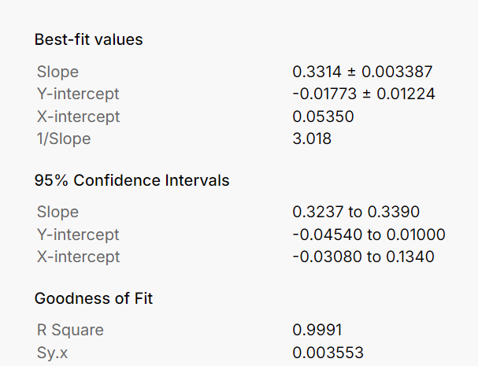
VBAT | VHA | Residual
3.10 | 1.008 | -0.001265
3.20 | 1.045 | 0.003089
3.30 | 1.077 | 0.001669
3.40 | 1.104 | -0.004036
3.50 | 1.145 | 0.003237
3.60 | 1.171 | -0.003508
3.70 | 1.212 | 0.004754
3.80 | 1.241 | 0.000253
3.90 | 1.277 | 0.002783
4.00 | 1.311 | 0.003998
4.10 | 1.336 | -0.003933

slope | 0.33133941523
int | -0.0175817274

Q-Q Plot
0.33133941523 | -0.0175817274
0.0033368636756 | 0.012058965504
0.99908803747 | 0.0034997321481
9859.8265302 | 9
0.12076438889 | 0.00011023312598

R-SQUARED

0.99908803747

Q-Q

 | Residuals | Rank | Percentile | Theoretical | Empirical
 | -0.0040362495554 | 1 | 0.045454545455 | -1.6906216296 | -1.4076921212
 | -0.003932895592 | 2 | 0.13636363636 | -1.0968035621 | -1.3765805756
 | -0.0035076409579 | 3 | 0.22727272727 | -0.74785859476 | -1.2485706909
 | -0.0012650865637 | 4 | 0.31818181818 | -0.47278912099 | -0.57351836628
 | 0.00025298664931 | 5 | 0.40909090909 | -0.22988411758 | -0.11654891479 | X | Y
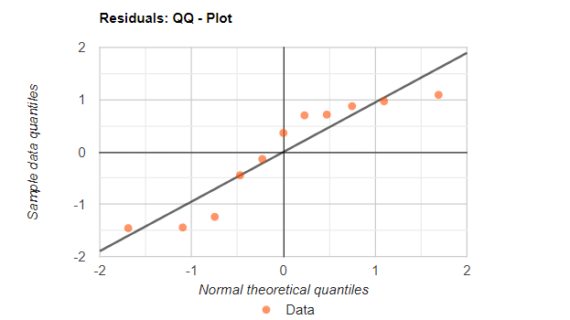
 | 0.0016690913478 | 6 | 0.5 | 0 | 0.30972603807 | -2 | -2
 | 0.0027829323112 | 7 | 0.59090909091 | 0.22988411758 | 0.64501374997 | 2 | 2
 | 0.003089438527 | 8 | 0.68181818182 | 0.47278912099 | 0.73727805983
 | 0.0032367594145 | 9 | 0.77272727273 | 0.74785859476 | 0.78162450149
 | 0.00399820827 | 10 | 0.86363636364 | 1.0968035621 | 1.0108353609
 | 0.0047542977965 | 11 | 0.95454545455 | 1.6906216296 | 1.2384329585

