Sheet2
FROM: | Mark Biegert
SUBJECT: | Theme
DATE: | 23-Jan-2018

Style
 | Heading 1
 | Heading 2
 | Heading 3
 | Comment
 | Hyperlink
 | Followed Hyperlink
 | Input
 | Explanatory

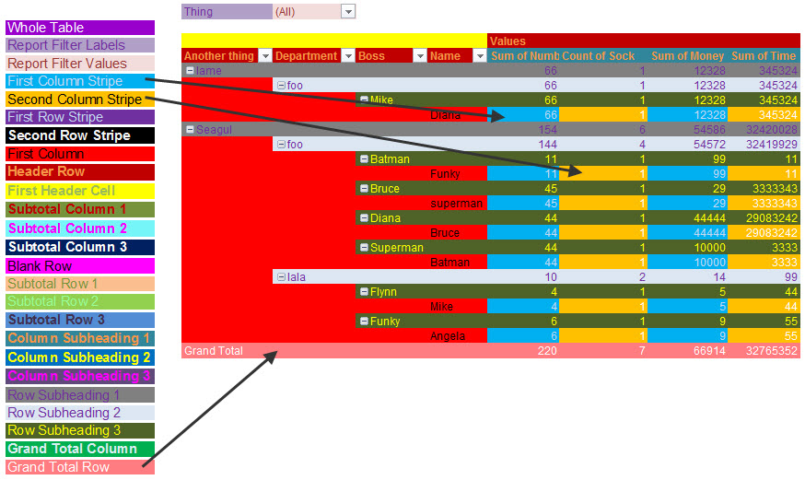
Standard Table Format

 | Name | Title | Value
 | Mark
 | Craig
 | Tim
 | Pat
 | Katee

Pivot Table

 | Index | Type | Value | Sum of Value | Type
 | Mark | A | 1 | Index | A | B
 | Craig | A | 2 | Craig | 2 | 6
 | Tim | A | 3 | Mark | 1 | 5
 | Pat | A | 4 | Pat | 4 | 8
 | Mark | B | 5 | Tim | 3 | 7
 | Craig | B | 6 | Grand Total | 10 | 26
 | Tim | B | 7
 | Pat | B | 8

